Sheet1
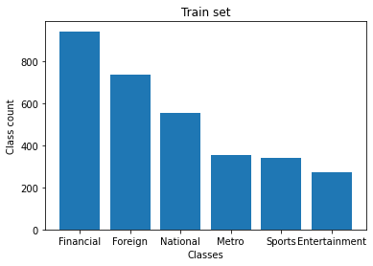
Sample size | 3203
Features | 13195
Classes | 5={'Financial','Foreign','National','Sports','Entertainment'}

