Question 1
What are the key factors influencing customer retention or loyalty based on the dataset?

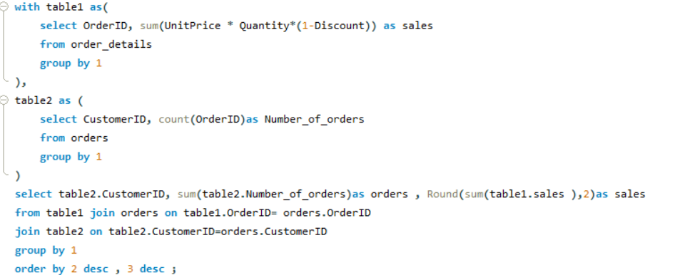
 | CustomerID | orders | sales
 | SAVEA | 961 | 104361.95 | Avg No. of Orders | 120.35955056
 | ERNSH | 900 | 104874.98 | Avg Sales | ₹ 14,222.39
 | QUICK | 784 | 110277.3
 | HUNGO | 361 | 49979.9
Order and sales based on each customer
 | FOLKO | 361 | 29567.56
 | RATTC | 324 | 51097.8
 | BERGS | 324 | 24927.58
 | HILAA | 324 | 22768.76
 | BONAP | 289 | 21963.25
 | FRANK | 225 | 26656.56
 | LEHMS | 225 | 19261.41
 | WARTH | 225 | 15648.7
 | HANAR | 196 | 32841.37
 | KOENE | 196 | 30908.38
 | WHITC | 196 | 27363.61
 | BOTTM | 196 | 20801.6
 | LILAS | 196 | 16076.6
Conclusion - This SQL Query perfectly calculates two of the factors of loyalty and retention for each customer. These factors are- no. of orders and total Sales for each customer. Here in the SQL Query I have shown them for each customer. Whereas, we can also take average value of both the factors for visualization purpose or we can show the values as they are on a scatter plot as well. | LAMAI | 196 | 9328.2
 | MEREP | 169 | 28872.19
 | QUEEN | 169 | 25717.5
 | AROUT | 169 | 13390.65
 | SUPRD | 144 | 24088.78
 | LINOD | 144 | 16476.56
 | REGGC | 144 | 7048.24
 | BLONP | 121 | 18534.08
 | GREAL | 121 | 18507.45
 | VAFFE | 121 | 15843.92
 | RICAR | 121 | 12450.8
 | PICCO | 100 | 23128.86
 | RICSU | 100 | 19343.78
 | OLDWO | 100 | 15177.46
 | OTTIK | 100 | 12496.2
 | GODOS | 100 | 11446.36
 | TORTU | 100 | 10812.15
 | WANDK | 100 | 9588.42
 | VICTE | 100 | 9182.43
 | MAGAA | 100 | 7176.21
 | ISLAT | 100 | 6146.3
 | BSBEV | 100 | 6089.9
 | SEVES | 81 | 16215.32
 | SPLIR | 81 | 11441.63
 | GOURL | 81 | 8414.14
 | QUEDE | 81 | 6664.81
 | WELLI | 81 | 6068.2
 | EASTC | 64 | 14761.04
 | CHOPS | 64 | 12348.88
 | FURIB | 64 | 6427.42
 | LONEP | 64 | 4258.6
 | SIMOB | 49 | 16817.1
 | MAISD | 49 | 9736.08
 | ANTON | 49 | 7023.98
 | FAMIA | 49 | 4107.55
 | WOLZA | 49 | 3531.95
 | BLAUS | 49 | 3239.8
 | WILMK | 49 | 3161.35
 | TRADH | 36 | 6850.66
 | SANTG | 36 | 5735.15
 | TOMSP | 36 | 4778.14
 | ALFKI | 36 | 4273
 | PERIC | 36 | 4242.2
 | DRACD | 36 | 3763.21
 | CACTU | 36 | 1814.8
 | FRANS | 36 | 1545.7
 | FOLIG | 25 | 11666.9
 | PRINI | 25 | 5044.94
 | MORGK | 25 | 5042.2
 | COMMI | 25 | 3810.75
 | OCEAN | 25 | 3460.2
 | HUNGC | 25 | 3063.2
 | RANCH | 25 | 2844.1
 | VINET | 25 | 1480
 | ROMEY | 25 | 1467.29
 | GALED | 25 | 836.7
 | THEBI | 16 | 3361
 | LETSS | 16 | 3076.47
 | SPECD | 16 | 2423.35
 | LACOR | 16 | 1992.05
 | DUMON | 16 | 1615.9
 | ANATR | 16 | 1402.95
 | BOLID | 9 | 4232.85
 | FRANR | 9 | 3172.16
 | THECR | 9 | 1947.24
 | CONSH | 9 | 1719.1
 | TRAIH | 9 | 1571.2
 | NORTS | 9 | 649
 | LAUGB | 9 | 522.5
 | GROSR | 4 | 1488.7
 | LAZYK | 4 | 357
 | CENTC | 1 | 100.8

Question 3
Are there any interesting patterns or clusters in customer behavior that can be visualized to identify potential market segments?

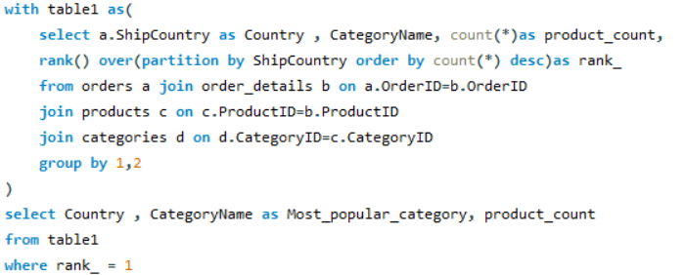 | Country | CategoryName | product_count
 | Argentina | Confections | 8
 | Austria | Dairy Products | 27
 | Belgium | Beverages | 11
 | Brazil | Beverages | 40
 | Canada | Confections | 15
 | Denmark | Condiments | 10
 | Finland | Dairy Products | 11
 | France | Beverages | 35
 | Germany | Dairy Products | 65
 | Ireland | Dairy Products | 13
 | Italy | Confections | 10
 | Mexico | Beverages | 18
 | Norway | Beverages | 5
 | Poland | Beverages | 6
 | Portugal | Condiments | 8
 | Spain | Confections | 10
 | Sweden | Beverages | 25
We can conclude this question with almost the same answer as of question 2 . As, we can identify the potential best market segments as categories for each country by addding a rank function in the previous query itself. This shows us the most popular category for each country and thus can be identified as the potential market segment to invest more in that specific country. | Switzerland | Seafood | 11
 | UK | Dairy Products | 29
 | USA | Confections | 62
 | Venezuela | Seafood | 23
 | Venezuela | Dairy Products | 23

Question 4
Are there any specific product categories or SKUs that contribute significantly to order revenue? Can we identify them through visualizations?

 | CategoryName | Sales
 | Beverages | 267868.18
 | Dairy Products | 234507.28
 | Confections | 167357.22
 | Meat/Poultry | 163022.36
 | Seafood | 131261.74
 | Condiments | 106047.09
 | Produce | 99984.58
 | Grains/Cereals | 95744.59

Sales distribution for each category

Conclusion - By this Query we can identify the Sales Revenue for each product category specifically. We can further visualize it either by bar chart or by pie chart as well in case we need to see the proportions of the contribution by each category in total revenue.

Question 5
Are there any correlations between order size and customer demographics or product categories? Can we explore this visually using scatter plots or heatmaps?

 | CategoryName | Sales
 | Dairy Products | 640.73
 | Grains/Cereals | 488.49
 | Produce | 735.18
 | Seafood | 397.76
 | Condiments | 490.96
 | Confections | 501.07
 | Beverages | 663.04
 | Meat/Poultry | 942.33
Average order size for categories
Conclusion- This query generates a table showing average sales per category which can be defined as the correlation between order size and product categoryies, mentioning the average order size distribution on product categories. We specifically dom'tneed a scatter plot for this but can also be visualized using bar chart or pie chart again.

Question 6
How does order frequency vary across different customer segments? Can we visualize this using bar charts or treemaps?

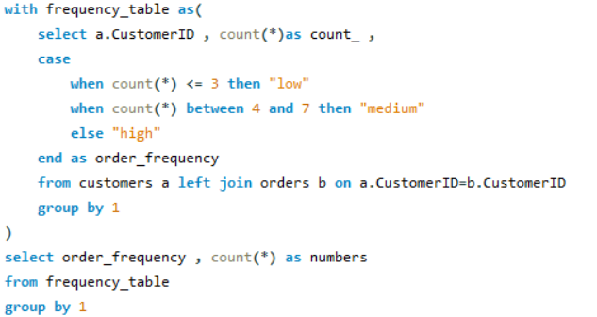

 | order_frequency | numbers
 | medium | 31
 | high | 48
 | low | 12

Conclusion- Here we have first categorized the customers in three different segments and then identified the number of customers in that segment. This gives us a clear representation of the variation of frequency in different customer segments .

Question 7
Are there any correlations between employee satisfaction levels and key performance indicators? Can we explore this visually through scatter plots or line charts?

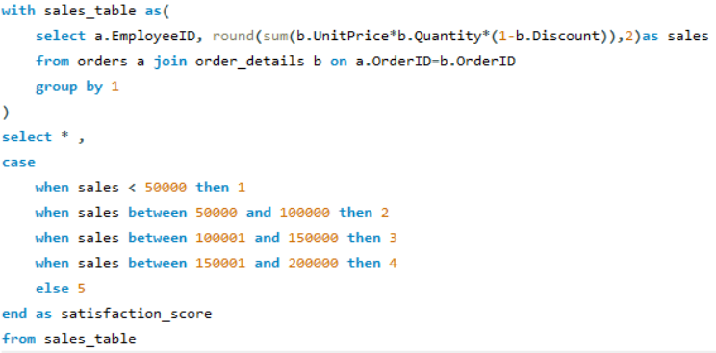
Relation between satisfaction score and Sales
 | EmployeeID | sales | satisfaction_score
 | 5 | 68792.28 | 2
 | 6 | 73913.13 | 2
 | 4 | 232890.85 | 5
 | 3 | 202812.84 | 5
 | 9 | 77308.07 | 2
 | 1 | 192107.6 | 4
 | 8 | 126862.28 | 3
 | 2 | 166537.76 | 4
 | 7 | 124568.24 | 3

Conclusion - This represents the satisfaction score for each employee based on the sales they've done. This can be visualized using a scatter plot. The visual indicates that satisfaction score is directly proportional to the sales .

Question 8
How does employee turnover vary across different departments or job roles? Can we visualize this using bar charts or heatmaps?

 | Title | sales
 | Sales Manager | 68792.28
 | Sales Representative | 903600.72
 | Inside Sales Coordinator | 126862.28
 | Vice President, Sales | 166537.76
Sales across different job roles

Conclusion - Northwind dataset doesn't have track of turnover data so we have used Sales as an alternative measure to solve this probem. This query results us a table containing sales done by all the job titles in the company. Thus we can visualize it using bar chart to show sales for each job title.

Question 9
Can we identify any patterns or clusters in employee skill sets or qualifications through visualizations? How can this information be used for talent management?

Employee distribution on qualification
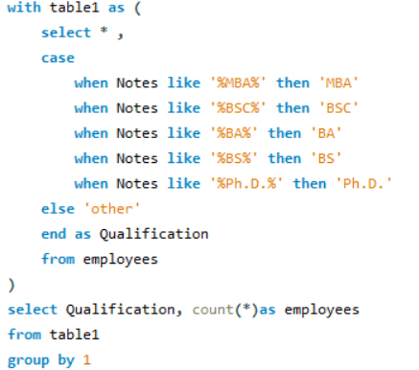

 | Qualification | employees
 | BA | 4
 | Ph.D. | 1
 | BS | 1
 | BSC | 1
 | MBA | 1
 | other | 1

Conclusion - This query provides us an excellent way to identify clusters in employee's qualification. This can be visualized using a bar chart or pie chart as well.

Question 10
Are there any correlations between product attributes (e.g., size, color, features) and sales performance? Can we explore this visually using scatter plots or heatmaps?

sales over packaging
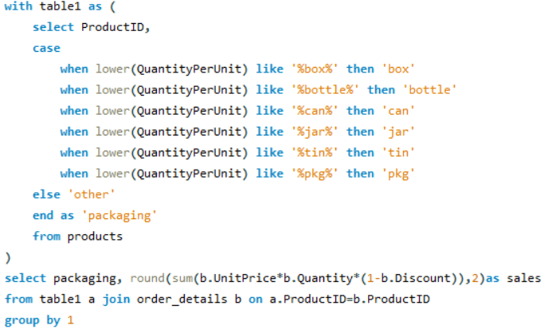

 | packaging | sales
 | pkg | 394017.55
 | can | 38881.35
 | bottle | 244339.89
 | box | 111240.56
 | other | 316293.99
 | jar | 86884
 | tin | 74135.71

Conclusion - There are no known product attribute columns in the northwind dataset. Although this question could've been solves with the same approach as in question 4 by distribution of sales over product categories but we have solved this differently. Here categorization has been done on packaging methods data extracted from QuantityPerUnit column in Products table and ulimately sales distribution has been shown over it .

Question 11
How does product demand fluctuate over different seasons or months? Can we visualize this through line charts or area charts?

 | order_month | number_of_orders
 | 1994-08 | 22
 | 1994-09 | 25
 | 1994-10 | 23
 | 1994-11 | 25
 | 1994-12 | 26
 | 1995-01 | 31
 | 1995-02 | 29
 | 1995-03 | 33
Conclusion- By this query we can see the number of orders for each month present in the dataset. Thus, we can see the fluctuation in the product demand on monthly basis. A line chart would be perfect to represent it visually. | 1995-04 | 28
 | 1995-05 | 33
 | 1995-06 | 32
Product demand over the time
 | 1995-07 | 30
 | 1995-08 | 33
 | 1995-09 | 33
 | 1995-10 | 37
 | 1995-11 | 37
 | 1995-12 | 35
 | 1996-01 | 48
 | 1996-02 | 53
 | 1996-03 | 56
 | 1996-04 | 73
 | 1996-05 | 77
 | 1996-06 | 11

Question 12
Can we identify any outliers or anomalies in product performance or sales using visualizations? How can this information be used for product optimization?

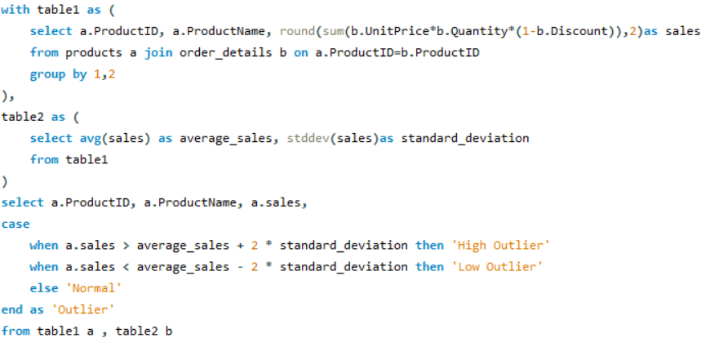 | ProductID | ProductName | sales | Outlier
 | 11 | Queso Cabrales | 12901.77 | Normal
 | 42 | Singaporean Hokkien Fried Mee | 8575 | Normal
 | 72 | Mozzarella di Giovanni | 24900.13 | Normal
 | 14 | Tofu | 7991.49 | Normal
 | 51 | Manjimup Dried Apples | 41819.65 | Normal
 | 41 | Jack's New England Clam Chowder | 8680.35 | Normal
 | 65 | Louisiana Fiery Hot Pepper Sauce | 13869.89 | Normal
 | 22 | Gustaf's KnÃ¤ckebrÃ¶d | 7122.36 | Normal
 | 57 | Ravioli Angelo | 7661.55 | Normal
 | 20 | Sir Rodney's Marmalade | 22563.36 | Normal
 | 33 | Geitost | 1648.12 | Normal
 | 60 | Camembert Pierrot | 46825.48 | Normal
 | 31 | Gorgonzola Telino | 14920.88 | Normal
 | 39 | Chartreuse verte | 12294.54 | Normal
 | 49 | Maxilaku | 9244.6 | Normal
 | 24 | GuaranÃ¡ FantÃ¡stica | 4504.36 | Normal
 | 55 | PÃ¢tÃ© chinois | 17426.4 | Normal
 | 74 | Longlife Tofu | 2432.5 | Normal
Conclusion - This query gives the perfect way to find outliers with statistical formula. This can be visualized using a bar chart. Additionally, we can apply conditional formatting in the chart to highlight outliers. This information can used to identify good and bad performing products and ultimatey can be used to take action on the product to boost profit and sales. | 2 | Chang | 16355.96 | Normal
 | 16 | Pavlova | 17215.78 | Normal
 | 36 | Inlagd Sill | 13458.46 | Normal
 | 59 | Raclette Courdavault | 71155.7 | High Outlier
sales for each Product
 | 53 | Perth Pasties | 20574.17 | Normal
 | 77 | Original Frankfurter grÃ¼ne SoÃŸe | 9171.63 | Normal
 | 27 | Schoggi Schokolade | 15099.88 | Normal
 | 5 | Chef Anton's Gumbo Mix | 5347.2 | Normal
 | 32 | Mascarpone Fabioli | 8404.16 | Normal
 | 21 | Sir Rodney's Scones | 9104 | Normal
 | 37 | Gravad lax | 2688.4 | Normal
 | 62 | Tarte au sucre | 47234.97 | Normal
 | 70 | Outback Lager | 10672.65 | Normal
 | 35 | Steeleye Stout | 13644 | Normal
 | 7 | Uncle Bob's Organic Dried Pears | 22044.3 | Normal
 | 56 | Gnocchi di nonna Alice | 42593.06 | Normal
 | 30 | Nord-Ost Matjeshering | 13424.2 | Normal
 | 17 | Alice Mutton | 32698.38 | Normal
 | 12 | Queso Manchego La Pastora | 12257.66 | Normal
 | 40 | Boston Crab Meat | 17910.63 | Normal
 | 76 | LakkalikÃ¶Ã¶ri | 15760.44 | Normal
 | 29 | ThÃ¼ringer Rostbratwurst | 80368.67 | High Outlier
 | 43 | Ipoh Coffee | 23526.7 | Normal
 | 10 | Ikura | 20867.34 | Normal
 | 71 | FlÃ¸temysost | 19551.02 | Normal
 | 13 | Konbu | 4960.44 | Normal
 | 28 | RÃ¶ssle Sauerkraut | 25696.64 | Normal
 | 44 | Gula Malacca | 9915.95 | Normal
 | 63 | Vegie-spread | 16701.1 | Normal
 | 73 | RÃ¶d Kaviar | 3997.2 | Normal
 | 75 | RhÃ¶nbrÃ¤u Klosterbier | 8177.49 | Normal
 | 19 | Teatime Chocolate Biscuits | 5862.62 | Normal
 | 15 | Genen Shouyu | 1784.82 | Normal
 | 67 | Laughing Lumberjack Lager | 2396.8 | Normal
 | 1 | Chai | 12788.1 | Normal
 | 34 | Sasquatch Ale | 6350.4 | Normal
 | 46 | Spegesild | 5883 | Normal
 | 54 | TourtiÃ¨re | 4728.24 | Normal
 | 68 | Scottish Longbreads | 8714 | Normal
 | 3 | Aniseed Syrup | 3044 | Normal
 | 64 | Wimmers gute SemmelknÃ¶del | 21957.97 | Normal
 | 18 | Carnarvon Tigers | 29171.88 | Normal
 | 69 | Gudbrandsdalsost | 21942.36 | Normal
 | 66 | Louisiana Hot Spiced Okra | 3383 | Normal
 | 4 | Chef Anton's Cajun Seasoning | 8567.9 | Normal
 | 6 | Grandma's Boysenberry Spread | 7137 | Normal
 | 58 | Escargots de Bourgogne | 5881.67 | Normal
 | 52 | Filo Mix | 3232.95 | Normal
 | 25 | NuNuCa NuÃŸ-Nougat-Creme | 3704.4 | Normal
 | 38 | CÃ´te de Blaye | 141396.73 | High Outlier
 | 26 | GumbÃ¤r GummibÃ¤rchen | 19849.14 | Normal
 | 47 | Zaanse koeken | 3958.08 | Normal
 | 23 | TunnbrÃ¶d | 4601.7 | Normal
 | 8 | Northwoods Cranberry Sauce | 12772 | Normal
 | 50 | Valkoinen suklaa | 3437.69 | Normal
 | 45 | RÃ¸gede sild | 4338.18 | Normal
 | 48 | Chocolade | 1368.71 | Normal
 | 61 | Sirop d'Ã©rable | 14352.6 | Normal
 | 9 | Mishi Kobe Niku | 7226.5 | Normal

Question 13
Are there any correlations between supplier attributes (e.g., location, size, industry) and performance metrics (e.g., on-time delivery, product quality)? Can we explore this visually through scatter plots or heatmaps?

Average Reorder Rating
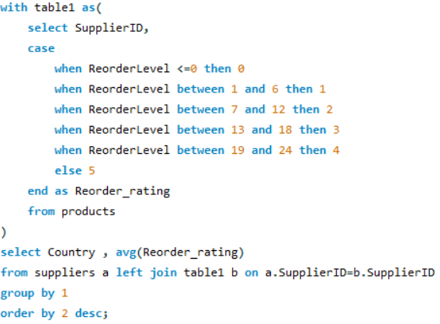 | Country | avg(Reorder_rating)
 | Sweden | 5
 | Finland | 4
 | Italy | 3.6
 | Sweden | 3.3333
 | Germany | 2.8889
 | Canada | 2.75
 | Singapore | 2.6667
 | Spain | 2.5
 | Netherlands | 2.5
 | UK | 2.4286
 | Norway | 2.3333
 | USA | 2.1667
 | Australia | 1.875
 | France | 1.6
 | Denmark | 1.5
 | Japan | 0.5
 | Brazil | 0

Conclusion - With this query, we can represent the average Reorder_rating(based on reorder level from products table) for each supplier country based on datasets limitations as there is no performance metric provided for suppliers. Further we can identify the country's rating and take actions accordingly.

Question 14
How does supplier performance vary across different product categories or departments? Can we visualize this using stacked bar charts or grouped column charts?

 | Part 1 |  |  | Part 2
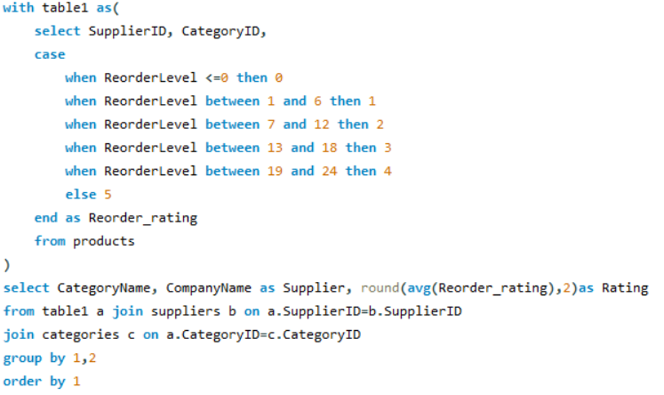 | CategoryName | Supplier | Rating | CategoryName | Average of Rating
 | Beverages | Aux joyeux ecclÃ©siastiques | 2 | Beverages | 3.39625
 | Beverages | Bigfoot Breweries | 2.67 | Condiments | 2.6875
 | Beverages | Exotic Liquids | 3.5 | Confections | 2.18
 | Beverages | Karkki Oy | 4 | Dairy Products | 1.9575
 | Beverages | Leka Trading | 5 | Grains/Cereals | 3.9
 | Beverages | Pavlova, Ltd. | 5 | Meat/Poultry | 0.6
 | Beverages | Plutzer LebensmittelgroÃŸmÃ¤rkte AG | 5 | Produce | 1
 | Beverages | Refrescos Americanas LTDA | 0 | Seafood | 2.04125
 | Condiments | Exotic Liquids | 5
Average Supplier rating for each category
 | Condiments | ForÃªts d'Ã©rables | 5
 | Condiments | Grandma Kelly's Homestead | 2.5
 | Condiments | Leka Trading | 3
 | Condiments | Mayumi's | 1
 | Condiments | New Orleans Cajun Delights | 1
 | Condiments | Pavlova, Ltd. | 1
 | Condiments | Plutzer LebensmittelgroÃŸmÃ¤rkte AG | 3
 | Confections | ForÃªts d'Ã©rables | 0
 | Confections | Heli SÃ¼ÃŸwaren GmbH & Co. KG | 3.33
 | Confections | Karkki Oy | 4
Conclusion - This query perfectly answers the question here, showing the performance of suppliers for each category represented by average ratings created on reorder level. We could have used sales as well for performance but here we have used rating instead as it seemed more sensible to use in context of supplier performance . | Confections | Pavlova, Ltd. | 2
 | Confections | Specialty Biscuits, Ltd. | 1.25
 | Confections | Zaanse Snoepfabriek | 2.5
 | Dairy Products | Cooperativa de Quesos 'Las Cabras' | 2.5
 | Dairy Products | Formaggi Fortini s.r.l. | 3
For further simplicity and good visulaization we can group the data by category and show the avg supplier Rating for the category. | Dairy Products | Gai pÃ¢turage | 0
 | Dairy Products | Norske Meierier | 2.33
 | Grains/Cereals | G'day, Mate | 5
 | Grains/Cereals | Leka Trading | 0
 | Grains/Cereals | Pasta Buttini s.r.l. | 4.5
 | Grains/Cereals | PB KnÃ¤ckebrÃ¶d AB | 5
 | Grains/Cereals | Plutzer LebensmittelgroÃŸmÃ¤rkte AG | 5
 | Meat/Poultry | G'day, Mate | 0
 | Meat/Poultry | Ma Maison | 3
 | Meat/Poultry | Pavlova, Ltd. | 0
 | Meat/Poultry | Plutzer LebensmittelgroÃŸmÃ¤rkte AG | 0
 | Meat/Poultry | Tokyo Traders | 0
 | Produce | G'day, Mate | 2
 | Produce | Grandma Kelly's Homestead | 2
 | Produce | Mayumi's | 0
 | Produce | Plutzer LebensmittelgroÃŸmÃ¤rkte AG | 0
 | Produce | Tokyo Traders | 1
 | Seafood | Escargots Nouveaux | 4
 | Seafood | Lyngbysild | 1.5
 | Seafood | Mayumi's | 1
 | Seafood | New England Seafood Cannery | 3.5
 | Seafood | Nord-Ost-Fisch Handelsgesellschaft mbH | 3
 | Seafood | Pavlova, Ltd. | 0
 | Seafood | Svensk SjÃ¶fÃ¶da AB | 3.33
 | Seafood | Tokyo Traders | 0

Question 15
Can we identify any trends or patterns in supplier costs or pricing structures through visualizations? How can this information be used for procurement optimization?

 | supplier | average_UnitPrice
 | Exotic Liquids | 15.67
 | New Orleans Cajun Delights | 20.35
 | Grandma Kelly's Homestead | 31.67
 | Tokyo Traders | 46
 | Cooperativa de Quesos 'Las Cabras' | 29.5
 | Mayumi's | 14.92
Conclusion - Here we looked into the Average UnitPrice of products grouped by suppliers. This helps identify which suppliers offer more cost-effective products. | Pavlova, Ltd. | 35.57
 | Specialty Biscuits, Ltd. | 28.18
 | PB KnÃ¤ckebrÃ¶d AB | 15
 | Refrescos Americanas LTDA | 4.5
Average UnitPrice across Suppliers
 | Heli SÃ¼ÃŸwaren GmbH & Co. KG | 29.71
 | Plutzer LebensmittelgroÃŸmÃ¤rkte AG | 44.68
 | Nord-Ost-Fisch Handelsgesellschaft mbH | 25.89
 | Formaggi Fortini s.r.l. | 26.43
 | Norske Meierier | 20
 | Bigfoot Breweries | 15.33
 | Svensk SjÃ¶fÃ¶da AB | 20
 | Aux joyeux ecclÃ©siastiques | 140.75
 | New England Seafood Cannery | 14.02
 | Leka Trading | 26.48
 | Lyngbysild | 10.75
 | Zaanse Snoepfabriek | 11.12
 | Karkki Oy | 18.08
 | G'day, Mate | 30.93
 | Ma Maison | 15.72
 | Pasta Buttini s.r.l. | 28.75
 | Escargots Nouveaux | 13.25
 | Gai pÃ¢turage | 44.5
 | ForÃªts d'Ã©rables | 38.9

Dashboard
NORTHWIND DATASET

Order and sales based on each customer
 | SAVEA
961 | 104361.95
900 | 104874.98
784 | 110277.3
361 | 49979.9
361 | 29567.56
324 | 51097.8
324 | 24927.58
324 | 22768.76
289 | 21963.25
225 | 26656.56
225 | 19261.41
225 | 15648.7
196 | 32841.37
196 | 30908.38
196 | 27363.61
196 | 20801.6
196 | 16076.6
196 | 9328.2
169 | 28872.19
169 | 25717.5
169 | 13390.65
144 | 24088.78
144 | 16476.56
144 | 7048.24
121 | 18534.08
121 | 18507.45
121 | 15843.92
121 | 12450.8
100 | 23128.86
100 | 19343.78
100 | 15177.46
100 | 12496.2
100 | 11446.36
100 | 10812.15
100 | 9588.42
100 | 9182.43
100 | 7176.21
100 | 6146.3
100 | 6089.9
81 | 16215.32
81 | 11441.63
81 | 8414.14
81 | 6664.81
81 | 6068.2
64 | 14761.04
64 | 12348.88
64 | 6427.42
64 | 4258.6
49 | 16817.1
49 | 9736.08
...
Average order size for categories
 | Sales
Dairy Products | 640.73
Grains/Cereals | 488.49
Produce | 735.18
Seafood | 397.76
Condiments | 490.96
Confections | 501.07
Beverages | 663.04
Meat/Poultry | 942.33
Employee distribution on qualification
 | employees
BA | 4
Ph.D. | 1
BS | 1
BSC | 1
MBA | 1
other | 1
Average Reorder Rating
 | avg(Reorder_rating)
Sweden | 5
Finland | 4
Italy | 3.6
Sweden | 3.3333
Germany | 2.8889
Canada | 2.75
Singapore | 2.6667
Spain | 2.5
Netherlands | 2.5
UK | 2.4286
Norway | 2.3333
USA | 2.1667
Australia | 1.875
France | 1.6
Denmark | 1.5
Japan | 0.5
Brazil | 0

Sales distribution for each category
 | Sales
Beverages | 267868.18
Dairy Products | 234507.28
Confections | 167357.22
Meat/Poultry | 163022.36
Seafood | 131261.74
Condiments | 106047.09
Produce | 99984.58
Grains/Cereals | 95744.59
Relation between satisfaction score and Sales
 | 5
68792.28 | 2
73913.13 | 2
232890.85 | 5
202812.84 | 5
77308.07 | 2
192107.6 | 4
126862.28 | 3
166537.76 | 4
124568.24 | 3
Sales across different job roles
 | sales
Sales Manager | 68792.28
Sales Representative | 903600.72
Inside Sales Coordinator | 126862.28
Vice President, Sales | 166537.76
sales over packaging
 | sales
pkg | 394017.55
can | 38881.35
bottle | 244339.89
box | 111240.56
other | 316293.99
jar | 86884
tin | 74135.71
sales for each Product
 | sales
Queso Cabrales | 12901.77
Singaporean Hokkien Fried Mee | 8575
Mozzarella di Giovanni | 24900.13
Tofu | 7991.49
Manjimup Dried Apples | 41819.65
Jack's New England Clam Chowder | 8680.35
Louisiana Fiery Hot Pepper Sauce | 13869.89
Gustaf's KnÃ¤ckebrÃ¶d | 7122.36
Ravioli Angelo | 7661.55
Sir Rodney's Marmalade | 22563.36
Geitost | 1648.12
Camembert Pierrot | 46825.48
Gorgonzola Telino | 14920.88
Chartreuse verte | 12294.54
Maxilaku | 9244.6
GuaranÃ¡ FantÃ¡stica | 4504.36
PÃ¢tÃ© chinois | 17426.4
Longlife Tofu | 2432.5
Chang | 16355.96
Pavlova | 17215.78
Inlagd Sill | 13458.46
Raclette Courdavault | 71155.7
Perth Pasties | 20574.17
Original Frankfurter grÃ¼ne SoÃŸe | 9171.63
Schoggi Schokolade | 15099.88
Chef Anton's Gumbo Mix | 5347.2
Mascarpone Fabioli | 8404.16
Sir Rodney's Scones | 9104
Gravad lax | 2688.4
Tarte au sucre | 47234.97
Outback Lager | 10672.65
Steeleye Stout | 13644
Uncle Bob's Organic Dried Pears | 22044.3
Gnocchi di nonna Alice | 42593.06
Nord-Ost Matjeshering | 13424.2
Alice Mutton | 32698.38
Queso Manchego La Pastora | 12257.66
Boston Crab Meat | 17910.63
LakkalikÃ¶Ã¶ri | 15760.44
ThÃ¼ringer Rostbratwurst | 80368.67
Ipoh Coffee | 23526.7
Ikura | 20867.34
FlÃ¸temysost | 19551.02
Konbu | 4960.44
RÃ¶ssle Sauerkraut | 25696.64
Gula Malacca | 9915.95
Vegie-spread | 16701.1
RÃ¶d Kaviar | 3997.2
RhÃ¶nbrÃ¤u Klosterbier | 8177.49
Teatime Chocolate Biscuits | 5862.62
...

Product demand over the time
 | number_of_orders
1994-08 | 22
1994-09 | 25
1994-10 | 23
1994-11 | 25
1994-12 | 26
1995-01 | 31
1995-02 | 29
1995-03 | 33
1995-04 | 28
1995-05 | 33
1995-06 | 32
1995-07 | 30
1995-08 | 33
1995-09 | 33
1995-10 | 37
1995-11 | 37
1995-12 | 35
1996-01 | 48
1996-02 | 53
1996-03 | 56
1996-04 | 73
1996-05 | 77
1996-06 | 11
Average Supplier rating for each category
 | Total
Beverages | 3.39625
Condiments | 2.6875
Confections | 2.18
Dairy Products | 1.9575
Grains/Cereals | 3.9
Meat/Poultry | 0.6
Produce | 1
Seafood | 2.04125
Average UnitPrice across Suppliers
 | average_UnitPrice
Exotic Liquids | 15.67
New Orleans Cajun Delights | 20.35
Grandma Kelly's Homestead | 31.67
Tokyo Traders | 46
Cooperativa de Quesos 'Las Cabras' | 29.5
Mayumi's | 14.92
Pavlova, Ltd. | 35.57
Specialty Biscuits, Ltd. | 28.18
PB KnÃ¤ckebrÃ¶d AB | 15
Refrescos Americanas LTDA | 4.5
Heli SÃ¼ÃŸwaren GmbH & Co. KG | 29.71
Plutzer LebensmittelgroÃŸmÃ¤rkte AG | 44.68
Nord-Ost-Fisch Handelsgesellschaft mbH | 25.89
Formaggi Fortini s.r.l. | 26.43
Norske Meierier | 20
Bigfoot Breweries | 15.33
Svensk SjÃ¶fÃ¶da AB | 20
Aux joyeux ecclÃ©siastiques | 140.75
New England Seafood Cannery | 14.02
Leka Trading | 26.48
Lyngbysild | 10.75
Zaanse Snoepfabriek | 11.12
Karkki Oy | 18.08
G'day, Mate | 30.93
Ma Maison | 15.72
Pasta Buttini s.r.l. | 28.75
Escargots Nouveaux | 13.25
Gai pÃ¢turage | 44.5
ForÃªts d'Ã©rables | 38.9

