Sheet1
Old Data + Feature Extraction:
pcdaniel@kudela-Precision-3630:~/Documents/IFCB/power-buoy/extract_april_training$
Legacy Model
Label | Count | New Model Mapping | Notes
Akashiwo | 31244 | Akashiwo
Alexandrium_singlet | 4299 | alexandrium_quadlet (Rename to Alexandirum) | Could be broken up into different chain size
Amy_Gony_Protoc | 693 | Amylax_Gonyaulax_Protoceratium (None in PB)
Asterionellopsis | 1998 | Asterionellopsis, Asterionellopsis_chain (Combine these)
Boreadinium | 150 | Boreadinium | Some Synthetic
Centric | 28142 | Centric, Asteromphalus
Ceratium | 3478 | Ceratium_divaricatum, Ceratium_furca, Ceratium_fusus, Ceratium_lineatum | C. furca USGS node: 8299
Chaetoceros | 13239 | Chaetoceros
Ciliates | 3325 | Skipping, combine: "strombidium_morpho_2" + "ciliate_other_morpho_1"
Clusterflagellate | 839 | Clusterflagellate_morpho_1
Cochlodinium | 4129 | Margelifidinium
Corethron | 315
Cryptophyte | 1580 | hemiselmis_teleaulax (USGS), Cryptophyte (PB) | Mostly Teleaualax
Cyl_Nitz | 2395 | Cylindrotheca_Nitzschia
Det_Cer_Lau | 4315 | Detonula_Cerataulina_Lauderia
Detritus | 11586 | Detritus
Dictyocha | 752 | Dictyocha, Node: 91
Dinophysis | 3362 | Dinophysis, Node: 108
Ditylum | 188 | Ditylum (PB)
Entomoneis | 321 | entimonesis (USGS)
Eucampia | 2083 | Eucampia
FlagMix | 6246 | Euglenois --> Skipping the rest use newer
Guin_Dact | 543 | Guinardia_Dactyliosolen
Gymnodinium | 2606 | Gymnodinium, Gymnodinium_dividing | Cluster 0 --> ("polykrikos_dividing" & "gymno_dividing") Consider combining these into gymno_dividing. dinoflagellate_morpho_3 (smaller Gymno?) + dinoflagellate_morpho_1
Gyrodinium | 219 | Gyrodinium (PB)
Hemiaulus | 150 | Hemiaulus (None?) - Some loose in cool_ifcb | Some in Aaryn's dataset
Leptocylindrus | 4183 | Leptocylindrus (removed one cluster of errant centrics)
Licmophora | 150
Lingulodinium | 192 | Lingulodinium | None in PB or USGS
Mesodinium | 614
NanoP_less10 | 563949
Noctiluca | 16 | Noctiula --> Moved over from unused
Odontella | 150 | Odontella | Some Synthetic
Pennate | 11936 | Split into: Pennate_short,Pennate_med, Pennate_wide, Cylindrotheca_Nitzschia | See Pennate Tab
Peridinium | 9497 | Gymnodinium_morpho_1
Phaeocystis | 150 | Phaeocystis (PB, Aaryn) | Some Synthetic, Not well defined, possibly mor
Pleurosigma | 261 | Pleurosigma (USGS, PB)
Proboscia |  | Seperated from Rhiz_Prob
Polykrikos | 150 | Polykrikos | Some Synthetic
Prorocentrum | 32522 | Prorocentrum_wide, Prorocentrum_thin
Protoperidinium | 150 | Protoperidinium | Some Synthetic, Maybe combine with Amylax_Goyaluax?
Pseudo-nitzschia | 1713 | Pseudo-nitzschia | Chains only, weird class with infections (~100 images) --> See Notion Notes for example and cluster
Pyramimonas | 184 | Pyramimonas (PB)
Rhiz_Prob | 464 | Split into: Rhizosolenia (USGS), Proboscia | Separate Nicely!
Scrip_Het | 8844 | Skipping: Use Scrippsiella, Heterocapsa_morpho_1, Heterocapsa_morpho_2
Skeletonema | 852 | Skeletonema (USGS)
Thalassionema | 302 | Thalassionema (USGS, PB)
Thalassiosira | 2734 | Thalassiosira
Tiarina | 421 | Tiarina
Tintinnid | 166 | Tintinnid (None) | Could be broken up into morphologies
Tontonia | 467 | Tontonia
Torodinium | 460 | Torodinium
Tropidoneis | 191 | Tropidoneis | None in PB or USGS, Node: 317
UNUSED | 543812
Vicicitus | 212 | Vicicitus (PB), Node:98
 | 1277396

Flagellates
Flagellate_nano_1': [5572],

Flagellate_nano_2': [3584],
The scope of this may not be great
rounder than prymesium


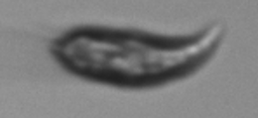

Cryptophyte': [5571],

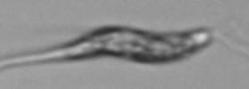
'Euglenoid':[3703],

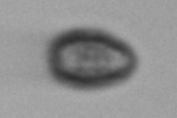
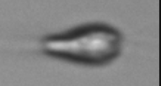
Flagellate_morpho_1': [8318,5533],

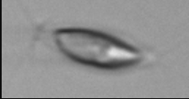
'Flagellate_morpho_2': [3240],

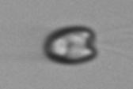
Haptophyte_prymnesium': [3159],

Pennate
Pennate_short

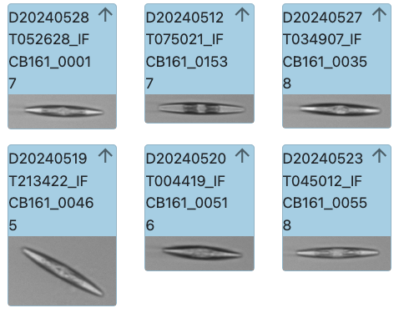
 | pennate_2

Pennate_med

Pennate_wide

Cylindrotheca_Nitzschia

