Sheet1
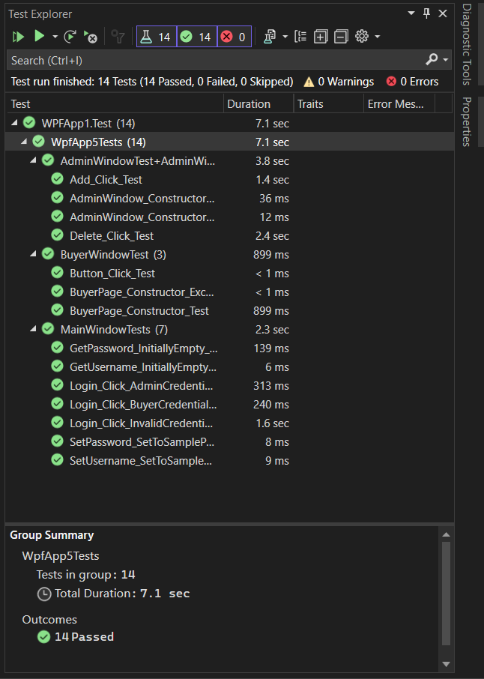
Name of Test | Brief Description of Purpose | Brief Description of Test Conduct | Type of Test | Sample Data Sets | Expected Outcome
GetUsername_InitiallyEmpty_ReturnsEmptyString | Tests the GetUsername method when initially empty. | verify that the GetUsername method returns an empty string when the username is empty. | Normal/Functional | N/A | Expects an empty string.
SetUsername_SetToSampleUsername_UsernameIsSet | Tests the SetUsername method with a sample username. | set a sample username and ensure that the SetUsername method correctly sets the username. | Normal/Functional | Sample username: "TestUser" | Expects the username to be set correctly.
GetPassword_InitiallyEmpty_ReturnsEmptyString | Tests the GetPassword method when initially empty. | set a sample username and ensure that the SetUsername method correctly sets the username. | Normal/Functional | N/A | Expects an empty string.
SetPassword_SetToSamplePassword_PasswordIsSet | Tests the SetPassword method with a sample password. | verify that the GetPassword method returns an empty string when the password is empty. | Normal/Functional | Sample password: "TestPassword" | Expects the password to be set correctly.
Login_Click_AdminCredentials_AdminWindowOpens | Tests the Login_Click method with admin credentials. | set a sample password and ensure that the SetPassword method correctly sets the password. | Normal/Functional | Admin credentials: "admin", "admin" | Ensure the code is testable and opens the AdminWindow.
Login_Click_BuyerCredentials_BuyerPageOpens | Tests the Login_Click method with buyer credentials. | Sets admin credentials, triggers the Login_Click method, and checks if AdminWindow opens. | Normal/Functional | Buyer credentials: "buyer", "buyer" | Ensure the code is testable and opens the BuyerPage.
Login_Click_InvalidCredentials_ErrorMessageShown | Tests the Login_Click method with invalid credentials. | Sets buyer credentials, triggers the Login_Click method, and checks if BuyerPage opens. | Normal/Functional | Invalid credentials: "invalid", "invalid" | Ensure the code is testable and shows an error message.
BuyerPage_Constructor_Test | Tests the constructor of the BuyerPage class. | Sets invalid credentials, triggers the Login_Click method, and checks if an error message is displayed. | Normal/Functional | N/A | Expects the BuyerPage object to be created without any exceptions.
BuyerPage_Constructor_Exception_Test | Tests the exception scenario in the constructor of the BuyerPage class. | verify that the BuyerPage object is created without any exceptions. | Fault/Exception | N/A | Expects an exception to be thrown during the creation of the BuyerPage object.
Button_Click_Test | Tests the Button_Click method in the BuyerWindow class. | verify that an exception is thrown during the creation of the BuyerPage object. | Normal/Functional | N/A | Expects the test to pass without any assertions as it currently contains a placeholder assertion.
AdminWindow_Constructor_Test | Tests the constructor of the AdminWindow class. | verify that the AdminWindow object is created without any exceptions. | Normal/Functional | N/A | Expects the AdminWindow object to be created without any exceptions.
AdminWindow_Constructor_Exception_Test | Tests the exception scenario in the constructor of the AdminWindow class. | verify that no exception is thrown during the creation of the AdminWindow object. | Fault/Exception | N/A | Expects no exception to be thrown during the creation of the AdminWindow object.
Add_Click_Test | Tests the Add_Click method in the AdminWindow class. | TMSDBContext. Sets up a mocked context, triggers the Add_Click method, and checks if associated context methods are called. | Normal/Functional | Mocked TMSDBContext with valid data | Expects the Add_Click method to execute without errors, and the associated context methods to be called.
Delete_Click_Test | Tests the Delete_Click method in the AdminWindow class. | TMSDBContext. Sets up a mocked context, triggers the Delete_Click method, and checks if associated context methods are called. | Normal/Functional | Mocked TMSDBContext with valid data | Expects the Delete_Click method to execute without errors, and the associated context methods to be called.

