Screenshot Evidence
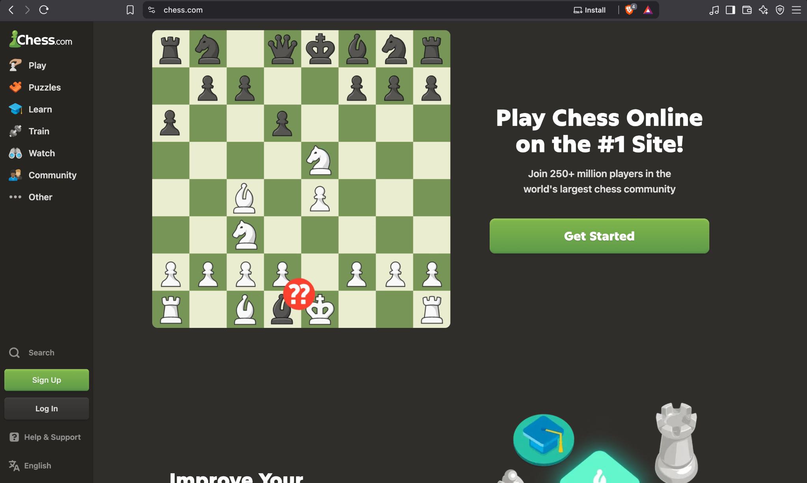
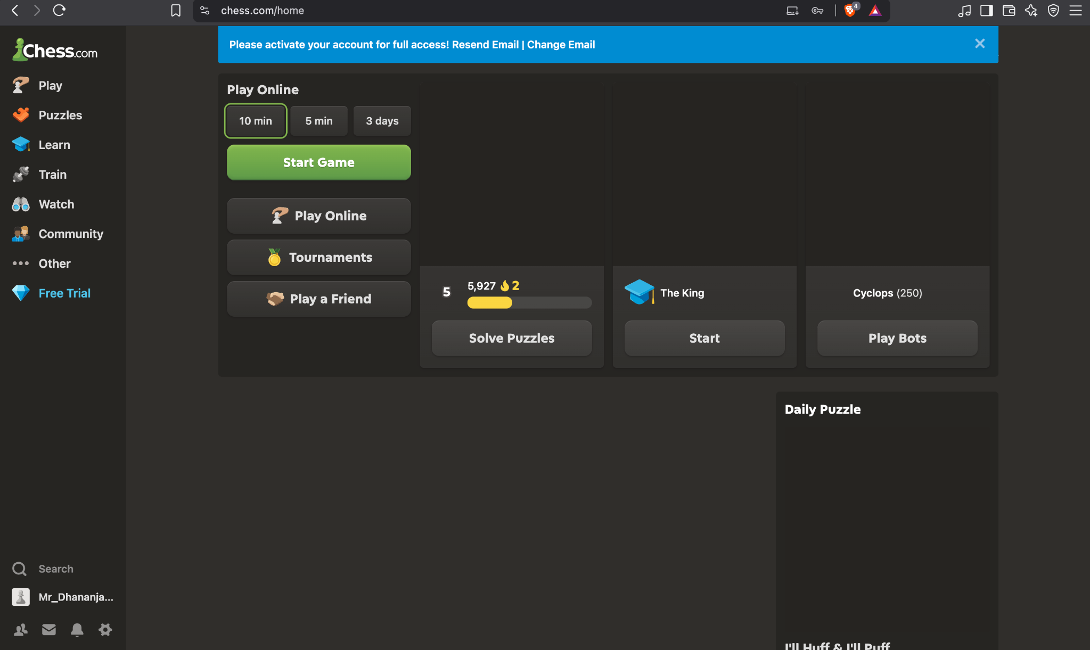
Screenshot No. | Visible Evidence | Related Test Case | Evidence Assessment | Screenshot
1 | Chess.com landing page | TC-01 | Clear
2 | Logged-in home/dashboard | TC-02 | Clear
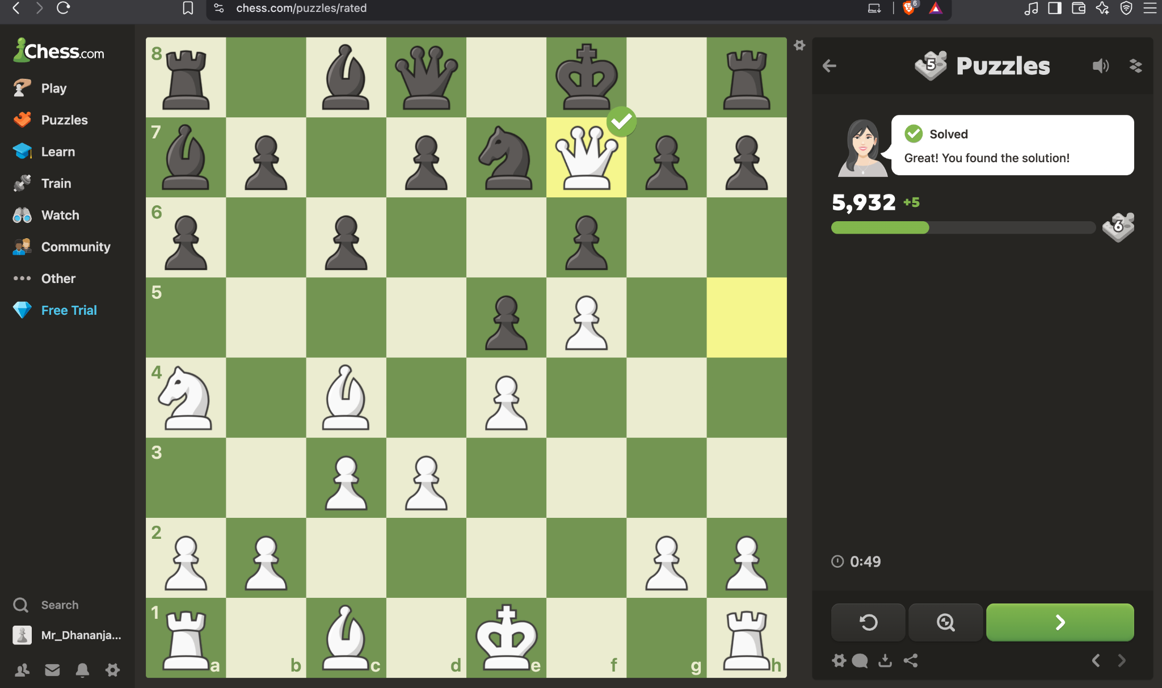
3 | Rated puzzle — solved state | TC-03 | Clear
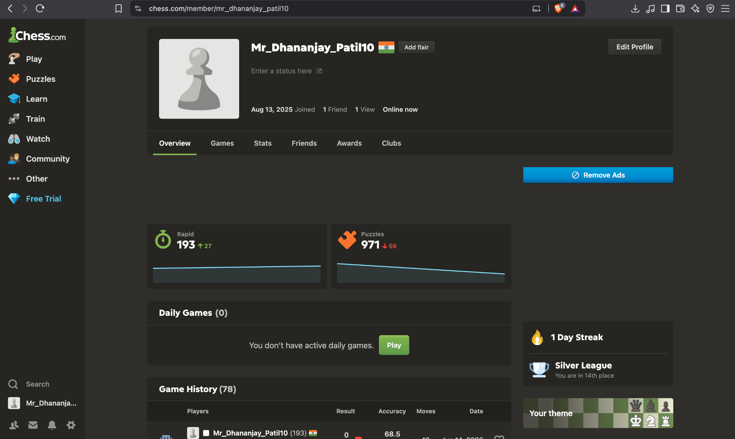
4 | User profile and ratings | TC-04 | Clear
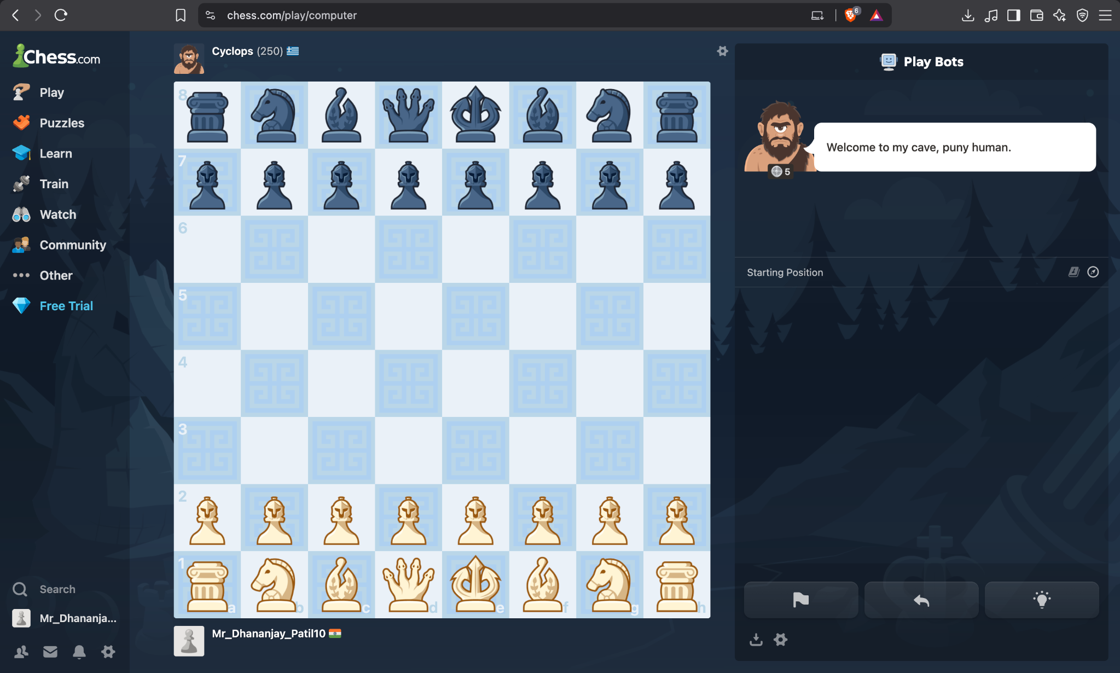
5 | Cyclops bot starting position | TC-05 | Clear
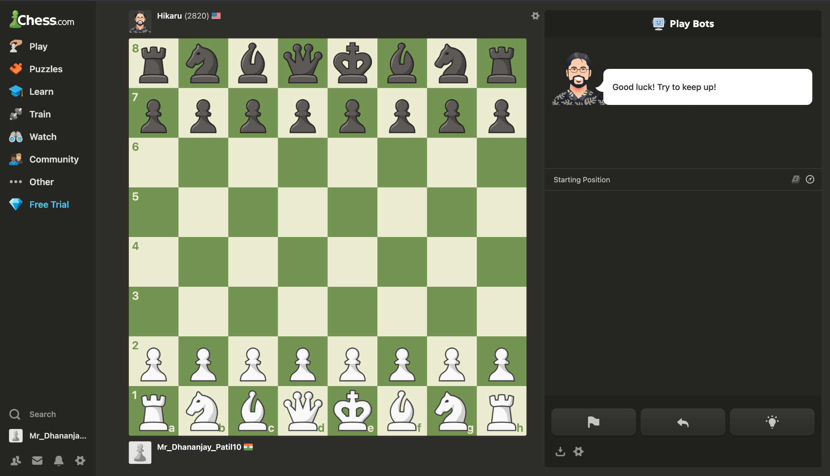
6 | Hikaru bot starting position | TC-06 | Clear
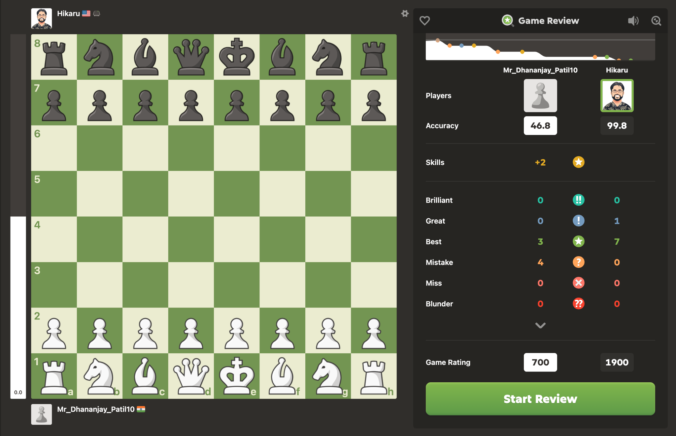
7 | Game Review statistics | TC-07 | Clear
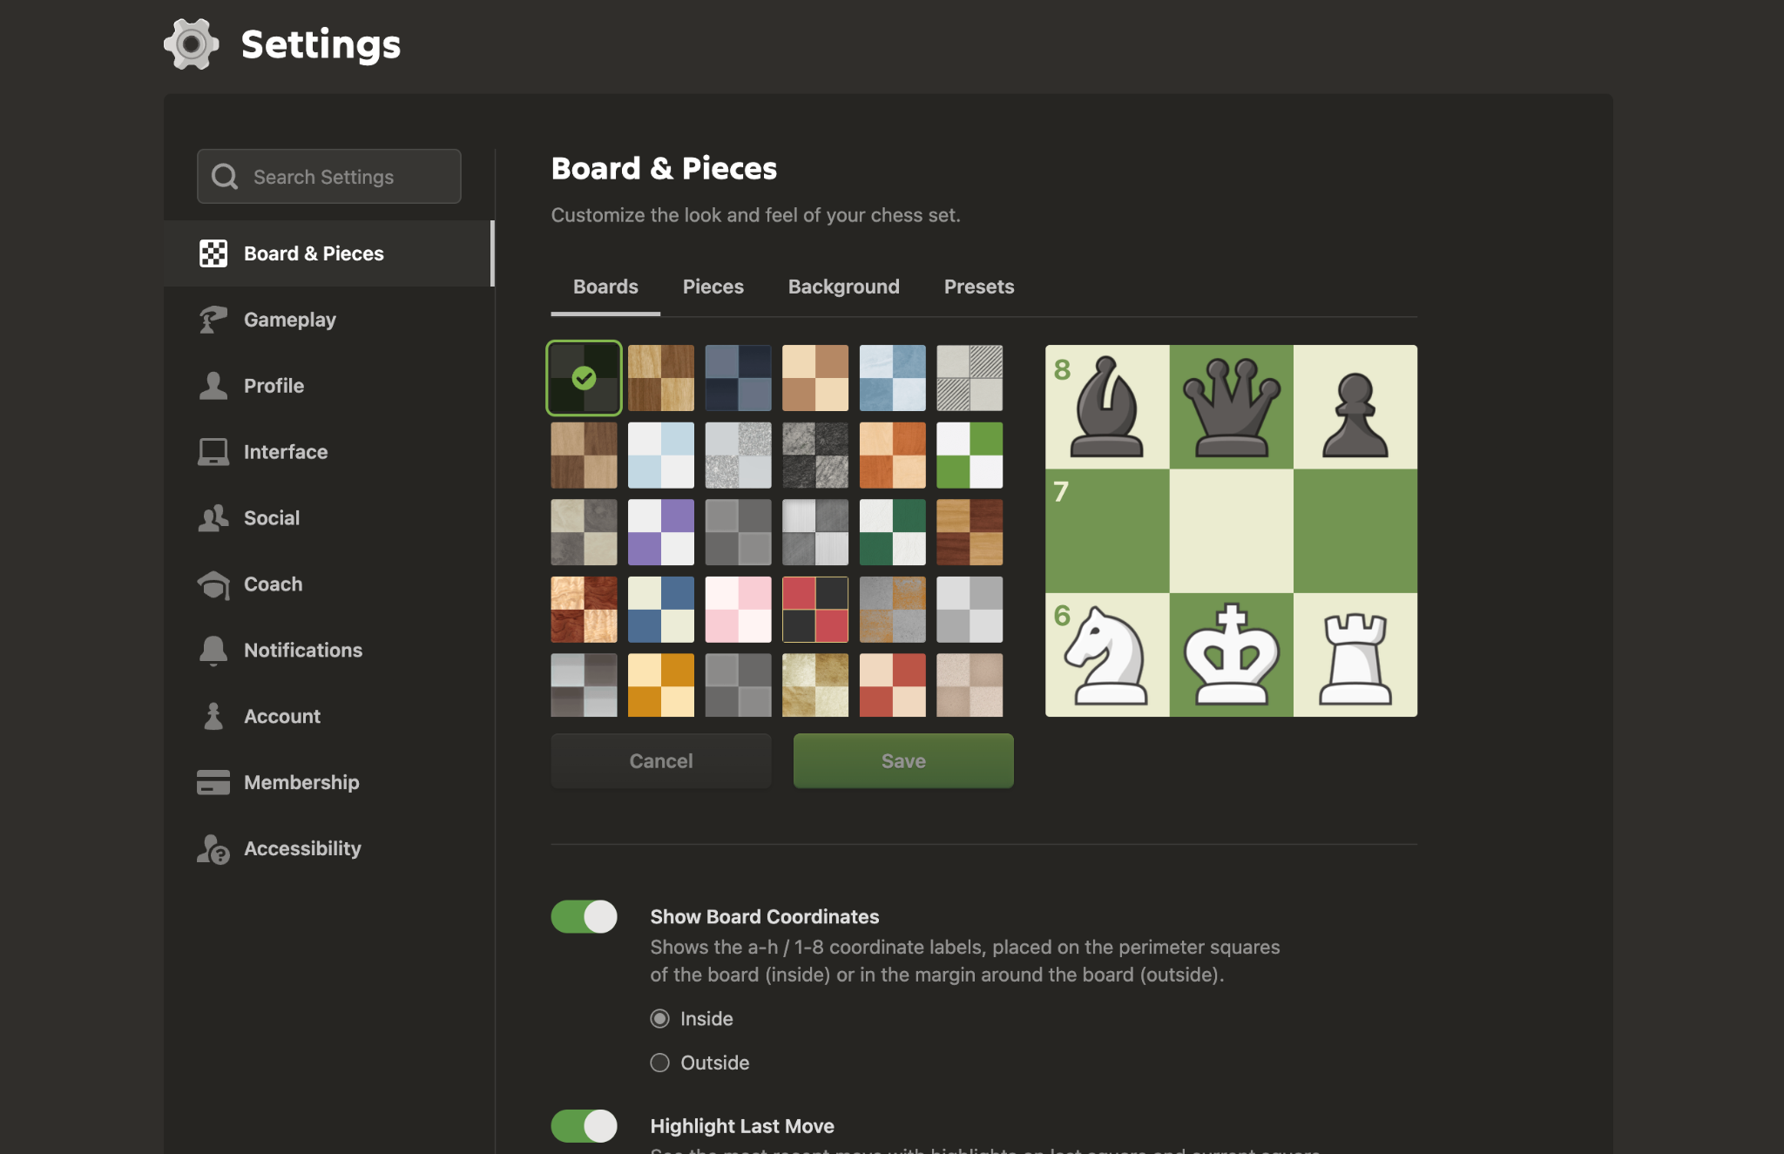
8 | Settings — Board & Pieces | TC-08 | Clear

