Screenshot Evidence
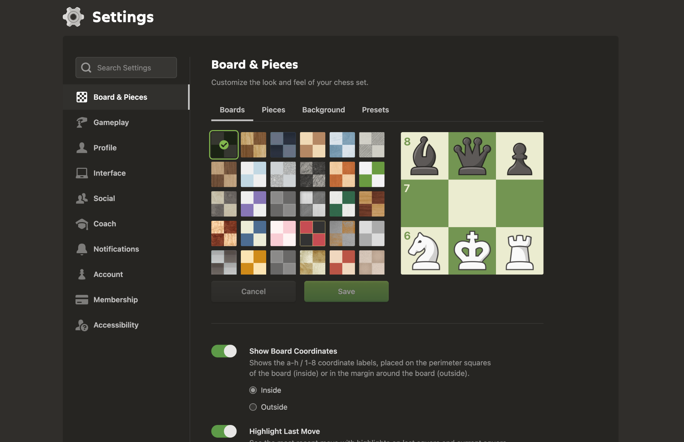
Uploaded Screenshot Evidence
Screenshot 1 | Chess.com landing page with Sign Up and Log In.
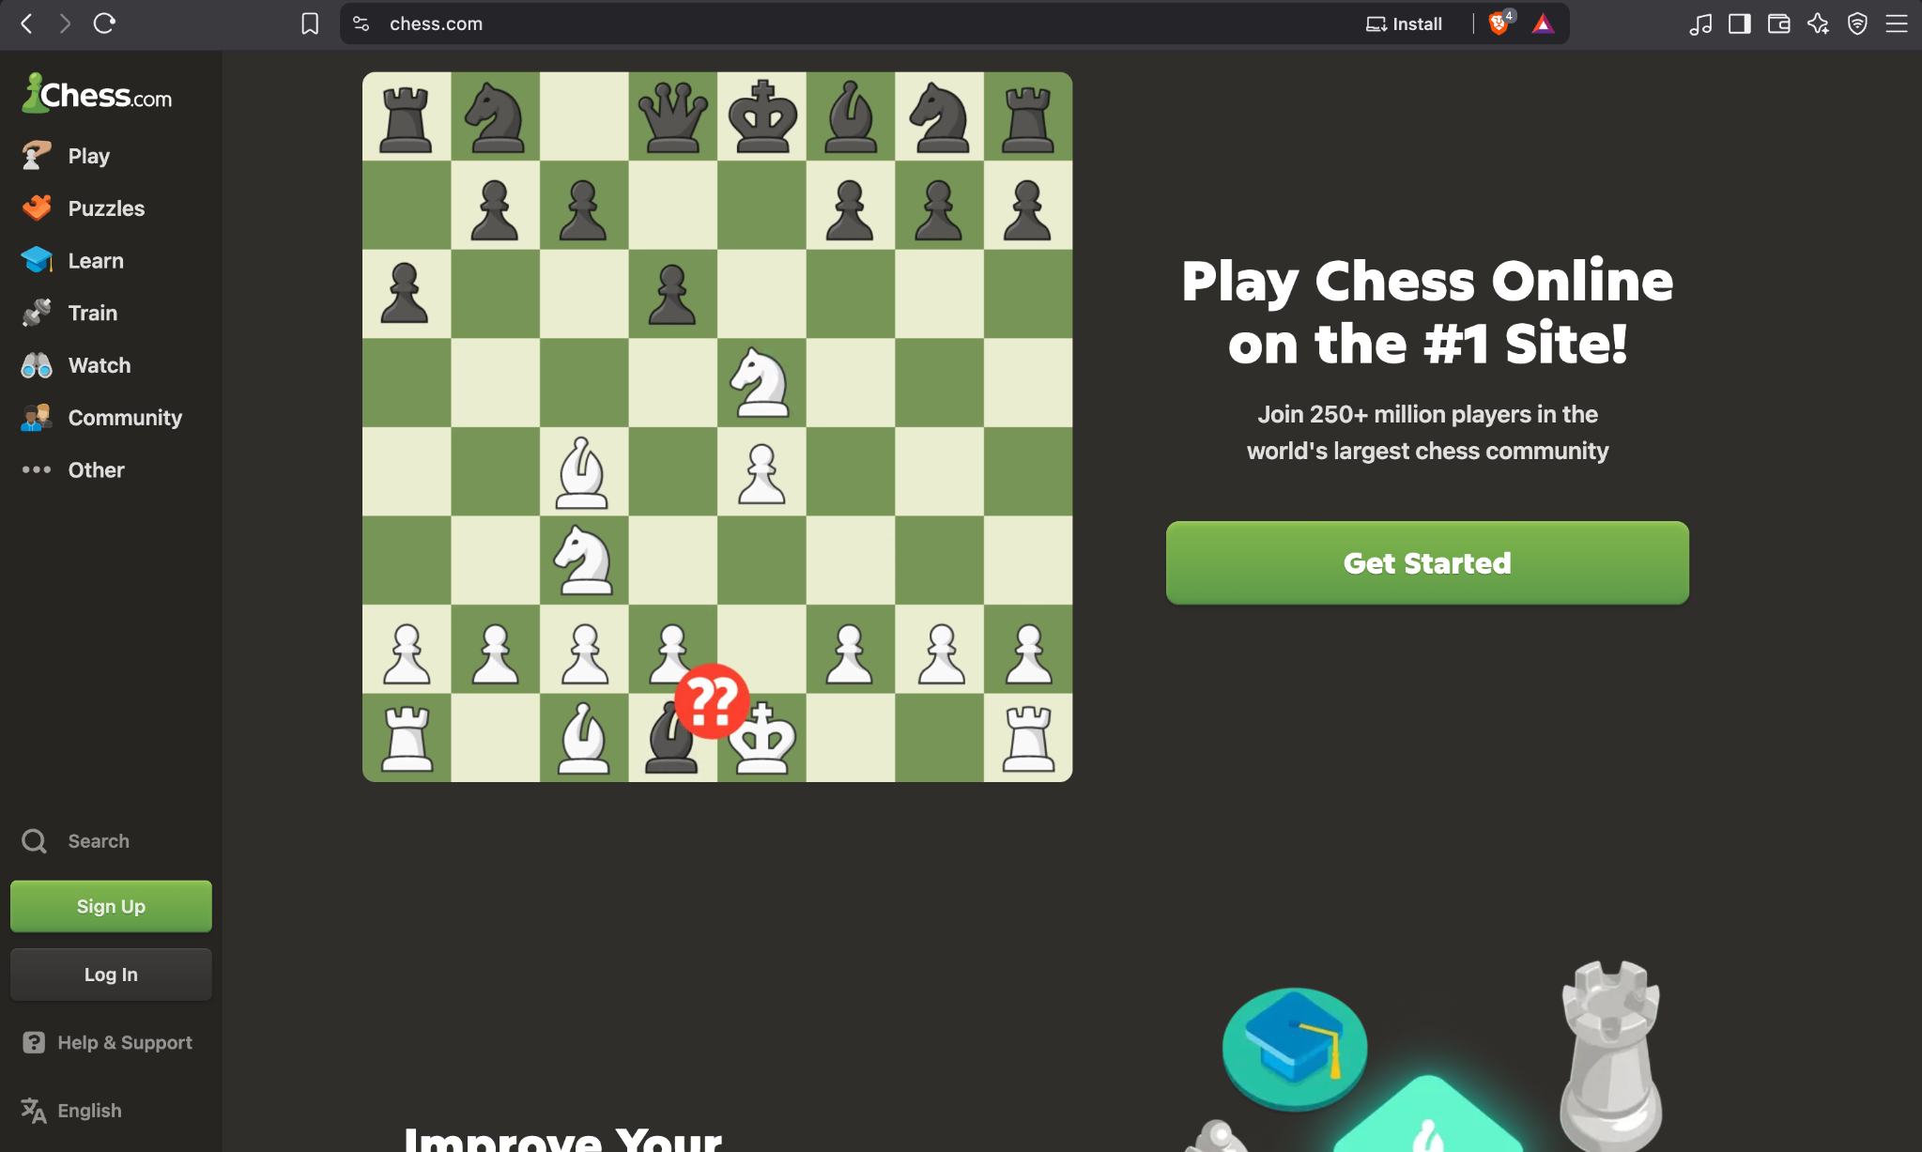

Screenshot 2 | Incorrect-password error on the login form.
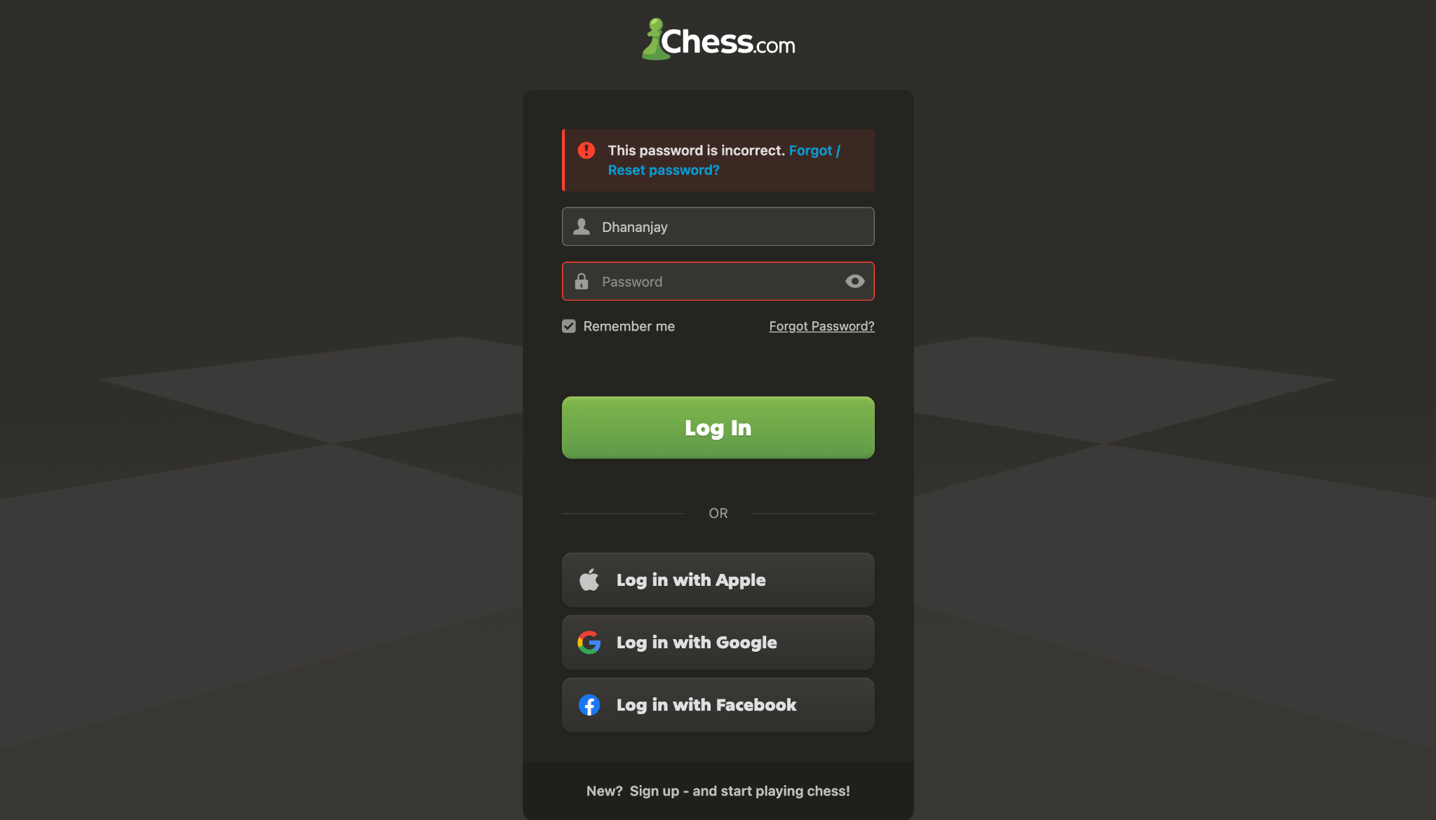

Screenshot 3 | Authenticated Chess.com home page.
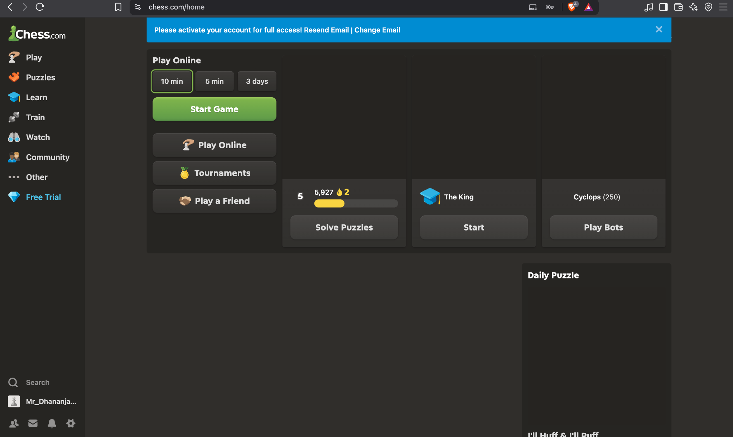

Screenshot 4 | Puzzle introduction modal.
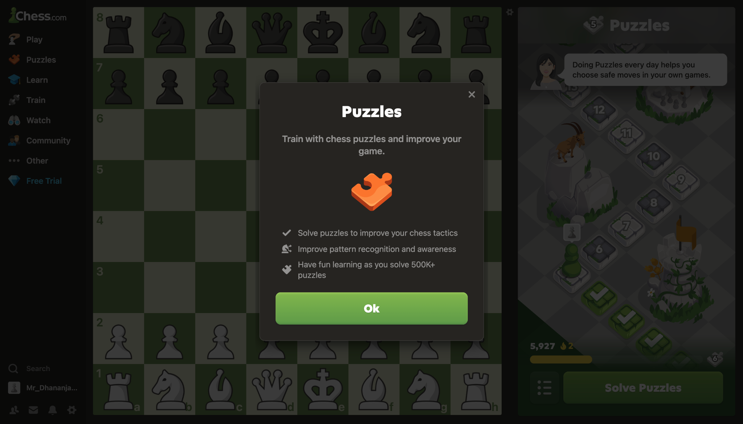

Screenshot 5 | Puzzle board with 'White to move'.
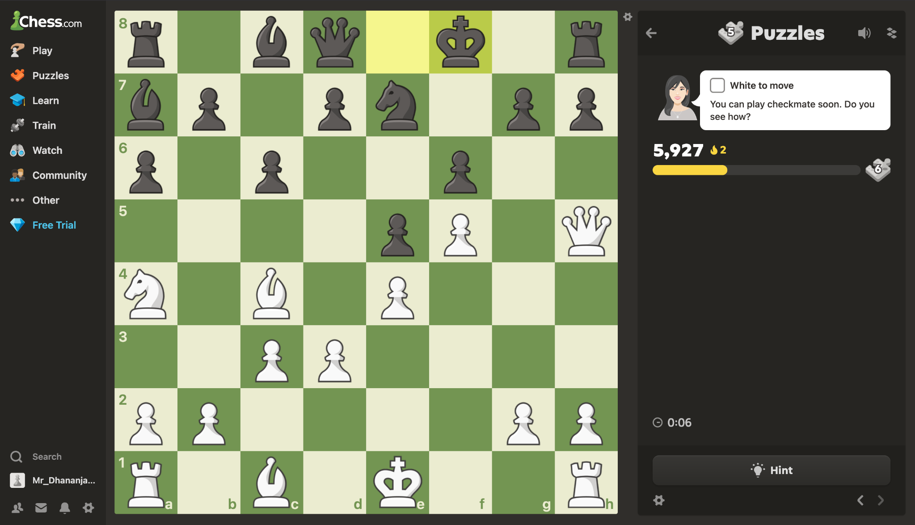

Screenshot 6 | Puzzle solved confirmation.
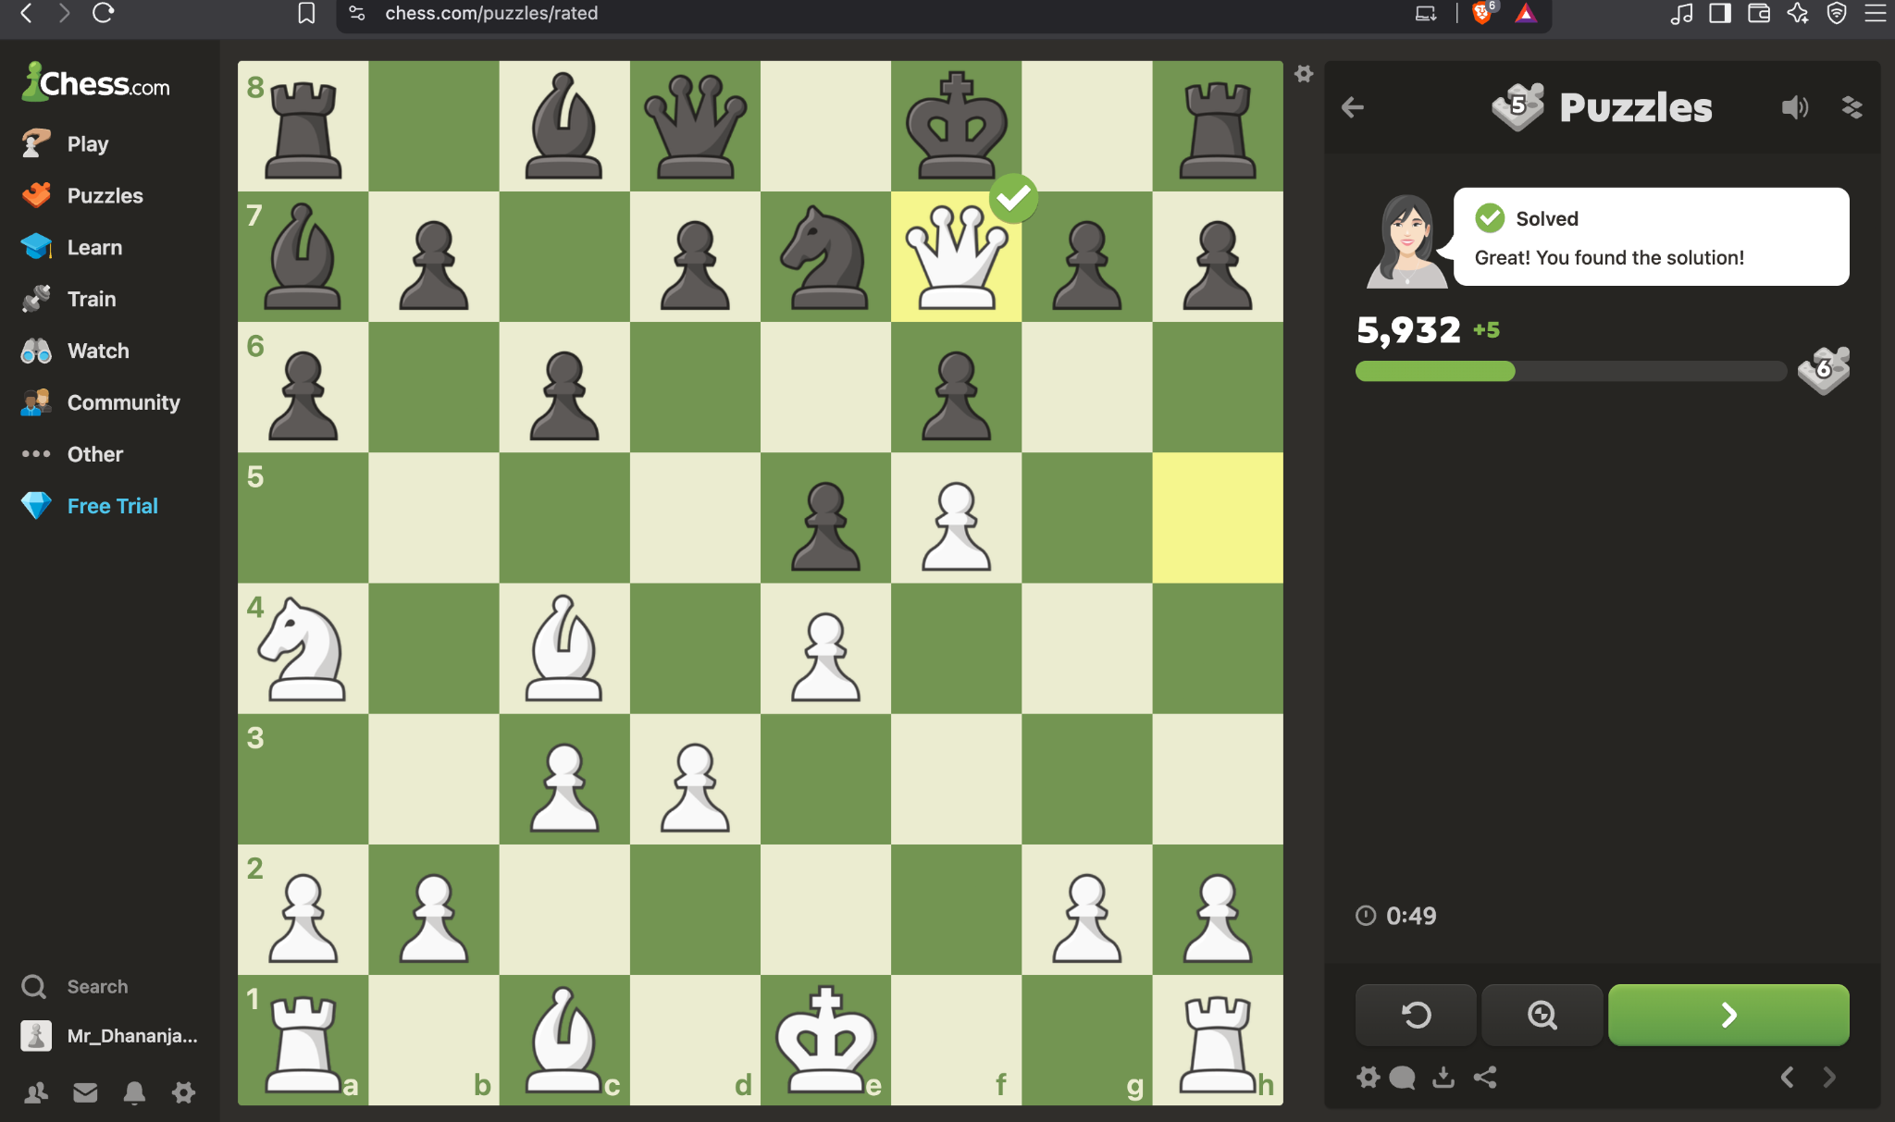

Screenshot 7 | Signed-in user profile page.
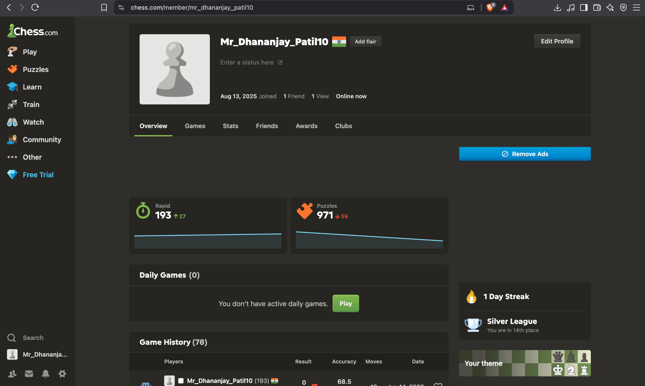

Screenshot 8 | Bot game starting position.
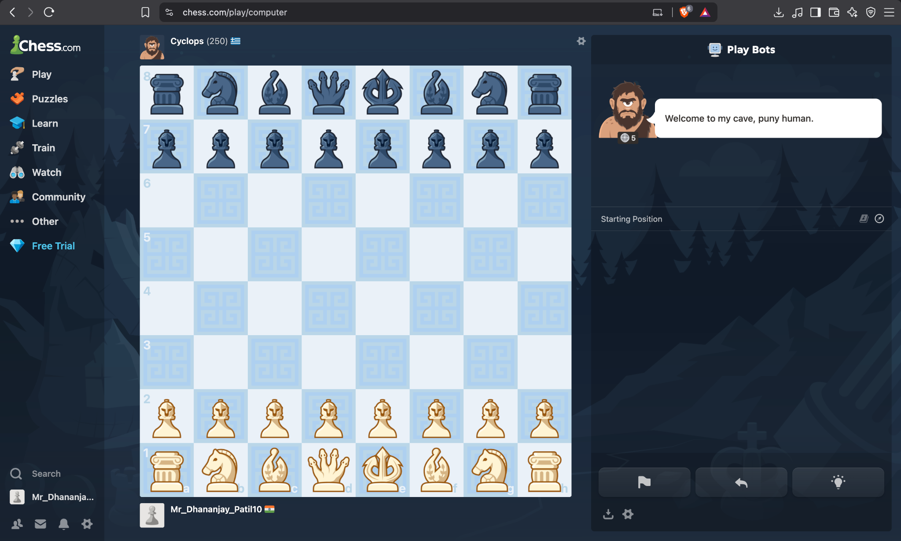

Screenshot 9 | Bot game starting position against another bot.
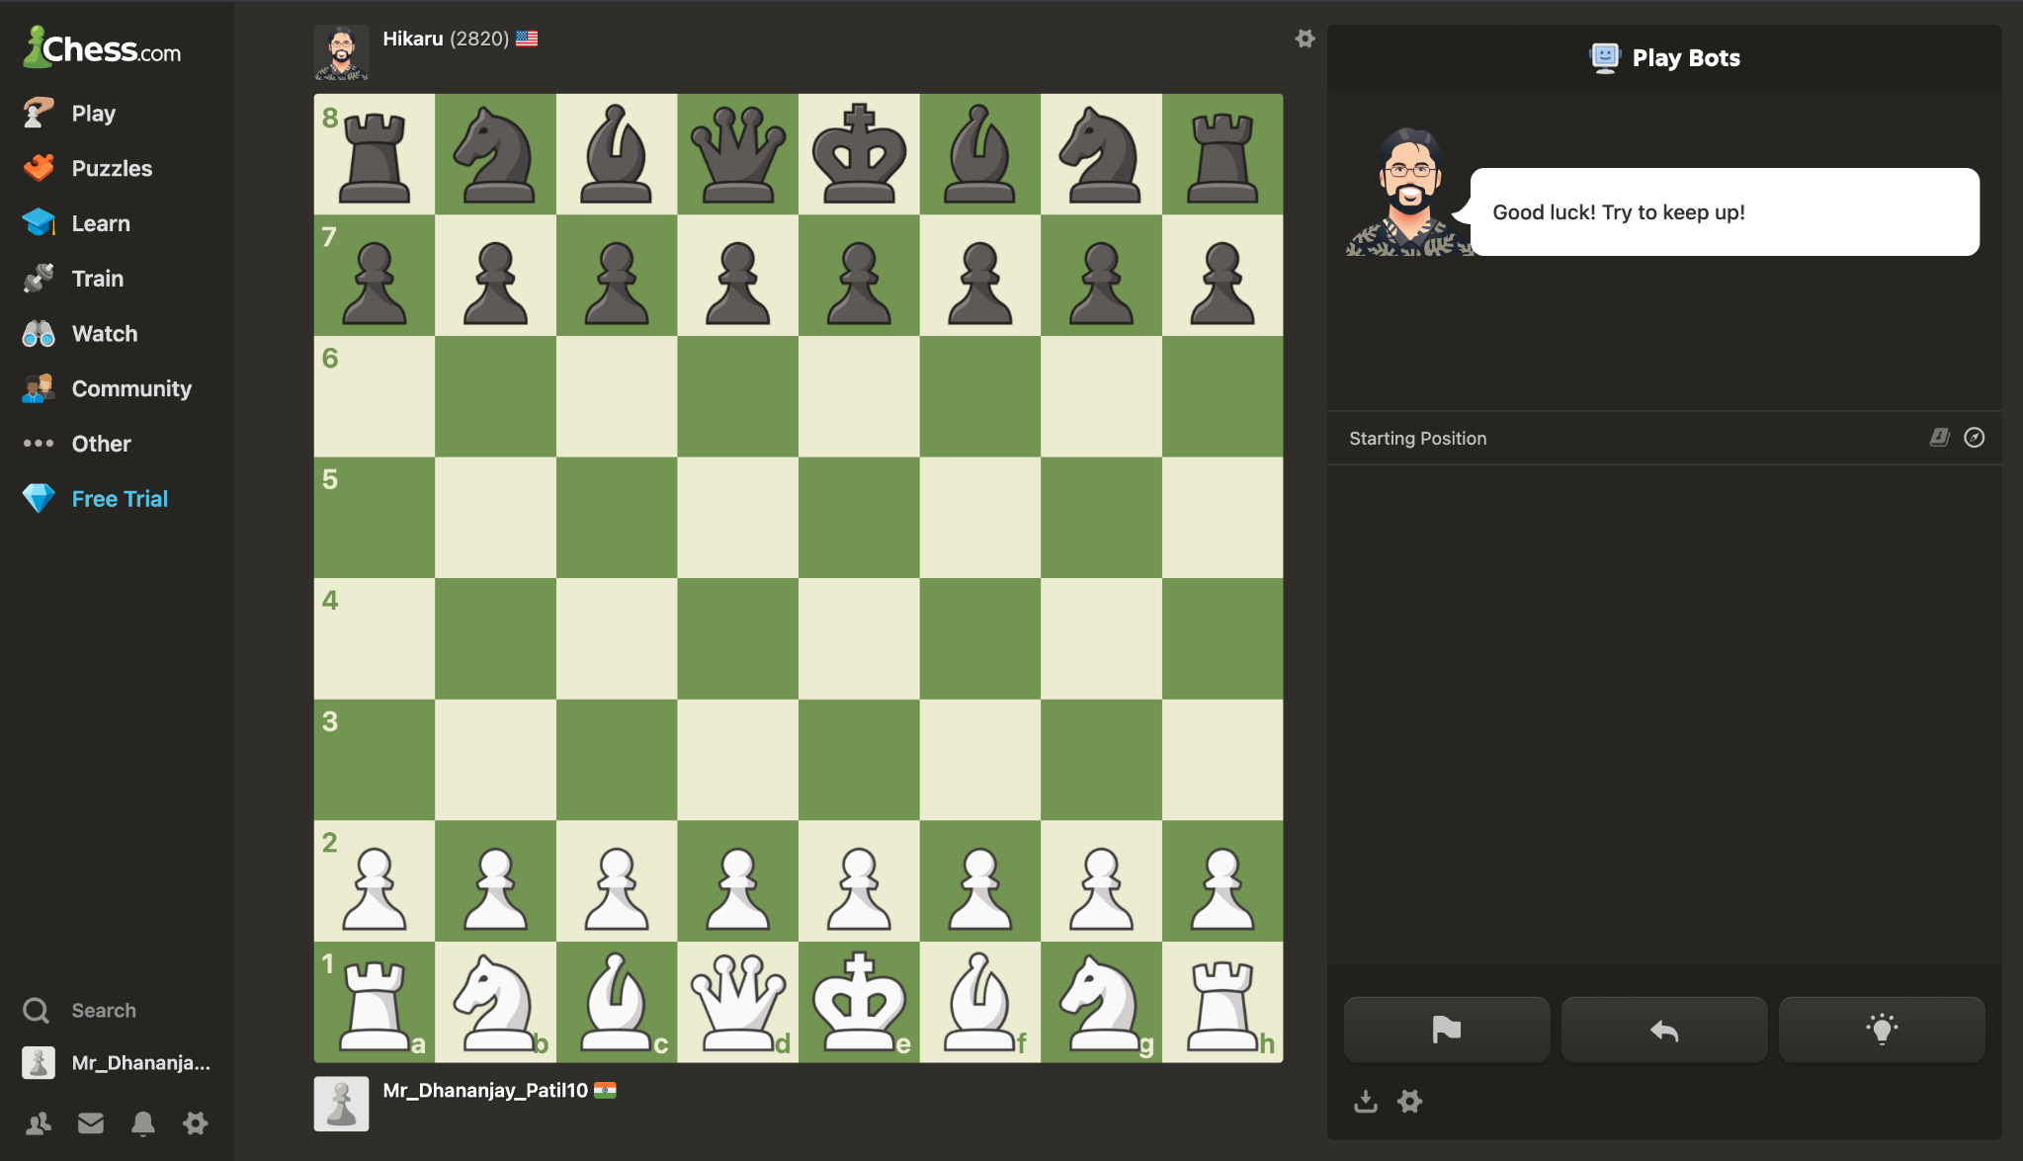

Screenshot 10 | Game Review panel.
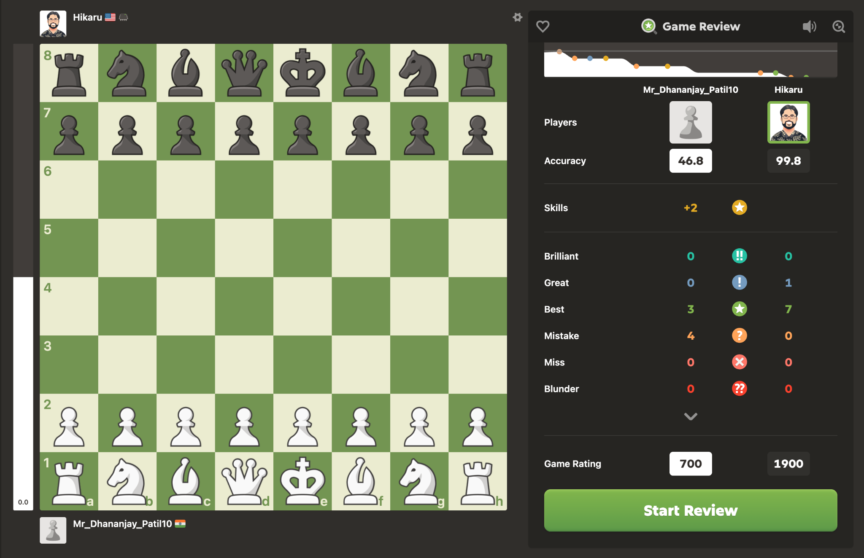

Screenshot 11 | Board & Pieces settings page.

