C-Level executives letter
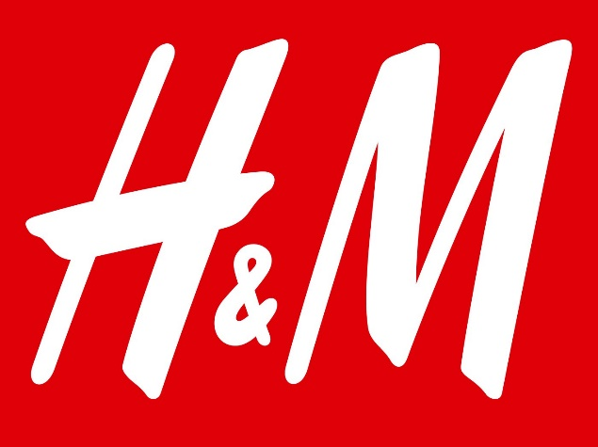

Nov 28th 2021

Helena Helmersson
Chief Executive Officer
H&M Hennes & Mauritz

Dear Ms. Helmersson,

From the research data, we realized that H&M has faced many difficulties in the last two years. We also researched for more information about competitors in the same industry (including new and old competitors). We recognized that almost all companies faced difficulties during the Covid-19 pandemic. It has also affected our company a lot. H&M closed more than 187 stores worldwide in 2020, of which the company closed 20 stores in China and 23 stores in the US. After analyzing the data, we found that the company's revenue growth fell 17% and operating profit fell steeply for Asia and Oceania (317%), North and South America (579%). But the company also did very well with Europe and Africa with a five times increase (from $555 million to $2,889 million). H&M accounted for 22% of the US fast fashion industry market, and Shein is the leading brand with 28% (Walk-Morris, 2021). The company's EBITDA (normalized) ratio is just over $3 million in 2020, while Shein's is over $1 billion in the same year. The Covid pandemic has also had a significant impact on the company's cash equivalents term investments, reaching just over $4 million. In addition, the company's total debt is more than $9.5 million.

After looking closely at why rival companies did, we realized that they had shifted their business strategy very quickly to online. For example, Shien has the right approach for marketing on Tiktok, and they also cooperate with influencers. According to McKinsey (n.d), 42% of American consumers anticipate spending less on Christmas shopping this year than last year, while about half of all generations expect to purchase more online. The company still has not had many plans to expand the online market, when the number of markets online is just 52. Shein ranked first in the top fast fashion applications by quarter 3 (2020) with more than 4.7 million downloads, while H&M apps only reached 791,000 installs (Blacker, 2020). Shein ranked first in the top fast fashion applications by quarter 3 (2020) with more than 4.7 million downloads, while H&M apps only reached 791,000 installs (Blacker, 2020). From our above analysis, the company needs to have a plan to learn more about social media channels to attract more customers. To illustrate, the most target audience of H&M is from 15-30 years old, which is also the age with the most significant number of Tiktok users (60%) (Doyle, 2021). In addition, we also explore other reasons for H&M not achieving KPIs. There are a lot of people who have negative comments on social platforms. The production rate is one of the main reasons consumers don't want to stick with the brand for a long time. Customers are more likely to buy from companies they know and trust, and companies may save money on product returns, problems, and losses. Moreover, the company also needs a strategy to encourage customers to use H&M's applications, because currently on both iOS and Android platforms, the company has only achieved nearly 2 million downloads.

The company needs a specific strategy for expanding the online market, but it must develop a more precise plan. The company should try new marketing strategies to attract more customers. In addition, the company should also pay attention to improving the quality of the products. Moreover, the company may have promotions for customers when using H&M's app to increase the downloads of the application.

Sincerely,
Khoa Le

Dashboard_1
 |  |  |  |  |  | Revenue (in million ) |  |  |  |  |  |  | Operating profit H&M worldwide by region (in million)
 |  |  |  |  |  |  | 2018 | 2019 | 2020 |  |  |  |  | 2018 | 2019 | 2020
Growth in Revenue ($ in million) | Operating profit H&M worldwide by region |  |  |  |  | Zara | $29,430 | $32,000 | $23,100 |  |  |  | Europe and Africa | $523 | $555 | $2,889 | 521%
 |  |  |  |  |  | Uniqlo | $76,297 | $98,950 | $105,429 |  |  |  | Asia and Ocienia | $80 | $121 | $29 | 317%
 |  |  |  |  |  | H&M | $23,232 | $24,339 | $20,159 | -17% |  |  | North and South America | $103 | $129 | $19 | 579%
 |  |  |  |  |  | Shein |  |  | $10,000
 |  |  |  |  |  |  | Fast Fashion Industry Market Share in the U.S (2021) |  |  |  | Enterprise value ($ in million)
 |  |  |  |  |  |  | Market Share |  |  |  |  | $
 |  |  |  |  |  | Shein | 28% |  |  |  | Market Cap Share Level (STO: HM B) | $26,926
 |  |  |  |  |  | H&M | 20% |  |  |  | Market Cap Share Level (Class A Ordinary Shares) | $3,583
 |  |  |  |  |  | Zara | 11% |  |  |  | Market Cap Company Level | $30,509
 |  |  |  |  |  | Forever 21 | 11% |  |  |  | Total Debt | $9,567
 |  |  |  |  |  | Fashion Nova | 8% |  |  |  | Cash, Cash Equivalents Term Investments | $4,090
 |  |  |  |  |  | Other | 23% |  |  |  | Enterprise Value (EV) | $35,986
 |  |  |  |  |  |  |  |  |  |  | Diluted EV | $36,034
Fast Fashion Industry Market Share in the U.S (2021) | EBITDA ($ in thousand) |  |  |  |  | EBITDA (Analyst Normalized) ($ in thousand)
 |  |  |  |  |  |  | 2019 | 2020
 |  |  |  |  |  | Shein | $721,000 | $1,030,000
 |  |  |  |  |  | H&M | $3,013 | $3,120

From the research data, we realized that H&M has faced many difficulties in the last two years. We also researched for more information about competitors in the same industry (including new and old competitors). We recognized that almost all companies faced difficulties during the Covid-19 pandemic. It has also affected our company a lot. H&M closed more than 187 stores worldwide in 2020, of which the company closed 20 stores in China and 23 stores in the US. After analyzing the data, we found that the company's revenue growth fell 17% and operating profit fell steeply for Asia and Oceania (317%), North and South America (579%). But the company also did very well with Europe and Africa with a five times increase (from $555 million to $2,889 million). H&M accounted for 22% of the US fast fashion industry market, and Shein is the leading brand with 28% (Walk-Morris, 2021). The company's EBITDA (normalized) ratio is just over $3 million in 2020, while Shein's is over $1 billion in the same year. The Covid pandemic has also had a significant impact on the company's cash equivalents term investments, reaching just over $4 million. In addition, the company's total debt is more than $9.5 million.

Enterprise Value | Followers comparision on social media

 |  | Facebook | Intstagram | Twitter | Youtube
After looking closely at why rival companies did, we realized that they had shifted their business strategy very quickly to online. For example, Shien has the right approach for marketing on Tiktok, and they also cooperate with influencers. According to McKinsey (n.d), 42% of American consumers anticipate spending less on Christmas shopping this year than last year, while about half of all generations expect to purchase more online. The company still has not had many plans to expand the online market, when the number of markets online is just 52. Shein ranked first in the top fast fashion applications by quarter 3 (2020) with more than 4.7 million downloads, while H&M apps only reached 791,000 installs (Blacker, 2020). Shein ranked first in the top fast fashion applications by quarter 3 (2020) with more than 4.7 million downloads, while H&M apps only reached 791,000 installs (Blacker, 2020). From our above analysis, the company needs to have a plan to learn more about social media channels to attract more customers. To illustrate, the most target audience of H&M is from 15-30 years old, which is also the age with the most significant number of Tiktok users (60%) (Doyle, 2021). In addition, we also explore other reasons for H&M not achieving KPIs. There are a lot of people who have negative comments on social platforms. The production rate is one of the main reasons consumers don't want to stick with the brand for a long time. Customers are more likely to buy from companies they know and trust, and companies may save money on product returns, problems, and losses. Moreover, the company also needs a strategy to encourage customers to use H&M's applications, because currently on both iOS and Android platforms, the company has only achieved nearly 2 million downloads. | H&M | 32m | 22.9m | 8.6m | 261k
 | Zara | 29m | 47.5m | 1.3m | 87.6k
 | Shein | 23m | 22.4m | 382.6k | 125k
 | Uniqlo | 926k | 392k | 93.5k | 7.99k

Dashboard_2
 |  | Number of Stores of the H&M worldwide in 2020 |  |  |  | H&M store closures globally in 2020 |  |  |  |  | The number of stores in 2020
 |  |  |  | Stores |  |  | Stores |  |  |  | New Stores (Net) During the year | Number of Stores (Until Nov 30 2020) | Number of Markets With Stores | Number of Markets with Online
Number of Stores of the H&M worldwide in 2020 | H&M store closures globally in 2020 |  | United States | 582 |  | China | 23 |  |  | H&M | -63 | 4,429 | 74 | 52
 |  |  | China | 505 |  | United States | 20
 |  |  | Germany | 457 |  | United Kingdom | 19
 |  |  | United Kingdom | 289 |  | Sweden | 12
 |  |  | France | 228 |  | Germany | 10
 |  |  | Poland | 192 |  | France | 10
 |  |  | Italy | 174 |  | Total closed store | 187

 |  | Number of H&M customer transactiuons worldwide in 2019 (in million) |  |  |  |  |  | Conscious Consumer Scorecard
 |  |  | # of customers |  |  |  |  | H&M | 0.44
 |  | In-store | 795
 |  | Online | 93

Fast Fashion Industry Market Share in the U.S (2021) | Number of H&M customer transactiuons worldwide in 2019 (in million) | Top Fast Fashion Apps by Q3 Intalls in the U.S (in thousand)
 |  |  | # of Installs
 |  | Shein | 4700
 |  | ROMWE | 1500
 |  | Fashion Nova | 1100
 |  | Forever 21 | 869
 |  | Zaful | 823
From the research data, we realized that H&M has faced many difficulties in the last two years. We also researched for more information about competitors in the same industry (including new and old competitors). We recognized that almost all companies faced difficulties during the Covid-19 pandemic. It has also affected our company a lot. H&M closed more than 187 stores worldwide in 2020, of which the company closed 20 stores in China and 23 stores in the US. After analyzing the data, we found that the company's revenue growth fell 17% and operating profit fell steeply for Asia and Oceania (317%), North and South America (579%). But the company also did very well with Europe and Africa with a five times increase (from $555 million to $2,889 million). H&M accounted for 22% of the US fast fashion industry market, and Shein is the leading brand with 28% (Walk-Morris, 2021). The company's EBITDA (normalized) ratio is just over $3 million in 2020, while Shein's is over $1 billion in the same year. The Covid pandemic has also had a significant impact on the company's cash equivalents term investments, reaching just over $4 million. In addition, the company's total debt is more than $9.5 million. |  | H&M | 791
 |  | Boohoo | 682

 |  |  |  | Downloads (in thousand)
Top Fast Fashion Apps by Q3 Intalls in the U.S (in thousand) | Conscious Consumer Scorecard |  |  | App Store | Google Play
 |  |  | Shein | 5000 | 7000
 |  |  | H&M | 1000 | 1000
11/25
After looking closely at why rival companies did, we realized that they had shifted their business strategy very quickly to online. For example, Shien has the right approach for marketing on Tiktok, and they also cooperate with influencers. According to McKinsey (n.d), 42% of American consumers anticipate spending less on Christmas shopping this year than last year, while about half of all generations expect to purchase more online. The company still has not had many plans to expand the online market, when the number of markets online is just 52. Shein ranked first in the top fast fashion applications by quarter 3 (2020) with more than 4.7 million downloads, while H&M apps only reached 791,000 installs (Blacker, 2020). Shein ranked first in the top fast fashion applications by quarter 3 (2020) with more than 4.7 million downloads, while H&M apps only reached 791,000 installs (Blacker, 2020). From our above analysis, the company needs to have a plan to learn more about social media channels to attract more customers. To illustrate, the most target audience of H&M is from 15-30 years old, which is also the age with the most significant number of Tiktok users (60%) (Doyle, 2021). In addition, we also explore other reasons for H&M not achieving KPIs. There are a lot of people who have negative comments on social platforms. The production rate is one of the main reasons consumers don't want to stick with the brand for a long time. Customers are more likely to buy from companies they know and trust, and companies may save money on product returns, problems, and losses. Moreover, the company also needs a strategy to encourage customers to use H&M's applications, because currently on both iOS and Android platforms, the company has only achieved nearly 2 million downloads.

1/5
1/5
Production Rate
Ethical Labor Practice

3/5
Efforts to Reduce Waste
3/5
Commitments to a Sustainable Future

3/5
Use of Sustainable Fabrics

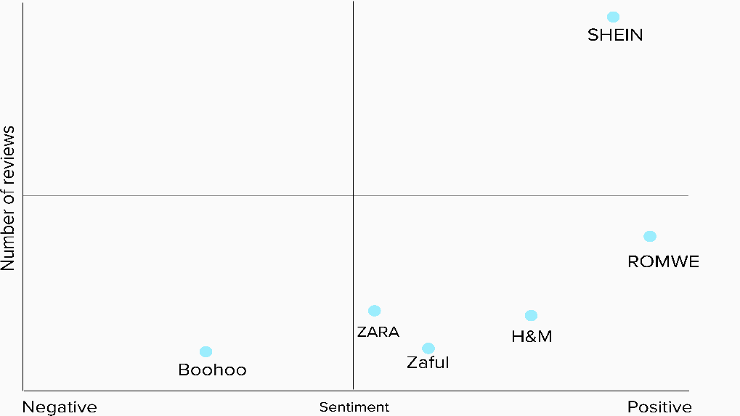
Volume vs Sentiment | # of Downloads in Google Play Vs. App Store

