rack blank (2)
CURRENT CONDITION |  | PLAN DESIGN RACK BLANK SPECIAL LONG MODEL

80 mm
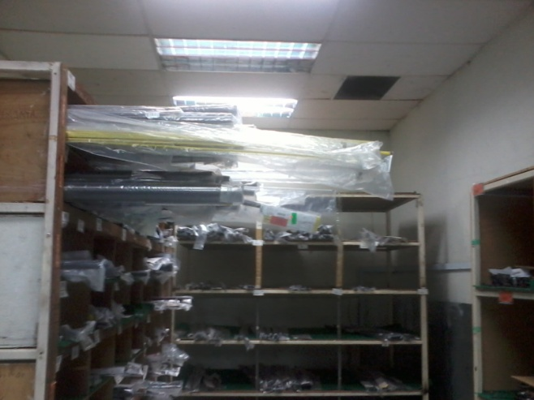
Length over out
 |  |  |  |  |  |  |  | LEGEND :
 |  |  |  |  |  |  | Ø ID : | 80 mm

 |  |  |  |  |  |  |  | LENGTH :
480 mm
550 mm
 |  |  |  |  |  |  | 1. 550 mm

960 mm
80 mm
Weakness :
~ Effect to Quality blank ( touching with rack / man )
~ Effect to safety |  |  |  |  |  |  |  | LEGEND :
320 mm
 |  |  |  |  |  |  | Ø ID : | 80 mm
Remark : | current wip
 | Blank length < 1700 = 71 item |  |  |  |  |  |  | LENGTH :
750 mm
 | Blank length > 1700 = 35 item
 |  |  |  |  |  |  | 1. 750 mm

6 kotak
12 HOLE
960 mm

 |  |  |  |  | 72
 |  |  |  |  | 48 |  | 120
 |  |  |  |  | 120

850 mm
 |  |  |  |  |  | tinggi atap |  |  | 3000
 |  |  |  |  |  |  |  |  | 750
 |  |  |  |  |  | lengt blank |  |  | 2100
 |  |  |  |  |  |  |  |  | 2850
 |  |  |  |  |  | gap |  |  | 150

80 mm
 |  |  | Row Labels | Count of Total Stock
 |  |  | 550 mm | 112
 |  |  | 750 mm | 37

rack blank
CURRENT CONDITION |  | PLAN DESIGN RACK BLANK SPECIAL LONG MODEL

Length over out
SUFR
SUFR
SUFR
SUFR
SUFR
SUFR
SUFR
SUFR
 |  |  | Example :

SUFR LEADER
SUFR LEADER
SUFR LEADER
SUFR LEADER

K2A
Weakness :
~ Effect to Quality blank ( touching with rack / man )
~ Effect to safety

900 mm
Remark : | current wip
 | Blank length < 1700 = 71 item
 | Blank length > 1700 = 35 item

100 mm

900 mm

80 mm

