PM
Scenarios Testing
CP - USER TESTING RVMS |  |  |  |  |  |  |  | 2013-07-23
Seq. | Mod. | Step Description | Sub-Step (additional detail as needed) | Tester Power User | Expected Result | Actual Result | Pass / Fail | Note | Signature | Picture
1 | PM | PM Status | Allow PM Schedule Execution | Dwi W | PM Status Changed to APPROVED TO EXECUTE |  |  |  |  | 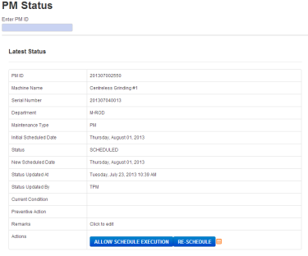
2 | PM | PM Status | Re-Schedule PM | Dwi W | PM Status Changed to SCHEDULED, PM new Schedule Changed |  |  |  |  | 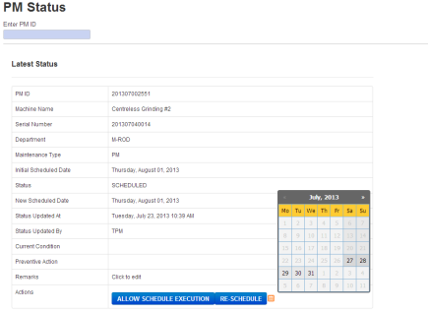
3 | PM | PM Status | PM Status Is DUE. Automatically Set By TPM System | Dwi W |  |  |  |  |  | 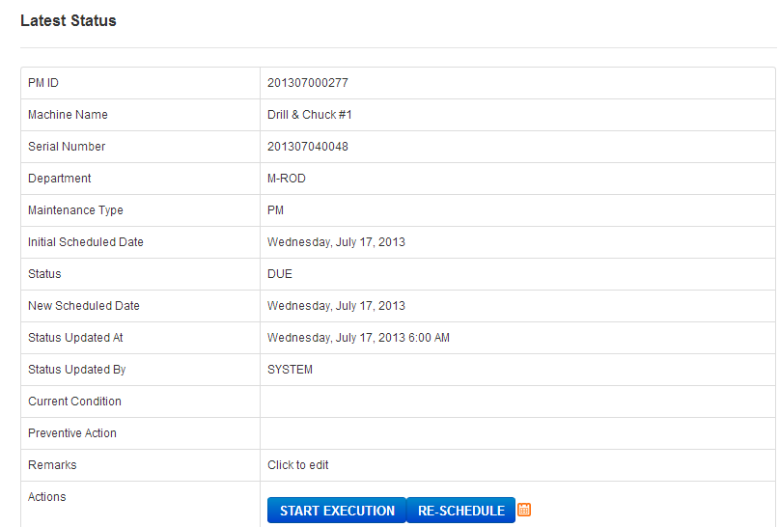
4 | PM | PM Status | Re-Schedule PM | Dwi W | PM Status Changed to SCHEDULED Again, PM new Schedule Changed |  |  |  |  | 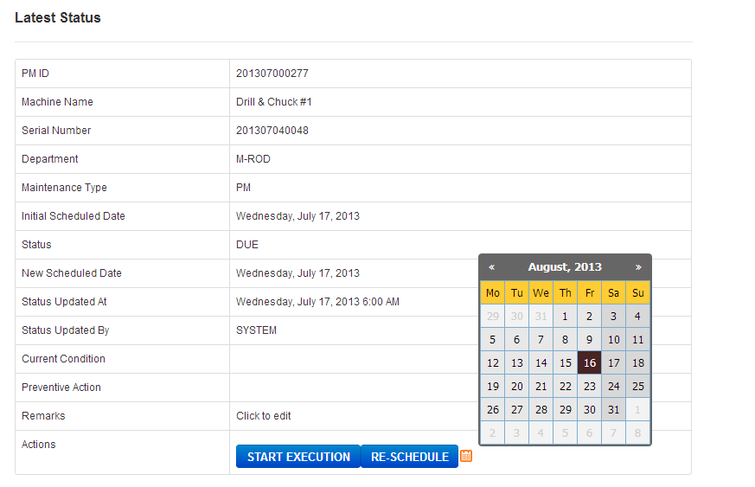
4 | PM | PM Status | PM Start Execution | Dwi W | PM Status is changed to ON PM |  |  |  |  | 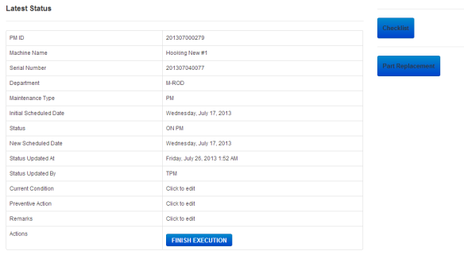
5 | PM | PM Status | Eng. Update PM Status information details | Dwi W | PM Status information details updated |  |  |  |  | 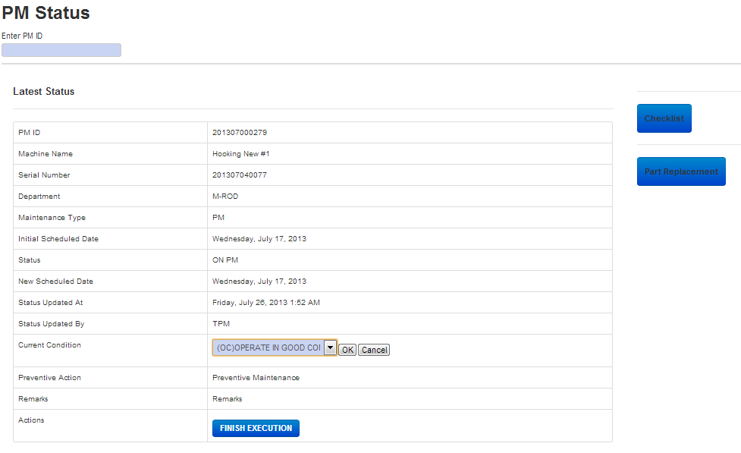
6 | PM | PM Machine Check List | Tick Items Check Result : 1. OK 2. Abnormal (Still can Operate but Not Normal Condition) 3. NC (Total cannot operate) | Dwi W | If All OK Total Result Pass |  |  |  |  | 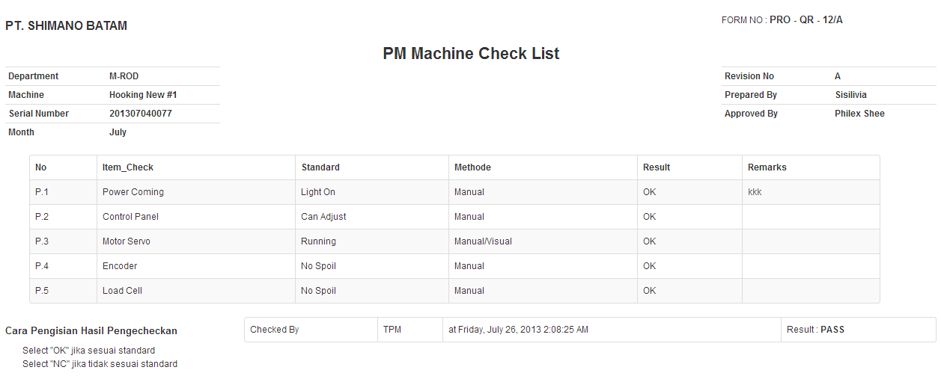
7 | PM | PM Machine Check List | Tick Items Check Result : 1. OK 2. Abnormal (Still can Operate but Not Normal Condition) 3. NC (Total cannot operate) | Dwi W | If at Least One Item NC or Abnormal, A warning window is pop up |  |  |  |  | 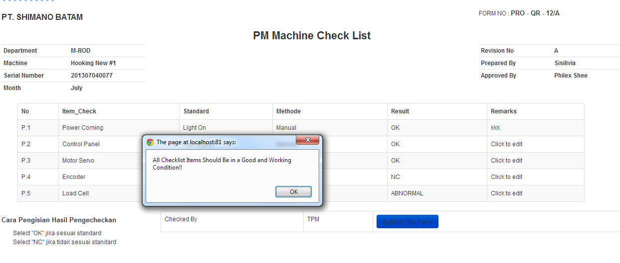
9 | PM | PM Status | PM Finish Execution | Dwi W | PM Status is changed to COMPLETED |  |  |  |  | 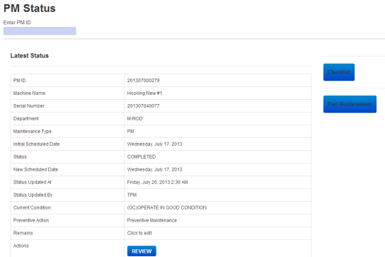
9 | PM | PM Status | Leader Review the Completed PM | Dwi W | PM Status is changed to DONE |  |  |  |  | 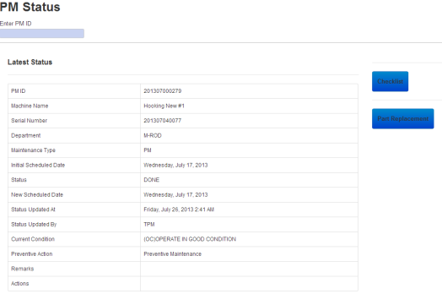

Adhoc WO
Scenarios Testing
CP - USER TESTING RVMS |  |  |  |  |  |  |  | 2013-07-23
Seq. | Mod. | Step Description | Sub-Step (additional detail as needed) | Tester Power User | Expected Result | Actual Result | Pass / Fail | Note | Signature | Picture
1 | AdHoc WO | New Work Order | Leader Create New Work Order, Machine Condition: 1. NC : Totally Not Working, 2. Abnormal : Still Working but not Normal | Dwi W | New WO Created with unique ID, notify Engineering team |  |  |  |  | 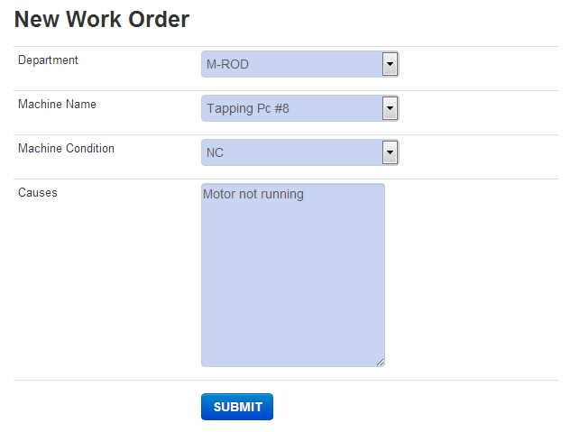
2 | AdHoc WO | Work Order Details | Work Order Issued, Eng needs to confirm, Eng. Use the WO ID number sent by system To Check | Dwi W | Work Order Status changed to Confirmed |  |  |  |  | 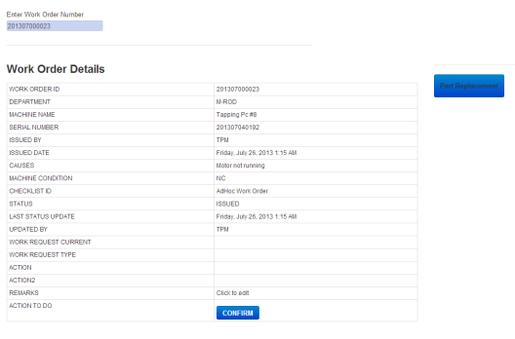
4 | AdHoc WO | Work Order Details | Eng. Start The Work Required | Dwi W | Work Order Status changed to WORK STARTED |  |  |  |  | 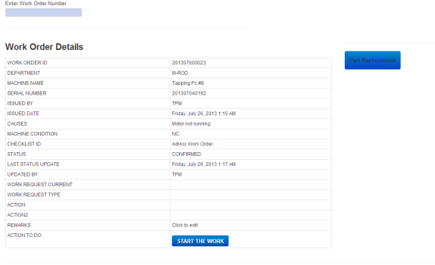
5 | AdHoc WO | Work Order Details | Eng. Update the required information in WO: | Dwi W | WO Information Updated |  |  |  |  | 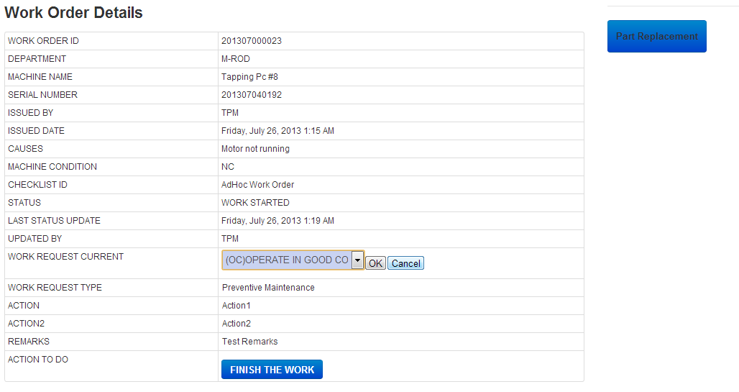
6 | AdHoc WO | Work Order Details | Eng. Update Part Replacement Informartion in WO | Dwi W | WO Part Replacement Information Updated |  |  |  |  | 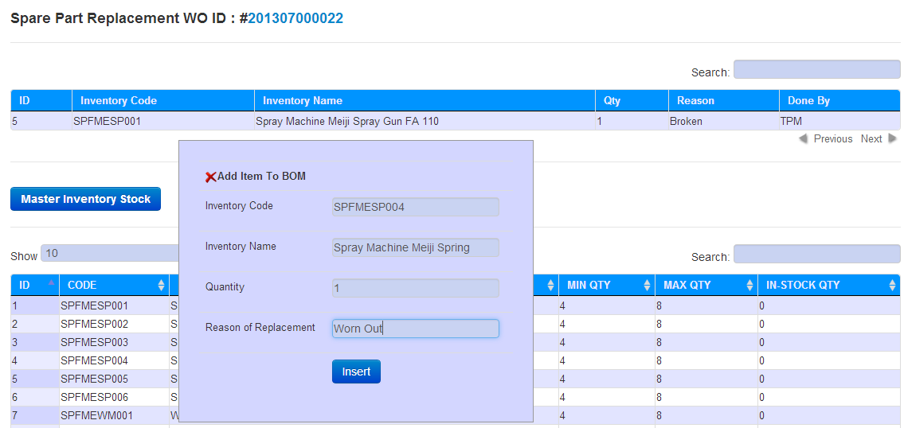
7 | AdHoc WO | Work Order Details | Eng. Finish The Work | Dwi W | WO Status changed to Completed |  |  |  |  | 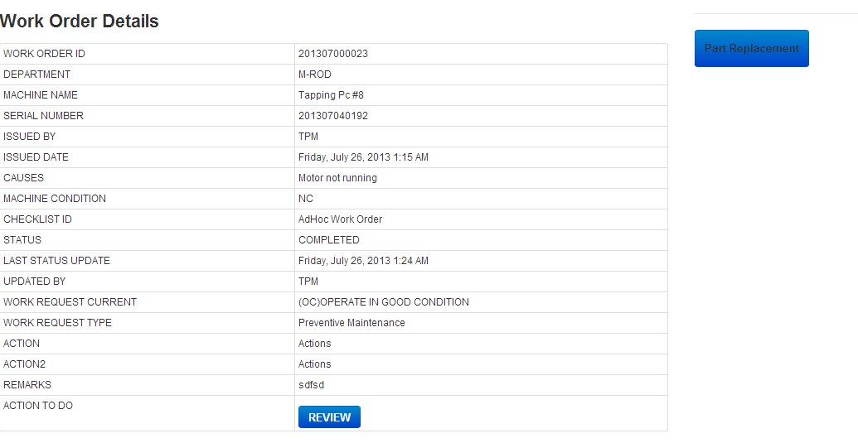
8 | AdHoc WO | Work Order Details | Leader Review the Completed WO | Dwi W | WO Status changed to Closed |  |  |  |  | 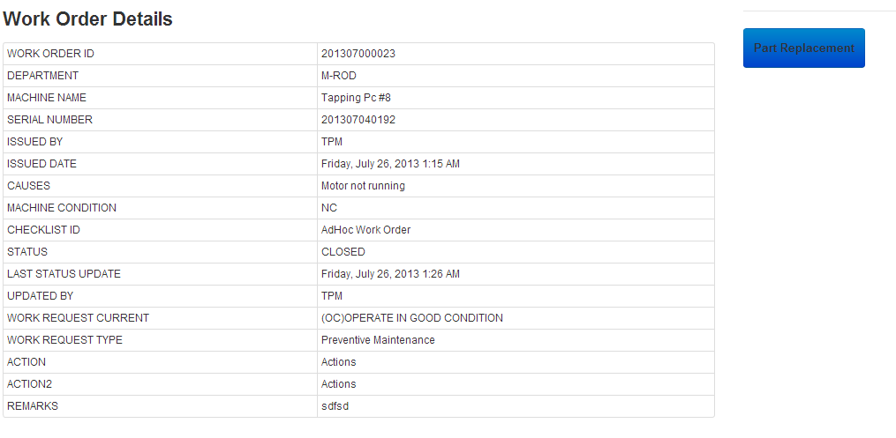

Daily Checklist
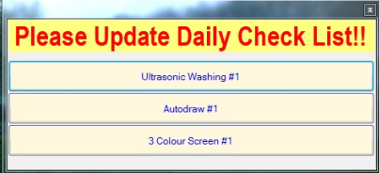
Scenarios Testing
CP - USER TESTING RVMS |  |  |  |  |  |  |  | 2013-07-23
Seq. | Mod. | Step Description | Sub-Step (additional detail as needed) | Tester Power User | Expected Result | Actual Result | Pass / Fail | Note | Signature | Picture
1 | Daily checklist | Pop Up please update checklist | Update Daily Check : Ultrasonic Washing #1 Autodraw #1 3 Colour Screen #1 | Dwi W | Dissapear
2 | Daily checklist | Daily Machine Check List | Tick Items Check Result : 1. OK 2. Abnormal (Still can Operate but Not Normal Condition) 3. NC (Total cannot operate) | Dwi W | If All OK Total Result Pass
3 | Daily checklist | Daily Machine Check List | Tick Items Check Result : 1. OK 2. Abnormal (Still can Operate but Not Normal Condition) 3. NC (Total cannot operate) | Dwi W | If at Least One Item NC or Abnormal-> Result Fail, new WO will be generated |  |  |  |  | 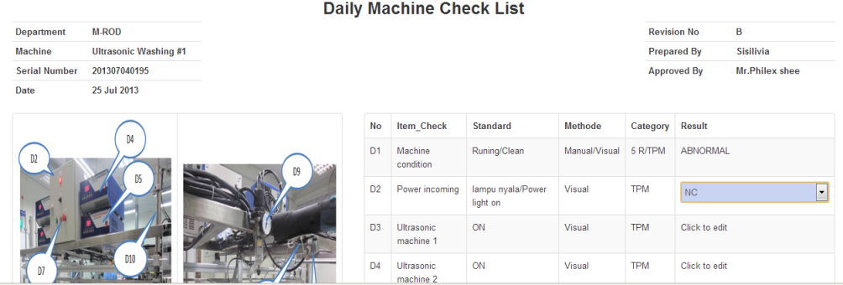
5 | Daily checklist | Daily Machine Check List | Leader Confirm that the Checklist fail by Pressing Confirm | Dwi W | Checklist Total Result Fail, New Work Order Generated, System will notify Engineering |  |  |  |  | 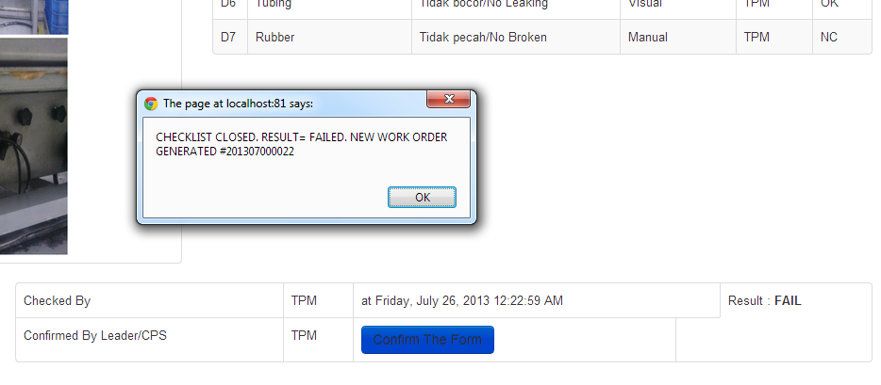
6 | Daily checklist | Work Order Status | Work Order Issued, Eng needs to confirm, Eng. Use the WO ID number sent by system To Check. | Dwi W | Work Order Status to Confirmed |  |  |  |  | 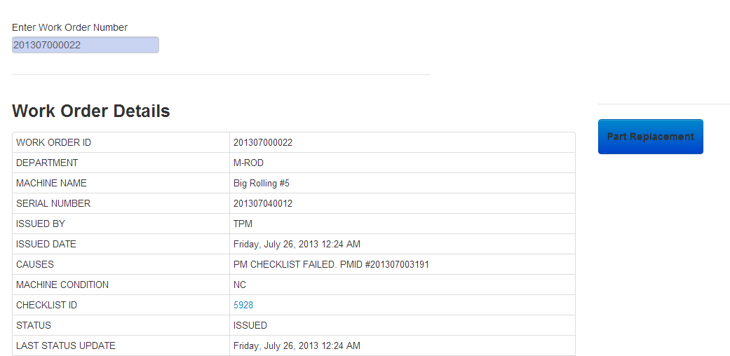
7 | Daily checklist | Work Order Details | Engineering Check The NC and/or Abnormal Item in Daily checklist, Link Available at Checklist ID row On WO Details | Dwi W | Eng. Get informed about the Break Down |  |  |  |  | 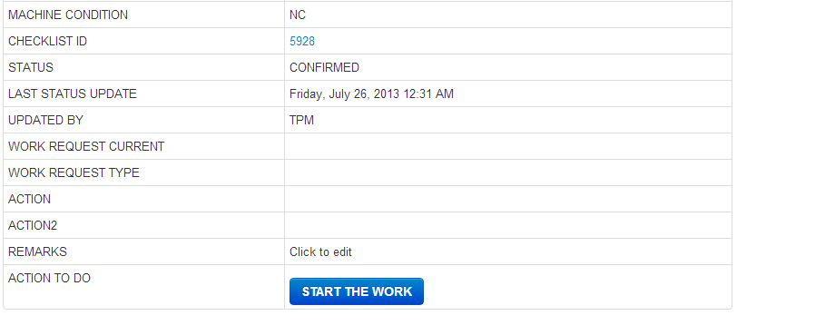
8 | Daily checklist | Work Order Details | Eng. Start The Work Required | Dwi W | Work Order Status changed to WORK STARTED |  |  |  |  | 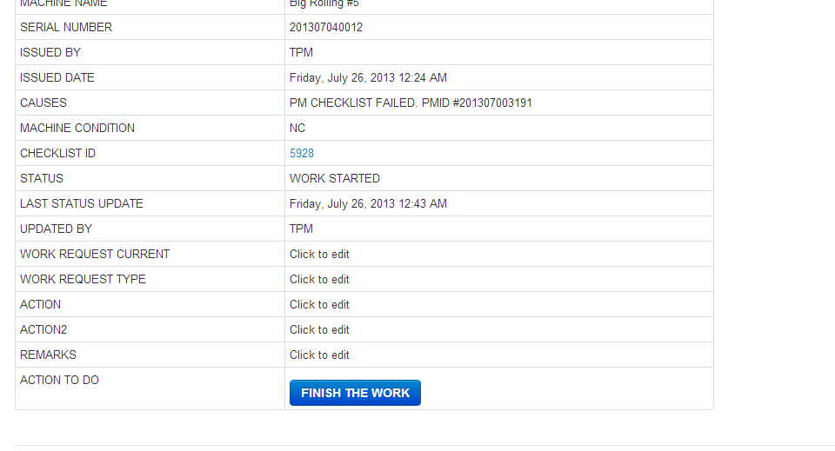
9 | Daily checklist | Work Order Details | Eng. Update the required information in WO: | Dwi W | WO Information Updated |  |  |  |  | 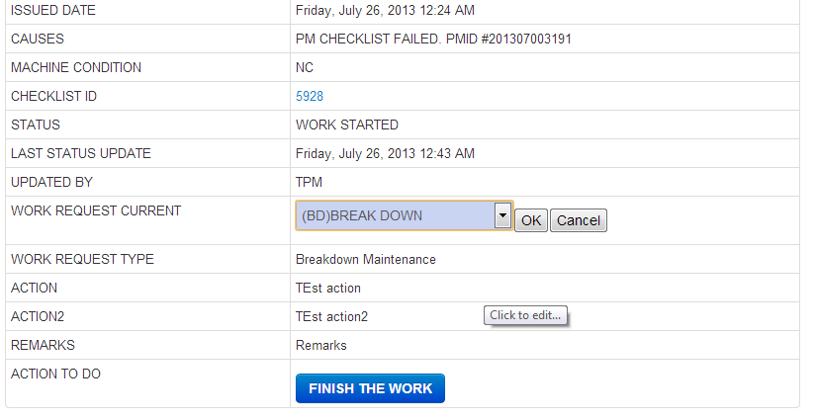
11 | Daily checklist | Work Order Details | Eng. Finish The Work | Dwi W | WO Status changed to Completed |  |  |  |  | 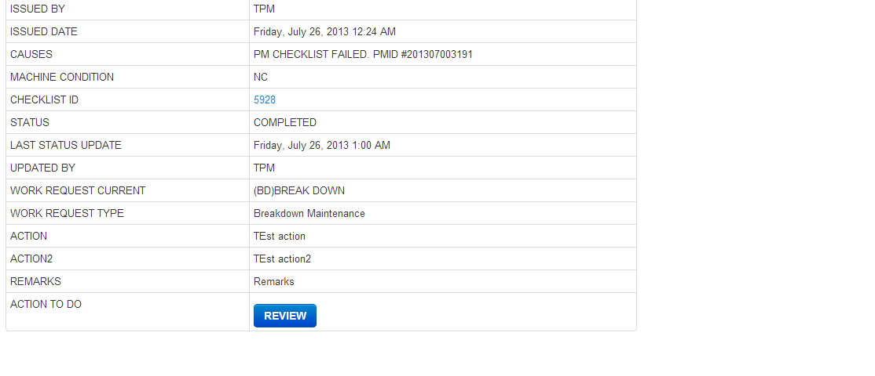
12 | Daily checklist | Work Order Details | Leader Review the Completed WO | Dwi W | WO Status changed to Closed |  |  |  |  | 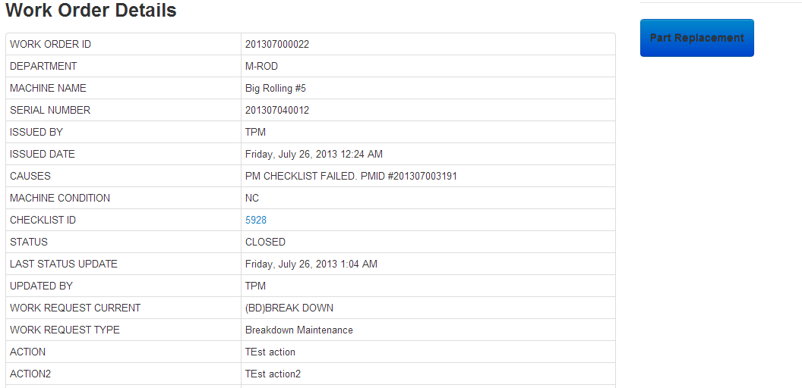

Issue
1

2 | Mandrel not update

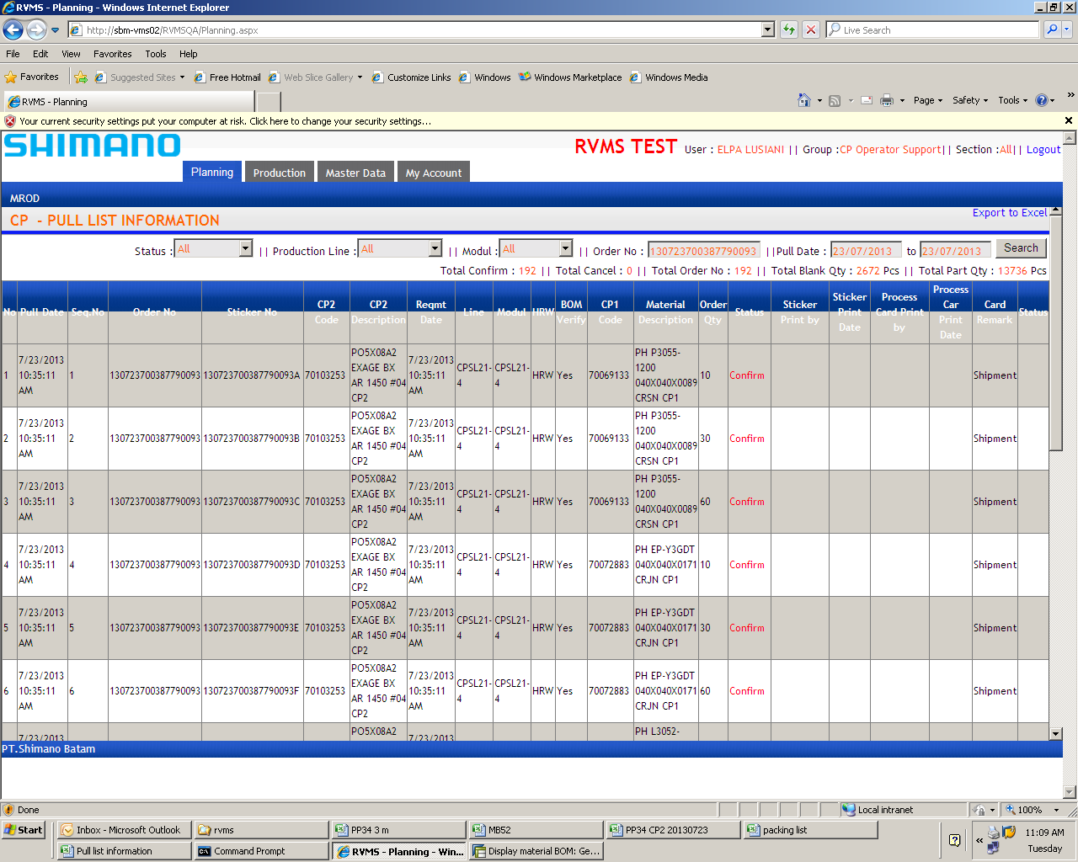
3

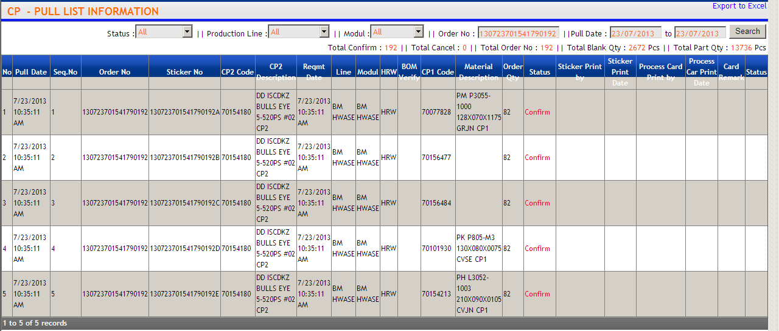
4

No Description

