B5 PLANT1
PT SHIMANO BATAM
ENVIRONMENTAL, HEALTH & SAFETY FORM
Please tick :
Department | : LOG-ROD |  |  |  | WSH/EHS/TPM Ref No |  | : LOG/OCT'13-1
Process/Location | : B5 PLANT (SINYO) |  |  |  | Dept. Representatives |  | : PRATONO
Date of occurrence | : 19-Dec-13 |  |  |  | Dept. WSH Committee |  | : CHANAFI

SECTION A : To be completed by Issuer (WSH/EHS Inspection members / others)

Description observed: |  |  |  | Photo Attachment (s) : |  | Yes | No
Regulation: PERMENAKERTRANS RI. NO.PER-4/MEN/1980: Syarat-syarat pemasangan dan pemeliharan APAR |  |  |  | 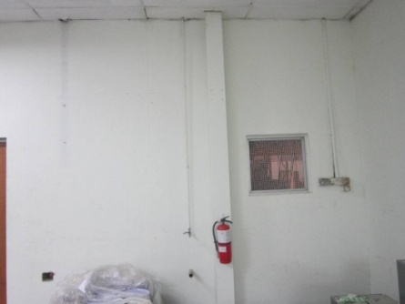 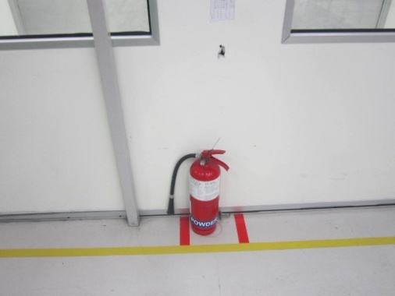

SBM-EHS-SOP-28: FIRE PREVENTION
2 units fire extiguisher was placed on the floor & no sign. A potential explosion hazard when crash and topple

Recommended Action(s) to be taken:

Dept immediately to request proper hanging up for placed and put up sign to warn workers as per standard

Please Tick.
1) Non conformance |  |  | 2) Observation |  |  | 3) Good Practices
4) Outstanding |  |  | 5) Continual Improvement

Issued By : | SAFETY COMMITTEE 2013 |  |  |  | Issue Date : | 26-Dec-13

HOD / DYH : | PRATONO- SUPERVISOR |  |  |  | Reply Due Date : | Immediately within 3days

SECTION B : To be completed by Area Person in-charge
Corrective Action(s): |  |  |  | Preventive Action(s):
Set stand of placed Pic: Maintanance Secondary (Date line : 15 Jan 2013)

 |  |  |  | Effective Date:

Replied Name : | Soni W |  |  | Approved HOD/DYH :
Date / Sign : |  |  |  | Date / Sign :

SECTION C : To be verified by Issuer (WSH/EHS Inspection members / others )
Verification Action : |  | Effective |  |  | Not Effective
Comments :

 |  |  |  |  | Verified By /Date :

WSH/EHS INSPECTION: Issuer.>> Responsible Person(s).>> Issuer.>>EHS Coordinator
Note: If TPM matters: Issuer >>Dept>> GBP/TPM Facilitator>>Dept HOD>>GBP/TPM Facilitator
Recommended Reply Due Date: (1) Non-conformance = Immediately within 3days; (2) Observation = 2~4wks (3) CI = 1mth
 |  |  |  |  |  |  | SBM-EHS-SOP-36/03I

B5 PLANT2
PT SHIMANO BATAM
ENVIRONMENTAL, HEALTH & SAFETY FORM
Please tick :
Department | : LOG-ROD |  |  |  | WSH/EHS/TPM Ref No |  | : LOG/OCT'13-2
Process/Location | : B5 PLANT (SINYO) |  |  |  | Dept. Representatives |  | : PRATONO
Date of occurrence | : 19-Dec-13 |  |  |  | Dept. WSH Committee |  | : CHANAFI

SECTION A : To be completed by Issuer (WSH/EHS Inspection members / others)

Description observed: |  |  |  | Photo Attachment (s) : |  | Yes | No
PERMENAKER No. PER.04/MEN/1985: Pesawat Tenaga Dan Produksi |  |  |  | 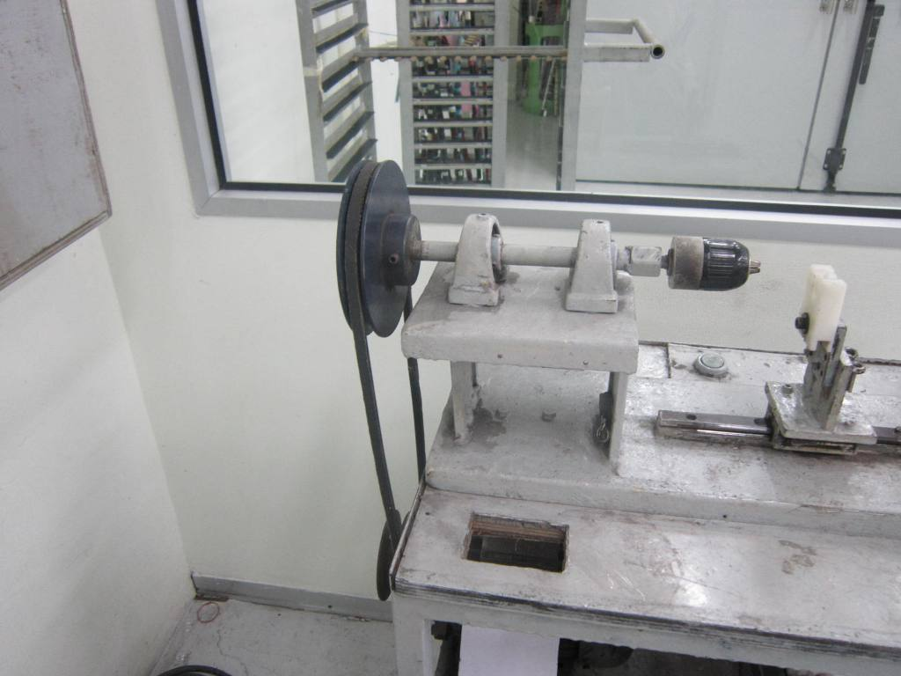

SBM-EHS-SOP-30 : Machinery Guarding

One unit machine was without safeguard for belting rotating. A potential hazards for workers

Recommended Action(s) to be taken:

To imediatelly installed machine guarding / cover to prevent worker from injuries

Please Tick.
1) Non conformance |  |  | 2) Observation |  |  | 3) Good Practices
4) Outstanding |  |  | 5) Continual Improvement

Issued By : | SAFETY COMMITTEE 2013 |  |  |  | Issue Date : | 26-Dec-13

HOD / DYH : | PRATONO- SUPERVISOR |  |  |  | Reply Due Date : | Immediately within 3days

SECTION B : To be completed by Area Person in-charge
Corrective Action(s): |  |  |  | Preventive Action(s):
Set up cover, pic: Pak Bowo

 |  |  |  | Effective Date:

Replied Name : | Soni W |  |  | Approved HOD/DYH :
Date / Sign : |  |  |  | Date / Sign :

SECTION C : To be verified by Issuer (WSH/EHS Inspection members / others )
Verification Action : |  | Effective |  |  | Not Effective
Comments :

 |  |  |  |  | Verified By /Date :

WSH/EHS INSPECTION: Issuer.>> Responsible Person(s).>> Issuer.>>EHS Coordinator
Note: If TPM matters: Issuer >>Dept>> GBP/TPM Facilitator>>Dept HOD>>GBP/TPM Facilitator
Recommended Reply Due Date: (1) Non-conformance = Immediately within 3days; (2) Observation = 2~4wks (3) CI = 1mth
 |  |  |  |  |  |  | SBM-EHS-SOP-36/03I

B5 PLANT3
PT SHIMANO BATAM
ENVIRONMENTAL, HEALTH & SAFETY FORM
Please tick :
Department | : LOG-ROD |  |  |  | WSH/EHS/TPM Ref No |  | : LOG/OCT'13-3
Process/Location | : B5 PLANT (SINYO) |  |  |  | Dept. Representatives |  | : PRATONO
Date of occurrence | : 19-Dec-13 |  |  |  | Dept. WSH Committee |  | : CHANAFI

SECTION A : To be completed by Issuer (WSH/EHS Inspection members / others)

Description observed: |  |  |  | Photo Attachment (s) : |  | Yes | No
PERMENAKER No. PER.08/MEN/VII/2010: Tentang Alat Pelindung Diri |  |  |  | 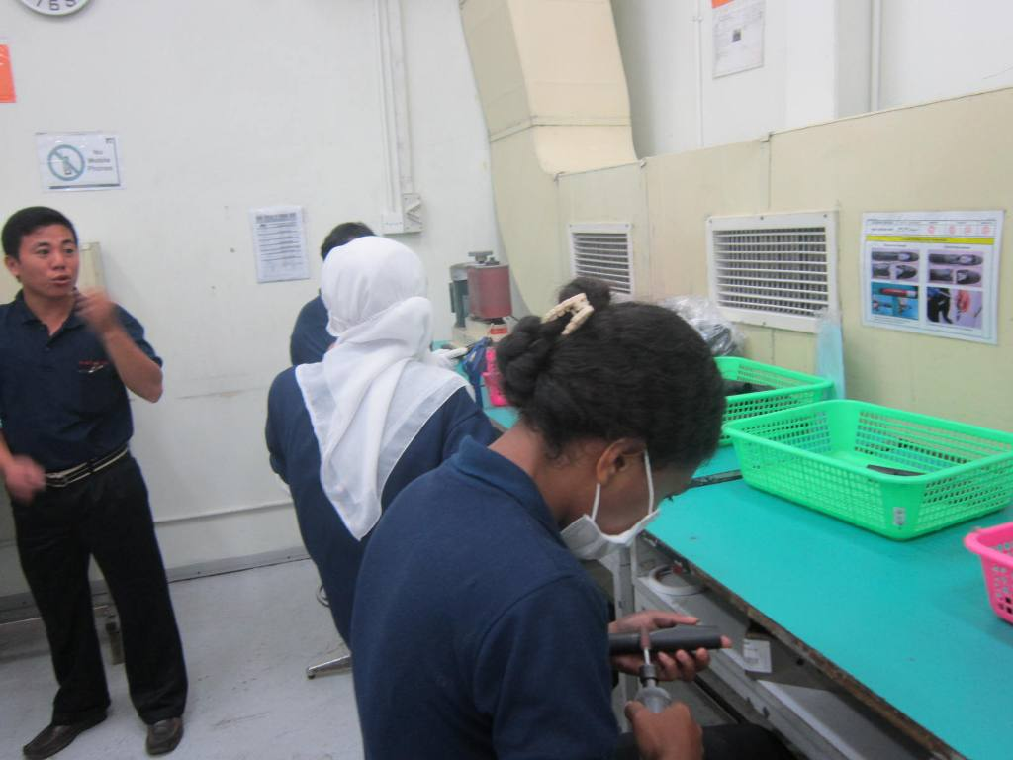

SBM-EHS-SOP-17 : Personal Protective Equipment

There was some workers without donning ear protection (ear flug/ ear muff) with noise level above 95 db.

Recommended Action(s) to be taken:

Dept to put up signage to warn workers to don ear protection at the process.

Please Tick.
1) Non conformance |  |  | 2) Observation |  |  | 3) Good Practices
4) Outstanding |  |  | 5) Continual Improvement

Issued By : | SAFETY COMMITTEE 2013 |  |  |  | Issue Date : | 26-Dec-13

HOD / DYH : | PRATONO- SUPERVISOR |  |  |  | Reply Due Date : | Immediately within 3days

SECTION B : To be completed by Area Person in-charge
Corrective Action(s): |  |  |  | Preventive Action(s):
Set EAR PLUG and order. (Date line: 25 Jan 2014)

 |  |  |  | Effective Date:

Replied Name : | Soni W. |  |  | Approved HOD/DYH :
Date / Sign : |  |  |  | Date / Sign :

SECTION C : To be verified by Issuer (WSH/EHS Inspection members / others )
Verification Action : |  | Effective |  |  | Not Effective
Comments :

 |  |  |  |  | Verified By /Date :

WSH/EHS INSPECTION: Issuer.>> Responsible Person(s).>> Issuer.>>EHS Coordinator
Note: If TPM matters: Issuer >>Dept>> GBP/TPM Facilitator>>Dept HOD>>GBP/TPM Facilitator
Recommended Reply Due Date: (1) Non-conformance = Immediately within 3days; (2) Observation = 2~4wks (3) CI = 1mth
 |  |  |  |  |  |  | SBM-EHS-SOP-36/03I

