Sheet1
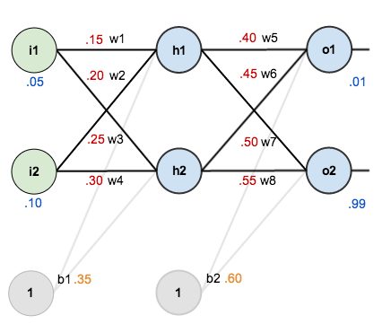

wX | 16
sigmoid | 1.000

https://mattmazur.com/2015/03/17/a-step-by-step-backpropagation-example/

learn_rate | 0.5 |  |  |  |  |  |  |  |  |  |  | Agg Loss | 0.29837

i1 | 0.05 | w1 | 0.15 | h1 | 0.59327 | w5 | 0.40 | o1 | 0.75137 | target1 | 0.01 | Loss1 | 0.54962
 |  | w2 | 0.20 |  |  | w6 | 0.45
i2 | 0.10 | w3 | 0.25 | h2 | 0.59688 | w7 | 0.50 | o2 | 0.77293 | target2 | 0.99 | Loss2 | 0.04712
 |  | w4 | 0.30 |  |  | w8 | 0.55
 |  | b1 | 0.35 |  |  | b2 | 0.60

 |  |  |  |  |  | w5' | 0.35892 | grad5 | 0.08217 | delta1 | 0.13850 | 0.74137 | 0.18682 | 0.59327 | 0.082167040564
 |  |  |  |  |  | w6' | 0.40867 | grad6 | 0.08267
 |  |  |  |  |  | w7' | 0.51130 | grad7 | -0.02260 | delta2 | -0.03810 | -0.21707 | 0.17551 | 0.59688 | -0.022740242216
 |  |  |  |  |  | w8' | 0.56137 | grad8 | -0.02274
 |  |  |  |  |  | b2' | 0.54980 | gradb2 | 0.10040

 |  | w1' | 0.149781 | grad1 | 0.0004386 | delta_h1 | 0.0087714 |  | 0.24130
 |  | w2' | 0.199561 | grad2 | 0.0008771
 |  | w3' | 0.249751 | grad3 | 0.0004977 | delta_h2 | 0.0099543
 |  | w4' | 0.299502 | grad4 | 0.0009954
 |  | b1' | 0.340637 | gradb1 | 0.0187256

