11_SM_2.1_description
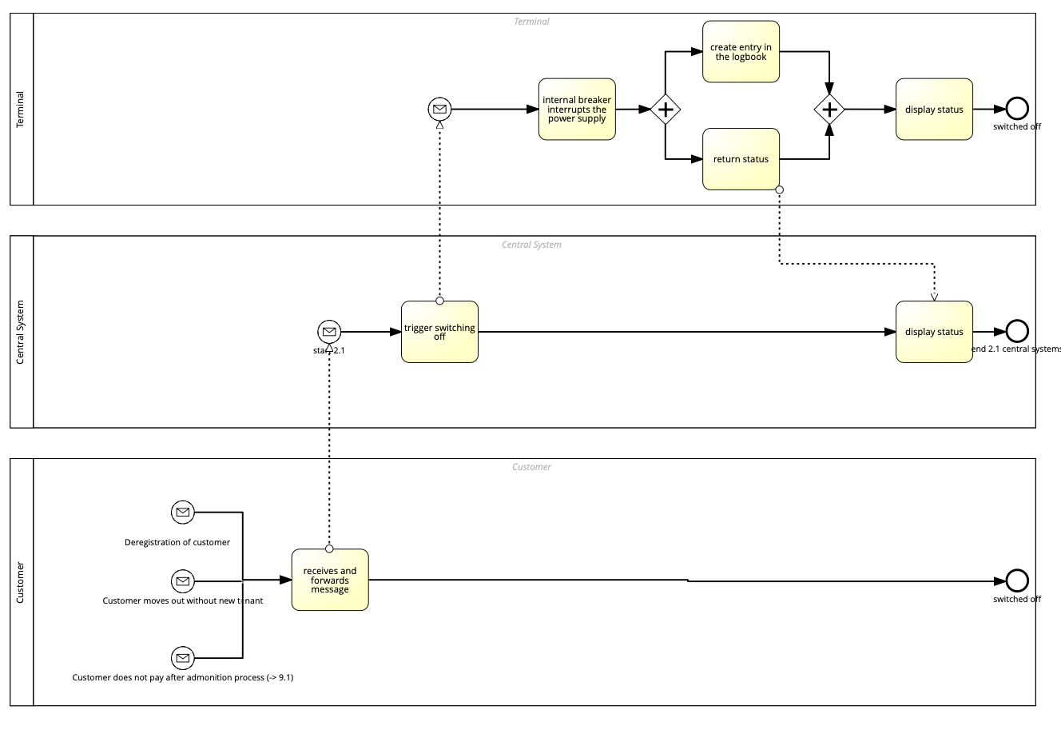

Top-level (whole process)
name: | description:
Smart Meter 2.1 | This process involves turning off a smart meter based on deregistration of a customer, customer moving to another tenant or customer not paying after adminstrative process.After receiving a message from the customer and moving it forward to the central system. There the switch off is triggered and communicated to the terminal. The power supply is turned of, which leads to a log entry and return of the status. The status is displayed in the terminal and central system.

12_SM_2.2_description
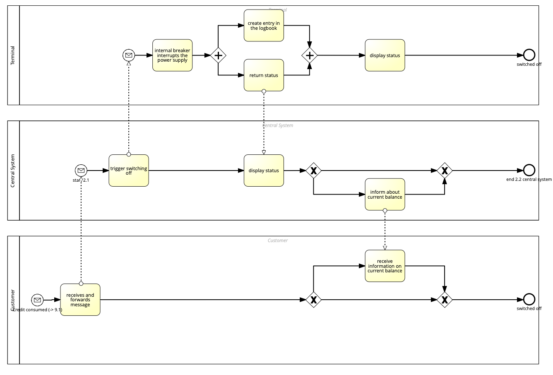

Top-level (whole process)
name: | description:
Smart Meter 2.2 | This process involves the smart meter being turned off once all credit from the customer has been consumed. The central system receives the message that the credit has been received and triggers a turn-off in the terminal. The power supply is interrupted, and simultaneously a log entry is created and a return status is created. The return status is displayed in the terminal and central system. The central system then informs the customer about the current balance.

13_SM_2.3_description
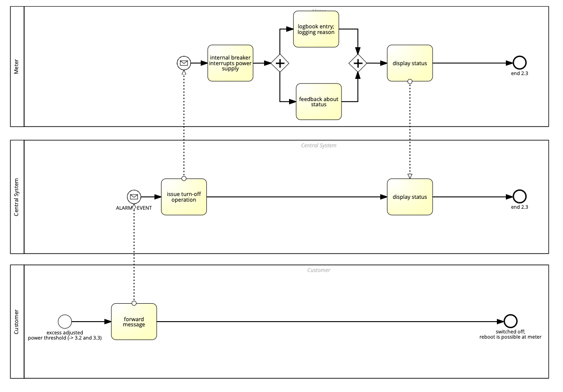

Top-level (whole process)
name: | description:
Smart Meter 2.3 | This process involves the smart meter being turned off once an active power threshold is reached. The message is forwarded from the customer to the central system, which receives the alarm event. The Smart Meter is informed, and the power supply is interrupted. Simultaneously, a log entry and a feedback status are created. The status is displayed on the Smart meter and in the central system.

14_SM_2.5_description
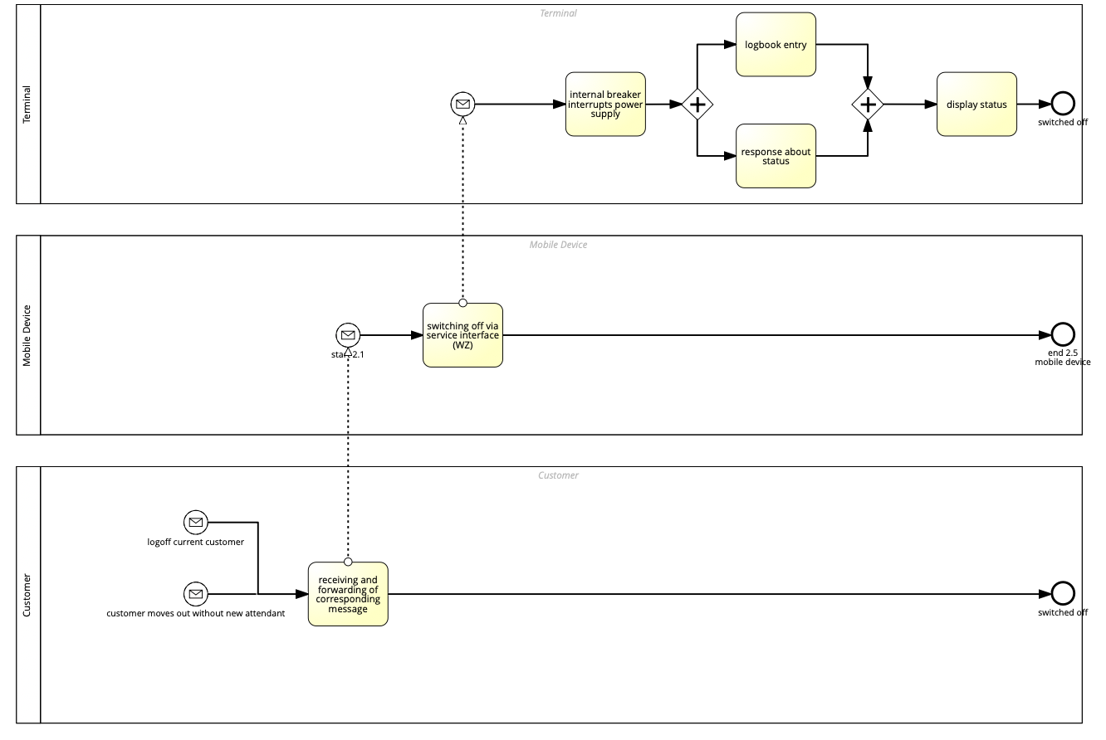

Top-level (whole process)
name: | description:
Smart Meter 2.5 | This process involves a Smart Meter being turned off when a current customer logs off or a customer moves out without a new attendant moving in. The central system is notified, and the switch-off is done via the service interface. In the terminal, the power supply is interrupted, and simultaneously a log entry and response status are created. The response status is displayed within the terminal.

15_SM_6.1_description
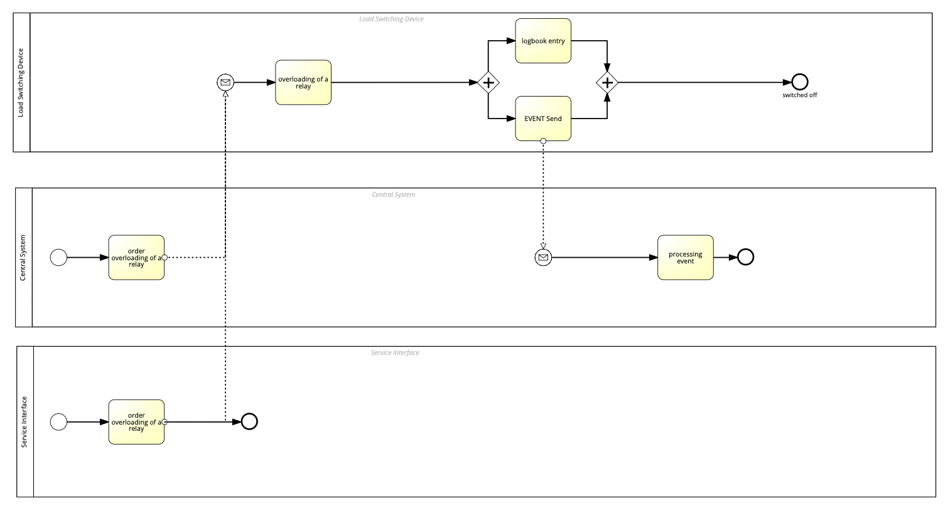

Top-level (whole process)
name: | description:
Smart Meter 6.1 | This process involves a Load Switch device, which serves as a possible replacement for a ripple control device or timer. The service interface and central system receive an order to overload a relay, which is forwarded to the load switch devices. The load switch device simultaneously creates a log entry and sends an Event. The event is received by the central system.

16_SM_6.3_description
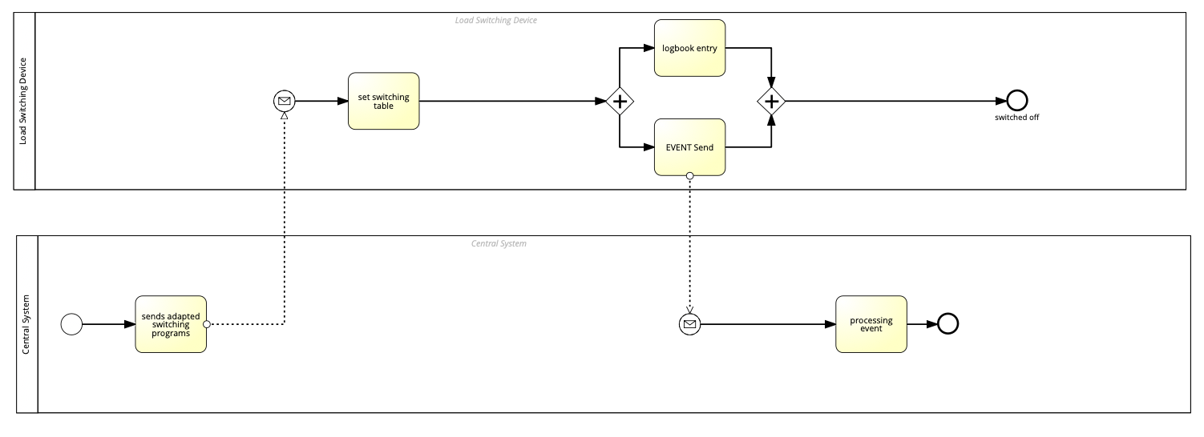

Top-level (whole process)
name: | description:
Smart Meter 6.3 | This process involves a Load Switch device, which serves as a possible replacement for a ripple control device or timer. On the load switch device, an independent replay switch program is configurable. The Central System sends the adapted switching programs to the load switch device. The load switch device then sets its switching table and simultaneously creates a log entry and sends an event. The event is then processed by the central system.

4_GDPR_1_description
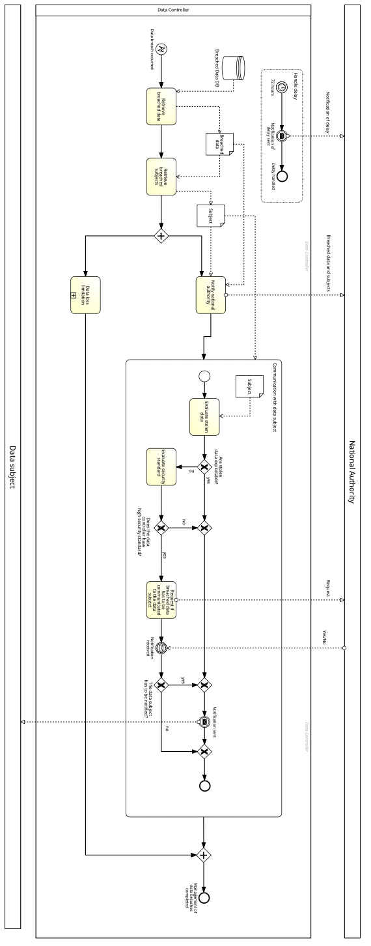

Top-level (whole process)
name: | description:
GDPR_1_Data_Breach | The process is from the General Data Protection Regulation and involves several steps whenever a data breach occurs regarding an individual's data. The process commences with a notification of a data breach to the data controller, triggering a series of critical actions to manage the incident. The data controller, upon receiving the notification, evaluates the breach's severity. If the breach is deemed notifiable, the national authority is promptly informed, and a detailed breach record is created. This record includes all relevant details necessary for thorough documentation and future reference. Concurrently, the data subject is also notified of the breach. This ensures transparency and allows the data subject to take any immediate personal measures to mitigate the impact. Communication with the data subject continues as the process unfolds, keeping them informed of the evolving situation. The breach evaluation then proceeds to a decision point where it is determined if the breach was caused by high-risk factors. If the evaluation concludes that high-risk elements are present, the process moves towards a more rigorous evaluation, encompassing an in-depth security analysis. Should the further evaluation confirm the high-risk nature of the breach, the data is then deleted or altered to mitigate the breach's impact, strictly adhering to the high security standards required in such scenarios. This decisive action is critical to preventing further unauthorized access or damage. If the breach is not high-risk, or after the high-risk data has been dealt with, the national authority assesses whether to issue a public notification. If a public notification is necessary, the information is disseminated accordingly, ensuring that all potential impacted parties are aware of the breach. Following the potential public notification, the process concludes with a final review to ensure all steps have been appropriately executed and documented. The end event signifies the clo

5_GDPR_2_description
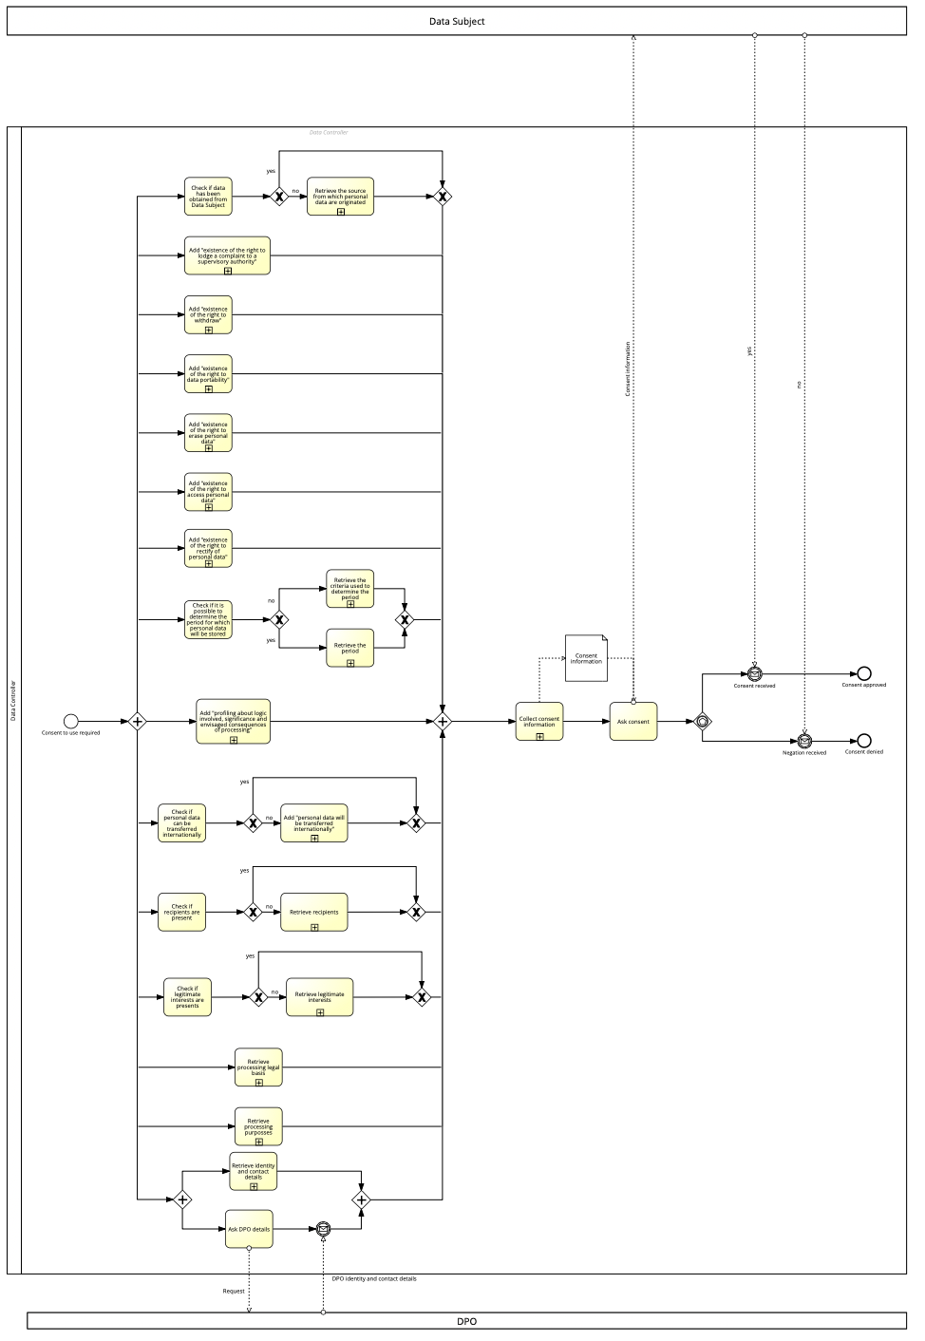

Top-level (whole process)
name: | description:
GDPR_2_Conset_To_Use_The_Data | The process is about the consent requirements of the General Data Protection Regulation concerning the use of an individual's data. It begins with verifying the data subject's agreement. Without verified consent, the process must first secure approval. Once consent is confirmed, data handling begins. The data is retrieved, then transformed, validated, and enriched, ensuring privacy through anonymization or pseudonymization and verifying data quality for accuracy and reliability. Next, a decision point assesses if additional processing is necessary. If so, the data is refined further in an iterative manner until it meets quality and processing standards. The data then moves to its application phase for analysis, reporting, or decision-making, while an audit trail records each processing step for compliance and integrity. Periodic checks for data relevance lead to secure disposal if the data is outdated, in line with retention policies. The process ends with a review of the data's application against objectives, concluding with all data processed and evaluated, ensuring alignment with the data subject's consent and organizational standards.

6_GDPR_3_description
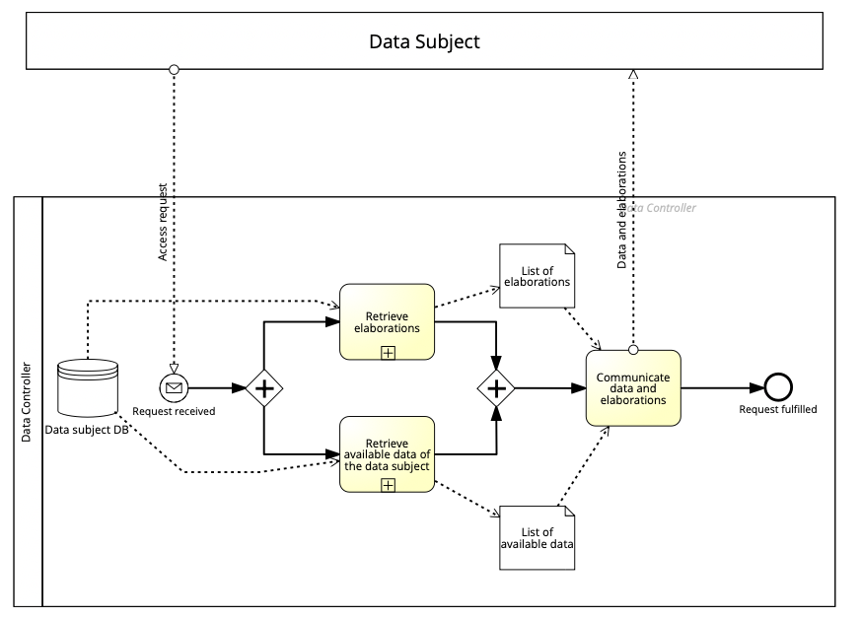

Top-level (whole process)
name: | description:
GDPR_3_Right_To_Access | The right to access process is about the General Data Protection Regulation's right to access the stored data and starts with the Data subject requesting access. The first step involves the retrieval of the data subject's details from a data repository. In parallel, there is a review of elaborations, which likely refers to any analysis or processing previously conducted on the data subject's information. Once all relevant data and elaborations are collected, they are communicated to the data subject, fulfilling the request. The process ends when the request is fulfilled.

7_GDPR_4_description
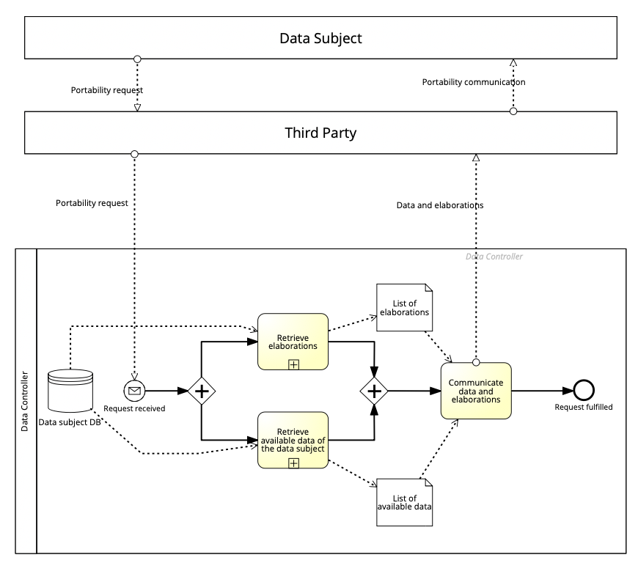

Top-level (whole process)
name: | description:
GDPR_4_Right_of_Portability | The process involves the General Data Protection Regulation Right of Portability, which involves the individual's personal data being transferred from one service provider to another third-party provider. Upon receiving a portability request from the data subject, the service provider retrieves the data subject's details from a secure data repository. This step ensures that all relevant personal data pertaining to the data subject is collected for the transfer. Concurrently, the second action undertaken is the retrieval of elaborations. This refers to processing any analyses, interpretations, or complex calculations previously conducted on the data subject's information. Once both sets of data—the raw personal details and the elaborations—are retrieved, they are compiled into comprehensive lists. These lists constitute the total information package that will be communicated to the third party, which then communicates it to the individual.

8_GDPR_5_description


Top-level (whole process)
name: | description:
GDPR_5_Right_To_Withdraw | The process is about the right to withdraw from the General Data Protection Regulations and involves individuals being able to withdraw their data from a service upon request. Once a data subject sends a withdrawal request, it is checked to see if the data is relevant. If not, the withheld data is not being used anymore. If it is, the data subject is informed that all running business processes will be stopped if the withdrawal is continued. If the data subject chooses not to continue, the withdrawal is aborted; otherwise, all running business processes are stopped, and the withdrawal data is not being used anymore. Finally, the withdrawal is communicated.

9_GDPR_6_description
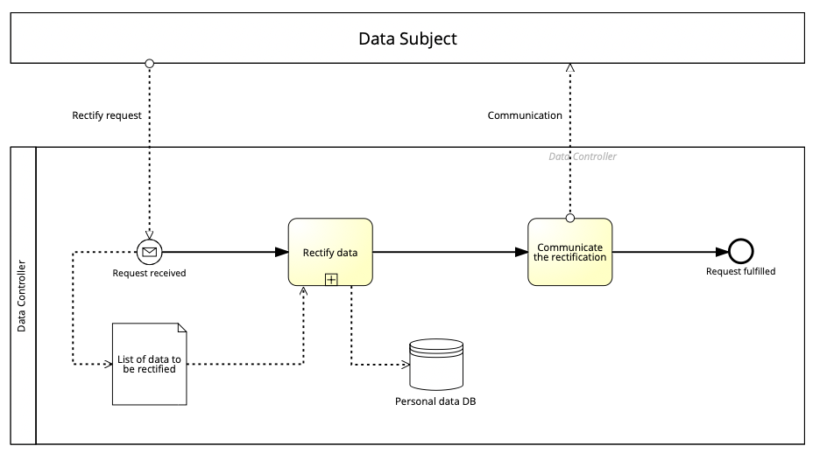

Top-level (whole process)
name: | description:
GDPR_6_Right_To_Rectify | This process is about the right to rectify from the General Data Protection Regulation, which means every data subject has the right to rectify its data. The process starts with a rectify request. The service provider checks the list of data to be corrected and corrects the data. The rectification is being communicated to the data subject.

10_GDPR_7_description
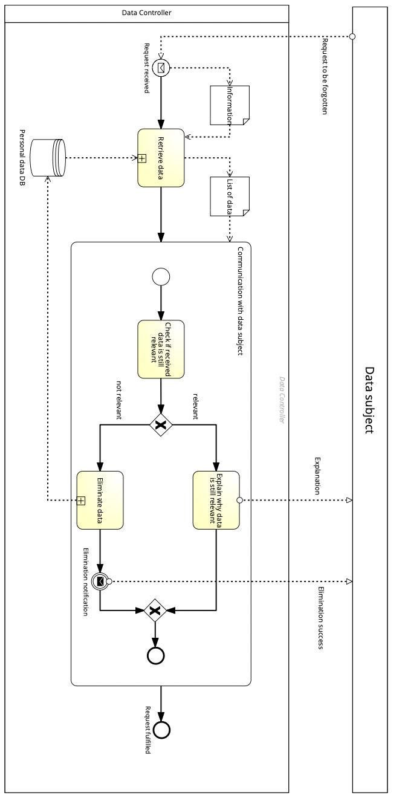

Top-level (whole process)
name: | description:
GDPR_7_Right_To_Be_Forgotten | This process is about the right to be forgotten from the General Data Protection Regulations, which says a data subject has the right to terminate if its data should be deleted. It starts with the data subject requesting the data be forgotten. The service provider retrieves the data and checks if the received data is still relevant for the current service. If it is, an explanation is sent to the data subject. Otherwise, the data is eliminated, and the data subject is notified of the successful elimination.

