SpellFormats
SPELL FORMATS |  |  |  |  | sheet-rolltemplate-npcfullatk
 |  |  |  |  |  | OVERALL:
OPTION #1: |  |  |  |  |  |  | sheet-rolltemplate-atkdmg
sheet-rolltemplate-atkdmg |  |  |  |  |  |  |  | sheet-atk | OPTIONAL
 | sheet-damagetemplate |  |  |  |  |  |  | sheet-atk sheet-save | OPTIONAL
 |  | sheet-result |  |  |  |  |  | sheet-desc | OPTIONAL
 |  |  | sheet-solo |  |  |  |  | sheet-damagetemplate
 |  |  |  | sheet-damage
 |  |  |  | sheet-sublabel
 |  | sheet-label |  |  |  | 1. Get the atkdmg container
 |  | sheet-sublabel |  |  |  | 2. Retrieve sheet-atk
 |  | sheet-spelldesc-link |  |  |  | 3. IF sheet-atk exists
 |  |  |  |  |  | a. if element also has sheet-save class?
 |  |  |  |  |  | 1. process as sheet-save
OPTION #2: |  |  |  |  |  | b. if this is a solo roll,
sheet-rolltemplate-atkdmg |  |  |  |  |  | 1. process solo roll as current.
 | sheet-atk |  |  |  |  | c. if this is an adv roll,
 |  | sheet-result |  |  |  | 1. process advantage roll
 |  |  | sheet-solo |  |  | 4. IF sheet-desc exists:
 |  | sheet-label |  |  |  | a. process sheet-desc
 |  | sheet-sublabel |  |  |  | 5. Process sheet-damagetemplate
 |  | sheet-spelldesc-link |  |  |  | a. if this is a solo roll,
 | sheet-damagetemplate |  |  |  |  | 1. process as current.
 |  | sheet-result |  |  |  | b. if this is an adv roll,
 |  |  | sheet-solo |  |  | 2. process with two damage types as necessary
 |  |  |  | sheet-damage
 |  |  |  | sheet-sublabel

OPTION #3:
sheet-rolltemplate-atkdmg
 | sheet-atk sheet-save
 |  | sheet-savedc
 |  | sheet-label
 | sheet-damagetemplate
 |  | sheet-result
 |  |  | sheet-solo
 |  |  |  | sheet-damage
 |  |  |  | sheet-sublabel
 |  | sheet-label
 |  | sheet-sublabel
 |  | sheet-spelldesc-link

OPTION #4:
sheet-rolltemplate-atkdmg
 | sheet-atk
 |  | sheet-result
 |  |  | sheet-solo
 |  | sheet-label
 |  | sheet-sublabel
 |  | sheet-charname
 |  | sheet-spelldesc-link
 | sheet-damagetemplate
 |  | sheet-result
 |  |  | sheet-solo
 |  |  |  | sheet-damage
 |  |  |  | sheet-sublabel

OPTION #5:
sheet-rolltemplate-atkdmg
 | sheet-atk sheet-save
 |  | sheet-savedc
 |  | sheet-label
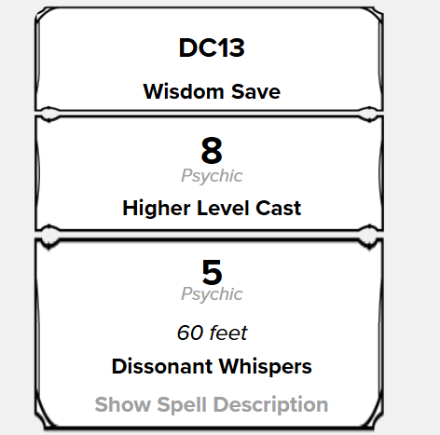
 | sheet-desc
 |  | span (inlinerollresult)
 |  | sheet-label
 |  | sheet-sublabel
 | sheet-damagetemplate
 |  | sheet-result
 |  |  | sheet-solo
 |  |  |  | sheet-damage
 |  |  |  | sheet-sublabel
 |  | sheet-label
 |  | sheet-sublabel
 |  | sheet-spelldesc-link

OPTION #6:
sheet-rolltemplate-atkdmg
 | sheet-atk
 |  | sheet-result
 |  |  | sheet-adv
 |  |  | sheet-adv-spacer
 |  |  | sheet-adv
 |  | sheet-label
 |  | sheet-sublabel
 |  | sheet-charname
 |  | sheet-spelldesc-link
 | sheet-damagetemplate
 |  | sheet-result
 |  |  | sheet-solo
 |  |  |  | sheet-damage
 |  |  |  | sheet-sublabel

OPTION #7:
sheet-rolltemplate-atkdmg
 | sheet-atk
 |  | sheet-result
 |  |  | sheet-solo
 |  | sheet-label
 |  | sheet-sublabel
 |  | sheet-spelldesc-link
 | sheet-desc sheet-save
 |  | sheet-savedc
 |  | sheet-label
 |  | sheet-sublabel
 | sheet-damagetemplate
 |  | sheet-result
 |  |  | sheet-adv | (NOTE - in this case we are using the "adv" style to display two different types of damage from the same attack)
 |  |  |  | sheet-damage
 |  |  |  | sheet-sublabel
 |  |  | sheet-advspacer
 |  |  | sheet-adv
 |  |  |  | span (no class)
 |  |  |  | sheet-sublabel

