Boat Safety Diagram
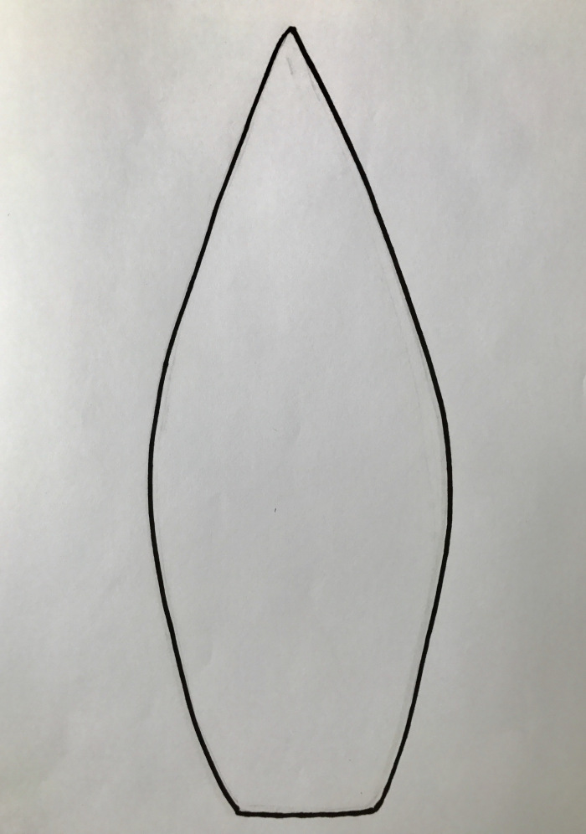
Produced by Astrolabe Sailing www.astrolabesailing.com
Click here to read about what to include on your boat safety diagram https://astrolabesailing.com/2017/01/23/making-a-yacht-safety-diagram/
XXX Yacht Boat Safety Diagram

