Figure 1
This file presents the data underlying the figures in CBO's December 2022 report Emissions of Carbon Dioxide in the Electric Power Sector.
www.cbo.gov/publication/58419

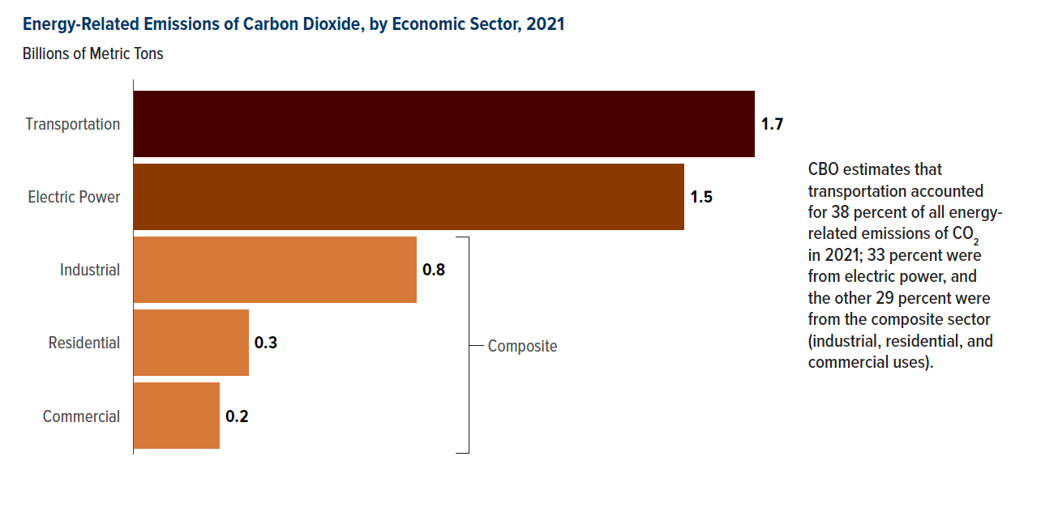
Figure 1. Energy-Related Emissions of Carbon Dioxide, by Economic Sector, 2021
Billions of Metric Tons

Economic Sector | CO2 Emissions
Transportation | 1.744
Electric Power | 1.541
Industrial | 0.793
Residential | 0.321
Commercial | 0.239

Back to Table of Contents

Figure 2
This file presents the data underlying the figures in CBO's December 2022 report Emissions of Carbon Dioxide in the Electric Power Sector.
www.cbo.gov/publication/58419

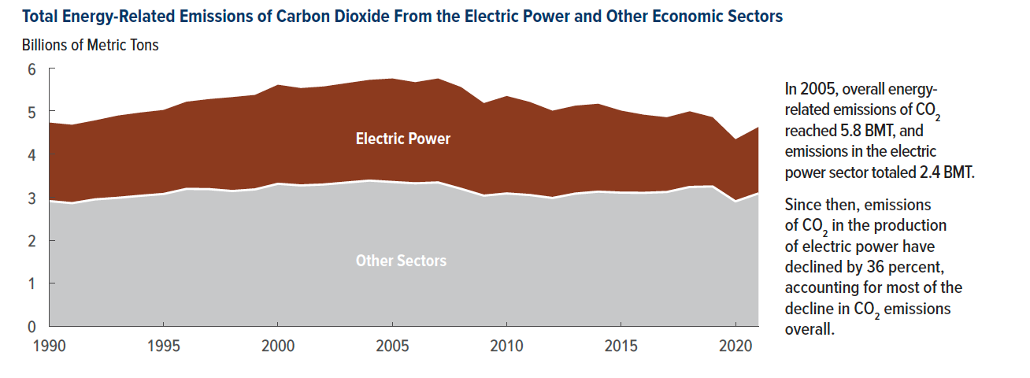
Figure 2. Total Energy-Related Emissions of Carbon Dioxide From the Electric Power and Other Economic Sectors
Billions of Metric Tons

Year | Electric Power | Other Sectors
1990 | 1.820 | 2.91
1991 | 1.817 | 2.86
1992 | 1.831 | 2.95
1993 | 1.906 | 2.99
1994 | 1.931 | 3.03
1995 | 1.947 | 3.08
1996 | 2.020 | 3.20
1997 | 2.088 | 3.19
1998 | 2.177 | 3.14
1999 | 2.190 | 3.18
2000 | 2.296 | 3.31
2001 | 2.257 | 3.27
2002 | 2.272 | 3.30
2003 | 2.304 | 3.34
2004 | 2.335 | 3.39
2005 | 2.400 | 3.35
2006 | 2.344 | 3.32
2007 | 2.411 | 3.34
2008 | 2.359 | 3.20
2009 | 2.145 | 3.04
2010 | 2.259 | 3.09
2011 | 2.158 | 3.05
2012 | 2.023 | 2.98
2013 | 2.038 | 3.09
2014 | 2.037 | 3.13
2015 | 1.901 | 3.11
2016 | 1.809 | 3.10
2017 | 1.732 | 3.12
2018 | 1.753 | 3.24
2019 | 1.606 | 3.25
2020 | 1.439 | 2.90
2021 | 1.541 | 3.10

Back to Table of Contents

Figure 3
This file presents the data underlying the figures in CBO's December 2022 report Emissions of Carbon Dioxide in the Electric Power Sector.
www.cbo.gov/publication/58419

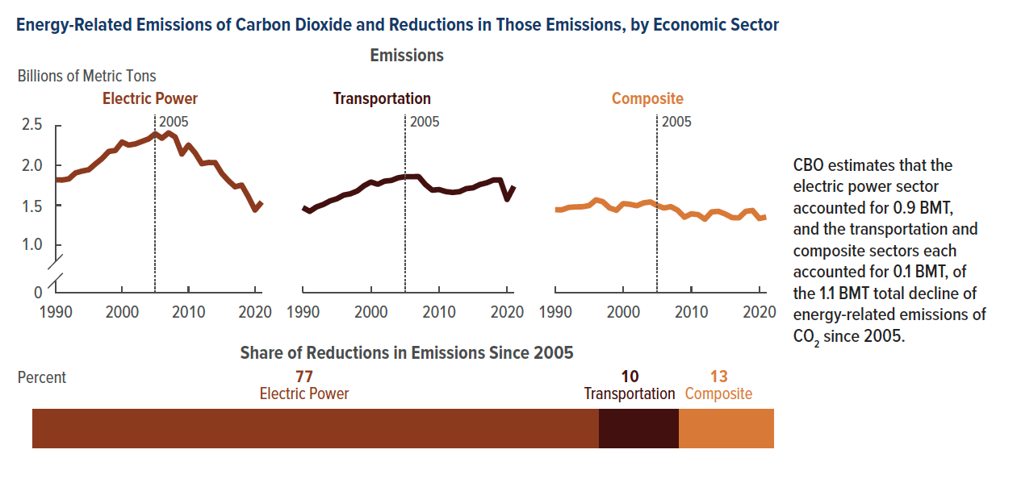
Figure 3. Energy-Related Emissions of Carbon Dioxide and Reductions in Those Emissions, by Economic Sector
Billions of Metric Tons

 | Emissions
Year | Electric Power | Transportation | Composite
1990 | 1.820 | 1.469 | 1.442
1991 | 1.817 | 1.423 | 1.441
1992 | 1.831 | 1.478 | 1.472
1993 | 1.906 | 1.509 | 1.478
1994 | 1.931 | 1.554 | 1.480
1995 | 1.947 | 1.581 | 1.495
1996 | 2.020 | 1.628 | 1.567
1997 | 2.088 | 1.644 | 1.544
1998 | 2.177 | 1.679 | 1.465
1999 | 2.190 | 1.746 | 1.436
2000 | 2.296 | 1.792 | 1.520
2001 | 2.257 | 1.763 | 1.511
2002 | 2.272 | 1.803 | 1.493
2003 | 2.304 | 1.812 | 1.529
2004 | 2.335 | 1.845 | 1.541
2005 | 2.400 | 1.859 | 1.495
2006 | 2.344 | 1.859 | 1.464
2007 | 2.411 | 1.861 | 1.482
2008 | 2.359 | 1.760 | 1.437
2009 | 2.145 | 1.689 | 1.348
2010 | 2.259 | 1.697 | 1.391
2011 | 2.158 | 1.671 | 1.381
2012 | 2.023 | 1.660 | 1.323
2013 | 2.038 | 1.670 | 1.415
2014 | 2.037 | 1.708 | 1.422
2015 | 1.901 | 1.719 | 1.388
2016 | 1.809 | 1.760 | 1.343
2017 | 1.732 | 1.782 | 1.340
2018 | 1.753 | 1.817 | 1.422
2019 | 1.606 | 1.817 | 1.434
2020 | 1.439 | 1.572 | 1.332
2021 | 1.541 | 1.744 | 1.354

Percent
 | Reduction in Emissions Since 2005
2005–2021 | 77.1 | 10.3 | 12.7

Back to Table of Contents

Figure 4
This file presents the data underlying the figures in CBO's December 2022 report Emissions of Carbon Dioxide in the Electric Power Sector.
www.cbo.gov/publication/58419

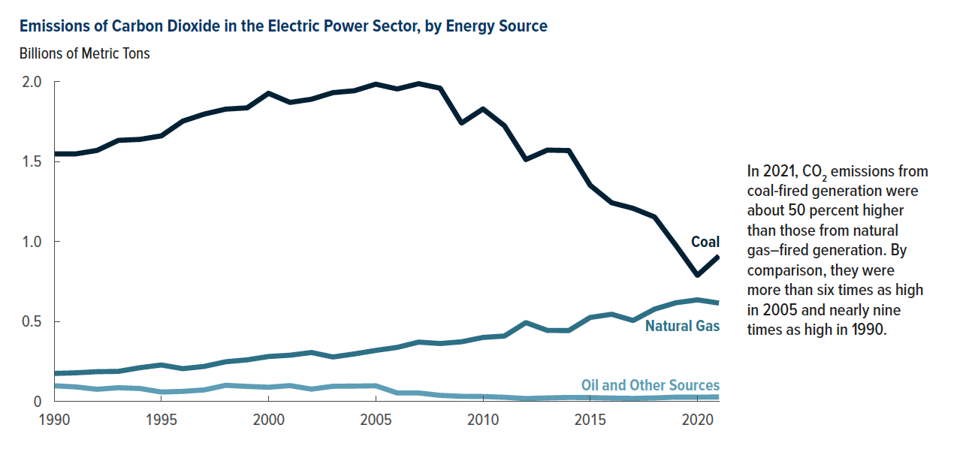
Figure 4. Emissions of Carbon Dioxide in the Electric Power Sector, by Energy Source
Billions of Metric Tons

Year | Coal | Natural Gas | Oil and Other Sources
1990 | 1.55 | 0.18 | 0.10
1991 | 1.55 | 0.18 | 0.10
1992 | 1.57 | 0.19 | 0.08
1993 | 1.63 | 0.19 | 0.10
1994 | 1.64 | 0.21 | 0.09
1995 | 1.66 | 0.23 | 0.07
1996 | 1.75 | 0.21 | 0.07
1997 | 1.80 | 0.22 | 0.08
1998 | 1.83 | 0.25 | 0.11
1999 | 1.84 | 0.26 | 0.10
2000 | 1.93 | 0.28 | 0.10
2001 | 1.87 | 0.29 | 0.11
2002 | 1.89 | 0.31 | 0.09
2003 | 1.93 | 0.28 | 0.11
2004 | 1.94 | 0.30 | 0.11
2005 | 1.98 | 0.32 | 0.11
2006 | 1.95 | 0.34 | 0.07
2007 | 1.99 | 0.37 | 0.07
2008 | 1.96 | 0.36 | 0.05
2009 | 1.74 | 0.37 | 0.04
2010 | 1.83 | 0.40 | 0.04
2011 | 1.72 | 0.41 | 0.04
2012 | 1.51 | 0.49 | 0.03
2013 | 1.57 | 0.44 | 0.03
2014 | 1.57 | 0.44 | 0.04
2015 | 1.35 | 0.53 | 0.04
2016 | 1.24 | 0.55 | 0.03
2017 | 1.21 | 0.51 | 0.03
2018 | 1.15 | 0.58 | 0.03
2019 | 0.97 | 0.62 | 0.03
2020 | 0.79 | 0.64 | 0.03
2021 | 0.91 | 0.62 | 0.03

Back to Table of Contents

Figure 5
This file presents the data underlying the figures in CBO's December 2022 report Emissions of Carbon Dioxide in the Electric Power Sector.
www.cbo.gov/publication/58419

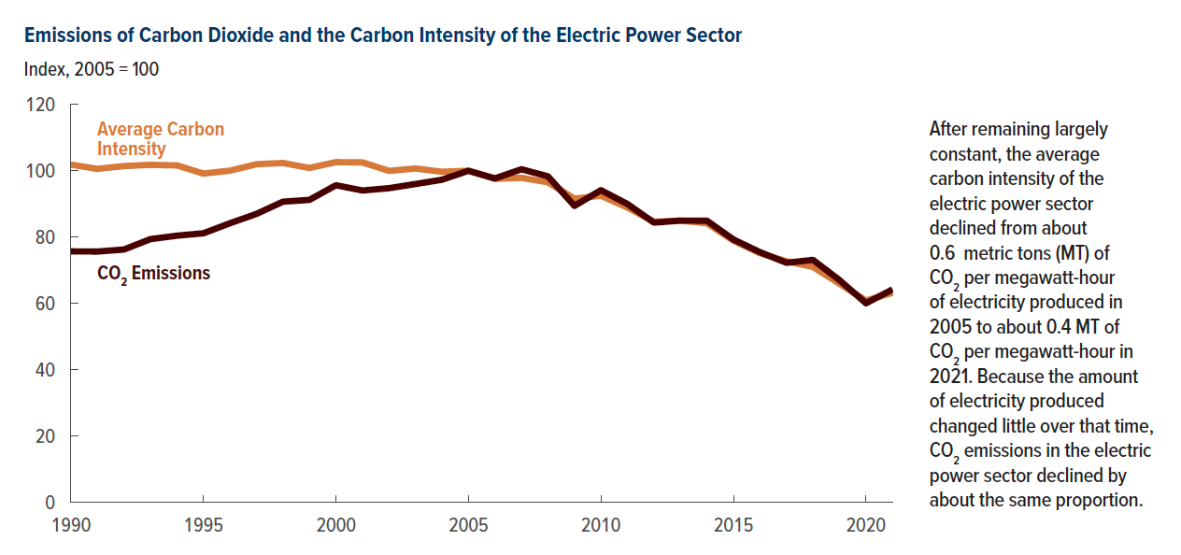
Figure 5. Emissions of Carbon Dioxide and the Carbon Intensity of the Electric Power Sector
Index, 2005 = 100

Year | CO2 Emissions | Average Carbon Intensity
1990 | 75.71 | 101.83
1991 | 75.66 | 100.58
1992 | 76.27 | 101.42
1993 | 79.41 | 101.80
1994 | 80.44 | 101.63
1995 | 81.17 | 99.16
1996 | 84.19 | 100.04
1997 | 87.00 | 101.97
1998 | 90.69 | 102.35
1999 | 91.23 | 100.85
2000 | 95.65 | 102.60
2001 | 94.06 | 102.52
2002 | 94.76 | 99.98
2003 | 96.01 | 100.68
2004 | 97.30 | 99.70
2005 | 100.00 | 100.00
2006 | 97.70 | 97.56
2007 | 100.46 | 97.87
2008 | 98.33 | 96.54
2009 | 89.44 | 91.61
2010 | 94.15 | 92.48
2011 | 89.98 | 88.93
2012 | 84.38 | 84.64
2013 | 84.99 | 84.96
2014 | 84.95 | 84.20
2015 | 79.29 | 78.94
2016 | 75.48 | 75.17
2017 | 72.27 | 72.73
2018 | 73.17 | 71.05
2019 | 67.09 | 66.01
2020 | 60.14 | 60.94
2021 | 64.39 | 63.41

Back to Table of Contents

Figure 6
This file presents the data underlying the figures in CBO's December 2022 report Emissions of Carbon Dioxide in the Electric Power Sector.
www.cbo.gov/publication/58419

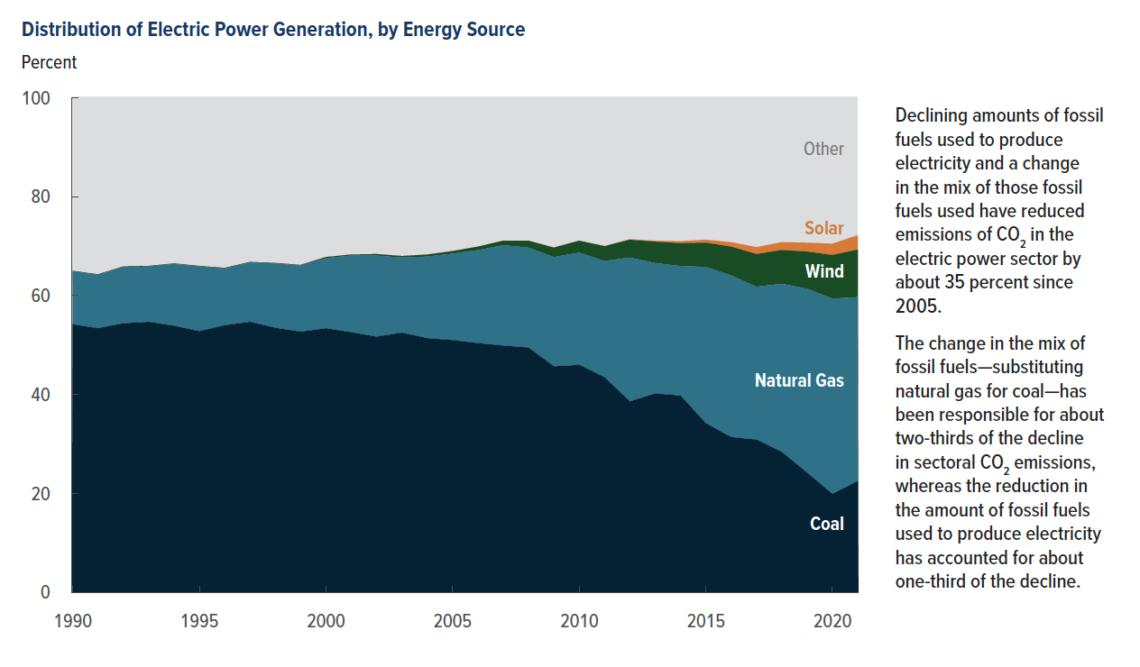
Figure 6. Distribution of Electric Power Generation, by Energy Source
Percent

Year | Coal | Natural Gas | Wind | Solar | Other
1990 | 54.2 | 10.7 | 0.1 |  | 35.0
1991 | 53.4 | 10.8 | 0.1 |  | 35.7
1992 | 54.4 | 11.4 | 0.1 |  | 34.1
1993 | 54.7 | 11.2 | 0.1 |  | 34.0
1994 | 53.9 | 12.5 | 0.1 |  | 33.5
1995 | 52.8 | 13.1 | 0.1 |  | 34.0
1996 | 54.0 | 11.5 | 0.1 |  | 34.4
1997 | 54.7 | 12.0 | 0.1 |  | 33.2
1998 | 53.5 | 13.0 | 0.1 |  | 33.4
1999 | 52.7 | 13.4 | 0.1 |  | 33.8
2000 | 53.4 | 14.2 | 0.2 |  | 32.2
2001 | 52.6 | 15.5 | 0.2 |  | 31.7
2002 | 51.7 | 16.4 | 0.3 |  | 31.6
2003 | 52.5 | 15.2 | 0.3 |  | 32.0
2004 | 51.4 | 16.5 | 0.4 |  | 31.7
2005 | 51.0 | 17.5 | 0.5 |  | 31.0
2006 | 50.4 | 18.8 | 0.7 |  | 30.1
2007 | 49.9 | 20.3 | 0.9 |  | 28.9
2008 | 49.5 | 20.2 | 1.4 |  | 28.9
2009 | 45.7 | 22.1 | 1.9 |  | 30.3
2010 | 46.0 | 22.7 | 2.4 |  | 28.9
2011 | 43.5 | 23.5 | 3.0 |  | 30.0
2012 | 38.6 | 29.1 | 3.6 | 0.1 | 28.6
2013 | 40.2 | 26.4 | 4.3 | 0.2 | 28.9
2014 | 39.8 | 26.2 | 4.6 | 0.4 | 29.0
2015 | 34.2 | 31.6 | 4.9 | 0.6 | 28.7
2016 | 31.4 | 32.7 | 5.8 | 0.9 | 29.2
2017 | 30.9 | 30.9 | 6.6 | 1.4 | 30.2
2018 | 28.4 | 34.0 | 6.8 | 1.6 | 29.2
2019 | 24.2 | 37.3 | 7.5 | 1.8 | 29.2
2020 | 19.9 | 39.5 | 8.8 | 2.3 | 29.5
2021 | 22.5 | 37.2 | 9.6 | 2.9 | 27.8

Back to Table of Contents

Figure 7
This file presents the data underlying the figures in CBO's December 2022 report Emissions of Carbon Dioxide in the Electric Power Sector.
www.cbo.gov/publication/58419

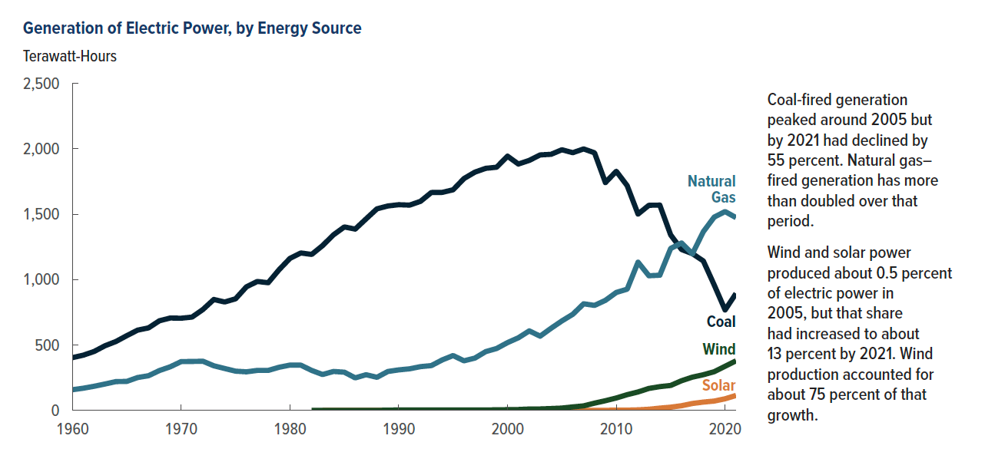
Figure 7. Generation of Electric Power, by Energy Source
Terawatt-Hours

Year | Coal | Natural Gas | Wind | Solar
1960 | 403.07 | 157.97
1961 | 421.87 | 169.29
1962 | 450.25 | 184.30
1963 | 493.93 | 201.60
1964 | 526.23 | 220.04
1965 | 570.93 | 221.56
1966 | 613.48 | 251.15
1967 | 630.48 | 264.81
1968 | 684.91 | 304.43
1969 | 706.00 | 333.28
1970 | 704.39 | 372.89
1971 | 713.10 | 374.03
1972 | 771.13 | 375.75
1973 | 847.65 | 340.86
1974 | 828.43 | 320.07
1975 | 852.79 | 299.78
1976 | 944.39 | 294.62
1977 | 985.22 | 305.51
1978 | 975.74 | 305.39
1979 | 1075.04 | 329.49
1980 | 1161.56 | 346.24
1981 | 1203.20 | 345.78
1982 | 1192.00 | 305.26
1983 | 1259.42 | 274.10 | 0.00
1984 | 1341.68 | 297.39 | 0.01 | 0.01
1985 | 1402.13 | 291.95 | 0.01 | 0.01
1986 | 1385.83 | 248.51 | 0.00 | 0.01
1987 | 1463.78 | 272.62 | 0.00 | 0.01
1988 | 1540.65 | 252.80 | 0.00 | 0.01
1989 | 1562.37 | 297.30 | 2.11 | 0.25
1990 | 1572.11 | 309.49 | 2.79 | 0.37
1991 | 1568.85 | 317.77 | 2.95 | 0.47
1992 | 1597.71 | 334.27 | 2.89 | 0.40
1993 | 1665.46 | 342.22 | 3.01 | 0.46
1994 | 1666.28 | 385.69 | 3.45 | 0.49
1995 | 1686.06 | 419.18 | 3.16 | 0.50
1996 | 1771.97 | 378.76 | 3.23 | 0.52
1997 | 1820.76 | 399.60 | 3.29 | 0.51
1998 | 1850.19 | 449.29 | 3.03 | 0.50
1999 | 1858.62 | 473.00 | 4.49 | 0.50
2000 | 1943.11 | 517.98 | 5.59 | 0.49
2001 | 1882.83 | 554.94 | 6.74 | 0.54
2002 | 1910.61 | 607.68 | 10.35 | 0.56
2003 | 1952.71 | 567.30 | 11.19 | 0.53
2004 | 1957.19 | 627.17 | 14.14 | 0.58
2005 | 1992.05 | 683.83 | 17.81 | 0.55
2006 | 1969.74 | 734.42 | 26.59 | 0.51
2007 | 1998.39 | 814.75 | 34.45 | 0.61
2008 | 1968.84 | 802.37 | 55.36 | 0.86
2009 | 1741.12 | 841.01 | 73.89 | 0.89
2010 | 1827.74 | 901.39 | 94.64 | 1.21
2011 | 1717.89 | 926.29 | 120.12 | 1.73
2012 | 1500.56 | 1132.79 | 140.75 | 4.16
2013 | 1567.72 | 1028.95 | 167.74 | 8.72
2014 | 1568.77 | 1033.20 | 181.50 | 17.30
2015 | 1340.99 | 1238.84 | 190.55 | 24.46
2016 | 1229.66 | 1280.34 | 226.79 | 35.50
2017 | 1197.84 | 1198.01 | 254.07 | 52.72
2018 | 1142.17 | 1368.53 | 272.40 | 63.25
2019 | 958.73 | 1479.86 | 295.60 | 71.27
2020 | 767.70 | 1522.30 | 337.15 | 88.51
2021 | 892.80 | 1473.64 | 378.63 | 113.87

Back to Table of Contents

Figure 8
This file presents the data underlying the figures in CBO's December 2022 report Emissions of Carbon Dioxide in the Electric Power Sector.
www.cbo.gov/publication/58419

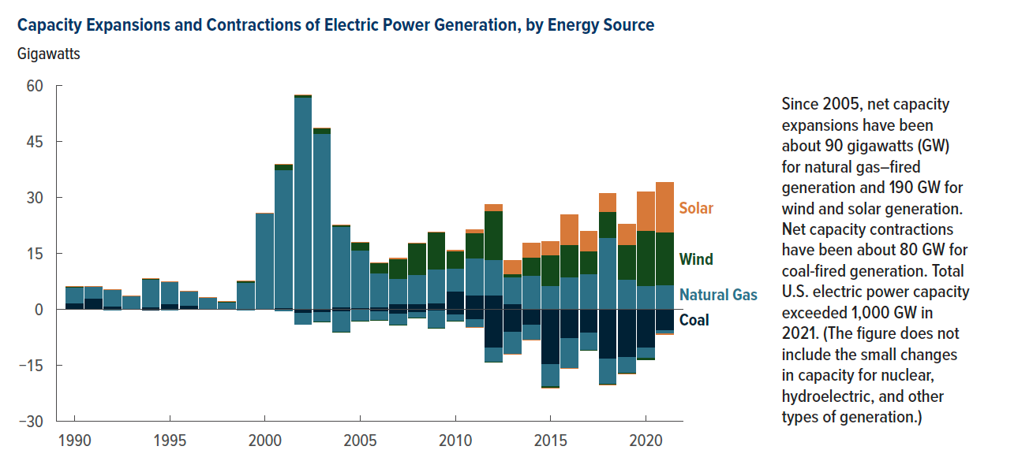
Figure 8. Capacity Expansions and Contractions of Electric Power Generation, by Energy Source
Gigawatts

 | Expansions |  |  |  | Contractions
Year | Coal | Natural Gas | Wind | Solar | Coal | Natural Gas | Wind | Solar
1990 | 1.705 | 4.224 | 0.083 | 0.088 |  | -0.032
1991 | 2.921 | 3.091
1992 | 0.900 | 4.430 | 0.007 |  |  | -0.194
1993 | 0.134 | 3.397 | 0.004 |  | -0.080
1994 | 0.534 | 7.568 | 0.060 |  | -0.232
1995 | 1.353 | 5.955 |  |  | -0.145 | -0.050
1996 | 1.052 | 3.753 |  |  | -0.003 | -0.004
1997 | 0.078 | 3.072 | 0.019 |  |  | -0.042
1998 | 0.053 | 1.913 | 0.165 |  |  | -0.041
1999 | 0.180 | 6.901 | 0.514 |  | -0.131 | -0.065
2000 | 0.120 | 25.654 | 0.034 |  | -0.034 | -0.069
2001 | 0.440 | 36.907 | 1.506 | 0.004 | -0.051 | -0.336
2002 |  | 56.748 | 0.656 | 0.003 | -1.056 | -2.972
2003 | 0.085 | 46.899 | 1.636 |  | -0.875 | -2.530 | -0.007
2004 | 0.521 | 21.678 | 0.376 |  | -0.563 | -5.598 | -0.030
2005 | 0.373 | 15.404 | 2.160 | 0.002 | -0.272 | -2.937 | -0.005
2006 | 0.524 | 9.215 | 2.625 | 0.002 | -0.754 | -2.138 | -0.009
2007 | 1.421 | 6.760 | 5.333 | 0.100 | -1.241 | -3.067 | -0.008
2008 | 1.473 | 7.701 | 8.473 | 0.032 | -0.794 | -1.462 | -0.002
2009 | 1.750 | 8.976 | 9.945 | 0.101 | -0.548 | -4.515 | -0.002
2010 | 4.744 | 6.152 | 4.663 | 0.235 | -1.485 | -1.801 | -0.002
2011 | 3.828 | 9.903 | 6.833 | 0.779 | -2.739 | -2.135 | -0.037 | -0.004
2012 | 3.734 | 9.452 | 13.248 | 1.605 | -10.432 | -3.644 | -0.012
2013 | 1.528 | 7.040 | 0.864 | 3.542 | -6.062 | -5.894 | -0.015 | -0.003
2014 |  | 9.059 | 4.948 | 3.763 | -4.295 | -3.926 | -0.096 | -0.008
2015 |  | 6.390 | 8.235 | 3.534 | -14.866 | -5.781 | -0.412 | -0.045
2016 |  | 8.617 | 8.750 | 8.007 | -7.906 | -8.017 | -0.043 | -0.004
2017 |  | 9.570 | 6.068 | 5.178 | -6.310 | -4.666 | -0.058 | 0.000
2018 |  | 19.278 | 6.893 | 4.899 | -13.304 | -6.884 | -0.001 | -0.002
2019 |  | 7.982 | 9.272 | 5.568 | -12.903 | -4.215 | -0.131 | -0.008
2020 | 0.017 | 6.364 | 14.665 | 10.467 | -10.457 | -2.749 | -0.251
2021 |  | 6.612 | 13.991 | 13.371 | -5.647 | -0.926 | -0.020 | -0.270

Back to Table of Contents

Figure 9
This file presents the data underlying the figures in CBO's December 2022 report Emissions of Carbon Dioxide in the Electric Power Sector.
www.cbo.gov/publication/58419

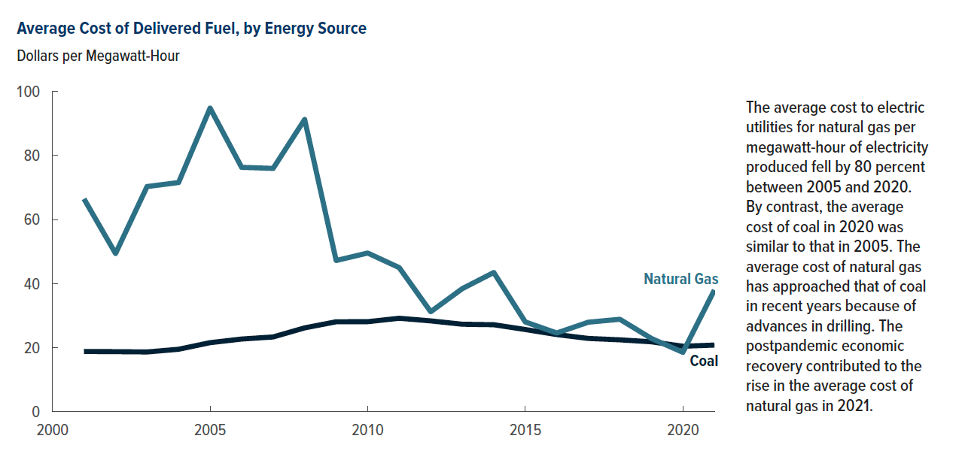
Figure 9. Average Cost of Delivered Fuel, by Energy Source
Dollars per Megawatt-Hour

Year | Coal | Natural Gas
2000
2001 | 18.84 | 66.44
2002 | 18.77 | 49.41
2003 | 18.67 | 70.30
2004 | 19.51 | 71.56
2005 | 21.57 | 94.79
2006 | 22.71 | 76.31
2007 | 23.35 | 75.97
2008 | 26.19 | 91.23
2009 | 28.09 | 47.21
2010 | 28.12 | 49.55
2011 | 29.19 | 45.00
2012 | 28.37 | 31.22
2013 | 27.33 | 38.43
2014 | 27.17 | 43.47
2015 | 25.68 | 28.04
2016 | 24.10 | 24.59
2017 | 22.89 | 27.96
2018 | 22.46 | 28.88
2019 | 21.84 | 22.90
2020 | 20.46 | 18.56
2021 | 20.81 | 37.99

Back to Table of Contents

Figure 10
This file presents the data underlying the figures in CBO's December 2022 report Emissions of Carbon Dioxide in the Electric Power Sector.
www.cbo.gov/publication/58419

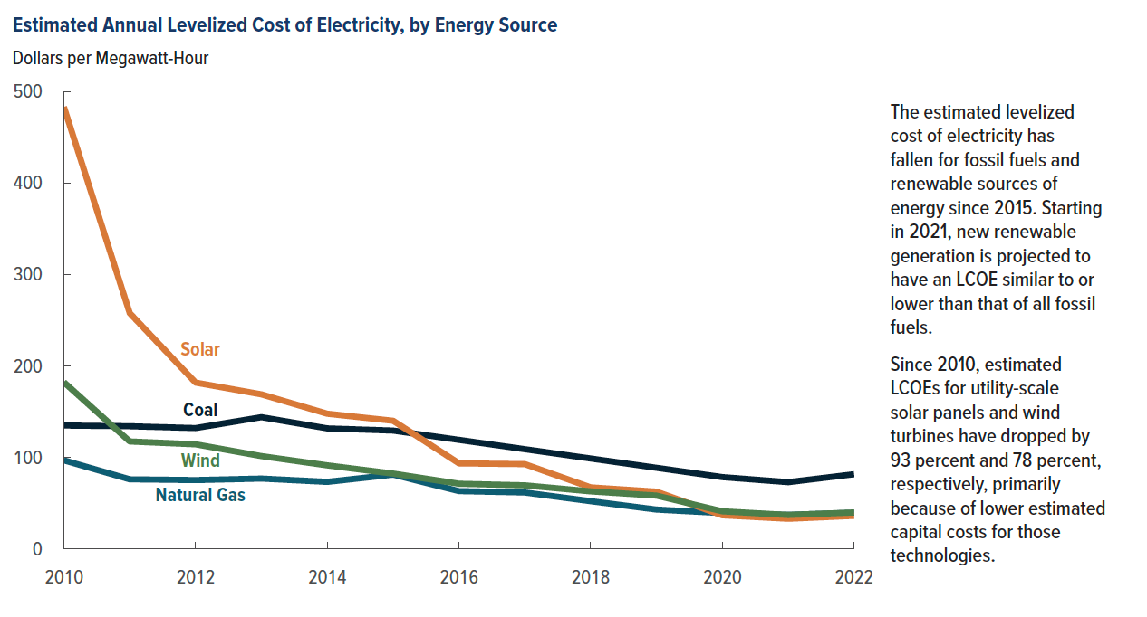
Figure 10. Estimated Annual Levelized Cost of Electricity, by Energy Source
Dollars per Megawatt-Hour

Year | Coal | Natural Gas | Wind | Solar
2010 | 134.72 | 96.68 | 182.03 | 482.93
2011 | 133.90 | 75.92 | 117.30 | 257.55
2012 | 131.91 | 75.05 | 114.19 | 181.63
2013 | 143.85 | 76.72 | 101.28 | 168.77
2014 | 131.59 | 73.12 | 91.17 | 147.60
2015 | 129.19 | 81.06 | 82.18 | 139.91
2016 | 119.02 | 63.03 | 71.08 | 93.34
2017 | 108.85 | 61.50 | 69.34 | 92.52
2018 | 98.67 | 52.03 | 62.76 | 67.11
2019 | 88.50 | 42.85 | 58.14 | 62.40
2020 | 78.33 | 39.01 | 40.94 | 36.62
2021 | 72.78 | 37.11 | 36.93 | 32.78
2022 | 81.49 | 39.40 | 39.69 | 36.00

Back to Table of Contents

Figure 11
This file presents the data underlying the figures in CBO's December 2022 report Emissions of Carbon Dioxide in the Electric Power Sector.
www.cbo.gov/publication/58419

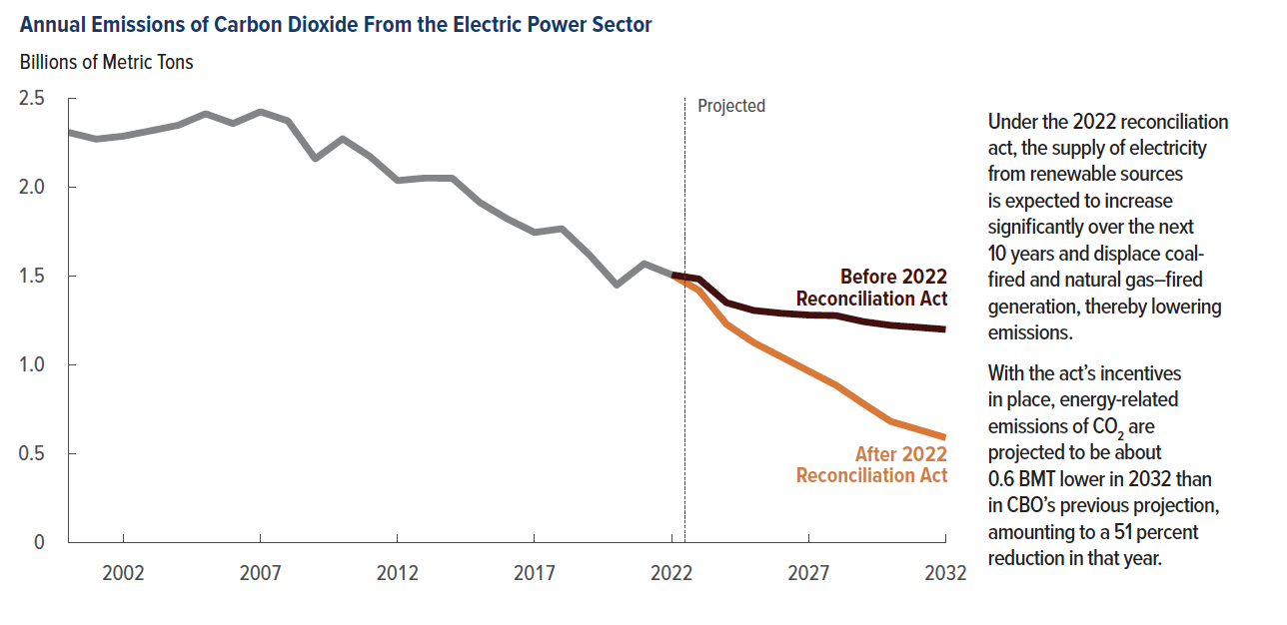
Figure 11. Annual Emissions of Carbon Dioxide From the Electric Power Sector
Billions of Metric Tons
 |  | Before 2022 Reconciliation Act | After 2022 Reconciliation Act
Year | Reference
2000 | 2.306
2001 | 2.268
2002 | 2.285
2003 | 2.315
2004 | 2.346
2005 | 2.411
2006 | 2.356
2007 | 2.422
2008 | 2.371
2009 | 2.157
2010 | 2.270
2011 | 2.170
2012 | 2.035
2013 | 2.049
2014 | 2.048
2015 | 1.912
2016 | 1.820
2017 | 1.743
2018 | 1.764
2019 | 1.617
2020 | 1.447
2021 | 1.567
2022 | 1.505
2023 |  | 1.481 | 1.417
2024 |  | 1.348 | 1.227
2025 |  | 1.304 | 1.123
2026 |  | 1.288 | 1.043
2027 |  | 1.278 | 0.963
2028 |  | 1.275 | 0.883
2029 |  | 1.241 | 0.779
2030 |  | 1.220 | 0.679
2031 |  | 1.209 | 0.634
2032 |  | 1.197 | 0.588

Back to Table of Contents

Figure 12
This file presents the data underlying the figures in CBO's December 2022 report Emissions of Carbon Dioxide in the Electric Power Sector.
www.cbo.gov/publication/58419

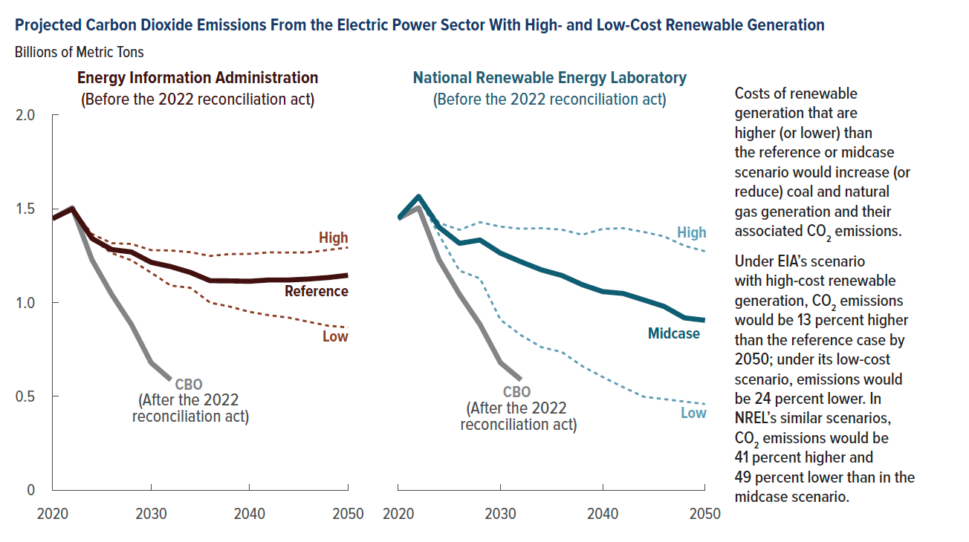
Figure 12. Projected Carbon Dioxide Emissions From the Electric Power Sector With High- and Low-Cost Renewable Generation
Billions of Metric Tons

 | Energy Information Administration |  |  | National Renewable Energy Laboratory
Year | Reference | High | Low | Mid-Case | High | Low | CBO
2020 | 1.447 | 1.447 | 1.447 | 1.447 | 1.447 | 1.447 | 1.447
2022 | 1.498 | 1.501 | 1.500 | 1.565 | 1.568 | 1.557 | 1.505
2024 | 1.341 | 1.365 | 1.339 | 1.401 | 1.424 | 1.360 | 1.227
2026 | 1.282 | 1.316 | 1.263 | 1.315 | 1.387 | 1.169 | 1.043
2028 | 1.269 | 1.312 | 1.225 | 1.333 | 1.428 | 1.128 | 0.883
2030 | 1.214 | 1.279 | 1.159 | 1.263 | 1.404 | 0.908 | 0.679
2032 | 1.191 | 1.277 | 1.090 | 1.217 | 1.393 | 0.826 | 0.588
2034 | 1.16 | 1.268 | 1.078 | 1.174 | 1.396 | 0.762
2036 | 1.116 | 1.248 | 0.999 | 1.144 | 1.388 | 0.736
2038 | 1.115 | 1.258 | 0.978 | 1.095 | 1.361 | 0.661
2040 | 1.113 | 1.259 | 0.95 | 1.058 | 1.392 | 0.603
2042 | 1.12 | 1.267 | 0.932 | 1.048 | 1.396 | 0.549
2044 | 1.12 | 1.266 | 0.919 | 1.014 | 1.376 | 0.498
2046 | 1.125 | 1.267 | 0.897 | 0.979 | 1.352 | 0.485
2048 | 1.133 | 1.28 | 0.876 | 0.918 | 1.302 | 0.472
2050 | 1.145 | 1.293 | 0.867 | 0.905 | 1.273 | 0.459

Back to Table of Contents

