Must-Have
Requirement | Expected result | Actual result | Description | Remark
Two phone books initialized on start up | On starting the console application, there should be 2 phone books initialized | 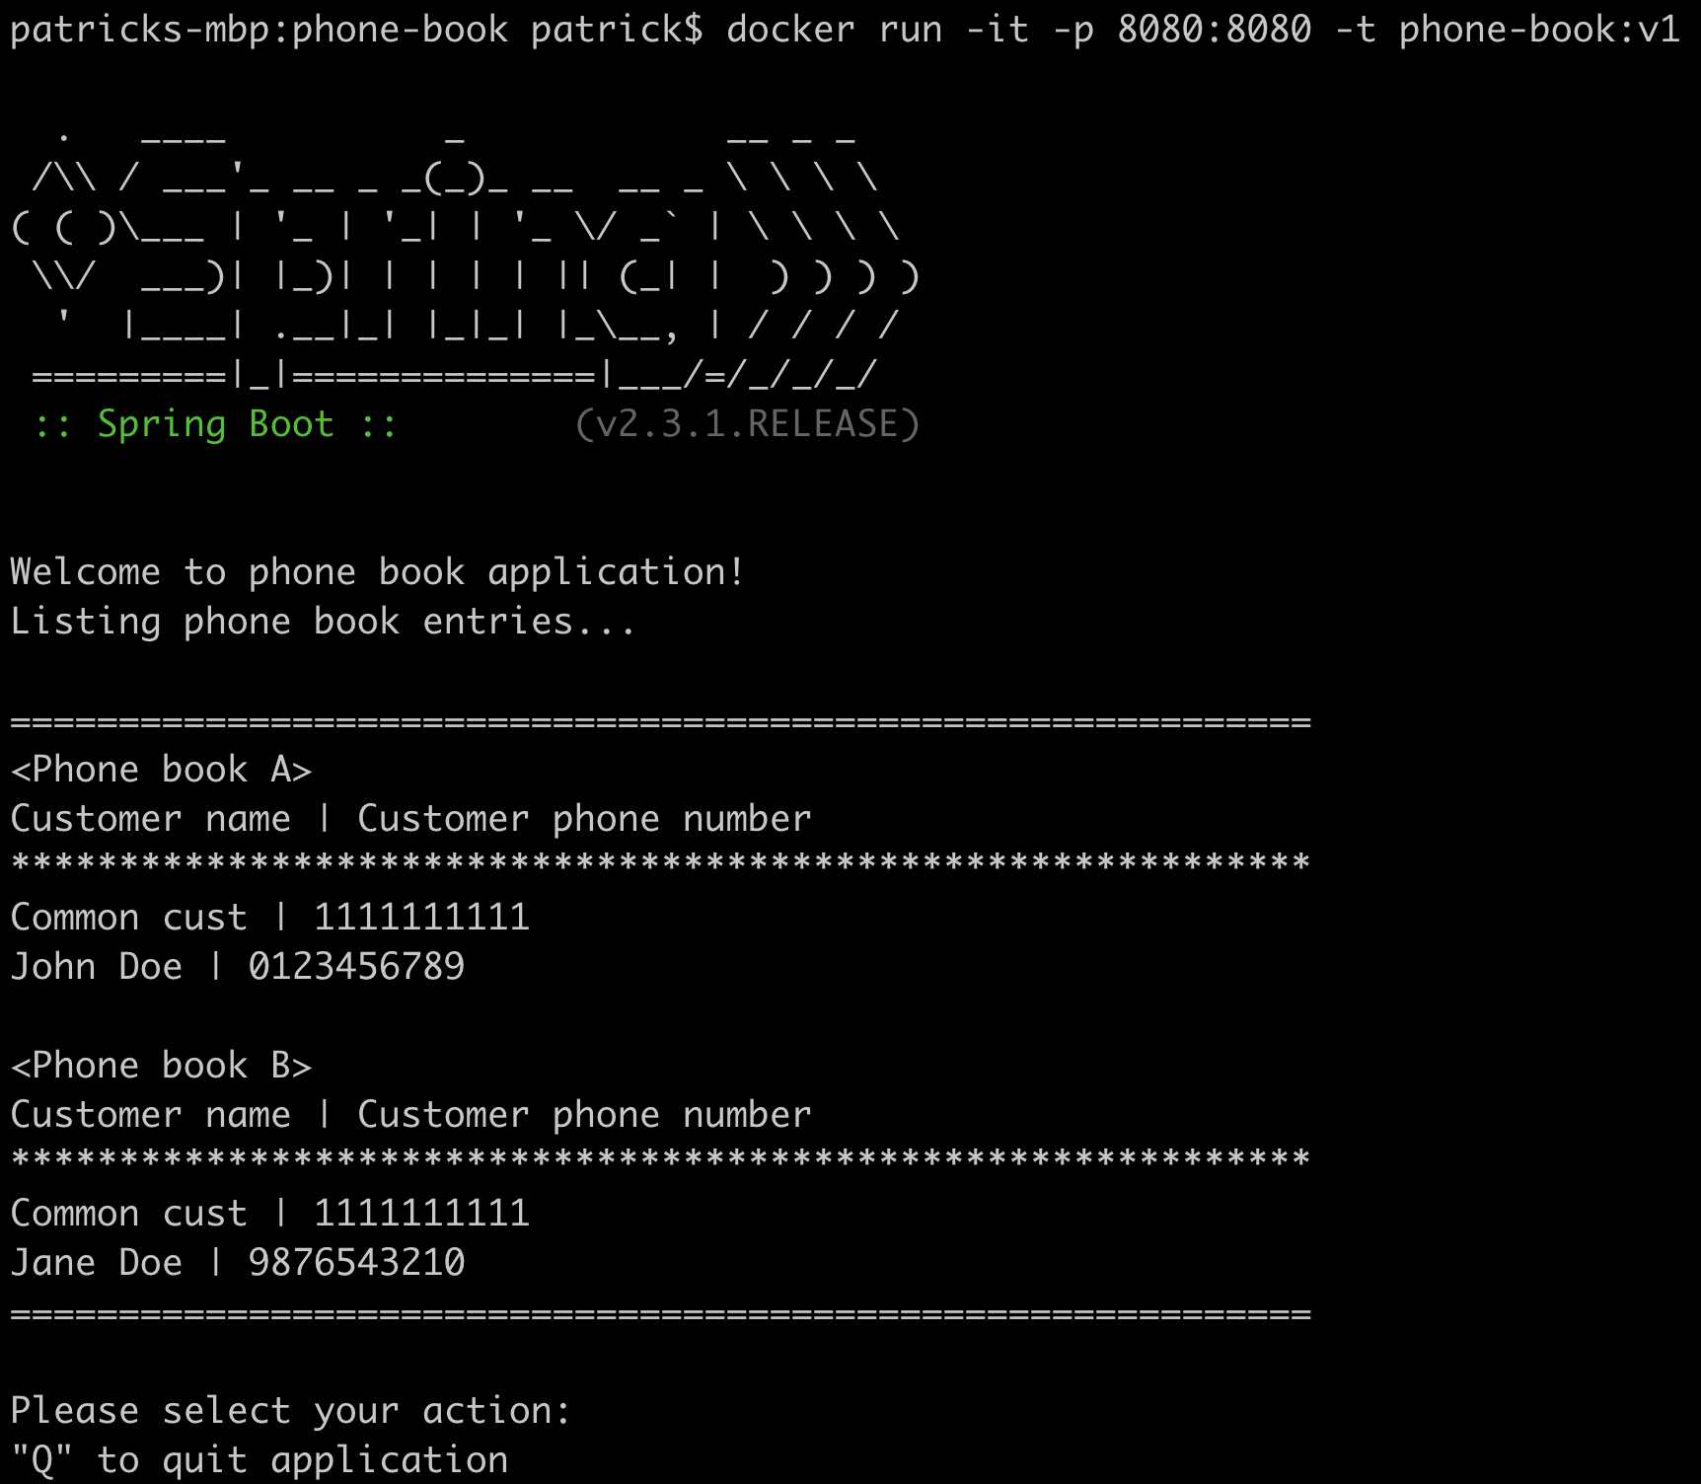 | 2 phone books are initialized upon console application start up
Address book should hold name and phone numbers of contact entries | The phone books show a list of customer s with their phone number | DITTO | The 2 phone books are showing a list of customers and their phone numbers
CREATE - Users should be able to add a new contact entry to an existing address book
READ - Users should be able to retrieve a unique set of all contacts across multiple address books
DELETE - Users should be able to remove an existing contact entry from an existing address book
Data should only be persisted in memory | No data should be kept upone console application termination | 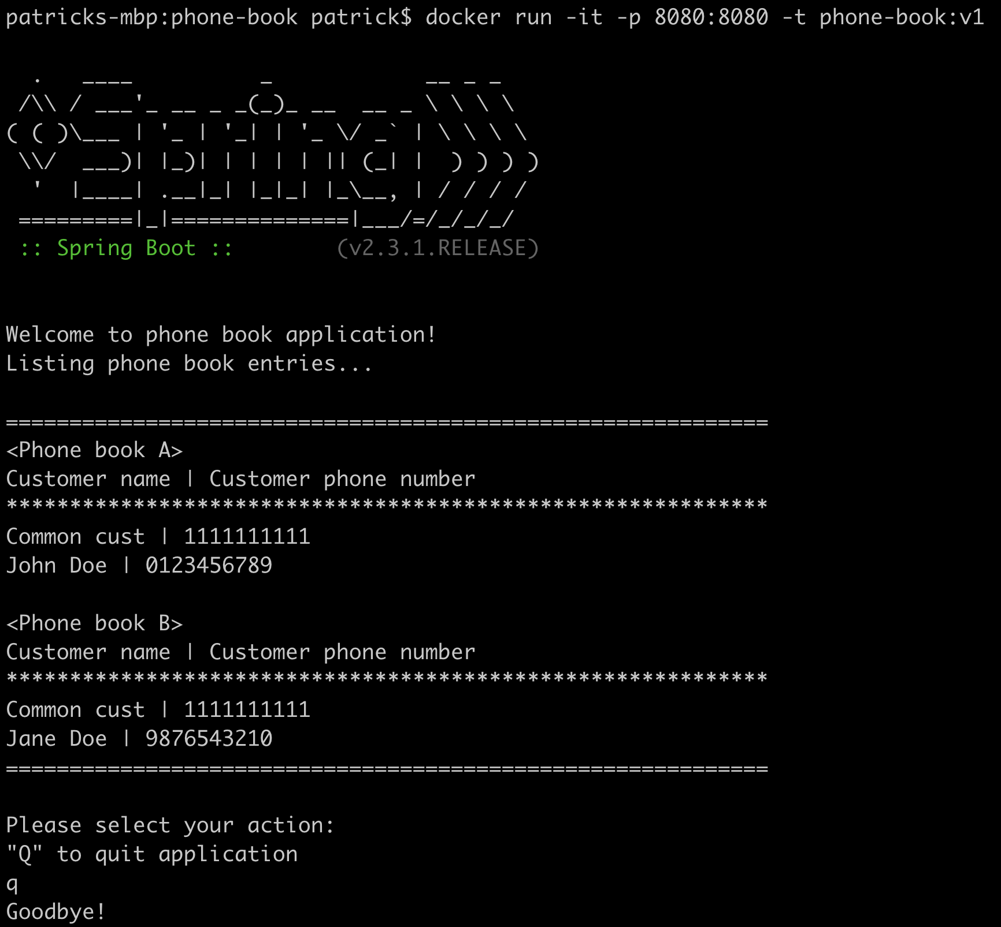 | Phone book data is only persisted in memory, and is lost upon termination of application

