Sheet1
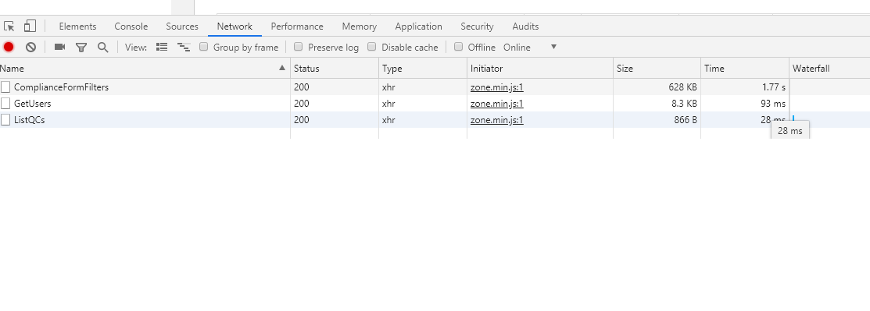
 | Convertion to millseconds |  | milliseconds
 | second | 3.18 | 3180
 | minute | 26.18 | 1570800
 | hour | 1 | 3600000

 | start | Expected | Comments | 23-Apr-2019 - 15:55 | 24-Apr-2019 - 10:10 | 24-Apr-2019 - 11:33 | 4/25/19 | 4/25/19 | 4/25/19 | 4/30/19 | 4/30/19 | 4/30/19 | 4/30/19 | 4/30/19 | 4/30/19 | 4/30/19 | 5/2/19 | 4/3/19 | 19-Jun-19
 | end |  |  |  |  |  |  |  |  |  |  |  |  |  |  |  | 5/2/19
Server CPU min |  |  |  | 60 | 70 |  | 92 | 94 | 1 | 3 | 50 | 4 | 1 | 2 | 5 | 92 | 2 | 4 | 31
Server CPI max |  | <85% |  |  |  |  | 95 | 95 | 6 | 20 | 92 | 20 | 15 | 25 | 45 | 96 | 4 | 15 | 0
Server Memory - min |  |  |  | 60 | 60 |  | 95 | 47 | 69 | 49 | 45 | 42 | 42 | 40 | 40 | 60 | 29 | 65 | 24
Server Memory - max |  | <85% |  |  |  |  | 95 | 96 | 69 | 49 | 46 | 45 | 42 | 84 | 50 | 60 | 64 | 67 | 8
 |  |  |  |  |  |  |  |  |  |  |  |  |  |  |  |  |  |  | Service unavialble - unable to login.
DDAS.iconplc.com | to Login page - build.js | <1000 ms | Delivered from Cache |  | 275 | 0 | 511 | 0 | 352 | 116 | 0 | 481 | 366 | 407 | 0 | 0 |  | 415
Login | GetMyReviewPendingPrinciaplInvestigator | <4000 ms |  | 9 | 11 | 11 | 11.27 | 1210 | 10 | 9 | 62 | 10 | 14 | 47 | 20 | 70 | 14 | 11
 | GetDataExtractionErrorSiteCount | <30000 ms | This is a background operation one time per login | 23240 | 24140 | 24150 | 342000 | x | 26900 | 23710 | 43100 | 30000 | 23840 | 29500 | 29440 | 41290 | 24090 | 26180
QualityCheck | ListQCs | <6000 ms |  | 25 | 42 | 58 | 804 | x | 47 | 58 | 1720 | 83 | 48 | 58 | 88 | 36 | 62 | 59
CompletedICSFs | ComplianceFormFilters | <6000 ms |  | 5440 | 3300 | 1930 | x | x | 4140 | 1960 | 3890 | 2030 | 2950 | 1980 | 9100 | 7900 | 2450 | 3180
 | GetUsers | <6000 ms |  | 4260 | 834 | 97 | x | x | 876 | 84 | 651 | 90 | 85 | 87 |  | 1330 | 84 | 121
Users | GetUsers | <6000 ms |  | 98 | 947 | 59 | x | x | 53 | 51 | 54 | 46 | 98 | 54 |  | 397 | 422 | 703

Notes |  |  |  |  |  |  | Slow | Slow |  | Fast | Normal | Fast | Fast | Fast | Normal | Normal | Fast
DDAS Team Experience |  |  |  |  |  |  | Slow | Slow |  |  |  |  |  |  |  |  | Slow - email received at 15:48

