DDAS Proposed Output File
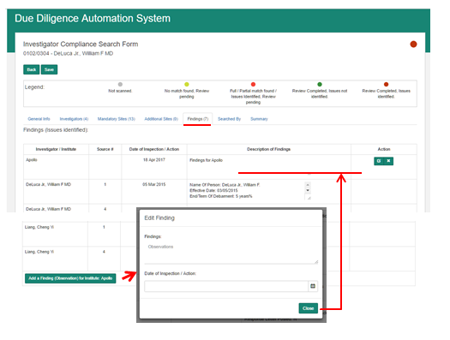
Fields | Fields are read from | Query
Lead/Investigator ID | Investigator ID in compliance form
Member ID | Member ID in compliance form
First Name | First Name of investigator
Last Name | Last Name of investigator
FOI Done | 1 (by default)
Date FOI done | Same as Date Due diligence check completed
Date Due Diligence Check Completed | The date when the review is completed for the respective Invesigator.
Worldcheck Completed | picked from Date of inspection from findings for World Check site
Inv. Worldcheck Completed | 1 (by default)
Date Inv. Worldcheck completed | same as Worldcheck completed
Inst. WorldCheck Completed | 1 (by default)
Date Inst. Worldcheck Completed | Date of Inspection of Institute Finding. - A button 'Add a Finding (Observation) for Institute <Name of Institute>' is available (screen shot attached for reference) under the Findings Tab. The Institute Name is derived from the Institute Name of the Compliance Form. These findings are applicable for the Compliance Form (or all Investigators).
Institute Compliance issue | Yes' If a Institute Finding is added to the compliance form
Date 9002 DMC check | Picked from the date of inspection from findings for Pfizer DMC Checks site, will be blank if no findings are added or the site is not attached | In case of multiple findings, each having its own date of inspection, which date should be considered?
9002 DMC Exclusion | Yes' if a finding is added for Pfizer DMC Checks site, will be blank if no findings are added or the site is not attached

