ex SEA to MEL BNE ADL
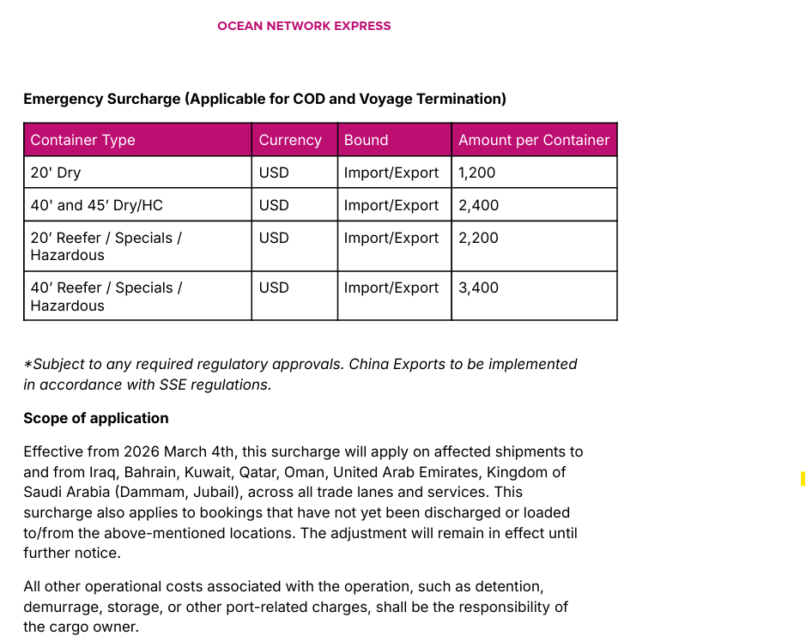
ONE Minimum Rate Guideline - Tier 1
Validity: | 01 May 2026 to 14 May 2026 |  |  |  |  |  |  |  |  |  |  |  |  | ISSUE DATE: 23 Apr 2026
Origin Country | POR | POD | Service | 20' | 40' | 40'HC | 20'RF | 40'RF | 20'RF | 40'RF | 20'RAD | 40'RAD | 20'RAD | 40'RAD
 |  |  |  | AUBNE/AUMEL/AUADL |  |  | AUBNE/AUMEL |  | AUADL | AUADL | AUBNE/AUMEL |  | AUADL | AUADL
 |  |  |  | USD | USD | USD | USD | USD | USD | USD | USD | USD | USD | USD
Malaysia | Tanjung Pelepas | Brisbane / Melbourne / Adelaide | AU1 / AU2 | $625 | $1,250 | $1,250 | $1,075 | $1,950 | $1,075 | $1,950 | $600 | $1,075
 | Port Klang | Brisbane / Melbourne / Adelaide | AU1 / AU2 | $625 | $1,250 | $1,250 | $1,075 | $1,950 | $1,075 | $1,950 | $600 | $1,075
 | Penang | Brisbane / Melbourne / Adelaide | AU1 | $725 | $1,450 | $1,450 | $1,125 | $2,050 | $1,125 | $2,050 | $700 | $1,225
 | Pasir Gudang | Brisbane / Melbourne / Adelaide | AU1 | $775 | $1,550 | $1,550 | $1,275 | $2,350 | $1,275 | $2,350 | $750 | $1,325
 | Kuantan | Brisbane / Melbourne / Adelaide | AU1 | $925 | $1,750 | $1,750
 | Bintulu | Brisbane / Melbourne / Adelaide | AU1 | $975 | $1,950 | $1,950
 | Kuching | Brisbane / Melbourne / Adelaide | AU1 | $975 | $1,950 | $1,950
Brunei | Muara | Brisbane / Melbourne / Adelaide | AU1 | $1,275 | $2,550 | $2,550
Singapore | Singapore | Brisbane / Melbourne / Adelaide | AU1 / AU2 | $625 | $1,250 | $1,250 | $1,075 | $1,950 | $1,075 | $1,950 | $600 | $1,075
Thailand | Bangkok | Brisbane / Melbourne / Adelaide | AU1 | $775 | $1,550 | $1,550 | $1,175 | $1,950 | $1,175 | $1,950 | $750 | $1,325
 | Laem Chabang | Brisbane / Melbourne / Adelaide | AU1 | $600 | $1,200 | $1,200 | $1,000 | $1,650 | $1,000 | $1,650 | $575 | $1,025
 | Lat Krabang | Brisbane / Melbourne / Adelaide | AU1 | $700 | $1,350 | $1,350 | $1,100 | $1,750 | $1,100 | $1,750 | $675 | $1,150
 | Songkhla | Brisbane / Melbourne / Adelaide | AU1 | $775 | $1,550 | $1,550
Indonesia | Jakarta | Brisbane / Melbourne / Adelaide | AU2 | $775 | $1,550 | $1,550 | $1,175 | $2,050 | $1,175 | $2,050 | $750 | $1,325
 | Surabaya | Brisbane / Melbourne / Adelaide | AU1 / AU2 | $775 | $1,550 | $1,550 | $1,175 | $2,050 | $1,175 | $2,050 | $750 | $1,325
 | Semarang | Brisbane / Melbourne / Adelaide | AU1 / AU2 | $825 | $1,650 | $1,650 | $1,225 | $2,150 | $1,225 | $2,150 | $800 | $1,400
 | Belawan | Brisbane / Melbourne / Adelaide | AU1 / AU2 | $825 | $1,650 | $1,650 | $1,225 | $2,150 | $1,225 | $2,150 | $800 | $1,400
 | Panjang (via Jakarta, Singapore) | Brisbane / Melbourne / Adelaide | AU1 / AU2 | $975 | $1,950 | $1,950 | $1,525 | $2,750 | $1,525 | $2,750
 | Makassar | Brisbane / Melbourne / Adelaide | AU1 / AU2 | $1,075 | $2,050 | $2,050 | $2,075 | $3,350 | $2,075 | $3,350
 | Bitung | Brisbane / Melbourne / Adelaide | AU1 / AU2 | $1,075 | $2,050 | $2,050 | $2,075 | $3,350 | $2,075 | $3,350
 | Palembang | Brisbane / Melbourne / Adelaide | AU1 / AU2 | $1,075 | $2,050 | $2,050 | $2,075 | $3,350 | $2,075 | $3,350
 | Padang (via Jakarta, Singapore) | Brisbane / Melbourne / Adelaide | AU1 / AU2 | $1,075 | $2,050 | $2,050
 | Banjarmasin (via Jakarta, Singapore) | Brisbane / Melbourne / Adelaide | AU1 / AU2 | $1,075 | $2,050 | $2,050
 | Balikpapan (via Surabaya, Singapore) | Brisbane / Melbourne / Adelaide | AU1 / AU2 | $1,075 | $2,050 | $2,050
 | Pontianak (via Singapore) | Brisbane / Melbourne / Adelaide | AU1 / AU2 | $1,075 | $2,050 | $2,050
 | Samarinda (via Jakarta, Singapore) | Brisbane / Melbourne / Adelaide | AU1 / AU2 | $1,175 | $2,250 | $2,250
Vietnam | Ho Chi Minh | Brisbane / Melbourne / Adelaide | AU1 | $625 | $1,250 | $1,250 | $1,275 | $2,050 | $1,275 | $2,050 | $600 | $1,075
 | Cai Mep | Brisbane / Melbourne / Adelaide | AU1 | $625 | $1,250 | $1,250 | $1,275 | $2,050 | $1,250 | $2,050 | $600 | $1,075
 | Haiphong | Brisbane / Melbourne / Adelaide | AU1 | $625 | $1,250 | $1,250 | $1,275 | $2,050 | $1,250 | $2,050 | $600 | $1,075
 | Bien Hoa (Via Cai Mep, Singapore) | Brisbane / Melbourne / Adelaide | AU1 | $625 | $1,250 | $1,250
 | Di An (Via Cai Mep, Singapore) | Brisbane / Melbourne / Adelaide | AU1 | $625 | $1,250 | $1,250
 | Danang | Brisbane / Melbourne / Adelaide | AU1 | $875 | $1,750 | $1,750 | $1,500 | $2,400
 | Qui Nhon | Brisbane / Melbourne / Adelaide | AU1 | $875 | $1,750 | $1,750 | $1,500 | $2,400
Cambodia | Sihanouk Ville | Brisbane / Melbourne / Adelaide | AU1 | $1,275 | $2,550 | $2,550
 | Phnom Penh | Brisbane / Melbourne / Adelaide | AU1 | $1,525 | $2,800 | $2,800
Myanmar | Yangon (FRT collect only) | Brisbane / Melbourne / Adelaide | AU1 | $1,575 | $3,150 | $3,150
 | Yangon - MMTLA (Thilawa) (FRT collect only) | Brisbane / Melbourne / Adelaide | AU1 | $1,575 | $3,150 | $3,150
Philippines | Manila | Brisbane / Melbourne / Adelaide | AU1 | $900 | $1,800 | $1,800 | $1,350 | $2,500 | $1,350 | $2,500
 | Subic Bay | Brisbane / Melbourne / Adelaide | AU1 | $900 | $1,800 | $1,800 | $1,350 | $2,500 | $1,350 | $2,500
 | Cebu | Brisbane / Melbourne / Adelaide | AU1 | $1,000 | $2,000 | $2,000 | $1,400 | $2,600 | $1,400 | $2,600
 | Davao | Brisbane / Melbourne / Adelaide | AU1 | $1,475 | $2,950 | $2,950 | $1,850 | $2,600 | $1,850 | $2,600
 | General Santos | Brisbane / Melbourne / Adelaide | AU1 | $1,600 | $2,550 | $2,550
 | Cagayan | Brisbane / Melbourne / Adelaide | AU1 | $1,700 | $3,000 | $3,000
Indian Sub-con | Nhava Sheva | Brisbane / Melbourne / Adelaide | AU1 | $900 | $1,800 | $1,800 | $1,625 | $1,850 | $1,625 | $1,850
 | Pipavav | Brisbane / Melbourne / Adelaide | AU1 | $900 | $1,800 | $1,800 | $1,625 | $1,850 | $1,625 | $1,850
 | Mundra | Brisbane / Melbourne / Adelaide | AU1 | $950 | $1,900 | $1,900 | $1,775 | $2,350 | $1,775 | $2,350
 | Chennai | Brisbane / Melbourne / Adelaide | AU1 | $950 | $1,900 | $1,900 | $1,775 | $2,350 | $1,775 | $2,350
 | Kattupalli | Brisbane / Melbourne / Adelaide | AU1 | $950 | $1,900 | $1,900 | $1,775 | $2,350 | $1,775 | $2,350
 | Hazira | Brisbane / Melbourne / Adelaide | AU1 | $950 | $1,900 | $1,900
 | Viz (Visakhapatnam) | Brisbane / Melbourne / Adelaide | AU1 | $1,050 | $2,100 | $2,100
 | Haldia | Brisbane / Melbourne / Adelaide | AU1 | $1,050 | $2,100 | $2,100
 | Kolkata / Calcutta | Brisbane / Melbourne / Adelaide | AU1 | $1,050 | $2,100 | $2,100
 | Tuticorin (via Colombo) | Brisbane / Melbourne / Adelaide | AU1 | $1,175 | $2,200 | $2,200
 | Cochin (via Singapore on SIG) | Brisbane / Melbourne / Adelaide | AU1 | $1,175 | $2,200 | $2,200 | $1,975 | $2,950 | $1,975 | $2,950
India ICD | ICD Delhi (via Nhava Sheva/ Mundra) | Brisbane / Melbourne / Adelaide | AU1 | $950 | $1,900 | $1,900
 | Ahmedabad ICD (via Nhava Sheva/ Mundra) | Brisbane / Melbourne / Adelaide | AU1 | $950 | $1,900 | $1,900
 | Ludhiana Cluster (via Nhava Sheva/ Mundra) | Brisbane / Melbourne / Adelaide | AU1 | $950 | $1,900 | $1,900
 | Indore Cluster (via Nhava Sheva) | Brisbane / Melbourne / Adelaide | AU1 | $900 | $1,800 | $1,800
 | Faridabad Cluster (via Nhava Sheva/ Mundra) | Brisbane / Melbourne / Adelaide | AU1 | $950 | $1,900 | $1,900
 | Moradabad Cluster (via Nhava Sheva/ Mundra) | Brisbane / Melbourne / Adelaide | AU1 | $950 | $1,900 | $1,900
Pakistan | Karachi | Brisbane / Melbourne / Adelaide | AU1 | $975 | $1,950 | $1,950 | $2,125 | $2,850 | $2,125 | $2,850
 | Muhammad Bin Qasim | Brisbane / Melbourne / Adelaide | AU1 | $975 | $1,950 | $1,950
Bangladesh | Chittagong (incl THL) | Brisbane / Melbourne / Adelaide | AU1 | $875 | $1,750 | $1,750 | $1,225 | $2,150 | $1,225 | $2,150
 | Mongla (incl THL) | Brisbane / Melbourne / Adelaide | AU1 | N/A | N/A | N/A | N/A | N/A | N/A | N/A
Sri Lanka | Colombo (incl ISL/THL/DOC) (FRT collect only) | Brisbane / Melbourne / Adelaide | AU1 | $800 | $1,500 | $1,500 | $1,875 | $2,950 | $1,875 | $2,950
UAE | Jebel Ali | Brisbane / Melbourne / Adelaide | AU1 | N/A | N/A | N/A | N/A | N/A | N/A | N/A
 | Sharjah | Brisbane / Melbourne / Adelaide | AU1 | N/A | N/A | N/A
 | Abu Dhabi | Brisbane / Melbourne / Adelaide | AU1 | N/A | N/A | N/A
Saudi Arabi | Jeddah (incl THL/ OCR) | Brisbane / Melbourne / Adelaide | AU1 | N/A | N/A | N/A
 | Dammam (incl THL/ OCR) | Brisbane / Melbourne / Adelaide | AU1 | N/A | N/A | N/A | N/A | N/A | N/A | N/A
 | Jubail (incl THL/ OCR) | Brisbane / Melbourne / Adelaide | AU1 | N/A | N/A | N/A
Kuwait | Shuwaikh | Brisbane / Melbourne / Adelaide | AU1 | N/A | N/A | N/A
Oman | Sohar | Brisbane / Melbourne / Adelaide | AU1 | N/A | N/A | N/A
Jordan | Aqaba | Brisbane / Melbourne / Adelaide | AU1 | N/A | N/A | N/A
Bahrain | Bahrain | Brisbane / Melbourne / Adelaide | AU1 | N/A | N/A | N/A
Egypt | Sokhna | Brisbane / Melbourne / Adelaide | AU1 | N/A | N/A | N/A
Qatar | Hamad | Brisbane / Melbourne / Adelaide | AU1 | N/A | N/A | N/A

ICD Delhi: | IN1MZ,INCML,INDRI,INGGN,INGHR,INGZD,INPAL,INPAP,INREA,INSON,INTKD
Ahmedabad ICD : | INAMD,INJKA,INSAA,INVDL,INVRM
Ludhiana Cluster : | IN1LU,IN2LU,INCWL,INLUH,INSWA
Indore Cluster: | INMNP,INTIH
Faridabad Cluster : | INFBD,INPLW,INPYL
Moradabad Cluster : | INKSR,INMOR,INPNT

Surcharges |  |  |  | 20' | 40' | 40'HC | 20'RF | 40'RF | 20'RAD | 40'RAD
OBS | ONE Bunker Surcharge |  |  | included | included | included | included | included | included | included
EFS | Emergency Fuel Surcharge |  |  | ONE Tariff | ONE Tariff | ONE Tariff | ONE Tariff | ONE Tariff | ONE Tariff | ONE Tariff
THD | Terminal Handling Destination |  |  | ONE Tariff | ONE Tariff | ONE Tariff | ONE Tariff | ONE Tariff | ONE Tariff | ONE Tariff
THL | Terminal Handling Origin |  |  | ONE Tariff | ONE Tariff | ONE Tariff | ONE Tariff | ONE Tariff | ONE Tariff | ONE Tariff
LND | Landside Charge |  |  | ONE Tariff | ONE Tariff | ONE Tariff | ONE Tariff | ONE Tariff | ONE Tariff | ONE Tariff
DOF | Document Fee (Destination) |  |  | ONE Tariff | ONE Tariff | ONE Tariff | ONE Tariff | ONE Tariff | ONE Tariff | ONE Tariff
DOC | Document Fee (Origin) |  |  | ONE Tariff | ONE Tariff | ONE Tariff | ONE Tariff | ONE Tariff | ONE Tariff | ONE Tariff
ISL | International Security Fee at Local (Freight payer) |  |  | ONE Tariff | ONE Tariff | ONE Tariff | ONE Tariff | ONE Tariff | ONE Tariff | ONE Tariff
DRS | Adelaide Channel Windening Levy - Applicable for import/export Adelaide only |  |  | ONE Tariff | ONE Tariff | ONE Tariff | ONE Tariff | ONE Tariff | ONE Tariff | ONE Tariff

Remarks:
Rate includes OBS, subjects to ※EFS /ISL /THL / THD / LND / DOC / DOF / TSD and all applicable surcharges as per ONE tariff
(※Subject to any required regulatory approvals and notice periods where applicable, and will remain in effect until further notice.)
For shipment to Adelaide, rates are subjected to DRS
For shipments from Oman, UAE, Qatar, Bahrain, Saudi Arabia (Dammam + Jubail), Kuwait, and Iraq, rates are subject to Wisk Risk Surcharge (WRC): USD 55/TEU
Rate valid for dry non-DG cargo only. DG Reefer is not acceptable
All RAD shipments are subject to equipment availability
Flexi-tank add-on: USD100/TEU
All surcharges / add-ons are subject to change with or without notice
Booking acceptance is subject to space, equipment availability, and vessel operator acceptance
***Following announcement by the Dubai Maritime Authority, DP World will collect export THC directly from exporters against all U.A.E bookings issued on/after 1/Nov/2023.***

 | DG Surcharges Table

 | HAZ | DG Class | D20 | D40 | 40HC | Remarks
 | For All DG cargoes Direct load and via Singapore | CLASS 1 | Do not accept
 |  | CLASS 2.1/2.2/2.3 | USD 300 | USD 600 | USD 600
 |  | CLASS 3 | USD 150 | USD 300 | USD 300
 |  | CLASS 4 | USD 150 | USD 300 | USD 300
 |  | CLASS 5 | USD 300 | USD 600 | USD 600
 |  | CLASS 6 | USD 150 | USD 300 | USD 300
 |  | CLASS 7 | Do not accept
 |  | CLASS 8 | USD 150 | USD 300 | USD 300
 |  | CLASS 9 | USD 150 | USD 300 | USD 300
 | ** All HAZ shipment is subject to DG desk approval & vessel operator's acceptance.

 | PSA Add-on | PSA Group | D20 | D40 | 40HC | Remarks
 | An addon applicable for Singapore transhipment on top HAZ surcharge | PSA group 1/1D/2 | USD 538 | USD 753 | USD 753
 |  | PSA group 1S/2S/2A/2B/2F | USD 269 | USD 538 | USD 538
 |  | PSA group 3 | USD 0 | USD 0 | USD 0
 | ** All HAZ shipment is subject to DG desk approval & vessel operator's acceptance.

 | Pharmaceutical Addon |  |  |  |  | High Value Commodity surcharges
 |  |  |  |  |  |  | Valid till 31 Mar 2027
 | PREMIUM Add-on |  | New |  |  | PREMIUM
 | CARGO VALUE |  | ONE ADD-ON (per unit) |  |  | CARGO VALUE |  | ONE ADD-ON
 | (USD) |  | (USD) |  |  | (USD) |  | (USD)
 | Value Range > USD 500,000 - subject to approval |  | 600 |  |  | VALUE > USD7 MILLION CHECK WITH GHQ INS
 | USD 300,000 to USD 500,000 |  | NIL |  |  | 6,000,001 to 7,000,000 |  | 10,500
 | USD 200,000 to USD300,000 |  | NIL |  |  | 5,000,001 to 6,000,000 |  | 9,000
 | USD100,000 to USD 200,000 |  | NIL |  |  | 4,000,001 to 5,000,000 |  | 7,500
 |  |  |  |  |  | 3,000,001 to 4,000,000 |  | 6,000
 |  |  |  |  |  | 2,000,001 to 3,000,000 |  | 4,600
 |  |  |  |  |  | 1,400,001 to 2,000,000 |  | 3,100
 |  |  |  |  |  | 0 to 1,400,000 |  | 2,600
 |  |  |  |  |  |  |  |  | ONE TARIFF' BASED ON PER UNIT BASIS, REGARDLESS OF UNIT SIZE

 | Effective from 2026 March 4th, this surcharge will apply on affected shipments to and from Iraq, Bahrain, Kuwait, Qatar, Oman,
 | United Arab Emirates, Kingdom of Saudi Arabia (Dammam, Jubail), across all trade lanes and services.

