Identifiers, Kappa
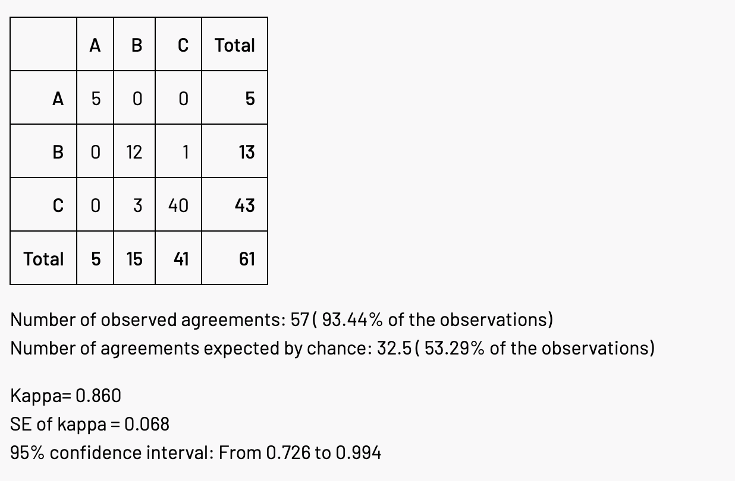
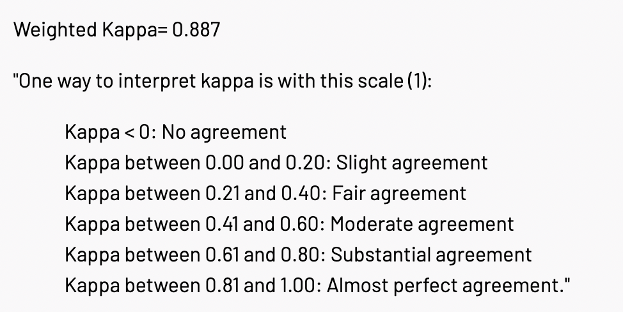
Stack Overflow (SO)

Identifier | Query Search Method
SO-GOOGLE | Search via Google with "site: stackoverflow" in query
SO-API | Search directly through StackExchange API

Identifier | Query Result Filter
Any | Take first result (SO post) without any filtering
Positive | Take first result (SO post) with a positively rated answer
Accepted | Take first result (SO post) with an accepted answer

Identifier | Error Message Treatment | Code Snippet | Example
Custom/Line | custom treatment* | original error line | non-static method cannot be referenced from a static context System.out.println(reverse(s));
Custom/LineBlankId | custom treatment* | error line with identifiers replaced with blanks | non-static method cannot be referenced from a static context ..(());
Custom/NoSnippet | custom treatment* | not included | non-static method cannot be referenced from a static context
Custom/Parent | custom treatment* | parent node of error line | non-static method cannot be referenced from a static context [ public static void main(){, String s = "java interview";, System.out.println());, }]
Custom/ParentBlankId | custom treatment* | parent node of error line with identifiers replaced with blanks | non-static method cannot be referenced from a static context public static void main(){ String = "java interview"; ..()); }
Custom/ParentXId | custom treatment* | parent node of error line with identifiers replaced with "x" | non-static method cannot be referenced from a static context public static void main(){ String x = "java interview"; x.x.x()); }
Original/Line | original error message | original error line | non-static method reverse(String) cannot be referenced from a static context System.out.println(reverse(s));
Original/LineBlankId | original error message | error line with identifiers replaced with blanks | non-static method reverse(String) cannot be referenced from a static context ..(());
Original/NoSnippet | original error message | not included | non-static method reverse(String) cannot be referenced from a static context
Original/Parent | original error message | parent node of error line | non-static method reverse(String) cannot be referenced from a static context [ public static void main(){, String s = "java interview";, System.out.println());, }]
Origina/ParentBlankId | original error message | parent node of error line with identifiers replaced with blanks | non-static method reverse(String) cannot be referenced from a static context public static void main(){ String = "java interview"; ..()); }
Original/ParentXId | original error message | parent node of error line with identifiers replaced with "x" | non-static method reverse(String) cannot be referenced from a static context public static void main(){ String x = "java interview"; x.x.x()); }
* custom treatment: removes identifiers and other compile specific words from the error message for common errors

GPT

Identifier | Query Search Method
GPT-3.5 | Query on https://chat.openai.com/ with "Default (GPT-3.5)" model
GPT-4 | Query on https://chat.openai.com/ with "GPT-4" model

Identifier | Query Result Filter
What | Query content asked alongside "What does the error mean?"
How | Query content asked alongside "How can I fix the error?"

Identifier | Error Message Treatment | Code Snippet | Example
Original/FullSnippet | original error message | full Java snippet where first error message is thrown from | test.java:5: error: cannot find symbol public class test { public static void main(String[] args) { System.ouch.println("Hello, World!"); } }
Original/NoSnippet | original error message | not included | test.java:5: error: cannot find symbol

Cohen's Kappa

