FINAL
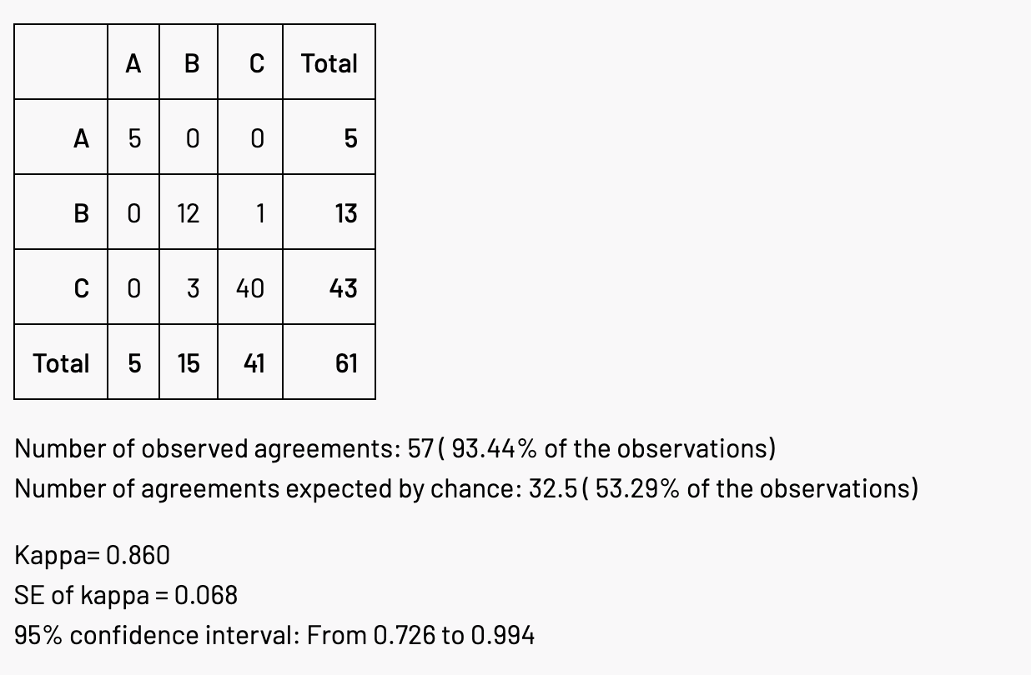
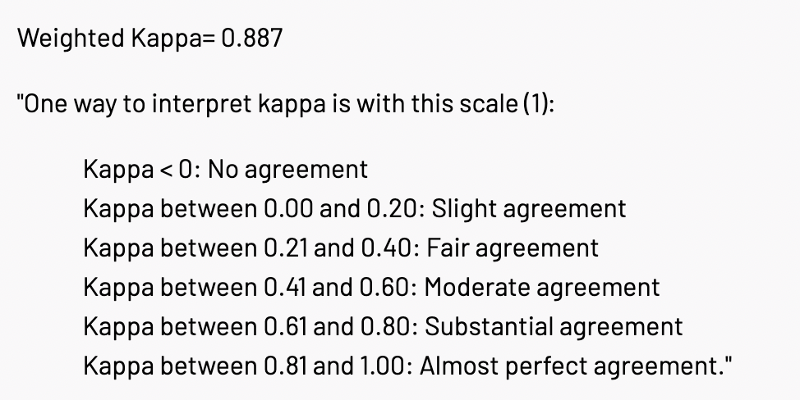
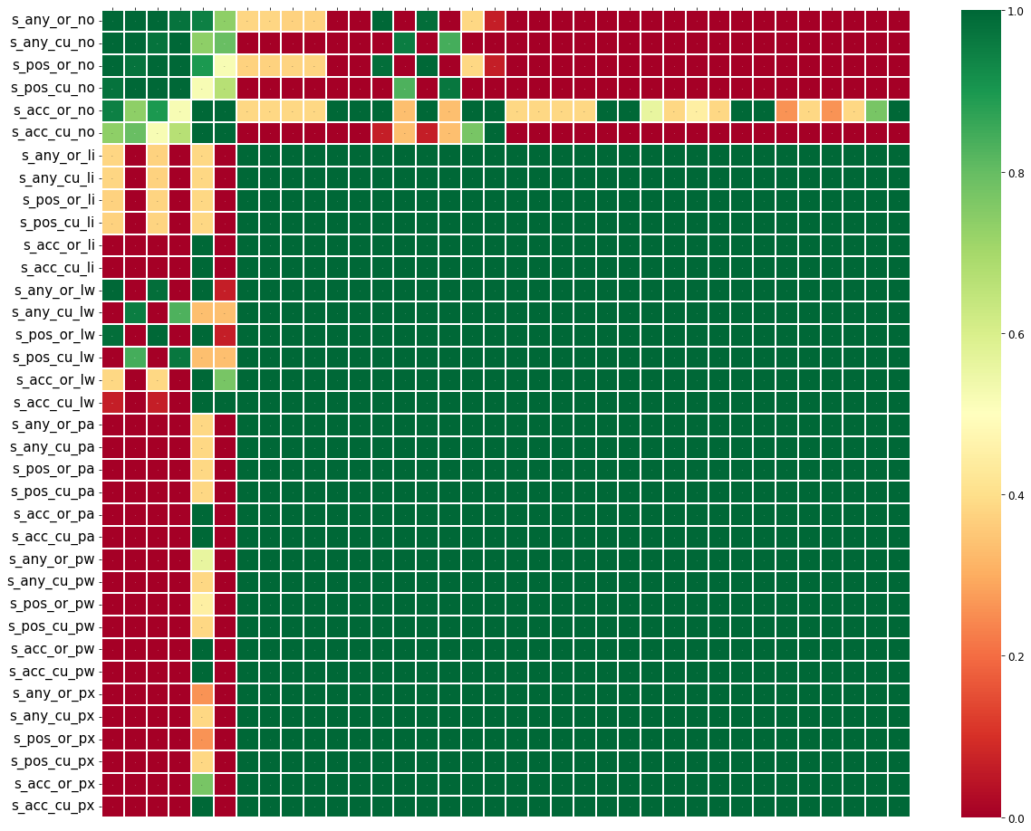
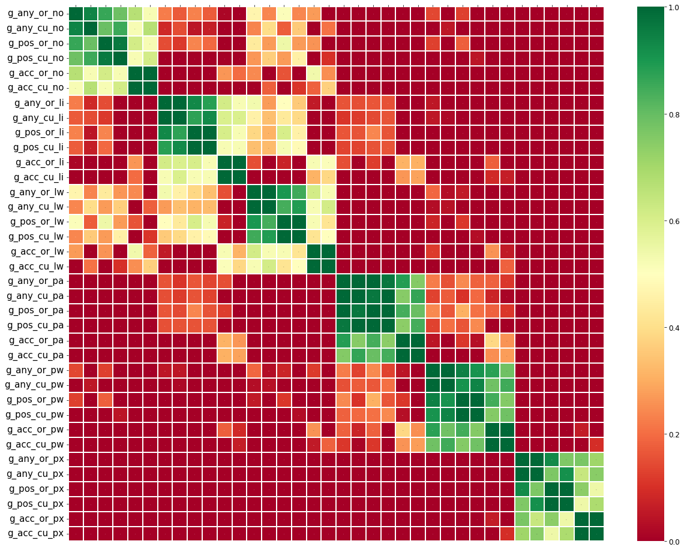
Combinations

RQ3: Query Method - search Stack Overflow via Google or directly through StackExchange API
Identifier | Query Search Method
SO-GOOGLE | Search via Google with "site: stackoverflow" in query
SO-API | Search directly through StackExchange API

RQ2: Query Filter- filter results based on community answers
Identifier | Query Result Filter
Any | Take first result (SO post) without any filtering
Positive | Take first result (SO post) with a positively rated answer
Accepted | Take first result (SO post) with an accepted answer

RQ1: Query Content - query content and code snippet treatment
Identifier | Error Message Treatment | Code Snippet | Example
Custom/Line | custom treatment* | original error line | non-static method cannot be referenced from a static context System.out.println(reverse(s));
Custom/LineBlankId | custom treatment* | error line with identifiers replaced with blanks | non-static method cannot be referenced from a static context ..(());
Custom/NoSnippet | custom treatment* | not included | non-static method cannot be referenced from a static context
Custom/Parent | custom treatment* | parent node of error line | non-static method cannot be referenced from a static context [ public static void main(){, String s = "java interview";, System.out.println());, }]
Custom/ParentBlankId | custom treatment* | parent node of error line with identifiers replaced with blanks | non-static method cannot be referenced from a static context public static void main(){ String = "java interview"; ..()); }
Custom/ParentXId | custom treatment* | parent node of error line with identifiers replaced with "x" | non-static method cannot be referenced from a static context public static void main(){ String x = "java interview"; x.x.x()); }
Original/Line | original error message | original error line | non-static method reverse(String) cannot be referenced from a static context System.out.println(reverse(s));
Original/LineBlankId | original error message | error line with identifiers replaced with blanks | non-static method reverse(String) cannot be referenced from a static context ..(());
Original/NoSnippet | original error message | not included | non-static method reverse(String) cannot be referenced from a static context
Original/Parent | original error message | parent node of error line | non-static method reverse(String) cannot be referenced from a static context [ public static void main(){, String s = "java interview";, System.out.println());, }]
Origina/ParentBlankId | original error message | parent node of error line with identifiers replaced with blanks | non-static method reverse(String) cannot be referenced from a static context public static void main(){ String = "java interview"; ..()); }
Original/ParentXId | original error message | parent node of error line with identifiers replaced with "x" | non-static method reverse(String) cannot be referenced from a static context public static void main(){ String x = "java interview"; x.x.x()); }
* custom treatment: removes identifiers and other compile specific words from the error message for common errors

Cohen's Kappa

