data_excel
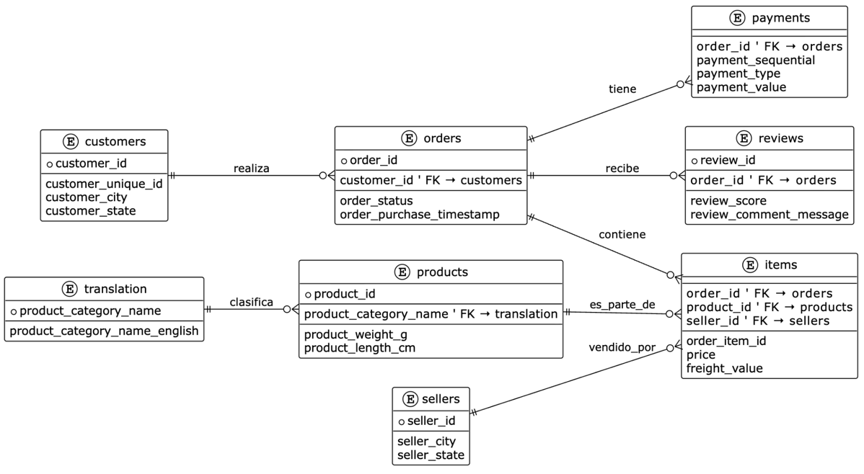
columns_used
order_id | Ok |  | Ok
customer_id | Ok |  | No
order_status | No |  | Talvez
order_purchase_timestamp | Ok
order_approved_at | No
order_delivered_carrier_date | Talvez
order_delivered_customer_date | Talvez
order_estimated_delivery_date | No
customer_unique_id | No
customer_zip_code_prefix | No
customer_city | Ok
customer_state | Ok
payment_total | Talvez | Total lo que le costo al cliente
payment_mean | No
payment_median | No
payment_installments_max | Talvez
payment_installments_mean | No
payment_types | Ok
primary_payment_type | No
payments_count | Ok
total_items | Ok
distinct_products | Ok
distinct_sellers | Ok
total_price | Ok | Precio total solo de los items
avg_price | No
max_price | Talvez | Maximo precio de algun item en una orden
min_price | Talvez | Minimo precio de algun item en una orden
total_freight | Ok | Total precio transporte
avg_freight | No
shipping_limit_max | Ok
shipping_limit_min | Ok
top_category_pt | No
top_category_en | Ok
product_weight_sum | No
product_weight_mean | No
product_length_mean | No
product_height_mean | No
product_width_mean | No
product_volume_sum | No
product_volume_mean | No
seller_state_mode | Ok
seller_city_mode | Ok
seller_count | No
review_score_mean | No
review_score_std | No
review_count | Ok
review_comment_count | No
review_comment_avg_len | No
review_latest_score | Talvez
review_latest_date | No
review_response_rate | No
customer_order_number | No
customer_is_repeat | No
days_since_prev_purchase | No
days_since_first_purchase | No
delivery_time_days | Ok
approval_lag_hours | Ok
carrier_lag_hours | Ok
delivery_delay_vs_estimate | Ok
delivered_on_time | Ok
order_month | Ok
order_week | Ok
weekday_purchase | Ok
hour_purchase | Ok
avg_item_value | Talvez
freight_ratio | Ok
installments_ratio
contribution_margin_proxy | Talvez
is_delivered | Ok
is_canceled | Ok

