Sheet1
Open cmd, and go the path : C:\Program Files\PostgreSQL\10\bin

lec03=# insert into flights (origin, destination, duration) values ('Sao Paulo','Mumbai',9019);

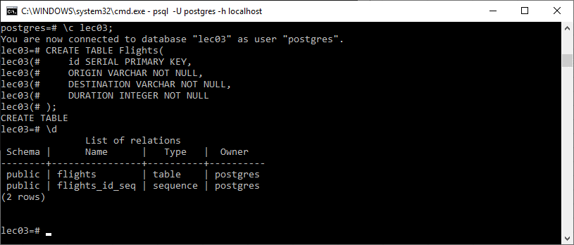

If exit, and want to reopen, type: \c lec03

lec03=# select avg(duration) from flights;
avg
-----------------------
6289
(1 row)
_________________________________________________

lec03=# select count(*) from flights;
count
-------
6
(1 row)
_________________________________________________

lec03=# select min(duration) from flights;
min
------
4155
(1 row)
_________________________________________________
lec03=# select * from flights where origin like 'N%';
id | origin | destination | duration
----+----------+-------------+----------
1 | New York | London | 4155
(1 row)

lec03=# select * from flights where origin like '%i';
id | origin | destination | duration
----+----------+-------------+----------
2 | Shanghai | New Delhi | 6355
(1 row)

lec03=# select * from flights where origin like '%a%';
id | origin | destination | duration
----+-----------+-------------+----------
2 | Shanghai | New Delhi | 6355
3 | Las Vegas | Tokyo | 7655
6 | Paris | Seoul | 6523
(3 rows)
_____________________________________________________

id | origin | destination | duration
----+-----------+-------------+----------
1 | New York | London | 4155
2 | Shanghai | New Delhi | 6355
5 | Turkey | Dubai | 6523
3 | Las Vegas | Tokyo | 7655
6 | Paris | Seoul | 9000
7 | Sao Paulo | Mumbai | 9019

lec03=# select * from flights order by duration desc limil 4;
id | origin | destination | duration
----+-----------+-------------+----------
7 | Sao Paulo | Mumbai | 9019
6 | Paris | Seoul | 9000
3 | Las Vegas | Tokyo | 7655
5 | Turkey | Dubai | 6523
___________________________________________________________
lec03=# select origin, count(*) from flights group by origin;
origin | count
-----------+-------
Las Vegas | 1
Sao Paulo | 1
Turkey | 1
Shanghai | 2
Busan | 1
Paris | 1
New York | 1
______________________________________________
lec03=# select origin, count(*) from flights group by origin having count(*)>1;
origin | count
----------+-------
Shanghai | 2
_________________________________________________________
Make rekationship on two tables.
lec03=# create TABLE passengers (
lec03(# id serial primary key,
lec03(# name varchar not null,
lec03(# flight_id integer references flights
lec03(# );
CREATE TABLE
________________________________________________________
_-_-_-_-_-_-_-_-_-_-_-_-_-_-_-_-_-_-_-_-_-_-_-_-_-_-_-_-_-_-_

lec03=# select * from passengers;
id | name | flight_id
----+----------+-----------
1 | John | 1
2 | Smith | 2
3 | Meena | 3
4 | Mike | 5
5 | Ron | 6
6 | Jennifer | 7
7 | Paul | 8
8 | Monika | 9
_-_-_-_-_-_-_-_-_-_-_-_-_-_-_-_-_-_-_-_-_-_-_-_-_-_-_-_-_-_-_

lec03=# select origin, duration, name from flights join passengers on
lec03-# passengers.flight_id=flights.id;
origin | duration | name
-----------+----------+----------
New York | 4155 | John
Shanghai | 6355 | Smith
Las Vegas | 7655 | Meena
Turkey | 6523 | Mike
Paris | 9000 | Ron
Sao Paulo | 9019 | Jennifer
Busan | 7423 | Paul
Shanghai | 8034 | Monika
_________________________________________________________
lec03=# select flight_id from passengers group by flight_id having count(*)=1;
flight_id
-----------
9
3
5
6
2
7
1
8
-------------------------------------------------------------------------------
lec03=# select * from flights where id IN (select flight_id from passengers group by flight_id having count(*)=1);
id | origin | destination | duration
----+-----------+-------------+----------
1 | New York | London | 4155
2 | Shanghai | New Delhi | 6355
3 | Las Vegas | Tokyo | 7655
5 | Turkey | Dubai | 6523
6 | Paris | Seoul | 9000
7 | Sao Paulo | Mumbai | 9019
8 | Busan | Lisbon | 7423
9 | Shanghai | Munich | 8034
IIIIIIIIIIIIIIIIIIIIIIIIIIIIIIIIIIIIIIIIIIIIIIIIIIIIIIIIIIIIIIIIIIIIIIIIIIIIIIIIIIIIIIIIIIIIIIIIII
How to import sql data in csv file?

