3D
Points per D |  |  | Box Dims (D) |  |  |  |  |  |  | BoxLoc (D)
96.00 | Coarse |  | X0 | 48.00 | Y0 | 48.00 | Z0 | 48.00 |  | XC | 24.00 | YC | 24.00 | ZC | 24.00
 | Fine |  | X1 | 3.00 | Y1 | 3.00 | Z1 | 5.00
 | Padding (D) |  | Xmin | 0.00 | Xmax | 0.00 | Ymin | 0.00 | Ymax | 0.00 | Zmin | 0.00 | Zmax | 0.00
 | Object (D) |  | X | 1.00 | Y | 0.50 | Z | 2.00

Grids | Level | D |  | Box Dims (D) |  |  |  |  |  |  | Box Limits (LU) |  |  |  |  |  | LUMA Refs |  |  |  |  |  | Grid | Total Cells | Total Active | % of Volume | % active sites | LUPTS (Finest) | % LUPTS
1 | L0 | 96 |  | X0 | 48 | Y0 | 48 | Z0 | 48 |  | 2304 | 2304 | 2304 | 2304 | 2304 | 2304 |  |  |  |  |  |  | 0 | 97,844,723,712 | 97,844,723,712 | 100.000% | 100.000% | 97,844,723,712 | 100.000%
 | N | 4608
 | M | 4608 |  |  |  |  |  |  |  |  |  |  |  |  |  |  | ObjXstart | ObjYstart | ObjZcen | ObjZstart
 | K | 4608 |  |  |  |  |  |  |  |  |  |  |  |  |  |  | 2256 | 2280 | 2304 | 2208 |  |  | Totals | 97,844,723,712 | 97,844,723,712 | 100.000% | 100.000% | 97,844,723,712 | 100.000%

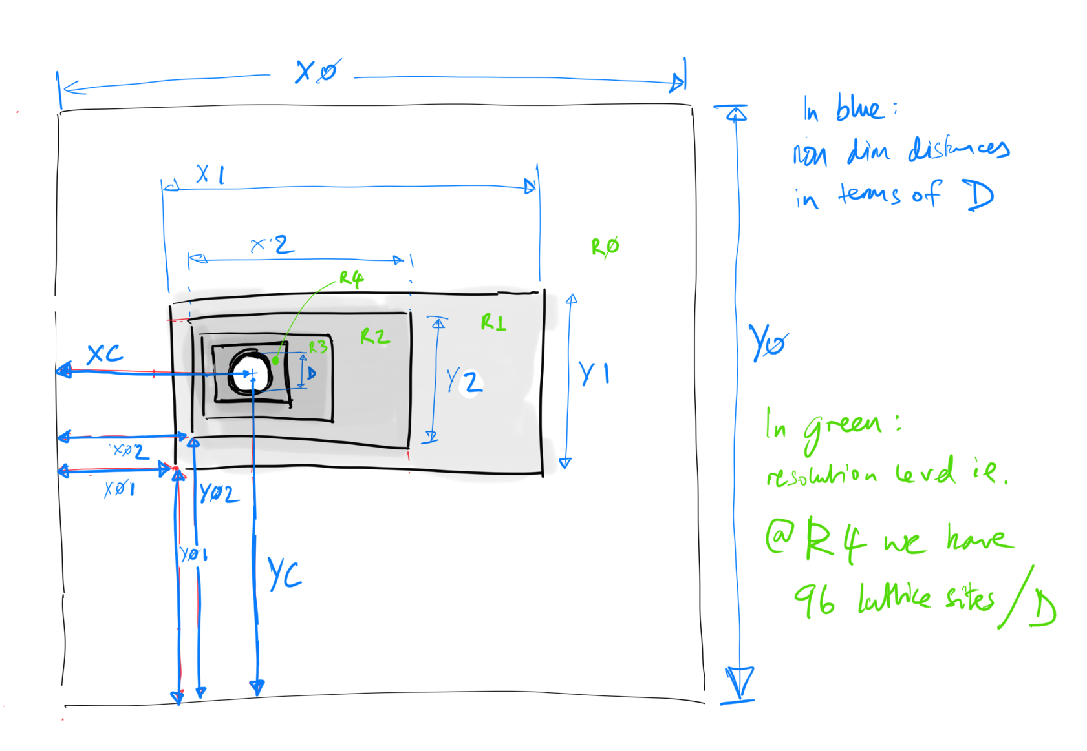
Grids | Level | D |  | Box Dims (D) |  |  |  |  |  |  | Box Limits (LU) |  |  |  |  |  | LUMA Refs |  |  |  |  |  | Grid | Total Cells | Total Active | % of Volume | % active sites | LUPTS (Finest) | % LUPTS
2 | L0 | 48 |  | X0 | 48 | Y0 | 48 | Z0 | 48 |  | 1152 | 1152 | 1152 | 1152 | 1152 | 1152 | RefXstart | RefXend | RefYstart | RefYend | RefZstart | RefZend | 0 | 12,230,590,464 | 12,225,613,824 | 99.959% | 99.675% | 6,112,806,912 | 99.353%
 | L1 | 96 |  | X1 | 3 | Y1 | 3 | Z1 | 5 |  | 144 | 144 | 144 | 144 | 240 | 240 | 1080 | 1223 | 1080 | 1223 | 1032 | 1271 | 1 | 39,813,120 | 39,813,120 | 0.041% | 0.325% | 39,813,120 | 0.647%
 | N | 2304
 | M | 2304 |  |  |  |  |  |  |  |  |  |  |  |  |  |  | ObjXstart | ObjYstart | ObjZcen | ObjZstart
 | K | 2304 |  |  |  |  |  |  |  |  |  |  |  |  |  |  | 96 | 120 | 240 | 144 |  |  | Totals | 12,270,403,584 | 12,265,426,944 | 100.000% | 100.000% | 6,152,620,032 | 100.000%

Grids | Level | D |  | Box Dims (D) |  |  |  |  |  |  | Box Limits (LU) |  |  |  |  |  | LUMA Refs |  |  |  |  |  | Grid | Total Cells | Total Active | % of Volume | % active sites | LUPTS (Finest) | % LUPTS
3 | L0 | 24 |  | X0 | 48 | Y0 | 48 | Z0 | 48 |  | 576 | 576 | 576 | 576 | 576 | 576 | RefXstart | RefXend | RefYstart | RefYend | RefZstart | RefZend | 0 | 1,528,823,808 | 1,528,201,728 | 99.959% | 97.614% | 382,050,432 | 91.131%
 | L1 | 48 |  | X1 | 3 | Y1 | 3 | Z1 | 5 |  | 72 | 72 | 72 | 72 | 120 | 120 | 540 | 611 | 540 | 611 | 516 | 635 | 1 | 4,976,640 | 351,040 | 0.003% | 0.022% | 175,520 | 0.042%
 | L2 | 96 |  | X2 | 2.9166666667 | Y2 | 2.9166666667 | Z2 | 4.9166666667 |  | 140 | 140 | 140 | 140 | 236 | 236 | 2 | 141 | 2 | 141 | 2 | 237 | 2 | 37,004,800 | 37,004,800 | 0.038% | 2.364% | 37,004,800 | 8.827%
 | N | 1152
 | M | 1152 |  |  |  |  |  |  |  |  |  |  |  |  |  |  | ObjXstart | ObjYstart | ObjZcen | ObjZstart
 | K | 1152 |  |  |  |  |  |  |  |  |  |  |  |  |  |  | 92 | 116 | 236 | 140 |  |  | Totals | 1,570,805,248 | 1,565,557,568 | 100.000% | 100.000% | 419,230,752 | 100.000%

Grids | Level | D |  | Box Dims (D) |  |  |  |  |  |  | Box Limits (LU) |  |  |  |  |  | LUMA Refs |  |  |  |  |  | Grid | Total Cells | Total Active | % of Volume | % active sites | LUPTS (Finest) | % LUPTS
4 | L0 | 12 |  | X0 | 48 | Y0 | 48 | Z0 | 48 |  | 288 | 288 | 288 | 288 | 288 | 288 | RefXstart | RefXend | RefYstart | RefYend | RefZstart | RefZend | 0 | 191,102,976 | 191,025,216 | 99.959% | 85.581% | 23,878,152 | 42.762%
 | L1 | 24 |  | X1 | 3 | Y1 | 3 | Z1 | 5 |  | 36 | 36 | 36 | 36 | 60 | 60 | 270 | 305 | 270 | 305 | 258 | 317 | 1 | 622,080 | 85,696 | 0.006% | 0.038% | 21,424 | 0.038%
 | L2 | 48 |  | X2 | 2.8333333333 | Y2 | 2.8333333333 | Z2 | 4.8333333333 |  | 68 | 68 | 68 | 68 | 116 | 116 | 2 | 69 | 2 | 69 | 2 | 117 | 2 | 4,291,072 | 318,400 | 0.003% | 0.143% | 159,200 | 0.285%
 | L3 | 96 |  | X3 | 2.75 | Y3 | 2.75 | Z3 | 4.75 |  | 132 | 132 | 132 | 132 | 228 | 228 | 2 | 133 | 2 | 133 | 2 | 229 | 3 | 31,781,376 | 31,781,376 | 0.032% | 14.238% | 31,781,376 | 56.915%
 | N | 576
 | M | 576 |  |  |  |  |  |  |  |  |  |  |  |  |  |  | ObjXstart | ObjYstart | ObjZcen | ObjZstart
 | K | 576 |  |  |  |  |  |  |  |  |  |  |  |  |  |  | 84 | 108 | 228 | 132 |  |  | Total | 227,797,504 | 223,210,688 | 100.000% | 100.000% | 55,840,152 | 100.000%

Grids | Level | D |  | Box Dims (D) |  |  |  |  |  |  | Box Limits (LU) |  |  |  |  |  | LUMA Refs |  |  |  |  |  | Grid | Total Cells | Total Active | % of Volume | % active sites | LUPTS (Finest) | % LUPTS
5 | L0 | 6 |  | X0 | 48 | Y0 | 48 | Z0 | 48 |  | 144 | 144 | 144 | 144 | 144 | 144 | RefXstart | RefXend | RefYstart | RefYend | RefZstart | RefZend | 0 | 23,887,872 | 23,878,152 | 99.959% | 50.753% | 1,492,385 | 6.101%
 | L1 | 12 |  | X1 | 3 | Y1 | 3 | Z1 | 5 |  | 18 | 18 | 18 | 18 | 30 | 30 | 135 | 152 | 135 | 152 | 129 | 158 | 1 | 77,760 | 20,416 | 0.011% | 0.043% | 2,552 | 0.010%
 | L2 | 24 |  | X2 | 2.6666666667 | Y2 | 2.6666666667 | Z2 | 4.6666666667 |  | 32 | 32 | 32 | 32 | 56 | 56 | 2 | 33 | 2 | 33 | 2 | 57 | 2 | 458,752 | 69,952 | 0.005% | 0.149% | 17,488 | 0.071%
 | L3 | 48 |  | X3 | 2.5 | Y3 | 2.5 | Z3 | 4.5 |  | 60 | 60 | 60 | 60 | 108 | 108 | 2 | 61 | 2 | 61 | 2 | 109 | 3 | 3,110,400 | 257,728 | 0.002% | 0.548% | 128,864 | 0.527%
 | L4 | 96 |  | X4 | 2.4166666667 | Y4 | 2.4166666667 | Z4 | 4.4166666667 |  | 116 | 116 | 116 | 116 | 212 | 212 | 2 | 117 | 2 | 117 | 2 | 213 | 4 | 22,821,376 | 22,821,376 | 0.023% | 48.507% | 22,821,376 | 93.291%
 | N | 288
 | M | 288 |  |  |  |  |  |  |  |  |  |  |  |  |  |  | ObjXstart | ObjYstart | ObjZcen | ObjZstart
 | K | 288 |  |  |  |  |  |  |  |  |  |  |  |  |  |  | 68 | 92 | 212 | 116 |  |  | Totals | 50,356,160 | 47,047,624 | 100.000% | 100.000% | 24,462,665 | 100.000%

Grids | Level | D |  | Box Dims (D) |  |  |  |  |  |  | Box Limits (LU) |  |  |  |  |  | LUMA Refs |  |  |  |  |  | Grid | Total Cells | Total Active | % of Volume | % active sites | LUPTS (Finest) | % LUPTS
6 | L0 | 3 |  | X0 | 48 | Y0 | 48 | Z0 | 48 |  | 72 | 72 | 72 | 72 | 72 | 72 | RefXstart | RefXend | RefYstart | RefYend | RefZstart | RefZend | 0 | 2,985,984 | 2,984,384 | 99.959% | 15.752% | 93,262 | 0.587%
 | L1 | 6 |  | X1 | 3 | Y1 | 3 | Z1 | 5 |  | 10 | 10 | 10 | 10 | 16 | 16 | 67 | 76 | 67 | 76 | 64 | 79 | 1 | 12,800 | 5,632 | 0.011% | 0.030% | 352 | 0.002%
 | L2 | 12 |  | X2 | 2.6666666667 | Y2 | 2.6666666667 | Z2 | 4.6666666667 |  | 16 | 16 | 16 | 16 | 28 | 28 | 2 | 17 | 2 | 17 | 2 | 29 | 2 | 57,344 | 16,576 | 0.009% | 0.087% | 2,072 | 0.013%
 | L3 | 24 |  | X3 | 2.3333333333 | Y3 | 2.3333333333 | Z3 | 4.3333333333 |  | 28 | 28 | 28 | 28 | 52 | 52 | 2 | 29 | 2 | 29 | 2 | 53 | 3 | 326,144 | 55,744 | 0.004% | 0.294% | 13,936 | 0.088%
 | L4 | 48 |  | X4 | 2.1666666667 | Y4 | 2.1666666667 | Z4 | 4.1666666667 |  | 52 | 52 | 52 | 52 | 100 | 100 | 2 | 53 | 2 | 53 | 2 | 101 | 4 | 2,163,200 | 203,200 | 0.002% | 1.073% | 101,600 | 0.639%
 | L5 | 96 |  | X5 | 2.0833333333 | Y5 | 2.0833333333 | Z5 | 4.0833333333 |  | 100 | 100 | 100 | 100 | 196 | 196 | 2 | 101 | 2 | 101 | 2 | 197 | 5 | 15,680,000 | 15,680,000 | 0.016% | 82.764% | 15,680,000 | 98.671%
 | N | 144
 | M | 144 |  |  |  |  |  |  |  |  |  |  |  |  |  |  | ObjXstart | ObjYstart | ObjZcen | ObjZstart
 | K | 144 |  |  |  |  |  |  |  |  |  |  |  |  |  |  | 52 | 76 | 196 | 100 |  |  | Totals | 21,225,472 | 18,945,536 | 100.000% | 100.000% | 15,891,222 | 100.000%

Grids | Level | D |  | Box Dims (D) |  |  |  |  |  |  | Box Limits (LU) |  |  |  |  |  | LUMA Refs |  |  |  |  |  | Grid | Total Cells | Total Active | % of Volume | % active sites | LUPTS (Finest) | % LUPTS
7 | L0 | 1.5 |  | X0 | 48 | Y0 | 48 | Z0 | 48 |  | 36 | 36 | 36 | 36 | 36 | 36 | RefXstart | RefXend | RefYstart | RefYend | RefZstart | RefZend | 0 | 373,248 | 372,960 | 99.959% | 6.9% | 5,828 | 0.118%
 | L1 | 3 |  | X1 | 3 | Y1 | 3 | Z1 | 5 |  | 6 | 6 | 6 | 6 | 8 | 8 | 33 | 38 | 33 | 38 | 32 | 39 | 1 | 2,304 | 1,536 | 0.015% | 0.0% | 48 | 0.001%
 | L2 | 6 |  | X2 | 2.6666666667 | Y2 | 2.6666666667 | Z2 | 4 |  | 8 | 8 | 8 | 8 | 12 | 12 | 2 | 9 | 2 | 9 | 2 | 13 | 2 | 6,144 | 3,264 | 0.014% | 0.1% | 204 | 0.004%
 | L3 | 12 |  | X3 | 2 | Y3 | 2 | Z3 | 3.3333333333 |  | 12 | 12 | 12 | 12 | 20 | 20 | 2 | 13 | 2 | 13 | 2 | 21 | 3 | 23,040 | 8,640 | 0.005% | 0.2% | 1,080 | 0.022%
 | L4 | 24 |  | X4 | 1.6666666667 | Y4 | 1.6666666667 | Z4 | 3 |  | 20 | 20 | 20 | 20 | 36 | 36 | 2 | 21 | 2 | 21 | 2 | 37 | 4 | 115,200 | 27,072 | 0.002% | 0.5% | 6,768 | 0.137%
 | L5 | 48 |  | X5 | 1.5 | Y5 | 1.5 | Z5 | 2.8333333333 |  | 36 | 36 | 36 | 36 | 68 | 68 | 2 | 37 | 2 | 37 | 2 | 69 | 5 | 705,024 | 94,656 | 0.001% | 1.8% | 47,328 | 0.957%
 | L6 | 96 |  | X6 | 1.4166666667 | Y6 | 1.4166666667 | Z6 | 2.75 |  | 68 | 68 | 68 | 68 | 132 | 132 | 2 | 69 | 2 | 69 | 2 | 133 | 6 | 4,882,944 | 4,882,944 | 0.005% | 90.6% | 4,882,944 | 98.761%
 | N | 72
 | M | 72 |  |  |  |  |  |  |  |  |  |  |  |  |  |  | ObjXstart | ObjYstart | ObjZcen | ObjZstart
 | K | 72 |  |  |  |  |  |  |  |  |  |  |  |  |  |  | 20 | 44 | 132 | 36 |  |  | Totals | 6,107,904 | 5,391,072 | 100.000% | 100.0% | 4,944,200 | 100.000%

3D LUPTS
3D LUPTS (relative to finest scale) by Grid
 | L0 | L1 | L2 | L3 | L4 | L5 | L6 | Total
 | 97,844,723,712 |  |  |  |  |  |  | 97,844,723,712
 | 6,112,806,912 | 39,813,120 |  |  |  |  |  | 6,152,620,032
 | 382,050,432 | 175,520 | 37004800 |  |  |  |  | 419,230,752
 | 23,878,152 | 21,424 | 159200 | 31781376 |  |  |  | 55,840,152
 | 1,492,385 | 2,552 | 17488 | 128864 | 22821376 |  |  | 24,462,665
 | 93,262 | 352 | 2072 | 13936 | 101600 | 15680000 |  | 15,891,222
 | 5,828 | 48 | 204 | 1080 | 6768 | 47328 | 4882944 | 4,944,200

2D LUPTS
2D LUPTS (relative to finest scale) by Grid
 | L0 | L1 | L2 | L3 | L4 | L5 | L6 | Total
 | 21,233,664 |  |  |  |  |  |  | 21,233,664
 | 5,287,680 | 82,944 |  |  |  |  |  | 5,370,624
 | 1,321,920 | 1,136 | 78400 |  |  |  |  | 1,401,456
 | 330,480 | 560 | 1072 | 69696 |  |  |  | 401,808
 | 82,620 | 272 | 496 | 944 | 53824 |  |  | 138,156
 | 20,636 | 144 | 240 | 432 | 816 | 40000 |  | 62,268
 | 5,148 | 80 | 112 | 176 | 304 | 560 | 18496 | 24,876

