Sheet1
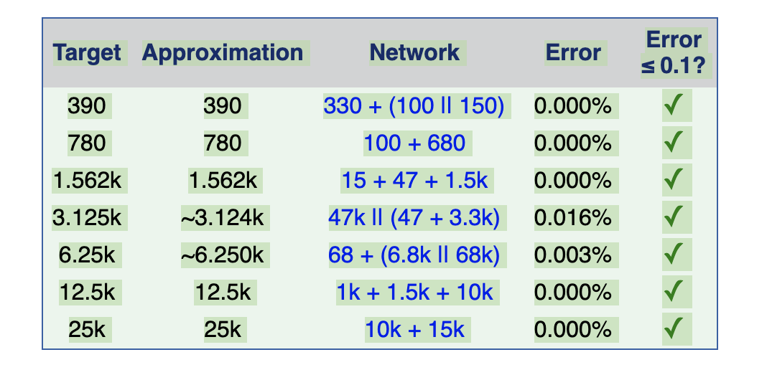
Voltage | Resistance | 25000
27.7 | 45800 | 12500
32.1 | 55400 | 6250
37.2 | 65900 | 3125
41.8 | 76700 | 1562.5
46.2 | 86400 | 781.25
48.2 | 91600 | 390.625
52.9 | 101000
57 | 110000
57.7 | 112000 |  | 7 bit values :
69.2 | 137500
V versus R

