Geography
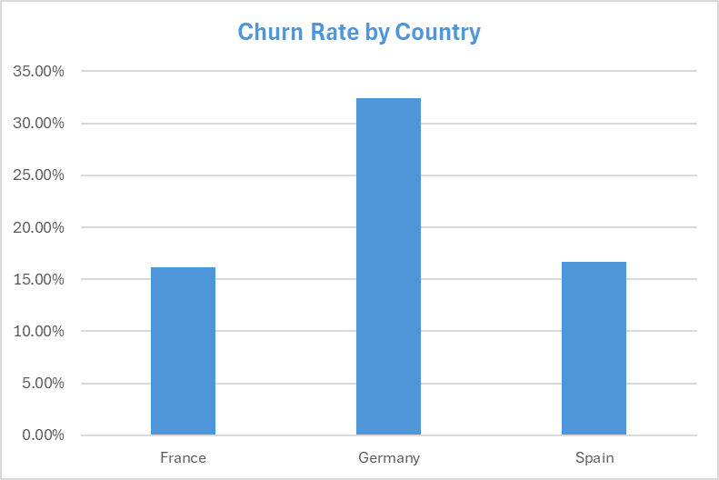
Churn Rate by Country

Row Labels | Count of CustomerId | Average of Exited
France | 5014 | 16.15%
Germany | 2509 | 32.44%
Spain | 2477 | 16.67%
Grand Total | 10000 | 20.37%

Number Churned by Country
 | Total
France | 5014
Germany | 2509
Spain | 2477

Gender
Churn Rate by Gender

Row Labels | Churn
Female | 25.07%
Male | 16.46%
Grand Total | 20.37%

Churn Rate by Gender

Age
Churn Rate by Age

Row Labels | Sum of Churn Rate
<30 | 7.56%
30-39 | 10.88%
40-49 | 30.79%
50-59 | 56.04%
60+ | 27.95%
Grand Total | 20.37%

Churn Rate by Age Group

Credit
Churn Rate by Credit Score

Row Labels | Sum of Churn Rate
Excellent | 19.54%
Fair | 20.56%
Good | 18.62%
Poor | 22.02%
Very Good | 20.59%
Grand Total | 20.37%

Churn Rate by Credit Score

Member
Churn Rate by Membership

Row Labels | Sum of Churn Rate
Not Active | 26.85%
Active Member | 14.27%
Grand Total | 20.37%

Churn Rate by Membership Status

