results_PEtab_PLANG_sim_data
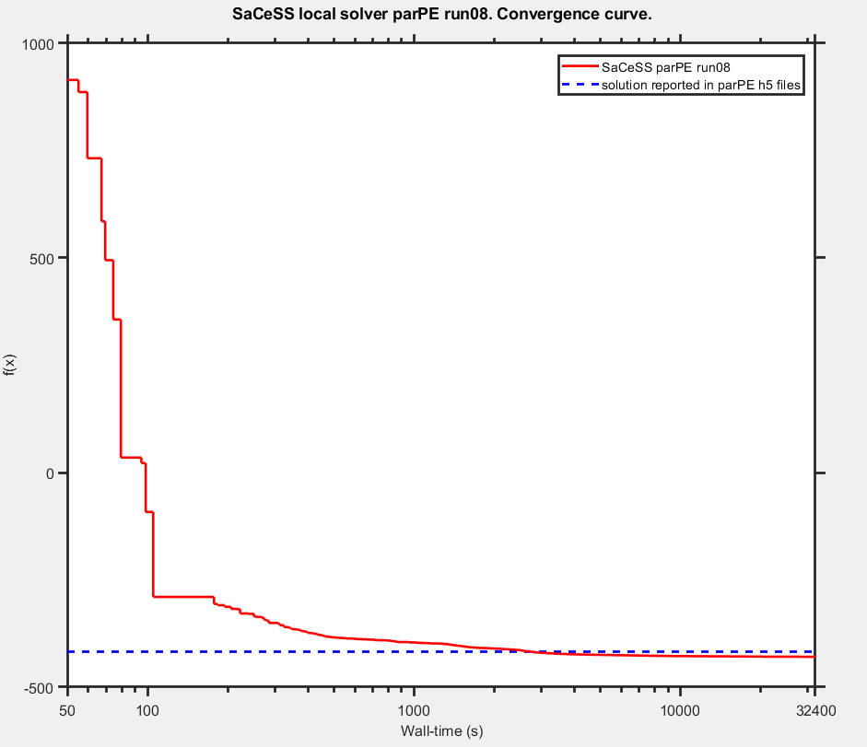
Benchmark settings:
 | format_version: | 1
 | parameter_file: | parameters_v3.0.0.tsv
 | problems:
 | - | condition_files:
 |  | - | experimentalCondition_v3.0.0.tsv
 |  | measurement_files:
 |  | - | simulatedData_v3.0.0_0.1noise.tsv
 |  | observable_files:
 |  | - | observables_v3.0.0.tsv
 |  | sbml_files:
 |  | - | cell_cycle_v3.0.0_rescaled_sbml.xml

saCeSS settings:
 | Processors: 23 parallel jobs+1 master per run
 | Execution time: 9 hours
 | Local solver: DHC and parPE

Hardware:
 | Finisterrae II supercomputer, provided by the Galicia Supercomputing Centre (CESGA): 306 nodes powered by two Intel Haswell 2680v3 CPUs (12 cores) with 128 GB RAM connected through an Infiniband FDR network.

 |  | Parameters
 | Likelihood | kPhRbD | kPhRbE | kDpRb | kPhRb | kSyCe1 | kSyCe2 | kDeCe | kDiE2fRb | kAsE2fRb | kSyE2f1 | kSyE2f2 | kDeE2f1 | kDeE2f2 | kPhE2f | kDpE2f2 | kSyEmi1 | kSyEmi2 | kDeEmi1 | kDeEmi2 | kDeEmi3 | kPhEmiA | kPhEmiB | kDpEmi | kSyCa1 | kSyCa2 | kDeCa1 | kDeCa2 | kDeCa3 | kDpCdh | kPhCdhA | kPhCdhE | kPhCdhB | kDiACE | kAsACE | kDiACdh | kAsACdh | kPhCeA | kPhCeE | kPhFoxE | kPhFoxA | kPhFoxB | kDpFox | kSyCb1 | kSyCb2 | kDeCb1 | kDeCb2 | kDeCb3 | kPhEnsa | kDpEnsa | kPhGw | kDpGw1 | kDpGw2 | kWee1 | kWee2 | kPhWeeA | kPhWeeB | kDpWee | kCdc25_1 | kCdc25_2 | kDpCdc25 | kDipEB55 | kAspEB55 | kSyCdc_1 | kSyCdc_2 | kDeCdc_1 | kDeCdc_2 | kDipACdc | kAspACdc | kPhApcA | kDpApc | kSyFox1 | kSyFox2 | kDeFox1 | kDeFox2 | kAsEPx | kDiEPx | kAsFPcb | kDiFPcb | kAsFPcdc | kDiFPcdc | kPhC25B | kPhCAEE | kPhCAEA | kPhCAEB | ic_wt_cell__CCND | ic_wt_cell__CCNE | ic_wt_cell__E2F_DBD_RB1_Ser332u_ | ic_wt_cell__E2F_DBD_RB1_Ser332p_ | ic_wt_cell__CCNA | ic_wt_cell__CCNB_CDK1_Thr14_Tyr15u_ | ic_wt_cell__E2F_DBD_RB1_1_Ser332u__RB1_E2F_1_Ser807_Ser811u_ | ic_wt_cell__E2F_DBD_RB1_1_Ser332p__RB1_E2F_1_Ser807_Ser811u_ | ic_wt_cell__RB1_E2F_Ser807_Ser811u_ | ic_wt_cell__RB1_E2F_Ser807_Ser811p_ | ic_wt_cell__PPP2R2B_ENSA_ARPP19_ | ic_wt_cell__APC_FBXO5_FZR1_CDC20_Ser355u_ | ic_wt_cell__CDC20_APC_ | ic_wt_cell__APC_FBXO5_FZR1_CDC20_1_Ser355p__CDC20_APC_1_ | ic_wt_cell__APC_FBXO5_FZR1_CDC20_Ser355p_ | ic_wt_cell__APC_FBXO5_FZR1_CDC20_1_Ser355u__FZR1_APC_1_FBXO5_nTermu_ | ic_wt_cell__FZR1_APC_FBXO5_nTermu_ | ic_wt_cell__FZR1_APC_FBXO5_nTermp_ | ic_wt_cell__APC_FBXO5_1_FZR1_CDC20_2_Ser355u__FBXO5_APC_1_FZR1_3_Ser182u__FZR1_APC_2_FBXO5_3_nTermu_ | ic_wt_cell__FBXO5_APC_FZR1_Ser182u_ | ic_wt_cell__APC_FBXO5_1_FZR1_CDC20_2_Ser355p__FBXO5_APC_1_FZR1_3_Ser182u__FZR1_APC_2_FBXO5_3_nTermu_ | ic_wt_cell__APC_FBXO5_FZR1_CDC20_1_Ser355p__FZR1_APC_1_FBXO5_nTermu_ | ic_wt_cell__FBXO5_APC_FZR1_Ser182p_ | ic_wt_cell__FOXM1_DBD_Thr600u_ | ic_wt_cell__FOXM1_DBD_Thr600p_ | ic_wt_cell__CCNB_promoter_FOXM1_1__FOXM1_DBD_1_Thr600p_ | ic_wt_cell__CCNB_promoter_FOXM1_ | ic_wt_cell__CDC20_promoter_FOXM1_ | ic_wt_cell__CDC20_promoter_FOXM1_1__FOXM1_DBD_1_Thr600p_ | ic_wt_cell__WEE1_Ser123u_ | ic_wt_cell__CCNB_CDK1_Thr14_Tyr15p_ | ic_wt_cell__WEE1_Ser123p_ | ic_wt_cell__CDC25_pSitesp_ | ic_wt_cell__CDC25_pSitesu_ | ic_wt_cell__MASTL_Thr198u_ | ic_wt_cell__MASTL_Thr198p_ | ic_wt_cell__ENSA_ARPP19_PPP2R2B_Ser62_Ser67u_ | ic_wt_cell__ENSA_ARPP19_PPP2R2B_Ser62_Ser67p_ | ic_wt_cell__ENSA_ARPP19_PPP2R2B_1_Ser62_Ser67p__PPP2R2B_ENSA_ARPP19_1_ | ic_wt_cell__CCNE_promoter_E2F_ | ic_wt_cell__CCNA_promoter_E2F_ | ic_wt_cell__E2F_promoter_E2F_ | ic_wt_cell__FBXO5_promoter_E2F_ | ic_wt_cell__FOXM1_promoter_E2F_ | ic_wt_cell__CCNE_promoter_E2F_1__E2F_DBD_1_RB1_Ser332u_ | ic_wt_cell__CCNA_promoter_E2F_1__E2F_DBD_1_RB1_Ser332u_ | ic_wt_cell__E2F_DBD_1_RB1_Ser332u__E2F_promoter_E2F_1_ | ic_wt_cell__E2F_DBD_1_RB1_Ser332u__FBXO5_promoter_E2F_1_ | ic_wt_cell__E2F_DBD_1_RB1_Ser332u__FOXM1_promoter_E2F_1_ | sCCNA | sCCNB | sCCNE | sE2F | sRB1_pSer807Ser811
lowerBound | - | -7.49835 | -7.27448 | -8.88104 | -6.17539 | -13.48620 | -0.87707 | -11.18360 | -10.26880 | -3.36102 | -14.18220 | -2.66931 | -11.87970 | -8.88104 | -8.88104 | -4.97190 | -12.57140 | -1.05843 | -10.26880 | -10.26880 | -7.96619 | -12.57140 | -10.96480 | -14.87390 | -14.18220 | -2.95651 | -14.18220 | -8.19149 | -9.57707 | -7.96619 | -6.35963 | -9.57707 | -4.05705 | -10.26880 | -3.36102 | -10.26880 | -3.36102 | -7.27448 | -11.87970 | -9.57707 | -9.57707 | -7.96619 | -12.57140 | -14.18220 | -2.95651 | -14.18220 | -9.35421 | -9.35421 | -9.57707 | -10.26880 | -7.27448 | -8.66222 | -4.97190 | -11.87970 | -7.27448 | -9.57707 | -7.27448 | -4.97190 | -9.57707 | -7.27448 | -4.97190 | -12.26580 | -3.23145 | -14.18220 | -2.66931 | -12.79670 | -10.49410 | -9.35421 | -7.27448 | -11.87970 | -5.66360 | -14.18220 | -2.95651 | -14.18220 | -7.96619 | -3.36102 | -5.66360 | -3.36102 | -4.97190 | -3.36102 | -4.05705 | -7.27448 | -9.80093 | -6.57845 | -4.27587 | 0.10000 | 0.02320 | 0.00185 | 0.00000 | 0.00070 | 0.00019 | 0.00715 | 0.00002 | 0.00876 | 0.08410 | 0.00772 | 0.40300 | 0.02300 | 0.00699 | 0.00631 | 0.07140 | 0.00006 | 0.01610 | 0.01090 | 0.00007 | 0.00022 | 0.00136 | 0.00000 | 0.00056 | 0.00004 | 0.00000 | 0.00001 | 0.00001 | 0.00000 | 0.09800 | 0.00075 | 0.00196 | 0.00184 | 0.09820 | 0.09980 | 0.00025 | 0.08270 | 0.00003 | 0.01730 | 0.00001 | 0.00001 | 0.00001 | 0.00001 | 0.00001 | 0.00000 | 0.00000 | 0.00000 | 0.00000 | 0.00000 | 0.20000 | 0.20000 | 0.20000 | 0.20000 | 0.20000
upperBound | - | -2.89318 | -2.66931 | -4.27587 | -1.57022 | -8.88104 | 3.72810 | -6.57845 | -5.66360 | 1.24415 | -9.57707 | 1.93586 | -7.27448 | -4.27587 | -4.27587 | -0.36673 | -7.96619 | 3.54674 | -5.66360 | -5.66360 | -3.36102 | -7.96619 | -6.35963 | -10.26880 | -9.57707 | 1.64866 | -9.57707 | -3.58632 | -4.97190 | -3.36102 | -1.75446 | -4.97190 | 0.54812 | -5.66360 | 1.24415 | -5.66360 | 1.24415 | -2.66931 | -7.27448 | -4.97190 | -4.97190 | -3.36102 | -7.96619 | -9.57707 | 1.64866 | -9.57707 | -4.74904 | -4.74904 | -4.97190 | -5.66360 | -2.66931 | -4.05705 | -0.36673 | -7.27448 | -2.66931 | -4.97190 | -2.66931 | -0.36673 | -4.97190 | -2.66931 | -0.36673 | -7.66065 | 1.37372 | -9.57707 | 1.93586 | -8.19149 | -5.88891 | -4.74904 | -2.66931 | -7.27448 | -1.05843 | -9.57707 | 1.64866 | -9.57707 | -3.36102 | 1.24415 | -1.05843 | 1.24415 | -0.36673 | 1.24415 | 0.54812 | -2.66931 | -5.19576 | -1.97328 | 0.32930 | 10.00000 | 2.32000 | 0.18500 | 0.00038 | 0.07030 | 0.01880 | 0.71500 | 0.00151 | 0.87600 | 8.41000 | 0.77200 | 40.30000 | 2.30000 | 0.69900 | 0.63100 | 7.14000 | 0.00571 | 1.61000 | 1.09000 | 0.00718 | 0.02210 | 0.13600 | 0.00019 | 0.05560 | 0.00381 | 0.00000 | 0.00100 | 0.00100 | 0.00000 | 9.80000 | 0.07510 | 0.19600 | 0.18400 | 9.82000 | 9.98000 | 0.02470 | 8.27000 | 0.00329 | 1.73000 | 0.00085 | 0.00085 | 0.00085 | 0.00085 | 0.00085 | 0.00016 | 0.00016 | 0.00016 | 0.00016 | 0.00016 | 20.00000 | 20.00000 | 20.00000 | 20.00000 | 20.00000
Nominal Values | -418.01065500 | -5.19504 | -4.97189 | -6.58133 | -3.87328 | -11.18360 | 1.42504 | -8.88392 | -7.96763 | -1.05987 | -11.87970 | -0.36672 | -9.57707 | -6.58133 | -6.58133 | -2.66931 | -10.26880 | 1.24271 | -7.96763 | -7.96763 | -5.66504 | -10.26880 | -8.66077 | -12.57140 | -11.87970 | -0.65441 | -11.87970 | -5.88819 | -7.27448 | -5.66504 | -4.05560 | -7.27448 | -1.75302 | -7.96763 | -1.05987 | -7.96763 | -1.05987 | -4.97189 | -9.57707 | -7.27448 | -7.27448 | -5.66504 | -10.26880 | -11.87970 | -0.65441 | -11.87970 | -7.05134 | -7.05134 | -7.27448 | -7.96763 | -4.97189 | -6.35819 | -2.66931 | -9.57707 | -4.97189 | -7.27448 | -4.97189 | -2.66931 | -7.27448 | -4.97189 | -2.66931 | -9.96324 | -0.92884 | -11.87970 | -0.36672 | -10.49410 | -8.19077 | -7.05134 | -4.97189 | -9.57707 | -3.36246 | -11.87970 | -0.65441 | -11.87970 | -5.66504 | -1.05987 | -3.36246 | -1.05987 | -2.66931 | -1.05987 | -1.75302 | -4.97189 | -7.49762 | -4.27875 | -1.97616 | 1.00000 | 0.23225 | 0.01848 | 0.00004 | 0.00703 | 0.00188 | 0.07146 | 0.00015 | 0.08764 | 0.84075 | 0.07719 | 4.02871 | 0.22995 | 0.06989 | 0.06309 | 0.71354 | 0.00057 | 0.16112 | 0.10894 | 0.00072 | 0.00221 | 0.01361 | 0.00002 | 0.00556 | 0.00038 | 0.00000 | 0.00010 | 0.00010 | 0.00000 | 0.98044 | 0.00751 | 0.01956 | 0.01844 | 0.98156 | 0.99753 | 0.00247 | 0.82686 | 0.00033 | 0.17281 | 0.00008 | 0.00008 | 0.00008 | 0.00008 | 0.00008 | 0.00002 | 0.00002 | 0.00002 | 0.00002 | 0.00002 | 2.00000 | 2.00000 | 2.00000 | 2.00000 | 2.00000

SaCeSS local solver parPE run01 | -428.229456 | -6.19045 | -5.89988 | -7.11318 | -4.39520 | -12.04247 | 0.82315 | -9.28143 | -8.44048 | -1.66340 | -12.30187 | -1.27020 | -9.95449 | -6.90572 | -6.59742 | -3.47412 | -11.12350 | 0.70081 | -8.95308 | -8.74378 | -6.64388 | -11.72781 | -8.57387 | -10.26880 | -12.34370 | -1.24033 | -14.17160 | -6.91510 | -7.69470 | -6.10199 | -6.33469 | -8.12257 | -2.19510 | -10.26732 | -1.73158 | -8.39847 | -2.38859 | -5.40660 | -10.52986 | -7.91042 | -7.45466 | -3.36322 | -10.56576 | -12.45278 | -1.22491 | -12.06185 | -7.55525 | -7.66467 | -7.75676 | -9.09944 | -5.72423 | -8.65746 | -3.37079 | -7.27509 | -5.60424 | -8.56433 | -3.58056 | -3.76614 | -8.18462 | -5.07034 | -4.06650 | -12.25744 | 1.37092 | -11.45531 | -0.35323 | -11.10344 | -7.49804 | -9.25584 | -5.36711 | -10.44765 | -3.98667 | -12.32815 | -1.48533 | -11.40738 | -6.79583 | -1.99522 | -4.32376 | -1.72813 | -3.30217 | -1.27426 | -3.99893 | -5.47164 | -7.52429 | -4.92461 | -2.83448 | 1.98552 | 0.39254 | 0.02062 | 0.00015 | 0.00071 | 0.00058 | 0.07415 | 0.00014 | 0.17389 | 0.72829 | 0.14596 | 10.46901 | 0.55701 | 0.40594 | 0.62849 | 1.37928 | 0.00065 | 0.29731 | 0.34030 | 0.00008 | 0.00504 | 0.02291 | 0.00003 | 0.00126 | 0.00005 | 0.00000 | 0.00010 | 0.00026 | 0.00000 | 3.32308 | 0.00655 | 0.01989 | 0.00246 | 2.26052 | 1.52710 | 0.02470 | 1.70922 | 0.00038 | 0.21942 | 0.00015 | 0.00012 | 0.00016 | 0.00016 | 0.00019 | 0.00004 | 0.00003 | 0.00008 | 0.00003 | 0.00003 | 1.88959 | 3.30466 | 1.25393 | 1.69460 | 2.03974
...
SaCeSS local solver DHC run04 | -428.337873 | -6.24538 | -5.40701 | -7.03210 | -3.85810 | -11.14044 | 1.03634 | -8.96861 | -5.66360 | -1.28894 | -12.22808 | -0.56850 | -9.49762 | -6.99648
SaCeSS local solver DHC run05 | -428.870756 | -5.35701 | -5.29031 | -7.10485 | -4.23951 | -11.39076 | 0.49020 | -9.29871 | -8.43627 | -1.21673 | -12.22745 | -1.16301 | -9.80630 | -7.12229
SaCeSS local solver DHC run06 | -428.285529 | -6.32470 | -5.01463 | -7.54716 | -4.42027 | -11.82145 | 0.52309 | -8.92240 | -6.77616 | -1.91248 | -11.98859 | -1.35167 | -9.75076 | -6.98074
SaCeSS local solver DHC run07 | -428.615464 | -5.39300 | -5.53785 | -7.23465 | -4.52047 | -11.42183 | 0.58997 | -9.14647 | -10.26030 | -1.62417 | -12.40465 | -0.91400 | -9.76401 | -7.22751
SaCeSS local solver DHC run08 | -428.40219 | -6.84819 | -5.99444 | -7.64904 | -4.84091 | -11.51854 | 0.40016 | -8.84858 | -8.84110 | -2.17773 | -12.20069 | -0.74754 | -9.79495 | -7.07952
SaCeSS local solver DHC run09 | -429.065963 | -5.74869 | -5.45927 | -7.39684 | -4.70585 | -11.71051 | 0.94146 | -8.94586 | -7.17910 | -1.75228 | -12.50648 | -0.75252 | -9.31206 | -6.91535
SaCeSS local solver DHC run10 | -428.463991 | -5.78158 | -5.25888 | -7.25650 | -4.68489 | -11.37799 | 0.65355 | -9.12375 | -7.69805 | -1.23476 | -11.83904 | -1.26098 | -9.85079 | -7.07320
best value | -429.11699800
avg | -428.58233320

