results_PEtab_PLANG_sim_data
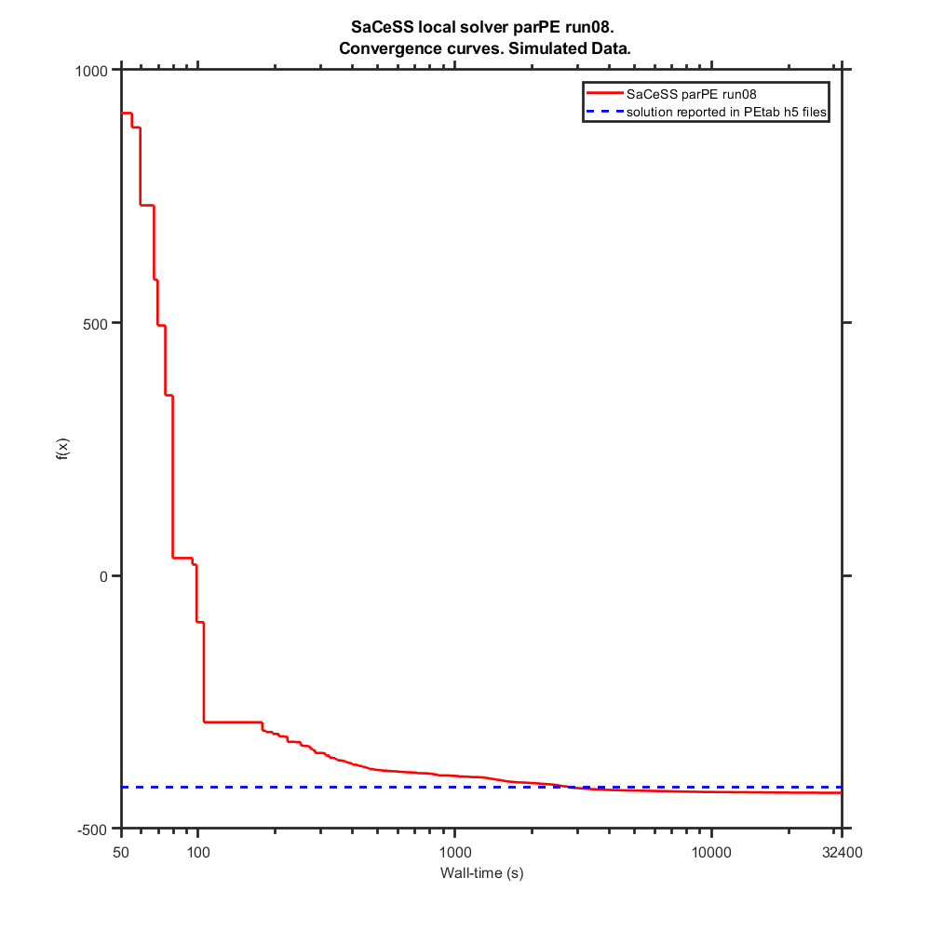
Benchmark settings:
 | format_version: | 1
 | parameter_file: | parameters_v3.0.0.tsv
 | problems:
 | - | condition_files:
 |  | - | experimentalCondition_v3.0.0.tsv
 |  | measurement_files:
 |  | - | simulatedData_v3.0.0_0.1noise.tsv
 |  | observable_files:
 |  | - | observables_v3.0.0.tsv
 |  | sbml_files:
 |  | - | cell_cycle_v3.0.0_rescaled_sbml.xml

saCeSS settings:
 | Processors: 23 parallel jobs+1 master per run
 | Execution time: 9 hours
 | Local solver: DHC and parPE

Hardware:
 | Finisterrae II supercomputer, provided by the Galicia Supercomputing Centre (CESGA): 306 nodes powered by two Intel Haswell 2680v3 CPUs (12 cores) with 128 GB RAM connected through an Infiniband FDR network.

 |  | Parameters
 | Likelihood | kPhRbD | kPhRbE | kDpRb | kPhRb | kSyCe1 | kSyCe2 | kDeCe | kDiE2fRb | kAsE2fRb | kSyE2f1 | kSyE2f2 | kDeE2f1 | kDeE2f2 | kPhE2f | kDpE2f2 | kSyEmi1 | kSyEmi2 | kDeEmi1 | kDeEmi2 | kDeEmi3 | kPhEmiA | kPhEmiB | kDpEmi | kSyCa1 | kSyCa2 | kDeCa1 | kDeCa2 | kDeCa3 | kDpCdh | kPhCdhA | kPhCdhE | kPhCdhB | kDiACE | kAsACE | kDiACdh | kAsACdh | kPhCeA | kPhCeE | kPhFoxE | kPhFoxA | kPhFoxB | kDpFox | kSyCb1 | kSyCb2 | kDeCb1 | kDeCb2 | kDeCb3 | kPhEnsa | kDpEnsa | kPhGw | kDpGw1 | kDpGw2 | kWee1 | kWee2 | kPhWeeA | kPhWeeB | kDpWee | kCdc25_1 | kCdc25_2 | kDpCdc25 | kDipEB55 | kAspEB55 | kSyCdc_1 | kSyCdc_2 | kDeCdc_1 | kDeCdc_2 | kDipACdc | kAspACdc | kPhApcA | kDpApc | kSyFox1 | kSyFox2 | kDeFox1 | kDeFox2 | kAsEPx | kDiEPx | kAsFPcb | kDiFPcb | kAsFPcdc | kDiFPcdc | kPhC25B | kPhCAEE | kPhCAEA | kPhCAEB | ic_wt_cell__CCND | ic_wt_cell__CCNE | ic_wt_cell__E2F_DBD_RB1_Ser332u_ | ic_wt_cell__E2F_DBD_RB1_Ser332p_ | ic_wt_cell__CCNA | ic_wt_cell__CCNB_CDK1_Thr14_Tyr15u_ | ic_wt_cell__E2F_DBD_RB1_1_Ser332u__RB1_E2F_1_Ser807_Ser811u_ | ic_wt_cell__E2F_DBD_RB1_1_Ser332p__RB1_E2F_1_Ser807_Ser811u_ | ic_wt_cell__RB1_E2F_Ser807_Ser811u_ | ic_wt_cell__RB1_E2F_Ser807_Ser811p_ | ic_wt_cell__PPP2R2B_ENSA_ARPP19_ | ic_wt_cell__APC_FBXO5_FZR1_CDC20_Ser355u_ | ic_wt_cell__CDC20_APC_ | ic_wt_cell__APC_FBXO5_FZR1_CDC20_1_Ser355p__CDC20_APC_1_ | ic_wt_cell__APC_FBXO5_FZR1_CDC20_Ser355p_ | ic_wt_cell__APC_FBXO5_FZR1_CDC20_1_Ser355u__FZR1_APC_1_FBXO5_nTermu_ | ic_wt_cell__FZR1_APC_FBXO5_nTermu_ | ic_wt_cell__FZR1_APC_FBXO5_nTermp_ | ic_wt_cell__APC_FBXO5_1_FZR1_CDC20_2_Ser355u__FBXO5_APC_1_FZR1_3_Ser182u__FZR1_APC_2_FBXO5_3_nTermu_ | ic_wt_cell__FBXO5_APC_FZR1_Ser182u_ | ic_wt_cell__APC_FBXO5_1_FZR1_CDC20_2_Ser355p__FBXO5_APC_1_FZR1_3_Ser182u__FZR1_APC_2_FBXO5_3_nTermu_ | ic_wt_cell__APC_FBXO5_FZR1_CDC20_1_Ser355p__FZR1_APC_1_FBXO5_nTermu_ | ic_wt_cell__FBXO5_APC_FZR1_Ser182p_ | ic_wt_cell__FOXM1_DBD_Thr600u_ | ic_wt_cell__FOXM1_DBD_Thr600p_ | ic_wt_cell__CCNB_promoter_FOXM1_1__FOXM1_DBD_1_Thr600p_ | ic_wt_cell__CCNB_promoter_FOXM1_ | ic_wt_cell__CDC20_promoter_FOXM1_ | ic_wt_cell__CDC20_promoter_FOXM1_1__FOXM1_DBD_1_Thr600p_ | ic_wt_cell__WEE1_Ser123u_ | ic_wt_cell__CCNB_CDK1_Thr14_Tyr15p_ | ic_wt_cell__WEE1_Ser123p_ | ic_wt_cell__CDC25_pSitesp_ | ic_wt_cell__CDC25_pSitesu_ | ic_wt_cell__MASTL_Thr198u_ | ic_wt_cell__MASTL_Thr198p_ | ic_wt_cell__ENSA_ARPP19_PPP2R2B_Ser62_Ser67u_ | ic_wt_cell__ENSA_ARPP19_PPP2R2B_Ser62_Ser67p_ | ic_wt_cell__ENSA_ARPP19_PPP2R2B_1_Ser62_Ser67p__PPP2R2B_ENSA_ARPP19_1_ | ic_wt_cell__CCNE_promoter_E2F_ | ic_wt_cell__CCNA_promoter_E2F_ | ic_wt_cell__E2F_promoter_E2F_ | ic_wt_cell__FBXO5_promoter_E2F_ | ic_wt_cell__FOXM1_promoter_E2F_ | ic_wt_cell__CCNE_promoter_E2F_1__E2F_DBD_1_RB1_Ser332u_ | ic_wt_cell__CCNA_promoter_E2F_1__E2F_DBD_1_RB1_Ser332u_ | ic_wt_cell__E2F_DBD_1_RB1_Ser332u__E2F_promoter_E2F_1_ | ic_wt_cell__E2F_DBD_1_RB1_Ser332u__FBXO5_promoter_E2F_1_ | ic_wt_cell__E2F_DBD_1_RB1_Ser332u__FOXM1_promoter_E2F_1_ | sCCNA | sCCNB | sCCNE | sE2F | sRB1_pSer807Ser811
lowerBound | - | -7.49835 | -7.27448 | -8.88104 | -6.17539 | -13.48620 | -0.87707 | -11.18360 | -10.26880 | -3.36102 | -14.18220 | -2.66931 | -11.87970 | -8.88104 | -8.88104 | -4.97190 | -12.57140 | -1.05843 | -10.26880 | -10.26880 | -7.96619 | -12.57140 | -10.96480 | -14.87390 | -14.18220 | -2.95651 | -14.18220 | -8.19149 | -9.57707 | -7.96619 | -6.35963 | -9.57707 | -4.05705 | -10.26880 | -3.36102 | -10.26880 | -3.36102 | -7.27448 | -11.87970 | -9.57707 | -9.57707 | -7.96619 | -12.57140 | -14.18220 | -2.95651 | -14.18220 | -9.35421 | -9.35421 | -9.57707 | -10.26880 | -7.27448 | -8.66222 | -4.97190 | -11.87970 | -7.27448 | -9.57707 | -7.27448 | -4.97190 | -9.57707 | -7.27448 | -4.97190 | -12.26580 | -3.23145 | -14.18220 | -2.66931 | -12.79670 | -10.49410 | -9.35421 | -7.27448 | -11.87970 | -5.66360 | -14.18220 | -2.95651 | -14.18220 | -7.96619 | -3.36102 | -5.66360 | -3.36102 | -4.97190 | -3.36102 | -4.05705 | -7.27448 | -9.80093 | -6.57845 | -4.27587 | 0.10000 | 0.02320 | 0.00185 | 0.00000 | 0.00070 | 0.00019 | 0.00715 | 0.00002 | 0.00876 | 0.08410 | 0.00772 | 0.40300 | 0.02300 | 0.00699 | 0.00631 | 0.07140 | 0.00006 | 0.01610 | 0.01090 | 0.00007 | 0.00022 | 0.00136 | 0.00000 | 0.00056 | 0.00004 | 0.00000 | 0.00001 | 0.00001 | 0.00000 | 0.09800 | 0.00075 | 0.00196 | 0.00184 | 0.09820 | 0.09980 | 0.00025 | 0.08270 | 0.00003 | 0.01730 | 0.00001 | 0.00001 | 0.00001 | 0.00001 | 0.00001 | 0.00000 | 0.00000 | 0.00000 | 0.00000 | 0.00000 | 0.20000 | 0.20000 | 0.20000 | 0.20000 | 0.20000
upperBound | - | -2.89318 | -2.66931 | -4.27587 | -1.57022 | -8.88104 | 3.72810 | -6.57845 | -5.66360 | 1.24415 | -9.57707 | 1.93586 | -7.27448 | -4.27587 | -4.27587 | -0.36673 | -7.96619 | 3.54674 | -5.66360 | -5.66360 | -3.36102 | -7.96619 | -6.35963 | -10.26880 | -9.57707 | 1.64866 | -9.57707 | -3.58632 | -4.97190 | -3.36102 | -1.75446 | -4.97190 | 0.54812 | -5.66360 | 1.24415 | -5.66360 | 1.24415 | -2.66931 | -7.27448 | -4.97190 | -4.97190 | -3.36102 | -7.96619 | -9.57707 | 1.64866 | -9.57707 | -4.74904 | -4.74904 | -4.97190 | -5.66360 | -2.66931 | -4.05705 | -0.36673 | -7.27448 | -2.66931 | -4.97190 | -2.66931 | -0.36673 | -4.97190 | -2.66931 | -0.36673 | -7.66065 | 1.37372 | -9.57707 | 1.93586 | -8.19149 | -5.88891 | -4.74904 | -2.66931 | -7.27448 | -1.05843 | -9.57707 | 1.64866 | -9.57707 | -3.36102 | 1.24415 | -1.05843 | 1.24415 | -0.36673 | 1.24415 | 0.54812 | -2.66931 | -5.19576 | -1.97328 | 0.32930 | 10.00000 | 2.32000 | 0.18500 | 0.00038 | 0.07030 | 0.01880 | 0.71500 | 0.00151 | 0.87600 | 8.41000 | 0.77200 | 40.30000 | 2.30000 | 0.69900 | 0.63100 | 7.14000 | 0.00571 | 1.61000 | 1.09000 | 0.00718 | 0.02210 | 0.13600 | 0.00019 | 0.05560 | 0.00381 | 0.00000 | 0.00100 | 0.00100 | 0.00000 | 9.80000 | 0.07510 | 0.19600 | 0.18400 | 9.82000 | 9.98000 | 0.02470 | 8.27000 | 0.00329 | 1.73000 | 0.00085 | 0.00085 | 0.00085 | 0.00085 | 0.00085 | 0.00016 | 0.00016 | 0.00016 | 0.00016 | 0.00016 | 20.00000 | 20.00000 | 20.00000 | 20.00000 | 20.00000
Nominal Values | -418.01065500 | -5.19504 | -4.97189 | -6.58133 | -3.87328 | -11.18360 | 1.42504 | -8.88392 | -7.96763 | -1.05987 | -11.87970 | -0.36672 | -9.57707 | -6.58133 | -6.58133 | -2.66931 | -10.26880 | 1.24271 | -7.96763 | -7.96763 | -5.66504 | -10.26880 | -8.66077 | -12.57140 | -11.87970 | -0.65441 | -11.87970 | -5.88819 | -7.27448 | -5.66504 | -4.05560 | -7.27448 | -1.75302 | -7.96763 | -1.05987 | -7.96763 | -1.05987 | -4.97189 | -9.57707 | -7.27448 | -7.27448 | -5.66504 | -10.26880 | -11.87970 | -0.65441 | -11.87970 | -7.05134 | -7.05134 | -7.27448 | -7.96763 | -4.97189 | -6.35819 | -2.66931 | -9.57707 | -4.97189 | -7.27448 | -4.97189 | -2.66931 | -7.27448 | -4.97189 | -2.66931 | -9.96324 | -0.92884 | -11.87970 | -0.36672 | -10.49410 | -8.19077 | -7.05134 | -4.97189 | -9.57707 | -3.36246 | -11.87970 | -0.65441 | -11.87970 | -5.66504 | -1.05987 | -3.36246 | -1.05987 | -2.66931 | -1.05987 | -1.75302 | -4.97189 | -7.49762 | -4.27875 | -1.97616 | 1.00000 | 0.23225 | 0.01848 | 0.00004 | 0.00703 | 0.00188 | 0.07146 | 0.00015 | 0.08764 | 0.84075 | 0.07719 | 4.02871 | 0.22995 | 0.06989 | 0.06309 | 0.71354 | 0.00057 | 0.16112 | 0.10894 | 0.00072 | 0.00221 | 0.01361 | 0.00002 | 0.00556 | 0.00038 | 0.00000 | 0.00010 | 0.00010 | 0.00000 | 0.98044 | 0.00751 | 0.01956 | 0.01844 | 0.98156 | 0.99753 | 0.00247 | 0.82686 | 0.00033 | 0.17281 | 0.00008 | 0.00008 | 0.00008 | 0.00008 | 0.00008 | 0.00002 | 0.00002 | 0.00002 | 0.00002 | 0.00002 | 2.00000 | 2.00000 | 2.00000 | 2.00000 | 2.00000

SaCeSS local solver parPE run01 | -428.229456 | -6.19045 | -5.89988 | -7.11318 | -4.39520 | -12.04247 | 0.82315 | -9.28143 | -8.44048 | -1.66340 | -12.30187 | -1.27020 | -9.95449 | -6.90572 | -6.59742 | -3.47412 | -11.12350 | 0.70081 | -8.95308 | -8.74378 | -6.64388 | -11.72781 | -8.57387 | -10.26880 | -12.34370 | -1.24033 | -14.17160 | -6.91510 | -7.69470 | -6.10199 | -6.33469 | -8.12257 | -2.19510 | -10.26732 | -1.73158 | -8.39847 | -2.38859 | -5.40660 | -10.52986 | -7.91042 | -7.45466 | -3.36322 | -10.56576 | -12.45278 | -1.22491 | -12.06185 | -7.55525 | -7.66467 | -7.75676 | -9.09944 | -5.72423 | -8.65746 | -3.37079 | -7.27509 | -5.60424 | -8.56433 | -3.58056 | -3.76614 | -8.18462 | -5.07034 | -4.06650 | -12.25744 | 1.37092 | -11.45531 | -0.35323 | -11.10344 | -7.49804 | -9.25584 | -5.36711 | -10.44765 | -3.98667 | -12.32815 | -1.48533 | -11.40738 | -6.79583 | -1.99522 | -4.32376 | -1.72813 | -3.30217 | -1.27426 | -3.99893 | -5.47164 | -7.52429 | -4.92461 | -2.83448 | 1.98552 | 0.39254 | 0.02062 | 0.00015 | 0.00071 | 0.00058 | 0.07415 | 0.00014 | 0.17389 | 0.72829 | 0.14596 | 10.46901 | 0.55701 | 0.40594 | 0.62849 | 1.37928 | 0.00065 | 0.29731 | 0.34030 | 0.00008 | 0.00504 | 0.02291 | 0.00003 | 0.00126 | 0.00005 | 0.00000 | 0.00010 | 0.00026 | 0.00000 | 3.32308 | 0.00655 | 0.01989 | 0.00246 | 2.26052 | 1.52710 | 0.02470 | 1.70922 | 0.00038 | 0.21942 | 0.00015 | 0.00012 | 0.00016 | 0.00016 | 0.00019 | 0.00004 | 0.00003 | 0.00008 | 0.00003 | 0.00003 | 1.88959 | 3.30466 | 1.25393 | 1.69460 | 2.03974
SaCeSS local solver parPE run02 | -427.921526 | -5.79363 | -5.14986 | -7.07395 | -4.19392 | -11.97955 | 0.39627 | -9.32741 | -9.36039 | -1.85576 | -12.20230 | -1.13426 | -9.70313 | -7.14074 | -6.26717 | -3.67536 | -11.49967 | -0.00933 | -9.08849 | -9.18731 | -3.36553 | -8.90206 | -10.96480 | -10.26984 | -11.99876 | -1.25197 | -12.63035 | -6.30089 | -8.19207 | -6.85113 | -6.35932 | -7.47599 | -4.05133 | -10.20433 | 0.92592 | -10.26491 | -2.17588 | -5.16902 | -9.86694 | -9.57658 | -6.63487 | -6.78069 | -11.45014 | -12.14832 | -1.94354 | -12.46773 | -7.35663 | -8.19129 | -7.31809 | -8.38439 | -5.98881 | -8.65814 | -3.67809 | -7.27493 | -5.74017 | -9.57701 | -7.27430 | -3.76243 | -8.07003 | -5.46419 | -3.32784 | -12.26006 | 1.37364 | -9.57730 | -0.09160 | -12.79670 | -10.49405 | -8.29823 | -2.77948 | -10.25829 | -3.94757 | -12.45661 | -1.72927 | -12.90652 | -6.54570 | -2.03214 | -4.69693 | -1.81440 | -3.42560 | 0.79079 | -4.05414 | -6.58124 | -6.30136 | -6.57837 | -3.20178 | 1.31660 | 0.24382 | 0.00198 | 0.00002 | 0.00070 | 0.00019 | 0.07693 | 0.00004 | 0.20383 | 0.86963 | 0.11209 | 19.63642 | 2.24089 | 0.12081 | 0.00670 | 0.82264 | 0.00221 | 0.32130 | 0.14738 | 0.00007 | 0.00118 | 0.06867 | 0.00001 | 0.05287 | 0.00070 | 0.00000 | 0.00030 | 0.00100 | 0.00000 | 0.82400 | 0.01403 | 0.02650 | 0.00969 | 1.66200 | 1.26586 | 0.00245 | 1.51766 | 0.00325 | 0.43072 | 0.00012 | 0.00005 | 0.00015 | 0.00011 | 0.00015 | 0.00003 | 0.00002 | 0.00004 | 0.00002 | 0.00008 | 2.64944 | 1.90030 | 2.09816 | 1.95911 | 1.72865
SaCeSS local solver parPE run03 | -428.563548 | -5.80663 | -5.51404 | -7.07558 | -4.41399 | -11.70348 | 0.48860 | -9.20460 | -7.05155 | -1.64696 | -12.17293 | -1.40289 | -9.85703 | -7.17460 | -6.36716 | -3.40076 | -10.16623 | 0.66957 | -7.90832 | -8.83217 | -6.90322 | -11.41503 | -10.96436 | -13.12008 | -11.56952 | -1.91400 | -12.81309 | -6.59201 | -7.82959 | -6.91552 | -6.35956 | -8.54793 | -2.93642 | -10.21233 | -1.36033 | -7.72243 | -2.96912 | -5.50747 | -10.46360 | -8.59337 | -7.58862 | -3.58408 | -10.60961 | -12.61095 | -1.54828 | -12.70188 | -8.16404 | -7.81471 | -8.46862 | -8.22411 | -5.95287 | -8.65730 | -3.43489 | -7.27480 | -5.89010 | -7.68489 | -6.20960 | -3.91361 | -7.67712 | -5.23073 | -4.39228 | -12.24592 | 1.37306 | -11.75107 | -1.37142 | -12.63851 | -7.98436 | -9.33522 | -2.67012 | -9.49156 | -3.46137 | -12.56374 | -1.55751 | -11.18268 | -5.96003 | -1.65054 | -4.07312 | -1.49663 | -3.96756 | -2.11991 | -3.14173 | -6.59413 | -6.89517 | -5.15429 | -3.74518 | 1.39518 | 0.27196 | 0.00185 | 0.00002 | 0.00072 | 0.00431 | 0.09573 | 0.00049 | 0.15846 | 0.77889 | 0.07359 | 4.95651 | 0.23221 | 0.28411 | 0.06441 | 1.69994 | 0.00554 | 0.18898 | 0.11100 | 0.00197 | 0.00685 | 0.06063 | 0.00001 | 0.01358 | 0.00366 | 0.00000 | 0.00014 | 0.00027 | 0.00000 | 1.57191 | 0.00426 | 0.05285 | 0.00194 | 1.30009 | 2.12781 | 0.02468 | 3.14922 | 0.00140 | 0.30551 | 0.00013 | 0.00019 | 0.00026 | 0.00022 | 0.00013 | 0.00002 | 0.00002 | 0.00003 | 0.00001 | 0.00002 | 1.99359 | 2.67419 | 1.84379 | 1.53272 | 1.93110
SaCeSS local solver parPE run04 | -429.0526 | -6.35821 | -5.63074 | -7.40880 | -4.73613 | -11.98635 | 0.03099 | -9.18950 | -10.22951 | -1.92118 | -12.26348 | -1.48173 | -9.62903 | -6.79636 | -6.56951 | -2.97318 | -11.47483 | 0.41685 | -9.36724 | -9.08640 | -7.96609 | -8.84356 | -10.94820 | -10.29613 | -12.23343 | -1.49413 | -11.86930 | -7.02283 | -8.02701 | -7.05580 | -6.35946 | -8.13095 | -3.52992 | -10.26637 | -1.11221 | -5.84034 | -0.86975 | -5.30738 | -9.47878 | -7.59675 | -7.92831 | -7.87495 | -9.54868 | -12.25899 | -1.96207 | -12.30408 | -7.50099 | -8.01488 | -8.39207 | -8.89703 | -6.19341 | -8.65935 | -2.97307 | -7.28352 | -6.24248 | -7.92563 | -5.27489 | -4.01727 | -8.43056 | -5.55833 | -4.15026 | -12.26248 | 1.37012 | -12.91395 | -1.25304 | -10.27465 | -7.95011 | -7.21155 | -5.08249 | -9.54501 | -3.36793 | -11.52966 | -0.38846 | -11.06519 | -6.09620 | -2.07801 | -4.44734 | -1.32706 | -3.68353 | 1.23863 | -4.05695 | -6.26118 | -6.65199 | -5.52293 | -2.87698 | 1.83636 | 0.22524 | 0.00185 | 0.00006 | 0.00081 | 0.00021 | 0.08602 | 0.00006 | 0.17776 | 0.83632 | 0.08725 | 8.42413 | 0.66287 | 0.17258 | 0.00660 | 1.28095 | 0.00119 | 0.50112 | 0.09531 | 0.00165 | 0.01328 | 0.02450 | 0.00002 | 0.03150 | 0.00065 | 0.00000 | 0.00013 | 0.00038 | 0.00000 | 1.70877 | 0.00500 | 0.04099 | 0.00188 | 2.23109 | 2.27819 | 0.02447 | 2.23728 | 0.00328 | 0.22583 | 0.00023 | 0.00013 | 0.00023 | 0.00008 | 0.00011 | 0.00005 | 0.00005 | 0.00008 | 0.00002 | 0.00002 | 1.77203 | 3.52299 | 2.24410 | 1.92215 | 1.80445
SaCeSS local solver parPE run05 | -428.790561 | -5.37995 | -5.31302 | -7.48216 | -4.44253 | -11.98919 | -0.14386 | -9.30594 | -6.21486 | -1.62961 | -12.46041 | -1.46766 | -9.78320 | -7.08869 | -6.71956 | -3.49846 | -11.21065 | -0.06070 | -9.44616 | -8.90601 | -7.81827 | -11.08885 | -7.70522 | -13.11962 | -12.03266 | -1.43473 | -14.15556 | -6.96517 | -7.51526 | -6.92917 | -4.88841 | -8.10679 | -2.32638 | -10.26312 | 1.24400 | -10.26880 | -0.89017 | -5.79344 | -10.23019 | -5.49414 | -8.11500 | -7.92293 | -10.60807 | -12.42673 | -1.26870 | -12.03869 | -7.09243 | -7.48873 | -7.60250 | -8.94312 | -5.72982 | -8.65690 | -2.98437 | -11.87050 | -5.57275 | -8.52863 | -3.47879 | -3.66701 | -8.06510 | -5.88056 | -4.30551 | -12.24796 | 1.37274 | -10.23102 | 0.34906 | -12.72457 | -6.67730 | -9.34863 | -4.66822 | -9.91473 | -3.83726 | -12.00524 | -1.59134 | -11.36000 | -6.52559 | -1.43126 | -3.88593 | -2.46646 | -3.45166 | -1.02686 | -2.84085 | -5.97819 | -7.16874 | -5.46747 | -3.01662 | 0.66687 | 0.24264 | 0.00186 | 0.00004 | 0.00078 | 0.00454 | 0.07342 | 0.00002 | 0.15950 | 0.81223 | 0.14227 | 3.71000 | 0.13313 | 0.11221 | 0.03110 | 1.26083 | 0.00571 | 0.23957 | 0.16264 | 0.00008 | 0.01673 | 0.05355 | 0.00019 | 0.00104 | 0.00381 | 0.00000 | 0.00010 | 0.00019 | 0.00000 | 0.72222 | 0.00095 | 0.07038 | 0.03267 | 1.14592 | 2.44864 | 0.00064 | 1.32980 | 0.00298 | 0.30958 | 0.00025 | 0.00017 | 0.00017 | 0.00013 | 0.00020 | 0.00007 | 0.00003 | 0.00008 | 0.00001 | 0.00004 | 1.27729 | 3.53721 | 2.02301 | 2.13705 | 1.85523
SaCeSS local solver parPE run06 | -428.907307 | -5.76040 | -4.01945 | -6.81917 | -3.55177 | -13.48152 | 0.38225 | -8.74340 | -6.29181 | -2.03948 | -12.33171 | -1.12087 | -9.36633 | -6.97672 | -6.65283 | -3.25981 | -11.42704 | -0.14316 | -8.81386 | -8.76700 | -7.72867 | -12.57101 | -10.96219 | -10.30991 | -11.69903 | -1.56193 | -11.66969 | -6.46136 | -7.64710 | -6.25912 | -6.35654 | -9.54911 | -2.24194 | -10.22831 | -0.44947 | -7.04643 | -2.11123 | -4.97288 | -9.16857 | -8.18585 | -5.95898 | -6.65671 | -9.44170 | -12.60379 | -1.25488 | -11.32321 | -7.78687 | -7.61511 | -7.44967 | -9.21324 | -5.97248 | -8.66170 | -2.75118 | -11.86322 | -5.83385 | -7.49357 | -4.86932 | -3.59215 | -8.11954 | -5.92938 | -3.18343 | -12.26578 | 1.36826 | -13.99698 | 0.35863 | -12.70110 | -6.30019 | -9.34753 | -2.68516 | -9.95538 | -3.27432 | -14.14135 | -1.25693 | -10.42349 | -6.41593 | -1.68654 | -3.43720 | -2.33932 | -3.06060 | 0.53886 | -1.74499 | -5.98084 | -5.45947 | -4.99684 | -3.23721 | 1.85061 | 0.13003 | 0.03713 | 0.00000 | 0.00072 | 0.00306 | 0.06749 | 0.00008 | 0.30750 | 1.35859 | 0.14873 | 6.71779 | 2.28278 | 0.02153 | 0.06660 | 0.83588 | 0.00150 | 0.20006 | 0.15129 | 0.00597 | 0.00029 | 0.11779 | 0.00015 | 0.00814 | 0.00264 | 0.00000 | 0.00013 | 0.00100 | 0.00000 | 0.94481 | 0.00342 | 0.02849 | 0.03168 | 2.56777 | 1.15165 | 0.01041 | 1.01373 | 0.00327 | 0.18425 | 0.00011 | 0.00011 | 0.00028 | 0.00019 | 0.00037 | 0.00006 | 0.00008 | 0.00006 | 0.00004 | 0.00002 | 1.93545 | 2.94331 | 3.76109 | 1.55692 | 1.12082
SaCeSS local solver parPE run07 | -428.936425 | -6.27240 | -5.52835 | -7.33882 | -4.14683 | -11.57784 | 0.48029 | -9.23167 | -8.06008 | -2.13213 | -12.35052 | -0.94488 | -9.88190 | -7.09724 | -6.27701 | -3.11535 | -11.19180 | 0.14965 | -8.95654 | -8.67061 | -6.64636 | -9.68647 | -9.38961 | -11.68029 | -12.32972 | -1.30633 | -11.89607 | -6.49160 | -7.20861 | -6.81006 | -6.35731 | -7.73564 | -2.64780 | -10.20058 | 0.38156 | -8.26196 | -1.93354 | -5.52209 | -10.29414 | -7.56552 | -5.83278 | -6.62734 | -12.50872 | -12.95279 | -1.41448 | -13.43376 | -8.25530 | -7.19906 | -7.82744 | -8.23075 | -5.52490 | -8.65574 | -3.46534 | -7.27498 | -5.71979 | -8.59855 | -6.38665 | -4.30640 | -9.57701 | -6.11601 | -3.68091 | -12.26580 | 1.37347 | -12.50005 | -1.86068 | -11.64098 | -9.49200 | -7.17377 | -5.92018 | -10.05844 | -3.96507 | -13.12411 | -1.07939 | -11.46270 | -5.22013 | -1.36751 | -4.21496 | -1.83642 | -3.43622 | -2.02595 | -2.37001 | -5.58061 | -6.84818 | -5.30623 | -2.97499 | 1.82266 | 0.37106 | 0.00219 | 0.00037 | 0.00071 | 0.00196 | 0.06594 | 0.00012 | 0.29965 | 1.24315 | 0.11362 | 7.14779 | 2.28892 | 0.56499 | 0.01919 | 0.82487 | 0.00006 | 0.51195 | 0.18128 | 0.00007 | 0.00489 | 0.08365 | 0.00003 | 0.03487 | 0.00028 | 0.00000 | 0.00011 | 0.00010 | 0.00000 | 0.58235 | 0.00545 | 0.03426 | 0.00218 | 1.90642 | 1.97339 | 0.01098 | 0.92732 | 0.00329 | 0.24088 | 0.00015 | 0.00010 | 0.00007 | 0.00014 | 0.00025 | 0.00009 | 0.00005 | 0.00005 | 0.00002 | 0.00005 | 1.73086 | 2.67520 | 1.33928 | 2.28819 | 1.20878
SaCeSS local solver parPE run08 | -429.247946 | -5.59960 | -4.95715 | -6.97783 | -3.82774 | -11.72413 | -0.04261 | -9.15060 | -5.66378 | -1.30083 | -12.60151 | -1.00186 | -9.47999 | -6.83438 | -6.41839 | -3.67717 | -11.90468 | 0.29080 | -9.73154 | -9.23269 | -7.74860 | -12.41035 | -8.02687 | -10.26975 | -11.85312 | -1.73408 | -11.80910 | -7.11022 | -8.20246 | -6.37880 | -6.35947 | -5.32758 | -2.52273 | -10.25856 | -1.43990 | -8.43555 | -1.22309 | -5.29476 | -10.62165 | -8.50896 | -7.34851 | -5.26369 | -12.56967 | -12.23988 | -1.83991 | -13.07042 | -7.33009 | -8.19859 | -7.48904 | -8.51025 | -4.66479 | -8.66138 | -3.79509 | -7.27458 | -5.40525 | -6.66636 | -6.48929 | -4.28928 | -7.77076 | -5.48776 | -2.84385 | -12.02019 | 1.37305 | -10.70421 | -0.77096 | -9.92412 | -7.72123 | -6.17874 | -5.95670 | -10.22641 | -4.20116 | -12.12064 | -2.10060 | -13.23009 | -6.86135 | -2.05453 | -4.45981 | -1.37325 | -3.26363 | 1.17676 | -4.05556 | -3.32231 | -7.55921 | -6.57775 | -3.07470 | 1.36617 | 0.24362 | 0.00185 | 0.00001 | 0.00072 | 0.00409 | 0.06386 | 0.00002 | 0.17805 | 0.81490 | 0.22150 | 24.37495 | 0.05228 | 0.00702 | 0.43079 | 3.78990 | 0.00493 | 0.29452 | 0.18795 | 0.00007 | 0.01436 | 0.03767 | 0.00018 | 0.05460 | 0.00380 | 0.00000 | 0.00009 | 0.00050 | 0.00000 | 1.84698 | 0.00077 | 0.08643 | 0.00184 | 1.58355 | 2.23465 | 0.00031 | 1.18060 | 0.00329 | 0.44485 | 0.00028 | 0.00015 | 0.00012 | 0.00048 | 0.00059 | 0.00006 | 0.00007 | 0.00004 | 0.00002 | 0.00001 | 1.84466 | 4.32483 | 2.03853 | 2.60405 | 1.85070
SaCeSS local solver parPE run09 | -427.933863 | -6.05428 | -5.69619 | -7.39400 | -4.31622 | -12.02508 | 0.57891 | -9.32446 | -6.61202 | -1.58665 | -12.27806 | -1.20549 | -9.64688 | -6.92948 | -6.50259 | -3.78486 | -11.32951 | 0.68111 | -8.42380 | -8.81018 | -3.37330 | -10.22705 | -10.92732 | -14.15740 | -12.81132 | -1.83539 | -12.12062 | -6.99215 | -7.67455 | -6.73870 | -6.35844 | -7.72652 | -2.77676 | -10.20410 | -0.77971 | -5.66450 | -1.40500 | -4.99022 | -9.71486 | -8.21288 | -6.10525 | -6.00064 | -11.26074 | -12.51844 | -1.89544 | -12.24208 | -7.83793 | -7.65703 | -7.83446 | -8.91533 | -5.90695 | -7.49311 | -3.91376 | -9.64224 | -5.76453 | -7.37086 | -3.73370 | -3.58974 | -7.96486 | -4.30004 | -2.93749 | -12.23978 | 1.35718 | -10.10204 | -0.58681 | -12.46757 | -7.24214 | -6.55749 | -4.91056 | -9.89651 | -3.97844 | -11.68229 | -1.65140 | -12.13221 | -6.36069 | -1.91029 | -4.18190 | -1.56888 | -3.47449 | -1.54289 | -4.05689 | -6.06740 | -7.38400 | -5.43892 | -3.19059 | 1.35501 | 0.27935 | 0.01643 | 0.00009 | 0.00073 | 0.00020 | 0.07056 | 0.00009 | 0.17067 | 0.75299 | 0.23702 | 7.09799 | 2.28911 | 0.15917 | 0.02953 | 1.40988 | 0.00020 | 0.35559 | 0.21929 | 0.00195 | 0.01776 | 0.05157 | 0.00006 | 0.01741 | 0.00075 | 0.00000 | 0.00016 | 0.00032 | 0.00000 | 2.20386 | 0.00648 | 0.02975 | 0.04139 | 2.07432 | 1.92186 | 0.00472 | 1.27484 | 0.00079 | 0.20558 | 0.00015 | 0.00014 | 0.00019 | 0.00021 | 0.00021 | 0.00004 | 0.00004 | 0.00004 | 0.00003 | 0.00005 | 2.59914 | 3.15137 | 1.80939 | 1.97790 | 1.99008
SaCeSS local solver parPE run10 | -428.855677 | -6.48811 | -5.56146 | -7.51902 | -4.72643 | -11.68606 | 0.60720 | -9.09988 | -6.37898 | -1.44118 | -11.97465 | -0.79586 | -9.77528 | -7.03139 | -6.46794 | -3.49740 | -10.76462 | 0.45563 | -8.38531 | -8.73887 | -7.55361 | -12.56508 | -10.95224 | -14.54178 | -12.07616 | -1.64596 | -13.26814 | -6.73298 | -7.55891 | -6.71518 | -6.34780 | -9.57673 | -3.58727 | -10.24817 | 1.24330 | -10.19457 | -3.35380 | -5.38130 | -9.99082 | -9.14816 | -7.09139 | -5.41408 | -11.23394 | -12.98087 | -1.88971 | -13.13786 | -8.34882 | -7.56894 | -8.17914 | -9.32851 | -5.30027 | -8.66204 | -2.92573 | -7.27630 | -5.95774 | -8.19612 | -4.69645 | -4.29143 | -8.50175 | -5.88932 | -3.63617 | -12.10496 | 1.36796 | -13.44163 | 0.68570 | -12.27359 | -6.90707 | -9.32352 | -5.44338 | -9.95837 | -3.81112 | -11.46323 | -0.31936 | -13.06132 | -6.35625 | -1.59109 | -3.83599 | -1.50290 | -2.78830 | -0.70088 | -2.71749 | -5.52509 | -6.27768 | -5.32675 | -3.07297 | 1.85838 | 0.20361 | 0.00198 | 0.00001 | 0.00070 | 0.00019 | 0.09677 | 0.00003 | 0.14091 | 0.75945 | 0.15104 | 6.09167 | 0.51458 | 0.40260 | 0.24294 | 0.78508 | 0.00033 | 0.38125 | 0.13974 | 0.00007 | 0.02209 | 0.05481 | 0.00007 | 0.05553 | 0.00280 | 0.00000 | 0.00017 | 0.00030 | 0.00000 | 0.92622 | 0.00792 | 0.02681 | 0.03916 | 1.05320 | 1.75478 | 0.00025 | 2.10009 | 0.00013 | 0.29728 | 0.00009 | 0.00012 | 0.00013 | 0.00010 | 0.00009 | 0.00003 | 0.00003 | 0.00004 | 0.00005 | 0.00005 | 1.91783 | 2.86023 | 2.51093 | 1.62067 | 1.98746
best value | -429.24794600
avg | -428.64389090
SaCeSS local solver DHC run01 | -428.214417 | -5.91772 | -5.71144 | -7.21938 | -4.37384 | -11.48517 | 0.56857 | -9.40818 | -6.86263 | -1.23398 | -12.28441 | -1.20236 | -9.76731 | -7.07278 | -6.08704 | -2.89658 | -11.46381 | 0.23967 | -8.40833 | -8.62472 | -6.73346 | -9.87461 | -10.75352 | -11.63628 | -11.76864 | -1.36875 | -13.14835 | -6.52479 | -7.76768 | -6.71292 | -6.22124 | -8.19227 | -2.64186 | -10.26639 | -0.81532 | -9.96240 | -3.33041 | -5.34626 | -9.97706 | -9.52069 | -6.10771 | -4.32115 | -10.58223 | -12.93130 | -1.42398 | -12.10841 | -8.14966 | -7.74976 | -8.25302 | -8.92327 | -5.62672 | -8.63757 | -3.54149 | -7.27448 | -5.70964 | -9.57413 | -7.27442 | -2.25240 | -8.22423 | -6.03330 | -3.69500 | -12.24951 | 1.37370 | -10.47650 | 1.93586 | -12.75632 | -6.51349 | -8.27344 | -6.29553 | -10.09924 | -3.41659 | -12.47415 | -1.11526 | -13.29203 | -6.42575 | -1.09837 | -4.25751 | -2.54901 | -3.45223 | -1.02807 | -4.05545 | -5.33329 | -8.10286 | -5.46203 | -3.39787 | 1.42338 | 0.29243 | 0.00204 | 0.00014 | 0.00070 | 0.00019 | 0.06731 | 0.00009 | 0.21275 | 0.88693 | 0.09804 | 10.53703 | 1.51160 | 0.69898 | 0.63007 | 0.91526 | 0.00051 | 0.17914 | 0.12405 | 0.00012 | 0.01848 | 0.03190 | 0.00009 | 0.01051 | 0.00087 | 0.00000 | 0.00014 | 0.00019 | 0.00000 | 1.83035 | 0.00594 | 0.04275 | 0.00184 | 2.70681 | 2.21957 | 0.01140 | 0.97400 | 0.00014 | 0.24408 | 0.00011 | 0.00009 | 0.00014 | 0.00020 | 0.00016 | 0.00006 | 0.00002 | 0.00002 | 0.00003 | 0.00003 | 2.03670 | 2.89264 | 1.71874 | 2.29466 | 1.70001
SaCeSS local solver DHC run02 | -429.116998 | -6.04070 | -5.68647 | -7.54806 | -4.58491 | -10.82497 | 1.05290 | -9.25244 | -6.88240 | -0.74492 | -11.77316 | -0.67977 | -9.86152 | -6.90436 | -6.28468 | -2.45010 | -11.45362 | 0.06021 | -9.06798 | -8.64678 | -7.95267 | -9.82994 | -8.89496 | -12.10126 | -11.49241 | -1.31151 | -11.41729 | -6.23563 | -8.02823 | -6.89391 | -6.35749 | -9.57576 | -4.05700 | -10.08042 | 1.24411 | -7.35800 | 1.19034 | -5.49656 | -9.85593 | -8.36465 | -7.25351 | -6.75940 | -11.95737 | -12.77093 | -2.10732 | -12.32684 | -7.24322 | -8.03282 | -8.83946 | -9.23449 | -6.10973 | -8.65977 | -2.92123 | -7.82217 | -5.85520 | -9.56787 | -3.85249 | -3.62409 | -8.99538 | -6.57930 | -3.49687 | -11.00641 | 1.37321 | -12.26785 | 0.24188 | -11.96087 | -7.99615 | -9.13616 | -7.27245 | -9.69278 | -3.65581 | -13.20734 | -0.55190 | -11.12608 | -5.61230 | -1.98859 | -4.26808 | -0.89907 | -3.53299 | -1.05628 | -4.04332 | -4.99073 | -6.50052 | -5.69139 | -2.63261 | 1.18949 | 0.28703 | 0.03837 | 0.00003 | 0.00071 | 0.00348 | 0.03902 | 0.00151 | 0.12903 | 0.56363 | 0.07782 | 18.55601 | 2.27039 | 0.62019 | 0.00634 | 0.62503 | 0.00536 | 0.05447 | 0.23270 | 0.00009 | 0.02206 | 0.02913 | 0.00005 | 0.05455 | 0.00004 | 0.00000 | 0.00016 | 0.00004 | 0.00000 | 0.77851 | 0.00242 | 0.04407 | 0.00186 | 1.36898 | 2.52215 | 0.02289 | 1.95889 | 0.00329 | 0.15743 | 0.00007 | 0.00010 | 0.00009 | 0.00008 | 0.00006 | 0.00004 | 0.00004 | 0.00002 | 0.00003 | 0.00002 | 1.63282 | 3.42189 | 1.76106 | 2.06719 | 2.67160
SaCeSS local solver DHC run03 | -428.450151 | -6.84092 | -5.19111 | -7.45448 | -4.27107 | -12.10368 | 0.80452 | -9.05362 | -9.06470 | -2.26829 | -12.46935 | -1.16398 | -9.74587 | -6.98552 | -6.50658 | -2.83798 | -10.70806 | 0.53392 | -8.87574 | -8.40832 | -3.37934 | -9.18111 | -9.34682 | -10.28064 | -11.98873 | -1.17632 | -13.32772 | -6.59690 | -8.04830 | -6.58141 | -4.97642 | -7.25793 | -4.05374 | -10.26112 | -1.43101 | -9.87678 | -0.64316 | -5.56198 | -11.83074 | -9.23060 | -8.31735 | -4.02951 | -11.22108 | -11.93823 | -1.44560 | -13.12446 | -6.96688 | -8.01361 | -7.62735 | -9.01014 | -5.67973 | -7.08201 | -3.26001 | -7.28387 | -6.27896 | -8.40378 | -4.08743 | -3.55813 | -9.19802 | -5.79968 | -3.47133 | -12.19359 | 1.37174 | -10.59751 | -1.26687 | -12.30292 | -9.21808 | -9.35369 | -6.22408 | -9.62077 | -3.52811 | -13.95851 | -1.53982 | -13.05669 | -7.03212 | -1.63182 | -4.18780 | -1.96231 | -3.74830 | -1.22997 | 0.28038 | -5.69713 | -9.12701 | -5.12174 | -2.36091 | 2.86327 | 0.25145 | 0.02286 | 0.00001 | 0.00149 | 0.00657 | 0.04597 | 0.00150 | 0.25420 | 1.07024 | 0.08485 | 7.98516 | 1.63451 | 0.69829 | 0.62559 | 1.01560 | 0.00529 | 0.18837 | 0.12265 | 0.00068 | 0.02210 | 0.03221 | 0.00019 | 0.00322 | 0.00011 | 0.00000 | 0.00012 | 0.00018 | 0.00000 | 2.05026 | 0.00083 | 0.04050 | 0.00197 | 1.27845 | 1.74738 | 0.01845 | 1.49411 | 0.00298 | 0.20681 | 0.00010 | 0.00014 | 0.00017 | 0.00010 | 0.00019 | 0.00004 | 0.00003 | 0.00001 | 0.00004 | 0.00002 | 1.45180 | 2.76989 | 1.95817 | 2.33997 | 1.41283
SaCeSS local solver DHC run04 | -428.337873 | -6.24538 | -5.40701 | -7.03210 | -3.85810 | -11.14044 | 1.03634 | -8.96861 | -5.66360 | -1.28894 | -12.22808 | -0.56850 | -9.49762 | -6.99648 | -6.72370 | -3.59732 | -12.57010 | 0.63604 | -8.65640 | -8.65160 | -5.43039 | -8.58400 | -10.96480 | -14.19219 | -11.93636 | -1.55442 | -13.27848 | -6.50019 | -8.20095 | -6.48378 | -3.58464 | -7.59924 | -3.95901 | -10.26870 | -0.51663 | -8.54480 | -2.78512 | -5.33656 | -11.87217 | -8.58780 | -7.46790 | -4.98680 | -10.85863 | -12.53130 | -1.66332 | -12.49272 | -7.52488 | -8.17898 | -7.67686 | -8.40383 | -6.16459 | -8.59689 | -3.86306 | -7.29500 | -5.36369 | -7.64898 | -4.58576 | -3.86459 | -7.41696 | -5.14000 | -3.21286 | -12.03159 | 1.35817 | -10.60880 | -0.57720 | -12.58062 | -6.65917 | -5.54119 | -5.79581 | -9.75610 | -3.76375 | -11.92519 | -1.20633 | -10.33919 | -5.65476 | -1.67904 | -3.55202 | -2.10203 | -3.87201 | 0.77694 | -3.71978 | -5.41061 | -8.07128 | -6.03132 | -1.76861 | 2.41763 | 0.43870 | 0.00186 | 0.00001 | 0.00073 | 0.00192 | 0.08536 | 0.00002 | 0.12620 | 0.75405 | 0.07819 | 12.10563 | 1.25431 | 0.08482 | 0.52026 | 0.80556 | 0.00045 | 0.38945 | 0.17120 | 0.00007 | 0.00045 | 0.01862 | 0.00018 | 0.05559 | 0.00005 | 0.00000 | 0.00015 | 0.00027 | 0.00000 | 2.87357 | 0.00673 | 0.04946 | 0.01760 | 3.41006 | 1.44243 | 0.02465 | 1.58096 | 0.00313 | 0.36768 | 0.00020 | 0.00016 | 0.00011 | 0.00011 | 0.00035 | 0.00003 | 0.00005 | 0.00004 | 0.00001 | 0.00010 | 1.68357 | 2.51556 | 1.12710 | 1.88691 | 2.01213
SaCeSS local solver DHC run05 | -428.870756 | -5.35701 | -5.29031 | -7.10485 | -4.23951 | -11.39076 | 0.49020 | -9.29871 | -8.43627 | -1.21673 | -12.22745 | -1.16301 | -9.80630 | -7.12229 | -6.26397 | -2.70442 | -12.46578 | 0.91594 | -9.25685 | -8.59180 | -3.36616 | -10.78081 | -10.96480 | -14.14964 | -11.98193 | -1.65992 | -12.51733 | -6.82416 | -7.34075 | -6.47994 | -6.34512 | -9.54574 | -4.05700 | -10.26777 | 0.12021 | -10.22834 | -3.36096 | -5.47270 | -9.63360 | -9.57336 | -6.84100 | -3.69646 | -12.35822 | -12.57387 | -1.19009 | -11.90311 | -7.57745 | -7.30586 | -8.32038 | -9.03187 | -6.19518 | -8.66222 | -3.26805 | -11.39524 | -5.39788 | -9.47202 | -5.56181 | -4.39371 | -8.17527 | -5.40550 | -3.35498 | -12.26494 | 1.37372 | -12.48232 | 1.91349 | -12.63241 | -10.49389 | -9.27757 | -2.83420 | -10.58067 | -3.17857 | -11.43143 | -1.79533 | -11.10101 | -7.16880 | -1.75681 | -4.68847 | -2.45215 | -3.61272 | 1.10176 | -3.97803 | -6.05104 | -6.85776 | -5.92761 | -3.25673 | 0.94480 | 0.26561 | 0.00185 | 0.00001 | 0.00070 | 0.00273 | 0.06684 | 0.00002 | 0.19373 | 0.82500 | 0.07343 | 9.01115 | 2.16821 | 0.32369 | 0.49681 | 0.80541 | 0.00463 | 0.50316 | 0.24089 | 0.00486 | 0.01511 | 0.05003 | 0.00006 | 0.00153 | 0.00027 | 0.00000 | 0.00010 | 0.00098 | 0.00000 | 0.62365 | 0.00268 | 0.06188 | 0.05085 | 2.18722 | 0.97871 | 0.02417 | 1.84599 | 0.00267 | 0.17365 | 0.00014 | 0.00018 | 0.00013 | 0.00010 | 0.00010 | 0.00003 | 0.00001 | 0.00002 | 0.00001 | 0.00001 | 1.72973 | 3.81045 | 1.89452 | 2.36503 | 1.81155
SaCeSS local solver DHC run06 | -428.285529 | -6.32470 | -5.01463 | -7.54716 | -4.42027 | -11.82145 | 0.52309 | -8.92240 | -6.77616 | -1.91248 | -11.98859 | -1.35167 | -9.75076 | -6.98074 | -6.16737 | -2.97806 | -12.10629 | 0.96245 | -9.30360 | -9.11327 | -4.85118 | -8.86282 | -10.78568 | -14.57904 | -11.39421 | -1.58265 | -12.08123 | -6.25650 | -7.37242 | -7.29259 | -6.20034 | -6.91241 | -4.05562 | -10.26869 | -1.43593 | -7.80596 | 1.14952 | -5.21041 | -10.06187 | -9.57688 | -6.62248 | -3.58247 | -11.94051 | -12.69683 | -1.22215 | -11.80214 | -7.66055 | -7.34992 | -8.43483 | -9.12756 | -6.24731 | -7.71092 | -4.12918 | -7.27527 | -5.60363 | -8.40984 | -5.85694 | -4.54881 | -8.35787 | -5.46120 | -4.11211 | -11.94118 | 1.36876 | -13.45297 | -0.92742 | -12.78587 | -8.51196 | -7.02663 | -5.21030 | -9.74844 | -3.60856 | -12.69859 | -1.79685 | -10.79015 | -6.56228 | -1.58727 | -3.87529 | -1.65203 | -3.69482 | -1.91479 | -2.16853 | -5.57299 | -8.05245 | -6.43078 | -4.04534 | 1.49007 | 0.16256 | 0.02793 | 0.00021 | 0.00074 | 0.00702 | 0.05086 | 0.00044 | 0.20037 | 0.81760 | 0.10639 | 8.50985 | 2.29553 | 0.01129 | 0.00638 | 0.92296 | 0.00160 | 0.27557 | 0.24464 | 0.00026 | 0.01260 | 0.00164 | 0.00002 | 0.05475 | 0.00381 | 0.00000 | 0.00011 | 0.00020 | 0.00000 | 2.01422 | 0.00126 | 0.10562 | 0.12641 | 1.78697 | 1.86071 | 0.01532 | 1.76182 | 0.00052 | 0.23615 | 0.00009 | 0.00011 | 0.00013 | 0.00007 | 0.00011 | 0.00004 | 0.00005 | 0.00011 | 0.00002 | 0.00003 | 1.98056 | 2.74624 | 3.11048 | 2.06744 | 1.83305
SaCeSS local solver DHC run07 | -428.615464 | -5.39300 | -5.53785 | -7.23465 | -4.52047 | -11.42183 | 0.58997 | -9.14647 | -10.26030 | -1.62417 | -12.40465 | -0.91400 | -9.76401 | -7.22751 | -6.10296 | -3.08592 | -12.36448 | 0.83192 | -9.00783 | -7.85109 | -4.40437 | -10.02366 | -10.94015 | -13.40229 | -13.68447 | -1.34660 | -13.56104 | -6.59488 | -6.50982 | -6.80319 | -4.82859 | -7.73672 | -2.95665 | -9.92362 | 1.23160 | -9.92923 | -3.03685 | -5.45864 | -10.62408 | -8.39894 | -7.02277 | -6.93333 | -10.49399 | -13.05993 | -1.62803 | -11.66754 | -7.59241 | -6.48241 | -7.58413 | -8.82164 | -5.39940 | -8.65792 | -3.10773 | -11.61566 | -5.68978 | -6.94656 | -4.23763 | -1.77905 | -7.57804 | -5.17863 | -3.91233 | -12.26233 | 1.37237 | -9.61365 | 1.93494 | -10.23842 | -6.50489 | -5.90094 | -5.76921 | -10.38557 | -3.62988 | -13.30166 | -1.09839 | -10.56658 | -6.34530 | -1.99550 | -5.25234 | -2.39679 | -3.58799 | -2.99876 | -3.40212 | -5.24976 | -9.35815 | -5.40740 | -3.55223 | 0.80789 | 0.26990 | 0.02365 | 0.00000 | 0.00071 | 0.00019 | 0.03181 | 0.00002 | 0.26380 | 0.89385 | 0.12758 | 2.08752 | 2.26305 | 0.67989 | 0.27234 | 0.59570 | 0.00139 | 0.18282 | 0.21160 | 0.00066 | 0.01356 | 0.04856 | 0.00014 | 0.01275 | 0.00079 | 0.00000 | 0.00013 | 0.00032 | 0.00000 | 1.33059 | 0.00502 | 0.08715 | 0.00188 | 1.34283 | 1.51713 | 0.00026 | 1.04714 | 0.00214 | 0.24570 | 0.00011 | 0.00011 | 0.00007 | 0.00011 | 0.00016 | 0.00006 | 0.00003 | 0.00002 | 0.00002 | 0.00003 | 1.69822 | 3.86085 | 1.82504 | 3.04729 | 1.66597
SaCeSS local solver DHC run08 | -428.40219 | -6.84819 | -5.99444 | -7.64904 | -4.84091 | -11.51854 | 0.40016 | -8.84858 | -8.84110 | -2.17773 | -12.20069 | -0.74754 | -9.79495 | -7.07952 | -6.49835 | -3.19187 | -10.34730 | 0.24538 | -9.06003 | -8.35761 | -7.86776 | -9.12443 | -7.89375 | -10.28934 | -12.09770 | -1.43662 | -13.77705 | -6.36469 | -7.44532 | -7.02866 | -5.08720 | -8.24851 | -3.29264 | -10.26523 | -1.75934 | -9.32595 | -3.32904 | -5.42375 | -11.87893 | -7.96672 | -7.36458 | -3.38859 | -11.30116 | -13.23575 | -1.70750 | -11.61524 | -7.99895 | -7.40094 | -8.24087 | -8.70356 | -5.98852 | -8.60824 | -3.45678 | -10.35191 | -5.70271 | -7.41139 | -3.79250 | -3.79915 | -8.20071 | -5.39978 | -3.49369 | -12.25681 | 1.36318 | -10.31243 | 0.59479 | -12.03688 | -6.68565 | -9.33414 | -5.31130 | -10.18348 | -3.47778 | -12.49286 | -1.49194 | -10.62064 | -5.85332 | -1.94396 | -4.25444 | -1.87892 | -3.97578 | -0.98551 | -3.74016 | -6.27510 | -7.59010 | -5.49249 | -2.61468 | 2.36442 | 0.29686 | 0.02064 | 0.00000 | 0.00072 | 0.00386 | 0.06922 | 0.00003 | 0.17305 | 0.76635 | 0.12266 | 5.91526 | 0.40492 | 0.08852 | 0.34445 | 1.02104 | 0.00066 | 0.11248 | 0.13540 | 0.00007 | 0.00493 | 0.04251 | 0.00002 | 0.00376 | 0.00008 | 0.00000 | 0.00014 | 0.00012 | 0.00000 | 1.00148 | 0.00083 | 0.03188 | 0.03051 | 1.99553 | 1.39040 | 0.00091 | 1.97156 | 0.00256 | 0.20698 | 0.00022 | 0.00016 | 0.00012 | 0.00011 | 0.00011 | 0.00003 | 0.00004 | 0.00003 | 0.00002 | 0.00006 | 1.67849 | 3.85113 | 1.67813 | 1.78823 | 1.95489
SaCeSS local solver DHC run09 | -429.065963 | -5.74869 | -5.45927 | -7.39684 | -4.70585 | -11.71051 | 0.94146 | -8.94586 | -7.17910 | -1.75228 | -12.50648 | -0.75252 | -9.31206 | -6.91535 | -6.71047 | -3.67315 | -12.53476 | 0.60338 | -9.19193 | -8.45226 | -3.37152 | -10.66463 | -10.89031 | -14.23357 | -11.79672 | -1.01117 | -11.42330 | -6.35242 | -8.01772 | -7.02092 | -6.35668 | -6.44422 | -4.02091 | -10.26726 | -0.82854 | -9.61551 | 0.78672 | -5.19956 | -9.36069 | -9.57610 | -7.53968 | -5.54050 | -12.50968 | -12.05684 | -1.82818 | -12.13019 | -7.05964 | -7.98672 | -8.56176 | -8.40130 | -6.22729 | -8.65910 | -3.91493 | -7.27749 | -6.19546 | -6.39030 | -4.47897 | -2.32628 | -7.73688 | -4.92077 | -3.35854 | -12.24941 | 1.36745 | -10.46470 | 0.23590 | -10.23577 | -6.96639 | -9.22077 | -5.66877 | -10.38054 | -4.01664 | -11.03414 | -1.03655 | -12.53225 | -6.45577 | -2.12404 | -4.55504 | -2.10341 | -3.65784 | 0.55886 | -4.03844 | -5.64837 | -6.52643 | -6.34477 | -3.34796 | 1.02742 | 0.21844 | 0.00671 | 0.00004 | 0.00071 | 0.00380 | 0.05525 | 0.00069 | 0.16758 | 0.74360 | 0.23045 | 12.59655 | 0.16522 | 0.59122 | 0.35333 | 1.58258 | 0.00116 | 0.16084 | 0.08749 | 0.00692 | 0.00022 | 0.01870 | 0.00010 | 0.00059 | 0.00295 | 0.00000 | 0.00015 | 0.00019 | 0.00000 | 1.26344 | 0.00398 | 0.05407 | 0.00914 | 1.61804 | 2.64310 | 0.01087 | 2.55840 | 0.00005 | 0.33714 | 0.00010 | 0.00008 | 0.00009 | 0.00011 | 0.00015 | 0.00004 | 0.00005 | 0.00004 | 0.00005 | 0.00003 | 1.65443 | 2.75228 | 2.28910 | 2.86166 | 2.04030
SaCeSS local solver DHC run10 | -428.463991 | -5.78158 | -5.25888 | -7.25650 | -4.68489 | -11.37799 | 0.65355 | -9.12375 | -7.69805 | -1.23476 | -11.83904 | -1.26098 | -9.85079 | -7.07320 | -6.39232 | -3.50109 | -12.19976 | 0.87561 | -8.90569 | -9.19455 | -3.56182 | -10.01499 | -10.96413 | -11.39583 | -11.72893 | -1.16324 | -11.89183 | -6.73046 | -7.44476 | -5.75719 | -6.33178 | -6.72905 | -3.87092 | -10.13734 | -0.04841 | -9.67384 | 0.79543 | -5.67480 | -10.87863 | -8.51215 | -7.12924 | -4.64447 | -12.27017 | -12.81520 | -1.50593 | -11.71545 | -8.25477 | -7.42898 | -8.28436 | -8.94671 | -5.95836 | -7.88263 | -3.90876 | -9.84404 | -5.97465 | -8.10240 | -5.22600 | -3.83034 | -8.55876 | -5.22580 | -4.24623 | -10.74070 | 1.37135 | -11.99172 | -1.02603 | -10.31169 | -8.37341 | -9.30905 | -5.63716 | -9.82279 | -4.39166 | -12.61140 | -1.18261 | -10.76712 | -6.12504 | -1.82516 | -4.45188 | -1.96987 | -3.47555 | 1.11894 | 0.33049 | -6.07761 | -7.75165 | -5.48943 | -2.65021 | 1.21813 | 0.20184 | 0.00185 | 0.00001 | 0.00072 | 0.00061 | 0.07987 | 0.00064 | 0.18111 | 0.83645 | 0.18279 | 5.09478 | 0.96482 | 0.21171 | 0.54042 | 0.82690 | 0.00562 | 0.19343 | 0.15305 | 0.00009 | 0.00229 | 0.02188 | 0.00001 | 0.00530 | 0.00313 | 0.00000 | 0.00013 | 0.00017 | 0.00000 | 1.23274 | 0.00412 | 0.03731 | 0.03456 | 1.29179 | 1.72026 | 0.01372 | 4.43062 | 0.00318 | 0.43758 | 0.00010 | 0.00012 | 0.00014 | 0.00007 | 0.00020 | 0.00002 | 0.00003 | 0.00005 | 0.00002 | 0.00009 | 1.33744 | 2.81155 | 2.51938 | 2.02185 | 1.79733
best value | -429.11699800
avg | -428.58233320

PEtab_PLANG_real_data_9H_v1
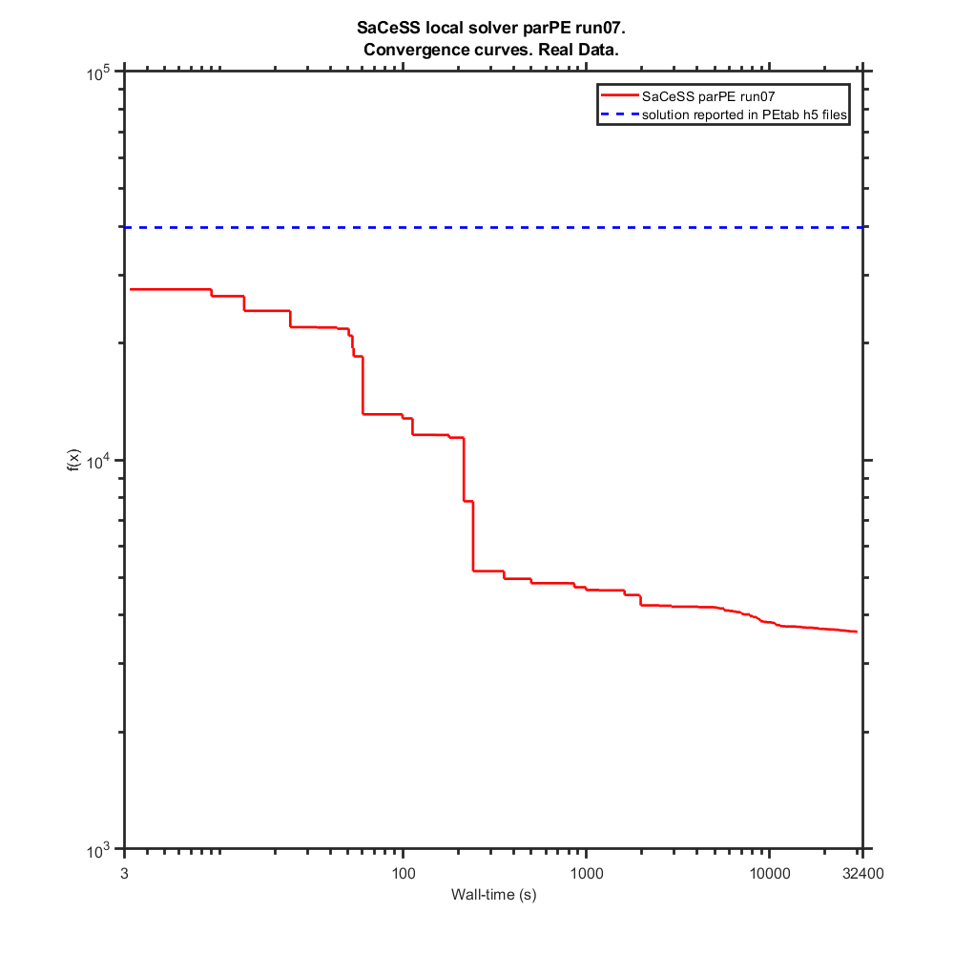
Commit from 2nd December
Benchmark settings:
 | format_version: | 1.00
 | parameter_file: | parameters_v3.0.0.tsv
 | problems:
 | - | condition_files:
 |  | - | experimentalCondition_v3.0.0.tsv
 |  | measurement_files:
 |  | - | Stallaert_CellSystems2021_Data.tsv
 |  | observable_files:
 |  | - | observables_v3.0.0.tsv
 |  | sbml_files:
 |  | - | cell_cycle_v3.0.0_rescaled_sbml.xml

saCeSS settings:
 | Processors: 23 parallel jobs+1 master per run
 | Execution time: 9 hours
 | Local solver: DHC and parPE

Hardware: | Finisterrae II supercomputer, provided by the Galicia Supercomputing Centre (CESGA): 306 nodes powered by two Intel Haswell 2680v3 CPUs (12 cores) with 128 GB RAM connected through an Infiniband FDR network.

 |  | Parameters
 | Likelihood | kPhRbD | kPhRbE | kDpRb | kPhRb | kSyCe1 | kSyCe2 | kDeCe | kDiE2fRb | kAsE2fRb | kSyE2f1 | kSyE2f2 | kDeE2f1 | kDeE2f2 | kPhE2f | kDpE2f2 | kSyEmi1 | kSyEmi2 | kDeEmi1 | kDeEmi2 | kDeEmi3 | kPhEmiA | kPhEmiB | kDpEmi | kSyCa1 | kSyCa2 | kDeCa1 | kDeCa2 | kDeCa3 | kDpCdh | kPhCdhA | kPhCdhE | kPhCdhB | kDiACE | kAsACE | kDiACdh | kAsACdh | kPhCeA | kPhCeE | kPhFoxE | kPhFoxA | kPhFoxB | kDpFox | kSyCb1 | kSyCb2 | kDeCb1 | kDeCb2 | kDeCb3 | kPhEnsa | kDpEnsa | kPhGw | kDpGw1 | kDpGw2 | kWee1 | kWee2 | kPhWeeA | kPhWeeB | kDpWee | kCdc25_1 | kCdc25_2 | kDpCdc25 | kDipEB55 | kAspEB55 | kSyCdc_1 | kSyCdc_2 | kDeCdc_1 | kDeCdc_2 | kDipACdc | kAspACdc | kPhApcA | kDpApc | kSyFox1 | kSyFox2 | kDeFox1 | kDeFox2 | kAsEPx | kDiEPx | kAsFPcb | kDiFPcb | kAsFPcdc | kDiFPcdc | kPhC25B | kPhCAEE | kPhCAEA | kPhCAEB | ic_wt_cell__CCND | ic_wt_cell__CCNE | ic_wt_cell__E2F_DBD_RB1_Ser332u_ | ic_wt_cell__E2F_DBD_RB1_Ser332p_ | ic_wt_cell__CCNA | ic_wt_cell__CCNB_CDK1_Thr14_Tyr15u_ | ic_wt_cell__E2F_DBD_RB1_1_Ser332u__RB1_E2F_1_Ser807_Ser811u_ | ic_wt_cell__E2F_DBD_RB1_1_Ser332p__RB1_E2F_1_Ser807_Ser811u_ | ic_wt_cell__RB1_E2F_Ser807_Ser811u_ | ic_wt_cell__RB1_E2F_Ser807_Ser811p_ | ic_wt_cell__PPP2R2B_ENSA_ARPP19_ | ic_wt_cell__APC_FBXO5_FZR1_CDC20_Ser355u_ | ic_wt_cell__CDC20_APC_ | ic_wt_cell__APC_FBXO5_FZR1_CDC20_1_Ser355p__CDC20_APC_1_ | ic_wt_cell__APC_FBXO5_FZR1_CDC20_Ser355p_ | ic_wt_cell__APC_FBXO5_FZR1_CDC20_1_Ser355u__FZR1_APC_1_FBXO5_nTermu_ | ic_wt_cell__FZR1_APC_FBXO5_nTermu_ | ic_wt_cell__FZR1_APC_FBXO5_nTermp_ | ic_wt_cell__APC_FBXO5_1_FZR1_CDC20_2_Ser355u__FBXO5_APC_1_FZR1_3_Ser182u__FZR1_APC_2_FBXO5_3_nTermu_ | ic_wt_cell__FBXO5_APC_FZR1_Ser182u_ | ic_wt_cell__APC_FBXO5_1_FZR1_CDC20_2_Ser355p__FBXO5_APC_1_FZR1_3_Ser182u__FZR1_APC_2_FBXO5_3_nTermu_ | ic_wt_cell__APC_FBXO5_FZR1_CDC20_1_Ser355p__FZR1_APC_1_FBXO5_nTermu_ | ic_wt_cell__FBXO5_APC_FZR1_Ser182p_ | ic_wt_cell__FOXM1_DBD_Thr600u_ | ic_wt_cell__FOXM1_DBD_Thr600p_ | ic_wt_cell__CCNB_promoter_FOXM1_1__FOXM1_DBD_1_Thr600p_ | ic_wt_cell__CCNB_promoter_FOXM1_ | ic_wt_cell__CDC20_promoter_FOXM1_ | ic_wt_cell__CDC20_promoter_FOXM1_1__FOXM1_DBD_1_Thr600p_ | ic_wt_cell__WEE1_Ser123u_ | ic_wt_cell__CCNB_CDK1_Thr14_Tyr15p_ | ic_wt_cell__WEE1_Ser123p_ | ic_wt_cell__CDC25_pSitesp_ | ic_wt_cell__CDC25_pSitesu_ | ic_wt_cell__MASTL_Thr198u_ | ic_wt_cell__MASTL_Thr198p_ | ic_wt_cell__ENSA_ARPP19_PPP2R2B_Ser62_Ser67u_ | ic_wt_cell__ENSA_ARPP19_PPP2R2B_Ser62_Ser67p_ | ic_wt_cell__ENSA_ARPP19_PPP2R2B_1_Ser62_Ser67p__PPP2R2B_ENSA_ARPP19_1_ | ic_wt_cell__CCNE_promoter_E2F_ | ic_wt_cell__CCNA_promoter_E2F_ | ic_wt_cell__E2F_promoter_E2F_ | ic_wt_cell__FBXO5_promoter_E2F_ | ic_wt_cell__FOXM1_promoter_E2F_ | ic_wt_cell__CCNE_promoter_E2F_1__E2F_DBD_1_RB1_Ser332u_ | ic_wt_cell__CCNA_promoter_E2F_1__E2F_DBD_1_RB1_Ser332u_ | ic_wt_cell__E2F_DBD_1_RB1_Ser332u__E2F_promoter_E2F_1_ | ic_wt_cell__E2F_DBD_1_RB1_Ser332u__FBXO5_promoter_E2F_1_ | ic_wt_cell__E2F_DBD_1_RB1_Ser332u__FOXM1_promoter_E2F_1_ | sCCNA | sCCNB | sCCNE | sE2F | sRB1_pSer807Ser811
lowerBound | - | -7.50 | -7.27 | -8.88 | -6.18 | -13.49 | -0.88 | -11.18 | -10.27 | -3.36 | -14.18 | -2.67 | -11.88 | -8.88 | -8.88 | -4.97 | -12.57 | -1.06 | -10.27 | -10.27 | -7.97 | -12.57 | -10.96 | -14.87 | -14.18 | -2.96 | -14.18 | -8.19 | -9.58 | -7.97 | -6.36 | -9.58 | -4.06 | -10.27 | -3.36 | -10.27 | -3.36 | -7.27 | -11.88 | -9.58 | -9.58 | -7.97 | -12.57 | -14.18 | -2.96 | -14.18 | -9.35 | -9.35 | -9.58 | -10.27 | -7.27 | -8.66 | -4.97 | -11.88 | -7.27 | -9.58 | -7.27 | -4.97 | -9.58 | -7.27 | -4.97 | -12.27 | -3.23 | -14.18 | -2.67 | -12.80 | -10.49 | -9.35 | -7.27 | -11.88 | -5.66 | -14.18 | -2.96 | -14.18 | -7.97 | -3.36 | -5.66 | -3.36 | -4.97 | -3.36 | -4.06 | -7.27 | -9.80 | -6.58 | -4.28 | 0.10 | 0.02 | 0.00 | 0.00 | 0.00 | 0.00 | 0.01 | 0.00 | 0.01 | 0.08 | 0.01 | 0.40 | 0.02 | 0.01 | 0.01 | 0.07 | 0.00 | 0.02 | 0.01 | 0.00 | 0.00 | 0.00 | 0.00 | 0.00 | 0.00 | 0.00 | 0.00 | 0.00 | 0.00 | 0.10 | 0.00 | 0.00 | 0.00 | 0.10 | 0.10 | 0.00 | 0.08 | 0.00 | 0.02 | 0.00 | 0.00 | 0.00 | 0.00 | 0.00 | 0.00 | 0.00 | 0.00 | 0.00 | 0.00 | 0.20 | 0.20 | 0.20 | 0.20 | 0.20
upperBound | - | -2.89 | -2.67 | -4.28 | -1.57 | -8.88 | 3.73 | -6.58 | -5.66 | 1.24 | -9.58 | 1.94 | -7.27 | -4.28 | -4.28 | -0.37 | -7.97 | 3.55 | -5.66 | -5.66 | -3.36 | -7.97 | -6.36 | -10.27 | -9.58 | 1.65 | -9.58 | -3.59 | -4.97 | -3.36 | -1.75 | -4.97 | 0.55 | -5.66 | 1.24 | -5.66 | 1.24 | -2.67 | -7.27 | -4.97 | -4.97 | -3.36 | -7.97 | -9.58 | 1.65 | -9.58 | -4.75 | -4.75 | -4.97 | -5.66 | -2.67 | -4.06 | -0.37 | -7.27 | -2.67 | -4.97 | -2.67 | -0.37 | -4.97 | -2.67 | -0.37 | -7.66 | 1.37 | -9.58 | 1.94 | -8.19 | -5.89 | -4.75 | -2.67 | -7.27 | -1.06 | -9.58 | 1.65 | -9.58 | -3.36 | 1.24 | -1.06 | 1.24 | -0.37 | 1.24 | 0.55 | -2.67 | -5.20 | -1.97 | 0.33 | 10.00 | 2.32 | 0.19 | 0.00 | 0.07 | 0.02 | 0.72 | 0.00 | 0.88 | 8.41 | 0.77 | 40.30 | 2.30 | 0.70 | 0.63 | 7.14 | 0.01 | 1.61 | 1.09 | 0.01 | 0.02 | 0.14 | 0.00 | 0.06 | 0.00 | 0.00 | 0.00 | 0.00 | 0.00 | 9.80 | 0.08 | 0.20 | 0.18 | 9.82 | 9.98 | 0.02 | 8.27 | 0.00 | 1.73 | 0.00 | 0.00 | 0.00 | 0.00 | 0.00 | 0.00 | 0.00 | 0.00 | 0.00 | 0.00 | 20.00 | 20.00 | 20.00 | 20.00 | 20.00
Nominal Values | 39717.83 | -5.20 | -4.97 | -6.58 | -3.87 | -11.18 | 1.43 | -8.88 | -7.97 | -1.06 | -11.88 | -0.37 | -9.58 | -6.58 | -6.58 | -2.67 | -10.27 | 1.24 | -7.97 | -7.97 | -5.67 | -10.27 | -8.66 | -12.57 | -11.88 | -0.65 | -11.88 | -5.89 | -7.27 | -5.67 | -4.06 | -7.27 | -1.75 | -7.97 | -1.06 | -7.97 | -1.06 | -4.97 | -9.58 | -7.27 | -7.27 | -5.67 | -10.27 | -11.88 | -0.65 | -11.88 | -7.05 | -7.05 | -7.27 | -7.97 | -4.97 | -6.36 | -2.67 | -9.58 | -4.97 | -7.27 | -4.97 | -2.67 | -7.27 | -4.97 | -2.67 | -9.96 | -0.93 | -11.88 | -0.37 | -10.49 | -8.19 | -7.05 | -4.97 | -9.58 | -3.36 | -11.88 | -0.65 | -11.88 | -5.67 | -1.06 | -3.36 | -1.06 | -2.67 | -1.06 | -1.75 | -4.97 | -7.50 | -4.28 | -1.98 | 1.00 | 0.23 | 0.02 | 0.00 | 0.01 | 0.00 | 0.07 | 0.00 | 0.09 | 0.84 | 0.08 | 4.03 | 0.23 | 0.07 | 0.06 | 0.71 | 0.00 | 0.16 | 0.11 | 0.00 | 0.00 | 0.01 | 0.00 | 0.01 | 0.00 | 0.00 | 0.00 | 0.00 | 0.00 | 0.98 | 0.01 | 0.02 | 0.02 | 0.98 | 1.00 | 0.00 | 0.83 | 0.00 | 0.17 | 0.00 | 0.00 | 0.00 | 0.00 | 0.00 | 0.00 | 0.00 | 0.00 | 0.00 | 0.00 | 2.00 | 2.00 | 2.00 | 2.00 | 2.00

SaCeSS local solver parPE run01 | 3812.07 | -5.95 | -4.83 | -4.90 | -2.21 | -8.89 | 0.10 | -6.71 | -9.69 | 0.99 | -9.76 | -1.21 | -8.73 | -8.30 | -6.10 | -4.97 | -10.92 | 0.35 | -7.69 | -7.55 | -3.41 | -12.51 | -6.36 | -14.68 | -11.51 | -1.60 | -14.18 | -7.97 | -5.08 | -6.75 | -5.51 | -5.69 | -4.06 | -5.68 | -3.22 | -9.74 | -2.48 | -7.27 | -7.40 | -9.58 | -6.67 | -7.97 | -7.97 | -12.44 | -2.93 | -11.83 | -9.18 | -6.75 | -9.18 | -8.65 | -6.00 | -8.66 | -1.28 | -11.88 | -7.24 | -6.07 | -2.68 | -1.54 | -9.56 | -6.00 | -0.87 | -12.26 | 1.37 | -10.88 | -1.03 | -8.19 | -5.89 | -9.35 | -5.73 | -8.66 | -1.06 | -14.18 | -2.57 | -9.90 | -3.36 | -0.44 | -5.58 | -2.26 | -0.73 | 1.24 | -3.69 | -2.77 | -5.98 | -3.42 | -4.28 | 0.10 | 0.19 | 0.04 | 0.00 | 0.07 | 0.01 | 0.53 | 0.00 | 0.80 | 1.76 | 0.09 | 30.15 | 0.17 | 0.01 | 0.01 | 1.02 | 0.01 | 0.12 | 0.14 | 0.00 | 0.02 | 0.07 | 0.00 | 0.06 | 0.00 | 0.00 | 0.00 | 0.00 | 0.00 | 8.05 | 0.07 | 0.07 | 0.12 | 9.15 | 9.96 | 0.02 | 5.82 | 0.00 | 0.08 | 0.00 | 0.00 | 0.00 | 0.00 | 0.00 | 0.00 | 0.00 | 0.00 | 0.00 | 0.00 | 4.58 | 10.09 | 5.09 | 1.40 | 0.42
SaCeSS local solver parPE run02 | 3810.05 | -6.53 | -7.01 | -6.09 | -4.36 | -9.10 | 1.48 | -8.83 | -7.39 | -1.32 | -12.15 | -1.30 | -10.51 | -4.28 | -7.95 | -2.59 | -10.64 | 2.50 | -7.89 | -6.97 | -7.28 | -12.57 | -10.96 | -10.70 | -10.52 | -1.83 | -14.17 | -5.22 | -5.83 | -5.84 | -1.89 | -5.22 | 0.04 | -5.85 | -3.35 | -10.25 | -3.34 | -7.27 | -7.38 | -5.95 | -9.58 | -3.38 | -10.48 | -12.57 | -2.41 | -11.42 | -9.33 | -8.53 | -7.91 | -8.68 | -5.14 | -7.73 | -4.17 | -10.91 | -6.27 | -4.99 | -4.04 | -2.12 | -7.69 | -6.62 | -3.90 | -12.27 | 1.37 | -14.06 | -2.67 | -10.13 | -8.87 | -9.35 | -4.81 | -7.27 | -1.06 | -9.59 | -2.45 | -13.04 | -3.44 | -1.98 | -4.83 | -2.22 | -0.49 | 0.70 | -3.47 | -4.21 | -9.80 | -5.69 | -3.12 | 0.65 | 0.91 | 0.08 | 0.00 | 0.07 | 0.02 | 0.15 | 0.00 | 0.10 | 0.35 | 0.10 | 3.22 | 2.08 | 0.01 | 0.40 | 1.11 | 0.01 | 0.30 | 0.63 | 0.01 | 0.02 | 0.05 | 0.00 | 0.05 | 0.00 | 0.00 | 0.00 | 0.00 | 0.00 | 5.09 | 0.06 | 0.15 | 0.00 | 1.92 | 1.35 | 0.01 | 2.32 | 0.00 | 0.21 | 0.00 | 0.00 | 0.00 | 0.00 | 0.00 | 0.00 | 0.00 | 0.00 | 0.00 | 0.00 | 7.31 | 9.53 | 1.09 | 3.33 | 2.66
SaCeSS local solver parPE run03 | 3859.84 | -6.30 | -6.71 | -6.55 | -5.72 | -8.94 | -0.64 | -6.58 | -7.31 | -2.17 | -11.59 | -1.38 | -10.19 | -4.28 | -8.46 | -2.86 | -9.20 | 1.08 | -10.26 | -10.08 | -3.58 | -8.80 | -6.61 | -13.44 | -11.05 | -2.15 | -14.18 | -8.19 | -6.17 | -4.24 | -1.76 | -4.97 | -4.05 | -5.66 | -2.18 | -5.66 | -3.36 | -7.27 | -7.28 | -9.48 | -6.26 | -7.97 | -12.56 | -12.18 | -2.87 | -11.17 | -9.35 | -7.78 | -7.05 | -7.81 | -3.43 | -7.71 | -4.74 | -11.59 | -2.87 | -5.20 | -2.67 | -4.92 | -9.58 | -2.75 | -4.88 | -12.24 | 1.37 | -10.39 | 1.94 | -8.19 | -5.89 | -9.33 | -5.68 | -7.37 | -1.06 | -9.58 | -0.23 | -14.18 | -3.52 | -2.36 | -5.33 | -3.33 | -1.14 | 0.09 | -1.35 | -4.45 | -5.20 | -2.36 | -3.97 | 0.58 | 0.15 | 0.00 | 0.00 | 0.07 | 0.01 | 0.23 | 0.00 | 0.26 | 0.54 | 0.07 | 13.67 | 0.02 | 0.01 | 0.11 | 1.81 | 0.01 | 0.96 | 1.09 | 0.01 | 0.02 | 0.02 | 0.00 | 0.05 | 0.00 | 0.00 | 0.00 | 0.00 | 0.00 | 6.93 | 0.07 | 0.19 | 0.03 | 2.20 | 0.70 | 0.01 | 1.92 | 0.00 | 0.23 | 0.00 | 0.00 | 0.00 | 0.00 | 0.00 | 0.00 | 0.00 | 0.00 | 0.00 | 0.00 | 2.59 | 10.96 | 6.58 | 3.01 | 1.53
SaCeSS local solver parPE run04 | 3821.46 | -7.50 | -7.27 | -4.97 | -2.53 | -10.05 | 1.49 | -10.49 | -10.26 | -1.06 | -12.81 | -1.71 | -10.90 | -4.28 | -7.56 | -4.19 | -10.81 | 0.99 | -9.62 | -10.26 | -3.89 | -12.53 | -10.80 | -10.33 | -12.21 | -0.69 | -11.52 | -3.65 | -4.97 | -7.07 | -1.76 | -4.97 | -0.24 | -6.21 | -3.34 | -8.11 | -3.35 | -7.27 | -7.32 | -5.21 | -8.68 | -5.09 | -10.32 | -13.41 | 1.54 | -13.87 | -8.98 | -7.53 | -9.46 | -8.34 | -4.09 | -8.39 | -4.77 | -7.29 | -3.27 | -4.98 | -7.13 | -4.09 | -8.75 | -3.54 | -4.65 | -12.27 | 1.37 | -13.53 | -2.06 | -9.44 | -10.39 | -9.32 | -4.56 | -7.98 | -1.06 | -14.16 | -2.17 | -12.84 | -6.37 | -1.72 | -5.56 | -3.33 | -0.37 | 1.24 | -3.88 | -3.34 | -9.43 | -5.46 | -4.27 | 3.33 | 0.56 | 0.11 | 0.00 | 0.07 | 0.01 | 0.12 | 0.00 | 0.46 | 0.93 | 0.63 | 21.25 | 2.30 | 0.36 | 0.01 | 0.43 | 0.00 | 1.25 | 0.01 | 0.00 | 0.01 | 0.00 | 0.00 | 0.00 | 0.00 | 0.00 | 0.00 | 0.00 | 0.00 | 0.33 | 0.05 | 0.20 | 0.18 | 4.80 | 4.95 | 0.02 | 2.22 | 0.00 | 0.56 | 0.00 | 0.00 | 0.00 | 0.00 | 0.00 | 0.00 | 0.00 | 0.00 | 0.00 | 0.00 | 10.77 | 11.09 | 1.77 | 3.19 | 1.00
SaCeSS local solver parPE run05 | 3651.43 | -7.04 | -6.64 | -5.23 | -4.11 | -8.88 | 3.65 | -11.06 | -5.94 | -0.60 | -13.48 | 1.90 | -7.72 | -4.28 | -7.37 | -4.97 | -12.57 | 3.54 | -10.20 | -8.69 | -3.36 | -10.74 | -7.36 | -12.24 | -10.70 | -1.72 | -13.43 | -6.01 | -7.02 | -5.40 | -1.75 | -4.97 | 0.55 | -7.45 | -0.62 | -5.66 | -3.36 | -7.27 | -7.58 | -6.79 | -8.43 | -3.89 | -8.20 | -14.17 | -2.95 | -9.58 | -9.35 | -7.80 | -8.68 | -5.77 | -2.67 | -6.38 | -4.97 | -11.88 | -7.24 | -9.26 | -2.88 | -4.87 | -9.49 | -4.81 | -4.96 | -12.11 | 0.29 | -10.68 | 1.94 | -12.80 | -10.49 | -9.35 | -7.27 | -7.52 | -1.06 | -9.62 | -1.11 | -13.86 | -7.97 | 0.35 | -5.64 | -2.61 | -2.32 | 1.22 | -4.06 | -5.83 | -5.26 | -4.13 | 0.33 | 3.44 | 2.17 | 0.01 | 0.00 | 0.07 | 0.02 | 0.06 | 0.00 | 0.86 | 2.33 | 0.01 | 23.36 | 0.29 | 0.01 | 0.20 | 4.89 | 0.01 | 0.09 | 1.09 | 0.00 | 0.02 | 0.06 | 0.00 | 0.06 | 0.00 | 0.00 | 0.00 | 0.00 | 0.00 | 9.80 | 0.08 | 0.04 | 0.18 | 9.75 | 9.98 | 0.02 | 3.93 | 0.00 | 1.63 | 0.00 | 0.00 | 0.00 | 0.00 | 0.00 | 0.00 | 0.00 | 0.00 | 0.00 | 0.00 | 1.83 | 9.92 | 0.45 | 12.00 | 0.43
SaCeSS local solver parPE run06 | 3802.05 | -7.34 | -6.31 | -6.34 | -5.90 | -11.08 | 1.76 | -8.26 | -7.85 | -1.69 | -12.21 | -2.67 | -10.86 | -4.28 | -8.42 | -1.32 | -8.01 | 1.41 | -10.15 | -9.93 | -7.96 | -9.19 | -6.44 | -13.34 | -12.03 | -0.56 | -14.18 | -7.56 | -4.97 | -3.52 | -2.63 | -8.01 | -0.20 | -5.84 | -3.36 | -6.80 | -3.20 | -7.01 | -8.30 | -9.58 | -6.49 | -7.97 | -12.57 | -11.99 | 1.41 | -11.30 | -9.35 | -6.70 | -5.43 | -8.70 | -5.96 | -6.15 | -4.75 | -11.35 | -5.97 | -5.03 | -2.67 | -3.51 | -8.44 | -2.67 | -2.54 | -12.26 | 1.37 | -10.19 | 1.92 | -8.19 | -5.89 | -9.35 | -5.55 | -7.44 | -1.06 | -13.18 | -2.96 | -13.82 | -3.36 | -1.55 | -5.66 | -3.36 | -3.03 | 0.88 | -3.70 | -5.99 | -5.57 | -4.76 | -4.28 | 1.05 | 0.20 | 0.04 | 0.00 | 0.07 | 0.01 | 0.04 | 0.00 | 0.42 | 0.32 | 0.05 | 4.07 | 0.02 | 0.01 | 0.54 | 2.18 | 0.01 | 0.06 | 1.03 | 0.00 | 0.02 | 0.00 | 0.00 | 0.06 | 0.00 | 0.00 | 0.00 | 0.00 | 0.00 | 2.62 | 0.07 | 0.18 | 0.02 | 1.79 | 0.21 | 0.00 | 1.07 | 0.00 | 0.19 | 0.00 | 0.00 | 0.00 | 0.00 | 0.00 | 0.00 | 0.00 | 0.00 | 0.00 | 0.00 | 4.88 | 10.78 | 4.10 | 8.96 | 2.57
SaCeSS local solver parPE run07 | 3859.46 | -6.79 | -7.14 | -6.25 | -3.94 | -8.89 | 0.95 | -8.73 | -6.42 | -0.02 | -9.63 | -0.69 | -9.06 | -5.43 | -7.53 | -4.50 | -9.29 | -0.93 | -8.52 | -9.19 | -4.02 | -12.16 | -10.96 | -14.35 | -13.66 | -1.36 | -14.16 | -8.19 | -5.90 | -5.09 | -3.15 | -9.57 | -2.65 | -6.60 | 0.33 | -10.19 | -3.34 | -7.27 | -7.28 | -9.55 | -7.32 | -7.97 | -8.10 | -11.33 | -2.00 | -11.47 | -9.32 | -7.27 | -8.68 | -9.29 | -6.55 | -7.82 | -3.66 | -9.65 | -6.59 | -5.07 | -4.00 | -3.80 | -7.62 | -3.79 | -3.89 | -12.26 | 1.37 | -9.58 | 1.73 | -8.19 | -5.89 | -9.35 | -6.34 | -7.38 | -1.06 | -11.75 | 1.59 | -10.71 | -3.69 | -2.12 | -5.55 | -1.00 | -1.32 | 0.40 | -3.82 | -6.24 | -9.57 | -5.13 | -3.84 | 0.24 | 0.44 | 0.01 | 0.00 | 0.05 | 0.02 | 0.40 | 0.00 | 0.82 | 0.62 | 0.33 | 28.68 | 0.12 | 0.01 | 0.54 | 1.46 | 0.00 | 0.09 | 0.87 | 0.00 | 0.01 | 0.08 | 0.00 | 0.01 | 0.00 | 0.00 | 0.00 | 0.00 | 0.00 | 1.40 | 0.07 | 0.20 | 0.17 | 5.99 | 2.47 | 0.02 | 4.35 | 0.00 | 0.36 | 0.00 | 0.00 | 0.00 | 0.00 | 0.00 | 0.00 | 0.00 | 0.00 | 0.00 | 0.00 | 8.99 | 6.87 | 2.21 | 1.73 | 0.76
SaCeSS local solver parPE run08 | 3833.71 | -5.60 | -7.27 | -5.22 | -4.14 | -9.31 | 0.74 | -7.58 | -9.54 | 0.01 | -12.80 | -1.33 | -11.88 | -4.43 | -8.33 | -3.95 | -10.38 | 0.95 | -8.08 | -10.26 | -4.62 | -7.97 | -10.28 | -13.98 | -14.18 | 0.54 | -14.17 | -5.72 | -5.98 | -5.86 | -6.07 | -6.54 | -0.70 | -6.51 | -3.29 | -6.70 | -3.36 | -7.27 | -7.76 | -9.58 | -9.58 | -7.05 | -12.55 | -11.19 | 1.64 | -10.82 | -9.29 | -8.62 | -8.31 | -8.28 | -5.77 | -6.78 | -3.08 | -11.84 | -5.58 | -6.89 | -3.94 | -3.66 | -9.21 | -5.30 | -2.75 | -12.25 | 1.37 | -9.93 | 0.63 | -8.30 | -10.49 | -9.35 | -4.80 | -7.27 | -1.06 | -9.60 | -0.23 | -14.18 | -6.80 | -1.89 | -4.85 | -3.24 | -0.82 | 1.24 | -4.05 | -5.47 | -5.40 | -2.58 | -1.19 | 1.47 | 0.25 | 0.11 | 0.00 | 0.04 | 0.02 | 0.10 | 0.00 | 0.29 | 0.29 | 0.05 | 5.19 | 0.06 | 0.01 | 0.57 | 2.20 | 0.01 | 0.20 | 0.79 | 0.01 | 0.02 | 0.00 | 0.00 | 0.06 | 0.00 | 0.00 | 0.00 | 0.00 | 0.00 | 1.36 | 0.08 | 0.20 | 0.12 | 2.47 | 3.58 | 0.02 | 0.90 | 0.00 | 0.07 | 0.00 | 0.00 | 0.00 | 0.00 | 0.00 | 0.00 | 0.00 | 0.00 | 0.00 | 0.00 | 6.16 | 6.23 | 3.80 | 3.79 | 2.37
SaCeSS local solver parPE run09 | 3801.74 | -7.49 | -5.41 | -4.46 | -4.36 | -8.90 | 0.53 | -7.21 | -10.27 | -0.61 | -10.28 | -1.15 | -9.94 | -4.28 | -8.06 | -2.28 | -8.26 | 1.14 | -10.22 | -8.71 | -7.95 | -12.50 | -10.96 | -10.43 | -12.63 | -2.87 | -12.33 | -8.04 | -5.09 | -4.79 | -1.83 | -9.50 | -2.14 | -5.74 | -1.18 | -5.66 | -3.36 | -7.27 | -7.28 | -9.57 | -9.25 | -4.65 | -9.94 | -13.11 | -2.34 | -12.47 | -9.35 | -6.14 | -5.04 | -5.66 | -2.89 | -4.75 | -3.91 | -10.05 | -6.50 | -9.54 | -7.27 | -4.61 | -8.37 | -5.63 | -4.97 | -10.39 | 1.37 | -9.59 | 1.32 | -12.46 | -6.87 | -9.35 | -7.10 | -7.28 | -1.06 | -14.18 | -2.29 | -13.99 | -6.17 | -2.30 | -4.88 | -1.85 | -1.99 | -2.14 | -3.72 | -5.76 | -9.80 | -4.64 | -3.31 | 6.73 | 0.40 | 0.09 | 0.00 | 0.07 | 0.02 | 0.61 | 0.00 | 0.17 | 0.58 | 0.34 | 2.32 | 0.03 | 0.02 | 0.45 | 1.65 | 0.01 | 0.24 | 0.92 | 0.00 | 0.02 | 0.11 | 0.00 | 0.01 | 0.00 | 0.00 | 0.00 | 0.00 | 0.00 | 1.44 | 0.07 | 0.00 | 0.18 | 1.63 | 1.33 | 0.00 | 1.29 | 0.00 | 0.31 | 0.00 | 0.00 | 0.00 | 0.00 | 0.00 | 0.00 | 0.00 | 0.00 | 0.00 | 0.00 | 5.56 | 9.96 | 2.47 | 1.04 | 1.78
SaCeSS local solver parPE run10 | 3946.12 | -7.45 | -7.27 | -4.88 | -1.60 | -8.88 | -0.32 | -7.27 | -10.26 | 1.24 | -12.02 | -0.58 | -9.76 | -6.55 | -7.42 | -4.97 | -12.53 | 3.35 | -10.27 | -7.11 | -3.47 | -12.49 | -10.93 | -10.80 | -12.72 | -2.68 | -11.35 | -4.29 | -5.28 | -7.14 | -3.82 | -5.01 | -2.79 | -6.27 | -3.36 | -5.68 | -3.36 | -7.27 | -7.28 | -5.31 | -4.98 | -3.36 | -12.41 | -12.70 | -2.75 | -9.76 | -6.60 | -6.49 | -4.97 | -8.68 | -2.68 | -8.66 | -0.82 | -11.88 | -6.16 | -4.97 | -7.27 | -2.51 | -6.68 | -7.25 | -0.39 | -7.81 | -1.73 | -10.73 | -2.52 | -12.00 | -10.47 | -9.34 | -6.01 | -8.62 | -1.06 | -12.02 | -0.90 | -9.79 | -4.69 | -0.87 | -5.49 | -1.86 | -3.03 | -3.33 | 0.55 | -3.37 | -9.80 | -6.58 | -4.23 | 0.10 | 0.25 | 0.06 | 0.00 | 0.07 | 0.01 | 0.22 | 0.00 | 0.05 | 1.07 | 0.34 | 3.56 | 0.99 | 0.55 | 0.63 | 0.07 | 0.00 | 0.02 | 0.02 | 0.00 | 0.00 | 0.01 | 0.00 | 0.01 | 0.00 | 0.00 | 0.00 | 0.00 | 0.00 | 4.00 | 0.06 | 0.00 | 0.02 | 1.20 | 0.81 | 0.02 | 0.63 | 0.00 | 0.02 | 0.00 | 0.00 | 0.00 | 0.00 | 0.00 | 0.00 | 0.00 | 0.00 | 0.00 | 0.00 | 6.75 | 12.72 | 3.69 | 2.87 | 0.98
best value | 3651.43
avg | 3819.79
SaCeSS local solver DHC run01 | 3724.75 | -7.50 | -5.93 | -5.38 | -2.15 | -9.47 | 1.07 | -10.13 | -10.25 | -2.22 | -11.73 | -2.67 | -11.88 | -4.44 | -7.60 | -3.02 | -12.55 | -0.91 | -5.79 | -8.31 | -3.36 | -11.02 | -6.82 | -10.38 | -12.33 | -1.37 | -10.94 | -7.59 | -5.74 | -7.46 | -2.11 | -9.56 | -4.06 | -5.66 | -3.36 | -7.73 | 1.23 | -7.27 | -7.70 | -9.16 | -4.97 | -3.36 | -7.97 | -13.65 | -2.88 | -12.84 | -9.35 | -7.42 | -7.78 | -9.95 | -3.13 | -8.66 | -3.71 | -11.48 | -6.19 | -5.74 | -4.61 | -4.89 | -8.39 | -7.26 | -4.87 | -12.27 | 1.37 | -10.44 | -1.70 | -8.19 | -5.89 | -9.35 | -5.69 | -7.56 | -1.06 | -9.69 | 1.65 | -9.91 | -3.49 | -1.70 | -3.00 | 1.24 | -4.97 | 0.14 | -1.71 | -5.24 | -9.79 | -6.14 | -2.86 | 0.69 | 0.50 | 0.11 | 0.00 | 0.02 | 0.01 | 0.03 | 0.00 | 0.16 | 0.72 | 0.54 | 40.20 | 0.02 | 0.02 | 0.60 | 0.56 | 0.00 | 1.61 | 0.74 | 0.01 | 0.02 | 0.00 | 0.00 | 0.01 | 0.00 | 0.00 | 0.00 | 0.00 | 0.00 | 1.05 | 0.04 | 0.19 | 0.02 | 8.83 | 0.23 | 0.01 | 2.32 | 0.00 | 0.16 | 0.00 | 0.00 | 0.00 | 0.00 | 0.00 | 0.00 | 0.00 | 0.00 | 0.00 | 0.00 | 14.38 | 19.66 | 1.82 | 5.10 | 1.51
SaCeSS local solver DHC run02 | 3828.66 | -7.37 | -5.25 | -5.69 | -4.25 | -11.54 | 0.91 | -8.47 | -9.23 | -1.05 | -11.57 | -0.90 | -9.36 | -5.96 | -7.68 | -4.81 | -11.55 | 0.90 | -7.71 | -8.18 | -6.40 | -11.97 | -9.56 | -12.44 | -12.83 | -1.15 | -13.49 | -5.55 | -5.99 | -6.52 | -5.00 | -8.57 | -1.06 | -9.45 | -2.30 | -7.72 | -3.15 | -7.27 | -7.94 | -7.41 | -8.75 | -7.07 | -11.49 | -11.79 | -2.26 | -10.63 | -9.23 | -8.57 | -8.34 | -8.09 | -6.17 | -8.01 | -3.63 | -9.35 | -5.42 | -9.04 | -4.02 | -3.43 | -7.84 | -5.71 | -4.04 | -10.35 | 1.21 | -14.11 | -0.57 | -10.61 | -8.72 | -9.29 | -4.91 | -7.74 | -1.06 | -11.41 | -1.06 | -9.64 | -6.08 | -2.19 | -4.39 | -3.33 | -3.80 | -0.79 | -1.72 | -4.88 | -7.07 | -5.32 | -1.82 | 0.18 | 0.67 | 0.11 | 0.00 | 0.04 | 0.02 | 0.24 | 0.00 | 0.20 | 0.28 | 0.07 | 9.32 | 2.20 | 0.68 | 0.60 | 1.80 | 0.00 | 0.20 | 0.96 | 0.00 | 0.01 | 0.03 | 0.00 | 0.02 | 0.00 | 0.00 | 0.00 | 0.00 | 0.00 | 0.88 | 0.07 | 0.03 | 0.11 | 1.59 | 3.01 | 0.00 | 1.26 | 0.00 | 0.14 | 0.00 | 0.00 | 0.00 | 0.00 | 0.00 | 0.00 | 0.00 | 0.00 | 0.00 | 0.00 | 15.38 | 7.09 | 1.52 | 2.25 | 2.30
SaCeSS local solver DHC run03 | 3723.63 | -7.12 | -7.01 | -6.13 | -4.39 | -9.56 | 1.02 | -8.48 | -7.74 | -1.55 | -12.47 | -1.75 | -10.71 | -6.53 | -8.11 | -4.97 | -8.71 | 1.46 | -9.13 | -7.99 | -4.05 | -12.56 | -10.62 | -13.44 | -12.57 | -1.37 | -11.30 | -5.01 | -6.71 | -6.27 | -6.18 | -5.84 | -2.36 | -5.77 | -2.15 | -7.74 | -2.76 | -7.27 | -7.58 | -7.56 | -7.10 | -6.32 | -8.10 | -12.13 | -2.39 | -11.35 | -8.30 | -9.22 | -7.53 | -9.07 | -5.88 | -8.66 | -4.10 | -9.91 | -6.59 | -7.29 | -4.85 | -2.56 | -8.28 | -5.47 | -3.51 | -10.68 | 1.37 | -13.92 | -1.40 | -11.15 | -9.22 | -8.14 | -5.08 | -8.06 | -1.06 | -12.42 | -2.07 | -9.59 | -6.35 | -0.29 | -4.15 | -3.33 | -0.49 | -2.57 | 0.54 | -5.09 | -6.31 | -6.57 | -2.63 | 0.84 | 0.75 | 0.07 | 0.00 | 0.07 | 0.02 | 0.18 | 0.00 | 0.26 | 0.75 | 0.09 | 11.78 | 0.63 | 0.70 | 0.38 | 0.46 | 0.00 | 0.36 | 1.08 | 0.00 | 0.00 | 0.00 | 0.00 | 0.01 | 0.00 | 0.00 | 0.00 | 0.00 | 0.00 | 0.62 | 0.08 | 0.03 | 0.12 | 1.00 | 0.32 | 0.00 | 2.08 | 0.00 | 0.25 | 0.00 | 0.00 | 0.00 | 0.00 | 0.00 | 0.00 | 0.00 | 0.00 | 0.00 | 0.00 | 4.83 | 7.60 | 1.37 | 3.07 | 1.27
SaCeSS local solver DHC run04 | 3735.29 | -7.49 | -7.24 | -7.62 | -4.11 | -13.32 | 0.81 | -9.63 | -10.19 | -2.53 | -11.16 | -0.14 | -9.78 | -6.64 | -7.41 | -4.97 | -10.99 | 0.42 | -9.48 | -8.10 | -3.39 | -10.95 | -10.35 | -14.18 | -12.14 | -1.01 | -13.84 | -5.48 | -6.21 | -6.85 | -6.30 | -7.70 | -1.92 | -8.36 | -1.28 | -10.12 | -1.86 | -7.27 | -7.31 | -9.58 | -8.64 | -6.33 | -10.33 | -11.19 | -0.36 | -9.67 | -9.35 | -9.07 | -8.45 | -8.88 | -5.56 | -8.58 | -0.66 | -10.12 | -6.40 | -6.56 | -5.75 | -4.83 | -7.60 | -6.20 | -3.22 | -10.71 | 1.29 | -10.88 | -1.11 | -8.49 | -10.37 | -9.34 | -6.28 | -7.69 | -1.06 | -14.14 | -0.48 | -14.17 | -7.93 | -1.98 | -3.94 | -3.36 | -1.16 | -0.55 | -4.06 | -4.84 | -6.98 | -6.58 | -4.20 | 0.36 | 0.76 | 0.18 | 0.00 | 0.05 | 0.02 | 0.30 | 0.00 | 0.20 | 1.87 | 0.07 | 39.99 | 0.26 | 0.02 | 0.27 | 1.15 | 0.00 | 0.21 | 1.09 | 0.00 | 0.00 | 0.11 | 0.00 | 0.04 | 0.00 | 0.00 | 0.00 | 0.00 | 0.00 | 1.05 | 0.08 | 0.15 | 0.01 | 0.86 | 4.29 | 0.00 | 2.66 | 0.00 | 0.09 | 0.00 | 0.00 | 0.00 | 0.00 | 0.00 | 0.00 | 0.00 | 0.00 | 0.00 | 0.00 | 12.99 | 6.50 | 1.36 | 1.59 | 0.50
SaCeSS local solver DHC run05 | 3684.50 | -5.61 | -6.99 | -6.12 | -4.74 | -8.88 | 1.77 | -11.12 | -10.22 | -0.58 | -12.42 | -0.91 | -11.79 | -8.86 | -8.11 | -4.16 | -10.58 | 2.98 | -9.51 | -9.78 | -3.98 | -9.51 | -10.83 | -12.65 | -12.31 | -2.79 | -14.18 | -8.13 | -4.97 | -3.90 | -6.35 | -8.97 | -3.93 | -6.53 | -3.01 | -10.24 | 1.24 | -7.27 | -7.37 | -9.58 | -9.57 | -6.87 | -11.27 | -13.02 | -1.86 | -10.83 | -9.35 | -5.87 | -6.68 | -9.87 | -3.17 | -8.66 | -4.90 | -10.76 | -2.67 | -8.64 | -2.67 | -1.16 | -6.17 | -2.67 | -2.15 | -10.87 | -2.33 | -9.60 | 0.13 | -9.82 | -5.89 | -5.33 | -7.13 | -9.52 | -5.52 | -14.14 | -2.08 | -12.01 | -4.72 | 0.61 | -3.34 | -2.85 | -3.86 | -0.52 | -4.05 | -3.25 | -9.79 | -6.57 | -2.85 | 0.20 | 1.06 | 0.13 | 0.00 | 0.07 | 0.02 | 0.40 | 0.00 | 0.14 | 1.02 | 0.68 | 0.40 | 0.14 | 0.01 | 0.01 | 5.50 | 0.00 | 1.61 | 0.04 | 0.00 | 0.00 | 0.00 | 0.00 | 0.05 | 0.00 | 0.00 | 0.00 | 0.00 | 0.00 | 6.24 | 0.08 | 0.12 | 0.02 | 0.11 | 9.11 | 0.02 | 6.40 | 0.00 | 0.10 | 0.00 | 0.00 | 0.00 | 0.00 | 0.00 | 0.00 | 0.00 | 0.00 | 0.00 | 0.00 | 5.84 | 11.25 | 0.95 | 1.35 | 1.08
SaCeSS local solver DHC run06 | 3709.84 | -7.42 | -7.26 | -7.62 | -4.25 | -8.88 | 1.21 | -9.99 | -9.16 | -2.44 | -11.34 | -1.99 | -11.45 | -5.83 | -8.21 | -3.98 | -11.79 | 0.84 | -7.51 | -10.24 | -4.07 | -11.74 | -9.18 | -13.33 | -12.44 | 0.20 | -13.54 | -3.60 | -6.20 | -7.29 | -5.71 | -8.51 | 0.43 | -9.94 | -3.01 | -10.21 | -2.24 | -7.15 | -7.34 | -9.04 | -7.04 | -6.51 | -11.18 | -13.73 | -1.68 | -13.30 | -8.99 | -9.01 | -8.98 | -7.59 | -4.54 | -5.35 | -3.31 | -11.24 | -5.95 | -7.45 | -4.13 | -4.01 | -8.68 | -4.79 | -4.45 | -9.90 | 1.30 | -13.24 | -1.28 | -10.43 | -9.36 | -9.35 | -4.91 | -7.43 | -1.06 | -11.73 | -1.76 | -14.04 | -6.61 | -2.40 | -2.92 | -1.57 | -1.46 | -0.13 | -0.23 | -7.09 | -7.82 | -4.30 | -1.26 | 0.52 | 0.70 | 0.04 | 0.00 | 0.07 | 0.01 | 0.37 | 0.00 | 0.25 | 1.37 | 0.12 | 12.03 | 2.00 | 0.16 | 0.60 | 0.08 | 0.00 | 0.44 | 0.67 | 0.00 | 0.02 | 0.01 | 0.00 | 0.03 | 0.00 | 0.00 | 0.00 | 0.00 | 0.00 | 1.16 | 0.08 | 0.08 | 0.02 | 2.77 | 2.94 | 0.02 | 5.29 | 0.00 | 0.14 | 0.00 | 0.00 | 0.00 | 0.00 | 0.00 | 0.00 | 0.00 | 0.00 | 0.00 | 0.00 | 7.36 | 9.79 | 1.42 | 2.04 | 0.59
SaCeSS local solver DHC run07 | 3614.13 | -7.24 | -4.47 | -4.91 | -3.39 | -10.99 | 1.69 | -8.12 | -7.99 | -1.12 | -10.37 | -2.22 | -9.14 | -6.00 | -7.87 | -3.02 | -10.36 | 0.39 | -7.16 | -7.85 | -5.63 | -10.24 | -8.52 | -12.58 | -12.12 | 0.76 | -11.93 | -6.18 | -5.30 | -5.43 | -4.16 | -7.09 | -1.07 | -7.95 | -1.26 | -8.01 | -0.98 | -5.60 | -9.33 | -7.29 | -7.07 | -5.75 | -10.27 | -11.06 | -1.34 | -11.09 | -8.50 | -7.82 | -6.86 | -7.77 | -4.63 | -6.43 | -2.60 | -9.45 | -5.96 | -7.41 | -5.51 | -2.61 | -5.92 | -5.58 | -2.70 | -9.97 | -0.76 | -11.05 | 0.46 | -10.29 | -7.90 | -7.53 | -4.17 | -8.23 | -2.45 | -11.87 | -0.59 | -11.82 | -5.27 | -1.66 | -2.65 | -1.77 | -1.97 | -0.19 | -2.57 | -5.28 | -7.45 | -4.32 | -2.42 | 4.97 | 0.47 | 0.06 | 0.00 | 0.04 | 0.01 | 0.10 | 0.00 | 0.35 | 0.99 | 0.41 | 10.84 | 1.14 | 0.35 | 0.32 | 2.80 | 0.00 | 0.77 | 0.58 | 0.00 | 0.01 | 0.07 | 0.00 | 0.03 | 0.00 | 0.00 | 0.00 | 0.00 | 0.00 | 4.04 | 0.06 | 0.10 | 0.09 | 5.87 | 5.28 | 0.01 | 4.51 | 0.00 | 1.05 | 0.00 | 0.00 | 0.00 | 0.00 | 0.00 | 0.00 | 0.00 | 0.00 | 0.00 | 0.00 | 9.74 | 10.59 | 2.29 | 3.94 | 1.06
SaCeSS local solver DHC run08 | 3674.61 | -6.77 | -7.27 | -6.39 | -4.18 | -11.49 | 0.79 | -9.61 | -9.14 | -1.30 | -12.15 | -2.45 | -10.21 | -7.12 | -7.38 | -4.97 | -11.58 | 3.54 | -8.93 | -8.02 | -6.02 | -11.23 | -8.55 | -10.33 | -11.50 | -2.84 | -9.87 | -5.57 | -6.92 | -7.32 | -5.25 | -9.12 | -4.01 | -7.77 | -1.32 | -9.89 | 0.88 | -7.27 | -8.05 | -7.16 | -9.58 | -7.67 | -10.70 | -13.17 | -2.00 | -10.39 | -9.35 | -8.56 | -8.17 | -7.58 | -6.61 | -7.41 | -4.46 | -8.62 | -5.06 | -6.10 | -5.88 | -4.52 | -7.56 | -3.87 | -2.67 | -11.99 | 1.37 | -14.18 | -2.67 | -10.19 | -10.46 | -9.31 | -5.77 | -7.28 | -1.06 | -11.65 | -2.87 | -10.90 | -7.96 | -2.27 | -4.97 | -0.71 | -0.45 | -3.16 | 0.45 | -5.94 | -9.45 | -5.30 | -2.66 | 0.70 | 0.11 | 0.01 | 0.00 | 0.04 | 0.01 | 0.03 | 0.00 | 0.19 | 0.55 | 0.16 | 39.68 | 2.18 | 0.69 | 0.13 | 0.56 | 0.00 | 0.22 | 0.23 | 0.00 | 0.00 | 0.01 | 0.00 | 0.06 | 0.00 | 0.00 | 0.00 | 0.00 | 0.00 | 0.36 | 0.05 | 0.09 | 0.10 | 4.90 | 4.34 | 0.01 | 2.75 | 0.00 | 0.19 | 0.00 | 0.00 | 0.00 | 0.00 | 0.00 | 0.00 | 0.00 | 0.00 | 0.00 | 0.00 | 16.68 | 13.91 | 7.04 | 14.32 | 2.17
SaCeSS local solver DHC run09 | 3733.51 | -7.33 | -4.57 | -4.67 | -3.63 | -11.32 | 2.03 | -8.09 | -8.09 | -0.78 | -9.96 | -1.92 | -9.09 | -6.46 | -7.47 | -3.11 | -10.36 | 0.52 | -7.60 | -7.54 | -5.73 | -10.26 | -8.70 | -12.93 | -12.42 | 0.85 | -11.96 | -5.56 | -5.37 | -6.33 | -4.20 | -7.15 | -0.72 | -8.07 | -0.85 | -7.99 | -1.03 | -5.30 | -9.26 | -7.63 | -7.53 | -6.02 | -10.21 | -11.24 | -1.25 | -11.13 | -7.91 | -7.90 | -6.53 | -8.00 | -4.69 | -6.55 | -2.94 | -9.71 | -5.43 | -7.35 | -4.90 | -2.68 | -6.53 | -5.36 | -2.48 | -9.90 | -0.74 | -12.23 | -0.67 | -10.85 | -9.62 | -7.52 | -4.15 | -8.31 | -2.53 | -12.15 | -1.20 | -11.88 | -4.66 | -1.52 | -2.84 | -1.82 | -2.22 | -1.36 | -1.64 | -5.20 | -7.53 | -4.62 | -2.45 | 4.39 | 0.36 | 0.08 | 0.00 | 0.03 | 0.01 | 0.17 | 0.00 | 0.46 | 0.94 | 0.49 | 27.52 | 1.62 | 0.39 | 0.32 | 2.58 | 0.00 | 0.84 | 0.60 | 0.00 | 0.01 | 0.07 | 0.00 | 0.03 | 0.00 | 0.00 | 0.00 | 0.00 | 0.00 | 2.08 | 0.05 | 0.10 | 0.09 | 4.03 | 4.71 | 0.01 | 5.20 | 0.00 | 1.11 | 0.00 | 0.00 | 0.00 | 0.00 | 0.00 | 0.00 | 0.00 | 0.00 | 0.00 | 0.00 | 14.40 | 13.20 | 2.80 | 2.74 | 1.27
SaCeSS local solver DHC run10 | 3711.58 | -7.10 | -4.52 | -4.94 | -3.57 | -11.30 | 1.57 | -8.09 | -7.94 | -0.83 | -10.44 | -1.91 | -9.16 | -5.94 | -7.59 | -3.32 | -10.48 | 0.55 | -7.60 | -7.38 | -5.66 | -10.45 | -8.66 | -12.57 | -12.20 | 0.67 | -11.89 | -6.58 | -5.60 | -5.54 | -4.31 | -7.13 | -0.99 | -7.96 | -0.87 | -7.96 | -1.03 | -5.54 | -9.43 | -7.20 | -7.06 | -5.70 | -10.18 | -10.60 | -1.31 | -11.62 | -8.12 | -7.52 | -6.96 | -7.92 | -4.64 | -6.44 | -2.74 | -9.54 | -5.59 | -7.60 | -5.44 | -2.51 | -6.16 | -5.77 | -2.65 | -9.90 | -0.85 | -11.68 | 0.56 | -10.48 | -8.23 | -7.30 | -4.21 | -8.28 | -2.97 | -11.91 | -0.54 | -11.87 | -5.69 | -1.35 | -2.92 | -1.77 | -1.91 | -0.66 | -2.69 | -5.36 | -7.64 | -4.48 | -2.47 | 4.57 | 0.31 | 0.05 | 0.00 | 0.03 | 0.01 | 0.10 | 0.00 | 0.38 | 1.05 | 0.44 | 12.05 | 1.18 | 0.35 | 0.32 | 2.74 | 0.00 | 0.81 | 0.58 | 0.00 | 0.01 | 0.07 | 0.00 | 0.03 | 0.00 | 0.00 | 0.00 | 0.00 | 0.00 | 4.09 | 0.06 | 0.10 | 0.09 | 4.93 | 5.39 | 0.01 | 4.49 | 0.00 | 0.89 | 0.00 | 0.00 | 0.00 | 0.00 | 0.00 | 0.00 | 0.00 | 0.00 | 0.00 | 0.00 | 12.13 | 10.25 | 3.38 | 4.27 | 1.10
best value | 3614.13
avg | 3714.05

PEtab_PLANG_real_data_18H_v1
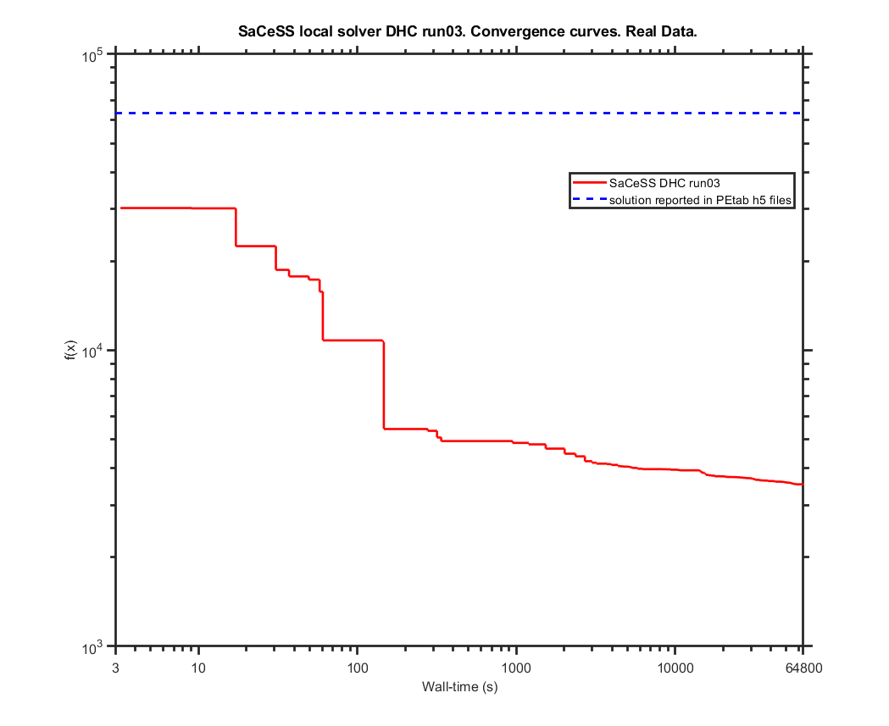
Commit from 2nd December
Benchmark settings:
 | format_version: | 1.00
 | parameter_file: | parameters_v3.0.0.tsv
 | problems:
 | - | condition_files:
 |  | - | experimentalCondition_v3.0.0.tsv
 |  | measurement_files:
 |  | - | Stallaert_CellSystems2021_Data.tsv
 |  | observable_files:
 |  | - | observables_v3.0.0.tsv
 |  | sbml_files:
 |  | - | cell_cycle_v3.0.0_rescaled_sbml.xml

saCeSS settings:
 | Processors: 23 parallel jobs+1 master per run
 | Execution time: 18 hours
 | Local solver: DHC and parPE

Hardware: | Finisterrae II supercomputer, provided by the Galicia Supercomputing Centre (CESGA): 306 nodes powered by two Intel Haswell 2680v3 CPUs (12 cores) with 128 GB RAM connected through an Infiniband FDR network.

 |  | Parameters
 | Likelihood | kPhRbD | kPhRbE | kDpRb | kPhRb | kSyCe1 | kSyCe2 | kDeCe | kDiE2fRb | kAsE2fRb | kSyE2f1 | kSyE2f2 | kDeE2f1 | kDeE2f2 | kPhE2f | kDpE2f2 | kSyEmi1 | kSyEmi2 | kDeEmi1 | kDeEmi2 | kDeEmi3 | kPhEmiA | kPhEmiB | kDpEmi | kSyCa1 | kSyCa2 | kDeCa1 | kDeCa2 | kDeCa3 | kDpCdh | kPhCdhA | kPhCdhE | kPhCdhB | kDiACE | kAsACE | kDiACdh | kAsACdh | kPhCeA | kPhCeE | kPhFoxE | kPhFoxA | kPhFoxB | kDpFox | kSyCb1 | kSyCb2 | kDeCb1 | kDeCb2 | kDeCb3 | kPhEnsa | kDpEnsa | kPhGw | kDpGw1 | kDpGw2 | kWee1 | kWee2 | kPhWeeA | kPhWeeB | kDpWee | kCdc25_1 | kCdc25_2 | kDpCdc25 | kDipEB55 | kAspEB55 | kSyCdc_1 | kSyCdc_2 | kDeCdc_1 | kDeCdc_2 | kDipACdc | kAspACdc | kPhApcA | kDpApc | kSyFox1 | kSyFox2 | kDeFox1 | kDeFox2 | kAsEPx | kDiEPx | kAsFPcb | kDiFPcb | kAsFPcdc | kDiFPcdc | kPhC25B | kPhCAEE | kPhCAEA | kPhCAEB | ic_wt_cell__CCND | ic_wt_cell__CCNE | ic_wt_cell__E2F_DBD_RB1_Ser332u_ | ic_wt_cell__E2F_DBD_RB1_Ser332p_ | ic_wt_cell__CCNA | ic_wt_cell__CCNB_CDK1_Thr14_Tyr15u_ | ic_wt_cell__E2F_DBD_RB1_1_Ser332u__RB1_E2F_1_Ser807_Ser811u_ | ic_wt_cell__E2F_DBD_RB1_1_Ser332p__RB1_E2F_1_Ser807_Ser811u_ | ic_wt_cell__RB1_E2F_Ser807_Ser811u_ | ic_wt_cell__RB1_E2F_Ser807_Ser811p_ | ic_wt_cell__PPP2R2B_ENSA_ARPP19_ | ic_wt_cell__APC_FBXO5_FZR1_CDC20_Ser355u_ | ic_wt_cell__CDC20_APC_ | ic_wt_cell__APC_FBXO5_FZR1_CDC20_1_Ser355p__CDC20_APC_1_ | ic_wt_cell__APC_FBXO5_FZR1_CDC20_Ser355p_ | ic_wt_cell__APC_FBXO5_FZR1_CDC20_1_Ser355u__FZR1_APC_1_FBXO5_nTermu_ | ic_wt_cell__FZR1_APC_FBXO5_nTermu_ | ic_wt_cell__FZR1_APC_FBXO5_nTermp_ | ic_wt_cell__APC_FBXO5_1_FZR1_CDC20_2_Ser355u__FBXO5_APC_1_FZR1_3_Ser182u__FZR1_APC_2_FBXO5_3_nTermu_ | ic_wt_cell__FBXO5_APC_FZR1_Ser182u_ | ic_wt_cell__APC_FBXO5_1_FZR1_CDC20_2_Ser355p__FBXO5_APC_1_FZR1_3_Ser182u__FZR1_APC_2_FBXO5_3_nTermu_ | ic_wt_cell__APC_FBXO5_FZR1_CDC20_1_Ser355p__FZR1_APC_1_FBXO5_nTermu_ | ic_wt_cell__FBXO5_APC_FZR1_Ser182p_ | ic_wt_cell__FOXM1_DBD_Thr600u_ | ic_wt_cell__FOXM1_DBD_Thr600p_ | ic_wt_cell__CCNB_promoter_FOXM1_1__FOXM1_DBD_1_Thr600p_ | ic_wt_cell__CCNB_promoter_FOXM1_ | ic_wt_cell__CDC20_promoter_FOXM1_ | ic_wt_cell__CDC20_promoter_FOXM1_1__FOXM1_DBD_1_Thr600p_ | ic_wt_cell__WEE1_Ser123u_ | ic_wt_cell__CCNB_CDK1_Thr14_Tyr15p_ | ic_wt_cell__WEE1_Ser123p_ | ic_wt_cell__CDC25_pSitesp_ | ic_wt_cell__CDC25_pSitesu_ | ic_wt_cell__MASTL_Thr198u_ | ic_wt_cell__MASTL_Thr198p_ | ic_wt_cell__ENSA_ARPP19_PPP2R2B_Ser62_Ser67u_ | ic_wt_cell__ENSA_ARPP19_PPP2R2B_Ser62_Ser67p_ | ic_wt_cell__ENSA_ARPP19_PPP2R2B_1_Ser62_Ser67p__PPP2R2B_ENSA_ARPP19_1_ | ic_wt_cell__CCNE_promoter_E2F_ | ic_wt_cell__CCNA_promoter_E2F_ | ic_wt_cell__E2F_promoter_E2F_ | ic_wt_cell__FBXO5_promoter_E2F_ | ic_wt_cell__FOXM1_promoter_E2F_ | ic_wt_cell__CCNE_promoter_E2F_1__E2F_DBD_1_RB1_Ser332u_ | ic_wt_cell__CCNA_promoter_E2F_1__E2F_DBD_1_RB1_Ser332u_ | ic_wt_cell__E2F_DBD_1_RB1_Ser332u__E2F_promoter_E2F_1_ | ic_wt_cell__E2F_DBD_1_RB1_Ser332u__FBXO5_promoter_E2F_1_ | ic_wt_cell__E2F_DBD_1_RB1_Ser332u__FOXM1_promoter_E2F_1_ | sCCNA | sCCNB | sCCNE | sE2F | sRB1_pSer807Ser811
lowerBound | - | -7.50 | -7.27 | -8.88 | -6.18 | -13.49 | -0.88 | -11.18 | -10.27 | -3.36 | -14.18 | -2.67 | -11.88 | -8.88 | -8.88 | -4.97 | -12.57 | -1.06 | -10.27 | -10.27 | -7.97 | -12.57 | -10.96 | -14.87 | -14.18 | -2.96 | -14.18 | -8.19 | -9.58 | -7.97 | -6.36 | -9.58 | -4.06 | -10.27 | -3.36 | -10.27 | -3.36 | -7.27 | -11.88 | -9.58 | -9.58 | -7.97 | -12.57 | -14.18 | -2.96 | -14.18 | -9.35 | -9.35 | -9.58 | -10.27 | -7.27 | -8.66 | -4.97 | -11.88 | -7.27 | -9.58 | -7.27 | -4.97 | -9.58 | -7.27 | -4.97 | -12.27 | -3.23 | -14.18 | -2.67 | -12.80 | -10.49 | -9.35 | -7.27 | -11.88 | -5.66 | -14.18 | -2.96 | -14.18 | -7.97 | -3.36 | -5.66 | -3.36 | -4.97 | -3.36 | -4.06 | -7.27 | -9.80 | -6.58 | -4.28 | 0.10 | 0.02 | 0.00 | 0.00 | 0.00 | 0.00 | 0.01 | 0.00 | 0.01 | 0.08 | 0.01 | 0.40 | 0.02 | 0.01 | 0.01 | 0.07 | 0.00 | 0.02 | 0.01 | 0.00 | 0.00 | 0.00 | 0.00 | 0.00 | 0.00 | 0.00 | 0.00 | 0.00 | 0.00 | 0.10 | 0.00 | 0.00 | 0.00 | 0.10 | 0.10 | 0.00 | 0.08 | 0.00 | 0.02 | 0.00 | 0.00 | 0.00 | 0.00 | 0.00 | 0.00 | 0.00 | 0.00 | 0.00 | 0.00 | 0.20 | 0.20 | 0.20 | 0.20 | 0.20
upperBound | - | -2.89 | -2.67 | -4.28 | -1.57 | -8.88 | 3.73 | -6.58 | -5.66 | 1.24 | -9.58 | 1.94 | -7.27 | -4.28 | -4.28 | -0.37 | -7.97 | 3.55 | -5.66 | -5.66 | -3.36 | -7.97 | -6.36 | -10.27 | -9.58 | 1.65 | -9.58 | -3.59 | -4.97 | -3.36 | -1.75 | -4.97 | 0.55 | -5.66 | 1.24 | -5.66 | 1.24 | -2.67 | -7.27 | -4.97 | -4.97 | -3.36 | -7.97 | -9.58 | 1.65 | -9.58 | -4.75 | -4.75 | -4.97 | -5.66 | -2.67 | -4.06 | -0.37 | -7.27 | -2.67 | -4.97 | -2.67 | -0.37 | -4.97 | -2.67 | -0.37 | -7.66 | 1.37 | -9.58 | 1.94 | -8.19 | -5.89 | -4.75 | -2.67 | -7.27 | -1.06 | -9.58 | 1.65 | -9.58 | -3.36 | 1.24 | -1.06 | 1.24 | -0.37 | 1.24 | 0.55 | -2.67 | -5.20 | -1.97 | 0.33 | 10.00 | 2.32 | 0.19 | 0.00 | 0.07 | 0.02 | 0.72 | 0.00 | 0.88 | 8.41 | 0.77 | 40.30 | 2.30 | 0.70 | 0.63 | 7.14 | 0.01 | 1.61 | 1.09 | 0.01 | 0.02 | 0.14 | 0.00 | 0.06 | 0.00 | 0.00 | 0.00 | 0.00 | 0.00 | 9.80 | 0.08 | 0.20 | 0.18 | 9.82 | 9.98 | 0.02 | 8.27 | 0.00 | 1.73 | 0.00 | 0.00 | 0.00 | 0.00 | 0.00 | 0.00 | 0.00 | 0.00 | 0.00 | 0.00 | 20.00 | 20.00 | 20.00 | 20.00 | 20.00
Nominal Values | 39717.83 | -5.20 | -4.97 | -6.58 | -3.87 | -11.18 | 1.43 | -8.88 | -7.97 | -1.06 | -11.88 | -0.37 | -9.58 | -6.58 | -6.58 | -2.67 | -10.27 | 1.24 | -7.97 | -7.97 | -5.67 | -10.27 | -8.66 | -12.57 | -11.88 | -0.65 | -11.88 | -5.89 | -7.27 | -5.67 | -4.06 | -7.27 | -1.75 | -7.97 | -1.06 | -7.97 | -1.06 | -4.97 | -9.58 | -7.27 | -7.27 | -5.67 | -10.27 | -11.88 | -0.65 | -11.88 | -7.05 | -7.05 | -7.27 | -7.97 | -4.97 | -6.36 | -2.67 | -9.58 | -4.97 | -7.27 | -4.97 | -2.67 | -7.27 | -4.97 | -2.67 | -9.96 | -0.93 | -11.88 | -0.37 | -10.49 | -8.19 | -7.05 | -4.97 | -9.58 | -3.36 | -11.88 | -0.65 | -11.88 | -5.67 | -1.06 | -3.36 | -1.06 | -2.67 | -1.06 | -1.75 | -4.97 | -7.50 | -4.28 | -1.98 | 1.00 | 0.23 | 0.02 | 0.00 | 0.01 | 0.00 | 0.07 | 0.00 | 0.09 | 0.84 | 0.08 | 4.03 | 0.23 | 0.07 | 0.06 | 0.71 | 0.00 | 0.16 | 0.11 | 0.00 | 0.00 | 0.01 | 0.00 | 0.01 | 0.00 | 0.00 | 0.00 | 0.00 | 0.00 | 0.98 | 0.01 | 0.02 | 0.02 | 0.98 | 1.00 | 0.00 | 0.83 | 0.00 | 0.17 | 0.00 | 0.00 | 0.00 | 0.00 | 0.00 | 0.00 | 0.00 | 0.00 | 0.00 | 0.00 | 2.00 | 2.00 | 2.00 | 2.00 | 2.00

SaCeSS local solver DHC run01 | 3720.54 | -7.50 | -7.27 | -6.33 | -4.08 | -8.92 | 1.86 | -8.87 | -9.95 | -2.26 | -13.87 | -1.16 | -11.60 | -4.78 | -7.94 | -3.45 | -11.97 | 0.64 | -7.81 | -8.26 | -3.75 | -7.97 | -6.36 | -10.45 | -12.02 | -1.64 | -14.02 | -6.96 | -5.95 | -7.18 | -3.04 | -8.31 | -3.79 | -5.66 | -3.36 | -9.27 | 0.91 | -7.27 | -8.04 | -9.57 | -5.93 | -7.97 | -7.97 | -12.56 | 1.08 | -11.16 | -9.35 | -7.62 | -7.19 | -8.40 | -6.01 | -8.66 | -3.85 | -7.48 | -5.33 | -4.97 | -2.70 | -2.15 | -7.07 | -3.83 | -3.92 | -12.18 | 1.37 | -9.92 | -0.25 | -8.19 | -5.89 | -9.34 | -5.81 | -7.65 | -1.06 | -12.44 | -2.95 | -11.51 | -3.36 | -2.27 | -4.96 | -3.29 | -0.39 | 0.44 | -3.89 | -2.93 | -7.19 | -4.72 | -3.47 | 0.10 | 1.30 | 0.18 | 0.00 | 0.07 | 0.01 | 0.22 | 0.00 | 0.29 | 0.85 | 0.28 | 27.63 | 1.51 | 0.04 | 0.01 | 1.42 | 0.01 | 1.60 | 0.16 | 0.00 | 0.00 | 0.02 | 0.00 | 0.05 | 0.00 | 0.00 | 0.00 | 0.00 | 0.00 | 1.82 | 0.05 | 0.20 | 0.02 | 2.80 | 2.13 | 0.00 | 1.22 | 0.00 | 0.18 | 0.00 | 0.00 | 0.00 | 0.00 | 0.00 | 0.00 | 0.00 | 0.00 | 0.00 | 0.00 | 7.22 | 13.73 | 0.72 | 1.92 | 1.08
SaCeSS local solver DHC run02 | 3698.30 | -5.81 | -7.26 | -4.67 | -2.12 | -8.90 | 2.36 | -7.70 | -10.21 | -2.82 | -11.15 | -0.58 | -10.98 | -5.48 | -8.17 | -4.46 | -12.56 | 0.67 | -8.32 | -5.78 | -4.33 | -7.97 | -7.30 | -13.02 | -14.11 | -1.02 | -14.13 | -4.17 | -6.01 | -7.18 | -6.13 | -9.50 | -1.01 | -5.66 | -2.70 | -5.66 | -3.36 | -7.27 | -7.37 | -5.71 | -8.92 | -7.13 | -9.01 | -13.46 | -2.59 | -11.00 | -7.55 | -8.59 | -4.98 | -6.07 | -6.57 | -8.64 | -3.19 | -11.59 | -4.68 | -5.59 | -3.02 | -3.96 | -8.68 | -4.24 | -3.96 | -12.20 | -1.88 | -13.85 | 0.52 | -11.79 | -10.36 | -9.30 | -6.51 | -9.07 | -1.06 | -11.04 | -1.40 | -9.59 | -7.15 | -2.68 | -4.87 | -1.33 | -4.54 | -0.03 | -3.26 | -5.58 | -7.19 | -6.58 | -2.60 | 0.52 | 1.46 | 0.02 | 0.00 | 0.07 | 0.02 | 0.28 | 0.00 | 0.12 | 2.15 | 0.09 | 40.30 | 2.30 | 0.19 | 0.01 | 0.07 | 0.01 | 0.23 | 0.40 | 0.00 | 0.02 | 0.00 | 0.00 | 0.00 | 0.00 | 0.00 | 0.00 | 0.00 | 0.00 | 0.17 | 0.07 | 0.04 | 0.18 | 1.16 | 9.98 | 0.02 | 1.38 | 0.00 | 0.54 | 0.00 | 0.00 | 0.00 | 0.00 | 0.00 | 0.00 | 0.00 | 0.00 | 0.00 | 0.00 | 5.23 | 8.67 | 0.65 | 2.33 | 0.53
...
SaCeSS local solver DHC run05 | 3563.67 | -7.06 | -7.27 | -4.53 | -3.92 | -9.22 | 0.66 | -7.13 | -10.27 | -2.12 | -11.97 | -1.66 | -9.39 | -6.92 | -7.83 | -0.37
SaCeSS local solver DHC run06 | 3621.38 | -6.40 | -7.12 | -6.39 | -4.79 | -8.90 | 0.26 | -7.59 | -6.28 | -0.71 | -10.83 | -1.08 | -11.22 | -4.32 | -8.32 | -2.70
SaCeSS local solver DHC run07 | 3618.04 | -7.43 | -5.39 | -6.28 | -3.29 | -8.88 | 1.01 | -8.51 | -6.16 | -1.34 | -10.56 | -0.64 | -11.04 | -4.98 | -7.91 | -2.94
SaCeSS local solver DHC run08 | 3609.53 | -7.03 | -6.62 | -4.28 | -4.17 | -8.94 | 0.17 | -8.67 | -9.64 | 1.24 | -12.05 | -1.15 | -10.52 | -6.20 | -8.21 | -4.97
SaCeSS local solver DHC run09 | 3636.70 | -7.50 | -7.27 | -7.40 | -5.64 | -8.88 | 0.34 | -8.32 | -10.25 | -1.58 | -10.60 | -0.10 | -11.88 | -5.22 | -8.10 | -4.32
SaCeSS local solver DHC run10 | 3696.92 | -7.50 | -7.27 | -7.41 | -4.81 | -8.88 | 1.02 | -7.07 | -10.23 | -2.87 | -11.52 | -0.55 | -8.85 | -4.28 | -7.32 | -2.05
best value | 3523.33
avg | 3625.81

PEtab_PLANG_real_data_v2_it1
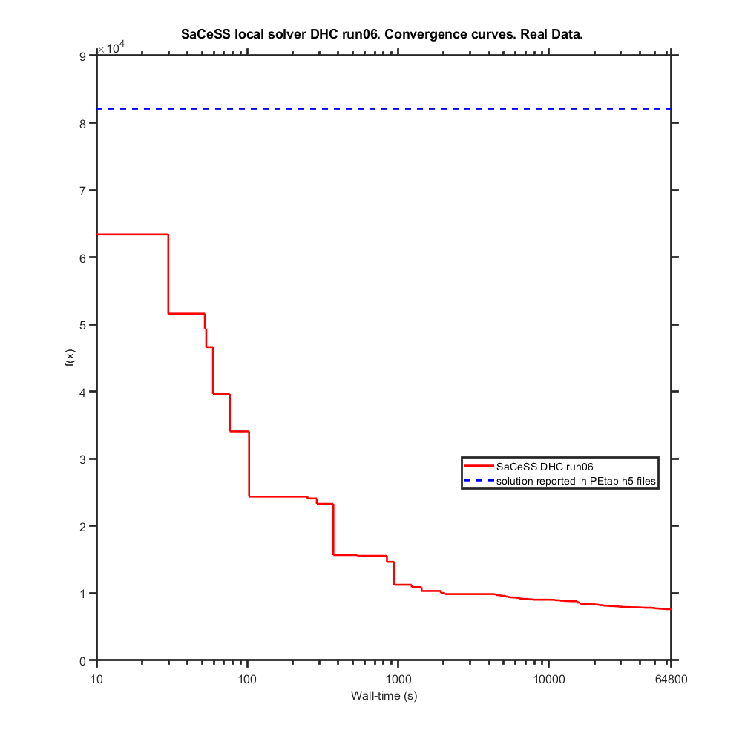
...
SaCeSS local solver DHC run01 | 7958.26 | -7.49 | -7.27 | -7.24 | -5.16 | -10.16 | 0.29 | -7.50 | -6.71 | -3.14 | -13.69 | -1.55
SaCeSS local solver DHC run05 | 8179.08 | -6.67 | -5.56 | -4.28 | -2.58 | -9.37 | 1.73 | -7.53 | -8.17 | -1.00 | -10.76 | -2.38
SaCeSS local solver DHC run06 | 7606.37 | -7.39 | -7.27 | -7.56 | -6.10 | -8.88 | 0.93 | -6.63 | -9.03 | -3.26 | -11.68 | -0.55
SaCeSS local solver DHC run07 | 8545.45 | -7.38 | -6.80 | -6.16 | -4.35 | -9.00 | 1.71 | -7.28 | -5.84 | -2.75 | -12.63 | -1.20
SaCeSS local solver DHC run08 | 8062.32 | -5.47 | -7.03 | -6.04 | -3.06 | -9.72 | -0.12 | -8.34 | -9.76 | -1.35 | -11.93 | -1.68
SaCeSS local solver DHC run09 | 7972.46 | -5.83 | -4.82 | -5.23 | -4.41 | -9.00 | 1.73 | -7.67 | -6.82 | -0.38 | -10.27 | -1.22
SaCeSS local solver DHC run10 | 8142.29 | -7.50 | -5.37 | -5.10 | -3.28 | -9.62 | -0.61 | -8.33 | -9.10 | -1.33 | -12.54 | -1.75
best value | 7606.37
avg | 8060.55

PEtab_PLANG_real_data_v2_it2
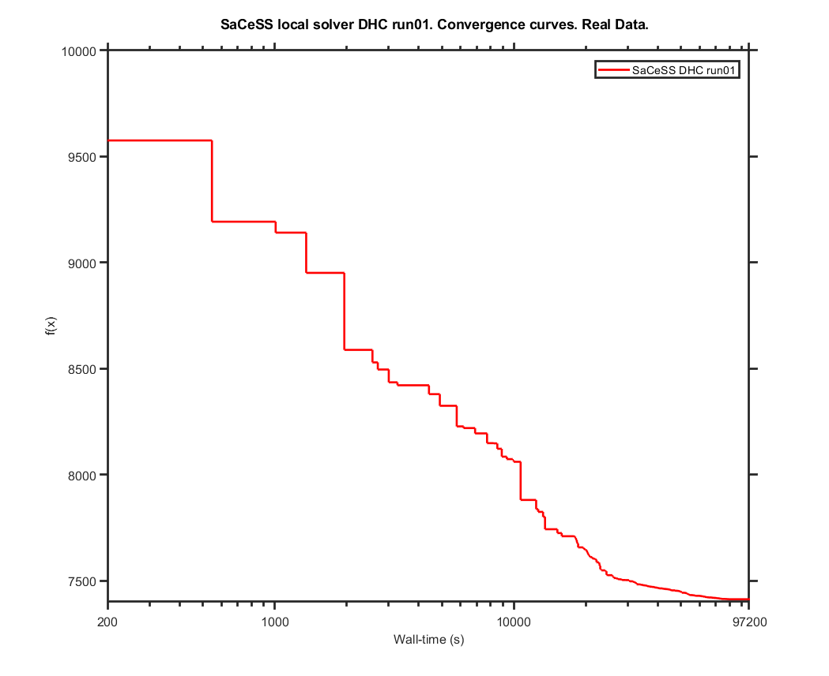
...
SaCeSS local solver DHC run01 | 7397.98 | -7.346169 | -7.272596 | -7.614094 | -6.093019 | -8.881959 | 0.894688 | -6.578512 | -9.21777 | -3.300618 | -11.695988 | -0.489487 | -8.333275
SaCeSS local solver DHC run03 | 7370.60 | -7.41185 | -7.264417 | -7.641295 | -6.092589 | -8.88104 | 0.954258 | -6.617057 | -8.989064 | -3.271454 | -11.689858 | -0.543345 | -8.454987
SaCeSS local solver DHC run04 | 7380.10 | -7.371033 | -7.273084 | -7.75034 | -6.137554 | -8.881258 | 0.923821 | -6.57845 | -8.810336 | -3.274463 | -11.705372 | -0.546184 | -8.468999
SaCeSS local solver DHC run05 | 7362.05 | -7.49835 | -7.27448 | -7.734654 | -6.0969 | -8.88104 | 0.886728 | -6.578881 | -9.75852 | -3.347727 | -11.55262 | -0.609683 | -8.525164
SaCeSS local solver DHC run06 | 7365.30 | -7.441328 | -6.875782 | -7.71759 | -6.062106 | -8.882018 | 0.861499 | -6.590962 | -9.972395 | -3.173895 | -11.466625 | -0.477556 | -8.403795
SaCeSS local solver DHC run07 | 7375.67 | -7.431839 | -7.272454 | -7.617861 | -6.091931 | -8.891054 | 0.963685 | -6.611642 | -9.09715 | -3.309088 | -11.730522 | -0.581213 | -8.427445
SaCeSS local solver DHC run08 | 7263.10 | -7.495601 | -7.27296 | -7.734775 | -6.17539 | -8.88104 | 0.403168 | -6.590414 | -10.040921 | -3.307594 | -11.422689 | -0.484756 | -8.343536
best value | 7263.10
avg | 7361.20

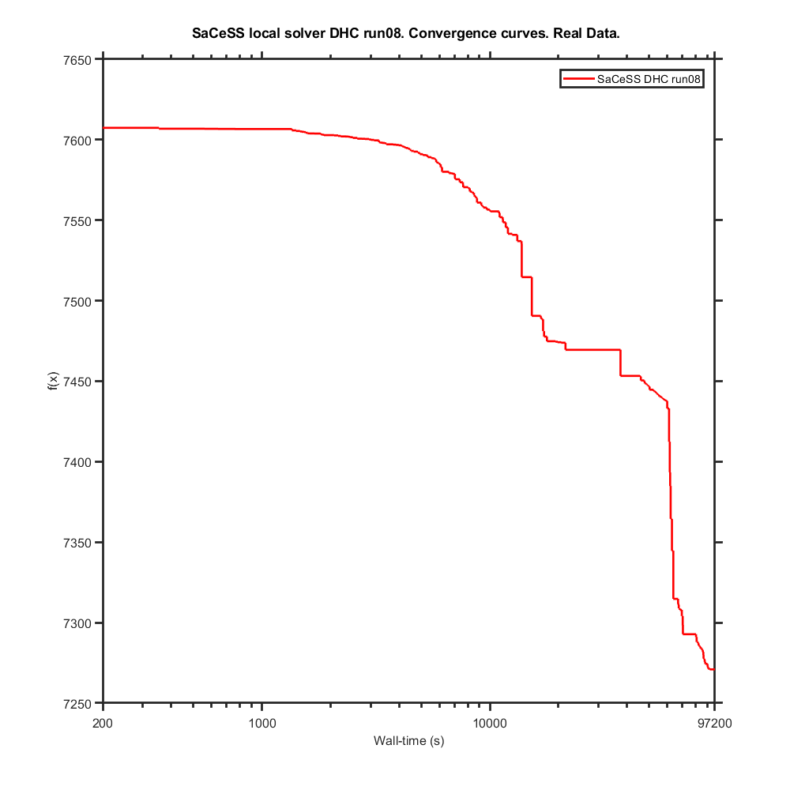

Test Set 2

The initial solution is an intermediate quality solution fx = 9568,70642.

 |  | Parameters
 | Likelihood | kPhRbD | kPhRbE | kDpRb | kPhRb | kSyCe1 | kSyCe2 | kDeCe | kDiE2fRb | kAsE2fRb | kSyE2f1 | kSyE2f2 | kDeE2f1
lowerBound | - | -7.50 | -7.27 | -8.88 | -6.18 | -13.49 | -0.88 | -11.18 | -10.27 | -3.36 | -14.18 | -2.67 | -11.88
upperBound | - | -2.89 | -2.67 | -4.28 | -1.57 | -8.88 | 3.73 | -6.58 | -5.66 | 1.24 | -9.58 | 1.94 | -7.27
Nominal Values | 82050.64 | -5.20 | -4.97 | -6.58 | -3.87 | -11.18 | 1.43 | -8.88 | -7.97 | -1.06 | -11.88 | -0.37 | -9.58
...
SaCeSS local solver DHC run01 | 7399.58 | -7.49492200 | -7.27310400 | -7.69623800 | -4.77493700 | -8.88109500 | 0.24145100 | -6.84385100 | -7.66833000 | 1.22537300 | -10.93244100 | -1.21106700 | -9.35683400 | -8.36408900 | -6.56401400
SaCeSS local solver DHC run03 | 7576.09 | -7.33423700 | -6.80233700 | -7.19342600 | -5.34651700 | -8.89285900 | 0.24697400 | -7.37110000 | -7.89198100 | 1.22539700 | -10.63491800 | -1.20778000 | -9.27189500 | -4.30094700 | -6.97268600
SaCeSS local solver DHC run04 | 7510.66 | -7.49829800 | -6.94184300 | -7.14226500 | -5.02412400 | -8.96611200 | 0.90025600 | -6.98581500 | -10.26611000 | 1.24409900 | -10.42467700 | -2.40451700 | -9.19829100 | -8.78641900 | -6.27903700
SaCeSS local solver DHC run05 | 7575.56 | -7.49819600 | -6.98421200 | -7.30342800 | -4.98116500 | -8.98430300 | 0.81260100 | -7.29976500 | -8.46230700 | 1.24408700 | -10.72741500 | -2.02345100 | -9.20066000 | -5.50692300 | -7.48159100
SaCeSS local solver DHC run06 | 7508.90 | -7.49748900 | -6.85827300 | -7.40462400 | -4.63904300 | -8.88170800 | 1.45914700 | -9.39415700 | -10.26042400 | 1.19287000 | -10.71715100 | -2.04221200 | -8.97513600 | -6.29828700 | -7.16521900
SaCeSS local solver DHC run07 | 7569.45 | -7.40915400 | -6.85462200 | -7.48152600 | -4.98130700 | -8.88228800 | 0.35794600 | -6.91458800 | -10.18770900 | 1.23386300 | -10.65397700 | -1.89357400 | -9.10775900 | -8.66015500 | -6.54756100
SaCeSS local solver DHC run08 | 7514.31 | -7.49426500 | -7.24318000 | -7.49622500 | -4.71101000 | -8.96884500 | 0.62320400 | -7.14955800 | -9.53384300 | 1.12631800 | -10.71270400 | -2.24454200 | -8.95341300 | -5.09606400 | -7.23411400
best value | 7399.58
avg | 7520.97

PEtab_PLANG_real_data_v2_it3
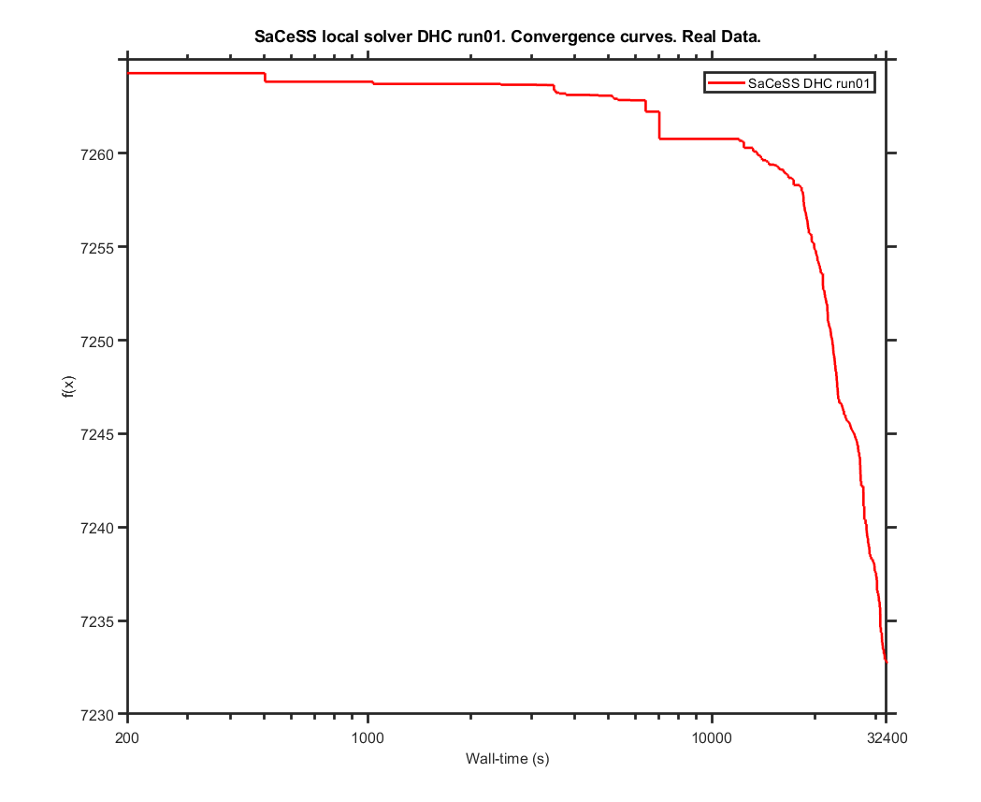
...
SaCeSS local solver DHC run01 | 7232.74 | -7.4944420395 | -7.0393721102 | -7.8137006128 | -6.0656180522 | -8.8818029675 | 0.36699164881 | -6.6016033857 | -9.7199950441 | -3.2293486677 | -11.219126149 | -0.56388981563 | -8.3177503452 | -4.2762112641 | -7.4138156768
SaCeSS local solver DHC run04 | 7237.14 | -7.4464168485 | -7.085362026 | -7.9201246803 | -6.1621999748 | -8.8811938744 | 0.21296307592 | -6.6167943421 | -10.263969111 | -3.2397921898 | -11.055378896 | -0.50907346172 | -8.3678806287 | -4.3307049401 | -7.2659085251
SaCeSS local solver DHC run05 | 7249.55 | -7.4981910292 | -7.2681185086 | -7.7495868439 | -6.1726004534 | -8.88104 | 0.39106072874 | -6.57845 | -10.247717048 | -3.3131128716 | -11.403571468 | -0.48550657826 | -8.3437148422 | -4.27587 | -7.4220581978
SaCeSS local solver DHC run06 | 7249.63 | -7.49835 | -7.2740701751 | -7.7989478198 | -6.17539 | -8.8816547361 | 0.32034687166 | -6.57845 | -10.208776034 | -3.3052297314 | -11.47230507 | -0.48473845157 | -8.3910851867 | -4.2758700861 | -7.3502344418
SaCeSS local solver DHC run07 | 7254.11 | -7.49835 | -7.27448 | -7.7997678643 | -6.1753899596 | -8.8810400916 | 0.34067807015 | -6.57845 | -10.064195467 | -3.2936191056 | -11.461572745 | -0.48421246588 | -8.3568746784 | -4.2758700898 | -7.4110908026
SaCeSS local solver DHC run08 | 7241.23 | -7.4725276632 | -7.0287408428 | -7.6889071782 | -6.1226816514 | -8.88104 | 0.42079478396 | -6.6168922795 | -9.5942962571 | -3.2847093703 | -11.341168411 | -0.46551992004 | -8.2518006697 | -4.2759200437 | -7.4183449407
SaCeSS local solver DHC run09 | 7254.87 | -7.4946381854 | -7.2730595926 | -7.7363287838 | -6.175372849 | -8.8812307114 | 0.40139740364 | -6.582962407 | -10.139483658 | -3.3079802922 | -11.419229734 | -0.48821806256 | -8.3435596836 | -4.2761828036 | -7.4479466806
SaCeSS local solver DHC run10 | 7246.20 | -7.4908003722 | -7.260362607 | -7.7126499723 | -6.0548756511 | -8.9391056175 | 0.45073484709 | -6.6101208847 | -10.252303389 | -3.3325169159 | -11.441741385 | -0.50608070328 | -8.3636594609 | -4.2875499336 | -7.4088156638
best value | 7232.74
avg | 7246.13

PEtab_PLANG_real_data_v2_it4
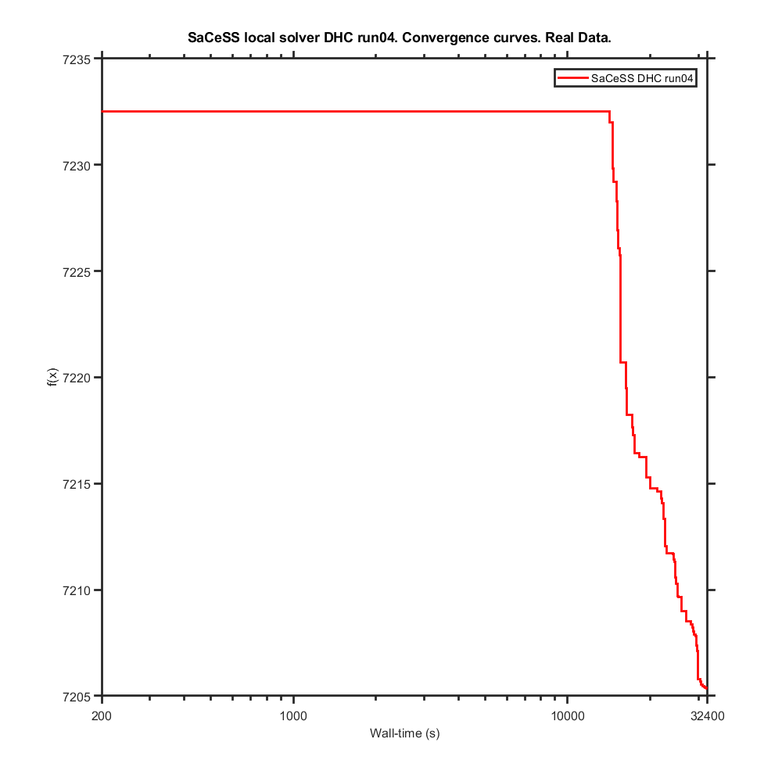
...
SaCeSS local solver DHC run01 | 7217.90 | -7.4981046862 | -7.27430335 | -7.9387239554 | -6.1476565502 | -8.8810699538 | 0.33056455067 | -6.5923604132 | -10.259822843 | -3.2221050875 | -11.201782063 | -0.58020388795 | -8.3724702202
SaCeSS local solver DHC run04 | 7205.35 | -7.3480495792 | -7.2491195883 | -7.8745768645 | -6.0691292964 | -8.8832681394 | 0.17054336093 | -6.5784500245 | -9.5218627024 | -3.1376497194 | -11.061574365 | -0.55398237062 | -8.3357448098
SaCeSS local solver DHC run05 | 7219.66 | -7.49835 | -7.27448 | -8.0747712247 | -6.1087272837 | -8.8810400012 | 0.13574896936 | -6.5784500564 | -9.1803008646 | -3.1255366226 | -11.176867965 | -0.58153214918 | -8.3822646837
SaCeSS local solver DHC run06 | 7208.89 | -7.489318559 | -7.0467963381 | -7.9294746012 | -6.1477674979 | -8.8810731593 | 0.35801119868 | -6.5784840152 | -9.2743803864 | -3.230979542 | -11.18629373 | -0.55862937048 | -8.2988200054
SaCeSS local solver DHC run07 | 7226.94 | -7.4972543453 | -7.0215982475 | -7.8567274549 | -6.0883956754 | -8.9022725443 | 0.27052977347 | -6.5793498786 | -9.7707558059 | -3.3049238962 | -11.200416999 | -0.58237641644 | -8.3646356115
SaCeSS local solver DHC run08 | 7210.80 | -7.4910799997 | -7.2740951473 | -7.847214767 | -6.077654913 | -8.9213222459 | 0.3946642517 | -6.6400838427 | -9.5885590729 | -3.1433468659 | -11.077134303 | -0.5480845937 | -8.3504945837
SaCeSS local solver DHC run09 | 7230.65 | -7.4719090872 | -7.2721662491 | -7.8181217231 | -6.0645667974 | -8.8976134045 | 0.25350506318 | -6.6070382207 | -9.7502898799 | -3.2484420146 | -11.215268385 | -0.56213349959 | -8.3964309814
SaCeSS local solver DHC run10 | 7222.10 | -7.49835 | -7.0229455002 | -7.8324832136 | -6.0839208884 | -8.8812914026 | 0.28697707302 | -6.5784500244 | -9.7282486301 | -3.2363980355 | -11.222196239 | -0.57329615141 | -8.3437595113
best value | 7205.35
avg | 7217.83

PEtab_PLANG_real_data_v2_it5
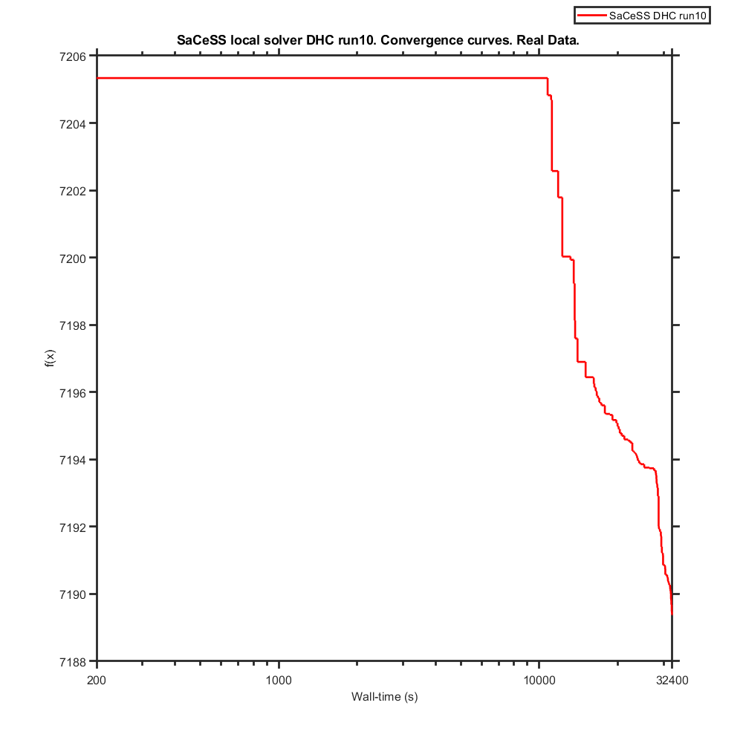
...
SaCeSS local solver DHC run01 | 7194.21 | -7.4970435791 | -7.2729934852 | -7.9266960798 | -6.0221193932 | -8.8968535798 | 0.18907625517 | -6.5811178781 | -9.5628743068 | -3.2126279866 | -11.065807005 | -0.55971458548 | -8.3177551551
SaCeSS local solver DHC run04 | 7193.39 | -7.4937992604 | -7.2647959207 | -7.9390830169 | -5.9933739677 | -8.8893760758 | 0.01482486328 | -6.5901080233 | -9.5004278142 | -3.0106150531 | -10.912003218 | -0.57314367648 | -8.3360672841
SaCeSS local solver DHC run05 | 7196.96 | -7.3370702077 | -7.27448 | -7.9108945113 | -6.0648125116 | -8.88104 | 0.18107535622 | -6.57845 | -9.7597743338 | -3.1713410712 | -11.046595646 | -0.5528585064 | -8.3347296851
SaCeSS local solver DHC run06 | 7189.66 | -7.3841822125 | -7.2414031439 | -7.9402774637 | -6.1296147788 | -8.8848065736 | 0.25569210455 | -6.578825169 | -9.5446135189 | -3.0872670042 | -11.039796688 | -0.55297250135 | -8.2962059934
SaCeSS local solver DHC run07 | 7194.91 | -7.4972336243 | -7.0791301439 | -7.9049559405 | -6.0916309551 | -8.8810400776 | 0.1902809256 | -6.5784500776 | -9.4288874887 | -3.1313393749 | -11.084638884 | -0.52638842574 | -8.3352779307
SaCeSS local solver DHC run08 | 7191.37 | -7.3688173902 | -7.2737254297 | -7.8899740625 | -6.0645905945 | -8.8949761971 | 0.06284889587 | -6.5784604547 | -9.5309401318 | -3.1502787355 | -11.111792364 | -0.55501390995 | -8.3282199614
SaCeSS local solver DHC run09 | 7193.80 | -7.4764480465 | -7.27448 | -7.8860803344 | -6.0714806555 | -8.8910093931 | 0.14387157564 | -6.5788230245 | -9.5811371838 | -3.1816511579 | -10.97238434 | -0.55150195879 | -8.3468399664
SaCeSS local solver DHC run10 | 7189.38 | -7.498267748 | -7.2743831432 | -7.982570509 | -6.0404471688 | -8.8876158718 | 0.20607917684 | -6.5801112102 | -9.5054069757 | -3.1287801767 | -10.969657565 | -0.61055667433 | -8.3492225592
best value | 7189.38
avg | 7193.42

PEtab_PLANG_real_data_v2_it6
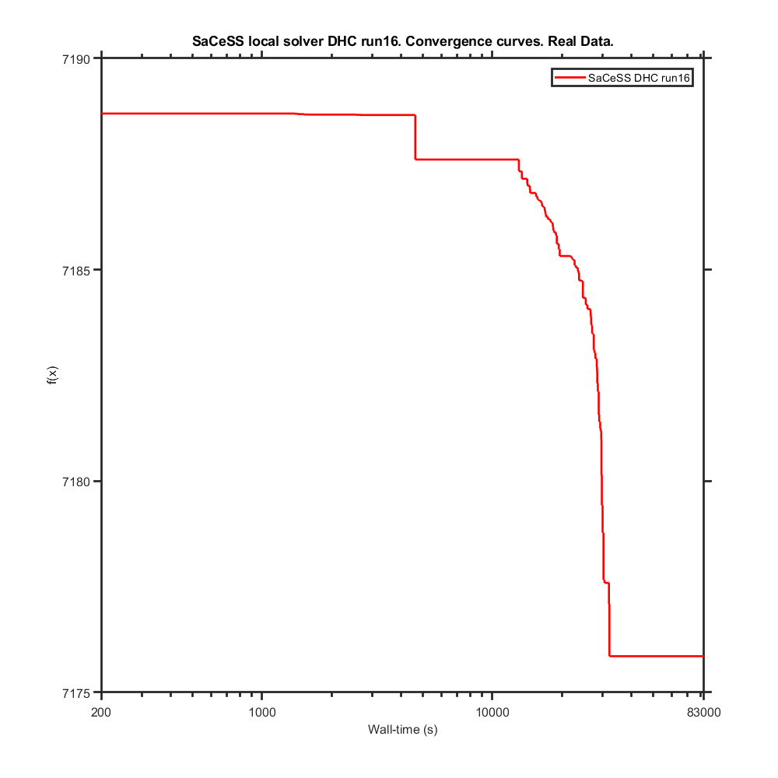
...
SaCeSS local solver DHC run01 | 7179.27 | -7.4970891497 | -7.27448 | -8.0367741797 | -6.0832786774 | -8.8887456364 | 0.19289100898 | -6.5784721085 | -9.510940022 | -3.1555381297 | -10.973178622 | -0.61168791191 | -8.3476467908
SaCeSS local solver DHC run12 | 7183.72 | -7.4982143101 | -7.2744388897 | -8.0053701415 | -6.0042645251 | -8.8954786939 | 0.19170614669 | -6.6100732483 | -9.5091262359 | -3.0785100946 | -10.970591979 | -0.65097925665 | -8.34958866
SaCeSS local solver DHC run13 | 7178.19 | -7.4955252823 | -7.2542677726 | -7.9988251195 | -6.0256312743 | -8.9077926598 | 0.21782717498 | -6.5921399761 | -9.1128290954 | -3.1153498198 | -11.023169692 | -0.5978164034 | -8.3290574991
SaCeSS local solver DHC run14 | 7181.56 | -7.4976390981 | -7.27448 | -7.9849937073 | -6.0409627242 | -8.88104 | 0.19000326158 | -6.57845 | -10.257406224 | -3.1355900608 | -10.970715532 | -0.60989260642 | -8.3544121449
SaCeSS local solver DHC run15 | 7180.01 | -7.4983499224 | -7.2744799224 | -8.0842372938 | -6.1375651063 | -8.8821530068 | 0.20114096283 | -6.57845 | -10.257716566 | -3.1508229972 | -10.979495373 | -0.61541885539 | -8.3538804453
SaCeSS local solver DHC run16 | 7175.86 | -7.4983053841 | -7.2682058267 | -7.9888083742 | -6.0456535476 | -8.9013504764 | 0.20598905512 | -6.57845 | -9.4499126449 | -3.1428109097 | -10.976493776 | -0.61406481733 | -8.3384033504
SaCeSS local solver DHC run17 | 7180.99 | -7.49835 | -7.2739620015 | -7.9807660858 | -6.0441161693 | -8.8816671561 | 0.15266667934 | -6.57845 | -9.4776981043 | -3.075563527 | -11.006832996 | -0.58881691345 | -8.3779112932
best value | 7175.86
avg | 7180.76

PEtab_PLANG_real_data_v2_it7
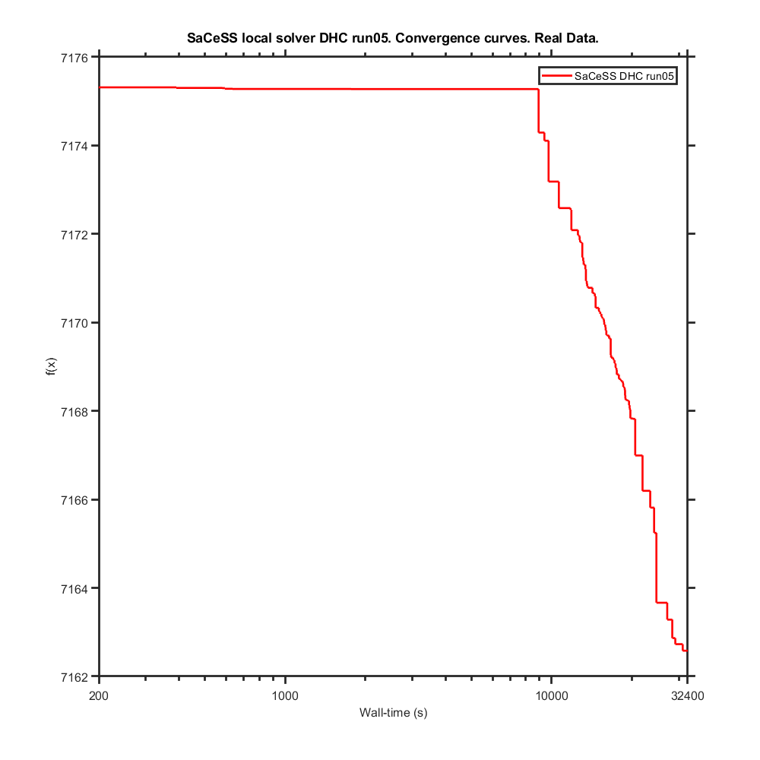
...
SaCeSS local solver DHC run01 | 7171.71 | -7.49835 | -7.27448 | -8.0089490108 | -6.0461651149 | -8.882735379 | 0.26286667567 | -6.57845 | -9.1895941927 | -3.1438332642 | -11.007055094 | -0.62881941236 | -8.3658129238
SaCeSS local solver DHC run05 | 7162.58 | -7.49835 | -7.27448 | -7.9917901636 | -6.0373291552 | -8.8859027605 | 0.20484632249 | -6.57845 | -10.09925124 | -3.140292795 | -10.977048048 | -0.55381305663 | -8.2847544268
SaCeSS local solver DHC run06 | 7165.74 | -7.49835 | -7.27448 | -8.0121424817 | -6.0422467822 | -8.9054117153 | 0.15003560976 | -6.57845 | -9.8078174884 | -3.1484662324 | -10.964694383 | -0.61952016423 | -8.3348504428
SaCeSS local solver DHC run07 | 7162.62 | -7.4972563271 | -7.2744743817 | -8.0217185289 | -6.1036751203 | -8.9244563929 | 0.20124978474 | -6.5785477697 | -9.5136943046 | -3.1317981446 | -11.02274268 | -0.61256890043 | -8.287957793
SaCeSS local solver DHC run08 | 7171.23 | -7.49835 | -7.27448 | -8.0114263222 | -6.0573654989 | -8.8812895574 | 0.25735275015 | -6.57845 | -9.4893268727 | -3.1367104086 | -10.936537915 | -0.59632223488 | -8.2846484217
SaCeSS local solver DHC run09 | 7169.00 | -7.49835 | -7.27448 | -7.9934096656 | -6.0435233268 | -8.881544789 | 0.18148428297 | -6.5784639588 | -9.4281310177 | -3.1559480145 | -10.932418733 | -0.62490447242 | -8.3541618564
SaCeSS local solver DHC run10 | 7172.30 | -7.49835 | -7.27448 | -7.9804883136 | -6.0480926113 | -8.88104 | 0.10495493206 | -6.5784507262 | -9.420015163 | -3.1042370018 | -10.971870434 | -0.61063806687 | -8.3930768265
best value | 7162.58
avg | 7167.90

PEtab_PLANG_real_data_v2_it8
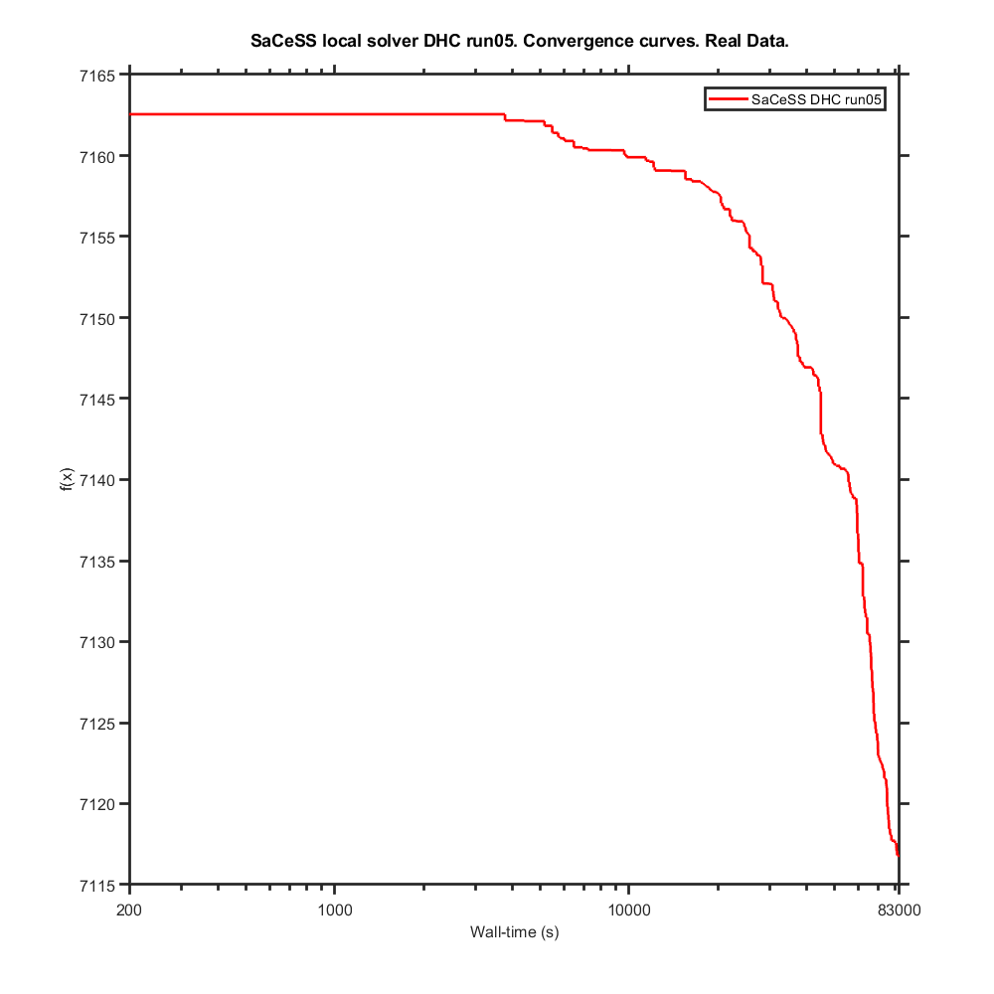
...
SaCeSS local solver DHC run01 | 7147.13 | -7.4975228437 | -7.27448 | -8.0672107423 | -6.0613555266 | -8.8810609397 | 0.32870946787 | -6.57845 | -10.2688 | -3.1545939453 | -10.999150121 | -0.52686395822 | -8.2776688827
SaCeSS local solver DHC run05 | 7116.78 | -7.4969404161 | -7.2744799392 | -8.0480136319 | -6.0420315823 | -8.9054017292 | 0.26011117479 | -6.5784500608 | -10.222557722 | -3.1651834193 | -10.997800767 | -0.47127181232 | -8.3500345655
SaCeSS local solver DHC run06 | 7130.93 | -7.4982927416 | -7.2724996655 | -8.0704509401 | -6.0546264201 | -8.8980402407 | 0.0091767365786 | -6.5786030886 | -10.268195663 | -3.1340164718 | -11.026136701 | -0.7523217061 | -8.2764445878
SaCeSS local solver DHC run07 | 7145.61 | -7.4977036936 | -7.2742473714 | -8.021257155 | -6.0284212761 | -8.8822036079 | 0.16509289679 | -6.5786597448 | -9.9582825568 | -3.1253983275 | -10.979402376 | -0.53466594221 | -8.3007121097
SaCeSS local solver DHC run08 | 7148.08 | -7.4983499985 | -7.27448 | -8.072707426 | -6.038400253 | -8.88104 | 0.17596844607 | -6.5784500043 | -10.2688 | -3.1203228216 | -11.060378974 | -0.51858487582 | -8.3293244886
SaCeSS local solver DHC run09 | 7139.54 | -7.49835 | -7.2735322685 | -7.9988250134 | -6.0207256794 | -8.9050199533 | 0.19869187396 | -6.57845 | -10.262591288 | -3.0935956563 | -11.040261412 | -0.57050439194 | -8.2796660767
SaCeSS local solver DHC run10 | 7139.51 | -7.49835 | -7.27448 | -8.0484088298 | -6.0472932827 | -8.88104 | 0.28278770743 | -6.57845 | -10.101089277 | -3.1474794284 | -11.097332704 | -0.58726688912 | -8.3779914621
best value | 7116.78
avg | 7139.49

PEtab_PLANG_real_data_v2_it13
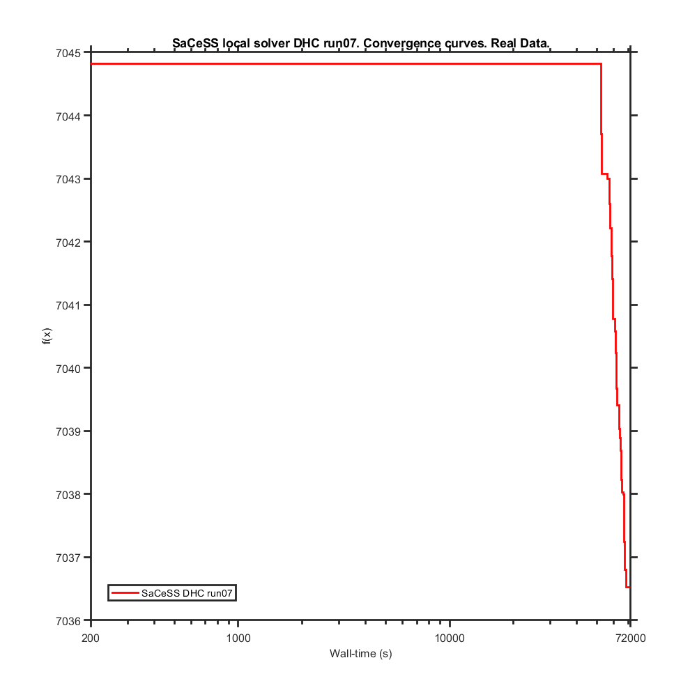
...
SaCeSS local solver DHC run01 | 7044.82 | -7.4974791866 | -7.2744805588 | -8.2256346328 | -6.1753873853 | -9.0090310264 | 0.13504462969 | -6.5788839857 | -10.261575293 | -3.1866718232 | -11.082461855 | -0.42336987839 | -8.3298815887
SaCeSS local solver DHC run05 | 7043.71 | -7.4983458712 | -7.2744805588 | -8.2260713699 | -6.1753873853 | -8.9545307617 | 0.20211770681 | -6.5784515318 | -10.059464563 | -3.1866883637 | -11.081540642 | -0.42169670305 | -8.3420012003
SaCeSS local solver DHC run06 | 7044.82 | -7.4974791866 | -7.2744805588 | -8.2256346328 | -6.1753873853 | -9.0090310264 | 0.13504462969 | -6.5788839857 | -10.261575293 | -3.1866718232 | -11.082461855 | -0.42336987839 | -8.3298815887
SaCeSS local solver DHC run07 | 7036.53 | -7.4950226163 | -7.218886219 | -8.2011657126 | -6.1397534305 | -9.0644873193 | 0.1772094059 | -6.628965649 | -10.250037173 | -3.1969255721 | -11.025461278 | -0.47264561284 | -8.3433449683
SaCeSS local solver DHC run08 | 7044.82 | -7.4974791866 | -7.2744805588 | -8.2256346328 | -6.1753873853 | -9.0090310264 | 0.13504462969 | -6.5788839857 | -10.261575293 | -3.1866718232 | -11.082461855 | -0.42336987839 | -8.3298815887
SaCeSS local solver DHC run09 | 7037.73 | -7.4975827464 | -7.2692800346 | -8.2306687723 | -6.1743925947 | -9.0164405953 | 0.14874576278 | -6.5787439478 | -10.245300749 | -3.1817556651 | -11.082021648 | -0.4230801066 | -8.3329901515
SaCeSS local solver DHC run10 | 7044.82 | -7.4974791866 | -7.2744805588 | -8.2256346328 | -6.1753873853 | -9.0090310264 | 0.13504462969 | -6.5788839857 | -10.261575293 | -3.1866718232 | -11.082461855 | -0.42336987839 | -8.3298815887
best value | 7036.53
avg | 7043.05

PEtab_PLANG_real_data_v2_it20
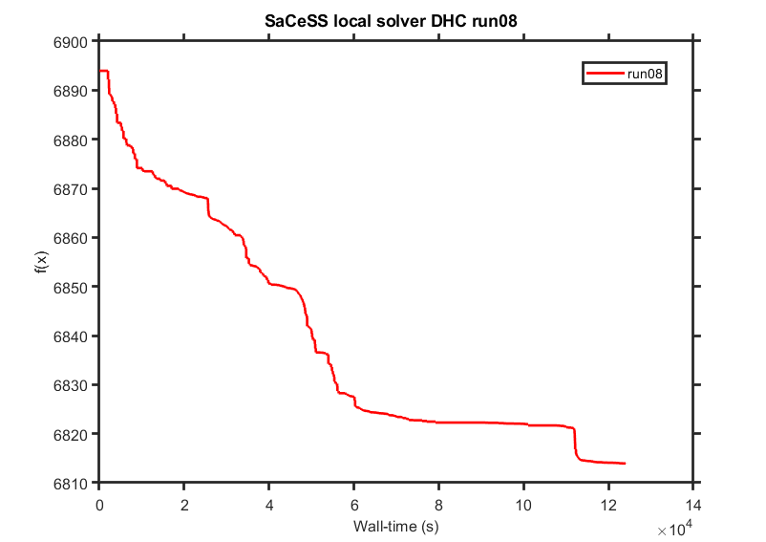
...
SaCeSS local solver DHC run01 | 6819.24 | -7.6765612695 | -7.2847743511 | -8.3090091264 | -6.1784136937 | -8.9588047431 | -0.12029857213 | -6.6162874554 | -10.203884354 | -3.2192558072
SaCeSS local solver DHC run03 | 6818.05 | -7.5259144243 | -7.2774061494 | -8.3087510431 | -6.1759672565 | -8.9837501791 | -0.26311466098 | -6.5852653178 | -10.267642816 | -3.2104829615
SaCeSS local solver DHC run04 | 6847.54 | -7.4986579088 | -7.287228424 | -8.2947620037 | -6.1749265474 | -8.9630797755 | -0.22236915587 | -6.585693767 | -10.255954348 | -3.2120031754
SaCeSS local solver DHC run05 | 6826.92 | -7.5474123932 | -7.4129358465 | -8.3208381205 | -6.1771057421 | -9.0061212102 | -0.35763086427 | -6.5832354867 | -10.261417479 | -3.2062537748
SaCeSS local solver DHC run06 | 6851.72 | -7.5158404881 | -7.2954257612 | -8.3030624854 | -6.1687173258 | -8.9543283068 | -0.51219720253 | -6.6003920166 | -10.265597624 | -3.2074994663
SaCeSS local solver DHC run07 | 6837.82 | -7.5722629187 | -7.2870176223 | -8.3157439627 | -6.1668560037 | -8.9229180108 | -0.21077453766 | -6.5791771219 | -10.239181118 | -3.2080852231
SaCeSS local solver DHC run08 | 6813.51 | -7.5015474082 | -7.3385001392 | -8.2997602106 | -6.1643864177 | -8.921587601 | -0.29523180947 | -6.5845787433 | -10.265202284 | -3.2012177888
best value | 6813.51
avg | 6830.47

PLANG_real_data_pl-try_off_it1
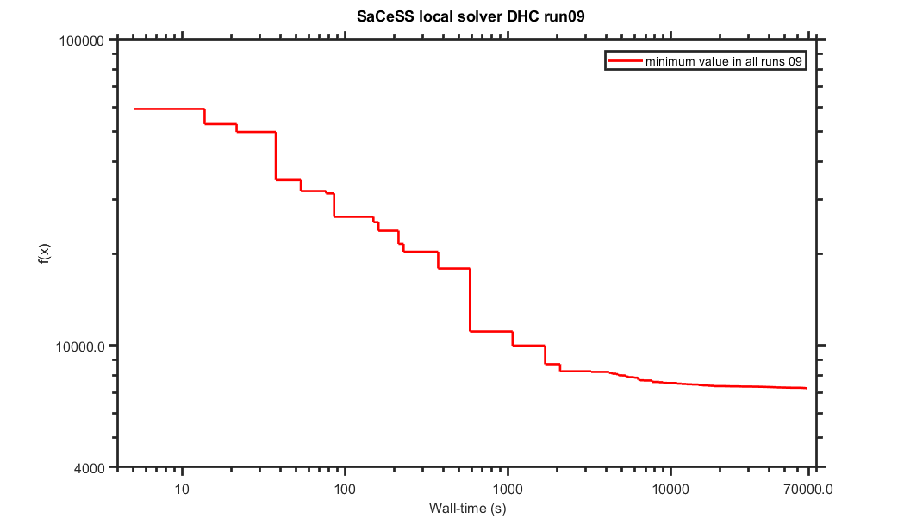
...
SaCeSS local solver DHC run01 | 7582.68 | -7.4983457951 | -4.8888494521 | -5.3062365652 | -5.1030735591 | -9.1373279459 | 0.13764973317 | -8.2023327098 | -6.5723527788 | 1.2197731859 | -10.011922211 | -1.1592724706
SaCeSS local solver DHC run05 | 7918.96 | -6.6395574181 | -4.7737033346 | -4.3119640906 | -1.5903026034 | -9.2668846993 | 1.1819037028 | -6.5785566718 | -8.8421964791 | 0.71835855276 | -9.6426638482 | 0.2537717159
SaCeSS local solver DHC run06 | 7749.59 | -6.8626166269 | -6.5799046021 | -6.6584442213 | -4.3135073753 | -8.8812976494 | 0.79034079446 | -11.169996411 | -10.023221418 | 1.2424896387 | -10.699183525 | -0.073172808204
SaCeSS local solver DHC run07 | 8489.77 | -6.0721983707 | -7.2708682287 | -5.1896044084 | -3.8038411564 | -10.62410419 | 0.63769189955 | -6.5784767242 | -10.25139728 | -1.4704789837 | -11.192703763 | -0.36479913066
SaCeSS local solver DHC run08 | 7664.88 | -7.4983457055 | -4.9285188883 | -6.9575631647 | -4.1424835034 | -9.3199305505 | 1.5215691589 | -6.6570259622 | -10.234870147 | -1.593515003 | -13.524189937 | -1.3623006825
SaCeSS local solver DHC run09 | 7251.91 | -7.0814033005 | -7.2744805588 | -7.4681011376 | -4.6851200931 | -11.009096909 | 0.23363806292 | -11.160477791 | -6.2222514248 | -2.4018235847 | -10.273082492 | 0.026684622504
SaCeSS local solver DHC run10 | 7600.33 | -7.4983458712 | -6.5502519005 | -6.1538372865 | -3.2538879215 | -11.057923384 | 0.66151332627 | -8.8230543935 | -10.268770871 | -2.0270648226 | -11.150097828 | -1.6355884096
best value | 7251.91
avg | 7663.44

PLANG_real_data_pl-try_off_it2
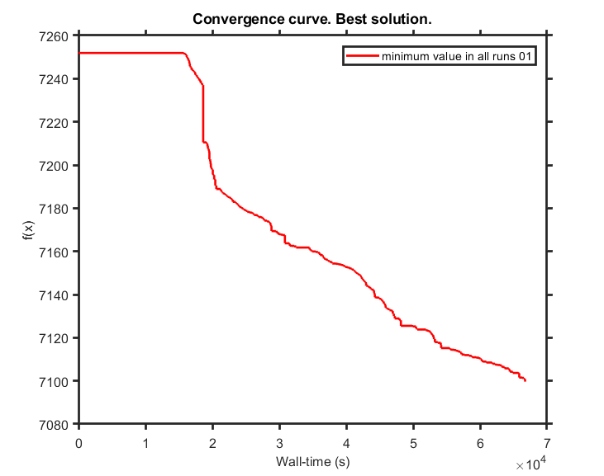
...
SaCeSS local solver DHC run01 | 7099.24 | -7.240017143 | -7.2403708212 | -7.6242208314 | -4.9268718083 | -11.434427135 | 0.045513598232 | -11.032553403 | -6.3598041425 | -2.3825167886
SaCeSS local solver DHC run04 | 7169.50 | -7.0008542026 | -7.2744805588 | -7.4068106432 | -4.3289699241 | -11.653227397 | -0.12386736317 | -11.183621718 | -7.407514341 | -1.573823815
SaCeSS local solver DHC run05 | 7219.32 | -7.0087433554 | -7.1504088661 | -7.4166472848 | -4.5833793647 | -11.161129851 | 0.091607455095 | -10.93954838 | -6.5482640432 | -2.4168507818
SaCeSS local solver DHC run06 | 7251.91 | -7.0814033005 | -7.2744805588 | -7.4681011376 | -4.6851200931 | -11.009096909 | 0.23363806292 | -11.160477791 | -6.2222514248 | -2.4018235847
SaCeSS local solver DHC run07 | 7196.42 | -6.9117948271 | -6.9297382615 | -7.6624156071 | -4.8299383115 | -11.209540579 | -0.077919397238 | -11.098663412 | -7.6558562422 | -2.4135922095
SaCeSS local solver DHC run08 | 7189.82 | -7.082681675 | -7.274480468 | -7.5073657508 | -4.590253392 | -11.396919246 | 0.24677115234 | -11.1658338 | -6.4034617827 | -2.3739186268
SaCeSS local solver DHC run09 | 7163.73 | -7.1637057312 | -7.069218796 | -7.5418924898 | -4.9442187899 | -11.747726054 | 0.11935198811 | -11.183621669 | -6.0962641725 | -1.5629286217
SaCeSS local solver DHC run10 | 7199.54 | -7.4983457844 | -7.0616497357 | -7.4389194232 | -4.4825268021 | -11.53287354 | -0.26727763356 | -11.17719581 | -6.5153904287 | -2.2432165777
best value | 7099.24
avg | 7175.18

PLANG_real_data_pl-try_off_it3
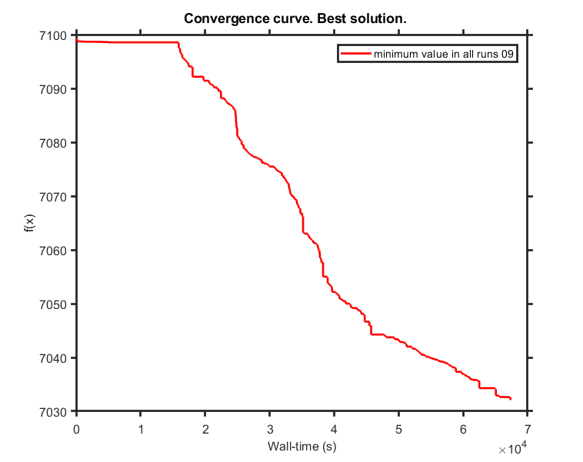
...
SaCeSS local solver DHC run01 | 7046.75 | -7.2257233694 | -7.238856049 | -7.6280107636 | -4.8826817239 | -11.502414977 | -0.034235666384 | -11.183621666 | -6.6737095238 | -2.308276759
SaCeSS local solver DHC run05 | 7047.32 | -7.1772349306 | -7.2389943785 | -7.6310761269 | -4.9723947647 | -11.620912504 | -0.041426155289 | -11.18362112 | -6.4546056745 | -2.3513881985
SaCeSS local solver DHC run06 | 7055.95 | -7.2532727413 | -7.2744805588 | -7.6250174643 | -4.8694626035 | -11.422234275 | -0.0040806049327 | -11.183621718 | -6.409460659 | -2.371176553
SaCeSS local solver DHC run07 | 7045.89 | -7.237232641 | -7.2350665544 | -7.6523315436 | -4.969899119 | -11.707357904 | 0.023763668167 | -11.183621668 | -6.3636971716 | -2.346688784
SaCeSS local solver DHC run08 | 7065.02 | -7.1835022725 | -7.1303643082 | -7.6132860324 | -4.8796614806 | -11.62369927 | 0.020282139895 | -11.183619592 | -6.3444591583 | -2.1176044652
SaCeSS local solver DHC run09 | 7031.70 | -7.2158114869 | -7.1258560126 | -7.6873119325 | -4.8822019851 | -11.585357176 | -0.084760496768 | -11.17197266 | -6.4960272371 | -1.7956734301
SaCeSS local solver DHC run10 | 7071.13 | -7.1043791389 | -7.2744804679 | -7.6063058345 | -4.9635767653 | -11.574844506 | 0.011145232818 | -11.183621627 | -6.3736635735 | -2.3704418016
best value | 7031.70
avg | 7058.92

PLANG_real_data_pl-try_off_it4
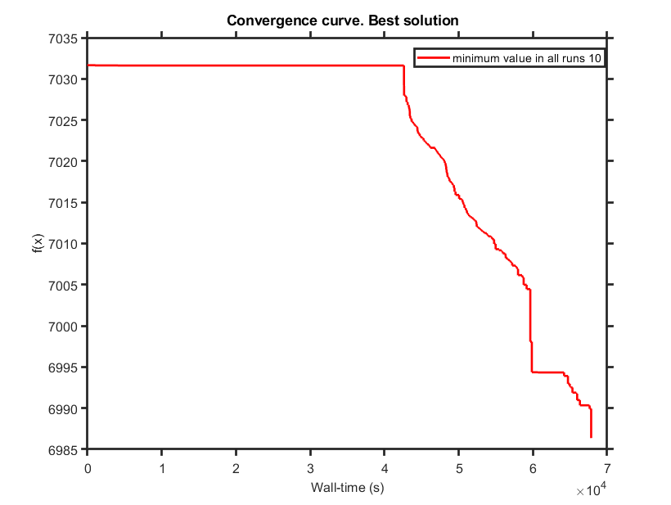
...
SaCeSS local solver DHC run01 | 7023.26 | -7.2005760644 | -7.0450077431 | -7.6897887056 | -4.8903074352 | -11.696836104 | -0.20911642135 | -11.178511646 | -6.586118663 | -1.7910838906
SaCeSS local solver DHC run04 | 7007.49 | -7.231696091 | -7.1490781791 | -7.6719988365 | -4.8482711374 | -11.628737123 | -0.065680499474 | -11.183459385 | -6.6761722667 | -1.804501939
SaCeSS local solver DHC run05 | 7005.30 | -7.22101137 | -7.1339327012 | -7.6102716303 | -4.898077625 | -11.547532294 | -0.058169152772 | -11.179345842 | -6.525927796 | -1.7975190949
SaCeSS local solver DHC run06 | 7020.93 | -7.1802666277 | -7.0866477657 | -7.6564660699 | -4.9678820096 | -11.71637938 | 0.25837514775 | -11.182237852 | -6.5226273925 | -1.7457088351
SaCeSS local solver DHC run07 | 7016.15 | -7.2693251768 | -7.1093918304 | -7.6633687644 | -4.8589333265 | -11.781569852 | 0.042629592141 | -11.166991734 | -6.5012382814 | -1.7268233879
SaCeSS local solver DHC run08 | 6994.13 | -7.4983458712 | -7.1339811142 | -7.7638742413 | -4.9841897555 | -11.769238046 | -0.18213452137 | -11.183621718 | -6.5396643798 | -1.629228728
SaCeSS local solver DHC run09 | 7007.57 | -7.2185938777 | -7.1333554445 | -7.6890339781 | -4.8767372082 | -11.732866992 | -0.08177299276 | -11.183621718 | -6.5104478488 | -1.8030071005
SaCeSS local solver DHC run10 | 6986.36 | -7.0472773008 | -7.109032326 | -7.6948784079 | -5.1582077749 | -12.064028403 | -0.19502581643 | -11.006977147 | -7.0688986177 | -1.9358208051
best value | 6986.36
avg | 7008.57

PLANG_real_data_pl-try_off_it6
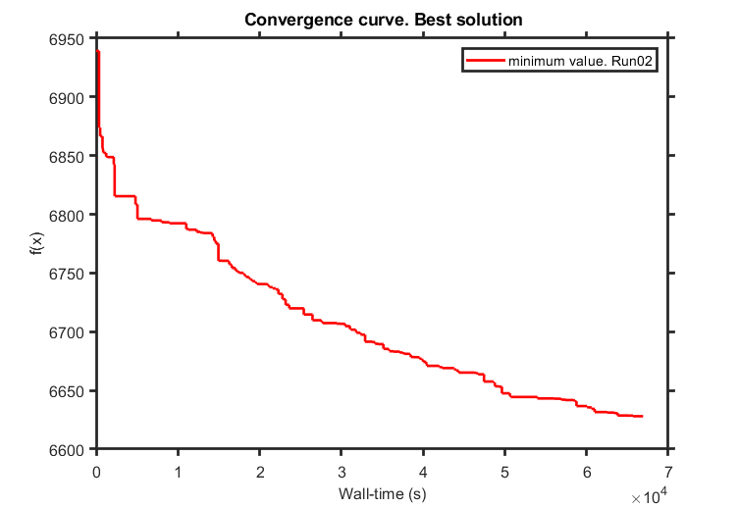
...
SaCeSS local solver DHC run01 | 6614.71 | -7.1340256063 | -7.2635027513 | -7.6338031498 | -5.1798867056 | -11.925323942 | -0.24664252324 | -11.183405985 | -11.028450082 | -1.5379714605
SaCeSS local solver DHC run04 | 6618.40 | -7.1017682461 | -7.1010900433 | -7.6022023333 | -5.2203544574 | -11.887102965 | -0.080689678081 | -10.981306137 | -9.8746974201 | -1.515438618
SaCeSS local solver DHC run05 | 6614.11 | -7.124825177 | -7.1077982611 | -7.5976716843 | -4.7974749693 | -12.336260999 | -0.5033721162 | -10.965268999 | -12.299517554 | -1.6177345314
SaCeSS local solver DHC run06 | 6627.79 | -7.1199881515 | -7.1390411722 | -7.5928959719 | -4.9887313945 | -12.73098518 | -0.32296320763 | -10.87229304 | -11.256277266 | -1.4755135493
SaCeSS local solver DHC run07 | 6649.08 | -7.1235048262 | -7.099036031 | -7.5735338849 | -5.1347655547 | -13.486206811 | -0.23684314766 | -10.677075714 | -10.135966476 | -1.5614193242
SaCeSS local solver DHC run08 | 6639.85 | -7.157333251 | -7.1125622049 | -7.5600130527 | -5.3227914381 | -12.547453104 | 0.04264028344 | -10.589381473 | -8.5347982752 | -1.5592332363
SaCeSS local solver DHC run09 | 6639.73 | -7.1701804893 | -7.104269081 | -7.5968473371 | -5.0802606359 | -11.988389331 | 0.22690705612 | -10.824763265 | -11.013054021 | -1.5175474631
SaCeSS local solver DHC run10 | 6663.27 | -6.9945391 | -7.0896070046 | -7.5688337172 | -5.2593245407 | -12.069301592 | 0.0924580546 | -11.025108229 | -12.238204177 | -1.5602567337
best value | 6613.06
avg | 6631.07

PLANG_real_data_pl-try_off_it7_
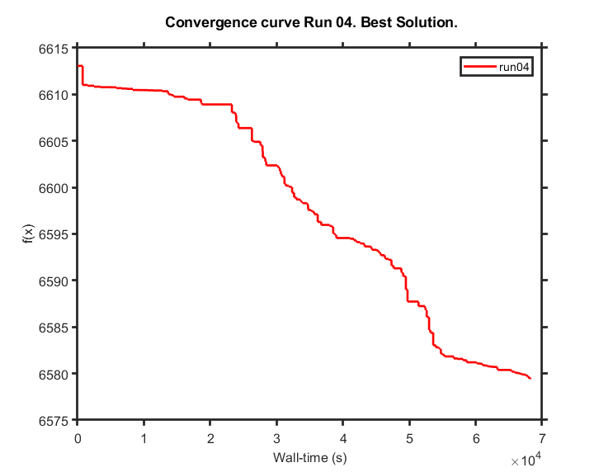
...
SaCeSS local solver DHC run01 | 6583.46 | -7.1318901617 | -7.0633143498 | -7.5393092221 | -4.8586998433 | -11.903602163 | -0.088362372234 | -10.843072022 | -9.9932191216 | -1.5433541883
SaCeSS local solver DHC run04 | 6579.35 | -7.1269440915 | -7.0951044864 | -7.5677624496 | -4.9076823176 | -11.953356482 | -0.11410033753 | -10.908047587 | -10.035630307 | -1.5357015614
SaCeSS local solver DHC run05 | 6586.06 | -7.115132346 | -7.1003990116 | -7.565638698 | -4.8533914242 | -11.861834142 | -0.027092940059 | -10.920882374 | -9.9920864436 | -1.5570499275
SaCeSS local solver DHC run06 | 6590.78 | -7.0125727595 | -7.0779778417 | -7.5625213436 | -4.9650592671 | -11.848170202 | -0.062846641942 | -10.894371097 | -10.280657624 | -1.5694190972
SaCeSS local solver DHC run07 | 6595.81 | -7.1461809315 | -7.0233126299 | -7.5199835394 | -4.8418228034 | -11.79186601 | -0.18501009166 | -10.756949943 | -10.002193812 | -1.4811939976
SaCeSS local solver DHC run08 | 6605.13 | -7.076769251 | -7.0508590086 | -7.568311987 | -4.9104028552 | -11.822159493 | -0.085304485007 | -10.882257592 | -10.156091209 | -1.5062266267
SaCeSS local solver DHC run09 | 6590.17 | -6.809271331 | -7.0518079445 | -7.4502537618 | -4.6291576008 | -12.051423895 | -0.1592540925 | -10.993372592 | -10.518830307 | -1.0407161184
SaCeSS local solver DHC run10 | 6599.66 | -7.1183196405 | -7.0909666456 | -7.5512268288 | -4.9122035255 | -11.849873055 | -0.08718557477 | -10.907889582 | -9.9909522808 | -1.553302605
best value | 6579.35
avg | 6591.76

PEtab_PL_v3_0_1_it1
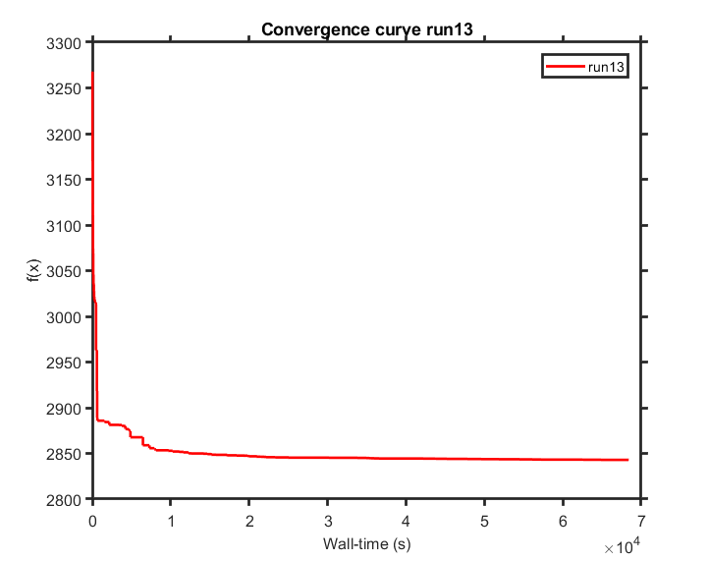
...
SaCeSS local solver DHC run01 | 2848.32 | -6.6842301276 | -7.2697443678 | -6.7057300167 | -4.7119650558 | -8.8851653998 | 0.71175304114 | -6.5940251136 | -10.251358796 | -1.3165673606
SaCeSS local solver DHC run09 | 2846.44 | -6.5524392894 | -7.0345630061 | -7.6678977575 | -5.9251248792 | -8.8839200738 | 1.0247272464 | -6.6692448773 | -8.7360332684 | -2.6489510285
SaCeSS local solver DHC run10 | 2847.51 | -6.6287912139 | -6.2069287474 | -5.6182546674 | -4.3548051851 | -9.1156640747 | 1.5286399017 | -7.3141805362 | -10.188845378 | -1.3485333136
SaCeSS local solver DHC run11 | 2844.91 | -7.4976199267 | -3.679256858 | -4.8180746822 | -2.973102729 | -9.8595469208 | -0.4046085003 | -7.6629305486 | -8.2241632287 | 0.77408680315
SaCeSS local solver DHC run12 | 2852.18 | -5.2294325546 | -2.9361658329 | -4.3105544689 | -6.1579465531 | -9.8768735895 | 1.7081765038 | -6.5818630289 | -9.1611447076 | -2.6333236125
SaCeSS local solver DHC run13 | 2842.68 | -7.479844833 | -2.6709518532 | -4.2814761196 | -4.1683603546 | -10.193779354 | -0.28622680343 | -6.6267444864 | -9.7586903618 | -2.261067571
SaCeSS local solver DHC run14 | 2844.02 | -7.4902048768 | -6.9374756647 | -5.3466226662 | -4.0798781838 | -8.8868697922 | 2.2980811853 | -11.179427595 | -8.9482247948 | -0.27671199138
SaCeSS local solver DHC run15 | 2842.75 | -6.911022458 | -6.6788732972 | -6.5918801246 | -4.4116269656 | -9.0218976542 | 0.49505269022 | -6.593017519 | -10.250353017 | -1.5837413577
best value | 2842.68
avg | 2846.81

PEtab_PL_v3_0_1_it2
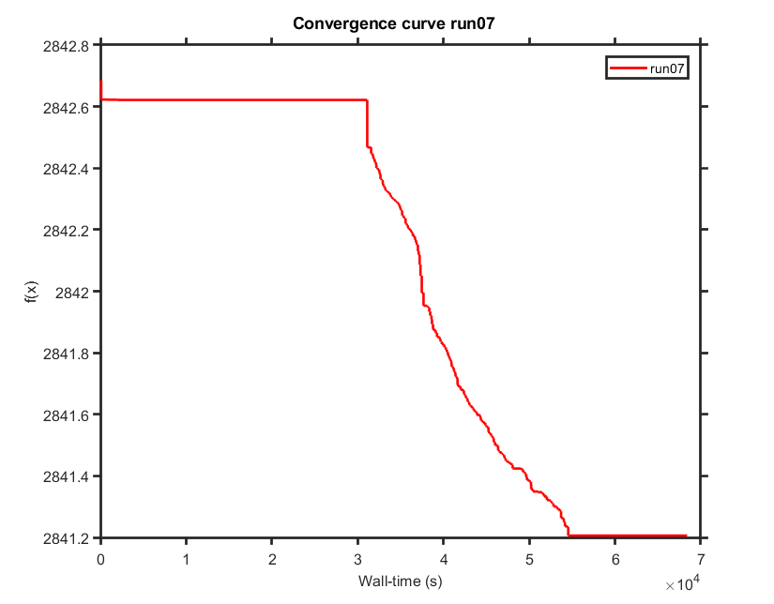
...
SaCeSS local solver DHC run01 | 2842.62 | -7.479844833 | -2.6709518532 | -4.2814761196 | -4.1683603546 | -10.193779354 | -0.28622680343 | -6.6267444864 | -9.7555062878 | -2.261067571
SaCeSS local solver DHC run09 | 2841.53 | -7.4976199104 | -4.0057345476 | -4.6436392558 | -4.8270378833 | -9.4567743221 | 0.44984344288 | -6.7310663049 | -9.5133522721 | -2.0815819693
SaCeSS local solver DHC run10 | 2842.62 | -7.479844833 | -2.6709518532 | -4.2814761196 | -4.1683603546 | -10.193779354 | -0.28622680343 | -6.6267444864 | -9.7596526209 | -2.261067571
SaCeSS local solver DHC run11 | 2842.54 | -7.49762 | -2.6693100007 | -4.27875 | -4.1689145422 | -10.224441257 | -0.54110281761 | -6.58133 | -8.291821041 | -1.998347547
SaCeSS local solver DHC run12 | 2841.86 | -7.0235045614 | -3.8180777349 | -4.5821235897 | -3.9830927524 | -10.007726185 | 0.0026153558127 | -7.08132143 | -10.158376238 | -2.1346428609
SaCeSS local solver DHC run13 | 2841.87 | -7.3460423647 | -2.841605825 | -4.569628747 | -4.3761615116 | -10.588977525 | -0.76540472727 | -6.7634803651 | -9.8420870864 | -2.0601376274
SaCeSS local solver DHC run14 | 2841.71 | -7.49762 | -2.9049114581 | -4.27875 | -4.5090447617 | -10.004035329 | -0.14105116299 | -6.6617236211 | -10.249989505 | -2.3359946832
SaCeSS local solver DHC run15 | 2842.61 | -7.4798569101 | -2.66931 | -4.27875 | -4.1684496418 | -10.193469097 | -0.28667900845 | -6.6267413785 | -9.7550985259 | -2.2610891928
best value | 2841.13
avg | 2842.07

PEtab_PL_v3_0_1_it3
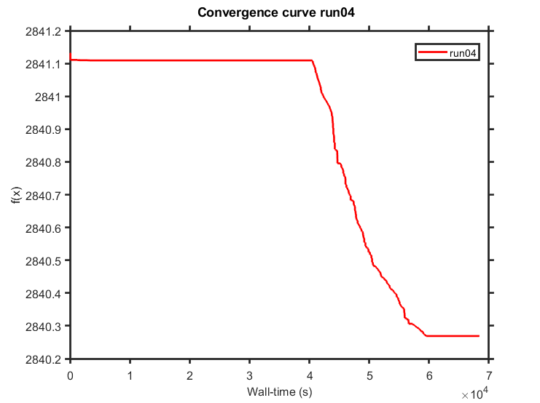
...
SaCeSS local solver DHC run01 | 2840.81 | -6.7060236706 | -4.5579493864 | -4.6979387007 | -4.6504070667 | -10.061444761 | 0.63288289108 | -7.2902022485 | -9.9568128337 | -2.0564204412
SaCeSS local solver DHC run07 | 2840.80 | -7.1631979523 | -2.66931 | -4.3265121932 | -4.3685041627 | -10.343071784 | -0.26114088437 | -6.9026550456 | -8.0069392849 | -2.0656898387
SaCeSS local solver DHC run08 | 2840.82 | -7.1461765785 | -2.7856456616 | -4.441909059 | -4.1430409147 | -10.418378014 | -0.21276734716 | -6.8304095089 | -10.176397787 | -2.1364761727
SaCeSS local solver DHC run09 | 2841.10 | -7.145944334 | -2.785283671 | -4.442475289 | -4.114838422 | -10.40648242 | -0.311292011 | -6.830565976 | -10.268799315 | -2.144656647
SaCeSS local solver DHC run10 | 2841.11 | -7.145944334 | -2.785283671 | -4.442475289 | -4.114838422 | -10.40648242 | -0.311292011 | -6.830565976 | -10.267556729 | -2.144656647
SaCeSS local solver DHC run11 | 2841.11 | -7.145944334 | -2.785283671 | -4.442475289 | -4.114838422 | -10.40648242 | -0.311292011 | -6.830565976 | -10.268602858 | -2.144656647
SaCeSS local solver DHC run12 | 2840.75 | -6.998357196 | -2.8304046666 | -4.4060283234 | -4.4343686528 | -10.049727069 | -0.25894131419 | -6.8405142168 | -10.014895618 | -2.0364007355
SaCeSS local solver DHC run13 | 2841.11 | -7.145944334 | -2.785283671 | -4.442475289 | -4.114838422 | -10.40648242 | -0.311292011 | -6.830565976 | -10.258144234 | -2.144656647
best value | 2840.07
avg | 2840.90

PEtab_PL_v3_1_0_it1
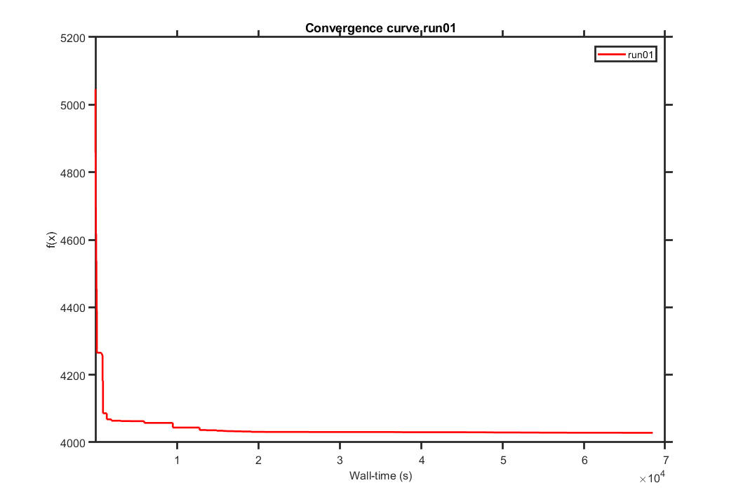
...
SaCeSS local solver DHC run01 | 4028.10 | -6.099092016 | -5.0496413456 | -7.5232096551 | -5.7659253402 | -8.8839184712 | 1.1178658373 | -6.6008913458 | -6.4967343669 | -2.8284175746 | -13.049789642 | -0.68045229418
SaCeSS local solver DHC run09 | 4032.54 | -7.0510510723 | -4.3911729719 | -8.658284672 | -6.1757770503 | -9.3387247041 | 0.79548408884 | -6.5813326567 | -6.4104830067 | -3.1132440842 | -14.182050913 | -0.41301146247
SaCeSS local solver DHC run10 | 4036.59 | -7.4973315606 | -2.9960519145 | -4.2787472751 | -3.722244197 | -8.8839184712 | 3.5812754738 | -6.5813326567 | -5.6650414919 | -3.2227508199 | -13.064939306 | 1.2808142634
SaCeSS local solver DHC run11 | 4030.11 | -4.7831206164 | -5.3271794573 | -4.9606942345 | -1.7472483041 | -8.8923646951 | 1.0005950119 | -7.930627216 | -10.157660251 | -1.7930888554 | -13.477331102 | -1.119246142
SaCeSS local solver DHC run12 | 4028.47 | -7.4975310032 | -5.5342057884 | -6.6097250121 | -3.7657605263 | -9.1137122681 | 0.37366886555 | -6.5814589346 | -7.5943481179 | 0.42655921487 | -12.866379582 | -1.0272303096
SaCeSS local solver DHC run13 | 4034.65 | -7.3738014373 | -6.0716081731 | -6.2685587231 | -6.1758673081 | -9.3054278942 | 0.37755441935 | -6.5813326567 | -5.9922249248 | -1.5781507353 | -12.43857815 | 0.01396989492
SaCeSS local solver DHC run14 | 4030.49 | -7.4888834494 | -5.2668107192 | -4.9562439115 | -3.4445070888 | -8.8981886136 | 1.5550715894 | -6.6012558015 | -10.203964565 | -2.4966090991 | -13.399039135 | -0.61399344982
SaCeSS local solver DHC run15 | 4044.21 | -7.4976222294 | -5.8785708764 | -5.8891809889 | -4.0966247541 | -9.1507338232 | 1.969789 | -8.6397613482 | -5.6650414919 | -2.5921910685 | -14.182235838 | 0.0070505725642
best value | 4028.10
avg | 4032.59

PEtab_PL_v3_1_0_it2
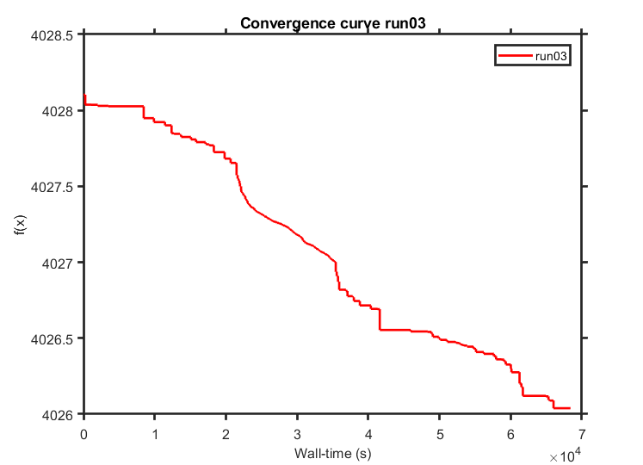
...
SaCeSS local solver DHC run01 | 4026.12 | -6.1915698387 | -5.2791037427 | -7.4756189523 | -5.4921022393 | -8.9948698166 | 1.015884799 | -6.628829523 | -6.605563759 | -2.591116302
SaCeSS local solver DHC run09 | 4026.47 | -6.1558174066 | -5.3595922385 | -7.4820328613 | -5.6805548761 | -9.2375745719 | 1.0872042762 | -6.7905711935 | -6.6470576211 | -2.775527762
SaCeSS local solver DHC run10 | 4026.24 | -6.1236881667 | -5.1770307824 | -7.5237058179 | -5.5686928067 | -8.9424666844 | 1.0317702433 | -6.5973013575 | -6.547630714 | -2.7439217186
SaCeSS local solver DHC run11 | 4025.91 | -6.0304322955 | -5.0471120476 | -7.5180497601 | -5.5676557923 | -8.987934171 | 1.0298316418 | -6.6030788904 | -7.0510788125 | -2.8489575028
SaCeSS local solver DHC run12 | 4026.02 | -6.3299941767 | -5.2539517864 | -7.4235257243 | -5.4853179109 | -8.9143179551 | 1.0138747296 | -6.6843678498 | -8.3066352059 | -2.8052640139
SaCeSS local solver DHC run13 | 4026.36 | -6.0681169501 | -5.1353693886 | -7.5014612857 | -5.7482716822 | -8.9707009115 | 1.0576555921 | -6.6506007488 | -6.5925178927 | -2.8035290353
SaCeSS local solver DHC run14 | 4026.23 | -6.1247507537 | -5.0920313306 | -7.513517812 | -5.5314719552 | -8.8897187452 | 1.1385551773 | -6.6479499317 | -6.7198141127 | -2.8212729507
SaCeSS local solver DHC run15 | 4026.05 | -6.1173663814 | -5.0539983095 | -7.5205074398 | -5.7249469146 | -8.8839386841 | 1.0621071508 | -6.5884533744 | -6.8063521532 | -2.8136225117
best value | 4025.91
avg | 4026.22

PEtab_PL_v3_2_0_it1
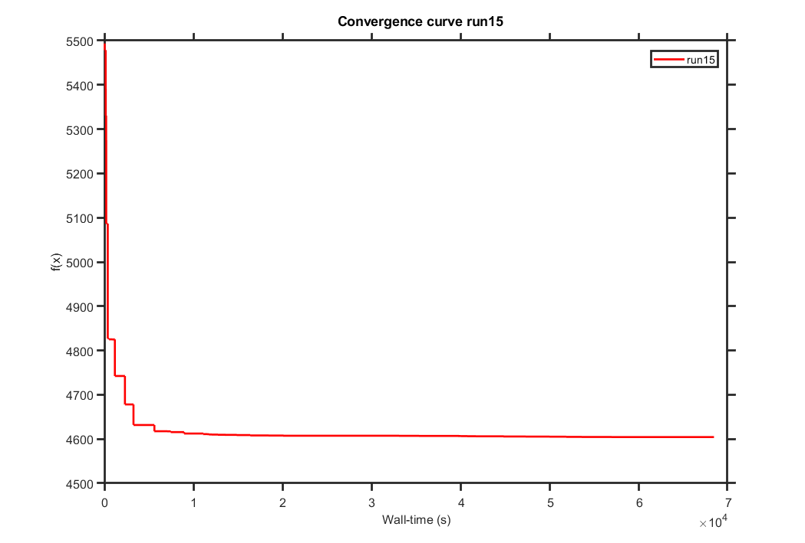
...
SaCeSS local solver DHC run01 | 4609.60 | -7.4954015831 | -5.1892331773 | -7.5628058404 | -2.613052761 | -8.9209747857 | 0.41087315478 | -7.4324167632 | -10.268770871 | 0.27338706963 | -11.50956319 | -0.69166987717
SaCeSS local solver DHC run09 | 4618.58 | -7.4191451326 | -7.2697341706 | -4.4572385137 | -1.7244593594 | -8.9701805578 | 2.0437844278 | -6.7671387302 | -5.6650414919 | 0.69701109962 | -10.54072111 | 0.1616189723
SaCeSS local solver DHC run10 | 4611.14 | -7.4923540407 | -7.2744790378 | -6.2955347623 | -6.1523345671 | -8.8882492658 | 2.8040156472 | -6.616715396 | -5.7840018692 | -2.6830082621 | -11.951182348 | -2.2764112545
SaCeSS local solver DHC run11 | 4607.63 | -7.4976222261 | -5.4951195421 | -4.7468596724 | -3.4850463834 | -8.8839185514 | 2.1155911974 | -6.9312216886 | -7.3247994376 | 0.68088944404 | -11.258563097 | -0.17811582098
SaCeSS local solver DHC run12 | 4615.85 | -7.4976223063 | -6.9015577164 | -5.3992680797 | -5.0811946531 | -8.8839184712 | 3.446872798 | -7.681060326 | -10.262195102 | -3.1305873966 | -9.6136971382 | -2.6594426933
SaCeSS local solver DHC run13 | 4625.14 | -6.815050678 | -5.8814066646 | -4.3993911553 | -2.4697204754 | -10.300165005 | 0.13148770263 | -6.5813326567 | -5.9742204718 | -1.1527377466 | -11.233059495 | 1.2615078487
SaCeSS local solver DHC run14 | 4608.86 | -6.7704064709 | -3.677092861 | -4.9558155443 | -3.7536580689 | -9.0235007253 | 2.1311839966 | -7.7226810545 | -9.8204346938 | -2.2981194268 | -11.963732659 | -0.800402917
SaCeSS local solver DHC run15 | 4603.98 | -6.8308696425 | -3.4841923148 | -5.1494953924 | -3.5526636405 | -8.8839184712 | 0.34389156856 | -6.944261437 | -6.6110218627 | -0.5460024123 | -9.6841685665 | 1.7321356139
best value | 4603.98
avg | 4611.60

PEtab_PL_v4_0_0_it1
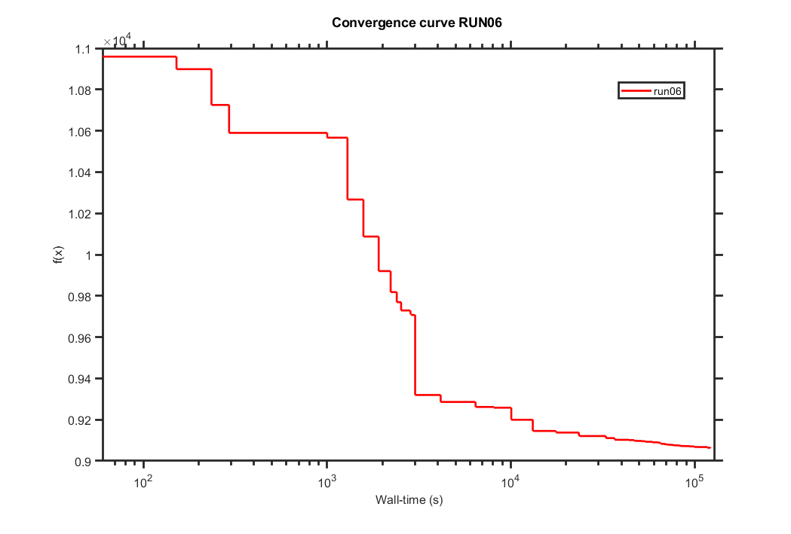
...
SaCeSS local solver DHC run01 | 9083.84 | -28.278040982 | -27.491259174 | -4.2758664388 | -26.63361237 | 15.670191969 | 4.4024950427 | -11.064582731 | -8.2448529826 | -23.924059946 | 13.589314305 | 2.2873247724
SaCeSS local solver DHC run04 | 9078.43 | -32.318486545 | -28.233195446 | -7.1948566088 | -28.599051528 | 14.303304317 | -0.18392283816 | -8.2613435028 | -10.268770871 | -27.472455172 | 12.946031466 | -0.31049530204
SaCeSS local solver DHC run05 | 9084.62 | -31.90143183 | -28.795636624 | -6.355796687 | -28.90373166 | 15.391165067 | 4.4212473478 | -6.703998234 | -9.2483671732 | -24.790451945 | 13.0240109 | -1.297259536
SaCeSS local solver DHC run06 | 9061.16 | -31.117397669 | -30.940632382 | -5.7983913731 | -28.565833003 | 14.475362985 | 1.2571271143 | -8.3948918268 | -10.051161915 | -24.303215886 | 12.888613223 | -1.5217526671
SaCeSS local solver DHC run07 | 9088.02 | -31.35405275 | -31.41919334 | -7.1888516836 | -27.720335035 | 16.336279843 | 2.5194226912 | -9.1709651897 | -7.5038313538 | -25.960048397 | 15.108706225 | 0.072052962814
SaCeSS local solver DHC run08 | 9094.36 | -30.715509381 | -31.659289062 | -5.7092966312 | -28.290797739 | 16.630919189 | 2.1375119856 | -8.1614396829 | -9.7739959796 | -25.786523804 | 13.256845293 | -0.52513076492
SaCeSS local solver DHC run09 | 9082.36 | -30.190515023 | -32.018934009 | -5.3852434533 | -27.145239718 | 16.630919277 | 3.8574638664 | -6.8818251782 | -5.8806686256 | -24.014718693 | 15.908784904 | -0.80188969245
SaCeSS local solver DHC run10 | 9104.91 | -31.427608546 | -32.096429284 | -5.2654939761 | -29.454937152 | 16.459242943 | 3.8868714428 | -11.183069482 | -5.7918591681 | -24.527036926 | 15.076597946 | 0.92636125563
0.00 | 9061.16
avg | 9081.26

PEtab_PL_v4_0_0_it2
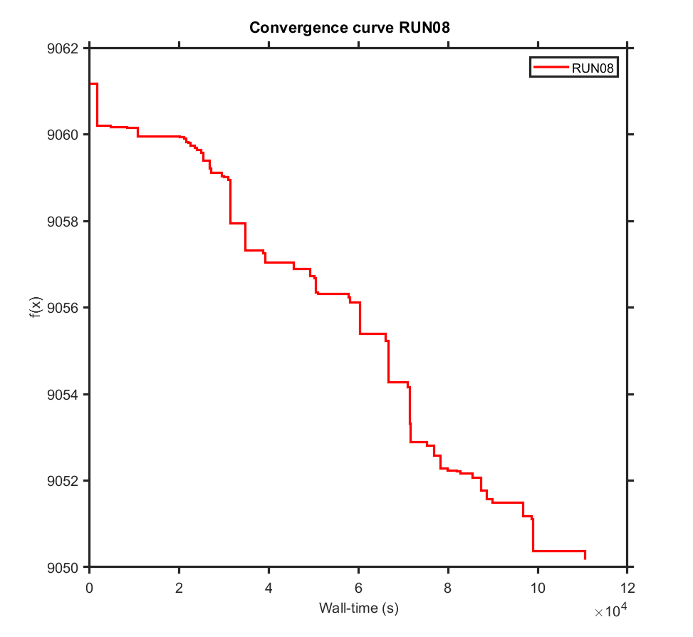
...
SaCeSS local solver DHC run01 | 9050.69 | -31.169507344 | -31.768605534 | -5.8528870499 | -28.592007082 | 14.825390001 | 1.3065342516 | -8.3563441405 | -10.268770806 | -24.207458254 | 12.647244527
SaCeSS local solver DHC run06 | 9051.37 | -31.103260087 | -31.079683444 | -5.7943891175 | -28.514646508 | 14.384998192 | 1.2558650961 | -8.4067379849 | -10.268770799 | -23.975234921 | 12.504524534
SaCeSS local solver DHC run07 | 9052.57 | -31.127140711 | -31.032134957 | -5.7615229123 | -28.553416739 | 14.334660612 | 1.260715051 | -8.5070199596 | -9.3829836561 | -24.259135991 | 12.710517719
SaCeSS local solver DHC run08 | 9049.64 | -31.076864048 | -30.943968349 | -5.8653578425 | -28.600474563 | 15.232815179 | 1.2808358863 | -8.4520697024 | -10.266510138 | -23.864870955 | 11.999503642
SaCeSS local solver DHC run09 | 9051.35 | -31.134325825 | -30.934432794 | -5.6502960073 | -28.546220696 | 14.155014654 | 1.2970493242 | -8.4062781498 | -10.257487273 | -24.178197099 | 12.108695898
SaCeSS local solver DHC run10 | 9052.09 | -31.221060535 | -30.946716518 | -5.7987814601 | -28.582276472 | 14.483547425 | 1.2711638701 | -8.4314156974 | -10.090498783 | -24.287378894 | 12.814240441
0.00 | 9049.64
avg | 9051.63

PEtab_PL_v4_0_0_estim_noise_it1
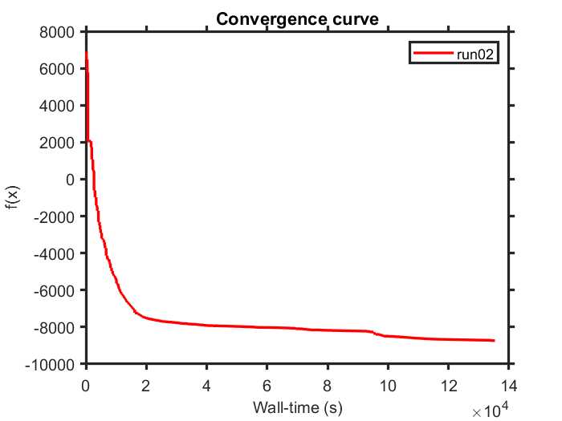
...
SaCeSS local solver DHC run01 | -8488.78 | -33.908060915 | -26.735231374 | -5.8181044269 | -29.009576903 | 12.496571663 | -0.40881587982 | -9.4745404522 | -8.4923403905 | -27.051829669
SaCeSS local solver DHC run04 | -8371.00 | -31.977298418 | -27.701498551 | -6.5813143116 | -29.651752425 | 12.104453283 | 1.8223622228 | -9.9321237795 | -6.6887497894 | -26.105210761
SaCeSS local solver DHC run05 | -8233.36 | -33.944335687 | -30.095179212 | -7.5013888085 | -27.190104759 | 12.11756764 | 2.194147477 | -11.183467613 | -5.8426479652 | -27.692898143
SaCeSS local solver DHC run06 | -8433.03 | -31.977046275 | -27.956091806 | -5.2061197689 | -28.32964226 | 12.171916913 | 3.4707814611 | -10.848799178 | -9.7511653862 | -26.095805681
SaCeSS local solver DHC run07 | -8405.53 | -31.998460899 | -26.873343881 | -4.5658258352 | -28.309348205 | 8.7266689743 | 2.9295812576 | -7.9728121219 | -5.6737283122 | -28.152980483
SaCeSS local solver DHC run08 | -8029.54 | -32.184607643 | -28.574219466 | -5.3328858813 | -28.912622298 | 12.101732013 | 1.8437728526 | -7.8121772913 | -7.2041435979 | -27.271558922
SaCeSS local solver DHC run09 | -8314.20 | -31.977172776 | -28.607604684 | -5.373861655 | -29.226166533 | 12.446087595 | 3.1393308742 | -10.409039757 | -9.6325526314 | -26.692915269
SaCeSS local solver DHC run10 | -8378.88 | -32.334228313 | -30.506184266 | -5.0184888467 | -29.366085978 | 10.756868208 | 3.0972629585 | -7.3373007779 | -5.8578941068 | -27.228734388
 | -8739.45
avg | -8371.17

PEtab_PL_v4_0_0_estim_noise_it2
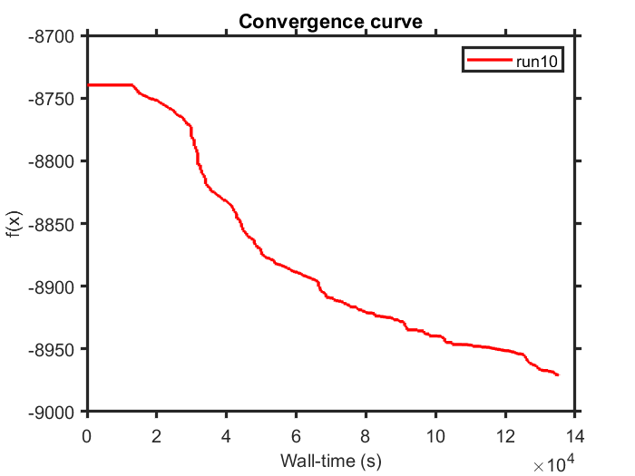
...
SaCeSS local solver DHC run01 | -8942.57 | -32.076959498 | -30.728678411 | -5.7191129636 | -28.720249767 | 12.532266416 | 2.6519478867 | -11.182897671 | -7.9951272888 | -24.730739072
SaCeSS local solver DHC run04 | -8928.56 | -32.075537759 | -30.773873951 | -5.6886910716 | -28.695066048 | 12.52880986 | 2.7618464666 | -11.1836 | -8.000787029 | -24.515379755
SaCeSS local solver DHC run05 | -8923.14 | -32.102721566 | -30.698941883 | -5.6914419436 | -28.721746755 | 12.531099114 | 2.6894280398 | -11.164619405 | -7.9926718943 | -24.525773571
SaCeSS local solver DHC run06 | -8935.66 | -32.084257689 | -30.525439952 | -5.6118253455 | -28.714948486 | 12.532566967 | 2.5983470013 | -11.163337539 | -5.7623233004 | -24.56769377
SaCeSS local solver DHC run07 | -8910.93 | -32.107653173 | -30.463394298 | -5.7533923055 | -28.712517101 | 12.532982604 | 2.6825465872 | -11.151656252 | -8.0922150566 | -24.946456923
SaCeSS local solver DHC run08 | -8930.74 | -31.97852487 | -30.782875759 | -5.6801384575 | -28.71158262 | 12.515206127 | 2.6774911078 | -11.174274365 | -8.1053557542 | -24.500278231
SaCeSS local solver DHC run09 | -8945.77 | -32.076883062 | -30.710085093 | -5.6558602111 | -28.683767127 | 12.524448112 | 2.5090054345 | -11.18260563 | -8.5463341327 | -24.486116674
SaCeSS local solver DHC run10 | -8970.96 | -31.977498397 | -30.762458136 | -5.7273104412 | -28.660814318 | 12.488651138 | 2.6392824097 | -11.173454093 | -7.9522273912 | -25.004756528
median | -8970.96
avg | -8934.23

PEtab_PL_v4_0_0_estim_noise_it3
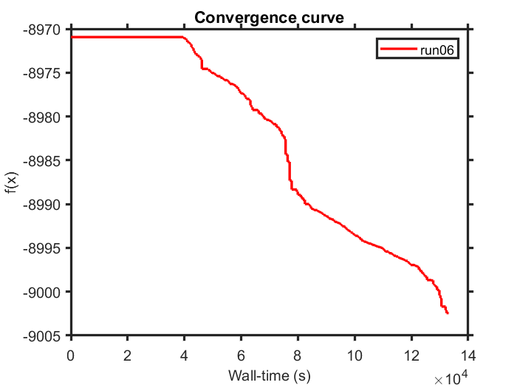
...
SaCeSS local solver DHC run01 | -8984.65 | -31.980649881 | -30.753502909 | -5.7265307721 | -28.656894821 | 12.489393557 | 2.6383002867 | -11.156751589 | -7.9528850511 | -25.047881926
SaCeSS local solver DHC run05 | -8976.95 | -32.043559523 | -30.765323228 | -5.7194296805 | -28.649727089 | 12.481590461 | 2.7240349511 | -11.162156361 | -7.9691825439 | -25.019528482
SaCeSS local solver DHC run06 | -9002.45 | -31.983424391 | -30.706344848 | -5.7274244672 | -28.661690011 | 12.518167173 | 2.6643633154 | -11.11891692 | -7.9592628431 | -25.230264491
SaCeSS local solver DHC run07 | -9000.81 | -32.032051078 | -30.569799549 | -5.7250564757 | -28.644267531 | 12.485705086 | 2.6445646812 | -11.149763284 | -7.934437827 | -25.382463699
SaCeSS local solver DHC run08 | -8989.44 | -32.003154631 | -30.751157612 | -5.7172366854 | -28.649329487 | 12.494099574 | 2.5907227563 | -11.156370216 | -7.9677902793 | -24.988044728
SaCeSS local solver DHC run09 | -8987.92 | -31.99486806 | -30.736473499 | -5.7356342239 | -28.67068087 | 12.475407221 | 2.6271467133 | -11.175413329 | -7.5994781049 | -25.016292029
SaCeSS local solver DHC run10 | -8986.41 | -31.985706282 | -30.755799175 | -5.7367192916 | -28.651003912 | 12.485526544 | 2.4751807476 | -11.154390161 | -7.9500948593 | -24.989100032
median | -9002.45
avg | -8987.97

PEtab_PL_v4_0_0_estim_noise_it4
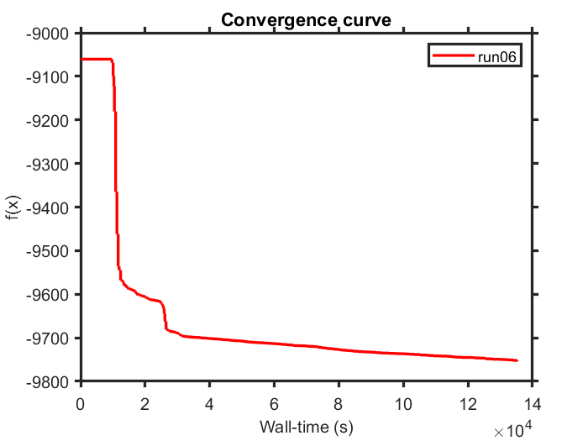
...
SaCeSS local solver DHC run01 | -9729.27 | -33.894618671 | -27.716098497 | -5.7679832546 | -27.500476449 | 12.480535169 | -0.26514197369 | -11.030078438 | -5.6708809415
SaCeSS local solver DHC run04 | -9727.65 | -33.781294522 | -27.511125697 | -5.7676922849 | -27.506943248 | 12.473572793 | -0.15788450993 | -10.979073612 | -5.6637796751
SaCeSS local solver DHC run05 | -9729.89 | -33.83701715 | -27.74486515 | -5.771188111 | -27.502477913 | 12.486100885 | -0.17229065021 | -11.043109537 | -5.6743123264
SaCeSS local solver DHC run06 | -9753.54 | -33.892457935 | -26.883611854 | -5.7952239093 | -27.422234421 | 12.468716234 | -0.87849775621 | -11.042486525 | -5.6907893779
SaCeSS local solver DHC run07 | -9743.70 | -34.052271478 | -27.744850122 | -5.7726537096 | -27.510595297 | 12.465386802 | -0.27879353461 | -11.012264587 | -5.7113275581
SaCeSS local solver DHC run08 | -9736.80 | -33.935859548 | -26.883086785 | -5.7467263459 | -27.540887425 | 12.478630881 | -0.34092441539 | -10.900824114 | -5.6676111307
SaCeSS local solver DHC run09 | -9731.61 | -33.883220274 | -27.680188471 | -5.7975968816 | -27.541610691 | 12.467311614 | -0.22553440143 | -11.049066178 | -5.7449901884
SaCeSS local solver DHC run10 | -9730.02 | -33.980993112 | -26.884417207 | -5.5078763068 | -27.513535036 | 12.461976209 | -0.1846642737 | -11.029956557 | -5.6938909754
median | -9753.54
avg | -9735.16

PEtab_PL_v4_0_0_estim_noise_it5
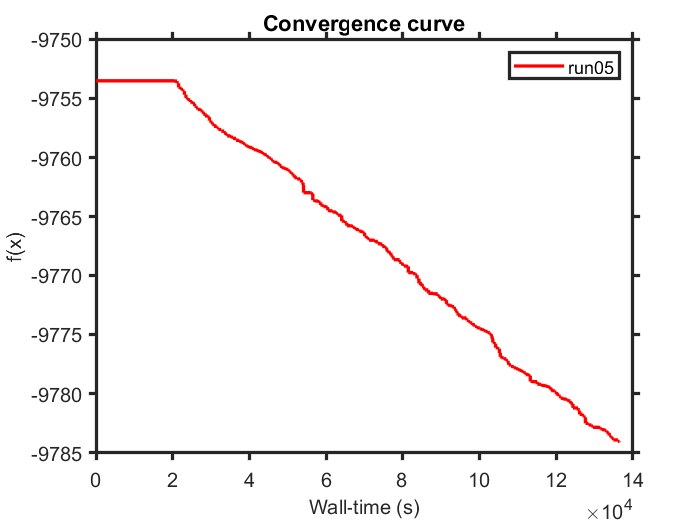
...
SaCeSS local solver DHC run01 | -9772.93 | -32.565192285 | -26.824922605 | -5.6751185881 | -27.425735811 | 12.468981714 | -0.88642168132 | -11.03384164 | -5.6781524994
SaCeSS local solver DHC run05 | -9784.14 | -32.74229678 | -26.855602388 | -5.79638117 | -27.433641421 | 12.433952887 | -0.87313251092 | -11.041432914 | -5.7546972405
SaCeSS local solver DHC run06 | -9774.10 | -33.900100751 | -26.844937403 | -5.7605831823 | -27.422249017 | 12.454059301 | -0.8600845954 | -11.015797092 | -5.6903035816
SaCeSS local solver DHC run07 | -9779.99 | -33.893859625 | -26.712965329 | -5.7980270983 | -27.435916221 | 12.438584246 | -0.87964876728 | -11.001694701 | -5.7354181552
SaCeSS local solver DHC run08 | -9778.98 | -33.897003772 | -26.532007023 | -5.782804778 | -27.438581288 | 12.336908195 | -0.88627887117 | -11.039191975 | -5.6711417159
SaCeSS local solver DHC run09 | -9777.93 | -33.899424989 | -26.860732279 | -5.8019935026 | -27.422007751 | 12.456048243 | -0.86160801319 | -10.982745671 | -5.7037261811
SaCeSS local solver DHC run10 | -9771.02 | -33.915310009 | -26.882315423 | -5.7693650187 | -27.430507881 | 12.449974758 | -0.88607349434 | -11.04070021 | -5.685607971
median | -9784.14
avg | -9776.48

PEtab_PL_v4_0_0_estim_noise_it6
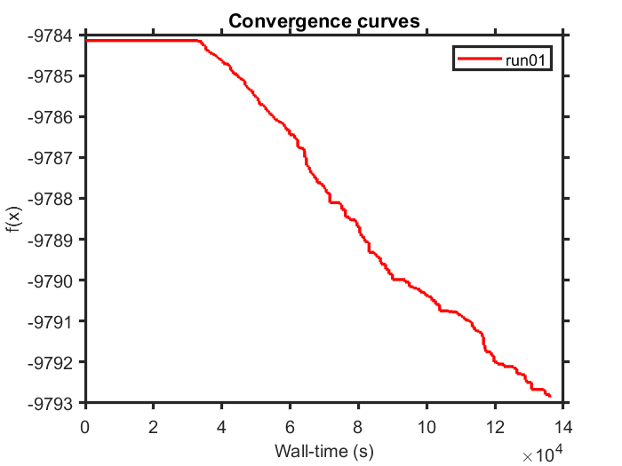
...
SaCeSS local solver DHC run01 | -9792.91 | -32.742013153 | -26.839878096 | -5.7881416401 | -27.421824097 | 12.42300314 | -0.88589673211 | -11.026746524 | -5.7480105416
SaCeSS local solver DHC run07 | -9792.57 | -32.997198389 | -26.834644317 | -5.7799883928 | -27.438960564 | 12.424205355 | -0.88579118475 | -11.039921587 | -5.7623615049
SaCeSS local solver DHC run08 | -9791.94 | -33.00877896 | -26.85080363 | -5.7891785544 | -27.440239034 | 12.427783478 | -0.86714296545 | -11.04748824 | -5.7661634876
SaCeSS local solver DHC run09 | -9789.87 | -32.744587956 | -26.854393005 | -5.7911566859 | -27.437045561 | 12.422855879 | -0.87482494709 | -11.039719221 | -5.7574637253
SaCeSS local solver DHC run10 | -9791.91 | -32.86210492 | -26.799844605 | -5.7916539639 | -27.431748557 | 12.416421009 | -0.8856815438 | -11.034405704 | -5.7901406858
median | -9792.91
avg | -9791.07

