Rekapitulasi_Nilai

 | Intitut Teknologi Del
 | http://www.del.ac.id
 | Jl. Sisingamangaraja, Laguboti 22381
 | Toba Samosir, Sumatera Utara, Indonesia
 | Telp.: (+62 632) 331234, Fax.: (+62 632) 331116

Nomor Kelompok | : | 13
Topik | : | Sistem Absensi SMAN 1 Pematangsiantar
Anggota Kelompok | : | 1 | 13320023 | Paul Martin Parsaulian Nainggolan
 |  | 2 | 13320007 | Joshua Panggabean
 |  | 3 | 13320019 | Samuel Patuan Anggi

Deskripsi Topik | : | Website ini bernama SMART ABSENSI yang merupakan sebuah halaman web mengenai informasi dan pengisian absensi SMAN 1 Pematangsiantar dalam masa pandemic Covid-19 dan akan dilakukan oleh siswa dan Guru. Website ini dibuat agar anak didik dan pendidik dapat melakukan absensi dan dapat mengetahui persentase rekapan absensi untuk memenuhi syarat Ujian Semester atau pun penaikan pangkat atau sering disebut memenuhi jam kerja seorang guru.

Materi |  |  |  | Poin
ER-Diagram
Relational Model
Data Definition Language and Data Integrity
Data Modification Language
Basic Query
Advanced Query
Programming in SQL
Stored Procedure
Function
Nilai Total |  |  |  | 0

ER Diagram
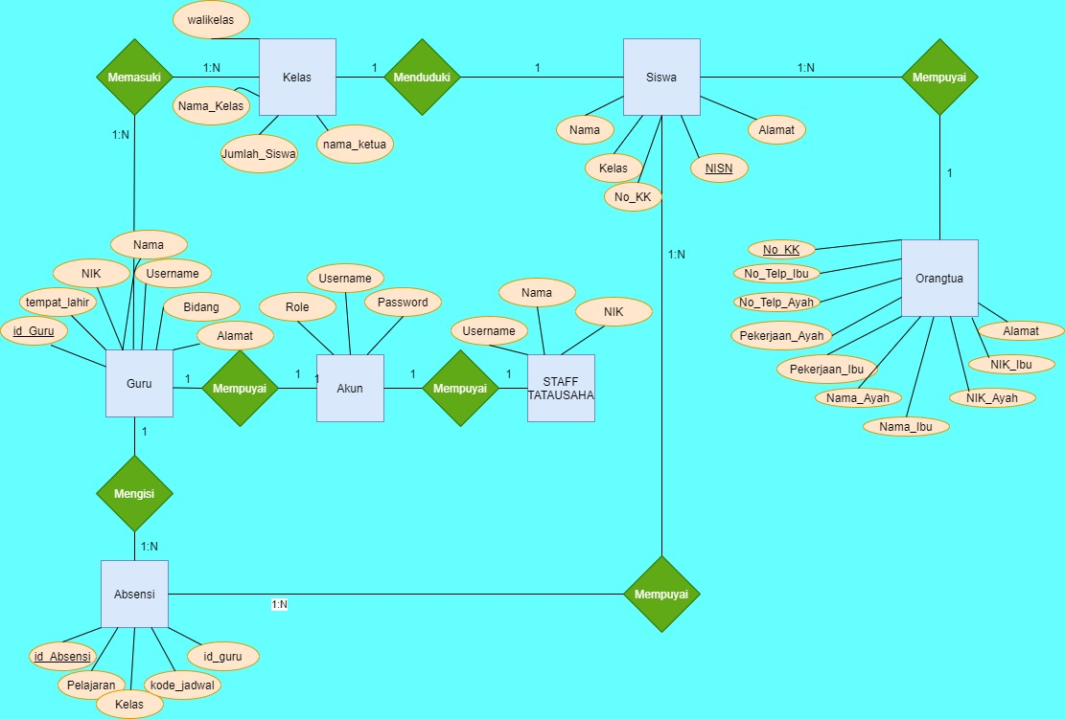
 | Intitut Teknologi Del
 | http://www.del.ac.id
 | Jl. Sisingamangaraja, Laguboti 22381
 | Toba Samosir, Sumatera Utara, Indonesia
 | Telp.: (+62 632) 331234, Fax.: (+62 632) 331116

Poin | : | (max point: 15)

Relational Model
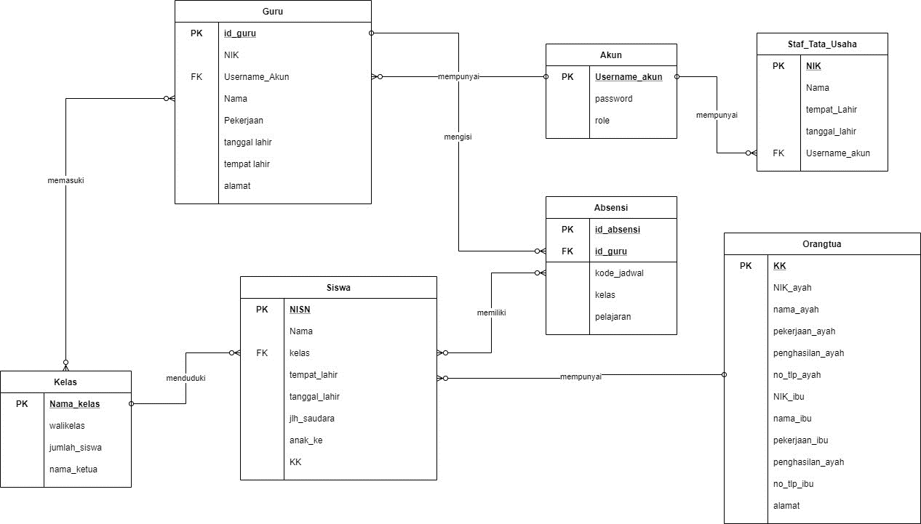
 | Intitut Teknologi Del
 | http://www.del.ac.id
 | Jl. Sisingamangaraja, Laguboti 22381
 | Toba Samosir, Sumatera Utara, Indonesia
 | Telp.: (+62 632) 331234, Fax.: (+62 632) 331116

Poin | : | (max point: 15)

DDL
 | Intitut Teknologi Del
 | http://www.del.ac.id
 | Jl. Sisingamangaraja, Laguboti 22381
 | Toba Samosir, Sumatera Utara, Indonesia
 | Telp.: (+62 632) 331234, Fax.: (+62 632) 331116

Poin | : |  | (max point: 10)

Implementasi semua database object yang Anda perlukan seperti tabel, relasi, key, termasuk constraint yang dibutuhkan (bila ada).

 |  | CREATE DATABASE SMAN1_Pematangsiantar;

 |  | USE SMAN1_Pematangsiantar;

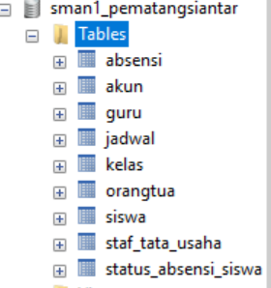
 |  | CREATE TABLE kelas
 |  | (
 |  |  | nama_kelas CHAR(5) PRIMARY KEY,
 |  |  | walikelas VARCHAR(255) NOT NULL,
 |  |  | jumlah_siswa INT NOT NULL,
 |  |  | nama_ketua VARCHAR(255) NOT NULL
 |  | );

 |  | CREATE TABLE orangTua
 |  | (
 |  |  | no_KK VARCHAR(50) PRIMARY KEY,

 |  |  | NIK_ayah VARCHAR(255)NOT NULL,
 |  |  | nama_Ayah VARCHAR(255) NOT NULL,
 |  |  | pekerjaan_Ayah VARCHAR(50) NOT NULL,
 |  |  | penghasilan_Ayah INT NOT NULL,
 |  |  | no_telepon_Ayah INT NOT NULL,
 |  |  | alamat VARCHAR(255) NOT NULL,

 |  |  | NIK_Ibu VARCHAR(255)NOT NULL,
 |  |  | nama_Ibu VARCHAR(255) NOT NULL,
 |  |  | pekerjaan_Ibu VARCHAR(50) NOT NULL,
 |  |  | penghasilan_Ibu INT NOT NULL,
 |  |  | no_telepon_Ibu INT NOT NULL
 |  | );

 |  | CREATE TABLE siswa
 |  | (
 |  |  | NISN CHAR(10) PRIMARY KEY,
 |  |  | Nama VARCHAR(255) NOT NULL,
 |  |  | kelas CHAR(5) NOT NULL,
 |  |  | tempat_lahir VARCHAR(255) NOT NULL,
 |  |  | tanggal_lahir DATE NOT NULL,
 |  |  | jlh_saudara INT NOT NULL,
 |  |  | anak_ke INT NOT NULL,
 |  |  | no_KK VARCHAR(50) NOT NULL,
 |  |  | alamat VARCHAR(255) NOT NULL,

 |  |  | FOREIGN KEY (kelas) REFERENCES Kelas(nama_kelas) ON DELETE CASCADE ON UPDATE CASCADE,
 |  |  | FOREIGN KEY (no_KK) REFERENCES orangTua(no_KK) ON DELETE CASCADE ON UPDATE CASCADE
 |  | );

 |  | CREATE TABLE Akun
 |  | (
 |  |  | username VARCHAR(255) PRIMARY KEY,
 |  |  | PASSWORD VARCHAR(255) NOT NULL,
 |  |  | role INT NOT NULL CHECK(role IN(1,2))
 |  | );

 |  | CREATE TABLE Guru
 |  | (
 |  |  | kode_guru CHAR(24) PRIMARY KEY,
 |  |  | NIK CHAR(24) NOT NULL,
 |  |  | username_akun VARCHAR(255) NOT NULL,
 |  |  | Nama VARCHAR(255) NOT NULL,
 |  |  | Bidang_Pelajaran VARCHAR(50),
 |  |  | tanggal_lahir DATE NOT NULL,
 |  |  | tempat_lahir VARCHAR(50),
 |  |  | alamat VARCHAR(255) NOT NULL,

 |  |  | FOREIGN KEY (username_akun) REFERENCES akun(username) ON DELETE CASCADE ON UPDATE CASCADE
 |  | );

 |  | CREATE TABLE staf_Tata_Usaha
 |  | (
 |  |  | NIK VARCHAR(255) NOT NULL,
 |  |  | Nama VARCHAR(255) NOT NULL,
 |  |  | tempat_lahir VARCHAR(255) NOT NULL,
 |  |  | tanggal_lahir DATE NOT NULL,
 |  |  | username_akun VARCHAR(255) NOT NULL,

 |  |  | FOREIGN KEY (username_akun) REFERENCES akun(username) ON DELETE CASCADE ON UPDATE CASCADE
 |  | );

 |  | CREATE TABLE jadwal
 |  | (
 |  |  | id_jadwal CHAR(8) PRIMARY KEY,
 |  |  | jam_mulai TIME NOT NULL,
 |  |  | jam_berakhir TIME NOT NULL,
 |  |  | kode_guru CHAR(24) NOT NULL,
 |  |  | kelas CHAR(5) NOT NULL,

 |  |  | FOREIGN KEY (kode_guru) REFERENCES Guru(kode_guru) ON DELETE CASCADE ON UPDATE CASCADE,
 |  |  | FOREIGN KEY (kelas) REFERENCES Kelas(nama_kelas) ON DELETE CASCADE ON UPDATE CASCADE
 |  | );

 |  | CREATE TABLE absensi
 |  | (
 |  |  | id_absensi CHAR(24) PRIMARY KEY,
 |  |  | kode_guru VARCHAR(255) NOT NULL,
 |  |  | id_jadwal CHAR(8) NOT NULL,
 |  |  | kelas CHAR(5) NOT NULL,

 |  |  | FOREIGN KEY (kode_guru) REFERENCES Guru(kode_guru) ON DELETE CASCADE ON UPDATE CASCADE,
 |  |  | FOREIGN KEY (id_jadwal) REFERENCES Jadwal(id_jadwal) ON DELETE CASCADE ON UPDATE CASCADE
 |  | );

 |  | CREATE TABLE status_absensi_siswa
 |  | (
 |  |  | kehadiran CHAR(24) NOT NULL CHECK(kehadiran IN('Hadir','Sakit','Izin','Tanpa Keterangan')),
 |  |  | id_absensi CHAR(24) NOT NULL,
 |  |  | NISN CHAR(10) NOT NULL,
 |  |  | tanggal DATE NOT NULL,

 |  |  | PRIMARY KEY(id_absensi,NISN,tanggal),
 |  |  | FOREIGN KEY (id_absensi) REFERENCES absensi(id_absensi) ON DELETE CASCADE ON UPDATE CASCADE,
 |  |  | FOREIGN KEY (NISN) REFERENCES Siswa(NISN) ON DELETE CASCADE ON UPDATE CASCADE
 |  | );

DML
 | Intitut Teknologi Del
 | http://www.del.ac.id
 | Jl. Sisingamangaraja, Laguboti 22381
 | Toba Samosir, Sumatera Utara, Indonesia
 | Telp.: (+62 632) 331234, Fax.: (+62 632) 331116

Poin | : | (max point: 10)

Pengisian data dengan menggunakan dummy data sebanyak 10 record untuk setiap tabel.

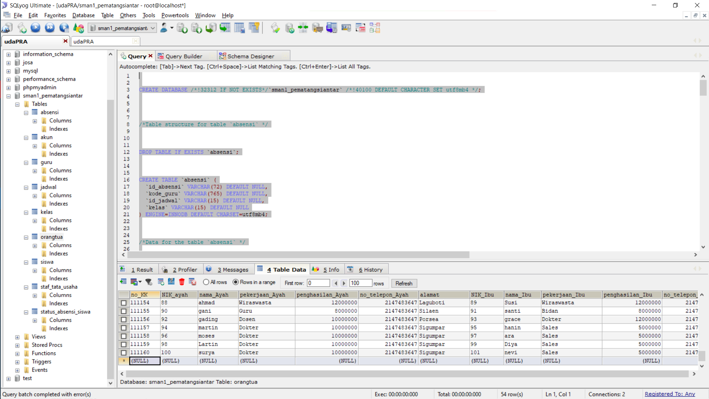

CREATE DATABASE /*!32312 IF NOT EXISTS*/`sman1_pematangsiantar` /*!40100 DEFAULT CHARACTER SET utf8mb4 */;
/*Table structure for table `absensi` */
DROP TABLE IF EXISTS `absensi`;
CREATE TABLE `absensi` (
`id_absensi` VARCHAR(72) DEFAULT NULL,
`kode_guru` VARCHAR(765) DEFAULT NULL,
`id_jadwal` VARCHAR(15) DEFAULT NULL,
`kelas` VARCHAR(15) DEFAULT NULL
) ENGINE=INNODB DEFAULT CHARSET=utf8mb4;
/*Data for the table `absensi` */
INSERT INTO `absensi`(`id_absensi`,`kode_guru`,`id_jadwal`,`kelas`) VALUES ('A11','HHS ','ASN1','7A'),('A12','NAB','ASN3','7A'),('A13','SPM','ASN5','7A'),('A21','NAB','ASL1','7A'),('A22','WLS','ASL3','7A'),('A23','WSS','ASL4','7A'),('A31','SPM','ARB1','7A'),('A32','HHS ','ARB3','7A'),('A33','WLS','ARB5','7A'),('A41','WSS','AKM1','7A'),('A42','WLS','AKM2','7A'),('A43','HHS ','AKM4','7A'),('A51','HHS ','AJM1','7A'),('A52','SPM','AJM3','7A'),('A53','WLS','AJM5','7A'),('A61','HHS ','ASB1','7A'),('A62','WSS','ASB3','7A'),('A63','NAB','ASB5','7A'),('B11','NAB','BSN1','7B'),('B12','WSS','BSN3','7B'),('B13','HHS ','BSN5','7B'),('B21','WLS','BSL1','7B'),('B22','SPM','BSL3','7B'),('B23','HHS ','BSL4','7B'),('B31','HHS ','BRB1','7B'),('B32','WLS','BRB3','7B'),('B33','SPM','BRB5','7B'),('B41','WSS','BKM1','7B'),('B42','HHS ','BKM2','7B'),('B43','HHS ','BKM4','7B'),('B51','SPM','BJM1','7B'),('B52','WSS','BJM3','7B'),('B53','WLS','BJM5','7B'),('B61','SPM','BSB1','7B'),('B62','HHS ','BSB3','7B'),('B63','NAB','BSB5','7B'),('C11','WSS','CSN1','7C'),('C12','NAB','CSN3','7C'),('C13','WLS','CSN5','7C'),('C21','HHS ','CSL1','7C'),('C22','HHS ','CSL3','7C'),('C23','SPM','CSL4','7C'),('C31','WLS','CRB1','7C'),('C32','HHS ','CRB3','7C'),('C33','WSS','CRB5','7C'),('C41','SPM','CKM1','7C'),('C42','HHS ','CKM2','7C'),('C43','HHS ','CKM4','7C'),('C51','WSS','CJM1','7C'),('C52','SPM','CJM3','7C'),('C53','SPM','CJM5','7C'),('C61','WLS','CSB1','7C'),('C62','NAB','CSB3','7C'),('C63','HHS ','CSB5','7C'),('D71','NAB','TRY1','XA1'),('D72','NAB','coba','XA2');
/*Table structure for table `akun` */
DROP TABLE IF EXISTS `akun`;
CREATE TABLE `akun` (
`username` VARCHAR(765) DEFAULT NULL,
`PASSWORD` VARCHAR(765) DEFAULT NULL,
`role` DOUBLE DEFAULT NULL
) ENGINE=INNODB DEFAULT CHARSET=utf8mb4;
/*Data for the table `akun` */
INSERT INTO `akun`(`username`,`PASSWORD`,`role`) VALUES ('Tu','12345',1),('if318006','12345',2),('if318025','12345',2),('if318029','12345',2),('if318051','12345',2),('if318055','12345',2),('if318063','12345',2);
/*Table structure for table `guru` */
DROP TABLE IF EXISTS `guru`;
CREATE TABLE `guru` (
`kode_guru` VARCHAR(72) DEFAULT NULL,
`NIK` VARCHAR(72) DEFAULT NULL,
`username_akun` VARCHAR(765) DEFAULT NULL,
`Nama` VARCHAR(765) DEFAULT NULL,
`Bidang_Pelajaran` VARCHAR(150) DEFAULT NULL,
`tanggal_lahir` DATE DEFAULT NULL,
`tempat_lahir` VARCHAR(150) DEFAULT NULL,
`alamat` VARCHAR(765) DEFAULT NULL
) ENGINE=INNODB DEFAULT CHARSET=utf8mb4;
/*Data for the table `guru` */
INSERT INTO `guru`(`kode_guru`,`NIK`,`username_akun`,`Nama`,`Bidang_Pelajaran`,`tanggal_lahir`,`tempat_lahir`,`alamat`) VALUES ('SOS','34241432193','if318029','Surya Octavianius ','English','2001-12-23','Semarang','Medan'),('HHS','00921347432','if318055','Hansen Situmorang','Pemrograman','2000-10-10','Medan','Medan'),('NAB','00584354432','if318006','Nevi Aktasia Banjarnahor','Seni dan Budaya','2000-05-28','Medan','Doloksanggul'),('SPM','01328475571','if318025','Sopian Manurung','Olahraga','2001-03-23','Lumban Julu','Lumban Julu'),('WLS','00003418234','if318051','Winda Lorenza Sinurat','Ilmu Pengetahuan dan Sosial','2000-02-27','Porsea','Porsea'),('WSS','01289341234','if318063','Winanda Sesilia Sinaga','Ilmu Pengetahuan Alam','2000-04-30','Lumban Julu','Doloksanggul'),('YDB','10248847389','if318066','Yosepri Disyandro Berutu','Fisika','1998-09-24','Medan','Medan');
/*Table structure for table `jadwal` */
DROP TABLE IF EXISTS `jadwal`;
CREATE TABLE `jadwal` (
`id_jadwal` VARCHAR(24) DEFAULT NULL,
`jam_mulai` TIME DEFAULT NULL,
`jam_berakhir` TIME DEFAULT NULL,
`kode_guru` VARCHAR(72) DEFAULT NULL,
`kelas` VARCHAR(12) DEFAULT NULL
) ENGINE=INNODB DEFAULT CHARSET=utf8mb4;
/*Data for the table `jadwal` */
INSERT INTO `jadwal`(`id_jadwal`,`jam_mulai`,`jam_berakhir`,`kode_guru`,`kelas`) VALUES ('ENGLISH','14:00:00','15:00:00','SOS','XA1'),('AJM1','08:00:00','10:00:00','HHS','XA2'),('AJM3','10:00:00','12:00:00','SPM','7A'),('AJM5','12:00:00','19:00:00','WLS','7A'),('AKM1','08:00:00','09:00:00','WSS','7A'),('AKM2','09:00:00','10:00:00','WLS','7A'),('AKM4','10:00:00','13:00:00','HHS','7A'),('ARB1','08:00:00','10:00:00','SPM','7A'),('ARB3','10:00:00','12:00:00','HHS','7A'),('ARB5','12:00:00','17:00:00','WLS','7A'),('ASB1','08:00:00','10:00:00','HHS','7A'),('ASB3','08:00:00','12:00:00','WSS','7A'),('ASB5','12:00:00','17:00:00','NAB','7A'),('ASL1','08:00:00','10:00:00','NAB','7A'),('ASL3','10:00:00','11:00:00','WLS','7A'),('ASL4','11:00:00','17:00:00','WSS','7A'),('ASN1','08:00:00','10:00:00','HHS','7A'),('ASN3','10:00:00','12:00:00','NAB','7A'),('ASN5','12:00:00','17:00:00','SPM','7A'),('BJM1','08:00:00','10:00:00','SPM','7B'),('BJM3','10:00:00','12:00:00','WSS','7B'),('BJM5','12:00:00','17:00:00','WLS','7B'),('BKM1','08:00:00','09:00:00','WSS','7B'),('BKM2','09:00:00','10:00:00','HHS','7B'),('BKM4','10:00:00','13:00:00','HHS','7B'),('BRB1','08:00:00','10:00:00','HHS','7B'),('BRB3','10:00:00','12:00:00','HHS','7B'),('BRB5','12:00:00','17:00:00','SPM','7B'),('BSB1','08:00:00','10:00:00','SPM','7B'),('BSB3','08:00:00','12:00:00','HHS','7B'),('BSB5','12:00:00','17:00:00','NAB','7B'),('BSL1','08:00:00','10:00:00','WLS','7B'),('BSL3','10:00:00','11:00:00','SPM','7B'),('BSL4','11:00:00','17:00:00','HHS','7B'),('BSN1','08:00:00','10:00:00','NAB','7B'),('BSN3','10:00:00','12:00:00','WSS','7B'),('BSN5','12:00:00','17:00:00','HHS','7B'),('CJM1','08:00:00','10:00:00','WSS','7C'),('CJM3','10:00:00','12:00:00','SPM','7C'),('CJM5','12:00:00','17:00:00','SPM','7C'),('CKM1','08:00:00','09:00:00','SPM','7C'),('CKM2','09:00:00','10:00:00','HHS','7C'),('CKM4','11:00:00','13:00:00','HHS','7C'),('CRB1','08:00:00','10:00:00','HHS','7C'),('CRB3','10:00:00','12:00:00','HHS','7C'),('CRB5','12:00:00','13:00:00','WSS','7C'),('CSB1','08:00:00','10:00:00','WLS','7C'),('CSB3','08:00:00','12:00:00','NAB','7C'),('CSB5','12:00:00','13:00:00','HHS','7C'),('CSL1','08:00:00','10:00:00','HHS','7C'),('CSL3','10:00:00','11:00:00','HHS','7C'),('CSL4','11:00:00','13:00:00','SPM','7C'),('CSN1','08:00:00','10:00:00','WSS','7C'),('CSN3','10:00:00','12:00:00','NAB','7C'),('CSN5','12:00:00','13:00:00','WLS','7C'),('TRY1','21:40:00','23:45:00','NAB','XA1'),('TRY01','22:50:00','23:15:00','NAB','7A'),('BUGAR1','22:30:00','23:00:00','SPM','7A'),('coba','21:50:00','22:30:00','NAB','XA2');
/*Table structure for table `kelas` */
DROP TABLE IF EXISTS `kelas`;
CREATE TABLE `kelas` (
`nama_kelas` VARCHAR(12) DEFAULT NULL,
`walikelas` VARCHAR(765) DEFAULT NULL,
`jumlah_siswa` DOUBLE DEFAULT NULL,
`nama_ketua` VARCHAR(765) DEFAULT NULL
) ENGINE=INNODB DEFAULT CHARSET=utf8mb4;
/*Data for the table `kelas` */
INSERT INTO `kelas`(`nama_kelas`,`walikelas`,`jumlah_siswa`,`nama_ketua`) VALUES ('XA1','D.Hutapea',25,'Sandro'),('XA2','B.Dongoran',24,'Chelsy'),('XA3','F.Ompusunggu',21,'Loveleen'),('XS1','W.Sunirat',23,'Nicolas'),('XS2','A.Hutauruk',22,'Yosepri'),('8A','B. Situmorang',21,'simon'),('8B','R. Lumbantoruan',22,'ebenezer'),('8C','S.Sihombing',22,'jose'),('8D','A. Nababan',25,'Rizky'),('8E','B. hutasoit',21,'Ari'),('9A','D. Sihombing',21,'yesi'),('9B','H. Pardede',22,'lusi'),('9C','B. Sinaga',22,'beni'),('9D','L. Sihotang',25,'david'),('9E','B. hutasoit',21,'aldi');
/*Table structure for table `orangtua` */
DROP TABLE IF EXISTS `orangtua`;
CREATE TABLE `orangtua` (
`no_KK` VARCHAR(150) DEFAULT NULL,
`NIK_ayah` VARCHAR(765) DEFAULT NULL,
`nama_Ayah` VARCHAR(765) DEFAULT NULL,
`pekerjaan_Ayah` VARCHAR(150) DEFAULT NULL,
`penghasilan_Ayah` DOUBLE DEFAULT NULL,
`no_telepon_Ayah` DOUBLE DEFAULT NULL,
`alamat` VARCHAR(765) DEFAULT NULL,
`NIK_Ibu` VARCHAR(765) DEFAULT NULL,
`nama_Ibu` VARCHAR(765) DEFAULT NULL,
`pekerjaan_Ibu` VARCHAR(150) DEFAULT NULL,
`penghasilan_Ibu` DOUBLE DEFAULT NULL,
`no_telepon_Ibu` DOUBLE DEFAULT NULL
) ENGINE=INNODB DEFAULT CHARSET=utf8mb4;
/*Data for the table `orangtua` */
INSERT INTO `orangtua`(`no_KK`,`NIK_ayah`,`nama_Ayah`,`pekerjaan_Ayah`,`penghasilan_Ayah`,`no_telepon_Ayah`,`alamat`,`NIK_Ibu`,`nama_Ibu`,`pekerjaan_Ibu`,`penghasilan_Ibu`,`no_telepon_Ibu`) VALUES ('000001','2222222','jasing','Saudagar',54000000,1824381910,'Sirongit','2222223','jijay','Pilot',50000000,937321912),('000002','1111111','Hasing','Petani',21000000,1284621912,'Laguboti','1111112','Hohom','Pedagang',18000000,12314837),('000003','1212121','Gojitak','-',300000000,193247430,'Medan','1212122','Lontongu','Guru',54000000,19238842),('111110','1','Hasoloan','Programmer',20000000,2147483647,'Laguboti','2','Teresha','Designer Website',12000000,2147483647),('111111','3','Albert','Pengusaha',15000000,2147483647,'Sirongit','4','Chelsy','Wiraswasta',15000000,2147483647),('111112','5','Putra','Dosen',16000000,2147483647,'Dolok Sanggul','6','Hernael','Dosen',16000000,2147483647),('111113','7','Shawn','Artis',10000000,2147483647,'Laguboti','8','Febiola','Artis',10000000,2147483647),('111114','9','Davin','Wiraswasta',12000000,2147483647,'Laguboti','0','Ison','Wiraswasta',12000000,2147483647),('111115','10','Nael','Guru',8000000,2147483647,'Silaen','11','Yola','Bidan',8000000,2147483647),('111116','12','Febri','Dosen',10000000,2147483647,'Porsea','13','Febby','Dokter',12000000,2147483647),('111117','14','Anas','Dokter',10000000,2147483647,'Sigumpar','15','Irene','Sales',5000000,2147483647),('111118','16','Anang','Artis',10000000,2147483647,'Sigumpar','17','Ashanti','Model',15000000,2147483647),('111119','18','Gunawan','Dokter',16000000,2147483647,'Silimbat','19','Desy','Wiraswasta',15000000,2147483647),('111120','20','Herry','Reporter',12000000,2147483647,'Porsea','21','Octavia','Designer',10000000,2147483647),('111121','22','Justin','PNS',20000000,2147483647,'Laguboti','23','Selli','Designer Website',12000000,2147483647),('111122','24','dani','Pengusaha',15000000,2147483647,'Sirongit','25','Tia','Wiraswasta',15000000,2147483647),('111123','26','boni','Dosen',16000000,2147483647,'Dolok Sanggul','27','Lia','Dosen',16000000,2147483647),('111124','28','Mail','Artis',10000000,2147483647,'Laguboti','29','Bunga','Artis',10000000,2147483647),('111125','30','ahmad','Wiraswasta',12000000,2147483647,'Laguboti','31','Susi','Wiraswasta',12000000,2147483647),('111126','32','gani','Guru',8000000,2147483647,'Silaen','33','santi','Bidan',8000000,2147483647),('111127','34','gading','Dosen',10000000,2147483647,'Porsea','35','grace','Dokter',12000000,2147483647),('111128','36','martin','Dokter',10000000,2147483647,'Sigumpar','37','hanin','Sales',5000000,2147483647),('111129','38','moses','Dokter',10000000,2147483647,'Sigumpar','39','ara','Sales',5000000,2147483647),('111130','40','surya','Dokter',10000000,2147483647,'Sigumpar','41','nevi','Sales',5000000,2147483647),('111131','42','Sehat','PNS',20000000,2147483647,'Laguboti','43','Roma','Designer Website',12000000,2147483647),('111132','44','Arnol','Pengusaha',15000000,2147483647,'Sirongit','45','Gia','Wiraswasta',15000000,2147483647),('111133','46','Lonid','Dosen',16000000,2147483647,'Dolok Sanggul','47','Pia','Dosen',16000000,2147483647),('111134','48','Hail','Artis',10000000,2147483647,'Laguboti','49','Melati','Artis',10000000,2147483647),('111135','50','Ohmad','Wiraswasta',12000000,2147483647,'Laguboti','31','Santi','Wiraswasta',12000000,2147483647),('111136','52','Kani','Guru',8000000,2147483647,'Silaen','53','Rani','Bidan',8000000,2147483647),('111137','54','Dading','Dosen',10000000,2147483647,'Porsea','55','Ayu','Dokter',12000000,2147483647),('111138','56','Lartin','Dokter',10000000,2147483647,'Sigumpar','57','Diya','Sales',5000000,2147483647),('111139','58','Doses','Dokter',10000000,2147483647,'Sigumpar','59','Tiara','Sales',5000000,2147483647),('111140','60','Wurya','Dokter',10000000,2147483647,'Sigumpar','61','Nevong','Sales',5000000,2147483647),('111141','62','Justin','PNS',20000000,2147483647,'Laguboti','63','Selli','Designer Website',12000000,2147483647),('111142','64','dani','Pengusaha',15000000,2147483647,'Sirongit','65','Tia','Wiraswasta',15000000,2147483647),('111143','66','boni','Dosen',16000000,2147483647,'Dolok Sanggul','67','Lia','Dosen',16000000,2147483647),('111144','68','Mail','Artis',10000000,2147483647,'Laguboti','69','Bunga','Artis',10000000,2147483647),('111145','70','ahmad','Wiraswasta',12000000,2147483647,'Laguboti','71','Susi','Wiraswasta',12000000,2147483647),('111146','72','gani','Guru',8000000,2147483647,'Silaen','73','santi','Bidan',8000000,2147483647),('111147','74','gading','Dosen',10000000,2147483647,'Porsea','75','grace','Dokter',12000000,2147483647),('111148','76','martin','Dokter',10000000,2147483647,'Sigumpar','77','hanin','Sales',5000000,2147483647),('111149','78','moses','Dokter',10000000,2147483647,'Sigumpar','79','ara','Sales',5000000,2147483647),('111150','80','surya','Dokter',10000000,2147483647,'Sigumpar','81','nevi','Sales',5000000,2147483647),('111151','82','dani','Pengusaha',15000000,2147483647,'Sirongit','83','Tia','Wiraswasta',1500
/*Table structure for table `siswa` */
DROP TABLE IF EXISTS `siswa`;
CREATE TABLE `siswa` (
`NISN` VARCHAR(30) DEFAULT NULL,
`Nama` VARCHAR(765) DEFAULT NULL,
`kelas` VARCHAR(12) DEFAULT NULL,
`tempat_lahir` VARCHAR(765) DEFAULT NULL,
`tanggal_lahir` DATE DEFAULT NULL,
`jlh_saudara` DOUBLE DEFAULT NULL,
`anak_ke` DOUBLE DEFAULT NULL,
`no_KK` VARCHAR(150) DEFAULT NULL,
`alamat` VARCHAR(765) DEFAULT NULL
) ENGINE=INNODB DEFAULT CHARSET=utf8mb4;
/*Data for the table `siswa` */
INSERT INTO `siswa`(`NISN`,`Nama`,`kelas`,`tempat_lahir`,`tanggal_lahir`,`jlh_saudara`,`anak_ke`,`no_KK`,`alamat`) VALUES ('020XA101','Agnes Monica Simamora','XA1','Pematangsiantar','2002-02-11',5,2,'111150','Marihat'),('020XA102','Alflin Yoakim Pakpahan','XA1','Porsea','2002-10-19',3,2,'111142','Parluasan'),('020XA103','Angela Siadari','XA1','Jakarta','2002-09-18',6,3,'111143','Lapangan Bola Atas'),('020XA104','Bella Melinda Sipayung','XA1','Laguboti','2002-08-17',5,2,'111145','Kampung Kristen'),('020XA105','Charlie Hutasoit','XA1','Dumai','2002-07-16',4,4,'111144','Marihat Baris'),('020XA106','Daniel Bill Gate Simamora','XA1','DeliSerdang','2002-06-15',3,1,'111146','Lapangan Bola Atas'),('020XA107','Dearlyn Merry Christine Togatorop','XA1','Medan','2002-05-14',3,1,'111147','Simpang Dua'),('020XA108','Feny P Siregar','XA1','Simalungun','2002-04-13',4,1,'111148','Jalan Jawa'),('020XA109','Josua Jonathan Purba','XA1','Simalungun','2002-03-21',4,4,'111149','Siantar Kota'),('020XA111','Maureen Boasana Bolung','XA1','Minahasa','2002-11-13',4,2,'111152','Siantar Selatan'),('020XA112','Monica Grace Damanik','XA1','Porsea','2002-11-27',7,4,'111153','Laguboti'),('020XA113','Nielsen Lukas Bonar Sinaga','XA1','Sidamanik','2002-08-02',4,1,'111154','Sidamanik'),('020XA114','Rogate Paulus Naibaho','XA1','LubukPakam','2002-10-07',4,2,'111155','Parluasan'),('020XA115','Rona Pinita Silitonga','XA1','Lumban Datu','2002-09-01',5,1,'111156','Marihat'),('020XA116','Sahala Simatupang','XA1 ','Parapat','2002-08-03',7,1,'111157','Perumnas'),('020XA117','Sanni Asimel Sihombing','XA1','Medan','2002-07-02',1,1,'111158','Siantar Utara'),('020XA119','Soputri Ria Marito Siahaan','XA1','Laguboti','2002-06-27',2,1,'111159','Marihat'),('020XA120','Soputra Rio Marito Siahaan','XA1','Laguboti','2002-06-27',2,2,'111159','Marihat'),('020XA121','Tamara Yohana Tambunan','XA1','Silimbat','2002-11-21',4,3,'111127','Laguboti'),('020XA122','Theresia Romauli Siagian','XA1 ','Porsea','2002-12-09',4,2,'111155','Sitalasari'),('020XA123','Wahyu Theo Cristy Simanjuntak','XA1','Pematangsiantar','2001-12-21',7,4,'111151','Laguboti'),('020XA124','Yesaya Hamonangan Sinaga','XA1','Asahan','2002-11-02',12,10,'111114','Sitalasari'),('020XA125','Yesica Lulu Rachelina Purba','XA1','Lumban Julu','2001-12-05',4,2,'111113','Lapangan Bola Bawah'),('020XA118','Sanjaya Gultom','XA1','Pematangsiantar','2001-11-28',5,4,'111116','Sitalasari'),('020XA201','Kana','XA2','Dolok Nauli','2000-08-04',2,1,'111119','Laguboti'),('020XA202','Eliezer','XA2','Medan','2000-07-03',1,1,'111110','Laguboti'),('020XA203','Pratama','XA2','Aceh','2000-02-11',5,2,'111121','Laguboti'),('020XA204','Kio','XA2','Medan','2000-11-20',2,1,'111111','Laguboti'),('020XA205','Dalvin','XA2','Porsea','2000-10-19',3,2,'111115','Laguboti'),('020XA206','Selva','XA2','Sigumpar','2000-09-18',6,3,'111116','Laguboti'),('020XA207','Neva','XA2','Laguboti','2000-08-17',5,2,'111145','Laguboti'),('020XA208','Lusi','XA2','Jakarta','2000-07-16',4,4,'111117','Laguboti'),('020XA209','Juni','XA2','Surabaya','2000-06-15',3,1,'111116','Laguboti'),('020XA210','Joni','XA2','Bekasi','2000-05-14',3,1,'111115','Laguboti'),('020XA211','Iwan','XA2','Sitoluama','2000-04-13',3,1,'111116','Laguboti'),('020XA212','Kindy','XA2','Cikarang','2000-03-12',4,4,'111119','Laguboti'),('020XA213','Unni','XA2','Lumban Datu','2000-02-17',3,4,'111140','Laguboti'),('020XA214','Kana','XA2','Dolok Nauli','2000-12-25',3,4,'111156','Laguboti'),('020XA215','Arlan','XA2','Medan','2000-01-05',3,4,'111140','Laguboti'),('020XA216','Richard','XA2','Laguboti','2000-02-06',3,4,'111117','Laguboti'),('020XA217','Ello','XA2','Medan','2000-04-13',3,4,'111145','Laguboti'),('020XA218','Kio','XA2','Medan','2000-11-20',2,1,'111155','Laguboti'),('020XA219','Dalvin','XA2','Porsea','2000-10-19',3,2,'111156','Laguboti'),('020XA220','Selva','XA2','Sigumpar','2000-09-18',6,3,'111112','Laguboti'),('020XA221','Neva','XA2','Laguboti','2000-08-17',5,2,'111114','Laguboti'),('020XA222','Lusi','XA2','Jakarta','2000-07-16',4,4,'111116','Laguboti'),('020XA223','Juni','XA2','Surabaya','2000-06-15',3,1,'111123','Laguboti'),('020XA224','Joni','XA2','Bekasi','2000-05-14',3,1,'111127','Laguboti'),('020XA225','Juna','XA2','Lumban Julu','2000-03-19',3,4,'111141','Laguboti'),('020XA301','adi','XA3','Surabaya','2000-01-01',3,4,'111118','Laguboti'),('020XA302','lucky','XA3','Bekasi','2000-05-21',3,4,'111119','Laguboti'),('020XA303','donna','XA3','Sitoluama','2000-06-23',3,4,'111134','Laguboti'),('020XA304','Dodi','XA3','Cikarang','2000-05-24',3,4,'111145','Laguboti'),('020XA305','Pratama','XA3','Aceh','2000-12-04',3,4,'111146','Laguboti'),('020XA306','Hinny','XA3','Silimbat','2000-07-06',3,4,'111147','Laguboti'),('020XA307','Yogi','XA3','Laguboti','2000-04-25',3,4,'111160','Laguboti'),('020XA308','Oggy','XA3','Porsea','2000-03-05',3,4,'111159','Laguboti'),('020XA309','Juan','XA3','Siraituruk','2000-06-14',3,4,'111145','Laguboti'),('020XA310','Unni','XA3','Lumban Datu','2000-02-17',3,4,'111140
/*Table structure for table `staf_tata_usaha` */
DROP TABLE IF EXISTS `staf_tata_usaha`;
CREATE TABLE `staf_tata_usaha` (
`NIK` VARCHAR(765) DEFAULT NULL,
`Nama` VARCHAR(765) DEFAULT NULL,
`tempat_lahir` VARCHAR(765) DEFAULT NULL,
`tanggal_lahir` DATE DEFAULT NULL,
`username_akun` VARCHAR(765) DEFAULT NULL
) ENGINE=INNODB DEFAULT CHARSET=utf8mb4;
/*Data for the table `staf_tata_usaha` */
INSERT INTO `staf_tata_usaha`(`NIK`,`Nama`,`tempat_lahir`,`tanggal_lahir`,`username_akun`) VALUES ('122321','Admin','Laguboti','1992-03-24','Tu');
/*Table structure for table `status_absensi_siswa` */
DROP TABLE IF EXISTS `status_absensi_siswa`;
CREATE TABLE `status_absensi_siswa` (
`kehadiran` VARCHAR(72) DEFAULT NULL,
`id_absensi` VARCHAR(72) DEFAULT NULL,
`NISN` VARCHAR(30) DEFAULT NULL,
`tanggal` DATE DEFAULT NULL
) ENGINE=INNODB DEFAULT CHARSET=utf8mb4;

Basic Query
 | Intitut Teknologi Del
 | http://www.del.ac.id
 | Jl. Sisingamangaraja, Laguboti 22381
 | Toba Samosir, Sumatera Utara, Indonesia
 | Telp.: (+62 632) 331234, Fax.: (+62 632) 331116

Poin | : | (max point: 20)

2 query untuk menampilkan seluruh data dari sebuah tabel tertentu
4 query yang menggunakan WHERE clause
4 query untuk menampilkan data secara berurutan ASC/DESC
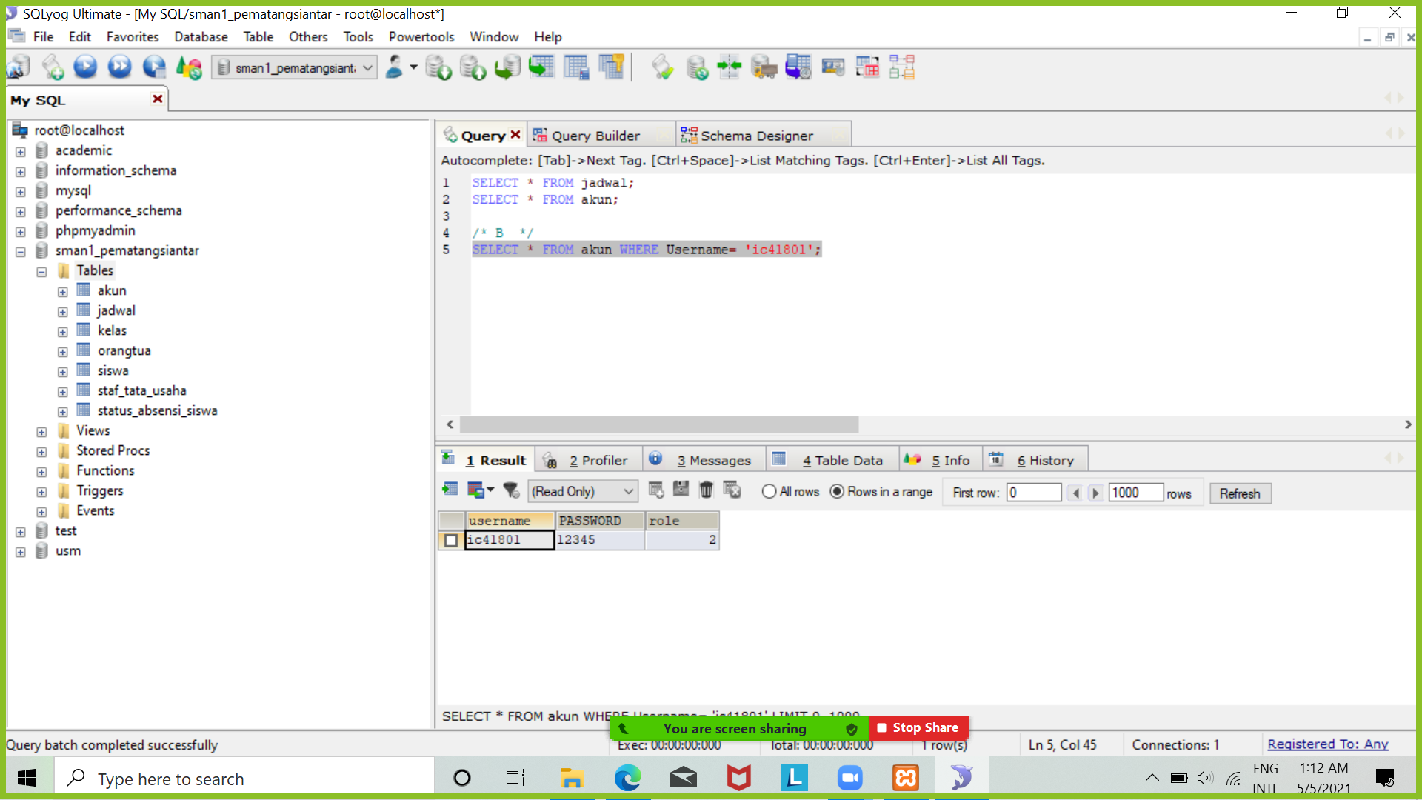
4 query yang menerapkan penggunaan wildcard
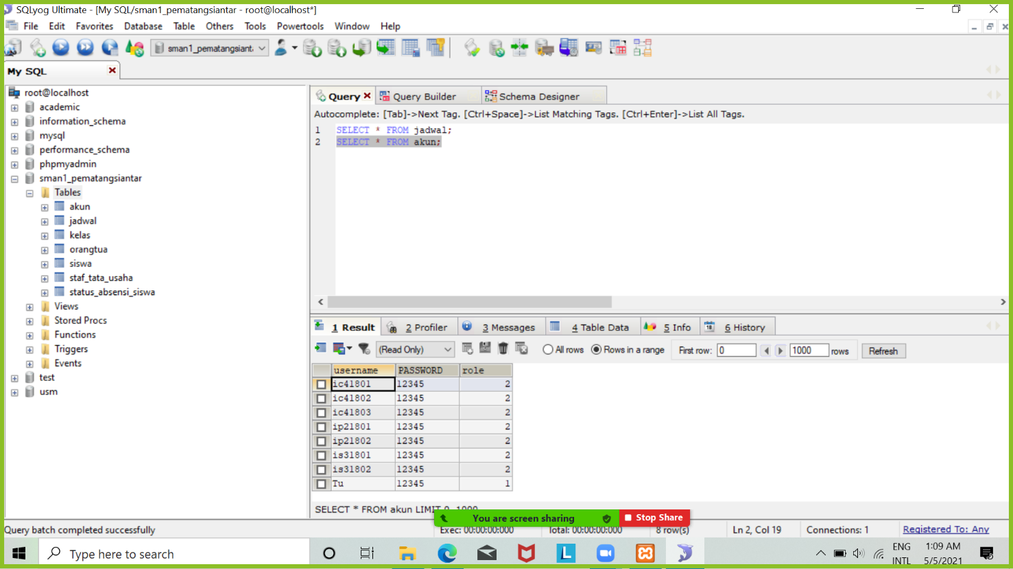
4 query yang menggunakan operator
/*A*/
SELECT * FROM jadwal;
SELECT * FROM akun;
/* B */
SELECT * FROM akun WHERE Username= 'ic41801';
SELECT * FROM jadwal WHERE kelas= '7A';
SELECT * FROM orangtua WHERE alamat= 'medan';
SELECT * FROM siswa WHERE tempat_lahir= 'medan';
/* C */
SELECT * FROM akun
ORDER BY Username DESC;
SELECT * FROM jadwal
ORDER BY kode_guru DESC;
SELECT * FROM kelas
ORDER BY jumlah_siswa ASC;
SELECT * FROM siswa
ORDER BY tanggal_lahir ASC;
/*D*/
SELECT * FROM siswa WHERE nama LIKE '%r';
SELECT * FROM orangtua WHERE alamat LIKE '_i%';
SELECT * FROM kelas WHERE nama_ketua LIKE 'e%';
SELECT * FROM status_absensi_siswa WHERE kehadiran LIKE '%t';
/*E*/
SELECT * FROM siswa
WHERE nama='Feny P Siregar' AND alamat='Jalan Jawa';
SELECT * FROM jadwal
WHERE id_jadwal='AJM5' OR kode_guru='WLS';
SELECT * FROM orangtua
WHERE NOT nama_ayah='shawn';
SELECT * FROM siswa
WHERE jlh_saudara >= 3;

Advanced Query
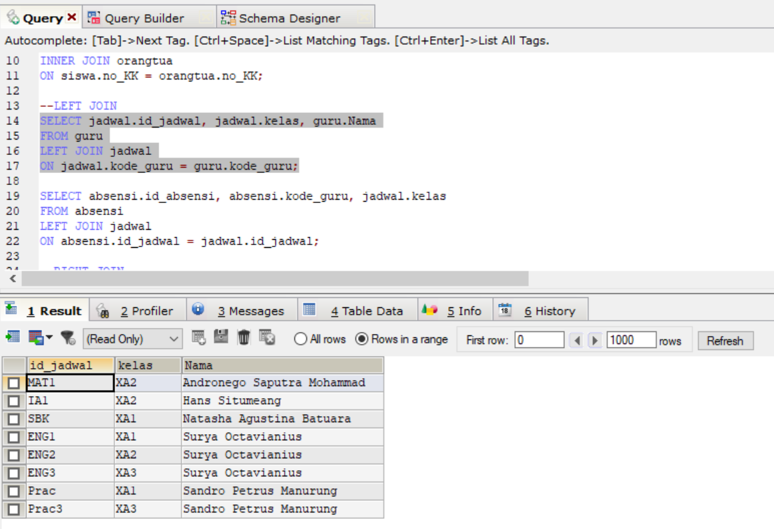
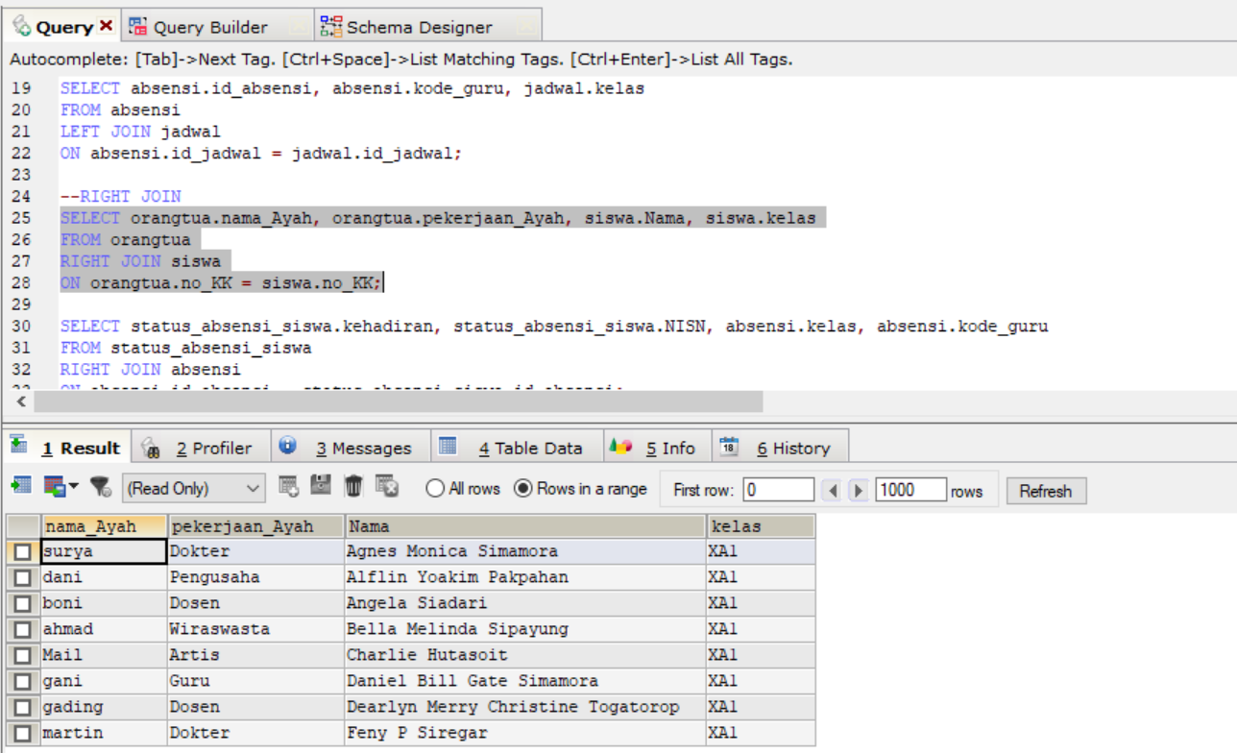
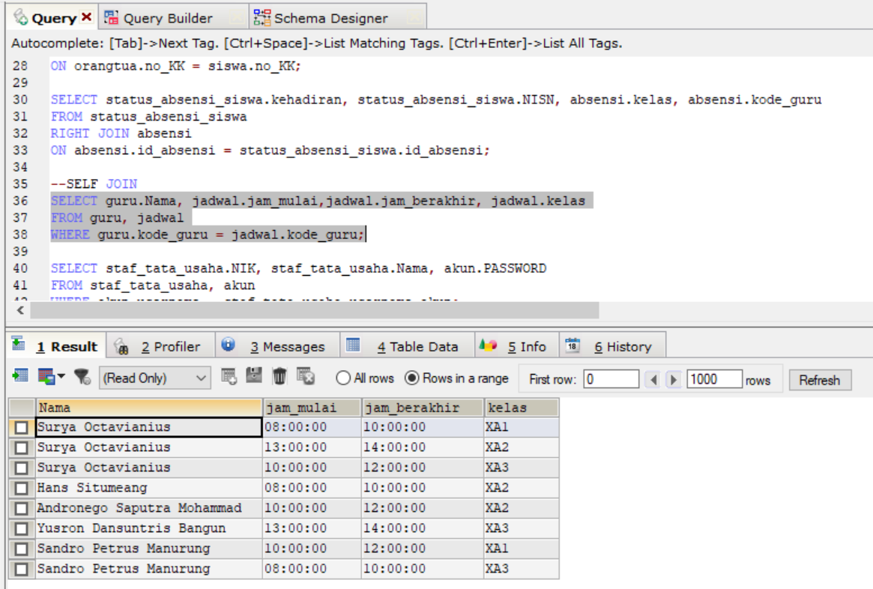
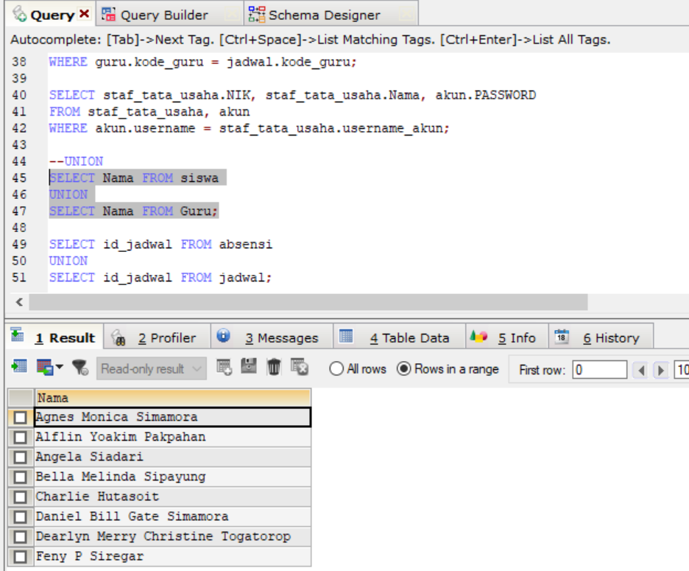
 | Intitut Teknologi Del
 | http://www.del.ac.id
 | Jl. Sisingamangaraja, Laguboti 22381
 | Toba Samosir, Sumatera Utara, Indonesia
 | Telp.: (+62 632) 331234, Fax.: (+62 632) 331116

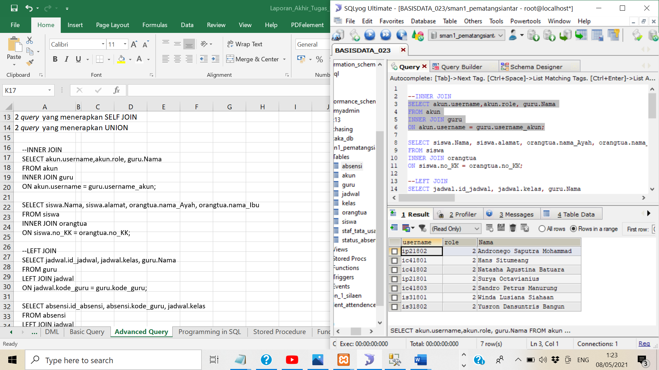
Poin | : | (max point: 20)

2 query yang menerapkan INNER JOIN
2 query yang menerapkan LEFT JOIN
2 query yang menerapkan RIGHT JOIN
2 query yang menerapkan SELF JOIN
2 query yang menerapkan UNION
--INNER JOIN
SELECT akun.username,akun.role, guru.Nama
FROM akun
INNER JOIN guru
ON akun.username = guru.username_akun;
SELECT siswa.Nama, siswa.alamat, orangtua.nama_Ayah, orangtua.nama_Ibu
FROM siswa
INNER JOIN orangtua
ON siswa.no_KK = orangtua.no_KK;
--LEFT JOIN
SELECT jadwal.id_jadwal, jadwal.kelas, guru.Nama
FROM guru
LEFT JOIN jadwal
ON jadwal.kode_guru = guru.kode_guru;
SELECT absensi.id_absensi, absensi.kode_guru, jadwal.kelas
FROM absensi
LEFT JOIN jadwal
ON absensi.id_jadwal = jadwal.id_jadwal;
--RIGHT JOIN
SELECT orangtua.nama_Ayah, orangtua.pekerjaan_Ayah, siswa.Nama, siswa.kelas
FROM orangtua
RIGHT JOIN siswa
ON orangtua.no_KK = siswa.no_KK;
SELECT status_absensi_siswa.kehadiran, status_absensi_siswa.NISN, absensi.kelas, absensi.kode_guru
FROM status_absensi_siswa
RIGHT JOIN absensi
ON absensi.id_absensi = status_absensi_siswa.id_absensi;
--SELF JOIN
SELECT guru.Nama, jadwal.jam_mulai,jadwal.jam_berakhir, jadwal.kelas
FROM guru, jadwal
WHERE guru.kode_guru = jadwal.kode_guru;
SELECT staf_tata_usaha.NIK, staf_tata_usaha.Nama, akun.PASSWORD
FROM staf_tata_usaha, akun
WHERE akun.username = staf_tata_usaha.username_akun;
--UNION
SELECT Nama FROM siswa
UNION
SELECT Nama FROM Guru;
SELECT id_jadwal FROM absensi
UNION
SELECT id_jadwal FROM jadwal;

Programming in SQL
 | Intitut Teknologi Del
 | http://www.del.ac.id
 | Jl. Sisingamangaraja, Laguboti 22381
 | Toba Samosir, Sumatera Utara, Indonesia
 | Telp.: (+62 632) 331234, Fax.: (+62 632) 331116

Poin | : |  | (max point: 4)
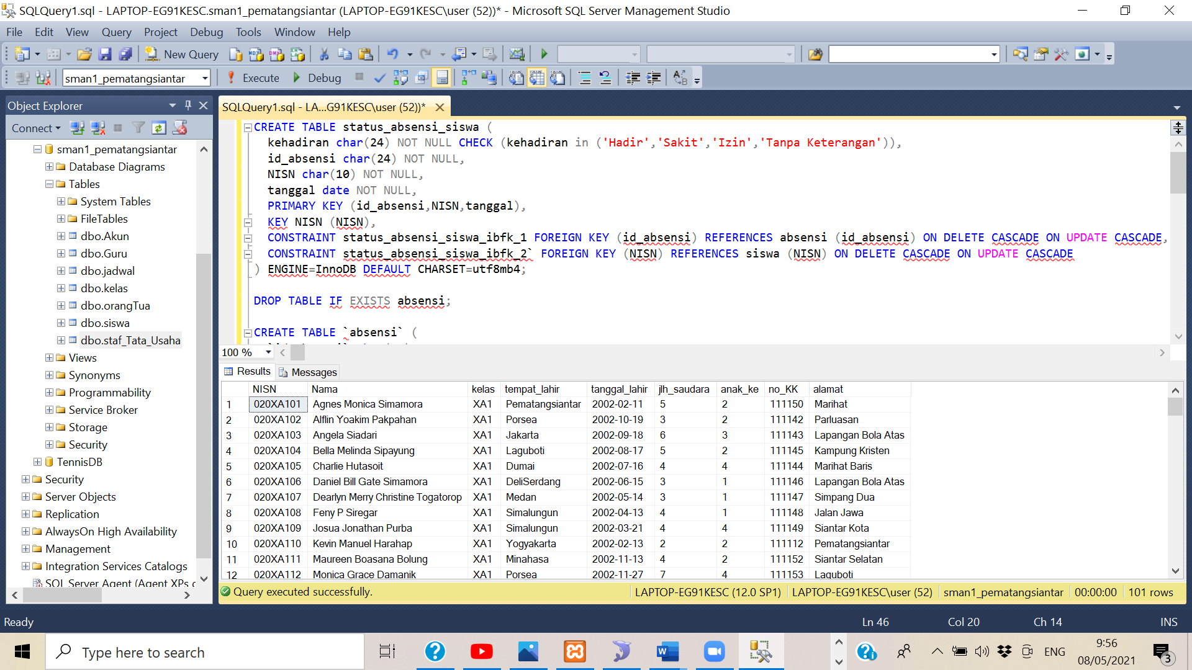
Sebuah query yang menerapkan IF ELSE

 |  | DECLARE @TanggalLahir_ID INT
 |  | DECLARE @TanggalLahir_ID2 INT

 |  | SET @TanggalLahir_ID = '20021209'
 |  | SET @TanggalLahir_ID2 = '20011205'

 |  |  | IF @TanggalLahir_ID2 < @TanggalLahir_ID
 |  |  |  | SELECT * FROM siswa
 |  |  | ELSE
 |  |  |  | SELECT tanggal_lahir
 |  |  |  | FROM siswa;

Stored Procedure
 | Intitut Teknologi Del
 | http://www.del.ac.id
 | Jl. Sisingamangaraja, Laguboti 22381
 | Toba Samosir, Sumatera Utara, Indonesia
 | Telp.: (+62 632) 331234, Fax.: (+62 632) 331116

Poin | : |  | (max point: 3)

 |  | syntaks ini menampilkan nama yg huruf keduanya i pada tabel siswa
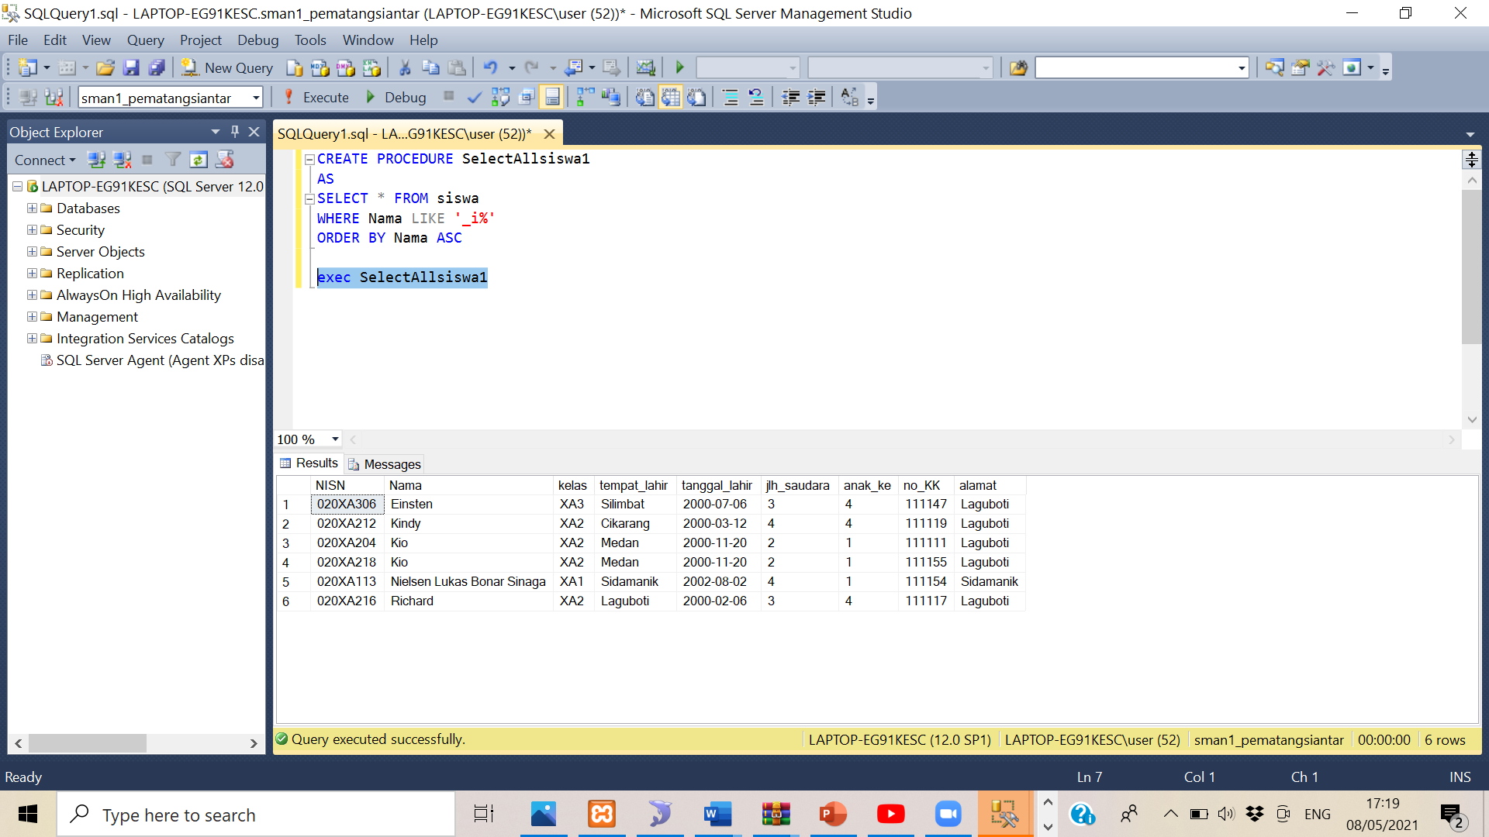
 |  | CREATE PROCEDURE SelectAllsiswa1
 |  | AS
 |  | SELECT * FROM siswa
 |  | WHERE Nama LIKE '_i%'
 |  | ORDER BY Nama ASC

 |  | exec SelectAllsiswa1

Function
 | Intitut Teknologi Del
 | http://www.del.ac.id
 | Jl. Sisingamangaraja, Laguboti 22381
 | Toba Samosir, Sumatera Utara, Indonesia
 | Telp.: (+62 632) 331234, Fax.: (+62 632) 331116

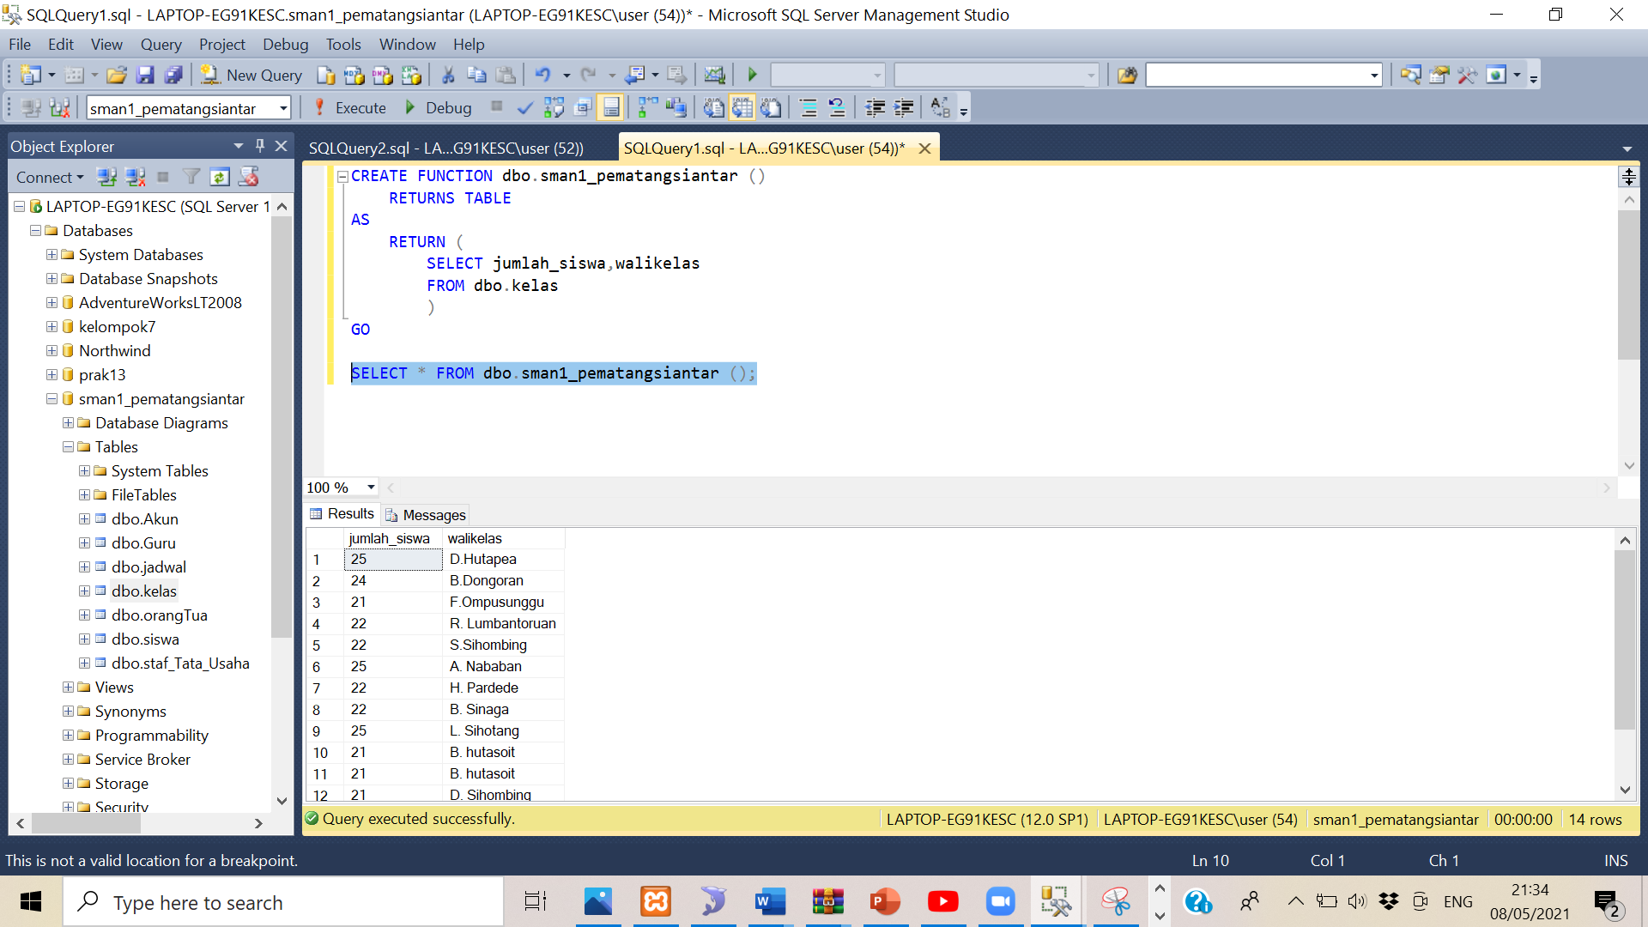
Poin | : |  | (max point: 3)

 |  | CREATE FUNCTION dbo.sman1_pematangsiantar ()
 |  |  | RETURNS TABLE
 |  | AS
 |  |  | RETURN (
 |  |  |  | SELECT jumlah_siswa,walikelas
 |  |  |  | FROM dbo.kelas
 |  |  |  | )
 |  | GO

 |  | SELECT * FROM dbo.sman1_pematangsiantar ();

