Circle
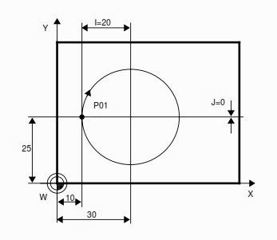
O0100 (sous programme circle)
(DIA 20.0 END MILL - NO CUTTER RADIUS COMP USED) | echantillon
(MACHINE OUTSIDE OF DIA #103 CIRCLE)
(CIRCLE CENTER X#101 Y#102)
(STARTING CUT AT 3 O'CLOCK)
N1 G00 G17 G21 G40 G49 G80 G94
G91 G28 Z0.0
G28 X0.0 Y0.0
T01 M06
S2000 M03
G90 G54 G00 X82.000 Y30.000
G43 Z10.000 H01 M08
G01 Z1.000 F2000.
G01 Z-5.000 F100.
G01 X80.000 Y30.000 F600.
G03 X80.000 Y30.000 I-60.000 J0.0 (G03 I-60.000 J0.0 Works as well)
G01 X82.000 Y30.000
G00 Z10.000 M09
G91 G28 Z0.0 M05
G28 X0.0 Y0.0
M99

Rectangle
O0200 (sous programme rect)
(DIA 20.0 END MILL - NO CUTTER RADIUS COMP USED)
(MACHINE OUTSIDE OF 100 X 200 RECTANGLE)
X#101 Y#102
N1 G00 G17 G21 G40 G49 G80 G94
G91 G28 Z0.0
G28 X0.0 Y0.0 | echatillon

T01 M06
S2000 M03
G90 G54 G00 X-12.000 Y-12.000
G43 Z10.000 H01 M08
G01 Z1.000 F2000.
G01 Z-5.000 F100.
G01 X-12.000 Y-10.000 F600.
G01 X110.000 Y-10.000
G01 X110.000 Y210.000
G01 X-10.000 Y210.000
G01 X-10.000 Y-12.000
G00 Z10.000 M09
G91 G28 Z0.0 M05
G28 X0.0 Y0.0
M99

RectangleCoinsRonds
O0300 (sous programme rect coins ronds)
G90 (rect avec coins ronds)
G40
F40.0
G00 X#101 Y#102 Z+0.1 (move to start point at clearance plane) | echantillon

G01 Z-0.5 (vertical move to cutting plane)
G01 Y+1.50 (move along Y-axis to start of radius)
G02 X+0.50 Y+2.25 I+0.75 J+0.0 (CW arc of radius 0.75" -- 0.5 + 0.25)
(the start point of the tool path for the arc is -0.25, +1.5)
(the end point is +0.50, +2.25, and arc center is +0.50, +1.50)
G01 X+3.5
G02 (see if you can proceed from here)
M99

FormeIrreg
O0400 (sous programme forme irreg)
N5 G90 G71 (forme irreg)
N10 T1 M6
N15 G92 X#101 Y#102 Z95
N20 G0 X0 Y0 S2500 M3

N25 Z12.5
N30 G1 Z-12.5 F150
N35 X-20 Y30
N40 G2 X10 Y100 R80
N45 G1 X140 Y60
N50 G2 X150 Y0 R50
N55 G1 X0 Y0
N60 G0 Z12.5
N65 G91 G28 Z0 M5
N70 G91 G28 X0 Y0
N75 M30
M99

