PPB_Nd_Aliquot_Sent
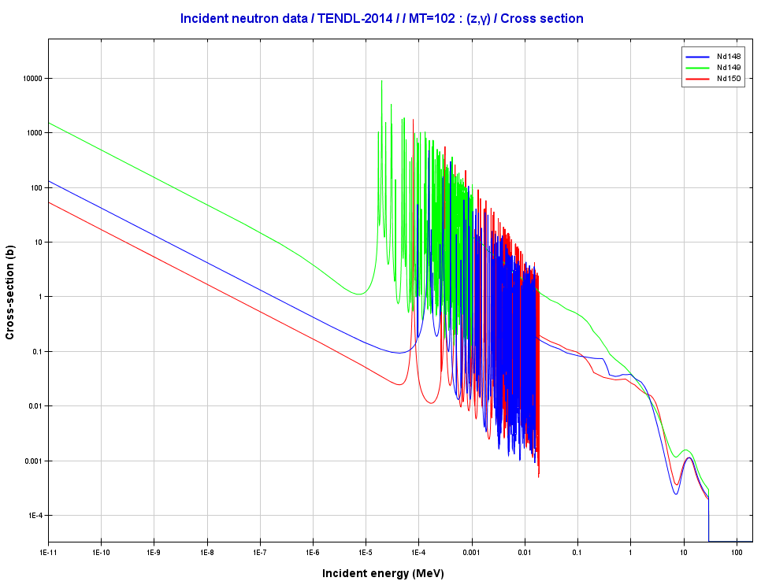
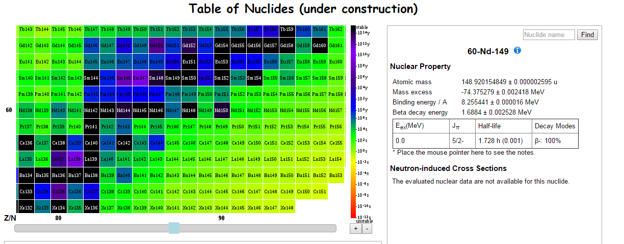
Sample ID | Nd 143 | ± | % | Nd145 | ± | % | Nd146 | ± | % | Nd148 | ± | % | Nd150 | ± | % | ±^2 | ±^2 | ±^2 | ±^2 | ±^2 | Sum Nd | ± | %
87G Trace | 41.767941672 | 0.81801205995 | 1.96% | 29.058252964 | 0.57274229606 | 1.97% | 26.971847598 | 0.67337609697 | 2.50% | 18.143121834 | 0.44120412483 | 2.43% | 17.601487041 | 0.41560842098 | 2.36% | 0.66914373023 | 0.3280337377 | 0.45343536797 | 0.19466107977 | 0.17273035959 | 133.54265111 | 1.3483338886 | 1.01%
90G Trace | 0.49696384006 | 0.33813905602 | 68.04% | 0.3597759351 | 0.2331170463 | 64.80% | 0.13943429393 | 0.48704439067 | 349.30% | 0.22300395742 | 0.16467086892 | 73.84% | 0.24753446674 | 0.1634051578 | 66.01% | 0.11433802121 | 0.054343557275 | 0.23721223848 | 0.02711649507 | 0.026701245594 | 1.4667124933 | 0.67802032243 | 46.23%
93G Trace | LLD | LLD | LLD | LLD | LLD | LLD | LLD | LLD | LLD | LLD | LLD | LLD | LLD | LLD | LLD | LLD | LLD | LLD | LLD | LLD | LLD | LLD | LLD
96G Trace | LLD | LLD | LLD | LLD | LLD | LLD | LLD | LLD | LLD | LLD | LLD | LLD | LLD | LLD | LLD | LLD | LLD | LLD | LLD | LLD | LLD | LLD | LLD
30G Trace Waste | 47.511019999 | 0.65467458415 | 1.38% | 32.961892049 | 0.45997499034 | 1.40% | 30.125580751 | 0.58417543775 | 1.94% | 20.61139887 | 0.4077366394 | 1.98% | 21.007780714 | 0.3930902525 | 1.87% | 0.42859881113 | 0.21157699174 | 0.34126094207 | 0.16624916711 | 0.15451994661 | 152.21767238 | 1.1411423481 | 0.75%
30G Trace Original | 34.189197805 | 0.49492784163 | 1.45% | 24.129705827 | 0.35008176896 | 1.45% | 21.440786445 | 0.52655142171 | 2.46% | 14.86579988 | 0.30592295174 | 2.06% | 15.508535182 | 0.29975050501 | 1.93% | 0.24495356842 | 0.12255724496 | 0.27725639971 | 0.093588852399 | 0.089850365252 | 110.13402514 | 0.91005847655 | 0.83%
42G taper | 3.6398923771 | 0.34018964768 | 9.35% | 2.5251267581 | 0.23463180399 | 9.29% | 4.7640181807 | 0.48889904182 | 10.26% | LLD | 0.16772197431 | #VALUE! | 1.7612979521 | 0.16595820322 | 9.42% | 0.11572899639 | 0.055052083442 | 0.23902227309 | 0.028130660666 | 0.027542125217 | 12.690335268 | 0.68225811743 | 5.38%
70G | 0.31564546749 | 0.33810987423 | 107.12% | 0.24541116788 | 0.23309993334 | 94.98% | 0.45914065665 | 0.48712295704 | 106.09% | LLD | 0.16465132819 | #VALUE! | 0.18153767046 | 0.16337963929 | 90.00% | 0.11431828705 | 0.054335578923 | 0.23728877527 | 0.027110059873 | 0.026692906533 | 1.2017349625 | 0.67804543185 | 56.42%
71G | 0.30892544844 | 0.33808488658 | 109.44% | 0.2308724385 | 0.23307423587 | 100.95% | 0.47884135924 | 0.48709741647 | 101.72% | 1.7949137273 | 0.16462794643 | 9.17% | 0.16692332617 | 0.16335140566 | 97.86% | 0.11430139053 | 0.054323599427 | 0.23726389313 | 0.027102360744 | 0.026683681733 | 2.9804762996 | 0.67799330791 | 22.75%
72G | 0.53410825162 | 0.33816982829 | 63.31% | 0.38890271112 | 0.23314409436 | 59.95% | 0.67711344516 | 0.48716240382 | 71.95% | 0.17056312693 | 0.16469603927 | 96.56% | 0.2697650266 | 0.16343550135 | 60.58% | 0.11435883277 | 0.054356168734 | 0.2373272077 | 0.027124785352 | 0.026711163102 | 2.0404525614 | 0.678143169 | 33.23%
73G | 0.2372333001 | 0.33808006616 | 142.51% | 0.15396010399 | 0.23306372136 | 151.38% | 0.19085983259 | 0.4870603227 | 255.19% | 0.16403783822 | 0.16457942449 | 100.33% | 0.06415661681 | 0.16330689251 | 254.54% | 0.11429813114 | 0.054318698214 | 0.23722775795 | 0.027086386965 | 0.026669141142 | 0.81024769172 | 0.67793813538 | 83.67%
74G | 0.16842732197 | 0.3380407926 | 200.70% | 0.090125191015 | 0.23302874569 | 258.56% | 0.22144511543 | 0.48703998024 | 219.94% | 0.23890458133 | 0.16457162444 | 68.89% | 0.07609145545 | 0.16329435858 | 214.60% | 0.11427157746 | 0.054302396316 | 0.23720794235 | 0.027083819571 | 0.026665047545 | 0.79499366519 | 0.67788699888 | 85.27%
75G trace waste | #VALUE! | #VALUE! | #VALUE! | #VALUE! | #VALUE! | #VALUE! | #VALUE! | #VALUE! | #VALUE! | 0.064416023873 | #VALUE! | #VALUE! | #VALUE! | #VALUE! | #VALUE! | #VALUE! | #VALUE! | #VALUE! | #VALUE! | #VALUE! | #VALUE! | #VALUE! | #VALUE!
81G trace | LLD | LLD | LLD | LLD | LLD | LLD | LLD | LLD | LLD | 0.087231109399 | LLD | LLD | LLD | LLD | LLD | LLD | LLD | LLD | LLD | LLD | 0.087231109399 | 0 | 0.00%
82G trace | LLD | LLD | LLD | LLD | LLD | LLD | LLD | LLD | LLD | #VALUE! | LLD | LLD | LLD | LLD | LLD | LLD | LLD | LLD | LLD | LLD | #VALUE! | #VALUE! | #VALUE!
83G Trace | #VALUE! | #VALUE! | #VALUE! | #VALUE! | #VALUE! | #VALUE! | #VALUE! | #VALUE! | #VALUE! | LLD | #VALUE! | #VALUE! | #VALUE! | #VALUE! | #VALUE! | #VALUE! | #VALUE! | #VALUE! | #VALUE! | #VALUE! | #VALUE! | #VALUE! | #VALUE!
84G trace | LLD | LLD | LLD | LLD | LLD | LLD | LLD | LLD | LLD | LLD | LLD | LLD | LLD | LLD | LLD | LLD | LLD | LLD | LLD | LLD | LLD | LLD | LLD
86G Trace | 3.565306388 | 0.34640275909 | 9.72% | 2.5745146431 | 0.23956843341 | 9.31% | 2.3212610449 | 0.489837653 | 21.10% | 1.6005179371 | 0.17003238214 | 10.62% | 2.1843864653 | 0.17216671929 | 7.88% | 0.11999487151 | 0.057393034285 | 0.2399409263 | 0.028911010976 | 0.029641379231 | 12.245986478 | 0.68984144721 | 5.63%
24G Taper Waste | 138.66500864 | 1.4646405368 | 1.06% | 97.877123993 | 1.0559969905 | 1.08% | 169.70607107 | 1.5856329531 | 0.93% | LLD | 1.1355938542 | #VALUE! | 64.203830437 | 1.0355065176 | 1.61% | 2.1451719022 | 1.1151296439 | 2.5142318618 | 1.2895734018 | 1.0722737479 | 470.45203414 | 2.8524341461 | 0.61%
24G Trace Original | 45.155774849 | 0.63818360605 | 1.41% | 31.510432689 | 0.44996209975 | 1.43% | 32.922139213 | 0.60482681467 | 1.84% | 1.6005179371 | 0.40118384924 | 25.07% | 20.597738598 | 0.38919551269 | 1.89% | 0.40727831503 | 0.20246589121 | 0.36581547574 | 0.16094848089 | 0.1514731471 | 131.78660329 | 1.1348926425 | 0.86%
53G | 13.37786028 | 0.45348485076 | 3.39% | 9.4685913247 | 0.3176116247 | 3.35% | 18.29657779 | 0.63118525275 | 3.45% | 65.874777595 | 0.24524959559 | 0.37% | 6.5329644734 | 0.23547288238 | 3.60% | 0.20564850987 | 0.10087714414 | 0.39839482328 | 0.060147364135 | 0.055447478338 | 113.55077146 | 0.90582300686 | 0.80%
94G | 4.5470510992 | 0.38209744648 | 8.40% | 3.091643152 | 0.26322663706 | 8.51% | 6.6590109921 | 0.55055767985 | 8.27% | 20.076624202 | 0.18633698179 | 0.93% | 2.1435634183 | 0.18649851943 | 8.70% | 0.14599845861 | 0.06928826246 | 0.30311375884 | 0.034721470784 | 0.03478169775 | 36.517892864 | 0.76674875184 | 2.10%
47G | 0.59654762197 | 0.33810009181 | 56.68% | 0.42080032515 | 0.23307547626 | 55.39% | 0.80325465472 | 0.48709232412 | 60.64% | 6.8135639039 | 0.16467100543 | 2.42% | 0.28887386113 | 0.16337914464 | 56.56% | 0.11431167208 | 0.054324177633 | 0.23725893222 | 0.027116540028 | 0.026692744902 | 8.9230403669 | 0.67801479841 | 7.60%
48G | LLD | LLD | LLD | LLD | LLD | LLD | LLD | LLD | LLD | 2.0421469677 | LLD | LLD | LLD | LLD | LLD | LLD | LLD | LLD | LLD | LLD | 2.0421469677 | 0 | 0.00%
49G | LLD | LLD | LLD | LLD | LLD | LLD | LLD | LLD | LLD | 0.2952108286 | LLD | LLD | LLD | LLD | LLD | LLD | LLD | LLD | LLD | LLD | 0.2952108286 | 0 | 0.00%
50G | LLD | LLD | LLD | LLD | LLD | LLD | LLD | LLD | LLD | LLD | LLD | LLD | LLD | LLD | LLD | LLD | LLD | LLD | LLD | LLD | LLD | LLD | LLD | You may question, as I did, why the % error decreases…I plugged in the standard error propagation formula, and these are the results
51G | LLD | LLD | LLD | LLD | LLD | LLD | LLD | LLD | LLD | LLD | LLD | LLD | LLD | LLD | LLD | LLD | LLD | LLD | LLD | LLD | LLD | LLD | LLD | If you see an error in my calculations please let me know.
52G | 0.5638595716 | 0.33809275059 | 59.96% | 0.39775731794 | 0.23306991718 | 58.60% | 0.7419612544 | 0.48708315532 | 65.65% | LLD | 0.16465261176 | #VALUE! | 0.26154839955 | 0.16336289866 | 62.46% | 0.114306708 | 0.054321586293 | 0.2372500002 | 0.027110482558 | 0.026687436659 | 1.9651265435 | 0.67799425787 | 34.50% | Some of the % errors drastically increase because the numbers are near the LLD
Background (Nd/Sm) (ppb) | 0.2733 |  |  | 0.1886 |  |  | 0.3934 |  |  | 0.1322 | 0.006 |  | 0.1316 | 0.004
± (ppb) | 0.338 |  |  | 0.233 |  |  | 0.487 |  |  | 0.164 | 0.013 |  | 0.163 | 0.009
 | Background subtracted Nd values reported above. Isotopes 148 and 150 had Sm subtracted out as well |  |  |  |  |  |  |  |  |  |  |  |  |  |  | 15.004
 | Lower limits of detection were determined based on the background Nd levels within each sample (see Mass_Contamination.xlsx File)

 |  |  |  |  | 148 yield is higher than 150 |  |  |  | Their removal cross sections are about the same |  |  |  |  | The reason why 150 is about the same as 148 or even higher is because 149 has a much larger absorption cross section, a high yield, and a long half life

