Recipe Report - NPD-R655 - Crum
RP 2026.2.3.3 - Recipe Breakdown |  |  |  |  |  |  |  | Created: 22/05/2026 23:03:18
Recipe Breakdown
NPD-R655 - Crumble Topped Mince Pie (Loose)
ID: 655 - V: 217

 |  | Recipe Code: | NPD-R655 |  |  | Units Requested: |  | 1
 | Recipe Description: |  | Crumble Topped Mince Pie (Loose)

Ingredients |  |  | Per 1 unit
Code |  | Description |  |  | State |  |  | Weight (g)
NPD-R568 |  | Crumble Topped Mince Pie (Single) |  |  | Live |  |  | 83.8

 |  |  |  |  |  |  | Total: | 83.8
 |  |  |  |  |  |  | Cook loss: | 0%
 |  |  |  |  |  |  | Finished Weight: | 83.8

Ingredients |  |  | Per 1 units
Code |  | Description |  |  | State |  |  | Weight (g)
NPD-R568 |  | Crumble Topped Mince Pie (Single) |  |  | Live |  |  | 83.8

 |  |  |  |  |  |  | Total: | 83.8
 |  |  |  |  |  |  | Cook loss: | 0%
 |  |  |  |  |  |  | Finished Weight: | 83.8
Recipe Packaging (per 75g pack)
Code |  | Description |  |  | Quantity |  | UOM
NPD-R568 |  | Crumble Topped Mince Pie (Single) |  |  | 0.89 |  | Sub Recipe

Sub Recipe Breakdown
NPD-R568 - Crumble Topped Mince Pie (Single)

Ingredients |  |  |  |  |  |  | In Product Mix (QUID)
Code |  | Description |  | State |  |  | g
NPD-R412 |  | Mincemeat (Mince Pie) |  | Live |  |  | 50.0
NPD-R413 |  | Mince Pie Dough |  | Live |  |  | 28.0
NPD-R567 |  | Crumble Topping |  | Live |  |  | 15.0
NPD-R223 |  | Hazelnut Praline |  | Live |  |  | 2.0

 |  |  |  |  |  | Total: | 95.0

 |  |  | Deposit Weight |  |  |  | 95g
 |  |  | Cook Loss |  |  |  | 11.76%
 |  |  | Finished Weight |  |  |  | 83.8g

Packaging
Code |  | Description |  |  | State |  | Quantity
NPD-R412 |  | Mincemeat (Mince Pie) |  |  | Live |  | 50g

Method
Stage 1
Materials |  |  | Method |  |  |  | Image
NPD-R413 - Mince Pie Dough NPD-R412 - Mincemeat (Mince Pie) NPD-R567 - Crumble Topping NPD-R223 - Hazelnut Praline |  |  | Fill the cases with the required mincemeat, top with the crumble and praline.

Stage 2
Materials |  |  | Method |  |  |  | Image
 |  |  | Bake at 160°C fan 3, for about 23 minutes. Ensure all trays are thoroughly baked before removing from the oven. Bake a little longer if needed. |  |  |  | 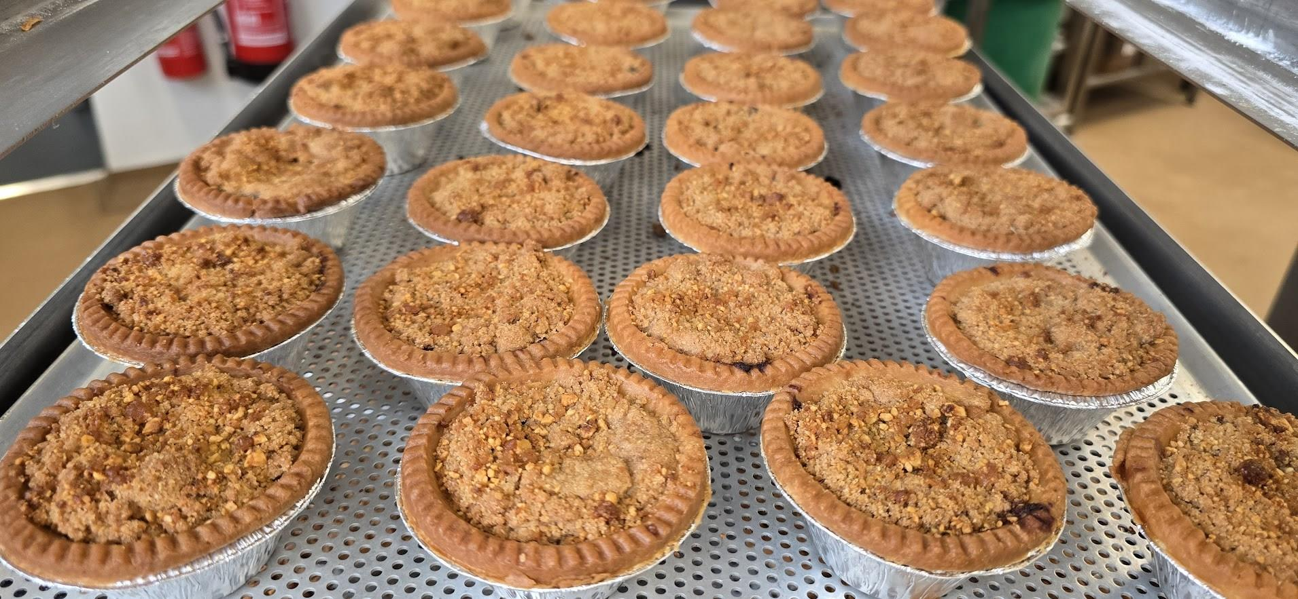

NPD-R413 - Mince Pie Dough

Ingredients |  |  |  |  |  |  | In Product Mix (QUID)
Code |  | Description |  | State |  |  | g
NPD-I11204 |  | Wildfarmed Plain Flour |  | Approved |  |  | 14.4
NPD-I10861 |  | Unsalted Butter |  | Approved |  |  | 7.2
NPD-I10900 |  | Icing Sugar |  | Approved |  |  | 3.8
NPD-I10863 |  | Egg Pasteurised Yolk Free Range |  | Approved |  |  | 1.7
NPD-I11705 |  | Distillerie Du Perigord Brandy |  | Approved |  |  | 0.7
NPD-I10753 |  | Salt Sea Fine (WOAFSEA10) |  | Approved |  |  | 0.1

 |  |  |  |  |  | Total: | 28.0

 |  |  | Deposit Weight |  |  |  | 28g
 |  |  | Cook Loss |  |  |  | 0%
 |  |  | Finished Weight |  |  |  | 28g

Method
Stage 1
Materials |  |  | Method |  |  |  | Image
NPD-I10861 - Unsalted Butter |  |  | Chop the butter into small 5 cm pieces and add to the flour. In a Planetary mixer, mix on slow speed until fine sand-like texture and no pieces of butter are present.

Stage 2
Materials |  |  | Method |  |  |  | Image
NPD-I10900 - Icing Sugar NPD-I10753 - Salt Sea Fine (WOAFSEA10) |  |  | Add the icing sugar and salt and mix on slow for a 1 minute

Stage 3
Materials |  |  | Method |  |  |  | Image
NPD-I10863 - Egg Pasteurised Yolk Free Range NPD-I11705 - Distillerie Du Perigord Brandy |  |  | Add the yolk and brandy and mix just enough until it comes together. DO NOT OVERMIX!

Stage 4
Materials |  |  | Method |  |  |  | Image
 |  |  | Divide into the required portions (35-38g) and using the pie press, stamp using the aluminium cases. Use the temperature on the pie press between 42-45 c

Stage 5
Materials |  |  | Method |  |  |  | Image
 |  |  | Store in the fridge or freezer until needed.

Stage 6
Materials |  |  | Method |  |  |  | Image
 |  |  | Fill the cases with the required mincemeat, top with the crumble and praline.

Stage 7
Materials |  |  | Method |  |  |  | Image
 |  |  | Bake at 160°C fan 3, for about 23 minutes. Ensure all trays are thoroughly baked before removing from the oven. Bake a little longer if needed.

NPD-R412 - Mincemeat (Mince Pie)

Ingredients |  |  |  |  |  |  | In Product Mix (QUID)
Code |  | Description |  | State |  |  | g
NPD-I10755 |  | Dark Brown Soft Sugar, Tate & Lyle |  | Approved |  |  | 7.1
NPD-I10944 |  | Raisins |  | Approved |  |  | 7.1
NPD-I11061 |  | Curtis - Cut Mixed Peel 1Kg |  | Approved |  |  | 7.1
NPD-I11620 |  | IQF Apples Diced |  | Approved |  |  | 7.1
NPD-I10862 |  | Currants |  | Approved |  |  | 4.7
NPD-I10977 |  | Sultanas |  | Approved |  |  | 4.7
NPD-I10985 |  | Suet Vegetable (3.50kg) |  | Approved |  |  | 4.7
NPD-I11719 |  | Juice Fresh Orange Smooth 1512203 (2.27L) |  | Approved |  |  | 3.1
NPD-I11705 |  | Distillerie Du Perigord Brandy |  | Approved |  |  | 1.4
NPD-I10987 |  | Nibbed Almonds |  | Approved |  |  | 1.2
NPD-I11439 |  | Lemon Juice |  | Approved |  |  | 0.9
NPD-I10748 |  | Ground Cinnamon (AF, 500g) |  | Approved |  |  | 0.4
NPD-I10817 |  | Spice Mixed |  | Approved |  |  | 0.4
NPD-I10813 |  | Ground Nutmeg |  | Approved |  |  | 0.2
NPD-I11720 |  | Orange Zest (Ponthier) |  | Approved |  |  | 0.1
NPD-I11721 |  | Lemon Zest (Ponthier) |  | Approved |  |  | 0.1

 |  |  |  |  |  | Total: | 50.0

 |  |  | Deposit Weight |  |  |  | 50g
 |  |  | Cook Loss |  |  |  | 0%
 |  |  | Finished Weight |  |  |  | 50g

Packaging
Code |  | Description |  |  | State |  | Quantity
NPD-P25 |  | Vacuum Pouch 400x500mm |  |  | Approved |  | 4.41897311481717E-05Each

Method
Stage 1
Materials |  |  | Method |  |  |  | Image
NPD-I10944 - Raisins NPD-I10755 - Dark Brown Soft Sugar, Tate & Lyle NPD-I10862 - Currants NPD-I10977 - Sultanas NPD-I10987 - Nibbed Almonds NPD-I10817 - Spice Mixed NPD-I10748 - Ground Cinnamon (AF, 500g) NPD-I10813 - Ground Nutmeg NPD-I10985 - Suet Vegetable (3.50kg) |  |  | Mix all ingredients in the twin arm mixer, cover, date and let it steep for a week or two.

Stage 2
Materials |  |  | Method |  |  |  | Image
 |  |  | Divide the mincemeat into large vacuum pack bags and store in the fridge.

NPD-R567 - Crumble Topping

Ingredients |  |  |  |  |  |  | In Product Mix (QUID)
Code |  | Description |  | State |  |  | g
NPD-I10859 |  | Caster Sugar |  | Approved |  |  | 4.2
NPD-I10861 |  | Unsalted Butter |  | Approved |  |  | 4.2
NPD-I10762 |  | Ground Almonds, Patisfrance |  | Approved |  |  | 3.2
NPD-I11204 |  | Wildfarmed Plain Flour |  | Approved |  |  | 3.2
NPD-I10748 |  | Ground Cinnamon (AF, 500g) |  | Approved |  |  | 0.2

 |  |  |  |  |  | Total: | 15.0

 |  |  | Deposit Weight |  |  |  | 15g
 |  |  | Cook Loss |  |  |  | 0%
 |  |  | Finished Weight |  |  |  | 15g

Method
Stage 1
Materials |  |  | Method |  |  |  | Image
 |  |  | Chopp the butter into small pieces.

Stage 2
Materials |  |  | Method |  |  |  | Image
 |  |  | Add all the dry ingredients into a planetary mixer and add the chopped butter.

Stage 3
Materials |  |  | Method |  |  |  | Image
 |  |  | Using a paddle mix on slow until it resembles a sandlike texture and there are no big pieces of butter.

Stage 4
Materials |  |  | Method |  |  |  | Image
 |  |  | Vacumm pack, date label and store in the fridge or freezer until needed.

NPD-R223 - Hazelnut Praline

Ingredients |  |  |  |  |  |  | In Product Mix (QUID)
Code |  | Description |  | State |  |  | g
NPD-I10859 |  | Caster Sugar |  | Approved |  |  | 0.9
NPD-I10929 |  | Hazelnut Roasted |  | Approved |  |  | 0.9
NPD-I11476 |  | Signature Blend Cyder |  | Approved |  |  | 0.5

 |  |  |  |  |  | Total: | 2.3

 |  |  | Deposit Weight |  |  |  | 2.3g
 |  |  | Cook Loss |  |  |  | 12%
 |  |  | Finished Weight |  |  |  | 2g

Method
Stage 1
Materials |  |  | Method |  |  |  | Image
 |  |  | Roast the whole hazelnuts in a gastro lined with a slipmat at 160°c for about 15-20 min. Keep in a warm place.

Stage 2
Materials |  |  | Method |  |  |  | Image
 |  |  | To make the caramel: Place the cyder and sugar in a a large saucepan. Place on medium heat. Keep an eye on it, as you don't want the caramel to burn. Take it up to 150°c.

Stage 3
Materials |  |  | Method |  |  |  | Image
 |  |  | Pour amber caramel straight over the roasted hazelnuts and leave it to cool down overnight, before blitzing coarsely in a robot coupe.

Image

