Introduction
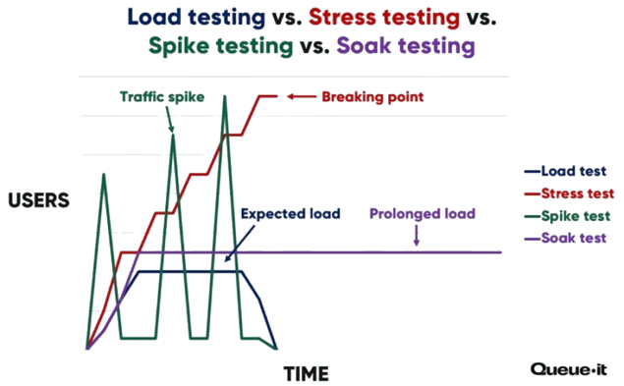
v1.1
 | Welcome to Performance Testing

 | This questionnaire will help identify the type of testing required for your application or service.
 | Please answer the following questions to guide the decision-making process and include all the required files as attachment.

