Sheet1
 | FREQUENCY (Hz) | 3 | STEP | 0.1 | SAMPLES | 128 |  | Delta f | 0.078125
 | This is the function that generates the sine wave of 3Hz |  |  |  | FREQUENCY ANALYSIS: |  | 10
 | Function: | y=sin(3*2*pi*x-1.571)+1 |  |  | frequency cut off (hz) |  | 5

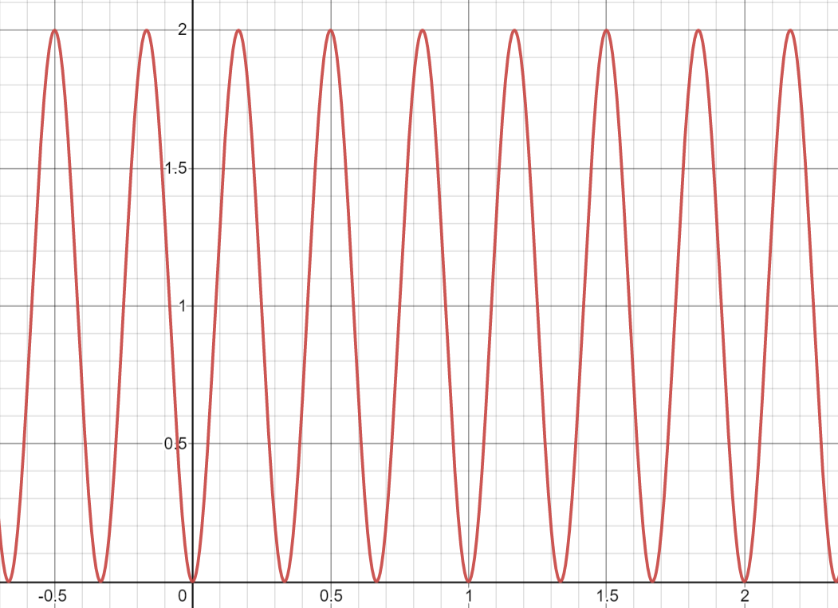
k | X VALUE (t sec) | CALCULATED OUTPUT g(t) |  |  |  |  |  | X VALUE (t sec) | Freq (Hz) | G(f) | mG(f)
0 | 0.000 | 2.0741387163E-08 |  |  |  |  |  | 0 | 0 | 126.881892045818 | 126.88189205
1 | 0.100 | 1.3088232832 |  |  |  |  |  | 0.1 | 0.078125 | -1.11830474235697-3.39339102718365E-002i | 1.1188194703
2 | 0.200 | 1.8091366937 |  |  |  |  |  | 0.2 | 0.15625 | -1.11889681074867-6.79737389648975E-002i | 1.1209596346
3 | 0.300 | 0.19110273851 |  |  |  |  |  | 0.3 | 0.234375 | -1.11988930624031-0.102226805745305i | 1.1245454095
4 | 0.400 | 0.69078930731 |  |  |  |  |  | 0.4 | 0.3125 | -1.12129092592057-0.136803272909476i | 1.1296054515
5 | 0.500 | 1.9999999793 |  |  |  |  |  | 0.5 | 0.390625 | -1.12311410034599-0.171817669043594i | 1.1361807047
6 | 0.600 | 0.69117671676 |  |  |  |  |  | 0.6 | 0.46875 | -1.12537526008822-0.207390541224802i | 1.1443252652
7 | 0.700 | 0.1908633063 |  |  |  |  |  | 0.7 | 0.546875 | -1.12809519630448-0.24365028863622i | 1.1541075492
8 | 0.800 | 1.8088972615 |  |  |  |  |  | 0.8 | 0.625 | -1.13129953029461-0.280735240058343i | 1.1656118146
9 | 0.900 | 1.3092106927 |  |  |  |  |  | 0.9 | 0.703125 | -1.13501931225312-0.318796051077665i | 1.1789401008
10 | 1.000 | 2.0741387163E-08 |  |  |  |  |  | 1 | 0.78125 | -1.13929177610732-0.357998515160657i | 1.1942146742
11 | 1.100 | 1.3088232832 |  |  |  |  |  | 1.1 | 0.859375 | -1.1441612860257-0.398526907641477i | 1.2115810929
12 | 1.200 | 1.8091366937 |  |  |  |  |  | 1.2 | 0.9375 | -1.1496805216736-0.440588015530767i | 1.2312120456
13 | 1.300 | 0.19110273851 |  |  |  |  |  | 1.3 | 1.015625 | -1.1559119647441-0.484416052317682i | 1.2533121646
14 | 1.400 | 0.69078930731 | In this example we have 2000 samples for 2 seconds |  |  |  |  | 1.4 | 1.09375 | -1.16292977031798-0.530278720596115i | 1.2781240833
15 | 1.500 | 1.9999999793 |  |  |  |  |  | 1.5 | 1.171875 | -1.1708221356328-0.578484773773283i | 1.3059361036
16 | 1.600 | 0.69117671676 |  |  |  |  |  | 1.6 | 1.25 | -1.17969431945987-0.629393552323609i | 1.3370919681
17 | 1.700 | 0.1908633063 |  |  |  |  |  | 1.7 | 1.328125 | -1.18967252290199-0.683427146692227i | 1.3720034171
18 | 1.800 | 1.8088972615 |  |  |  |  |  | 1.8 | 1.40625 | -1.20090892542325-0.741086093699851i | 1.411166484
19 | 1.900 | 1.3092106927 |  |  |  |  |  | 1.9 | 1.484375 | -1.2135882913541-0.8029698863954i | 1.455182868
20 | 2.000 | 2.0741387163E-08 |  |  |  |  |  | 2 | 1.5625 | -1.22793674291432-0.869804133003493i | 1.5047883155
21 | 2.100 | 1.3088232832 |  |  |  |  |  | 2.1 | 1.640625 | -1.2442335700688-0.942477043885973i | 1.560890821
22 | 2.200 | 1.8091366937 |  |  |  |  |  | 2.2 | 1.71875 | -1.26282737228523-1.02208923155512i | 1.6246228391
23 | 2.300 | 0.19110273851 |  |  |  |  |  | 2.3 | 1.796875 | -1.28415850022514-1.11002287832342i | 1.6974138694
24 | 2.400 | 0.69078930731 |  |  |  |  |  | 2.4 | 1.875 | -1.30879085893576-1.20803968924757i | 1.7810933168
25 | 2.500 | 1.9999999793 |  |  |  |  |  | 2.5 | 1.953125 | -1.33745796209109-1.31842266995589i | 1.8780394397
26 | 2.600 | 0.69117671676 |  |  |  |  |  | 2.6 | 2.03125 | -1.37113128154834-1.4441864713641i | 1.9914004006
27 | 2.700 | 0.1908633063 |  |  |  |  |  | 2.7 | 2.109375 | -1.41112458176449-1.58939840555978i | 2.1254316919
28 | 2.800 | 1.8088972615 |  |  |  |  |  | 2.8 | 2.1875 | -1.45925845920851-1.75968462448481i | 2.286028265
29 | 2.900 | 1.3092106927 |  |  |  |  |  | 2.9 | 2.265625 | -1.51812991997634-1.96305934959998i | 2.481596354
30 | 3.000 | 2.0741387163E-08 |  |  |  |  |  | 3 | 2.34375 | -1.59157452730882-2.21134636216495i | 2.7245480743
31 | 3.100 | 1.3088232832 |  |  |  |  |  | 3.1 | 2.421875 | -1.68550327980913-2.52275300049577i | 3.0340079116
32 | 3.200 | 1.8091366937 |  |  |  |  |  | 3.2 | 2.5 | -1.80952408241453-2.92685721768577i | 3.4410566077
33 | 3.300 | 0.19110273851 |  |  |  |  |  | 3.3 | 2.578125 | -1.98036487555472-3.47513573890191i | 3.9998016756
34 | 3.400 | 0.69078930731 |  |  |  |  |  | 3.4 | 2.65625 | -2.22996469822934-4.26584869988668i | 4.8135441917
35 | 3.500 | 1.9999999793 |  |  |  |  |  | 3.5 | 2.734375 | -2.62784313952999-5.51283822086521i | 6.1071224661
36 | 3.600 | 0.69117671676 |  |  |  |  |  | 3.6 | 2.8125 | -3.35939348246466-7.78632321454811i | 8.480115198
37 | 3.700 | 0.1908633063 |  |  |  |  |  | 3.7 | 2.890625 | -5.13971801063594-13.2856715710824i | 14.24520166
38 | 3.800 | 1.8088972615 |  |  |  |  |  | 3.8 | 2.96875 | -15.8349933663008-46.2037536982987i | 48.841927385
39 | 3.900 | 1.3092106927 |  |  |  |  |  | 3.9 | 3.046875 | 9.1298180039735+30.5522382992042i | 31.887189307
40 | 4.000 | 2.0741387163E-08 |  |  |  |  |  | 4 | 3.125 | 2.89217446325803+11.3430429293093i | 11.705951308
41 | 4.100 | 1.3088232832 |  |  |  |  |  | 4.1 | 3.203125 | 1.45499278446752+6.89746060982912i | 7.0492529297
42 | 4.200 | 1.8091366937 |  |  |  |  |  | 4.2 | 3.28125 | 0.817956494578353+4.91226589461205i | 4.9799005057
43 | 4.300 | 0.19110273851 |  |  |  |  |  | 4.3 | 3.359375 | 0.459291664897745+3.78266875517838i | 3.8104503336
44 | 4.400 | 0.69078930731 |  |  |  |  |  | 4.4 | 3.4375 | 0.229925847792944+3.05013857398016i | 3.0587924441
45 | 4.500 | 1.9999999793 |  |  |  |  |  | 4.5 | 3.515625 | 7.11389519730686E-002+2.53402431222145i | 2.5350226755
46 | 4.600 | 0.69117671676 |  |  |  |  |  | 4.6 | 3.59375 | -4.48786156142972E-002+2.14873750798652i | 2.1492061251
47 | 4.700 | 0.1908633063 |  |  |  |  |  | 4.7 | 3.671875 | -0.132996679753946+1.84848182047432i | 1.853260143
48 | 4.800 | 1.8088972615 |  |  |  |  |  | 4.8 | 3.75 | -0.201884253670567+1.60652640155225i | 1.6191616135
49 | 4.900 | 1.3092106927 |  |  |  |  |  | 4.9 | 3.828125 | -0.256933921019686+1.40621110175522i | 1.4294910641
50 | 5.000 | 2.0741387163E-08 |  |  |  |  |  | 5 | 3.90625 | -0.301673530456694+1.23660392085687i | 1.272869269
51 | 5.100 | 1.3088232832 |  |  |  |  |  | 5.1 | 3.984375 | -0.338505572171509+1.09022608417651i | 1.14156863
52 | 5.200 | 1.8091366937 |  |  |  |  |  | 5.2 | 4.0625 | -0.369120268356486+0.96178048215844i | 1.0301803087
53 | 5.300 | 0.19110273851 |  |  |  |  |  | 5.3 | 4.140625 | -0.394738800136865+0.847402359408907i | 0.934831257
54 | 5.400 | 0.69078930731 |  |  |  |  |  | 5.4 | 4.21875 | -0.416262873433386+0.744197854016313i | 0.85270465328
55 | 5.500 | 1.9999999793 |  |  |  |  |  | 5.5 | 4.296875 | -0.434370098145781+0.649948939135913i | 0.78173589252
56 | 5.600 | 0.69117671676 |  |  |  |  |  | 5.6 | 4.375 | -0.449576707360476+0.562918507755624i | 0.72041409077
57 | 5.700 | 0.1908633063 |  |  |  |  |  | 5.7 | 4.453125 | -0.462279878718197+0.481717822336503i | 0.66764867005
58 | 5.800 | 1.8088972615 |  |  |  |  |  | 5.8 | 4.53125 | -0.472786908084785+0.405213949089202i | 0.62267632442
59 | 5.900 | 1.3092106927 |  |  |  |  |  | 5.9 | 4.609375 | -0.4813356614163+0.332463461354288i | 0.58499228378
60 | 6.000 | 2.0741387163E-08 |  |  |  |  |  | 6 | 4.6875 | -0.488109080715125+0.26266374323655i | 0.55429479222
61 | 6.100 | 1.3088232832 |  |  |  |  |  | 6.1 | 4.765625 | -0.493245523818194+0.195116251623513i | 0.53043519719
62 | 6.200 | 1.8091366937 |  |  |  |  |  | 6.2 | 4.84375 | -0.496846097262022+0.129197954335794i | 0.51336941452
63 | 6.300 | 0.19110273851 |  |  |  |  |  | 6.3 | 4.921875 | -0.49897974240936+6.43383242681101E-002i | 0.50311052792
64 | 6.400 | 0.69078930731 |  |  |  |  |  | 6.4 | 5 | -0.49968656879588 | 0.4996865688
65 | 6.500 | 1.9999999793 |  |  |  |  |  | 6.5 | 5.078125 | -0.498979742409361-6.4338324268106E-002i | 0.50311052792
66 | 6.600 | 0.69117671676 |  |  |  |  |  | 6.6 | 5.15625 | -0.496846097262023-0.129197954335807i | 0.51336941452
67 | 6.700 | 0.1908633063 |  |  |  |  |  | 6.7 | 5.234375 | -0.493245523818196-0.195116251623516i | 0.53043519719
68 | 6.800 | 1.8088972615 |  |  |  |  |  | 6.8 | 5.3125 | -0.488109080715124-0.262663743236557i | 0.55429479222
69 | 6.900 | 1.3092106927 |  |  |  |  |  | 6.9 | 5.390625 | -0.481335661416298-0.332463461354293i | 0.58499228378
70 | 7.000 | 2.0741387163E-08 |  |  |  |  |  | 7 | 5.46875 | -0.472786908084776-0.405213949089242i | 0.62267632442
71 | 7.100 | 1.3088232832 |  |  |  |  |  | 7.1 | 5.546875 | -0.462279878718207-0.481717822336481i | 0.66764867005
72 | 7.200 | 1.8091366937 |  |  |  |  |  | 7.2 | 5.625 | -0.44957670736048-0.562918507755614i | 0.72041409077
73 | 7.300 | 0.19110273851 |  |  |  |  |  | 7.3 | 5.703125 | -0.434370098145785-0.6499489391359i | 0.78173589252
74 | 7.400 | 0.69078930731 |  |  |  |  |  | 7.4 | 5.78125 | -0.416262873433391-0.744197854016328i | 0.85270465328
75 | 7.500 | 1.9999999793 |  |  |  |  |  | 7.5 | 5.859375 | -0.39473880013687-0.847402359408907i | 0.934831257
76 | 7.600 | 0.69117671676 |  |  |  |  |  | 7.6 | 5.9375 | -0.369120268356489-0.961780482158443i | 1.0301803087
77 | 7.700 | 0.1908633063 |  |  |  |  |  | 7.7 | 6.015625 | -0.338505572171514-1.09022608417651i | 1.14156863
78 | 7.800 | 1.8088972615 |  |  |  |  |  | 7.8 | 6.09375 | -0.301673530456696-1.23660392085689i | 1.272869269
79 | 7.900 | 1.3092106927 |  |  |  |  |  | 7.9 | 6.171875 | -0.256933921019694-1.40621110175522i | 1.4294910641
80 | 8.000 | 2.0741387163E-08 |  |  |  |  |  | 8 | 6.25 | -0.20188425367057-1.60652640155226i | 1.6191616135
81 | 8.100 | 1.3088232832 |  |  |  |  |  | 8.1 | 6.328125 | -0.132996679753957-1.84848182047431i | 1.853260143
82 | 8.200 | 1.8091366937 |  |  |  |  |  | 8.2 | 6.40625 | -4.48786156143015E-002-2.14873750798655i | 2.1492061251
83 | 8.300 | 0.19110273851 |  |  |  |  |  | 8.3 | 6.484375 | 7.11389519730568E-002-2.53402431222146i | 2.5350226755
84 | 8.400 | 0.69078930731 |  |  |  |  |  | 8.4 | 6.5625 | 0.229925847792937-3.05013857398017i | 3.0587924441
85 | 8.500 | 1.9999999793 |  |  |  |  |  | 8.5 | 6.640625 | 0.459291664897728-3.78266875517838i | 3.8104503336
86 | 8.600 | 0.69117671676 |  |  |  |  |  | 8.6 | 6.71875 | 0.817956494578346-4.91226589461209i | 4.9799005057
87 | 8.700 | 0.1908633063 |  |  |  |  |  | 8.7 | 6.796875 | 1.45499278446749-6.89746060982913i | 7.0492529297
88 | 8.800 | 1.8088972615 |  |  |  |  |  | 8.8 | 6.875 | 2.892174463258-11.3430429293093i | 11.705951308
89 | 8.900 | 1.3092106927 |  |  |  |  |  | 8.9 | 6.953125 | 9.12981800397336-30.5522382992043i | 31.887189307
90 | 9.000 | 2.0741387274E-08 |  |  |  |  |  | 9 | 7.03125 | -15.8349933663006+46.2037536982988i | 48.841927385
91 | 9.100 | 1.3088232832 |  |  |  |  |  | 9.1 | 7.109375 | -5.13971801063587+13.2856715710824i | 14.24520166
92 | 9.200 | 1.8091366937 |  |  |  |  |  | 9.2 | 7.1875 | -3.35939348246463+7.78632321454811i | 8.480115198
93 | 9.300 | 0.19110273851 |  |  |  |  |  | 9.3 | 7.265625 | -2.62784313952995+5.5128382208652i | 6.1071224661
94 | 9.400 | 0.69078930731 |  |  |  |  |  | 9.4 | 7.34375 | -2.22996469822933+4.2658486998867i | 4.8135441917
95 | 9.500 | 1.9999999793 |  |  |  |  |  | 9.5 | 7.421875 | -1.9803648755547+3.47513573890191i | 3.9998016756
96 | 9.600 | 0.69117671676 |  |  |  |  |  | 9.6 | 7.5 | -1.80952408241452+2.92685721768577i | 3.4410566077
97 | 9.700 | 0.1908633063 |  |  |  |  |  | 9.7 | 7.578125 | -1.68550327980911+2.52275300049576i | 3.0340079116
98 | 9.800 | 1.8088972615 |  |  |  |  |  | 9.8 | 7.65625 | -1.59157452730881+2.21134636216497i | 2.7245480743
99 | 9.900 | 1.3092106927 |  |  |  |  |  | 9.9 | 7.734375 | -1.51812991997633+1.96305934959998i | 2.481596354
100 | 10.000 | 2.0741387274E-08 |  |  |  |  |  | 10 | 7.8125 | -1.4592584592085+1.75968462448481i | 2.286028265
101 | 10.100 | 1.3088232832 |  |  |  |  |  | 10.1 | 7.890625 | -1.41112458176446+1.58939840555978i | 2.1254316919
...

Sheet2
mG(f)
1.8090169944 | delta f | 0.3125
2.011381209
3.0078693055
15.387582149
3.3901558245
1.3631718984
0.8103783835
0.56275695188
0.42705098312
0.34407826452
0.2899147261
0.25318389025
0.22787816429
0.21060306217
0.19937226341
0.1930333354
0.19098300563
0.1930333354
0.19937226341
0.21060306217
 | g(t)
0 | 1
0.1 | 0.80901699437
0.2 | 0.30901699437
0.3 | -0.30901699437
0.4 | -0.80901699437
0.5 | -1
0.6 | -0.80901699437
0.7 | -0.30901699437
0.8 | 0.30901699437
0.9 | 0.80901699437
1 | 1
1.1 | 0.80901699437
1.2 | 0.30901699437
1.3 | -0.30901699437
1.4 | -0.80901699437
1.5 | -1
1.6 | -0.80901699437
1.7 | -0.30901699437
1.8 | 0.30901699437
1.9 | 0.80901699437
2 | 1
2.1 | 0.80901699437
2.2 | 0.30901699437
2.3 | -0.30901699437
2.4 | -0.80901699437
2.5 | -1
2.6 | -0.80901699437
2.7 | -0.30901699437
2.8 | 0.30901699437
2.9 | 0.80901699437
3 | 1
3.1 | 0.80901699437
0.22787816429
0.25318389025
0.2899147261
0.34407826452
0.42705098312
0.56275695188
0.8103783835
1.3631718984
3.3901558245
15.387582149
3.0078693055
...

Sheet6
...
 |  | f (Hz) | MAG | MAG REFINED
 |  | 0 | 0.0000 | 0.0000
 |  | 1 | 3.9997 | 0.9999
 |  | 2 | 0.0000 | 0.0000
I | Mag | 3 | 0.0003 | 0.0001
0.0000 | 0.0000 | 4 | 0.0000 | <- Nyquist cutoff
 |  | 5 | 0.0003
 |  | 6 | 0.0000
 |  | 7 | 3.9997
...
I | Mag
-3.9997 | 3.9997
...
I | Mag
0.0000 | 0.0000
...

