S-F1
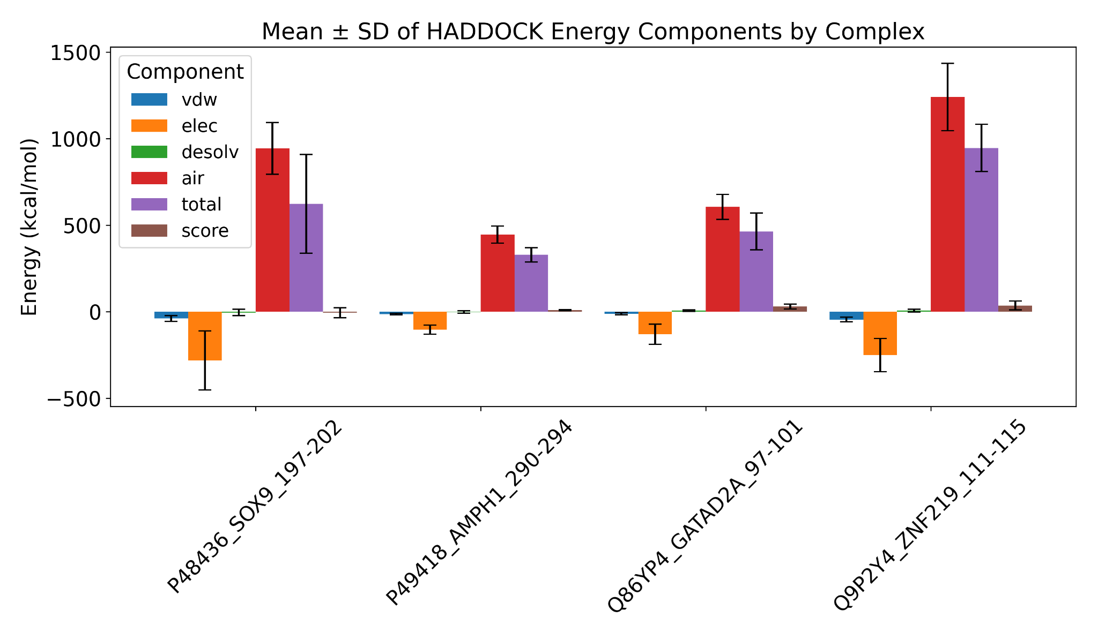
Supplementary Figure 1: Averaged HADDOCK3 energy components (in kcal/mol): van der Waals (vdW), electrostatics (Elec), desolvation (Desolv), and ambiguous interaction restraints (AIR) along with total energy and HADDOCK score, calculated across all models for each complex (see Supplementary Table 2). Values are reported as mean ± SD.

S-F2
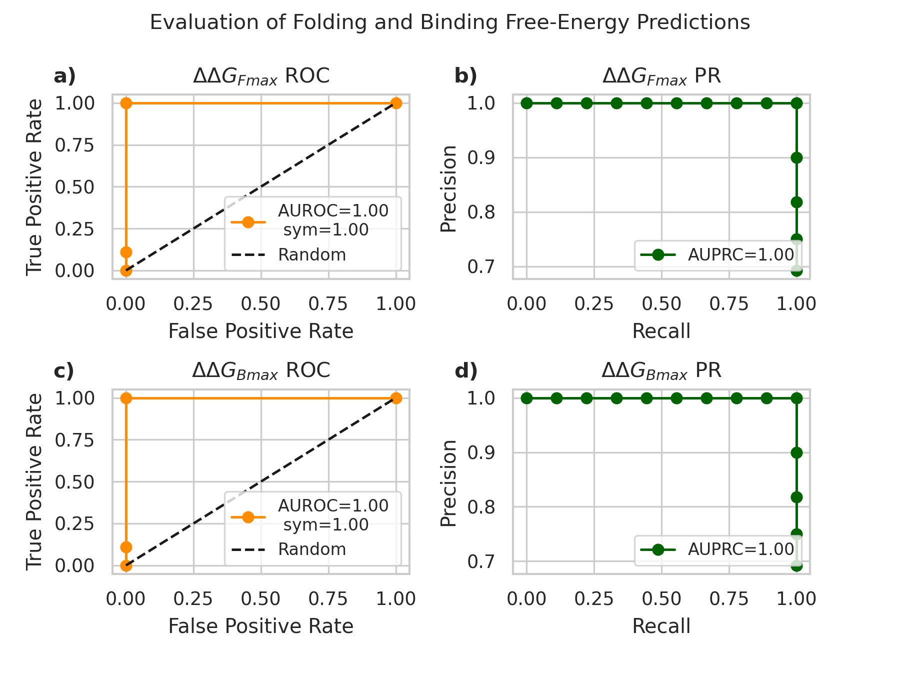

Supplementary Figure 2. Evaluation of folding (ΔΔG_Fmax) and binding (ΔΔG_Bmax) free-energy changes as predictors for germline CDKL5 variants. Panels (a, b) correspond to folding, and panels (c, d) correspond to binding predictions. Panels (a, c) show ROC curves with symmetrized AUROC (AUROC_sym) values accounting for label-flip invariance; panels (b, d) show precision-recall (PR) curves with AUPRC. Pre-defined thresholds (0.77 for folding, 0.88 for binding) were applied to reclassify variants lacking definitive germline assignment (e.g., “likely benign,” “likely pathogenic,” or variants of uncertain significance), rather than to optimize predictive performance. Balanced accuracy and MCC reported at these thresholds are also symmetrized to provide robust, label-invariant performance measures in the context of a small and imbalanced dataset (13 variants; 4 benign, 9 pathogenic). Due to the limited sample size, curves and metrics are intended to illustrate predictive trends rather than precise performance estimates. Due to the limited size of our dataset with clean significance labels (13 variants; 4 benign and 9 pathogenic), conventional cross-validation approaches were not feasible, as any random partitioning would produce test sets too small to yield stable estimates of predictive performance. To provide a robust assessment, we report label-flip–invariant metrics, including the symmetrized area under the ROC curve (AUROC_sym), balanced accuracy (Balanced_Accuracy_sym), and Matthews correlation coefficient (MCC_sym). These metrics capture the separability of folding (ΔΔG_Fmax) and binding (ΔΔG_Bmax) free-energy changes, which are used as predictors to distinguish benign from pathogenic variants, without being sensitive to class imbalance or the arbitrary assignment of positive/negative labels. Pre-defined thresholds (0.77 for folding, 0.88 for binding) were applied to reclassify variants lacking definitive germline assignment (e.g., “likely benign,” “likely pat

S-F3
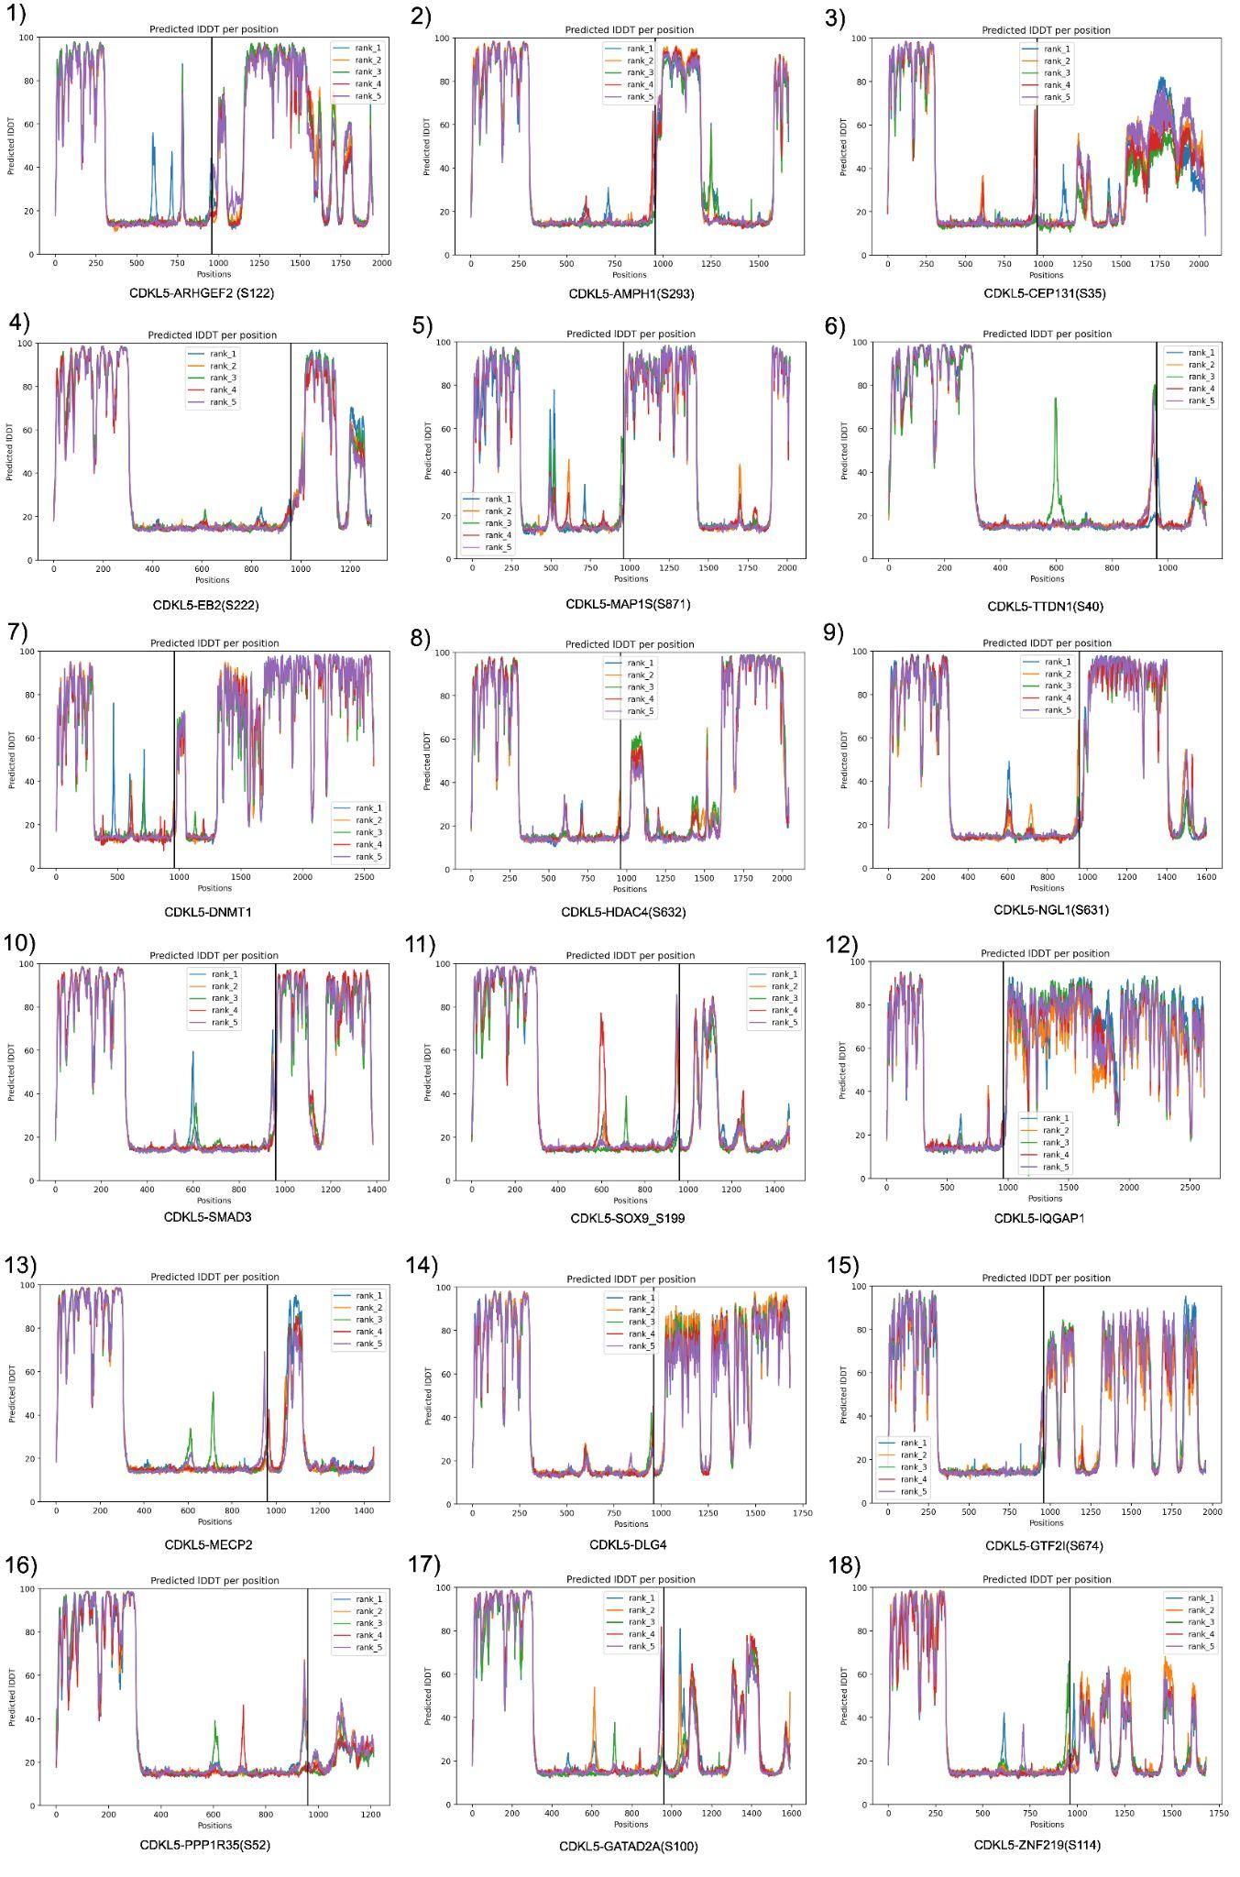
Supplementary Figure 3: pLDDT plot for colabfold-derived CDKL5-partner complexes. In all cases, we used the rank 1 model.

