Graph 1 - Bar Chart of Frequ
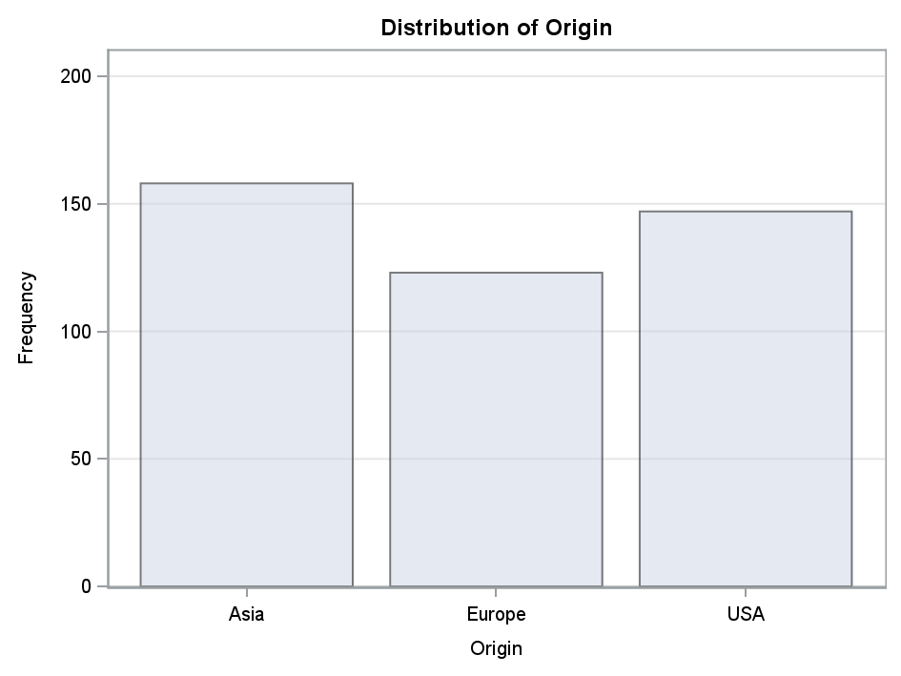

Graph 2 - Bar Chart of Cumul
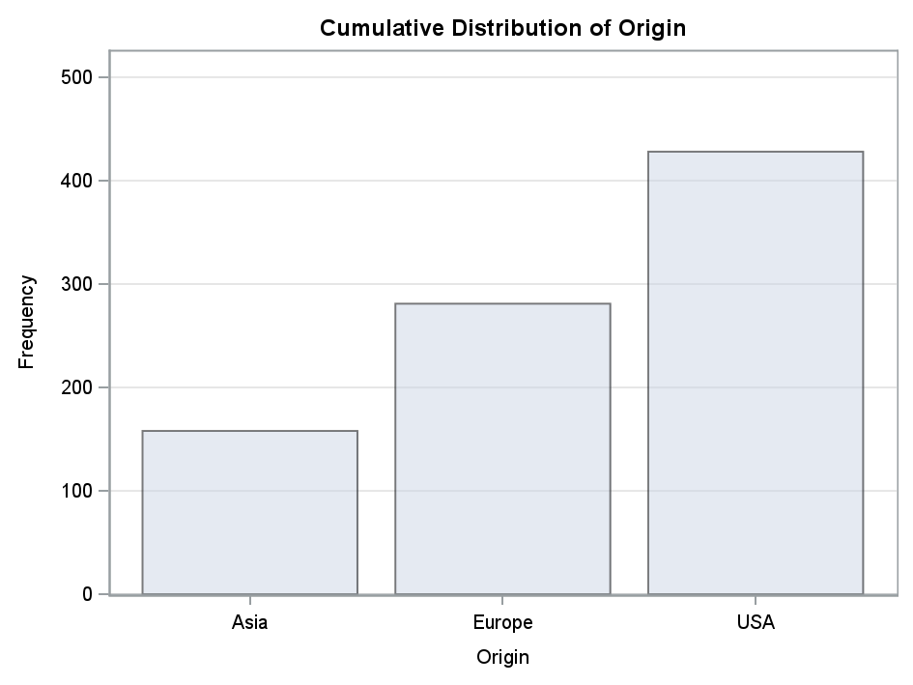

Graph 3 - The SGPanel Proced
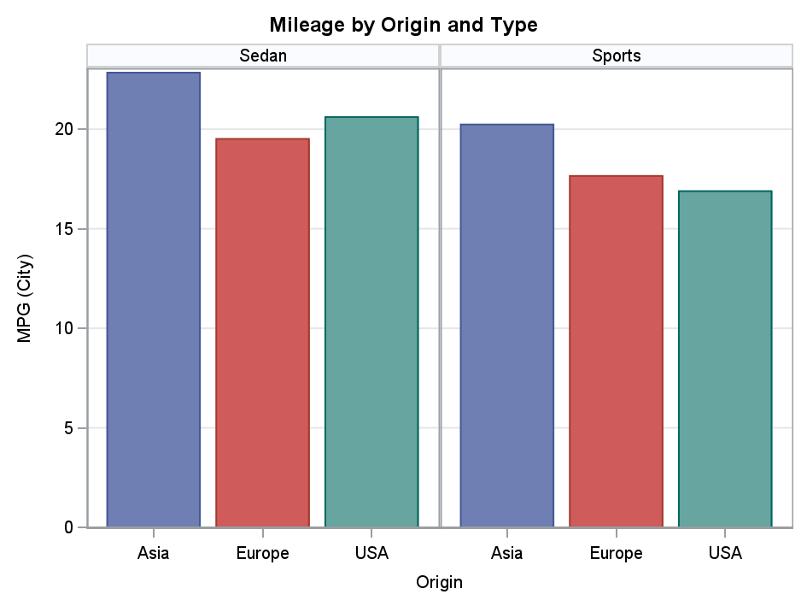

Graph 4 - The SGPlot Procedu
