Graph 1 - Bar Chart of Frequ
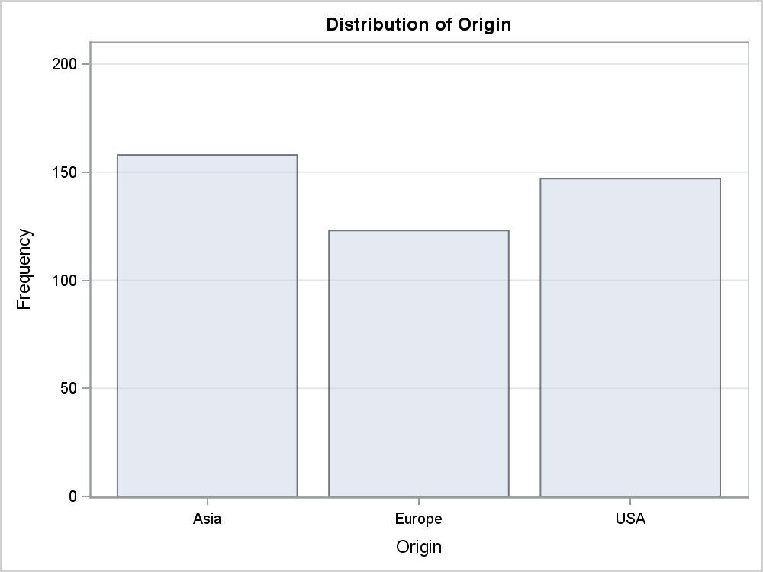
The FREQ Procedure

Graph 2 - Bar Chart of Cumul
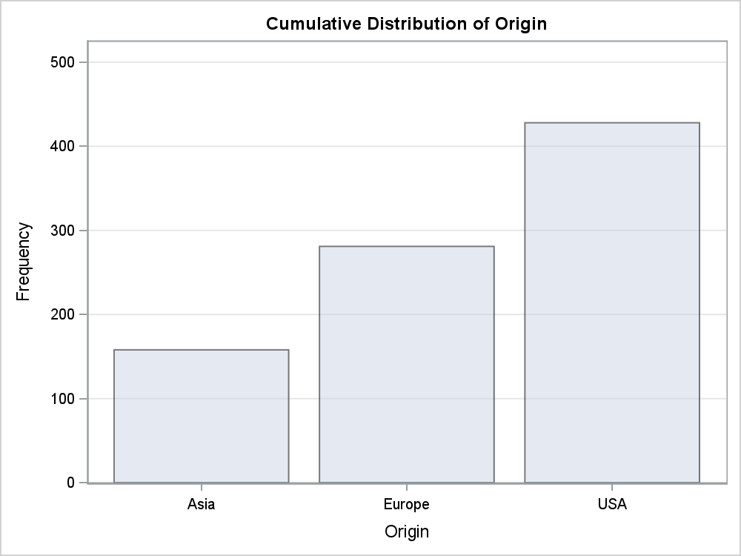
The FREQ Procedure

Graph 3 - The SGPanel Proced
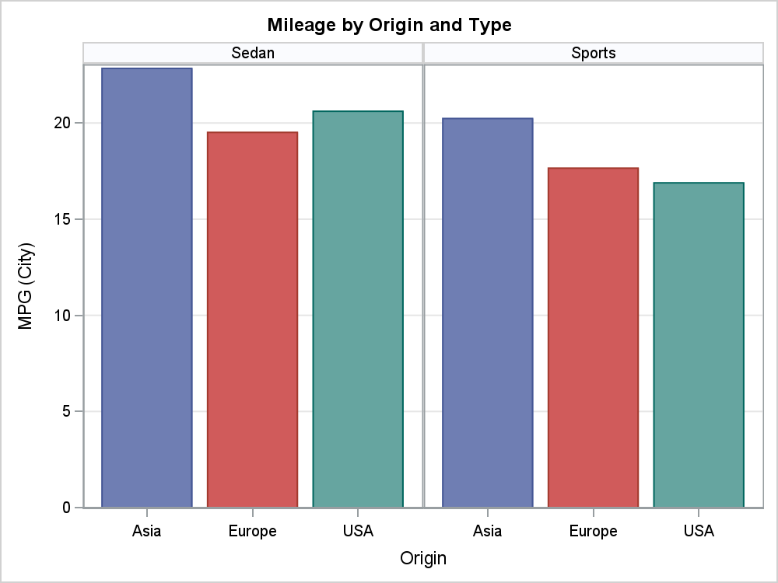

Graph 4 - The SGPlot Procedu
