Sheet6
Row Labels | Count of CRIMINAL CASES
10th Pass | 196
12th Pass | 256 | Graduate or Above | 63%
5th Pass | 28 | Below graduate level | 27%
Criminal cases against candidates
8th Pass | 78
Doctorate | 73
Education
Graduate | 441
Graduate Professional | 336
Illiterate | 5
Literate | 30
Not Available | 22
Others | 50
Post Graduate | 502
Grand Total | 2017

dashboard
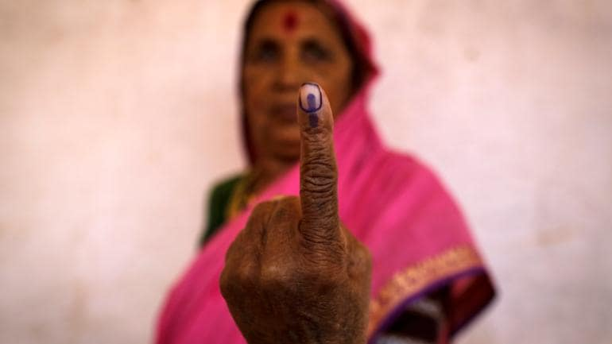
DATASTORY
On
How Indians voted in
2k19??

-Pavan Elisetty



CANDIDATE ANALYSIS
Education
Graduate or Above | 63%
Below graduate level | 27%

27%

Criminal cases against candidates
 | Total
10th Pass | 196
12th Pass | 256
5th Pass | 28
8th Pass | 78
Doctorate | 73
Graduate | 441
Graduate Professional | 336
Illiterate | 5
Literate | 30
Not Available | 22
Others | 50
Post Graduate | 502

of the candidates has eduation level as less than graduation


3000+

Cases registered against candidates

of which more than 50%are against people with heighest education

CANDIDATE ANALYSIS

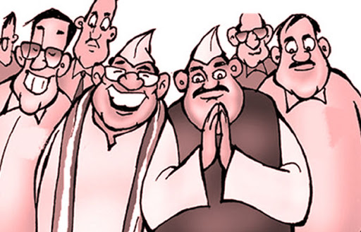

54 Years
"A rich peoples club is governing a large
poor country "

Average age of a indian lawmaker
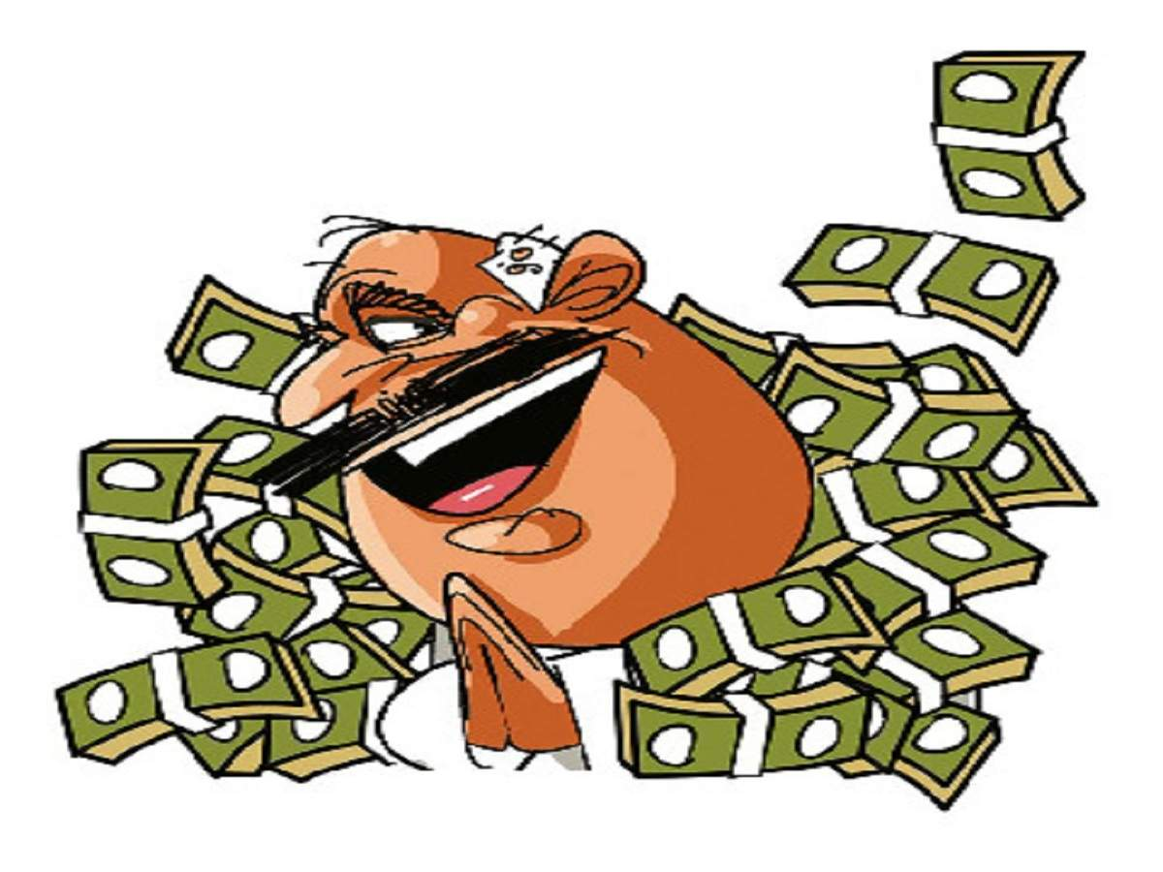

86%

of the indian lawmakers are crorepatis

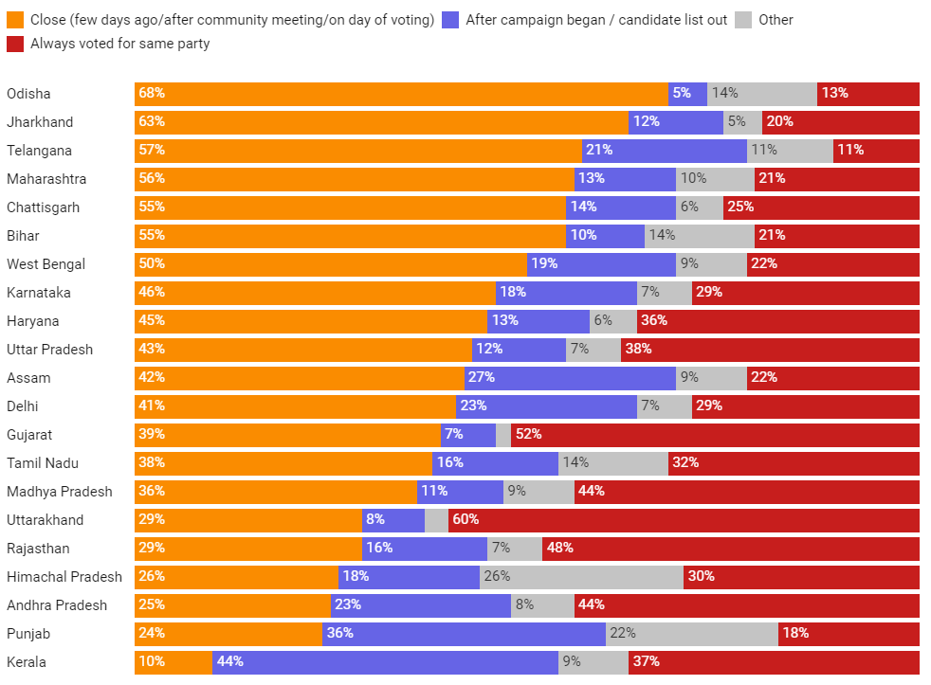
VOTER ANALYSIS

When did they take their decision to
vote for a particular candidate or a party?

45%

People decided just days before election day

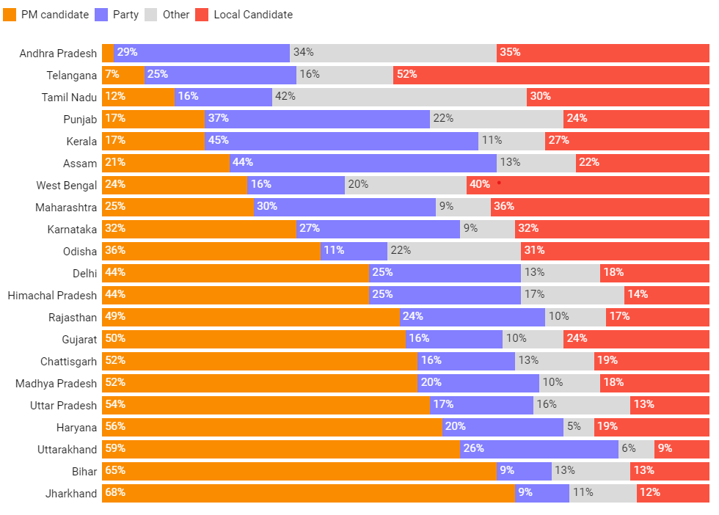
VOTER ANALYSIS

What was the most important factor while
they were voting?

37%

Said their presidential candidate is the main factor while voting

