Summary
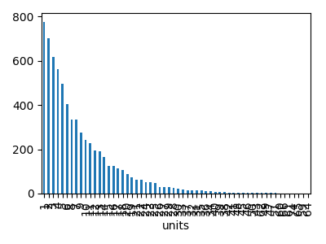
 | units | price | revenue
count | 6722 | 6722 | 6722
mean | 8.592829515 | 30.054901815 | 258.95608747
std | 8.0460341802 | 8.0362419552 | 264.31113023
min | 1 | 1.35 | 1.35
25% | 3 | 24.53 | 78.97
50% | 6 | 30.18 | 173.08
75% | 12 | 35.48 | 342.36
max | 74 | 58.35 | 2956.3

