Analysis Charts
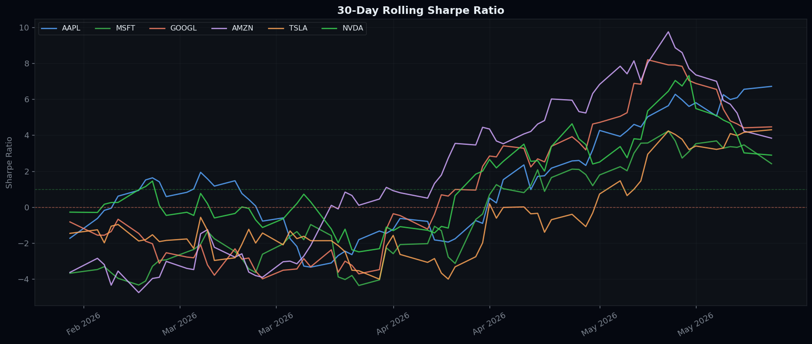
📊 VISUAL ANALYSIS CHARTS

Normalised Price Performance
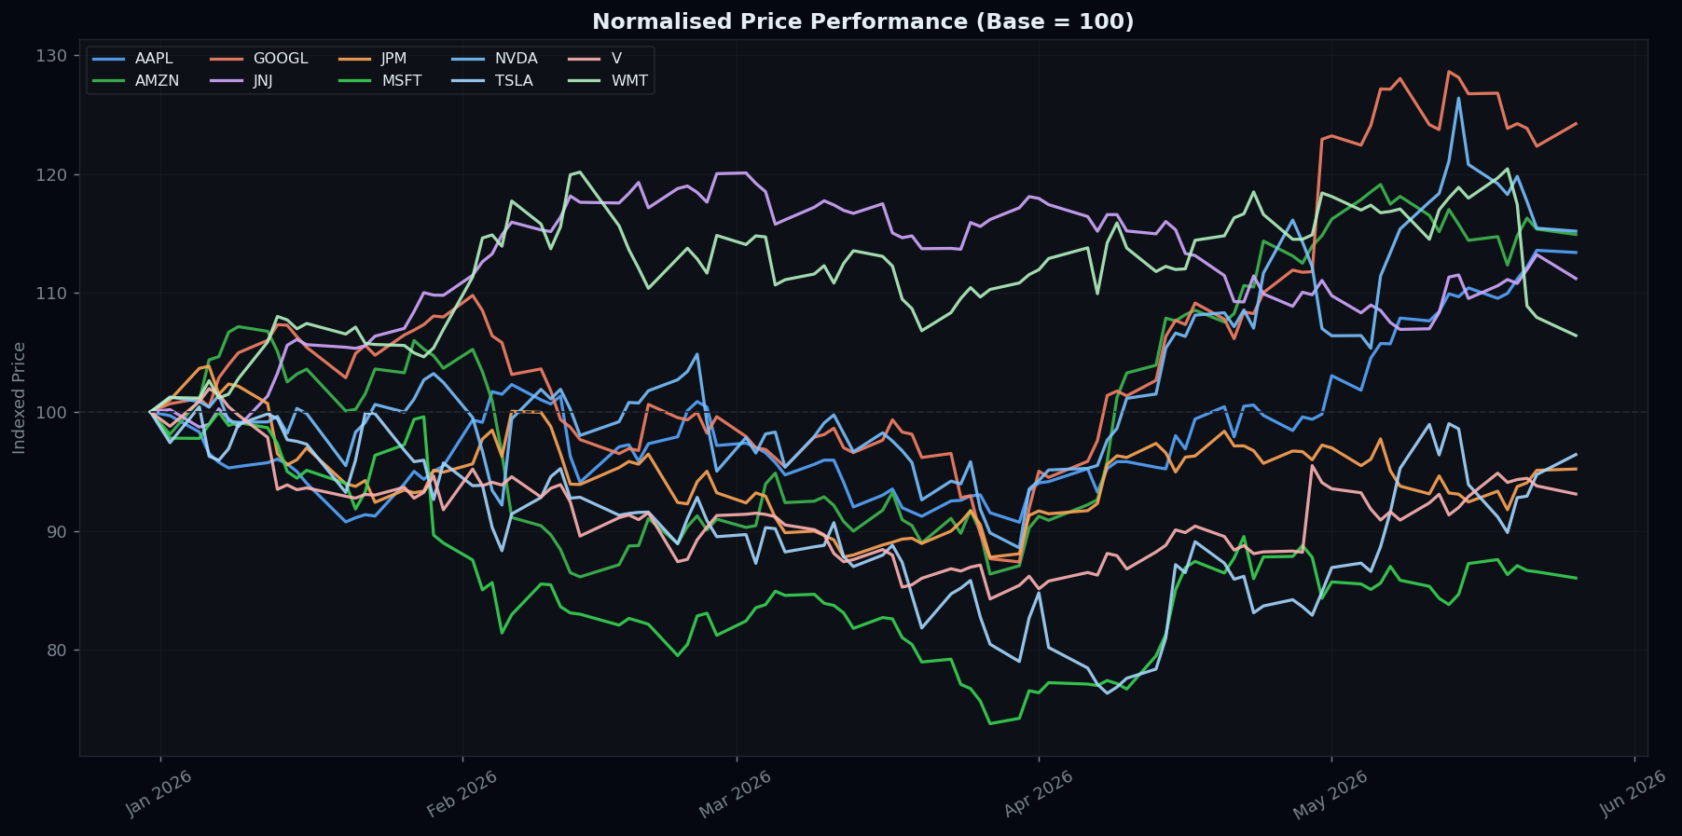

Monthly Returns Heatmap
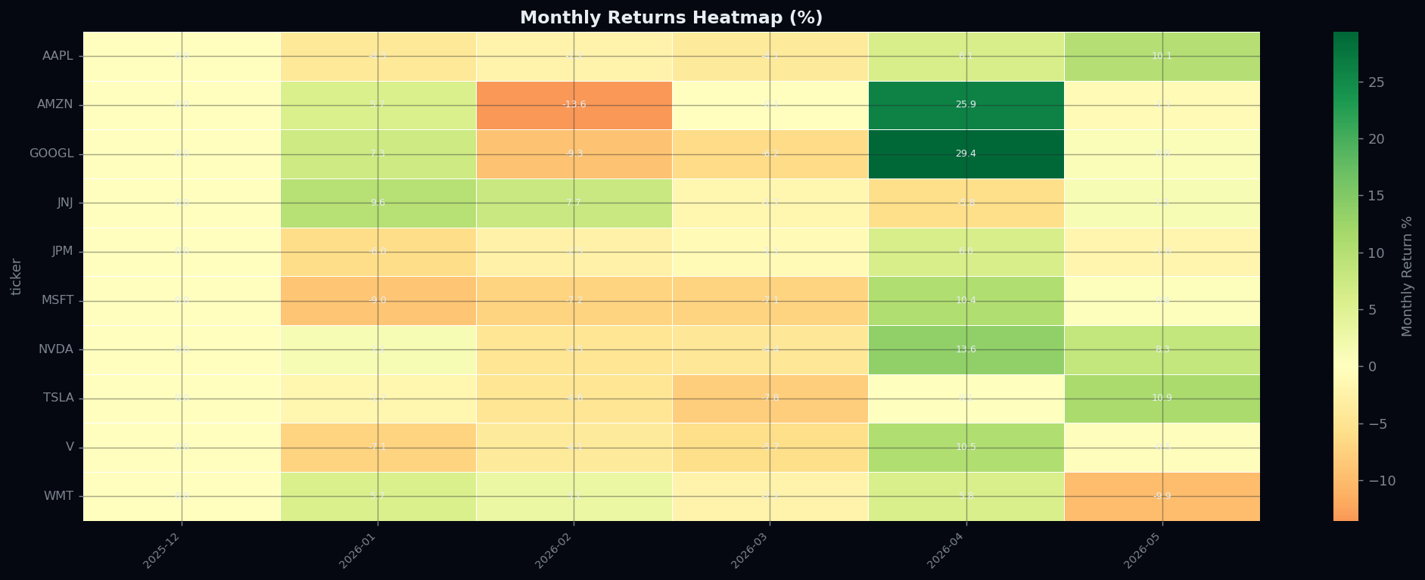

Risk-Return Scatter | Correlation Matrix
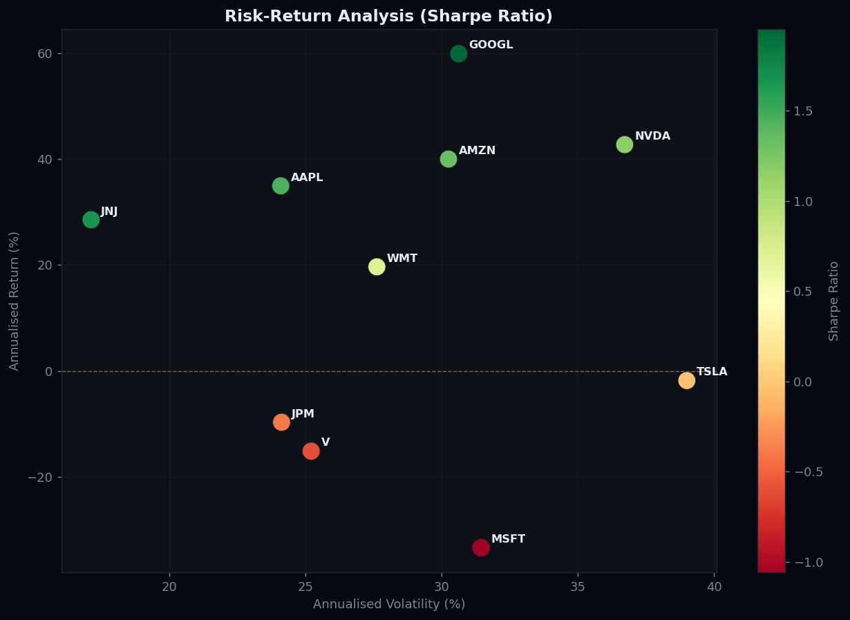
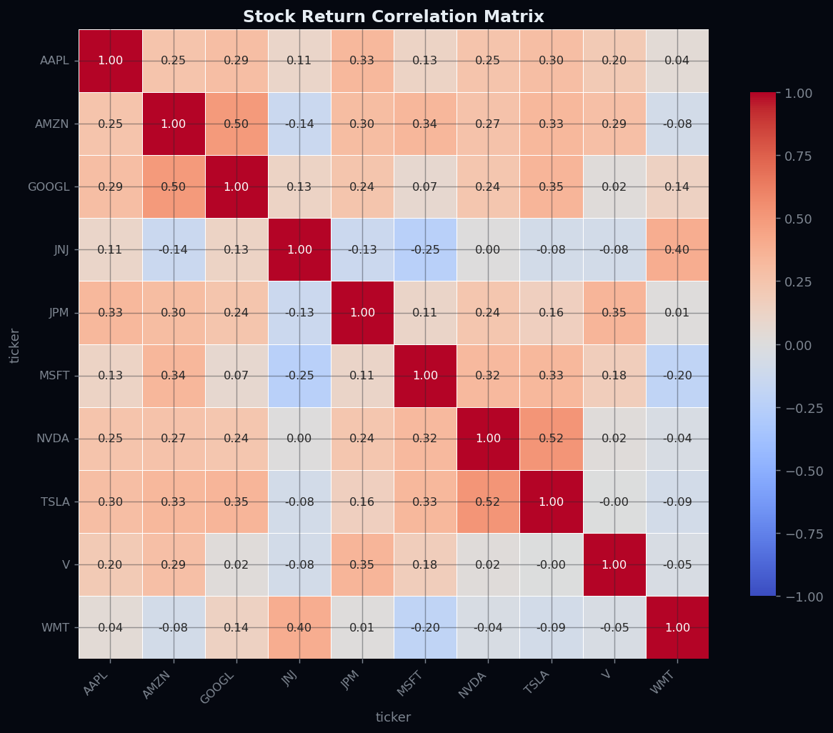

Price & Volume — Top 4
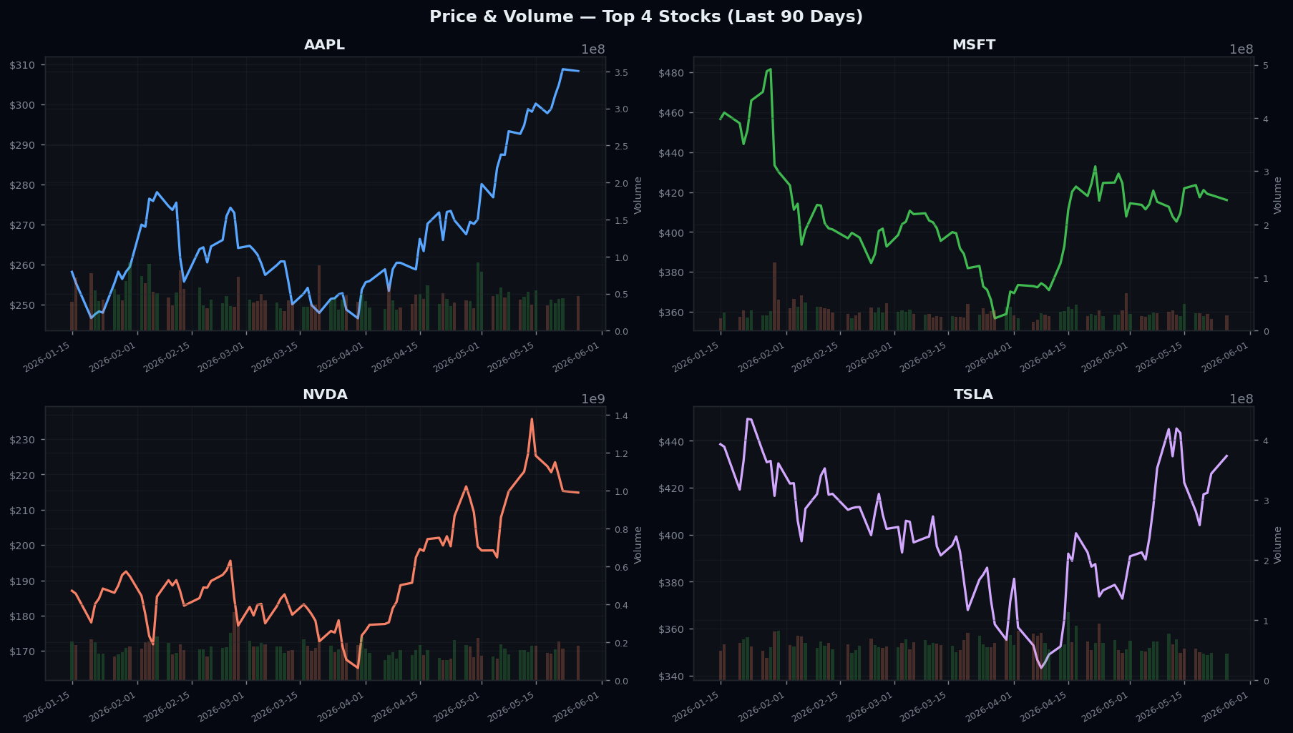

Rolling Sharpe Ratio

