Ratings
Code | Set | Variant | Concept | Card | Name | Category | Image | Rating (1-5) | Comment (optional) | Full size
LC-A01 | Love in the City | A | First Date: classic date props and the city spots where it happens | A01 | Rose Bouquet | 1 | 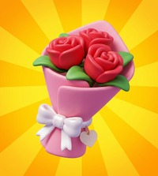 | 5 |  | open
LC-A02 | Love in the City | A | First Date: classic date props and the city spots where it happens | A02 | Rotary Phone | 3 | 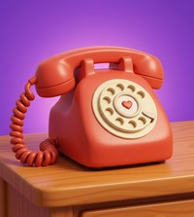 | 5 |  | open
LC-A03 | Love in the City | A | First Date: classic date props and the city spots where it happens | A03 | City Taxi | 4 | 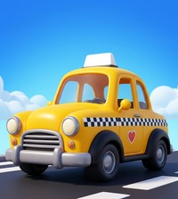 | 5 |  | open
LC-A04 | Love in the City | A | First Date: classic date props and the city spots where it happens | A04 | Heart Cupcake | 2 | 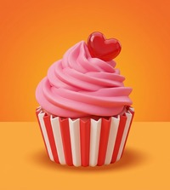 | 3 |  | open
LC-A05 | Love in the City | A | First Date: classic date props and the city spots where it happens | A05 | Heart Chocolates | 1 |  | 5 |  | open
LC-A06 | Love in the City | A | First Date: classic date props and the city spots where it happens | A06 | Park Bench | 4 | 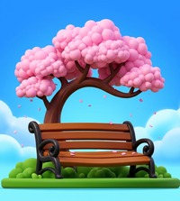 | 3 | Overall good but it seems like it is floating in the air instead of terrain | open
LC-A07 | Love in the City | A | First Date: classic date props and the city spots where it happens | A07 | Record Player | 3 | 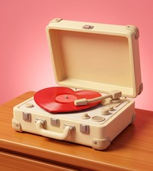 | 4 | Maybe less details on object would be nice, everything else is perfect (colors, idea, etc) | open
LC-A08 | Love in the City | A | First Date: classic date props and the city spots where it happens | A08 | Love Letter | 1 |  | 5 |  | open
LC-A09 | Love in the City | A | First Date: classic date props and the city spots where it happens | A09 | Perfume | 2 | 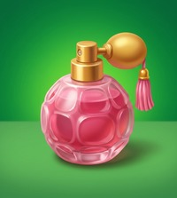 | 4 |  | open
LC-A10 | Love in the City | A | First Date: classic date props and the city spots where it happens | A10 | Flower Kiosk | 4 | 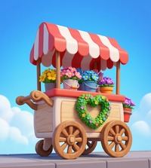 | 5 |  | open
LC-B01 | Love in the City | B | Meet-Cute: chance encounters around town | B01 | Red Umbrella | 1 | 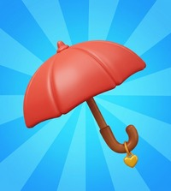 | 5 |  | open
LC-B02 | Love in the City | B | Meet-Cute: chance encounters around town | B02 | Typewriter | 3 |  | 4 | Too many details | open
LC-B03 | Love in the City | B | Meet-Cute: chance encounters around town | B03 | Vintage Scooter | 4 | 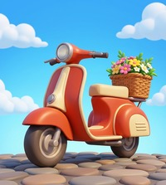 | 5 |  | open
LC-B04 | Love in the City | B | Meet-Cute: chance encounters around town | B04 | Heart Balloon | 1 |  | 3 |  | open
LC-B05 | Love in the City | B | Meet-Cute: chance encounters around town | B05 | Matching Mugs | 2 | 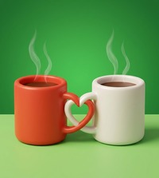 | 4 | Steam is far from ref (should be more realistic) | open
LC-B06 | Love in the City | B | Meet-Cute: chance encounters around town | B06 | Cafe Table | 4 | 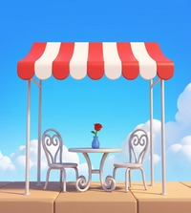 | 4 |  | open
LC-B07 | Love in the City | B | Meet-Cute: chance encounters around town | B07 | Engagement Ring | 1 | 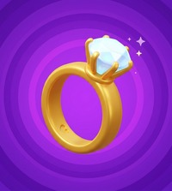 | 5 |  | open
LC-B08 | Love in the City | B | Meet-Cute: chance encounters around town | B08 | Tulip Bucket | 3 | 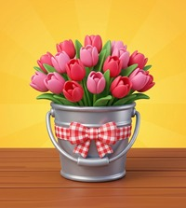 | 4 |  | open
LC-B09 | Love in the City | B | Meet-Cute: chance encounters around town | B09 | Heart Glasses | 2 | 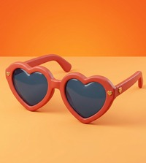 | 4 | Color blending a bit | open
LC-B10 | Love in the City | B | Meet-Cute: chance encounters around town | B10 | Love Locks | 4 | 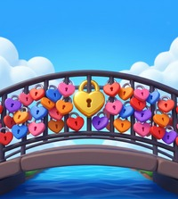 | 5 |  | open
LC-C01 | Love in the City | C | Happily Ever After: the wedding finale | C01 | Wedding Rings | 1 | 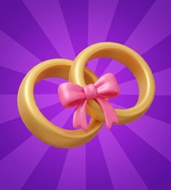 | 3 | Idea is great but rings looks like plastic more than like a metal | open
LC-C02 | Love in the City | C | Happily Ever After: the wedding finale | C02 | Wedding Cake | 3 | 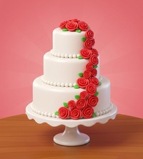 | 4 | Too many details, maybe roses should be more simplistic | open
LC-C03 | Love in the City | C | Happily Ever After: the wedding finale | C03 | Wedding Car | 4 | 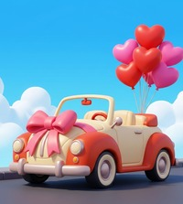 | 4 |  | open
LC-C04 | Love in the City | C | Happily Ever After: the wedding finale | C04 | Red Heel | 2 | 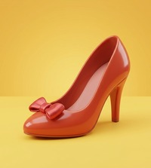 | 5 |  | open
LC-C05 | Love in the City | C | Happily Ever After: the wedding finale | C05 | Bridal Bouquet | 1 | 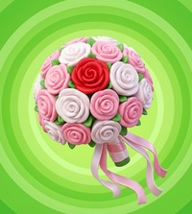 | 2 | Too detailed, background like this is not in any ref | open
LC-C06 | Love in the City | C | Happily Ever After: the wedding finale | C06 | Garden Gazebo | 4 | 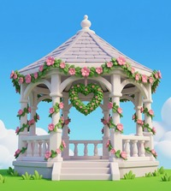 | 3 | Too detailed | open
LC-C07 | Love in the City | C | Happily Ever After: the wedding finale | C07 | Tiara | 1 | 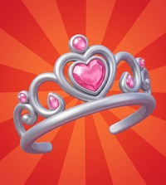 | 4 |  | open
LC-C08 | Love in the City | C | Happily Ever After: the wedding finale | C08 | Gift Box | 3 |  | 4 |  | open
LC-C09 | Love in the City | C | Happily Ever After: the wedding finale | C09 | Heart Candles | 2 | 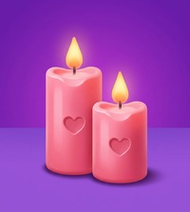 | 4 |  | open
LC-C10 | Love in the City | C | Happily Ever After: the wedding finale | C10 | Chapel Bell | 4 |  | 5 |  | open
PP-A01 | Picture-Perfect Suburbia | A | Home Sweet Home: the dream house and its gadgets | A01 | Pop-up Toaster | 1 | 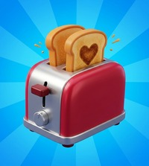 | 4 |  | open
PP-A02 | Picture-Perfect Suburbia | A | Home Sweet Home: the dream house and its gadgets | A02 | Retro TV | 3 |  | 5 |  | open
PP-A03 | Picture-Perfect Suburbia | A | Home Sweet Home: the dream house and its gadgets | A03 | Dream House | 4 | 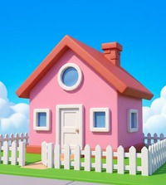 | 5 |  | open
PP-A04 | Picture-Perfect Suburbia | A | Home Sweet Home: the dream house and its gadgets | A04 | Jelly Mould | 2 | 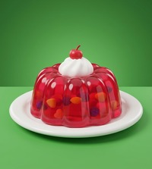 | 5 |  | open
PP-A05 | Picture-Perfect Suburbia | A | Home Sweet Home: the dream house and its gadgets | A05 | Milk Bottle | 1 | 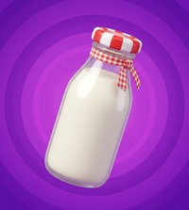 | 3 |  | open
PP-A06 | Picture-Perfect Suburbia | A | Home Sweet Home: the dream house and its gadgets | A06 | Mailbox | 4 |  | 5 |  | open
PP-A07 | Picture-Perfect Suburbia | A | Home Sweet Home: the dream house and its gadgets | A07 | Stand Mixer | 3 | 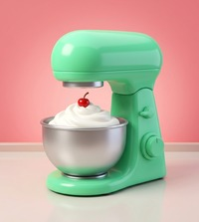 | 4 |  | open
PP-A08 | Picture-Perfect Suburbia | A | Home Sweet Home: the dream house and its gadgets | A08 | Hula Hoop | 1 | 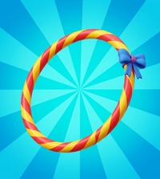 | 2 |  | open
PP-A09 | Picture-Perfect Suburbia | A | Home Sweet Home: the dream house and its gadgets | A09 | TV Dinner | 2 | 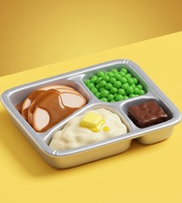 | 3 |  | open
PP-A10 | Picture-Perfect Suburbia | A | Home Sweet Home: the dream house and its gadgets | A10 | Station Wagon | 4 | 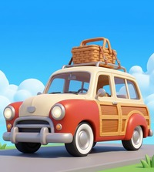 | 5 |  | open
PP-B01 | Picture-Perfect Suburbia | B | Saturday in the Suburbs: diner, drive-in and teen fun | B01 | Poodle Skirt | 1 | 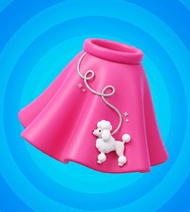 | 3 | Texture does not look like cloth | open
PP-B02 | Picture-Perfect Suburbia | B | Saturday in the Suburbs: diner, drive-in and teen fun | B02 | Jukebox | 3 | 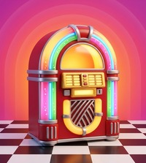 | 4 |  | open
PP-B03 | Picture-Perfect Suburbia | B | Saturday in the Suburbs: diner, drive-in and teen fun | B03 | Drive-In | 4 | 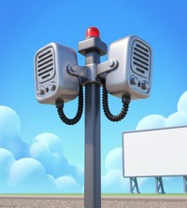 | 5 |  | open
PP-B04 | Picture-Perfect Suburbia | B | Saturday in the Suburbs: diner, drive-in and teen fun | B04 | Milkshake | 2 | 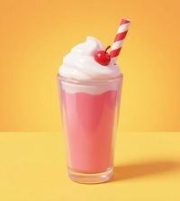 | 4 |  | open
PP-B05 | Picture-Perfect Suburbia | B | Saturday in the Suburbs: diner, drive-in and teen fun | B05 | Roller Skates | 1 | 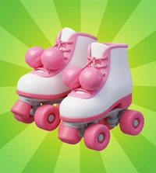 | 4 |  | open
PP-B06 | Picture-Perfect Suburbia | B | Saturday in the Suburbs: diner, drive-in and teen fun | B06 | Lawn Flamingos | 4 | 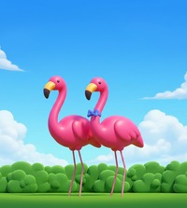 | 4 |  | open
PP-B07 | Picture-Perfect Suburbia | B | Saturday in the Suburbs: diner, drive-in and teen fun | B07 | Gumball Machine | 3 | 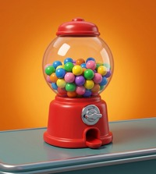 | 4 |  | open
PP-B08 | Picture-Perfect Suburbia | B | Saturday in the Suburbs: diner, drive-in and teen fun | B08 | Pocket Radio | 1 | 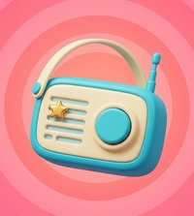 | 4 |  | open
PP-B09 | Picture-Perfect Suburbia | B | Saturday in the Suburbs: diner, drive-in and teen fun | B09 | Saddle Shoes | 2 | 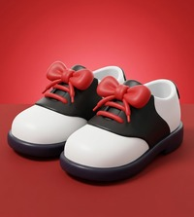 | 5 |  | open
PP-B10 | Picture-Perfect Suburbia | B | Saturday in the Suburbs: diner, drive-in and teen fun | B10 | Backyard Grill | 4 | 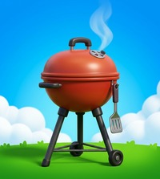 | 5 |  | open
PP-C01 | Picture-Perfect Suburbia | C | Household Hijinks: chores and gadgets behind the sitcom gags | C01 | Feather Duster | 1 | 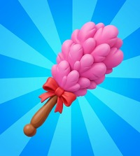 | 2 |  | open
PP-C02 | Picture-Perfect Suburbia | C | Household Hijinks: chores and gadgets behind the sitcom gags | C02 | Washing Machine | 3 | 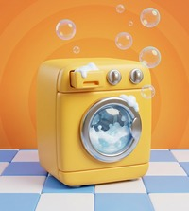 | 4 |  | open
PP-C03 | Picture-Perfect Suburbia | C | Household Hijinks: chores and gadgets behind the sitcom gags | C03 | Sprinkler | 4 | 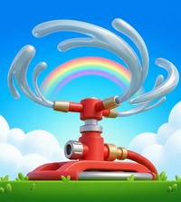 | 2 | Water does not look like water | open
PP-C04 | Picture-Perfect Suburbia | C | Household Hijinks: chores and gadgets behind the sitcom gags | C04 | Casserole | 2 | 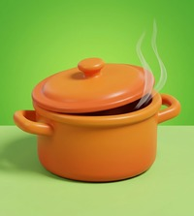 | 3 | Not enough details, not obvious it is Casserole | open
PP-C05 | Picture-Perfect Suburbia | C | Household Hijinks: chores and gadgets behind the sitcom gags | C05 | Alarm Clock | 1 | 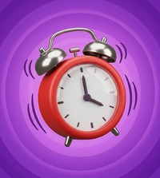 | 3 |  | open
PP-C06 | Picture-Perfect Suburbia | C | Household Hijinks: chores and gadgets behind the sitcom gags | C06 | Paperboy Bike | 4 | 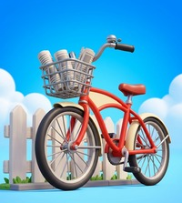 | 3 | Terrain is missing | open
PP-C07 | Picture-Perfect Suburbia | C | Household Hijinks: chores and gadgets behind the sitcom gags | C07 | Vacuum Cleaner | 3 | 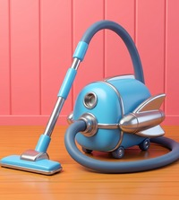 | 3 |  | open
PP-C08 | Picture-Perfect Suburbia | C | Household Hijinks: chores and gadgets behind the sitcom gags | C08 | Polka-Dot Apron | 1 | 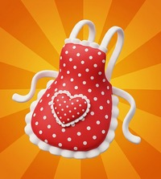 | 3 | Background could be different color so image would be happier | open
PP-C09 | Picture-Perfect Suburbia | C | Household Hijinks: chores and gadgets behind the sitcom gags | C09 | Ice Cream Sundae | 2 |  | 4 |  | open
PP-C10 | Picture-Perfect Suburbia | C | Household Hijinks: chores and gadgets behind the sitcom gags | C10 | Lemonade Stand | 4 |  | 4 |  | open
OG-A01 | Once Upon a Garden | A | Enchanted Garden: magic plants and fairy homes | A01 | Magic Wand | 1 |  | 4 |  | open
OG-A02 | Once Upon a Garden | A | Enchanted Garden: magic plants and fairy homes | A02 | Fairy Lantern | 3 |  | 4 |  | open
OG-A03 | Once Upon a Garden | A | Enchanted Garden: magic plants and fairy homes | A03 | Toadstool House | 4 |  | 5 |  | open
OG-A04 | Once Upon a Garden | A | Enchanted Garden: magic plants and fairy homes | A04 | Magic Beans | 2 |  | 5 |  | open
OG-A05 | Once Upon a Garden | A | Enchanted Garden: magic plants and fairy homes | A05 | Golden Apple | 1 |  | 4 |  | open
OG-A06 | Once Upon a Garden | A | Enchanted Garden: magic plants and fairy homes | A06 | Beanstalk | 4 |  | 5 |  | open
OG-A07 | Once Upon a Garden | A | Enchanted Garden: magic plants and fairy homes | A07 | Spinning Wheel | 3 |  | 4 |  | open
OG-A08 | Once Upon a Garden | A | Enchanted Garden: magic plants and fairy homes | A08 | Crystal Ball | 1 |  | 4 |  | open
OG-A09 | Once Upon a Garden | A | Enchanted Garden: magic plants and fairy homes | A09 | Pocket Watch | 2 |  | 5 |  | open
OG-A10 | Once Upon a Garden | A | Enchanted Garden: magic plants and fairy homes | A10 | Wishing Well | 4 |  | 4 |  | open
OG-B01 | Once Upon a Garden | B | Royal Tale: the castle, the crown and the royal treasures | B01 | Golden Crown | 1 |  | 3 |  | open
OG-B02 | Once Upon a Garden | B | Royal Tale: the castle, the crown and the royal treasures | B02 | Magic Mirror | 3 |  | 5 |  | open
OG-B03 | Once Upon a Garden | B | Royal Tale: the castle, the crown and the royal treasures | B03 | Tower Braid | 4 |  | 3 | Hair is weird | open
OG-B04 | Once Upon a Garden | B | Royal Tale: the castle, the crown and the royal treasures | B04 | Enchanted Apple | 2 |  | 4 | Background color could be better | open
OG-B05 | Once Upon a Garden | B | Royal Tale: the castle, the crown and the royal treasures | B05 | Golden Key | 1 |  | 3 |  | open
OG-B06 | Once Upon a Garden | B | Royal Tale: the castle, the crown and the royal treasures | B06 | Pumpkin Coach | 4 |  | 3 | Overdetailed | open
OG-B07 | Once Upon a Garden | B | Royal Tale: the castle, the crown and the royal treasures | B07 | Golden Harp | 3 |  | 4 |  | open
OG-B08 | Once Upon a Garden | B | Royal Tale: the castle, the crown and the royal treasures | B08 | Potion Bottle | 1 |  | 5 |  | open
OG-B09 | Once Upon a Garden | B | Royal Tale: the castle, the crown and the royal treasures | B09 | Golden Egg | 2 |  | 5 |  | open
OG-B10 | Once Upon a Garden | B | Royal Tale: the castle, the crown and the royal treasures | B10 | Gingerbread House | 4 |  | 5 |  | open
OG-C01 | Once Upon a Garden | C | Wonderland Tea Party: the topsy-turvy garden party | C01 | Top Hat | 1 |  | 5 |  | open
OG-C02 | Once Upon a Garden | C | Wonderland Tea Party: the topsy-turvy garden party | C02 | Flower Teapot | 3 |  | 5 |  | open
OG-C03 | Once Upon a Garden | C | Wonderland Tea Party: the topsy-turvy garden party | C03 | Hedge Maze | 4 |  | 4 |  | open
OG-C04 | Once Upon a Garden | C | Wonderland Tea Party: the topsy-turvy garden party | C04 | Croquet Set | 2 |  | 4 |  | open
OG-C05 | Once Upon a Garden | C | Wonderland Tea Party: the topsy-turvy garden party | C05 | Rabbit Watch | 1 |  | 4 | Color blending a bit | open
OG-C06 | Once Upon a Garden | C | Wonderland Tea Party: the topsy-turvy garden party | C06 | Tea Party Table | 4 |  | 3 | Some detail missing that it is more like Wonderland | open
OG-C07 | Once Upon a Garden | C | Wonderland Tea Party: the topsy-turvy garden party | C07 | Tiny Door | 3 |  | 3 | Door could be smaller | open
OG-C08 | Once Upon a Garden | C | Wonderland Tea Party: the topsy-turvy garden party | C08 | Paint the Roses | 1 |  | 5 | Nice idea | open
OG-C09 | Once Upon a Garden | C | Wonderland Tea Party: the topsy-turvy garden party | C09 | Jam Tarts | 2 |  | 3 |  | open
OG-C10 | Once Upon a Garden | C | Wonderland Tea Party: the topsy-turvy garden party | C10 | Teapot House | 4 |  | 5 |  | open
LI-A01 | The Lost Island | A | Shipwrecked: arriving on the island and settling in | A01 | Brass Compass | 1 |  | 5 |  | open
LI-A02 | The Lost Island | A | Shipwrecked: arriving on the island and settling in | A02 | Coconut Cups | 3 |  | 5 |  | open
LI-A03 | The Lost Island | A | Shipwrecked: arriving on the island and settling in | A03 | Hot Air Balloon | 4 |  | 4 |  | open
LI-A04 | The Lost Island | A | Shipwrecked: arriving on the island and settling in | A04 | Pineapple | 2 |  | 3 |  | open
LI-A05 | The Lost Island | A | Shipwrecked: arriving on the island and settling in | A05 | Conch Shell | 1 |  | 2 |  | open
LI-A06 | The Lost Island | A | Shipwrecked: arriving on the island and settling in | A06 | Rope Bridge | 4 |  | 3 |  | open
LI-A07 | The Lost Island | A | Shipwrecked: arriving on the island and settling in | A07 | Explorer Hat | 3 |  | 4 |  | open
LI-A08 | The Lost Island | A | Shipwrecked: arriving on the island and settling in | A08 | Ruby Gem | 1 |  | 4 |  | open
LI-A09 | The Lost Island | A | Shipwrecked: arriving on the island and settling in | A09 | Pearl Oyster | 2 |  | 5 |  | open
LI-A10 | The Lost Island | A | Shipwrecked: arriving on the island and settling in | A10 | Treehouse | 4 |  | 3 |  | open
LI-B01 | The Lost Island | B | Jungle Expedition: into the heart of the island | B01 | Gold Coin | 1 |  | 2 | From first glance at it do not see connection to set | open
LI-B02 | The Lost Island | B | Jungle Expedition: into the heart of the island | B02 | Explorer Journal | 3 |  | 5 |  | open
LI-B03 | The Lost Island | B | Jungle Expedition: into the heart of the island | B03 | Seaplane | 4 |  | 4 |  | open
LI-B04 | The Lost Island | B | Jungle Expedition: into the heart of the island | B04 | Coconut Drink | 2 |  | 3 |  | open
LI-B05 | The Lost Island | B | Jungle Expedition: into the heart of the island | B05 | Hourglass | 1 |  | 3 | Colors could be different for sand, background and object | open
LI-B06 | The Lost Island | B | Jungle Expedition: into the heart of the island | B06 | Volcano Island | 4 |  | 3 | Mountain texture is weird | open
LI-B07 | The Lost Island | B | Jungle Expedition: into the heart of the island | B07 | Treasure Pot | 3 |  | 4 |  | open
LI-B08 | The Lost Island | B | Jungle Expedition: into the heart of the island | B08 | Banana Bunch | 1 |  | 5 |  | open
LI-B09 | The Lost Island | B | Jungle Expedition: into the heart of the island | B09 | Seashell Jar | 2 |  | 4 | Objects in jar could be more pronounced | open
LI-B10 | The Lost Island | B | Jungle Expedition: into the heart of the island | B10 | Jungle Temple | 4 |  | 4 | Good styling but it does not always have to be blue sky? Check all given references on Miro for this category | open
LI-C01 | The Lost Island | C | Treasure Hunt: digging up the reward | C01 | Shovel | 1 |  | 3 |  | open
LI-C02 | The Lost Island | C | Treasure Hunt: digging up the reward | C02 | Storm Lantern | 3 |  | 3 | Background color blending with light | open
LI-C03 | The Lost Island | C | Treasure Hunt: digging up the reward | C03 | X Marks the Spot | 4 |  | 5 | Idea and execution are great here | open
LI-C04 | The Lost Island | C | Treasure Hunt: digging up the reward | C04 | Ruby Necklace | 2 |  | 5 |  | open
LI-C05 | The Lost Island | C | Treasure Hunt: digging up the reward | C05 | Island Torch | 1 |  | 4 |  | open
LI-C06 | The Lost Island | C | Treasure Hunt: digging up the reward | C06 | Waterfall Cave | 4 |  | 4 | Could be waterfall in mountain, does not have to be sky? | open
LI-C07 | The Lost Island | C | Treasure Hunt: digging up the reward | C07 | Jewel Goblet | 3 |  | 4 |  | open
LI-C08 | The Lost Island | C | Treasure Hunt: digging up the reward | C08 | Bag of Gold | 1 |  | 4 |  | open
LI-C09 | The Lost Island | C | Treasure Hunt: digging up the reward | C09 | Fruit Basket | 2 |  | 4 |  | open
LI-C10 | The Lost Island | C | Treasure Hunt: digging up the reward | C10 | Palm Hammock | 4 |  | 4 |  | open

References
ID | Name | Category | Image
R1 | Bottle | 1 | 
R2 | Graduation Cap | 1 | 
R3 | Fan Fold | 1 | 
R4 | Tea Cup | 2 | 
R5 | Mojito | 2 | 
R6 | Beach Bag | 2 | 
R7 | Bumpers | 3 | 
R8 | Computer | 3 | 
R9 | Boxing Gloves | 3 | 
R10 | Lighthouse | 4 | 
R11 | Coaster | 4 | 
R12 | Ferris Wheel | 4 | 

