Offline Main Event - DE
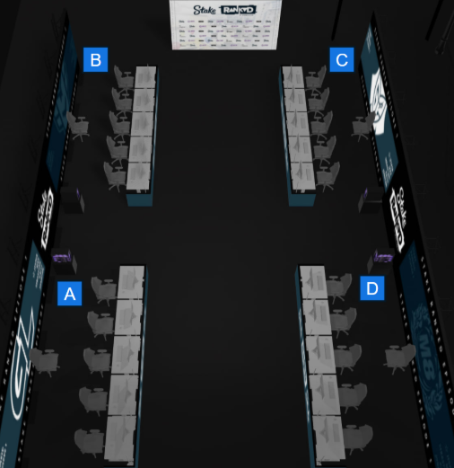
UB Quarterfinals | UB Semifinals | UB Final | Grand Final | LB Final | LB Round 3 | LB Round 2 | LB Round 1 | Schedule

paiN |  |  |  |  |  |  | paiN | Day 1 (Wednesday) - 15th of July
2026-02-01 | Phantom |  |  | Ninjas in Pyjamas |  |  | 0-2 | Teams expected time to Arrive | Earliest possible Match start time | Scheduled Start Time (CEST) | Series | Match | Stage
Phantom | 2026-02-01 |  |  | M13 | Bo3 18.07 | 14:00 |  | 3DMAX
 |  | HEROIC |  |  |  | 2-0 |  | 10:45:00 | 12:00:00 | 12:00:00 | Bo3 | NIP 2-0 K27 | AvB
3DMAX |  | 2026-01-02 |  |  | 3DMAX |  | 3DMAX | 12:30:00 | 14:00:00 | 14:30:00 | Bo3 | 3DMAX 1-2 HEROIC | CvD
2026-02-01 | HEROIC |  |  |  | M12 | Bo3 17.07 | 19:30 |  |  | 15:00:00 | 16:15:00 | 17:00:00 | Bo3 | Wildcard 0-2 Gentle Mates | AvB
HEROIC |  |  |  |  |  | Gentle Mates |  | 17:15:00 | 18:30:00 | 19:30:00 | Bo3 | paiN 0-2 Phantom | CvD
 |  |  | HEROIC
Ninjas in Pyjamas |  |  | M14 | Bo5 | 18.07 | 17:30 |  |  |  | K27 | Day 2 (Thursday) - 16th of July
2-0 | Ninjas in Pyjamas |  |  |  |  |  | 2-0 | Teams expected time to Arrive | Earliest possible Match start time | Scheduled Start Time (CEST) | Series | Match | Stage
K27 | 2-0 |  |  |  |  | K27
 |  | Ninjas in Pyjamas |  |  |  | 2-0 |  | 10:45:00 | 12:00:00 | 12:00:00 | Bo3 | M9 | K27 2-0 Wildcard | AvB
Wildcard |  |  |  |  | K27 |  | Wildcard | 12:30:00 | 14:00:00 | 14:30:00 | Bo3 | M8 | paiN 0-2 3DMAX | CvD
0-2 | Gentle Mates |  |  |  |  |  |  | 15:00:00 | 16:15:00 | 17:00:00 | Bo3 | M6 | Ninjas in Pyjamas 2-0 Gentle Mates | AvB
Gentle Mates |  |  |  |  |  | Phantom |  | 17:15:00 | 18:30:00 | 19:30:00 | Bo3 | M5 | Phantom 1-2 HEROIC | CvD

 |  |  |  |  |  |  |  | Day 3 (Friday) - 17th of July
 |  |  |  |  |  |  |  | Teams expected time to Arrive | Earliest possible Match start time | Scheduled Start Time (CEST) | Series | Match | Stage

 |  |  |  |  |  |  |  | 10:45:00 | 12:00:00 | 12:00:00 | Bo3 | M10 | 3DMAX 2-0 Gentle Mates | AvB
 |  |  |  |  |  |  |  | 12:30:00 | 14:00:00 | 14:30:00 | Bo3 | M11 | K27 2-0 Phantom | CvD
 |  |  |  |  |  |  |  | 15:00:00 | 16:15:00 | 17:00:00 | Bo3 | M7 | HEROIC 2-1 Ninjas in Pyjamas | AvB
 |  |  |  |  |  |  |  | 17:15:00 | 18:30:00 | 19:30:00 | Bo3 | M12 | K27 vs 3DMAX | CvD

 |  |  |  |  |  |  |  | Day 4 (Saturday) - 18th of July
 |  |  |  |  |  |  |  | Teams expected time to Arrive | Earliest possible Match start time | Scheduled Start Time (CEST) | Series | Match | Stage

 |  |  |  |  |  |  |  | 12:45:00 | 14:00:00 | 14:00:00 | Bo3 | M13 | Ninjas in Pyjamas vs Winner M12 | AvB
 |  |  |  |  |  |  |  | 15:45:00 | 17:00:00 | 17:30:00 | Bo5 | M14 | HEROIC vs Winner M13

