Screen Shots
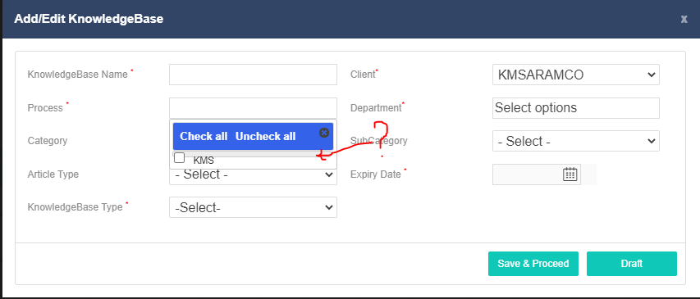

Fig. 1

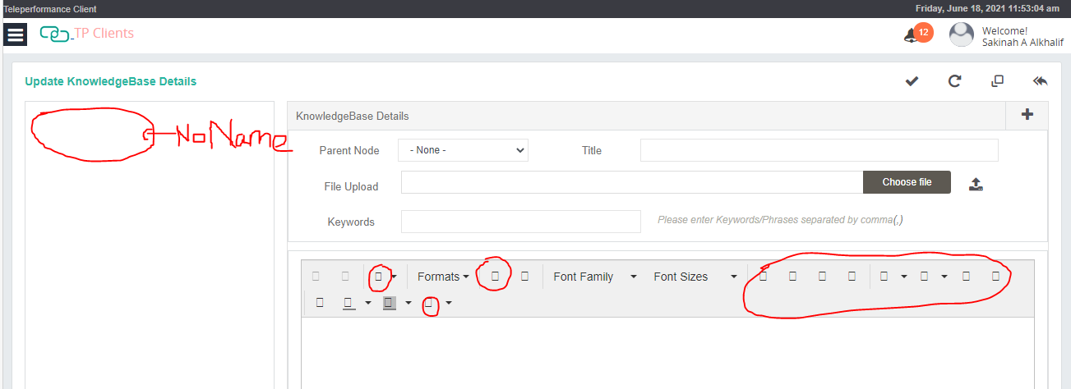

Fig. 2

Fig. 3

Fig. 4

Fig. 5

