Sheet1
EmployeeName | LoginName | Password | TL | Entry Count
Anish Lobo | II00058581 | Serco@321 | Amit Modak | 10
Nikita Poojary | II00056851 | Serco@321 | Amit Modak | 10
Aarushi Kumar | EJT_200000000016274 | Serco@321 | Amit Thapa | 10
Ajitesh Pathania | EJT_200000000017416 | Serco@321 | Amit Thapa | 0
Aakansha Negi | EJT_II00079887 | Serco@321 | Anil Singh Negi | 10
Abhimanyu Sharma | EJT_II00082399 | Serco@321 | Anil Singh Negi | 10
Anu Sharma | EJT_200000000016840 | Serco@321 | Aruna Bhatiya | 10
Diksha Sharma | EJT_200000000016545 | Serco@321 | Aruna Bhatiya | 0
Abdul Lodhia | EJT_II00082868 | Serco@321 | Brunel Sequeria | 3
Kartik Sharma | EJT_200000000020697 | Serco@321 | Chintan Parikh | 3
Abhishek Shejwal | II00065461 | Serco@321 | Clifton Farnades | 3
Aditi Singh | II00066413 | Serco@321 | Clifton Farnades | 5
Amrit Joshi | II00058895 | Serco@321 | Darshika Parab | 4
Ankita Shinde | II00058908 | Serco@321 | Darshika Parab | 4
Salman Sayed | II00042017 | Serco@321 | Earl Bharadwaj | 6
Robin Nain | EJT_200000000016107 | Serco@321 | Abhishek Luthra | 0
Akriti Sharma | EJT_200000000016528 | Serco@321 | Arindam Paul | 0
Asad Khan | II00068443 | Serco@321 | Ashray Kadam | 0
Adnan Vodeyar | EJT_200000000014881 | Serco@321 | Ashwin Biliye | 0
Kartik Sharma | EJT_200000000020697 | Serco@321 | Chintan Parikha | 0
Ajit Singh | EJT_200000000016829 | Serco@321 | Karanpreetsing | 0
Abhishek Massey | EJT_200000000017422 | Serco@321 | Koushal Shah | 0
Sonal Rozani | EJT_II00085534 | Serco@321 | Kirti Gujral | 0
Akshat Sharma | EJT_200000000017426 | Serco@321 | Lakshay Nagpal | 0

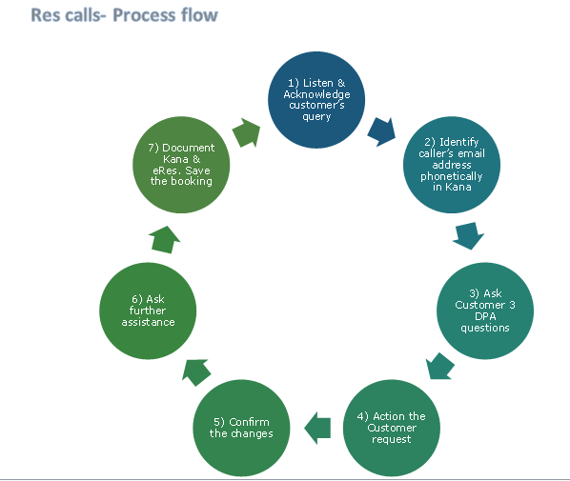

 |  |  |  |  | FLIGHT NO | DATE OF DISRUPTION | Assigned
 |  |  |  |  | 3-Aug-15 | 30-Jul-21 | Aashish
 |  |  |  |  | 23-Oct-04 | 21-Aug-21 | Aashish
 |  |  |  |  | 1-Aug-00 | 7-Sep-21 | Manesh
 |  |  |  |  | 13-May-23 | 7-Sep-21 | Manesh
 |  |  |  |  | 1-Aug-00 | 7-Sep-21 | Neeraj
 |  |  |  |  | 23-Dec-07 | 7-Sep-21 | Neeraj
 |  |  |  |  | 9-Nov-03 | 1-Apr-20 | Neeraj
 |  |  |  |  | 3-Aug-15 | 30-Jul-21 | Niamat
 |  |  |  |  | 20-Feb-21 | 7-Sep-21 | Niamat
 |  |  |  |  | 27-Nov-20 | 1-Oct-21 | Niamat
 |  |  |  |  | 3-Aug-15 | 30-Jul-21 | Shubham
 |  |  |  |  | 11-Nov-21 | 7-Sep-21 | Shubham

 |  |  |  |  | ACCOUNTABILITY | Overide

 |  |  |  |  | Quality Analysts | The advisor should meet the target of 85% for the following month

 |  |  |  |  | Quality Analysts | The advisor should meet the target of 85% for the following month

 |  |  |  |  | Quality Coach/Team Leader | The advisor should meet the target of 85% for the following month

 |  |  |  |  | Quality Coach/Team Leader | The advisor should meet the target of 85% for the following month

