Demo
DEMO

 | 1.Transfer learning with Feature Extraction
 | 2.Transfer learning with Fine-Tuning

 | 1. Feature Extraction

Import Dataset

Format Dataset

Load Pretrained Dataset

Remove the classification layer

Adjust Training parameter

Train the model

Evaluate the model

 | 2. Fine-Tuning

Environment
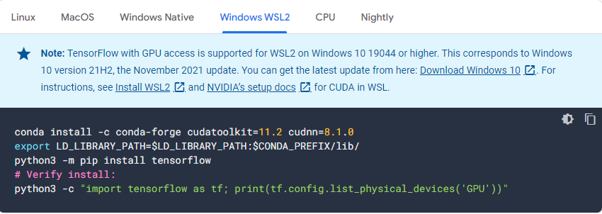
Environments

Tensorflow 2.11 on WSL2 support GPU only for Windows 10 19044 or higher

Concept
Concepts

Objectives | To prove the concept of retrain transfer learning with only higher layers and repurpose the classification.

 | Datasets

Dataset 1
Dataset 2

 | Models (pretrained)

Efficientnet
 |  |  | trained with ImageNet dataset

VGG16
 |  |  | trained with ImageNet dataset

 |  | Model layers

Fully connected layer

Dense layer

Flowchart Diagram

Read and Format dataset 1
Read and Format dataset 1+2
 |  |  | 1. Dataset has been separated into folders and the folder names are class labels.
 |  |  | 2. Resize abd format the dataset into compatible format with the model

Split dataset 1 into train and test
Split dataset 1 into train and test
 |  |  | Split dataset 1 into Train and Test with the ratio of not less than 0.8 training

Load pretrained model without top layer and freeze all the layers
Load pretrained model without top layer and freeze all the layers
 |  |  | Load pretrained model and freeze the layers

Prepare all the training parameters
Prepare all the training parameters
 |  |  | Declare and set all the training parameter, e.g. epoch, batch_size, optimizer, learning rate

train the model
train the model
 |  |  | Train the model, while observing the loss and accuracy

evaluate the prediction result
evaluate the prediction result
 |  |  | Evaluate the model using test dataset from the split in the beginning

Save the trained model
 |  |  | Save the trained model in h5

