Experiment Design
 |  |  |  |  | CNN with STFT Experiment Design

First Phase : Training
INPUT
※ 80 Percent for Training and 20 Percent for Testing

 |  |  | 1D Signal | 2D Spectrogram Images |  | Convolutional Neural Network | Model

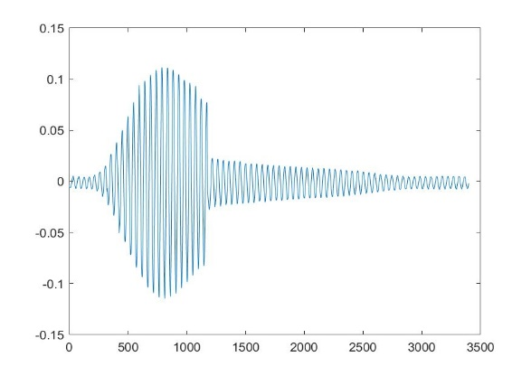
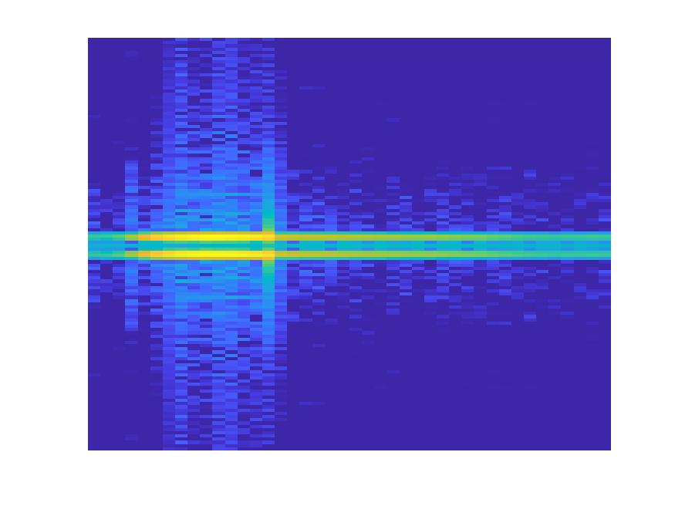
 |  | Object 1

315

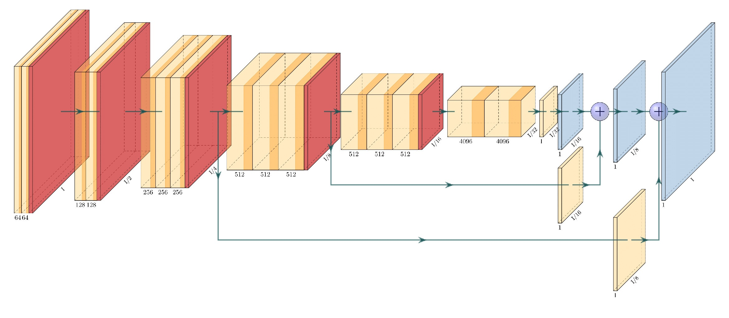

Already trained Model with Object Signals

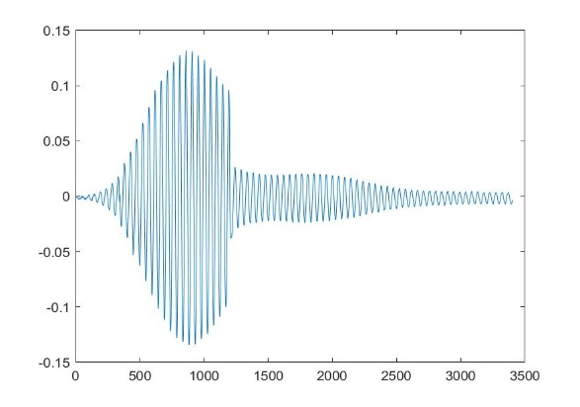
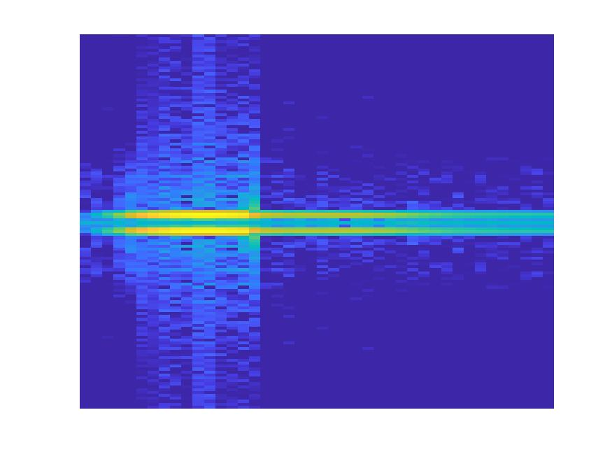
 |  | Object 2

200

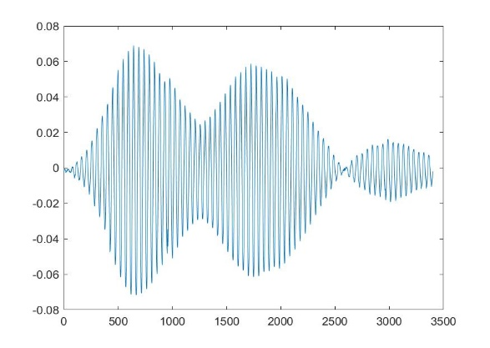
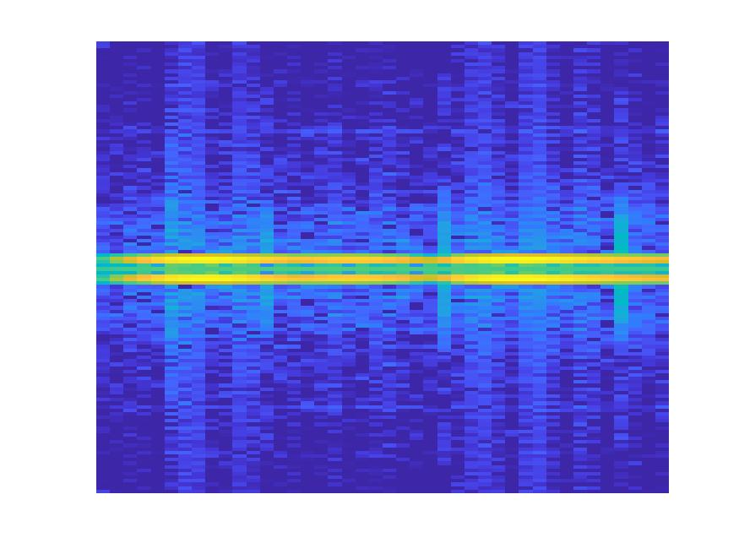
 |  | Object 3

400

...
...

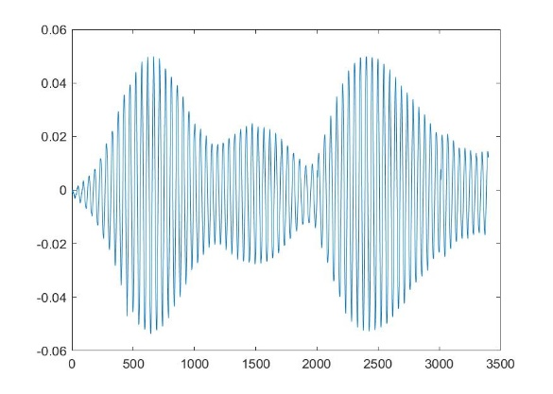
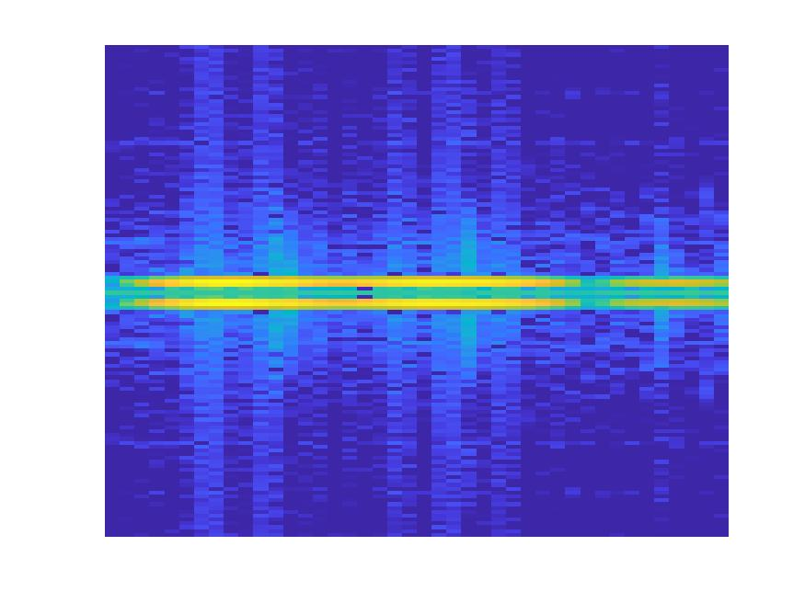
 |  | Object n
m

Second Phase : Testing (Validation)

Object 1: 0.8
Object 2: 0.5
Object 3: 0.2
Object 4: 0.1
 |  | Object 1
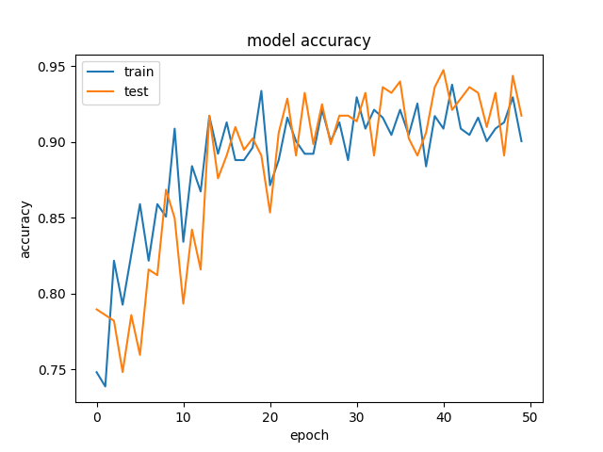
//

Already trained Model with Object Signals

Object 1: 0.5
Object 2: 0.8
Object 3: 0.3
Object 4: 0.4
 |  | Object 2

//

Object 1: 0.1
Object 2: 0.2
Object 3: 0.7
Object 4: 0.5
 |  | Object 3

//

...
...
...

Object 1: 0.1
Object 2: 0.2
Object 3: 0.5
Object 4: 0.9
 |  | Object n
mm

 | Migrate to Python

 | 2 Parts

- Accept bunch of Spectropgram Images as inputs
- Label each Image
- Construct CNN Layers
- Be able to change the following parameters
0. Ratio between train and validate samples
1. Filter size in each layer
2. Epoch
3. Batch size
4. other parameters (currently researching)
Be able to plot the training and validation graph
Preprocessing
- Transform csv files from each object into Spectrogram - Able to change the following parameters 1. Window type
2. Window size
3. Overlapped - Also be able to downsample Spectrogram Images
CNN Training and Validation

Mahdieh
Mukit

Paween
Rabiul

Sheet1
Label : Object1

Object 1: 0.2
Object 2: 0.8

trained Network
 | correct

 | wrong

Label : Object2

FlowChart Diagram
Flowchart Diagram of Program.
createSTFT.py and createSpectrogram.py
Input Parameters
1. Input path : string
2. Output path : string
3. Window e.g. hamming Window Rect window, but we will construct window outside function and import to the function
3.5. Window size: int 128, 256
4. Overlapped Value : int
5. Output Images file type : string
6. Image Size
7. Expected SIze
8.
Output
1. Spectrogram Images of all Signals : images (PNG, JPG, ...)
2.
 | Requirement | Remarks : Variable Type TBA
START

Create STFT from input
( createSTFT.py )
Create Convolution Network
( construnctConvNet.py )

constructConvNet.py
Input Parameters
None
Output
1. network
Create Spectrogram from STFT
( createSpectrogram.py )

If one function can cover all then only one function
Train Network
( trainNetwork.py )

trainNetwork.py and classify.py Input Parameters
1. network
2. Spectrogram Images ( Var type : TBA)
3. trainingOptions ( Probably read from config file )
4.
Output
1. Trained Network
2. Classification Result

Classification and validation
( classify.py )
If one function can cover all then only one function

Plot Training and Validation Graph
( plotTrainAndValidGraph.py )

plotTrainAndValidGraph.py Input Parameters
TBA
Output
Graph of training and Validation Result

END

