Sheet1
 |  |  |  | CNN with STFT Experiment Design

First Phase : Training

Each Object has 315 Signals. We will train with 211 Signals, and use the rest for Testing. ※ 67 Percent for Training and 33 Percent for Testing

 |  | 1D Signal | 2D Spectrogram Images |  | Convolutional Neural Network | Model

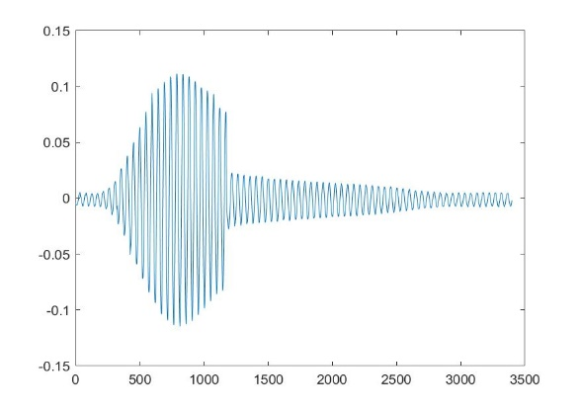
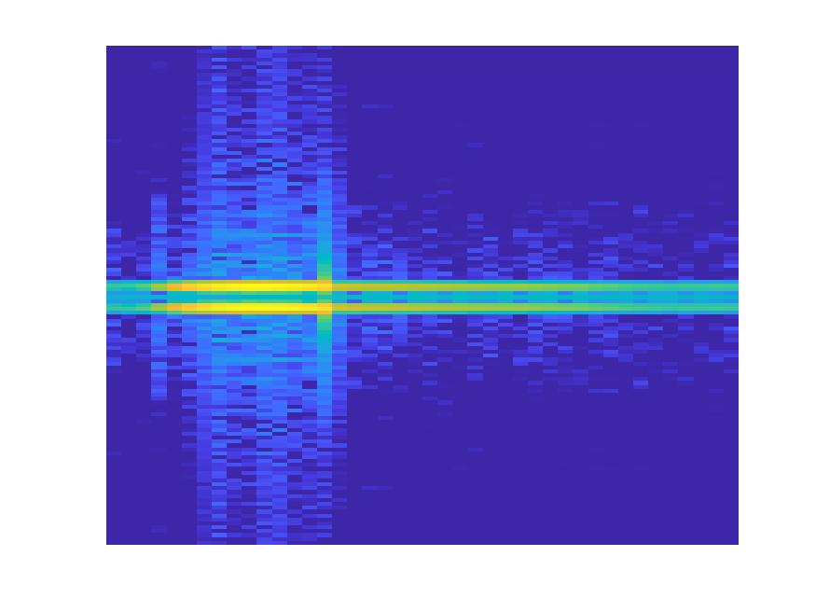
 | Object 1

211

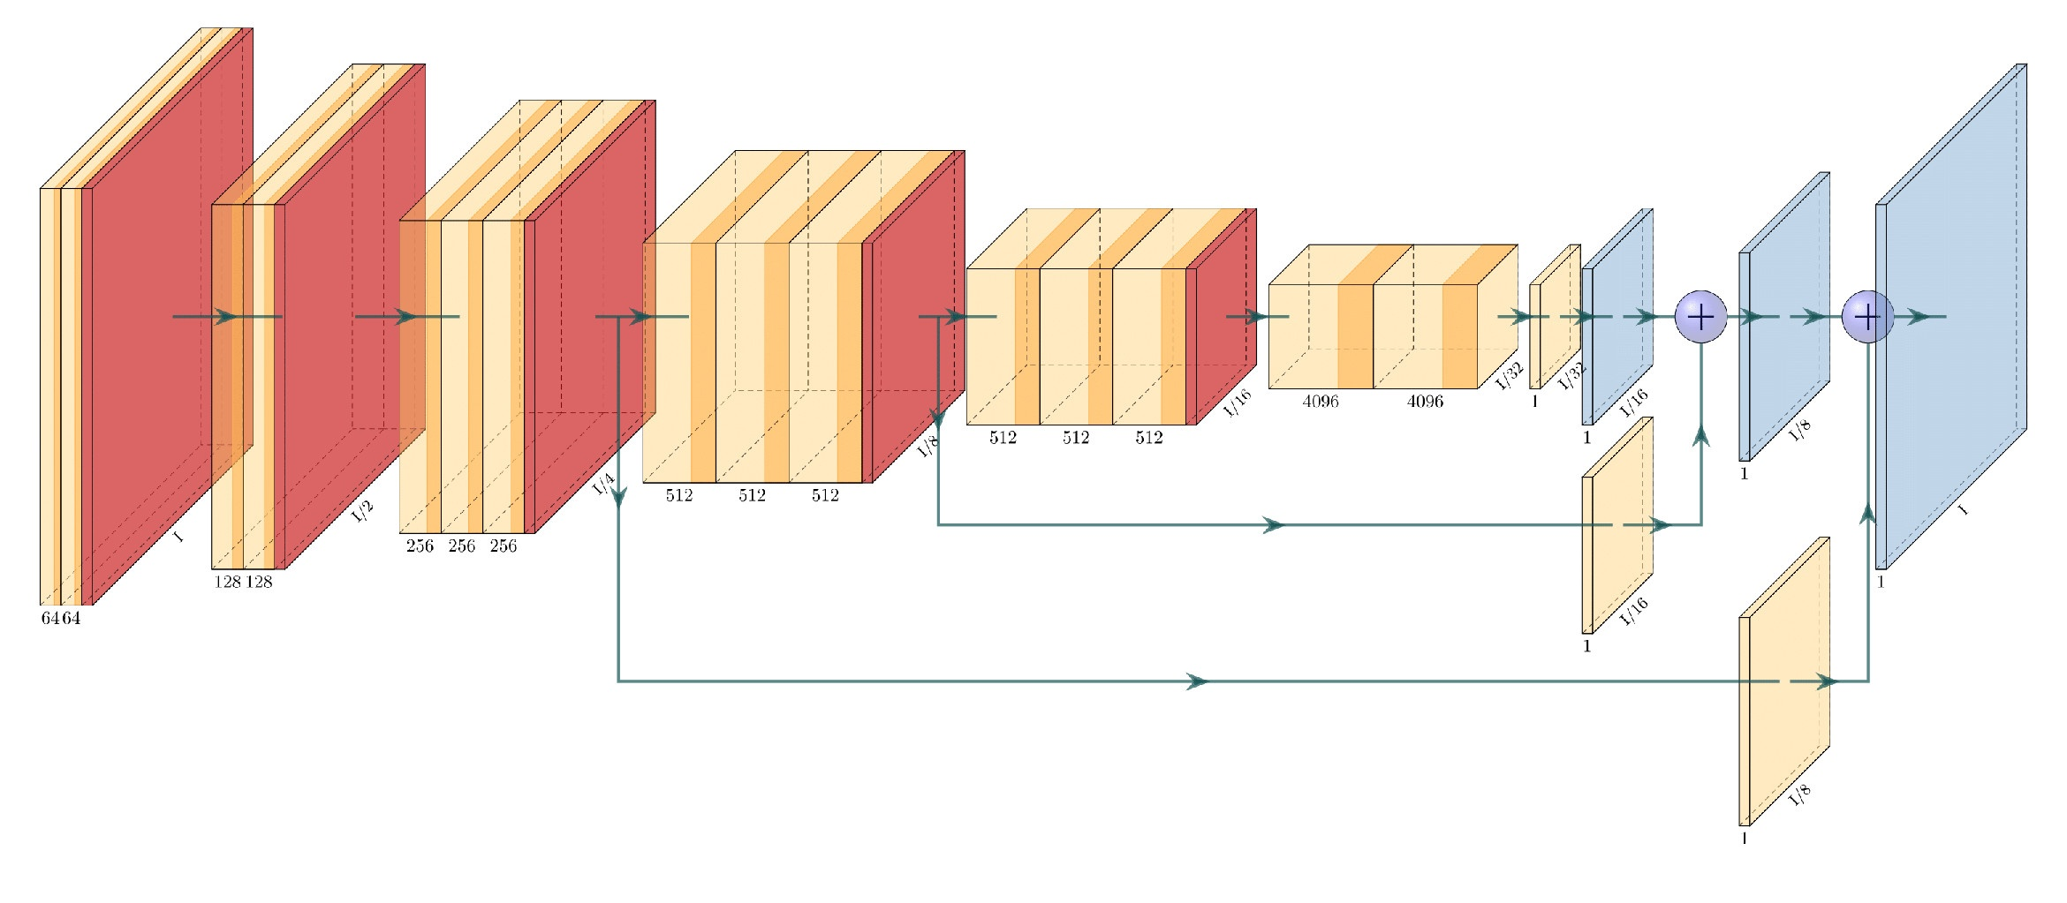

Already trained Model with Object Signals

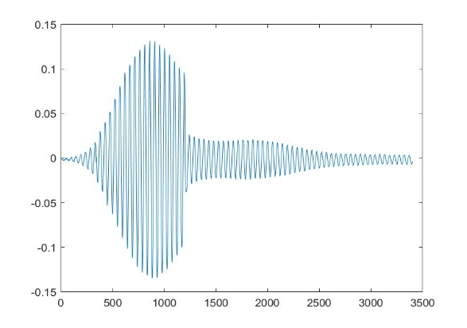
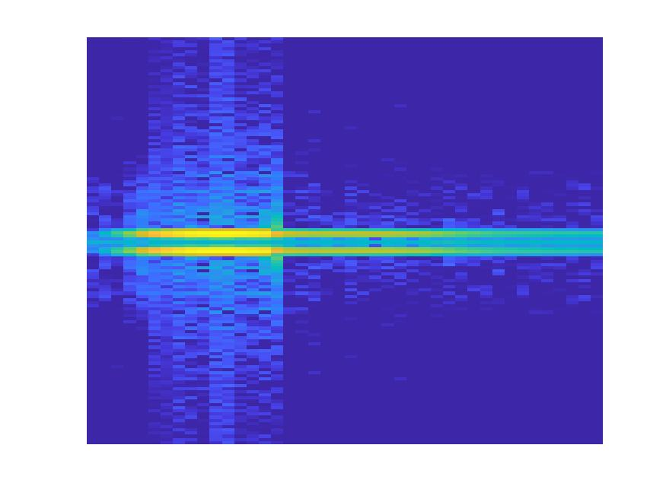
 | Object 2

211

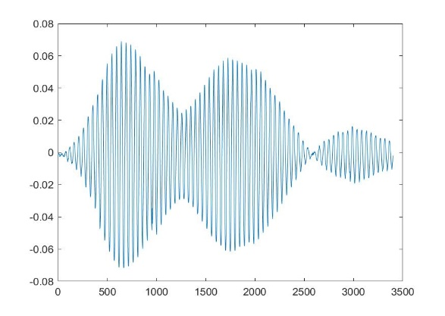
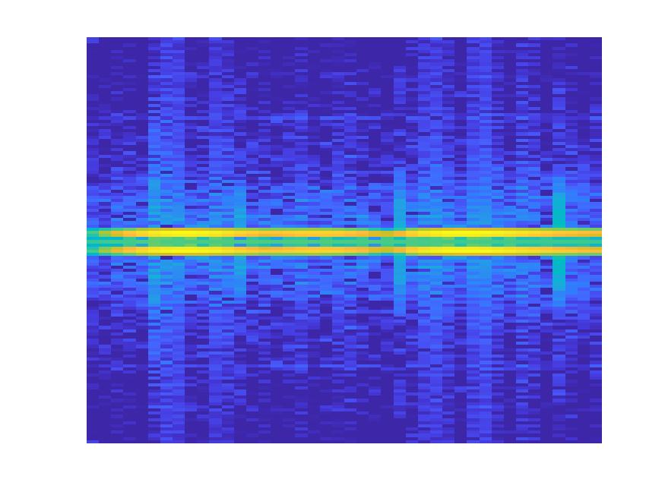
 | Object 3

211

...
...

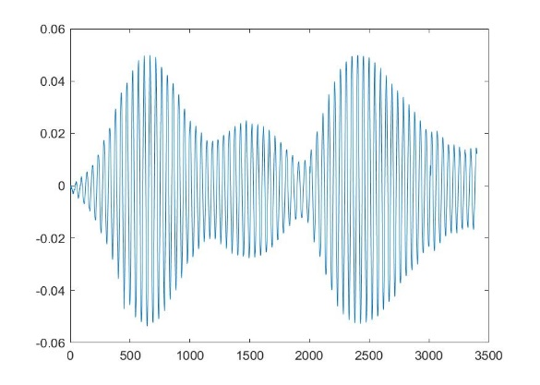
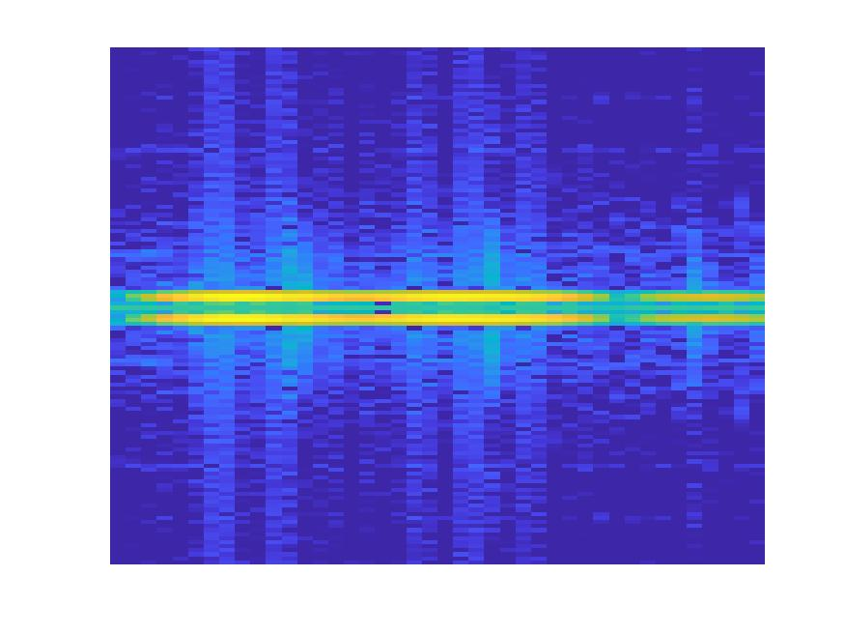
 | Object n
211

Second Phase : Testing

Object 1: 0.8
Object 2: 0.5
Object 3: 0.2
Object 4: 0.1
 | Object 1
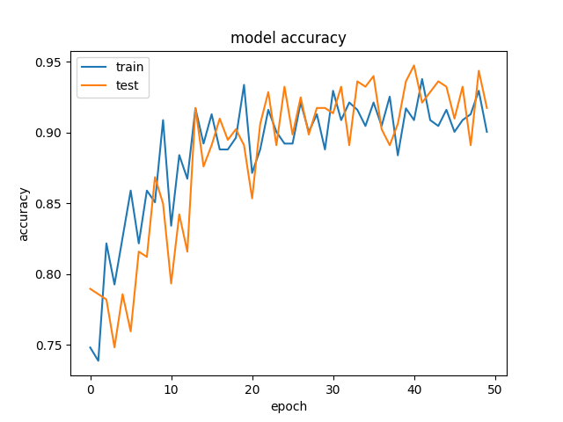
104

Already trained Model with Object Signals

Object 1: 0.5
Object 2: 0.8
Object 3: 0.3
Object 4: 0.4
 | Object 2

104

Object 1: 0.1
Object 2: 0.2
Object 3: 0.7
Object 4: 0.5
 | Object 3

104

...
...
...

Object 1: 0.1
Object 2: 0.2
Object 3: 0.5
Object 4: 0.9
 | Object n
104

