Experiment Design
 |  |  |  |  | CNN with STFT Experiment Design

First Phase : Training
INPUT
※ 80 Percent for Training and 20 Percent for Testing

 |  |  | 1D Signal | 2D Spectrogram Images |  | Convolutional Neural Network | Model

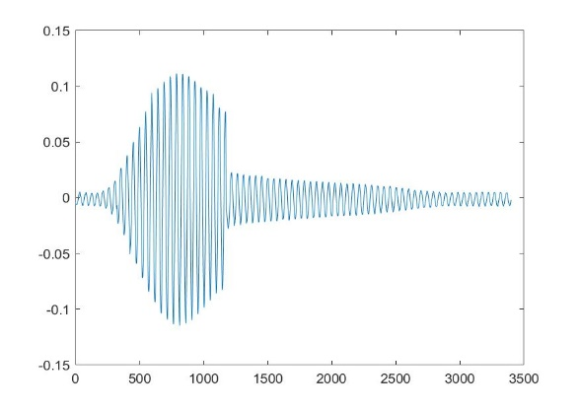
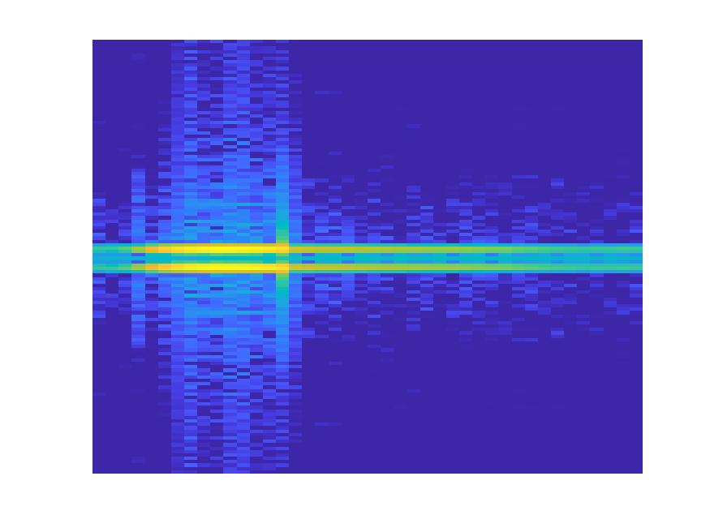
 |  | Object 1

315

Already trained Model with Object Signals

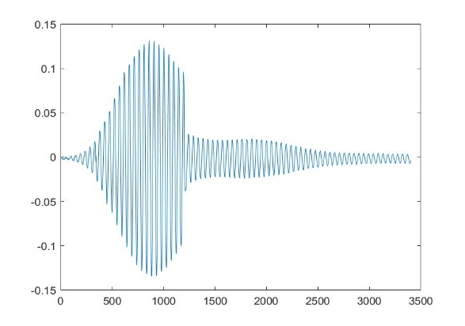
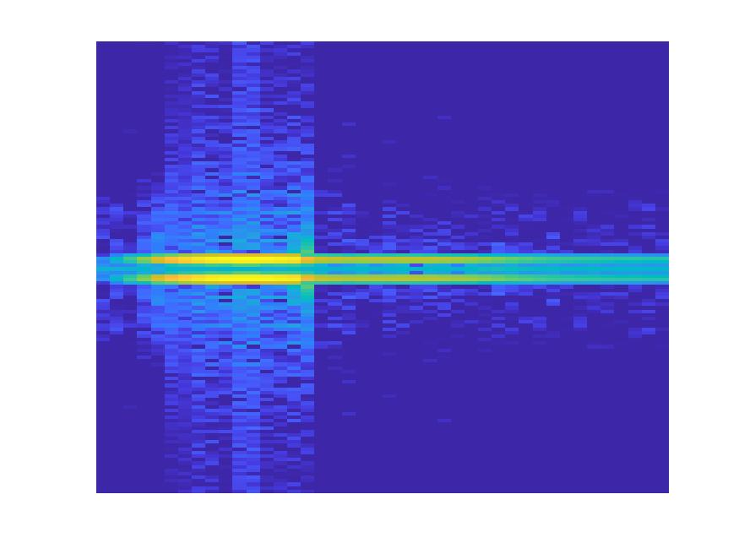
 |  | Object 2

200

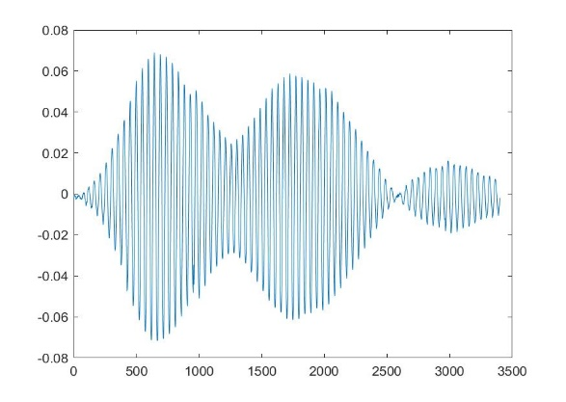
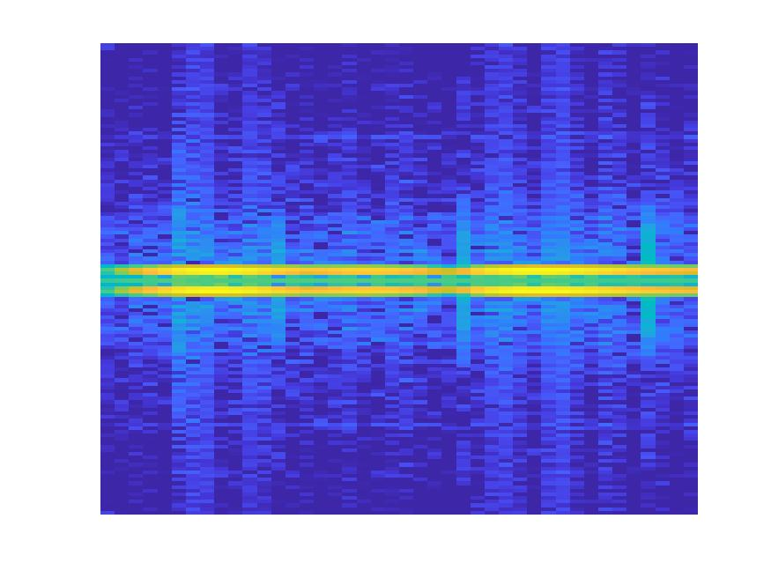
 |  | Object 3

400

...
...

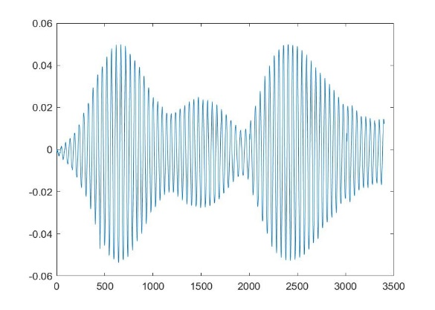
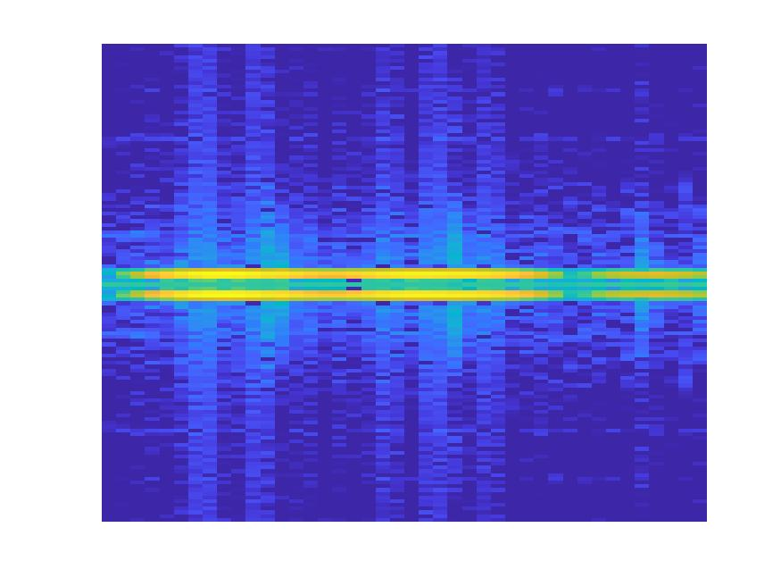
 |  | Object n
m

Second Phase : Testing (Validation)

Object 1: 0.8
Object 2: 0.5
Object 3: 0.2
Object 4: 0.1
 |  | Object 1
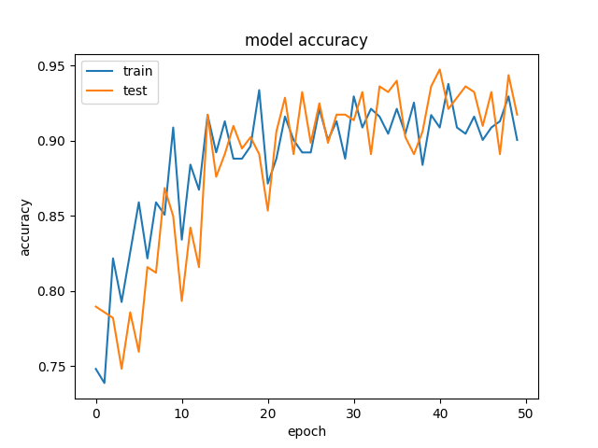
//

Already trained Model with Object Signals

Object 1: 0.5
Object 2: 0.8
Object 3: 0.3
Object 4: 0.4
 |  | Object 2

//

Object 1: 0.1
Object 2: 0.2
Object 3: 0.7
Object 4: 0.5
 |  | Object 3

//

...
...
...

Object 1: 0.1
Object 2: 0.2
Object 3: 0.5
Object 4: 0.9
 |  | Object n
mm

 | Migrate to Python

 | 2 Parts

- Accept bunch of Spectropgram Images as inputs
- Label each Image
- Construct CNN Layers
- Be able to change the following parameters
0. Ratio between train and validate samples
1. Filter size in each layer
2. Epoch
3. Batch size
4. other parameters (currently researching)
Be able to plot the training and validation graph
Preprocessing
- Transform csv files from each object into Spectrogram - Able to change the following parameters 1. Window type
2. Window size
3. Overlapped - Also be able to downsample Spectrogram Images
CNN Training and Validation

Mahdieh
Mukit

Paween
Rabiul

FlowChart Diagram of Program
Flowchart Diagram of Program.
createSTFT.py and createSpectrogram.py
Input Parameters
1. Input path : string
2. Output path : string
3. Window e.g. hamming Window Rect window, but we will construct window outside function and import to the function
3.5. Window size: int 128, 256
4. Overlapped Value : int
5. Output Images file type : string
6. Image Size
7. Expected SIze
8.
Output
1. Spectrogram Images of all Signals : images (PNG, JPG, ...)
2.
START
 | Requirement | Remarks : Variable Type TBA

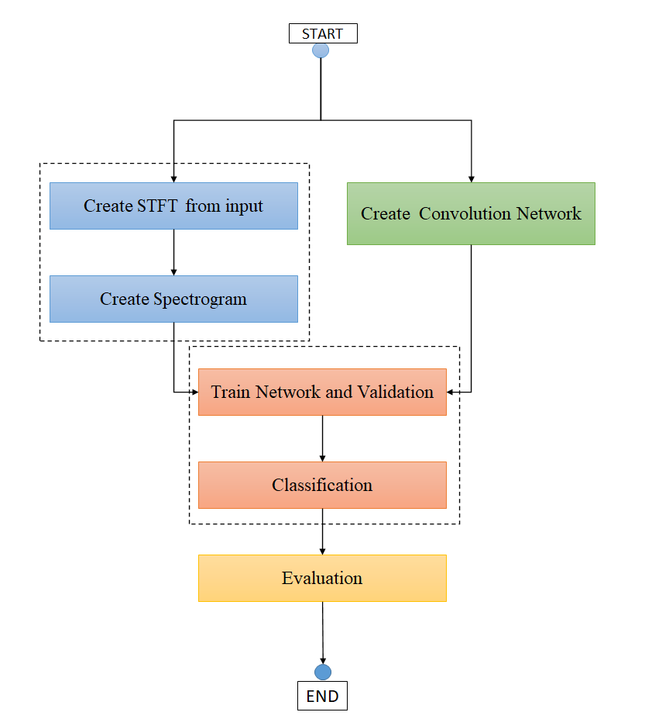

Create STFT from input
Create Convolution Network

constructConvNet.py
Input Parameters
None
Output
1. model
Create Spectrogram

Train Network and Validation

trainNetwork.py and classify.py Input Parameters
1. network
2. Spectrogram Images ( Var type : TBA)
3. trainingOptions ( Probably read from config file )
4.
Output
1. Trained model
2. Classification Result

Classification

Evaluation

plotTrainAndValidGraph.py Input Parameters
TBA
Output
Graph of training and Validation Result

END

CNN Model 1
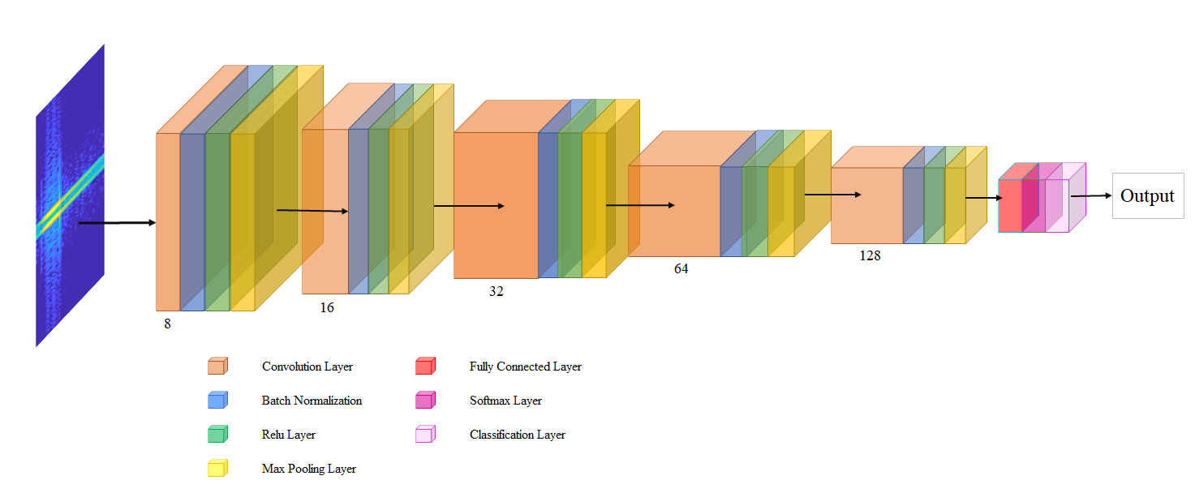
CNN Model 1

Output

128
64

32
16
8

 | Convolution Layer | Fully Connected Layer

 | Batch Normalization | Softmax Layer

 | Relu Layer | Classification Layer

 | Max Pooling Layer

CNN Model 2
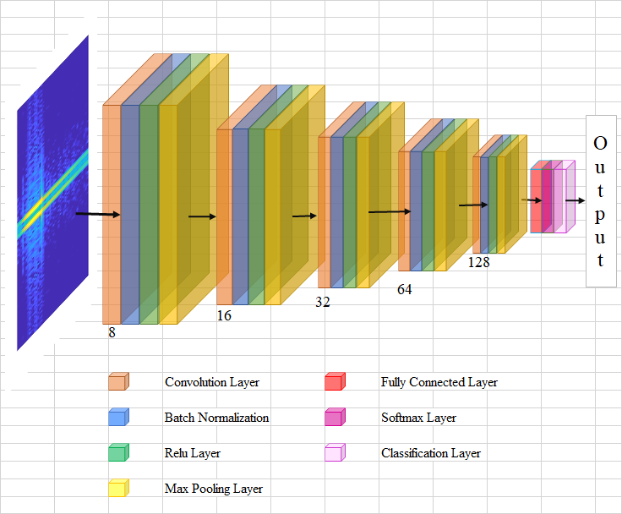

Output

128

64
16
32
8

Convolution Layer | Fully Connected Layer

Batch Normalization | Softmax Layer

Relu Layer | Classification Layer

Max Pooling Layer

drawing
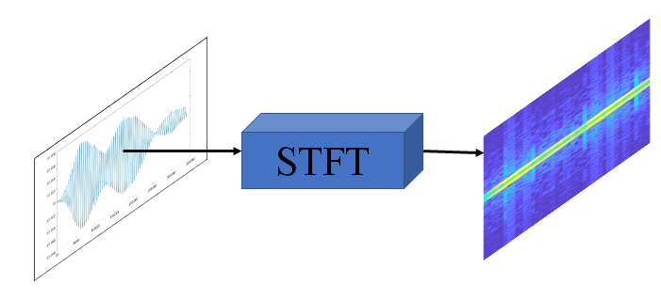
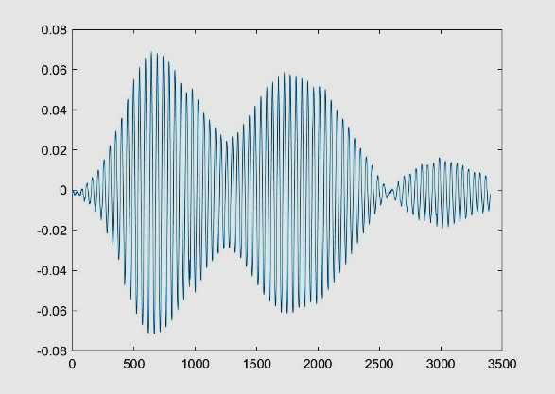

STFT

