Experiment Design
 |  |  |  |  | CNN with STFT Experiment Design

First Phase : Training
INPUT
※ 80 Percent for Training and 20 Percent for Testing

 |  |  | 1D Signal | 2D Spectrogram Images |  | Convolutional Neural Network | Model

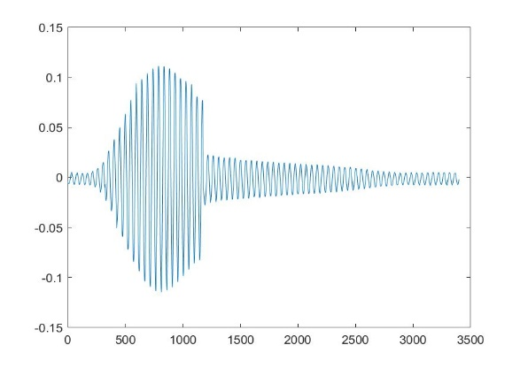
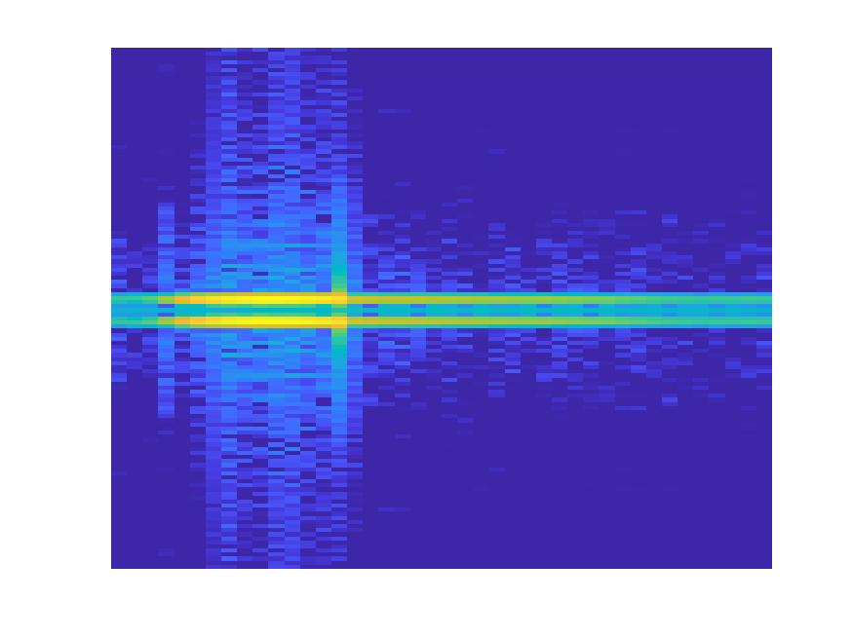
 |  | Object 1

315

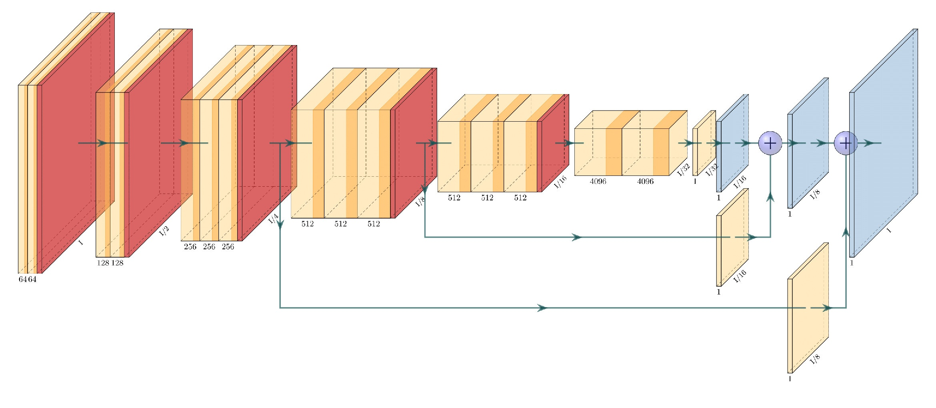

Already trained Model with Object Signals

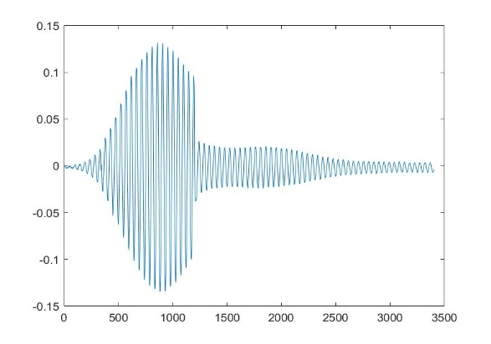
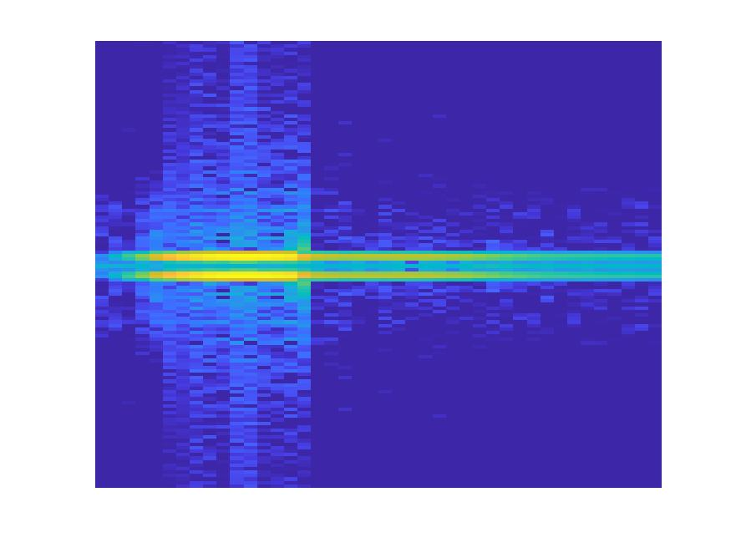
 |  | Object 2

200

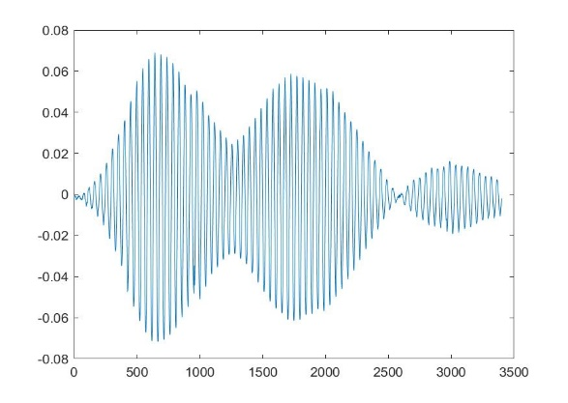
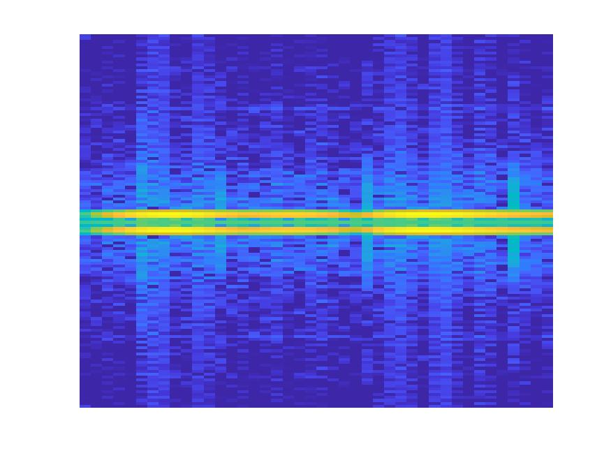
 |  | Object 3

400

...
...

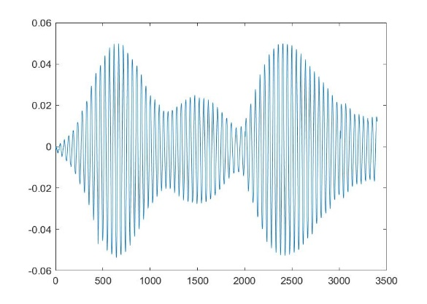
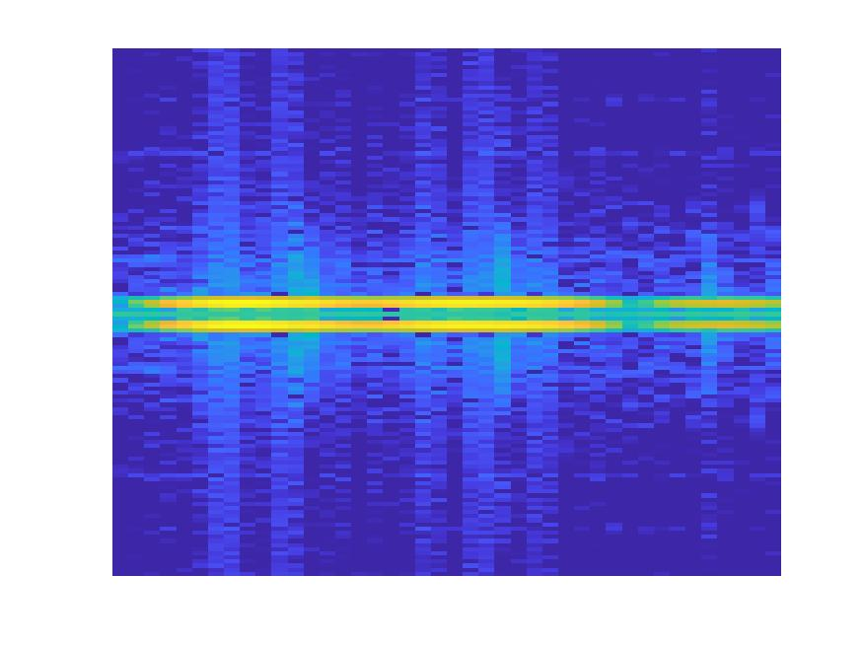
 |  | Object n
m

Second Phase : Testing (Validation)

Object 1: 0.8
Object 2: 0.5
Object 3: 0.2
Object 4: 0.1
 |  | Object 1
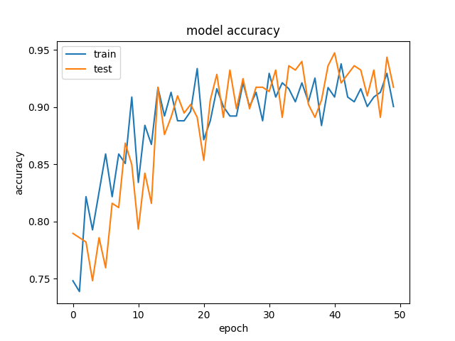
//

Already trained Model with Object Signals

Object 1: 0.5
Object 2: 0.8
Object 3: 0.3
Object 4: 0.4
 |  | Object 2

//

Object 1: 0.1
Object 2: 0.2
Object 3: 0.7
Object 4: 0.5
 |  | Object 3

//

...
...
...

Object 1: 0.1
Object 2: 0.2
Object 3: 0.5
Object 4: 0.9
 |  | Object n
mm

 | Migrate to Python

 | 2 Parts

- Accept bunch of Spectropgram Images as inputs
- Label each Image
- Construct CNN Layers
- Be able to change the following parameters
0. Ratio between train and validate samples
1. Filter size in each layer
2. Epoch
3. Batch size
4. other parameters (currently researching)
Be able to plot the training and validation graph
Preprocessing
- Transform csv files from each object into Spectrogram - Able to change the following parameters 1. Window type
2. Window size
3. Overlapped - Also be able to downsample Spectrogram Images
CNN Training and Validation

Mahdieh
Mukit

Paween
Rabiul

