Sheet1
 |  |  |  | CNN with STFT Experiment Design

First Phase : Training
INPUT
※ 80 Percent for Training and 20 Percent for Testing

 |  | 1D Signal | 2D Spectrogram Images |  | Convolutional Neural Network | Model

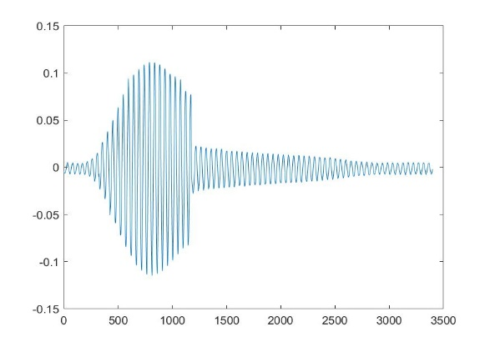
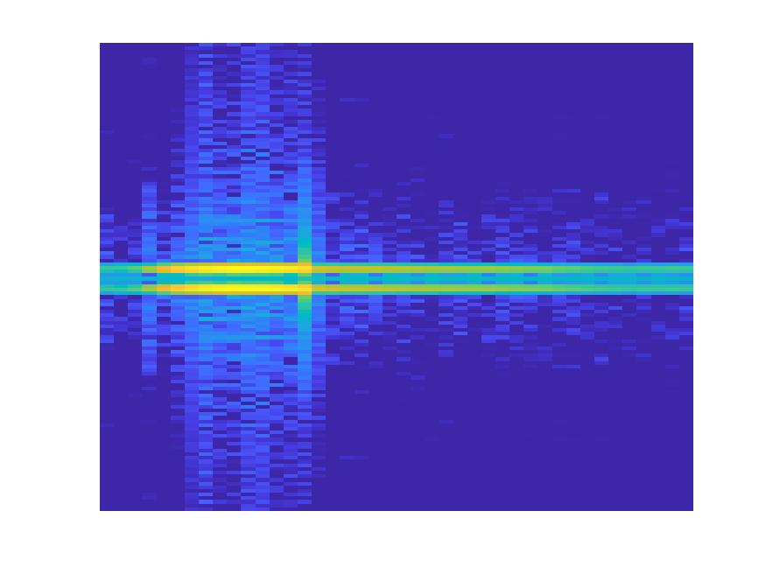
 | Object 1

315

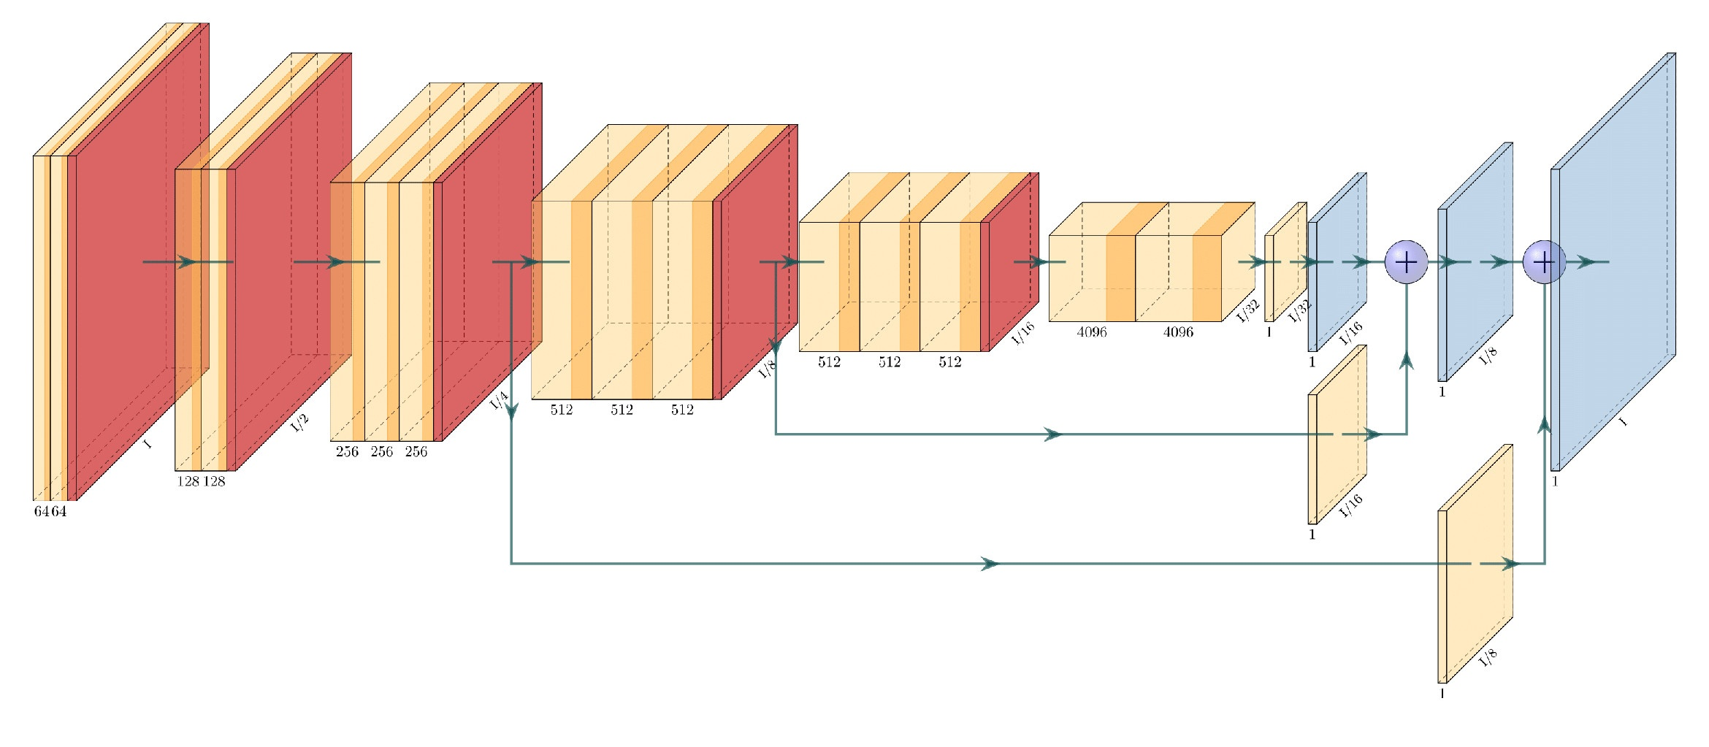

Already trained Model with Object Signals

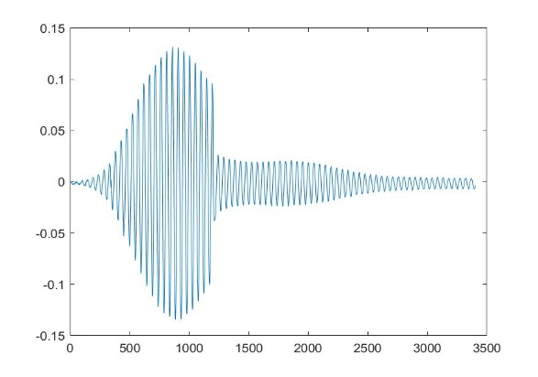
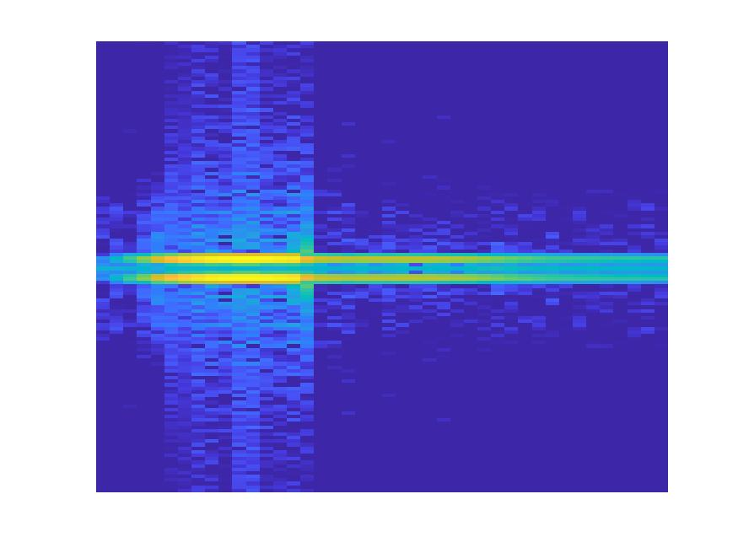
 | Object 2

200

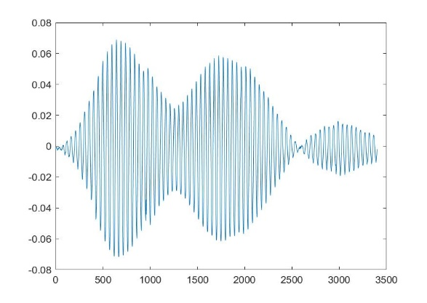
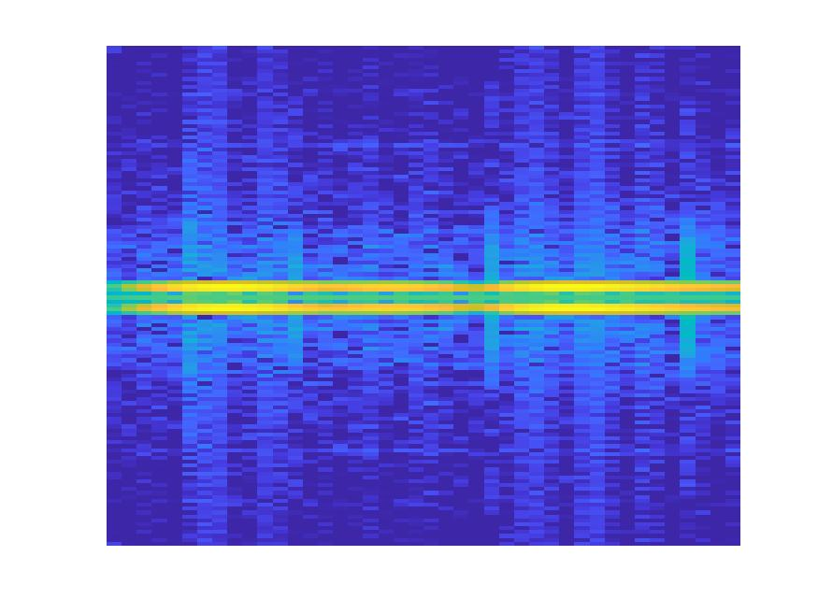
 | Object 3

400

...
...

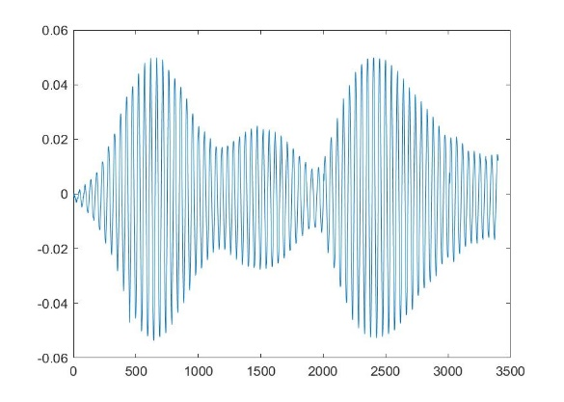
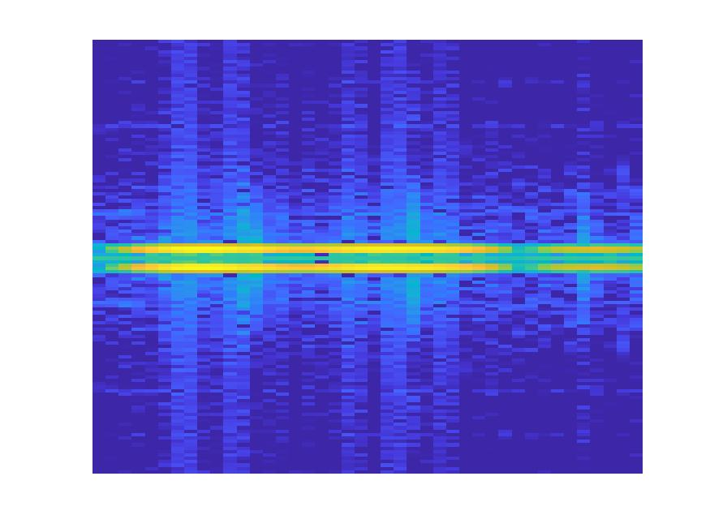
 | Object n
m

Second Phase : Testing (Validation)

Object 1: 0.8
Object 2: 0.5
Object 3: 0.2
Object 4: 0.1
 | Object 1
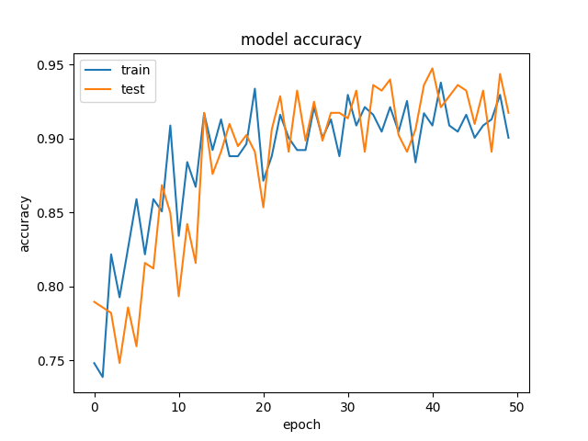
//

Already trained Model with Object Signals

Object 1: 0.5
Object 2: 0.8
Object 3: 0.3
Object 4: 0.4
 | Object 2

//

Object 1: 0.1
Object 2: 0.2
Object 3: 0.7
Object 4: 0.5
 | Object 3

//

...
...
...

Object 1: 0.1
Object 2: 0.2
Object 3: 0.5
Object 4: 0.9
 | Object n
mm

